LF
JM Liquid Fund (An Open-Ended Liquid Scheme)
This Product is suitable for investors who are seeking* |  |  | Benchmark of the scheme - Crisil Liquid Fund Index
• Regular Income over Short Term.
• Investment in debt and money market securities with maturity of upto 91 days only.
*Investors should consult their financial advisers if in doubt about whether the product is suitable for them.
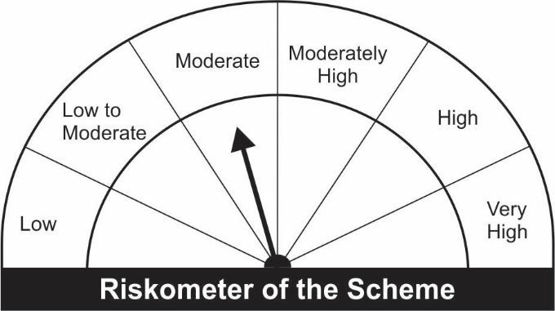


Name of the Instruments | Industry/Rating | Quantity | Market Value (Rs. In Lakhs) | % age to NAV | ISIN | Yield % | ^YTC (AT1/Tier 2 bonds)

DEBT INSTRUMENTS
a) Listed/Awaiting Listing On Stock Exchange
REC Ltd.** | CRISIL AAA | 500 | 5,009.49 | 5.11 | INE020B08997 | 3.5354
Sub Total: |  |  | 5,009.49 | 5.11

b) Privately Placed / Unlisted |  |  | NIL | NIL

Total: |  |  | 5,009.49 | 5.11 | -

TERM DEPOSITS

Deposits (Maturity not exceeding 91 days) |  |  | NIL | NIL

Deposits (Placed as F & O margin) |  |  | NIL | NIL

MONEY MARKET INSTRUMENTS
Certificate of Deposit (CD) / Commercial Paper (CP)
Indian Oil Corporation Ltd CP** | ICRA A1+ | 1,000 | 4,990.15 | 5.09 | INE242A14UV7 | 3.4308
Housing Development Finance Company Ltd.CP** | ICRA A1+ | 1,000 | 4,987.18 | 5.09 | INE001A14WZ4 | 3.4751
Nabha Power Ltd.CP** | ICRA A1+ | 1,000 | 4,986.69 | 5.09 | INE445L14BY7 | 3.6096
Bharti Airtel Ltd.CP | CRISIL A1+ | 1,000 | 4,985.01 | 5.09 | INE397D14316 | 3.5405
Reliance Retail Ventures Ltd.CP** | CRISIL A1+ | 1,000 | 4,984.21 | 5.08 | INE929O14339 | 3.5046
ICICI Securities Ltd.CP** | CRISIL A1+ | 1,000 | 4,974.55 | 5.07 | INE763G14KU2 | 3.8903
Cholamandalam Investment & Finance Company Ltd.CP** | ICRA A1+ | 1,000 | 4,974.49 | 5.07 | INE121A14TB7 | 3.9003
Tata Power Company Ltd.CP** | CRISIL A1+ | 1,000 | 4,969.34 | 5.07 | INE245A14FE7 | 3.5749
Reliance Industries Ltd.CP** | CRISIL A1+ | 1,000 | 4,967.86 | 5.07 | INE002A14JD6 | 3.5250
Axis Finance Ltd.CP** | CRISIL A1+ | 800 | 3,966.53 | 4.05 | INE891K14KW9 | 3.8501
Birla Group Holdings Private Ltd.CP** | CRISIL A1+ | 500 | 2,476.07 | 2.53 | INE09OL14854 | 4.2501
Treasury Bills
91 Days Treasury-Bill 02/12/2021 | GOI SOV | 10,000,000 | 9,942.58 | 10.14 | IN002021X256 | 3.3999
182 Days Treasury-Bill 18/11/2021 | GOI SOV | 5,855,000 | 5,829.06 | 5.95 | IN002021Y072 | 3.3848
182 Days Treasury-Bill 25/11/2021 | GOI SOV | 2,500,000 | 2,487.32 | 2.54 | IN002021Y080 | 3.3848
91 Days Treasury-Bill 28/10/2021 | GOI SOV | 1,000,000 | 997.57 | 1.02 | IN002021X173 | 3.2998
364 Days Treasury-Bill 25/11/2021 | GOI SOV | 1,000,000 | 994.93 | 1.01 | IN002020Z337 | 3.3848
Sub Total: |  |  | 71,513.51 | 72.95

TREPS-Triparty Repo |  | - | 23,628.77 | 24.10 | -

Sub Total: |  |  | 23,628.77 | 24.10 |  | 3.2267

Total: |  |  | 100,151.77 | 102.16 | -

Net Current Assets |  |  | (2,119.49) | (2.16)

Net Assets |  |  | 98,032.28 | 100.00

** Non Traded.

Number of Instances of Deviation In valuation Of Securities as per Sebi circular ref no SEBI/HO/IMD/DF4/CIR/P/2019/102 dated September 24, 2019- Nil
^ YTC i.e. Yield to Call is disclosed at security level only for Additional Tier 1 Bonds and Tier 2 Bonds issued by Banks as per AMFI Best Practices Notification 135/BP/91/2020-21 read with SEBI circular SEBI/HO/IMD/DF4/CIR/P/2021/034

