AA
JM Arbitrage Fund (An open ended scheme investing in arbitrage opportunities)
This Product is suitable for investors who are seeking* |  |  | Benchmark of the scheme - Nifty 50 Arbitrage Index
• Regular Income over Medium Term
• Income through arbitrage by investment predominantly in Equity Stocks and taking offsetting positions in Equity Futures and Options.
*Investors should consult their financial advisers if in doubt about whether the product is suitable for them.
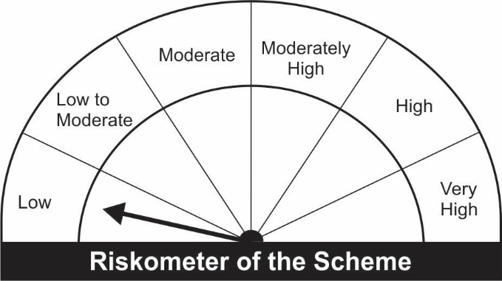
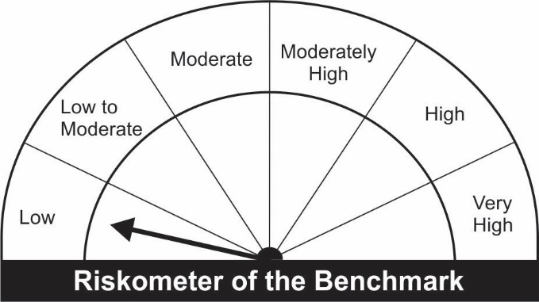

Name of the Instruments | Industry/Rating | Quantity | Market Value (Rs. In Lakhs) | % age to NAV | ISIN | Yield % | ^YTC (AT1/Tier 2 bonds)
EQUITY & EQUITY RELATED
a) Listed/Awaiting Listing On Stock Exchange
Adani Ports and Special Economic Zone Ltd. | Transportation | 71,250 | 525.75 | 10.19 | INE742F01042
Adani Enterprises Ltd. | Minerals/Mining | 32,000 | 469.79 | 9.10 | INE423A01024
Tata Steel Ltd. | Ferrous Metals | 33,150 | 427.27 | 8.28 | INE081A01012
ITC Ltd. | Consumer Non Durables | 166,400 | 392.95 | 7.61 | INE154A01025
Bajaj Finance Ltd. | Finance | 3,875 | 297.14 | 5.76 | INE296A01024
Multi Commodity Exchange of India Ltd. | Capital Markets | 17,850 | 296.07 | 5.74 | INE745G01035
Jindal Steel & Power Ltd. | Ferrous Metals | 57,500 | 223.82 | 4.34 | INE749A01030
Alembic Pharmaceuticals Ltd. | Pharmaceuticals | 24,200 | 190.96 | 3.70 | INE901L01018
Amara Raja Batteries Ltd. | Auto Ancillaries | 17,000 | 127.47 | 2.47 | INE885A01032
United Spirits Ltd. | Consumer Non Durables | 12,500 | 106.64 | 2.07 | INE854D01024
Grasim Industries Ltd. | Cement & Cement Products | 3,325 | 55.51 | 1.08 | INE047A01021
ICICI Bank Ltd. | Banks | 6,875 | 48.18 | 0.93 | INE090A01021
Sun TV Network Ltd. | Entertainment | 9,000 | 45.48 | 0.88 | INE424H01027
Bharat Forge Ltd. | Industrial Products | 6,000 | 44.25 | 0.86 | INE465A01025
Maruti Suzuki India Ltd. | Auto | 600 | 44.03 | 0.85 | INE585B01010
Biocon Ltd. | Pharmaceuticals | 9,200 | 33.37 | 0.65 | INE376G01013
Oil & Natural Gas Corporation Ltd. | Oil | 15,400 | 22.25 | 0.43 | INE213A01029
Reliance Industries Ltd. | Petroleum Products | 750 | 18.89 | 0.37 | INE002A01018
Hindustan Petroleum Corporation Ltd. | Petroleum Products | 5,400 | 16.20 | 0.31 | INE094A01015
Aurobindo Pharma Ltd. | Pharmaceuticals | 1,950 | 14.13 | 0.27 | INE406A01037
ACC Ltd. | Cement & Cement Products | 500 | 11.27 | 0.22 | INE012A01025
Sub Total: |  |  | 3,411.43 | 66.10

b) Unlisted |  |  | NIL | NIL

Total: |  |  | 3,411.43 | 66.10

DEBT INSTRUMENTS
a) Listed/Awaiting Listing On Stock Exchange |  |  | NIL | NIL

b) Privately Placed / Unlisted |  |  | NIL | NIL

TERM DEPOSITS

Deposits (Maturity not exceeding 91 days) |  |  | NIL | NIL

Deposits (Placed as F & O margin) | No. of Days
HDFC Bank Ltd. | 377 |  | 100.00 | 1.94 | -
HDFC Bank Ltd. | 186 |  | 100.00 | 1.94 | -
Sub Total: |  |  | 200.00 | 3.88

MONEY MARKET INSTRUMENTS
Certificate of Deposit (CD) / Commercial Paper (CP)
Treasury Bills
182 Days Treasury-Bill 14/10/2021 | GOI SOV | 500,000 | 499.42 | 9.68 | IN002021Y023 | 3.2354
182 Days Treasury-Bill 30/12/2021 | GOI SOV | 500,000 | 495.80 | 9.61 | IN002021Y130 | 3.4359
Sub Total: |  |  | 995.22 | 19.28

TREPS-Triparty Repo |  | - | 321.50 | 6.23 | - | 3.2267

Sub Total: |  |  | 321.50 | 6.23

Total: |  |  | 4,928.16 | 95.49 | -

Net Current Assets |  |  | 233.09 | 4.52

Net Assets |  |  | 5,161.25 | 100.00

Number of Instances of Deviation In valuation Of Securities as per Sebi circular ref no SEBI/HO/IMD/DF4/CIR/P/2019/102 dated September 24, 2019- Nil
^ YTC i.e. Yield to Call is disclosed at security level only for Additional Tier 1 Bonds and Tier 2 Bonds issued by Banks as per AMFI Best Practices Notification 135/BP/91/2020-21 read with SEBI circular SEBI/HO/IMD/DF4/CIR/P/2021/034

Hedging Positions through futures as on September 30, 2021:
Underlying | Long / Short | Quantity | Futures price when purchased (Rs.) | Current price of the Contract (Rs.) | Total Margin maintained in(Rs. In Lakhs)
ACC Ltd. -Oct -2021 | Short | 500 | 2,301.84 | 2,262.40 | 2.09
Adani Enterprises Ltd. -Oct -2021 | Short | 32,000 | 1,507.72 | 1,474.95 | 157.37
Adani Ports and Special Economic Zone Ltd. -Oct -2021 | Short | 71,250 | 748.70 | 739.95 | 150.39
Amara Raja Batteries Ltd. -Oct -2021 | Short | 17,000 | 734.45 | 753.90 | 26.89
Alembic Pharmaceuticals Ltd. -Oct -2021 | Short | 24,200 | 793.51 | 790.85 | 43.62
Aurobindo Pharma Ltd. -Oct -2021 | Short | 1,950 | 719.31 | 728.15 | 4.72
Bajaj Finance Ltd. -Oct -2021 | Short | 3,875 | 7,535.14 | 7,687.25 | 77.50
Bharat Forge Ltd. -Oct -2021 | Short | 6,000 | 743.29 | 740.55 | 11.32
Biocon Ltd. -Oct -2021 | Short | 9,200 | 377.47 | 364.00 | 8.07
Grasim Industries Ltd. -Oct -2021 | Short | 3,325 | 1,655.82 | 1,676.60 | 13.98
Hindustan Petroleum Corporation Ltd. -Oct -2021 | Short | 5,400 | 283.14 | 300.50 | 5.63
ICICI Bank Ltd. -Oct -2021 | Short | 6,875 | 706.83 | 704.20 | 11.21
ITC Ltd. -Oct -2021 | Short | 166,400 | 238.10 | 236.85 | 85.98
Jindal Steel & Power Ltd. -Oct -2021 | Short | 57,500 | 377.26 | 390.20 | 79.89
Maruti Suzuki India Ltd. -Oct -2021 | Short | 600 | 7,476.30 | 7,354.40 | 11.64
United Spirits Ltd. -Oct -2021 | Short | 12,500 | 836.12 | 856.65 | 21.52
Multi Commodity Exchange of India Ltd. -Oct -2021 | Short | 17,850 | 1,670.13 | 1,662.05 | 69.75
Oil & Natural Gas Corporation Ltd. -Oct -2021 | Short | 15,400 | 140.36 | 144.85 | 11.37
Reliance Industries Ltd. -Oct -2021 | Short | 750 | 2,401.64 | 2,520.55 | 4.18
Sun TV Network Ltd. -Oct -2021 | Short | 9,000 | 523.65 | 509.90 | 17.69
Tata Steel Ltd. -Oct -2021 | Short | 33,150 | 1,296.43 | 1,293.00 | 135.65

Total outstanding exposure in derivative instruments at the end of the period - Short -(Rs in Lakhs) : (3,422.55)

Total 66.31% of existing assets hedged through futures as on 30/09/2021
For the period ended September 30, 2021, following are the hedging transactions through futures which have been squared off / expired :
Total number of contracts where futures were bought |  |  | 406
Total number of contracts where futures were sold |  |  | 449
Gross notional value of contracts where futures were bought (Rs. In Lakhs) |  |  | 3,877.82
Gross notional value of contracts where futures were sold (Rs. In Lakhs) |  |  | 3,856.51
Net Profit /(Loss) on all contracts combined (Rs.in Lakhs) |  |  | (159.82)

Total exposure due to futures (non hedging positions) was 0% of net assets as on 30/09/2021
For the period ended September 30, 2021, following are the non-hedging transactions through futures which have been squared off / expired :
Total number of contracts where futures were bought |  |  | 34
Total number of contracts where futures were sold |  |  | 34
Gross notional value of contracts where futures were bought (Rs. In Lakhs) |  |  | 198.37
Gross notional value of contracts where futures were sold (Rs. In Lakhs) |  |  | 197.37
Net Profit /(Loss) on all contracts combined (Rs.in Lakhs) |  |  | (1.00)

