TG
JM Tax Gain Fund (An open ended equity linked saving scheme with a statutory lock in of 3 years and tax benefit)
This Product is suitable for investors who are seeking*
• Capital Appreciation Over Long Term
• Investment predominantly in Equity & Equity related securities and to enable investors tax deduction from total income as permitted under Income Tax Act, 1961 from time to time.
*Investors should consult their financial advisers if in doubt about whether the product is suitable for them.
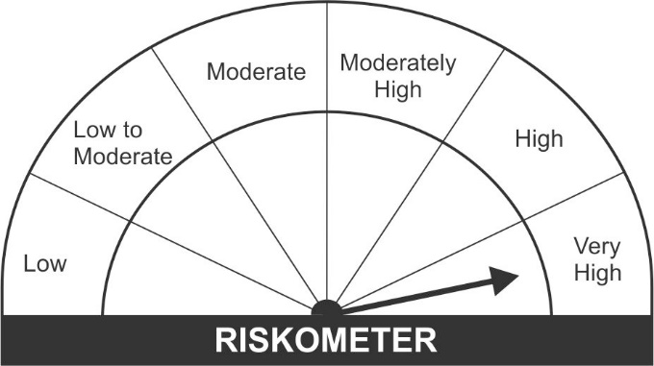

Name of the Instruments | Industry/Rating | Quantity | Market Value (Rs. In Lakhs) | % age to NAV | ISIN | Yield % | ^YTC (AT1/Tier 2 bonds)
EQUITY & EQUITY RELATED
a) Listed/Awaiting Listing On Stock Exchange
HDFC Bank Ltd. | Banks | 23,128 | 365.75 | 5.82 | INE040A01034
Infosys Ltd. | Software | 19,915 | 339.84 | 5.41 | INE009A01021
Bajaj Finance Ltd. | Finance | 3,371 | 253.65 | 4.04 | INE296A01024
Larsen & Toubro Ltd. | Construction Project | 14,000 | 234.11 | 3.73 | INE018A01030
Axis Bank Ltd. | Banks | 28,135 | 221.28 | 3.52 | INE238A01034
Housing Development Finance Corporation Ltd. | Finance | 7,750 | 216.88 | 3.45 | INE001A01036
Bajaj Finserv Ltd. | Insurance | 1,230 | 210.93 | 3.36 | INE918I01018
Kotak Mahindra Bank Ltd. | Banks | 11,215 | 196.68 | 3.13 | INE237A01028
Titan Company Ltd. | Consumer Durables | 9,830 | 188.89 | 3.01 | INE280A01028
Tech Mahindra Ltd. | Software | 12,932 | 187.21 | 2.98 | INE669C01036
State Bank of India | Banks | 41,500 | 176.81 | 2.81 | INE062A01020
Pidilite Industries Ltd. | Chemicals | 7,631 | 174.01 | 2.77 | INE318A01026
Ultratech Cement Ltd. | Cement & Cement Products | 2,150 | 168.40 | 2.68 | INE481G01011
Trent Ltd. | Retailing | 16,396 | 165.09 | 2.63 | INE849A01020
Ashok Leyland Ltd. | Auto | 133,750 | 164.18 | 2.61 | INE208A01029
Reliance Industries Ltd. | Petroleum Products | 7,150 | 161.46 | 2.57 | INE002A01018
Larsen & Toubro Infotech Ltd. | Software | 2,951 | 156.77 | 2.50 | INE214T01019
SKF India Ltd. | Industrial Products | 5,081 | 156.43 | 2.49 | INE640A01023
Asian Paints Ltd. | Consumer Non Durables | 4,750 | 152.06 | 2.42 | INE021A01026
Voltas Ltd. | Consumer Durables | 14,255 | 141.96 | 2.26 | INE226A01021
Cipla Ltd. | Pharmaceuticals | 14,850 | 140.75 | 2.24 | INE059A01026
Shree Cement Ltd. | Cement & Cement Products | 485 | 137.20 | 2.18 | INE070A01015
HDFC Life Insurance Company Ltd | Insurance | 18,540 | 133.07 | 2.12 | INE795G01014
Chemplast Sanmar Ltd. | Chemicals | 23,085 | 133.00 | 2.12 | INE488A01050
Bharti Airtel Ltd. | Telecom - Services | 19,605 | 130.19 | 2.07 | INE397D01024
Mahindra & Mahindra Financial Services Ltd. | Finance | 81,000 | 129.72 | 2.06 | INE774D01024
Siemens Ltd. | Industrial Capital Goods | 5,380 | 122.26 | 1.95 | INE003A01024
Godrej Properties Ltd. | Construction | 8,005 | 119.19 | 1.90 | INE484J01027
Alkem Laboratories Ltd. | Pharmaceuticals | 2,750 | 106.66 | 1.70 | INE540L01014
Canara Bank | Banks | 65,000 | 103.42 | 1.65 | INE476A01014
Central Depository Services India Ltd. | Capital Markets | 8,590 | 102.06 | 1.62 | INE736A01011
Thermax Ltd. | Industrial Capital Goods | 7,221 | 101.64 | 1.62 | INE152A01029
Sundaram Finance Ltd. | Finance | 3,838 | 99.90 | 1.59 | INE660A01013
UTI Asset Management Company Ltd | Capital Markets | 8,100 | 96.82 | 1.54 | INE094J01016
Sundaram Clayton Ltd. | Auto Ancillaries | 2,460 | 89.85 | 1.43 | INE105A01035
Maruti Suzuki India Ltd. | Auto | 1,129 | 77.29 | 1.23 | INE585B01010
Balkrishna Industries Ltd. | Auto Ancillaries | 3,178 | 72.93 | 1.16 | INE787D01026
ICICI Securities Ltd. | Capital Markets | 10,100 | 72.88 | 1.16 | INE763G01038
Eicher Motors Ltd. | Auto | 1,720 | 46.08 | 0.73 | INE066A01021
Sub Total: |  |  | 6,047.32 | 96.26

b) Unlisted |  |  | NIL | NIL

Total: |  |  | 6,047.32 | 96.26

DEBT INSTRUMENTS
a) Listed/Awaiting Listing On Stock Exchange |  |  | NIL | NIL

b) Privately Placed / Unlisted |  |  | NIL | NIL

TERM DEPOSITS

Deposits (Maturity not exceeding 91 days) |  |  | NIL | NIL

Deposits (Placed as F & O margin) |  |  | NIL | NIL

MONEY MARKET INSTRUMENTS

TREPS-Triparty Repo |  | - | 46.31 | 0.74 | - | 3.1000
Sub Total: |  |  | 46.31 | 0.74

Total: |  |  | 6,093.63 | 96.99 | -

Net Current Assets |  |  | 188.83 | 3.01

Net Assets |  |  | 6,282.45 | 100.00

Number of Instances of Deviation In valuation Of Securities as per Sebi circular ref no SEBI/HO/IMD/DF4/CIR/P/2019/102 dated September 24, 2019- Nil
^ YTC i.e. Yield to Call is disclosed at security level only for Additional Tier 1 Bonds and Tier 2 Bonds issued by Banks as per AMFI Best Practices Notification 135/BP/91/2020-21 read with SEBI circular SEBI/HO/IMD/DF4/CIR/P/2021/034

AA
JM Arbitrage Fund (An open ended scheme investing in arbitrage opportunities)
This Product is suitable for investors who are seeking*
• Regular Income over Medium Term
• Income through arbitrage by investment predominantly in Equity Stocks and taking offsetting positions in Equity Futures and Options.
*Investors should consult their financial advisers if in doubt about whether the product is suitable for them.
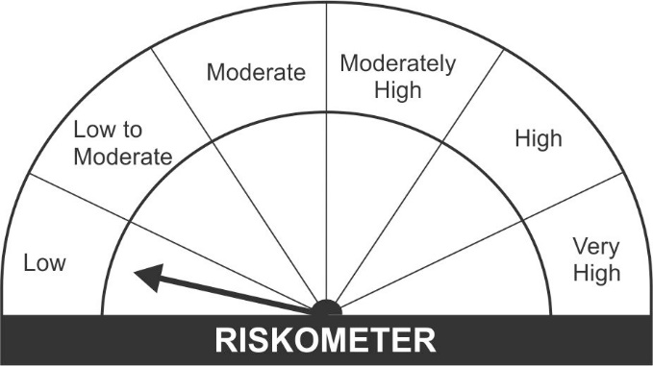

Name of the Instruments | Industry/Rating | Quantity | Market Value (Rs. In Lakhs) | % age to NAV | ISIN | Yield % | ^YTC (AT1/Tier 2 bonds)
EQUITY & EQUITY RELATED
a) Listed/Awaiting Listing On Stock Exchange
Adani Ports and Special Economic Zone Ltd. | Transportation | 71,250 | 533.16 | 10.30 | INE742F01042
Adani Enterprises Ltd. | Minerals/Mining | 32,000 | 508.03 | 9.81 | INE423A01024
Tata Steel Ltd. | Ferrous Metals | 33,150 | 480.76 | 9.28 | INE081A01012
Bajaj Finance Ltd. | Finance | 3,875 | 291.57 | 5.63 | INE296A01024
ITC Ltd. | Consumer Non Durables | 124,800 | 263.70 | 5.09 | INE154A01025
Sun TV Network Ltd. | Entertainment | 49,500 | 238.86 | 4.61 | INE424H01027
Apollo Hospitals Enterprise Ltd. | Healthcare Services | 3,750 | 186.36 | 3.60 | INE437A01024
Bharti Airtel Ltd. | Telecom - Services | 24,063 | 159.79 | 3.09 | INE397D01024
Tech Mahindra Ltd. | Software | 9,600 | 138.97 | 2.68 | INE669C01036
ICICI Bank Ltd. | Banks | 15,125 | 108.76 | 2.10 | INE090A01021
United Spirits Ltd. | Consumer Non Durables | 12,500 | 89.39 | 1.73 | INE854D01024
Jindal Steel & Power Ltd. | Ferrous Metals | 22,500 | 84.81 | 1.64 | INE749A01030
The Federal Bank Ltd. | Banks | 80,000 | 65.00 | 1.26 | INE171A01029
Canara Bank | Banks | 37,800 | 60.14 | 1.16 | INE476A01014
Grasim Industries Ltd. | Cement & Cement Products | 3,800 | 57.02 | 1.10 | INE047A01021
Granules India Ltd. | Pharmaceuticals | 15,500 | 51.35 | 0.99 | INE101D01020
Maruti Suzuki India Ltd. | Auto | 600 | 41.08 | 0.79 | INE585B01010
Bajaj Auto Ltd. | Auto | 750 | 27.96 | 0.54 | INE917I01010
Oil & Natural Gas Corporation Ltd. | Oil | 15,400 | 18.56 | 0.36 | INE213A01029
Cipla Ltd. | Pharmaceuticals | 1,950 | 18.48 | 0.36 | INE059A01026
Aurobindo Pharma Ltd. | Pharmaceuticals | 1,950 | 14.18 | 0.27 | INE406A01037
Alkem Laboratories Ltd. | Pharmaceuticals | 200 | 7.76 | 0.15 | INE540L01014
Sub Total: |  |  | 3,445.71 | 66.54

b) Unlisted |  |  | NIL | NIL

Total: |  |  | 3,445.71 | 66.54

DEBT INSTRUMENTS
a) Listed/Awaiting Listing On Stock Exchange |  |  | NIL | NIL

b) Privately Placed / Unlisted |  |  | NIL | NIL

TERM DEPOSITS

Deposits (Maturity not exceeding 91 days) |  |  | NIL | NIL

Deposits (Placed as F & O margin) | No. of Days
HDFC Bank Ltd. | 377 |  | 100.00 | 1.93 | -
HDFC Bank Ltd. | 186 |  | 100.00 | 1.93 | -
Sub Total: |  |  | 200.00 | 3.86

MONEY MARKET INSTRUMENTS
Treasury Bills
182 Days Treasury-Bill 14/10/2021 | GOI SOV | 500,000 | 498.12 | 9.62 | IN002021Y023 | 3.2003
91 Days Treasury-Bill 30/09/2021 | GOI SOV | 250,000 | 249.40 | 4.82 | IN002021X132 | 3.0406
Sub Total: |  |  | 747.52 | 14.44

TREPS-Triparty Repo |  | - | 554.66 | 10.71 | - | 3.1000
Sub Total: |  |  | 554.66 | 10.71

Total: |  |  | 4,947.88 | 95.55 | -

Net Current Assets |  |  | 230.40 | 4.45

Net Assets |  |  | 5,178.29 | 100.00

Number of Instances of Deviation In valuation Of Securities as per Sebi circular ref no SEBI/HO/IMD/DF4/CIR/P/2019/102 dated September 24, 2019- Nil
^ YTC i.e. Yield to Call is disclosed at security level only for Additional Tier 1 Bonds and Tier 2 Bonds issued by Banks as per AMFI Best Practices Notification 135/BP/91/2020-21 read with SEBI circular SEBI/HO/IMD/DF4/CIR/P/2021/034

Hedging Positions through futures as on August 31, 2021:
Underlying | Long / Short | Quantity | Futures price when purchased (Rs.) | Current price of the Contract (Rs.) | Total Margin maintained in(Rs. In Lakhs)
Adani Enterprises Ltd.-Sep-2021 | Short | 32,000 | 1,469.12 | 1,589.45 | 156.98
Adani Ports and Special Economic Zone Ltd.-Sep-2021 | Short | 71,250 | 690.07 | 751.30 | 148.39
Alkem Laboratories Ltd.-Sep-2021 | Short | 200 | 3,871.90 | 3,892.85 | 1.40
Apollo Hospitals Enterprise Ltd.-Sep-2021 | Short | 3,750 | 4,819.67 | 4,973.25 | 46.87
Aurobindo Pharma Ltd.-Sep-2021 | Short | 1,950 | 736.19 | 728.15 | 4.74
Bajaj Auto Ltd.-Sep-2021 | Short | 750 | 3,738.55 | 3,742.15 | 5.87
Bajaj Finance Ltd.-Sep-2021 | Short | 3,875 | 6,758.34 | 7,527.25 | 78.55
Bharti Airtel Ltd.-Sep-2021 | Short | 24,063 | 619.89 | 664.05 | 39.77
Canara Bank-Sep-2021 | Short | 37,800 | 153.63 | 159.60 | 21.32
Cipla Ltd.-Sep-2021 | Short | 1,950 | 893.67 | 948.15 | 4.15
The Federal Bank Ltd.-Sep-2021 | Short | 80,000 | 79.28 | 81.45 | 18.94
Granules India Ltd.-Sep-2021 | Short | 15,500 | 329.19 | 331.60 | 14.14
Grasim Industries Ltd.-Sep-2021 | Short | 3,800 | 1,486.85 | 1,502.25 | 14.35
ICICI Bank Ltd.-Sep-2021 | Short | 15,125 | 699.29 | 719.70 | 26.20
ITC Ltd.-Sep-2021 | Short | 124,800 | 207.17 | 211.65 | 57.69
Jindal Steel & Power Ltd.-Sep-2021 | Short | 22,500 | 374.55 | 378.35 | 29.35
Maruti Suzuki India Ltd.-Sep-2021 | Short | 600 | 6,852.00 | 6,849.25 | 10.85
United Spirits Ltd.-Sep-2021 | Short | 12,500 | 704.47 | 715.95 | 17.95
Oil & Natural Gas Corporation Ltd.-Sep-2021 | Short | 15,400 | 119.03 | 119.20 | 9.48
Sun TV Network Ltd.-Sep-2021 | Short | 49,500 | 484.27 | 483.85 | 93.20
Tata Steel Ltd.-Sep-2021 | Short | 33,150 | 1,397.59 | 1,450.75 | 152.58
Tech Mahindra Ltd.-Sep-2021 | Short | 9,600 | 1,437.02 | 1,450.35 | 30.50

Total outstanding exposure in derivative instruments at the end of the period - Short -(Rs in Lakhs) : (3,451.14)

Total 66.65% of existing assets hedged through futures as on 31/08/2021
For the period ended August 31, 2021, following are the hedging transactions through futures which have been squared off / expired :

Total number of contracts where futures were bought |  |  | 388
Total number of contracts where futures were sold |  |  | 363
Gross notional value of contracts where futures were bought (Rs. In Lakhs) |  |  | 3,536.15
Gross notional value of contracts where futures were sold (Rs. In Lakhs) |  |  | 3,339.49
Net Profit /(Loss) on all contracts combined (Rs.in Lakhs) |  |  | (93.71)

Total exposure due to futures (non hedging positions) was 0% of net assets as on 31/08/2021
For the period ended August 31, 2021, following are the non-hedging transactions through futures which have been squared off / expired :

Total number of contracts where futures were bought |  |  | -
Total number of contracts where futures were sold |  |  | -
Gross notional value of contracts where futures were bought (Rs. In Lakhs) |  |  | -
Gross notional value of contracts where futures were sold (Rs. In Lakhs) |  |  | -
Net Profit /(Loss) on all contracts combined (Rs.in Lakhs) |  |  | -

LD
JM Low Duration Fund (An open ended low duration debt scheme investing in instruments such that the Macaulay duration of the portfolio is between 6 to 12 months)
This Product is suitable for investors who are seeking*
• Regular Income over Short Term.
• Investment in Debt and Money Market securities such that the Macaulay duration of the portfolio is between 6 months - 12 months.
*Investors should consult their financial advisers if in doubt about whether the product is suitable for them.
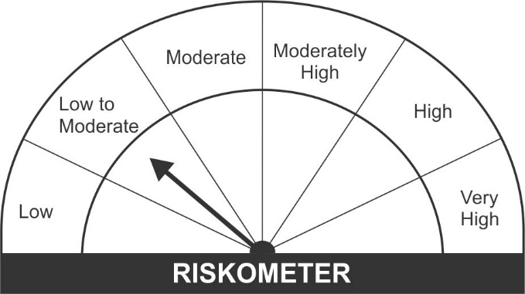

Name of the Instruments | Industry/Rating | Quantity | Market Value (Rs. In Lakhs) | % age to NAV | ISIN | Yield % | ^YTC (AT1/Tier 2 bonds)

DEBT INSTRUMENTS
a) Listed/Awaiting Listing On Stock Exchange
Hindalco Industries Ltd.** | CRISIL AA+ | 100 | 1,047.99 | 8.10 | INE038A07274 | 4.1400
Larsen & Toubro Ltd.** | CRISIL AAA | 100 | 1,028.71 | 7.95 | INE018A08AS1 | 3.8399
NABARD. | CRISIL AAA | 50 | 527.91 | 4.08 | INE261F08AT4 | 4.3200
REC Ltd.** | IND AAA | 50 | 518.53 | 4.01 | INE020B08CG6 | 4.2900
Bajaj Finance Ltd.** | CRISIL AAA | 50 | 515.95 | 3.99 | INE296A07QX1 | 4.5187
Housing Development Finance Corporation Ltd.** | CRISIL AAA | 50 | 515.32 | 3.98 | INE001A07RW5 | 4.2050
Reliance Industries Ltd ** | CRISIL AAA | 50 | 514.55 | 3.98 | INE002A08476 | 3.9649
SIDBI Ltd.** | CARE AAA | 50 | 513.96 | 3.97 | INE556F08JN1 | 3.8750
Power Finance Corporation Ltd.** | CRISIL AAA | 50 | 513.81 | 3.97 | INE134E08JD1 | 4.0150
Housing Development Finance Corporation Ltd.** | CRISIL AAA | 50 | 512.49 | 3.96 | INE001A07RS3 | 3.7350
Mahindra & Mahindra Financial Services Ltd.** | IND AAA | 50 | 511.10 | 3.95 | INE774D07SC1 | 4.4899
National Highway Authority of India Ltd. | CARE AAA | 50 | 505.60 | 3.91 | INE906B07FE6 | 3.3499
Sub Total: |  |  | 7,225.93 | 55.87

b) Privately Placed / Unlisted |  |  | NIL | NIL

Total: |  |  | 7,225.93 | 55.87 | -

TERM DEPOSITS

Deposits (Maturity not exceeding 91 days) |  |  | NIL | NIL

Deposits (Placed as F & O margin) |  |  | NIL | NIL

GOVERNMENT SECURITIES
6.84% Government of India Securities 2022 19/12/2022 | GOI SOV | 1,500,000 | 1,556.34 | 12.03 | IN0020160050 | 3.8439
Sub Total: |  |  | 1,556.34 | 12.03

MONEY MARKET INSTRUMENTS
Certificate of Deposit (CD) / Commercial Paper (CP)
ICICI Securities Ltd.CP** | CRISIL A1+ | 200 | 989.10 | 7.65 | INE763G14KH9 | 3.7599
Axis Bank Ltd.CD** | CRISIL A1+ | 1,000 | 974.90 | 7.54 | INE238A161W0 | 3.7001
Treasury Bills
182 Days Treasury-Bill 16/12/2021 | GOI SOV | 1,000,000 | 990.50 | 7.66 | IN002021Y114 | 3.3037
Sub Total: |  |  | 2,954.49 | 22.84

TREPS-Triparty Repo |  | - | 1,001.46 | 7.74 | - | 3.1000
Sub Total: |  |  | 1,001.46 | 7.74

Total: |  |  | 12,738.22 | 98.48 | -

Net Current Assets |  |  | 196.10 | 1.52

Net Assets |  |  | 12,934.32 | 100.00

** Non Traded.
Number of Instances of Deviation In valuation Of Securities as per Sebi circular ref no SEBI/HO/IMD/DF4/CIR/P/2019/102 dated September 24, 2019- Nil
^ YTC i.e. Yield to Call is disclosed at security level only for Additional Tier 1 Bonds and Tier 2 Bonds issued by Banks as per AMFI Best Practices Notification 135/BP/91/2020-21 read with SEBI circular SEBI/HO/IMD/DF4/CIR/P/2021/034

FF
JM Dynamic Debt Fund (An open ended dynamic debt scheme investing across duration)
This Product is suitable for investors who are seeking*
• Regular Income over Medium Term to Long Term.
• Investment in Debt and Money Market securities across maturities.
*Investors should consult their financial advisers if in doubt about whether the product is suitable for them.
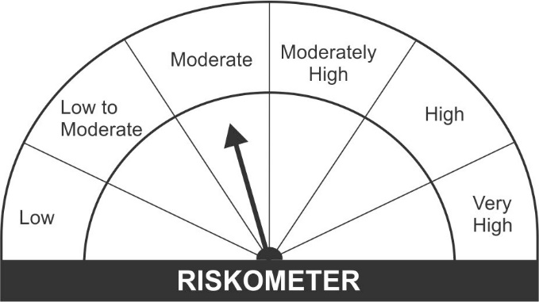

Name of the Instruments | Industry/Rating | Quantity | Market Value (Rs. In Lakhs) | % age to NAV | ISIN | Yield % | ^YTC (AT1/Tier 2 bonds)

DEBT INSTRUMENTS
a) Listed/Awaiting Listing On Stock Exchange
NABARD. | CRISIL AAA | 50 | 527.91 | 7.24 | INE261F08AT4 | 4.3200
Power Finance Corporation Ltd. ** | CRISIL AAA | 50 | 523.15 | 7.17 | INE134E08JO8 | 4.2300
REC Ltd.** | IND AAA | 50 | 518.53 | 7.11 | INE020B08CG6 | 4.2900
Housing Development Finance Corporation Ltd.** | CRISIL AAA | 50 | 518.24 | 7.11 | INE001A07SD3 | 4.3000
LIC Housing Finance Ltd.** | CRISIL AAA | 50 | 518.13 | 7.11 | INE115A07OG3 | 4.2700
SIDBI Ltd.** | CARE AAA | 50 | 513.96 | 7.05 | INE556F08JN1 | 3.8750
Sub Total: |  |  | 3,119.94 | 42.79

b) Privately Placed / Unlisted |  |  | NIL | NIL

Total: |  |  | 3,119.94 | 42.79 | -

TERM DEPOSITS

Deposits (Maturity not exceeding 91 days) |  |  | NIL | NIL

Deposits (Placed as F & O margin) |  |  | NIL | NIL

GOVERNMENT SECURITIES
5.22% Government of India Securities 2025 15/06/2025 | GOI SOV | 1,000,000 | 998.34 | 13.69 | IN0020200112 | 5.2665
5.15% Government of India Securities 2025 09/11/2025 | GOI SOV | 1,000,000 | 992.16 | 13.61 | IN0020200278 | 5.3592
6.18% Government of India Securities 2024 04/11/2024 | GOI SOV | 500,000 | 519.63 | 7.13 | IN0020190396 | 4.8288
6.10% Government of India Securities 2031 12/07/2031 | GOI SOV | 500,000 | 495.76 | 6.80 | IN0020210095 | 6.2151
Sub Total: |  |  | 3,005.89 | 41.23

MONEY MARKET INSTRUMENTS
Certificate of Deposit (CD) / Commercial Paper (CP)
ICICI Securities Ltd.CP** | CRISIL A1+ | 100 | 489.55 | 6.71 | INE763G14KO5 | 3.9750
Treasury Bills
182 Days Treasury-Bill 18/11/2021 | GOI SOV | 93,000 | 92.36 | 1.27 | IN002021Y072 | 3.2399
Sub Total: |  |  | 581.91 | 7.98

TREPS-Triparty Repo |  | - | 899.22 | 12.33 | - | 3.1000
Sub Total: |  |  | 899.22 | 12.33

Total: |  |  | 7,606.95 | 104.33 | -

Net Current Assets |  |  | (315.60) | (4.33)

Net Assets |  |  | 7,291.35 | 100.00

** Non Traded.
Number of Instances of Deviation In valuation Of Securities as per Sebi circular ref no SEBI/HO/IMD/DF4/CIR/P/2019/102 dated September 24, 2019- Nil
^ YTC i.e. Yield to Call is disclosed at security level only for Additional Tier 1 Bonds and Tier 2 Bonds issued by Banks as per AMFI Best Practices Notification 135/BP/91/2020-21 read with SEBI circular SEBI/HO/IMD/DF4/CIR/P/2021/034

