912IBXFS
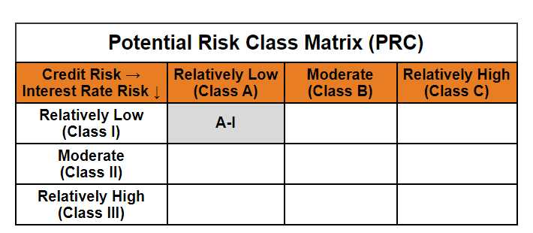
Mirae Asset CRISIL-IBX Financial Services 9-12 Months Debt Index Fund

(An open-ended constant maturity index fund tracking CRISIL-IBX Financial Services 9-12 Months Debt Index. A relatively low interest rate risk and relatively low credit risk.)

Mirae Asset CRISIL-IBX Financial Services 9-12 Months Debt Index Fund | MI079 |  | 31-May-26

Monthly Portfolio Statement as on May 31, 2026
Name of the Instrument | ISIN | Industry ^/ Rating | Quantity | Market/Fair Value (Rs. in Lacs) | % to Net Assets | YTM
EQUITY & EQUITY RELATED
(a) Listed / awaiting listing on Stock Exchanges
Sub Total |  |  |  | NIL | NIL
(b) Unlisted
Sub Total |  |  |  | NIL | NIL
Total |  |  |  | NIL | NIL
DEBT INSTRUMENTS
(a) Listed / awaiting listing on Stock Exchange
7.71% REC Ltd. (MD 26/02/2027)** | INE020B08EW9 | CRISIL AAA | 1,400,000 | 1,396.82 | 11.22% | 7.88%
8.14% Kotak Mahindra Prime Ltd. (MD 10/02/2027)** | INE916DA7SR0 | CRISIL AAA | 1,050,000 | 1,048.40 | 8.42% | 8.17%
Sub Total |  |  |  | 2,445.22 | 19.64%
(b) Privately placed / Unlisted
Sub Total |  |  |  | NIL | NIL
(c) Securitised Debt Instruments
Sub Total |  |  |  | NIL | NIL
Total |  |  |  | 2,445.22 | 19.64%

MONEY MARKET INSTRUMENTS
(a) Commercial Paper
Aditya Birla Capital Ltd. (MD 04/02/2027)** | INE674K14BP2 | CRISIL A1+ | 1,350,000 | 1,278.75 | 10.27% | 8.20%
Bajaj Finance Ltd. (MD 19/03/2027)** | INE296A14G36 | CRISIL A1+ | 1,200,000 | 1,126.77 | 9.05% | 8.15%
Sub Total |  |  |  | 2,405.52 | 19.32%
(b) Certificate of Deposit
Export-Import Bank of India (MD 01/03/2027)**# | INE514E16CP6 | CRISIL A1+ | 1,300,000 | 1,229.03 | 9.87% | 7.72%
Kotak Mahindra Bank Ltd. (MD 08/01/2027)**# | INE237AD6117 | CRISIL A1+ | 1,000,000 | 955.01 | 7.67% | 7.78%
HDFC Bank Ltd. (MD 22/01/2027)**# | INE040A16IK8 | CRISIL A1+ | 750,000 | 713.81 | 5.73% | 7.88%
Small Industries Development Bank of India (MD 28/01/2027)**# | INE556F16BW2 | CRISIL A1+ | 750,000 | 712.60 | 5.72% | 7.95%
National Bank for Agriculture and Rural Development (MD 04/02/2027)**# | INE261F16AJ8 | CRISIL A1+ | 750,000 | 712.02 | 5.72% | 7.85%
Punjab National Bank (MD 09/02/2027)**# | INE160A16UH5 | CRISIL A1+ | 750,000 | 711.53 | 5.71% | 7.80%
Canara Bank (MD 04/03/2027)# | INE476A16H43 | CRISIL A1+ | 750,000 | 708.32 | 5.69% | 7.78%
Bank of Baroda (MD 05/03/2027)**# | INE028A16LR2 | IND A1+ | 750,000 | 708.14 | 5.69% | 7.79%
Union Bank of India (MD 02/03/2027)**# | INE692A16LM6 | [ICRA]A1+ | 650,000 | 614.07 | 4.93% | 7.80%
Kotak Mahindra Bank Ltd. (MD 29/01/2027)**# | INE237AD6125 | CRISIL A1+ | 300,000 | 285.28 | 2.29% | 7.78%
Sub Total |  |  |  | 7,349.81 | 59.02%
Total |  |  |  | 9,755.33 | 78.34%

OTHERS
(a) TREPS / Reverse Repo
TREPS |  |  |  | 136.39 | 1.10% | 5.32%
Sub Total |  |  |  | 136.39 | 1.10%
Total |  |  |  | 136.39 | 1.10%

Other Current Assets / (Liabilities)
Net Receivables / (Payables) |  |  |  | 116.28 | 0.93%
Total |  |  |  | 116.28 | 0.93%

GRAND TOTAL |  |  |  | 12,453.22 | 100.00%
** Thinly Traded / Non Traded Security
# Unlisted Security
$ Less Than 0.01% of Net Asset Value
^ The Name of the Industry is in accordance with Industry Classification as recommended by AMFI.

Notes & Symbols :-
(1) The provision made for below investment grade or default securities as of May 31 2026. is Rs. Nil and its percentage to Net Asset Value is Nil.
(2) Total value and percentage of Illiquid Equity Shares: Nil.
(3) Net Assets Value per unit (in Rupees) are as follows:
Plan/Option |  | As on May 29 2026 | As on April 30 2026
Regular Plan- Income Distribution Cum Capital Withdrawal Option |  | 10.4920 | 10.4796
Regular Plan - Growth Option |  | 10.4918 | 10.4794
Direct Plan- Income Distribution Cum Capital Withdrawal Option |  | 10.5092 | 10.4951
Direct Plan - Growth Option |  | 10.5104 | 10.4962

(4) No Income Distribution Cum Capital Withdrawal was declared during the Month ended May 31 2026.
(5) No Bonus declared during the Month ended May 31 2026.
(6) Total outstanding exposure in derivative instruments as on May 31 2026. is Nil.
(7) Total investments in Foreign Securities / Overseas ETFs / ADRs / GDRs as on May 31 2026. is Nil.
(8) Average maturity of the portfolio:0.70 Years
(9) The Face Value per unit is Rs. 10/-
(10) Investments in Fixed Deposits : Nil.
(11) Repo in Corporate Debt is Nil.
(12)Total value of short term deposit(s) : Nil

Modified duration | 0.65

 | Portfolio Information
Scheme Name | Mirae Asset CRISIL-IBX Financial Services 9-12 Months Debt Index Fund
Description (if any)

Annualised Portfolio YTM* : | 7.88%

Macaulay Duration | 0.70
Residual Maturity (Average Maturity) (in Years) | 0.70
Debt Index Replication Factor** | 64.92%

As on (Date) | 31-05-2026
* in case of semi annual YTM, it will be annualised
** Disclosure of Debt Index Replication Factor in debt oriented passive schemes is pursuant to clause 4.5.10 of SEBI Master circular dated March 20, 2026.

