MAONF
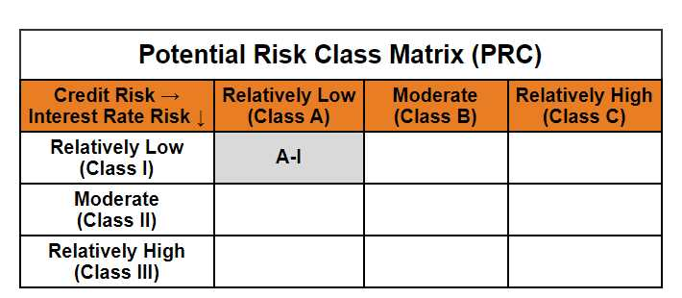
Mirae Asset Overnight Fund

(Overnight Fund - An open ended debt scheme investing in overnight securities. A relatively low interest rate risk and relatively low credit risk)

Mirae Asset Overnight Fund | MI015 |  | 31-Mar-26

Monthly Portfolio Statement as on March 31, 2026
Name of the Instrument | ISIN | Industry ^/ Rating | Quantity | Market/Fair Value (Rs. in Lacs) | % to Net Assets | YTM
EQUITY & EQUITY RELATED
(a) Listed / awaiting listing on Stock Exchanges
Sub Total |  |  |  | NIL | NIL
(b) Unlisted
Sub Total |  |  |  | NIL | NIL
Total |  |  |  | NIL | NIL
DEBT INSTRUMENTS
(a) Listed / awaiting listing on Stock Exchange
Sub Total |  |  |  | NIL | NIL
(b) Privately placed / Unlisted
Sub Total |  |  |  | NIL | NIL
(c) Securitised Debt Instruments
Sub Total |  |  |  | NIL | NIL
(d) Central Government Securities
5.63% Government of India (MD 12/04/2026) | IN0020210012 | Sovereign | 2,500,000 | 2,500.25 | 3.53% | 5.24%
Sub Total |  |  |  | 2,500.25 | 3.53%
Total |  |  |  | 2,500.25 | 3.53%

MONEY MARKET INSTRUMENTS
(a) Treasury Bill
182 Days Treasury Bills (MD 09/04/2026) | IN002025Y289 | Sovereign | 2,500,000 | 2,497.10 | 3.53% | 5.30%
Sub Total |  |  |  | 2,497.10 | 3.53%
Total |  |  |  | 2,497.10 | 3.53%

OTHERS
(a) TREPS / Reverse Repo
6.50% Reverse Repo |  |  |  | 63,353.25 | 89.47% | 6.50%
TREPS |  |  |  | 2,288.10 | 3.23% | 5.71%
Sub Total |  |  |  | 65,641.35 | 92.70%
Total |  |  |  | 65,641.35 | 92.70%

Other Current Assets / (Liabilities)
Net Receivables / (Payables) |  |  |  | 173.62 | 0.25%
Total |  |  |  | 173.62 | 0.25%

GRAND TOTAL |  |  |  | 70,812.32 | 100.00%
** Thinly Traded / Non Traded Security
# Unlisted Security
$ Less Than 0.01% of Net Asset Value
^ The Name of the Industry is in accordance with Industry Classification as recommended by AMFI.

Notes & Symbols :-
(1) The provision made for below investment grade or default securities as of March 31 2026. is Rs. Nil and its percentage to Net Asset Value is Nil.
(2) Total value and percentage of Illiquid Equity Shares: Nil.
(3) Net Assets Value per unit (in Rupees) are as follows:
Plan/Option |  | As on March 31 2026 | As on February 28 2026
Regular Plan - Growth Option |  | 1373.2202 | 1367.3241
Regular Plan - Daily Income Distribution Cum Capital Withdrawal Option |  | 1000.0094 | 1000.0080
Regular Plan - Weekly Income Distribution Cum Capital Withdrawal Option |  | 1000.9352 | 1000.3968
Regular Plan - Monthly Income Distribution Cum Capital Withdrawal Option |  | 1001.0824 | 1000.5365
Direct Plan - Growth Option |  | 1381.3331 | 1375.3121
Direct Plan - Daily Income Distribution Cum Capital Withdrawal Option |  | 1000.0254 | 1000.0176
Direct Plan - Weekly Income Distribution Cum Capital Withdrawal Option |  | 1000.9479 | 1000.4084
Direct Plan - Monthly Income Distribution Cum Capital Withdrawal Option |  | 1001.0905 | 1000.5395

(4) Details of Income Distribution Cum Capital Withdrawal declared per unit (In Rupees) during the month end are as follows.
Plan/Option |  | Individual Investors / HUF | Corporate Investors
Regular Plan - Daily Income Distribution Cum Capital Withdrawal Option |  | 4.3431 | 4.3431
Regular Plan - Weekly Income Distribution Cum Capital Withdrawal Option |  | 3.7717 | 3.7717
Regular Plan - Monthly Income Distribution Cum Capital Withdrawal Option |  | 3.7741 | 3.7741
Direct Plan - Daily Income Distribution Cum Capital Withdrawal Option |  | 4.4016 | 4.4016
Direct Plan - Weekly Income Distribution Cum Capital Withdrawal Option |  | 3.8435 | 3.8435
Direct Plan - Monthly Income Distribution Cum Capital Withdrawal Option |  | 3.8303 | 3.8303

(5) No Bonus declared during the month ended March 31 2026.
(6) Total outstanding exposure in derivative instruments as on March 31 2026. is Nil.
(7) Total investments in Foreign Securities / Overseas ETFs / ADRs / GDRs as on March 31 2026. is Nil.
(8) Average maturity of the portfolio:2.61 Days
(9) The Face Value per unit is Rs. 1000/-
(10) Investments in Fixed Deposits : Nil.
(11) Repo in Corporate Debt is Nil.
(12)Total value of short term deposit(s) : Nil

Modified duration | 0.01

 | Portfolio Information
Scheme Name | Mirae Asset Overnight Fund
Description (if any)

Annualised Portfolio YTM* : | 6.39%

Macaulay Duration | 0.01
Residual Maturity (Average Maturity) (in Days) | 2.61

As on (Date) | 31-03-2026
* in case of semi annual YTM, it will be annualised

