912IBXFS
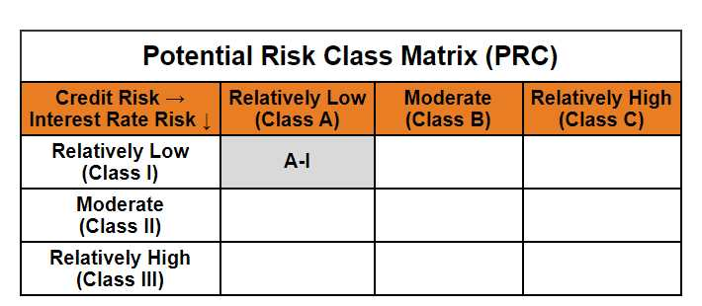
Mirae Asset CRISIL-IBX Financial Services 9-12 Months Debt Index Fund

(An open-ended constant maturity index fund tracking CRISIL-IBX Financial Services 9-12 Months Debt Index. A relatively low interest rate risk and relatively low credit risk.)

Mirae Asset CRISIL-IBX Financial Services 9-12 Months Debt Index Fund | MI079 |  | 28-Feb-26

Monthly Portfolio Statement as on February 28, 2026
Name of the Instrument | ISIN | Industry ^/ Rating | Quantity | Market/Fair Value (Rs. in Lacs) | % to Net Assets | YTM
EQUITY & EQUITY RELATED
(a) Listed / awaiting listing on Stock Exchanges
Sub Total |  |  |  | NIL | NIL
(b) Unlisted
Sub Total |  |  |  | NIL | NIL
Total |  |  |  | NIL | NIL
DEBT INSTRUMENTS
(a) Listed / awaiting listing on Stock Exchange
7.90% HDFC Bank Ltd. (MD 24/08/2026)** | INE040A08484 | CRISIL AAA | 1,000,000 | 1,001.05 | 14.80% | 7.38%
7.70% REC Ltd. (MD 31/08/2026) | INE020B08FC8 | [ICRA]AAA | 1,000,000 | 1,000.83 | 14.80% | 7.25%
7.50% National Bank for Agriculture and Rural Development (MD 31/08/2026) | INE261F08EA6 | CRISIL AAA | 1,000,000 | 999.56 | 14.78% | 7.32%
7.84% HDB Financial Services Ltd. (MD 14/07/2026)** | INE756I07EN4 | CRISIL AAA | 700,000 | 700.12 | 10.35% | 7.43%
7.22% National Housing Bank (MD 23/07/2026)** | INE557F08FR8 | CRISIL AAA | 500,000 | 499.80 | 7.39% | 7.29%
7.44% Small Industries Development Bank of India (MD 04/09/2026) | INE556F08KI9 | CRISIL AAA | 500,000 | 499.51 | 7.39% | 7.37%
7.13% Power Finance Corporation Ltd. (MD 15/07/2026)** | INE134E08LP1 | CRISIL AAA | 500,000 | 499.31 | 7.38% | 7.25%
6.40% LIC Housing Finance Ltd. (MD 30/11/2026)** | INE115A07PN6 | CRISIL AAA | 500,000 | 496.37 | 7.34% | 7.31%
Sub Total |  |  |  | 5,696.55 | 84.23%
(b) Privately placed / Unlisted
Sub Total |  |  |  | NIL | NIL
(c) Securitised Debt Instruments
Sub Total |  |  |  | NIL | NIL
Total |  |  |  | 5,696.55 | 84.23%

MONEY MARKET INSTRUMENTS
(a) Certificate of Deposit
Union Bank of India (MD 25/06/2026)**# | INE692A16JQ1 | [ICRA]A1+ | 1,050,000 | 1,027.09 | 15.19% | 7.02%
Sub Total |  |  |  | 1,027.09 | 15.19%
Total |  |  |  | 1,027.09 | 15.19%

OTHERS
(a) TREPS / Reverse Repo
TREPS |  |  |  | 111.13 | 1.64% | 4.92%
Sub Total |  |  |  | 111.13 | 1.64%
Total |  |  |  | 111.13 | 1.64%

Other Current Assets / (Liabilities)
Net Receivables / (Payables) |  |  |  | (71.82) | -1.06%
Total |  |  |  | (71.82) | -1.06%

GRAND TOTAL |  |  |  | 6,762.95 | 100.00%
** Thinly Traded / Non Traded Security
# Unlisted Security
$ Less Than 0.01% of Net Asset Value
^ The Name of the Industry is in accordance with Industry Classification as recommended by AMFI.

Notes & Symbols :-
(1) The provision made for below investment grade or default securities as of February 28 2026. is Rs. Nil and its percentage to Net Asset Value is Nil.
(2) Total value and percentage of Illiquid Equity Shares: Nil.
(3) Net Assets Value per unit (in Rupees) are as follows:
Plan/Option |  | As on February 27 2026 | As on January 30 2026
Regular Plan- Income Distribution Cum Capital Withdrawal Option |  | 10.3826 | 10.3247
Regular Plan - Growth Option |  | 10.3824 | 10.3245
Direct Plan- Income Distribution Cum Capital Withdrawal Option |  | 10.3948 | 10.3359
Direct Plan - Growth Option |  | 10.3957 | 10.3365

(4) No Income Distribution Cum Capital Withdrawal was declared during the month ended February 28 2026.
(5) No Bonus declared during the month ended February 28 2026.
(6) Total outstanding exposure in derivative instruments as on February 28 2026. is Nil.
(7) Total investments in Foreign Securities / Overseas ETFs / ADRs / GDRs as on February 28 2026. is Nil.
(8) Average maturity of the portfolio:0.47 Years
(9) The Face Value per unit is Rs. 10/-
(10) Investments in Fixed Deposits : Nil.
(11) Repo in Corporate Debt is Nil.
(12)Total value of short term deposit(s) : Nil

Modified duration | 0.44

 | Portfolio Information
Scheme Name | Mirae Asset CRISIL-IBX Financial Services 9-12 Months Debt Index Fund
Description (if any)

Annualised Portfolio YTM* : | 7.34%

Macaulay Duration | 0.47
Residual Maturity (Average Maturity) (in Years) | 0.47
Debt Index Replication Factor | 44.99%

As on (Date) | 28-02-2026
* in case of semi annual YTM, it will be annualised
Disclosure of Debt Index Replication Factor in certain schemes pursuant to SEBI circular dated December 31, 2024 on ‘Introduction of Mutual Funds Lite (MF Lite) framework for passively managed schemes of Mutual Funds.

