MAONF
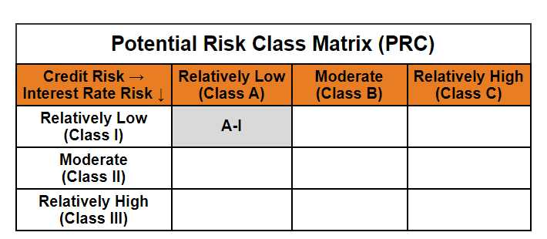
 | Mirae Asset Overnight Fund

 | (Overnight Fund - An open ended debt scheme investing in overnight securities. A relatively low interest rate risk and relatively low credit risk)

 | Mirae Asset Overnight Fund | MI015 |  | 31-Jan-26

 | Monthly Portfolio Statement as on January 31, 2026
 | Name of the Instrument | ISIN | Industry ^/ Rating | Quantity | Market/Fair Value (Rs. in Lacs) | % to Net Assets | YTM
 | EQUITY & EQUITY RELATED
 | (a) Listed / awaiting listing on Stock Exchanges
 | Sub Total |  |  |  | NIL | NIL
 | (b) Unlisted
 | Sub Total |  |  |  | NIL | NIL
 | Total |  |  |  | NIL | NIL
 | DEBT INSTRUMENTS
 | (a) Listed / awaiting listing on Stock Exchange
 | Sub Total |  |  |  | NIL | NIL
 | (b) Privately placed / Unlisted
 | Sub Total |  |  |  | NIL | NIL
 | (c) Securitised Debt Instruments
 | Sub Total |  |  |  | NIL | NIL
 | Total |  |  |  | NIL | NIL
 | MONEY MARKET INSTRUMENTS
 | (a) Treasury Bill
1801408 | 91 Days Treasury Bills (MD 26/02/2026) | IN002025X356 | Sovereign | 2,500,000 | 2,491.30 | 1.83% | 5.10%
 | Sub Total |  |  |  | 2,491.30 | 1.83%
 | Total |  |  |  | 2,491.30 | 1.83%

 | OTHERS
 | (a) TREPS / Reverse Repo
202261001 | 5.40% Reverse Repo |  |  |  | 132,771.78 | 97.73% | 5.40%
202260100 | TREPS |  |  |  | 199.91 | 0.15% | 5.11%
 | Sub Total |  |  |  | 132,971.69 | 97.88%
 | Total |  |  |  | 132,971.69 | 97.88%

 | Other Current Assets / (Liabilities)
 | Net Receivables / (Payables) |  |  |  | 391.40 | 0.29%
 | Total |  |  |  | 391.40 | 0.29%

 | GRAND TOTAL |  |  |  | 135,854.39 | 100.00%
 | ** Thinly Traded / Non Traded Security
 | # Unlisted Security
 | $ Less Than 0.01% of Net Asset Value
 | ^ The Name of the Industry is in accordance with Industry Classification as recommended by AMFI.

 | Notes & Symbols :-
 | (1) The provision made for below investment grade or default securities as of January 31 2026. is Rs. Nil and its percentage to Net Asset Value is Nil.
 | (2) Total value and percentage of Illiquid Equity Shares: Nil.
 | (3) Net Assets Value per unit (in Rupees) are as follows:
 | Plan/Option |  | As on January 31 2026 | As on December 31 2025
 | Regular Plan - Growth Option |  | 1362.4038 | 1356.4172
 | Regular Plan - Daily Income Distribution Cum Capital Withdrawal Option |  | 1000.0092 | 1000.0102
 | Regular Plan - Weekly Income Distribution Cum Capital Withdrawal Option |  | 1000.4265 | 1000.0000
 | Regular Plan - Monthly Income Distribution Cum Capital Withdrawal Option |  | 1000.5753 | 1001.0276
 | Direct Plan - Growth Option |  | 1370.2737 | 1364.1409
 | Direct Plan - Daily Income Distribution Cum Capital Withdrawal Option |  | 1000.0069 | 1000.0053
 | Direct Plan - Weekly Income Distribution Cum Capital Withdrawal Option |  | 1000.4367 | 1000.0021
 | Direct Plan - Monthly Income Distribution Cum Capital Withdrawal Option |  | 1000.5742 | 1001.0363

 | (4) Details of Income Distribution Cum Capital Withdrawal declared per unit (In Rupees) during the month end are as follows.
 | Plan/Option |  | Individual Investors / HUF | Corporate Investors
 | Regular Plan - Daily Income Distribution Cum Capital Withdrawal Option |  | 4.3955 | 4.3955
 | Regular Plan - Weekly Income Distribution Cum Capital Withdrawal Option |  | 3.4298 | 3.4298
 | Regular Plan - Monthly Income Distribution Cum Capital Withdrawal Option |  | 4.6987 | 4.6987
 | Direct Plan - Daily Income Distribution Cum Capital Withdrawal Option |  | 4.1816 | 4.1816
 | Direct Plan - Weekly Income Distribution Cum Capital Withdrawal Option |  | 3.9378 | 3.9378
 | Direct Plan - Monthly Income Distribution Cum Capital Withdrawal Option |  | 4.8665 | 4.8665

 | (5) No Bonus declared during the month ended January 31 2026.
 | (6) Total outstanding exposure in derivative instruments as on January 31 2026. is Nil.
 | (7) Total investments in Foreign Securities / Overseas ETFs / ADRs / GDRs as on January 31 2026. is Nil.
 | (8) Average maturity of the portfolio:2.43 Days
 | (9) The Face Value per unit is Rs. 1000/-
 | (10) Investments in Fixed Deposits : Nil.
 | (11) Repo in Corporate Debt is Nil.
 | (12)Total value of short term deposit(s) : Nil

 | Modified duration | 0.01

 |  | Portfolio Information
 | Scheme Name | Mirae Asset Overnight Fund
 | Description (if any)

 | Annualised Portfolio YTM* : | 5.39%

 | Macaulay Duration | 0.01
 | Residual Maturity (Average Maturity) (in Days) | 2.43

 | As on (Date) | 31-01-2026
 | * in case of semi annual YTM, it will be annualised

