MDBF
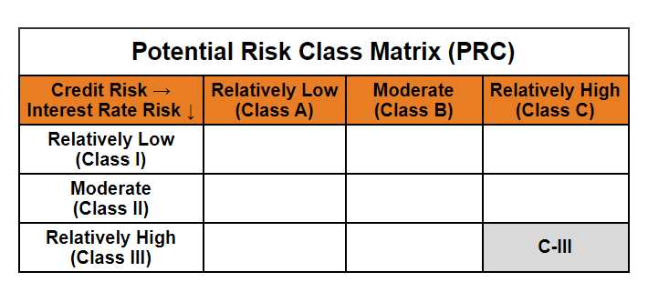
 | Mirae Asset Dynamic Bond Fund

 | (Dynamic Bond Fund - An open ended dynamic debt scheme investing across duration. A relatively high interest rate risk and relatively high credit risk)

 | Mirae Asset Dynamic Bond Fund | MI008 |  | 31-Jan-26

 | Monthly Portfolio Statement as on January 31, 2026
 | Name of the Instrument | ISIN | Industry ^/ Rating | Quantity | Market/Fair Value (Rs. in Lacs) | % to Net Assets | YTM
 | EQUITY & EQUITY RELATED
 | (a) Listed / awaiting listing on Stock Exchanges
 | Sub Total |  |  |  | NIL | NIL
 | (b) Unlisted
 | Sub Total |  |  |  | NIL | NIL
 | Total |  |  |  | NIL | NIL
 | DEBT INSTRUMENTS
 | (a) Listed / awaiting listing on Stock Exchange
700732 | 7.95% REC Ltd. (MD 12/03/2027)** | INE020B08AH8 | CRISIL AAA | 1,000,000 | 1,007.89 | 8.72% | 7.16%
700705 | 7.83% Indian Railway Finance Corporation Ltd. (MD 19/03/2027)** | INE053F07983 | CRISIL AAA | 1,000,000 | 1,006.83 | 8.71% | 7.18%
700706 | 7.60% Power Finance Corporation Ltd. (MD 20/02/2027)** | INE134E08IT9 | CRISIL AAA | 1,000,000 | 1,004.88 | 8.70% | 7.23%
700805 | 7.30% Power Grid Corporation of India Ltd. (MD 19/06/2027)** | INE752E07OF7 | CRISIL AAA | 1,000,000 | 1,003.81 | 8.69% | 6.96%
703030 | 7.62% Export-Import Bank of India (MD 01/09/2026)** | INE514E08FG5 | CRISIL AAA | 1,000,000 | 1,000.14 | 8.66% | 7.36%
705020 | 6.57% National Bank for Agriculture and Rural Development (MD 01/06/2027)** | INE261F08CF9 | [ICRA]AAA | 1,000,000 | 991.90 | 8.59% | 7.19%
705011 | 8.85% NHPC Ltd. (MD 11/02/2026)** | INE848E07377 | [ICRA]AAA | 50,000 | 50.02 | 0.43% | 6.52%
 | Sub Total |  |  |  | 6,065.47 | 52.50%
 | (b) Privately placed / Unlisted
 | Sub Total |  |  |  | NIL | NIL
 | (c) Securitised Debt Instruments
 | Sub Total |  |  |  | NIL | NIL
 | (d) State Government Securities
1903444 | 7.71% State Government of Gujarat (MD 01/03/2027) | IN1520160202 | Sovereign | 1,400,000 | 1,425.15 | 12.34% | 6.05%
1900022 | 7.86% State Government of Karnataka (MD 15/03/2027) | IN1920160117 | Sovereign | 1,000,000 | 1,020.17 | 8.83% | 6.05%
1905635 | 7.85% State Government of Rajasthan (MD 15/03/2027) | IN2920160438 | Sovereign | 500,000 | 509.75 | 4.41% | 6.11%
1901810 | 7.74% State Government of Tamil Nadu (MD 01/03/2027) | IN3120161309 | Sovereign | 500,000 | 509.14 | 4.41% | 6.05%
1902203 | 7.76% State Government of Madhya Pradesh (MD 01/03/2027) | IN2120160105 | Sovereign | 500,000 | 508.90 | 4.40% | 6.12%
1901958 | 7.23% State Government of Tamil Nadu (MD 14/06/2027) | IN3120170045 | Sovereign | 500,000 | 507.23 | 4.39% | 6.20%
1900123 | 7.39% State Government of Maharashtra (MD 09/11/2026) | IN2220160104 | Sovereign | 500,000 | 505.64 | 4.38% | 5.94%
 | Sub Total |  |  |  | 4,985.98 | 43.16%
 | Total |  |  |  | 11,051.45 | 95.66%

 | MONEY MARKET INSTRUMENTS
 | Total |  |  |  | NIL | NIL

 | OTHERS
 | (a) Alternative Investment Fund Units
6400002 | Corporate Debt Market Development Fund - Class A2# | INF0RQ622028 |  | 539 | 62.51 | 0.54%
 | Sub Total |  |  |  | 62.51 | 0.54%
 | (b) TREPS / Reverse Repo
202260100 | TREPS |  |  |  | 47.58 | 0.41% | 5.11%
 | Sub Total |  |  |  | 47.58 | 0.41%
 | Total |  |  |  | 110.09 | 0.95%

 | Other Current Assets / (Liabilities)
 | Net Receivables / (Payables) |  |  |  | 391.62 | 3.39%
 | Total |  |  |  | 391.62 | 3.39%

 | GRAND TOTAL |  |  |  | 11,553.16 | 100.00%
 | ** Thinly Traded / Non Traded Security
 | # Unlisted Security
 | $ Less Than 0.01% of Net Asset Value
 | ^ The Name of the Industry is in accordance with Industry Classification as recommended by AMFI.

 | Notes & Symbols :-
 | (1) The provision made for below investment grade or default securities as of January 31 2026. is Rs. Nil and its percentage to Net Asset Value is Nil.
 | (2) Total value and percentage of Illiquid Equity Shares: Nil.
 | (3) Net Assets Value per unit (in Rupees) are as follows:
 | Plan/Option |  | As on January 30 2026 | As on December 31 2025
 | Regular Plan - Growth Option |  | 16.6380 | 16.6049
 | Regular Plan- Income Distribution Cum Capital Withdrawal Option |  | 16.6384 | 16.6053
 | Direct Plan - Growth Option |  | 18.2793 | 18.2297
 | Direct Plan- Income Distribution Cum Capital Withdrawal Option |  | 18.2599 | 18.2109

 | (4) No Income Distribution Cum Capital Withdrawal was declared during the month ended January 31 2026.
 | (5) No Bonus declared during the month ended January 31 2026.
 | (6) Total outstanding exposure in derivative instruments as on January 31 2026. is Nil.
 | (7) Total investments in Foreign Securities / Overseas ETFs / ADRs / GDRs as on January 31 2026. is Nil.
 | (8) Average maturity of the portfolio:1.08 Years
 | (9) The Face Value per unit is Rs. 10/-
 | (10) Investments in Fixed Deposits : Nil.
 | (11) Repo in Corporate Debt is Nil.
 | (12)Total value of short term deposit(s) : Nil

 | Modified duration | 0.99

 |  | Portfolio Information
 | Scheme Name | Mirae Asset Dynamic Bond Fund
 | Description (if any)

 | Annualised Portfolio YTM* : | 6.64%

 | Macaulay Duration | 1.04
 | Residual Maturity (Average Maturity) (in Years) | 1.08

 | As on (Date) | 31-01-2026
 | * in case of semi annual YTM, it will be annualised

