MAONF
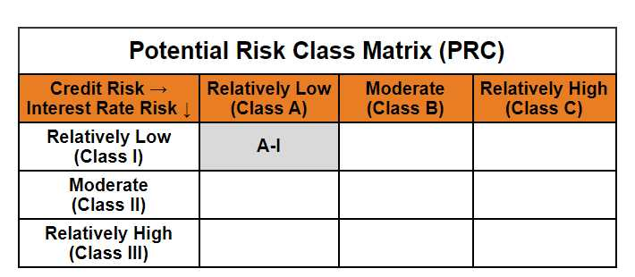
Mirae Asset Overnight Fund

(Overnight Fund - An open ended debt scheme investing in overnight securities. A relatively low interest rate risk and relatively low credit risk)

Mirae Asset Overnight Fund | MI015 |  | 31-Dec-25

Monthly Portfolio Statement as on December 31, 2025
Name of the Instrument | ISIN | Industry ^/ Rating | Quantity | Market/Fair Value (Rs. in Lacs) | % to Net Assets | YTM
EQUITY & EQUITY RELATED
(a) Listed / awaiting listing on Stock Exchanges
Sub Total |  |  |  | NIL | NIL
(b) Unlisted
Sub Total |  |  |  | NIL | NIL
Total |  |  |  | NIL | NIL
DEBT INSTRUMENTS
(a) Listed / awaiting listing on Stock Exchange
Sub Total |  |  |  | NIL | NIL
(b) Privately placed / Unlisted
Sub Total |  |  |  | NIL | NIL
(c) Securitised Debt Instruments
Sub Total |  |  |  | NIL | NIL
Total |  |  |  | NIL | NIL
MONEY MARKET INSTRUMENTS
(a) Treasury Bill
91 Days Treasury Bills (MD 02/01/2026) | IN002025X273 | Sovereign | 5,000,000 | 4,999.27 | 3.96% | 5.35%
182 Days Treasury Bills (MD 15/01/2026) | IN002025Y164 | Sovereign | 1,500,000 | 1,496.99 | 1.19% | 5.25%
Sub Total |  |  |  | 6,496.26 | 5.15%
Total |  |  |  | 6,496.26 | 5.15%

OTHERS
(a) TREPS / Reverse Repo
5.65% Reverse Repo |  |  |  | 110,136.02 | 87.30% | 5.65%
TREPS |  |  |  | 9,412.44 | 7.46% | 5.37%
Sub Total |  |  |  | 119,548.46 | 94.76%
Total |  |  |  | 119,548.46 | 94.76%

Other Current Assets / (Liabilities)
Net Receivables / (Payables) |  |  |  | 115.71 | 0.09%
Total |  |  |  | 115.71 | 0.09%

GRAND TOTAL |  |  |  | 126,160.43 | 100.00%
** Thinly Traded / Non Traded Security
# Unlisted Security
$ Less Than 0.01% of Net Asset Value
^ The Name of the Industry is in accordance with Industry Classification as recommended by AMFI.

Notes & Symbols :-
(1) The provision made for below investment grade or default securities as of December 31 2025. is Rs. Nil and its percentage to Net Asset Value is Nil.
(2) Total value and percentage of Illiquid Equity Shares: Nil.
(3) Net Assets Value per unit (in Rupees) are as follows:
Plan/Option |  | As on December 31 2025 | As on November 30 2025
Regular Plan - Growth Option |  | 1356.4172 | 1350.4781
Regular Plan - Daily Income Distribution Cum Capital Withdrawal Option |  | 1000.0102 | 1000.0118
Regular Plan - Weekly Income Distribution Cum Capital Withdrawal Option |  | 1000.0000 | 1000.5801
Regular Plan - Monthly Income Distribution Cum Capital Withdrawal Option |  | 1001.0276 | 1000.8873
Direct Plan - Growth Option |  | 1364.1409 | 1358.0615
Direct Plan - Daily Income Distribution Cum Capital Withdrawal Option |  | 1000.0053 | 1000.0008
Direct Plan - Weekly Income Distribution Cum Capital Withdrawal Option |  | 1000.0021 | 1000.5900
Direct Plan - Monthly Income Distribution Cum Capital Withdrawal Option |  | 1001.0363 | 1000.8777

(4) Details of Income Distribution Cum Capital Withdrawal declared per unit (In Rupees) during the month end are as follows.
Plan/Option |  | Individual Investors / HUF | Corporate Investors
Regular Plan - Daily Income Distribution Cum Capital Withdrawal Option |  | 4.4489 | 4.4489
Regular Plan - Weekly Income Distribution Cum Capital Withdrawal Option |  | 4.9707 | 4.9707
Regular Plan - Monthly Income Distribution Cum Capital Withdrawal Option |  | 4.2682 | 4.2682
Direct Plan - Daily Income Distribution Cum Capital Withdrawal Option |  | 4.4768 | 4.4768
Direct Plan - Weekly Income Distribution Cum Capital Withdrawal Option |  | 5.0651 | 5.0651
Direct Plan - Monthly Income Distribution Cum Capital Withdrawal Option |  | 4.3173 | 4.3173

(5) No Bonus declared during the month ended December 31 2025.
(6) Total outstanding exposure in derivative instruments as on December 31 2025. is Nil.
(7) Total investments in Foreign Securities / Overseas ETFs / ADRs / GDRs as on December 31 2025. is Nil.
(8) Average maturity of the portfolio:1.20 Days
(9) The Face Value per unit is Rs. 1000/-
(10) Investments in Fixed Deposits : Nil.
(11) Repo in Corporate Debt is Nil.
(12)Total value of short term deposit(s) : Nil

Modified duration | 0.00

 | Portfolio Information
Scheme Name | Mirae Asset Overnight Fund
Description (if any)

Annualised Portfolio YTM* : | 5.61%

Macaulay Duration | 0.00
Residual Maturity (Average Maturity) (in Days) | 1.20

As on (Date) | 31-12-2025
* in case of semi annual YTM, it will be annualised

