MDBF
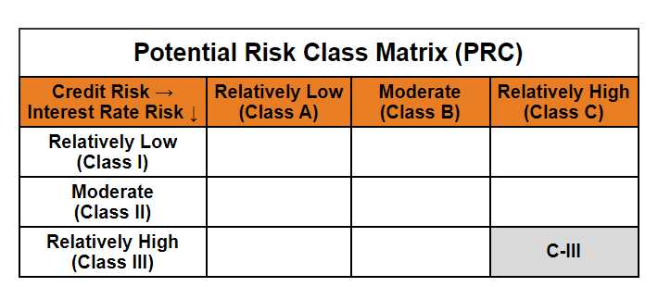
Mirae Asset Dynamic Bond Fund

(Dynamic Bond Fund - An open ended dynamic debt scheme investing across duration. A relatively high interest rate risk and relatively high credit risk)

Mirae Asset Dynamic Bond Fund | MI008 |  | 30-Nov-25

Monthly Portfolio Statement as on November 30, 2025
Name of the Instrument | ISIN | Industry ^/ Rating | Quantity | Market/Fair Value (Rs. in Lacs) | % to Net Assets | YTM
EQUITY & EQUITY RELATED
(a) Listed / awaiting listing on Stock Exchanges
Sub Total |  |  |  | NIL | NIL
(b) Unlisted
Sub Total |  |  |  | NIL | NIL
Total |  |  |  | NIL | NIL
DEBT INSTRUMENTS
(a) Listed / awaiting listing on Stock Exchange
7.95% REC Ltd. (MD 12/03/2027)** | INE020B08AH8 | CRISIL AAA | 1,000,000 | 1,016.18 | 8.67% | 6.55%
7.83% Indian Railway Finance Corporation Ltd. (MD 19/03/2027) | INE053F07983 | CRISIL AAA | 1,000,000 | 1,015.10 | 8.66% | 6.60%
7.60% Power Finance Corporation Ltd. (MD 20/02/2027)** | INE134E08IT9 | CRISIL AAA | 1,000,000 | 1,013.26 | 8.64% | 6.55%
7.30% Power Grid Corporation of India Ltd. (MD 19/06/2027)** | INE752E07OF7 | CRISIL AAA | 1,000,000 | 1,011.73 | 8.63% | 6.44%
7.62% Export-Import Bank of India (MD 01/09/2026)** | INE514E08FG5 | CRISIL AAA | 1,000,000 | 1,007.68 | 8.60% | 6.43%
6.57% National Bank for Agriculture and Rural Development (MD 01/06/2027)** | INE261F08CF9 | [ICRA]AAA | 1,000,000 | 998.78 | 8.52% | 6.62%
8.85% NHPC Ltd. (MD 11/02/2026)** | INE848E07377 | [ICRA]AAA | 50,000 | 50.23 | 0.43% | 6.05%
Sub Total |  |  |  | 6,112.96 | 52.15%
(b) Privately placed / Unlisted
Sub Total |  |  |  | NIL | NIL
(c) Securitised Debt Instruments
Sub Total |  |  |  | NIL | NIL
(d) State Government Securities
7.71% State Government of Gujarat (MD 01/03/2027) | IN1520160202 | Sovereign | 1,400,000 | 1,428.22 | 12.18% | 6.09%
7.86% State Government of Karnataka (MD 15/03/2027) | IN1920160117 | Sovereign | 1,000,000 | 1,022.54 | 8.72% | 6.10%
7.85% State Government of Rajasthan (MD 15/03/2027) | IN2920160438 | Sovereign | 500,000 | 511.12 | 4.36% | 6.11%
7.74% State Government of Tamil Nadu (MD 01/03/2027) | IN3120161309 | Sovereign | 500,000 | 510.26 | 4.35% | 6.09%
7.76% State Government of Madhya Pradesh (MD 01/03/2027) | IN2120160105 | Sovereign | 500,000 | 510.22 | 4.35% | 6.12%
7.23% State Government of Tamil Nadu (MD 14/06/2027) | IN3120170045 | Sovereign | 500,000 | 508.91 | 4.34% | 6.09%
7.39% State Government of Maharashtra (MD 09/11/2026) | IN2220160104 | Sovereign | 500,000 | 507.46 | 4.33% | 5.81%
Sub Total |  |  |  | 4,998.73 | 42.64%
Total |  |  |  | 11,111.69 | 94.79%

MONEY MARKET INSTRUMENTS
Total |  |  |  | NIL | NIL

OTHERS
(a) Alternative Investment Fund Units
Corporate Debt Market Development Fund - Class A2# | INF0RQ622028 |  | 539 | 61.95 | 0.53%
Sub Total |  |  |  | 61.95 | 0.53%
(b) TREPS / Reverse Repo
TREPS |  |  |  | 285.87 | 2.44% | 5.42%
Sub Total |  |  |  | 285.87 | 2.44%
Total |  |  |  | 347.82 | 2.97%

Other Current Assets / (Liabilities)
Net Receivables / (Payables) |  |  |  | 262.99 | 2.24%
Total |  |  |  | 262.99 | 2.24%

GRAND TOTAL |  |  |  | 11,722.50 | 100.00%
** Thinly Traded / Non Traded Security
# Unlisted Security
$ Less Than 0.01% of Net Asset Value
^ The Name of the Industry is in accordance with Industry Classification as recommended by AMFI.

Notes & Symbols :-
(1) The provision made for below investment grade or default securities as of November 30 2025. is Rs. Nil and its percentage to Net Asset Value is Nil.
(2) Total value and percentage of Illiquid Equity Shares: Nil.
(3) Net Assets Value per unit (in Rupees) are as follows:
Plan/Option |  | As on November 28 2025 | As on October 31 2025
Regular Plan - Growth Option |  | 16.5481 | 16.4807
Regular Plan- Income Distribution Cum Capital Withdrawal Option |  | 16.5485 | 16.4811
Direct Plan - Growth Option |  | 18.1530 | 18.0672
Direct Plan- Income Distribution Cum Capital Withdrawal Option |  | 18.1349 | 18.0497

(4) No Income Distribution Cum Capital Withdrawal was declared during the month ended November 30 2025.
(5) No Bonus declared during the month ended November 30 2025.
(6) Total outstanding exposure in derivative instruments as on November 30 2025. is Nil.
(7) Total investments in Foreign Securities / Overseas ETFs / ADRs / GDRs as on November 30 2025. is Nil.
(8) Average maturity of the portfolio:1.23 Years
(9) The Face Value per unit is Rs. 10/-
(10) Investments in Fixed Deposits : Nil.
(11) Repo in Corporate Debt is Nil.
(12)Total value of short term deposit(s) : Nil

Modified duration | 1.13

 | Portfolio Information
Scheme Name | Mirae Asset Dynamic Bond Fund
Description (if any)

Annualised Portfolio YTM* : | 6.27%

Macaulay Duration | 1.18
Residual Maturity (Average Maturity) (in Years) | 1.23

As on (Date) | 30-11-2025
* in case of semi annual YTM, it will be annualised

