912IBXFS
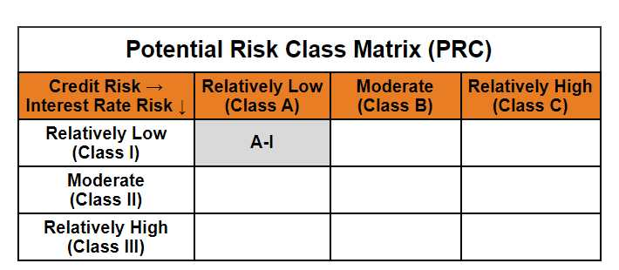
Mirae Asset CRISIL-IBX Financial Services 9-12 Months Debt Index Fund

(An open-ended constant maturity index fund tracking CRISIL-IBX Financial Services 9-12 Months Debt Index. A relatively low interest rate risk and relatively low credit risk.)

Mirae Asset CRISIL-IBX Financial Services 9-12 Months Debt Index Fund | MI079 |  | 30-Nov-25

Monthly Portfolio Statement as on November 30, 2025
Name of the Instrument | ISIN | Industry ^/ Rating | Quantity | Market/Fair Value (Rs. in Lacs) | % to Net Assets | YTM
EQUITY & EQUITY RELATED
(a) Listed / awaiting listing on Stock Exchanges
Sub Total |  |  |  | NIL | NIL
(b) Unlisted
Sub Total |  |  |  | NIL | NIL
Total |  |  |  | NIL | NIL
DEBT INSTRUMENTS
(a) Listed / awaiting listing on Stock Exchange
7.99% Axis Finance Ltd. (MD 03/08/2026)** | INE891K07846 | IND AAA | 2,000,000 | 2,011.71 | 11.45% | 6.90%
7.62% Export-Import Bank of India (MD 01/09/2026)** | INE514E08FG5 | CRISIL AAA | 1,900,000 | 1,914.60 | 10.90% | 6.43%
7.51% REC Ltd. (MD 31/07/2026)** | INE020B08EI8 | CRISIL AAA | 1,700,000 | 1,709.25 | 9.73% | 6.49%
7.44% Small Industries Development Bank of India (MD 04/09/2026)** | INE556F08KI9 | CRISIL AAA | 1,600,000 | 1,608.94 | 9.16% | 6.55%
7.50% National Bank for Agriculture and Rural Development (MD 31/08/2026)** | INE261F08EA6 | CRISIL AAA | 1,500,000 | 1,508.56 | 8.59% | 6.58%
7.22% National Housing Bank (MD 23/07/2026)** | INE557F08FR8 | CRISIL AAA | 1,500,000 | 1,505.70 | 8.57% | 6.55%
7.84% HDB Financial Services Ltd. (MD 14/07/2026)** | INE756I07EN4 | CRISIL AAA | 1,400,000 | 1,405.47 | 8.00% | 6.97%
7.90% HDFC Bank Ltd. (MD 24/08/2026)** | INE040A08484 | CRISIL AAA | 1,000,000 | 1,007.14 | 5.73% | 6.73%
7.64% Power Finance Corporation Ltd. (MD 25/08/2026)** | INE134E08MT1 | CRISIL AAA | 1,000,000 | 1,006.89 | 5.73% | 6.52%
7.13% Power Finance Corporation Ltd. (MD 15/07/2026) | INE134E08LP1 | CRISIL AAA | 1,000,000 | 1,002.88 | 5.71% | 6.52%
6.17% LIC Housing Finance Ltd. (MD 03/09/2026)** | INE115A07PI6 | CRISIL AAA | 900,000 | 896.05 | 5.10% | 6.68%
6.09% Power Finance Corporation Ltd. (MD 27/08/2026)** | INE134E08LK2 | CRISIL AAA | 500,000 | 498.12 | 2.84% | 6.52%
Sub Total |  |  |  | 16,075.31 | 91.50%
(b) Privately placed / Unlisted
Sub Total |  |  |  | NIL | NIL
(c) Securitised Debt Instruments
Sub Total |  |  |  | NIL | NIL
Total |  |  |  | 16,075.31 | 91.50%

MONEY MARKET INSTRUMENTS
Total |  |  |  | NIL | NIL

OTHERS
(a) TREPS / Reverse Repo
TREPS |  |  |  | 1,062.21 | 6.05% | 5.42%
Sub Total |  |  |  | 1,062.21 | 6.05%
Total |  |  |  | 1,062.21 | 6.05%

Other Current Assets / (Liabilities)
Net Receivables / (Payables) |  |  |  | 430.33 | 2.45%
Total |  |  |  | 430.33 | 2.45%

GRAND TOTAL |  |  |  | 17,567.85 | 100.00%
** Thinly Traded / Non Traded Security
# Unlisted Security
$ Less Than 0.01% of Net Asset Value
^ The Name of the Industry is in accordance with Industry Classification as recommended by AMFI.

Notes & Symbols :-
(1) The provision made for below investment grade or default securities as of November 30 2025. is Rs. Nil and its percentage to Net Asset Value is Nil.
(2) Total value and percentage of Illiquid Equity Shares: Nil.
(3) Net Assets Value per unit (in Rupees) are as follows:
Plan/Option |  | As on November 28 2025 | As on October 31 2025
Regular Plan- Income Distribution Cum Capital Withdrawal Option |  | 10.2637 | 10.2155
Regular Plan - Growth Option |  | 10.2635 | 10.2152
Direct Plan- Income Distribution Cum Capital Withdrawal Option |  | 10.2720 | 10.2222
Direct Plan - Growth Option |  | 10.2724 | 10.2226

(4) No Income Distribution Cum Capital Withdrawal was declared during the month ended November 30 2025.
(5) No Bonus declared during the month ended November 30 2025.
(6) Total outstanding exposure in derivative instruments as on November 30 2025. is Nil.
(7) Total investments in Foreign Securities / Overseas ETFs / ADRs / GDRs as on November 30 2025. is Nil.
(8) Average maturity of the portfolio:0.66 Years
(9) The Face Value per unit is Rs. 10/-
(10) Investments in Fixed Deposits : Nil.
(11) Repo in Corporate Debt is Nil.
(12)Total value of short term deposit(s) : Nil

Modified duration | 0.61

 | Portfolio Information
Scheme Name | Mirae Asset CRISIL-IBX Financial Services 9-12 Months Debt Index Fund
Description (if any)

Annualised Portfolio YTM* : | 6.55%

Macaulay Duration | 0.65
Residual Maturity (Average Maturity) (in Years) | 0.66
Debt Index Replication Factor | 50.01%

As on (Date) | 2025-11-30
* in case of semi annual YTM, it will be annualised
Disclosure of Debt Index Replication Factor in certain schemes pursuant to SEBI circular dated December 31, 2024 on ‘Introduction of Mutual Funds Lite (MF Lite) framework for passively managed schemes of Mutual Funds.

