MAN1DLTF
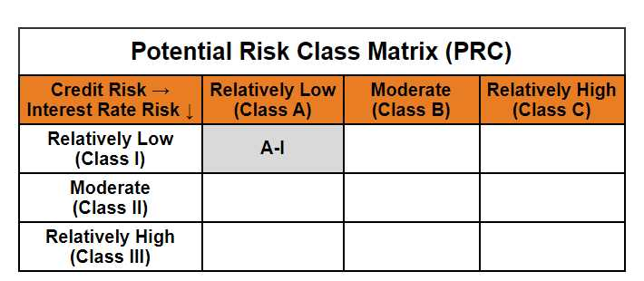
Mirae Asset Nifty 1D Rate Liquid ETF - IDCW (Formerly Known as Mirae Asset Nifty 1D Rate Liquid ETF)

(Exchange Traded Fund (ETF) - An open ended listed liquid scheme in the form of an Exchange Traded Fund tracking Nifty 1D Rate Index, with daily Income Distribution cum capital withdrawal (IDCW) and compulsory Reinvestment of IDCW option. A relatively low interest rate risk and relatively low credit risk)

NSE Symbol: LIQUID , BSE Scrip Code: 543946
Mirae Asset Nifty 1D Rate Liquid ETF-IDCW | MI049 |  | 30-Nov-25

Monthly Portfolio Statement as on November 30, 2025
Name of the Instrument | ISIN | Industry ^/ Rating | Quantity | Market/Fair Value (Rs. in Lacs) | % to Net Assets | YTM
EQUITY & EQUITY RELATED
(a) Listed / awaiting listing on Stock Exchanges
Sub Total |  |  |  | NIL | NIL
(b) Unlisted
Sub Total |  |  |  | NIL | NIL
Total |  |  |  | NIL | NIL
DEBT INSTRUMENTS
(a) Listed / awaiting listing on Stock Exchange
Sub Total |  |  |  | NIL | NIL
(b) Privately placed / Unlisted
Sub Total |  |  |  | NIL | NIL
(c) Securitised Debt Instruments
Sub Total |  |  |  | NIL | NIL
Total |  |  |  | NIL | NIL

MONEY MARKET INSTRUMENTS
Total |  |  |  | NIL | NIL

OTHERS
(a) TREPS / Reverse Repo
TREPS |  |  |  | 49,792.65 | 99.65% | 5.42%
Sub Total |  |  |  | 49,792.65 | 99.65%
Total |  |  |  | 49,792.65 | 99.65%

Other Current Assets / (Liabilities)
Net Receivables / (Payables) |  |  |  | 176.78 | 0.35%
Total |  |  |  | 176.78 | 0.35%

GRAND TOTAL |  |  |  | 49,969.43 | 100.00%
** Thinly Traded / Non Traded Security
# Unlisted Security
$ Less Than 0.01% of Net Asset Value
^ The Name of the Industry is in accordance with Industry Classification as recommended by AMFI.

Notes & Symbols :-
(1) The provision made for below investment grade or default securities as of November 30 2025. is Rs. Nil and its percentage to Net Asset Value is Nil.
(2) Total value and percentage of Illiquid Equity Shares: Nil.
(3) Net Assets Value per unit (in Rupees) are as follows:
Plan/Option |  | As on November 30 2025 | As on October 31 2025
Regular Plan- Income Distribution Cum Capital Withdrawal Reinvestment Option |  | 1000.0000 | 1000.0000

(4) Details of Income Distribution Cum Capital Withdrawal declared per unit (In Rupees) during the month end are as follows.
Plan/Option |  | Individual Investors / HUF | Corporate Investors
Regular Plan- Income Distribution Cum Capital Withdrawal Reinvestment Option |  | 4.0854 | 4.0854

(5) No Bonus declared during the month ended November 30 2025.
(6) Total outstanding exposure in derivative instruments as on November 30 2025. is Nil.
(7) Total investments in Foreign Securities / Overseas ETFs / ADRs / GDRs as on November 30 2025. is Nil.
(8) Average maturity of the portfolio:1.00 Days
(9) The Face Value per unit is Rs. 1000/-
(10) Investments in Fixed Deposits : Nil.
(11) Repo in Corporate Debt is Nil.
(12)Total value of short term deposit(s) : Nil

Modified duration | 0.00

 | Portfolio Information
Scheme Name | Mirae Asset Nifty 1D Rate Liquid ETF - IDCW
Description (if any)

Annualised Portfolio YTM* : | 5.42%

Macaulay Duration | 0.00
Residual Maturity (Average Maturity) (in Days) | 1.00
Debt Index Replication Factor | 99.65%

As on (Date) | 2025-11-30
* in case of semi annual YTM, it will be annualised
Disclosure of Debt Index Replication Factor in certain schemes pursuant to SEBI circular dated December 31, 2024 on ‘Introduction of Mutual Funds Lite (MF Lite) framework for passively managed schemes of Mutual Funds.

