MAONF
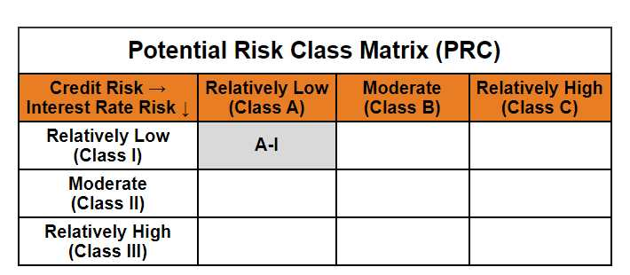
Mirae Asset Overnight Fund

(Overnight Fund - An open ended debt scheme investing in overnight securities. A relatively low interest rate risk and relatively low credit risk)

Mirae Asset Overnight Fund

Monthly Portfolio Statement as on May 31, 2025
Name of the Instrument | ISIN | Industry ^/ Rating | Quantity | Market/Fair Value (Rs. in Lacs) | % to Net Assets | YTM
EQUITY & EQUITY RELATED
(a) Listed / awaiting listing on Stock Exchanges
Sub Total |  |  |  | NIL | NIL
(b) Unlisted
Sub Total |  |  |  | NIL | NIL
Total |  |  |  | NIL | NIL
DEBT INSTRUMENTS
(a) Listed / awaiting listing on Stock Exchange
Sub Total |  |  |  | NIL | NIL
(b) Privately placed / Unlisted
Sub Total |  |  |  | NIL | NIL
(c) Securitised Debt Instruments
Sub Total |  |  |  | NIL | NIL
Total |  |  |  | NIL | NIL
MONEY MARKET INSTRUMENTS
(a) Treasury Bill
91 Days Treasury Bills (MD 12/06/2025) | IN002024X490 | Sovereign | 2,500,000 | 2,495.71 | 2.47% | 5.70%
91 Days Treasury Bills (MD 05/06/2025) | IN002024X482 | Sovereign | 1,000,000 | 999.36 | 0.99% | 5.83%
Sub Total |  |  |  | 3,495.07 | 3.46%
Total |  |  |  | 3,495.07 | 3.46%

OTHERS
(a) TREPS / Reverse Repo
5.85% Reverse Repo |  |  |  | 63,935.25 | 63.32% | 5.85%
TREPS |  |  |  | 33,395.21 | 33.07% | 5.79%
Sub Total |  |  |  | 97,330.46 | 96.39%
Total |  |  |  | 97,330.46 | 96.39%

Other Current Assets / (Liabilities)
Net Receivables / (Payables) |  |  |  | 148.34 | 0.15%
Total |  |  |  | 148.34 | 0.15%

GRAND TOTAL |  |  |  | 100,973.87 | 100.00%
** Thinly Traded / Non Traded Security
# Unlisted Security
$ Less Than 0.01% of Net Asset Value
^ The Name of the Industry is in accordance with Industry Classification as recommended by AMFI.

Modified duration | 0.01

 | Portfolio Information
Scheme Name | Mirae Asset Overnight Fund
Description (if any)

Annualised Portfolio YTM* : | 5.82%

Macaulay Duration | 0.01
Residual Maturity (Average Maturity) (in Days) | 2.27

As on (Date) | 31-05-2025
* in case of semi annual YTM, it will be annualised

