MDBF
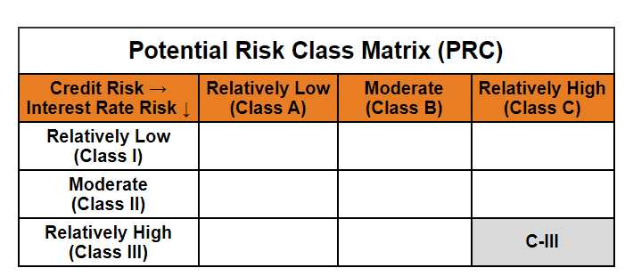
Mirae Asset Dynamic Bond Fund

(Dynamic Bond Fund - An Open ended dynamic debt scheme investing across duration. A relatively high interest rate risk and relatively high credit risk)

Mirae Asset Dynamic Bond Fund

Monthly Portfolio Statement as on May 31, 2025
Name of the Instrument | ISIN | Industry ^/ Rating | Quantity | Market/Fair Value (Rs. in Lacs) | % to Net Assets | YTM
EQUITY & EQUITY RELATED
(a) Listed / awaiting listing on Stock Exchanges
Sub Total |  |  |  | NIL | NIL
(b) Unlisted
Sub Total |  |  |  | NIL | NIL
Total |  |  |  | NIL | NIL
DEBT INSTRUMENTS
(a) Listed / awaiting listing on Stock Exchange
7.95% REC Ltd. (MD 12/03/2027)** | INE020B08AH8 | CRISIL AAA | 1,000,000 | 1,023.05 | 8.51% | 6.52%
7.83% Indian Railway Finance Corporation Ltd. (MD 19/03/2027)** | INE053F07983 | CRISIL AAA | 1,000,000 | 1,021.94 | 8.50% | 6.50%
7.60% Power Finance Corporation Ltd. (MD 20/02/2027)** | INE134E08IT9 | CRISIL AAA | 1,000,000 | 1,018.92 | 8.47% | 6.52%
7.30% Power Grid Corporation of India Ltd. (MD 19/06/2027)** | INE752E07OF7 | CRISIL AAA | 1,000,000 | 1,016.74 | 8.45% | 6.40%
7.62% Export-Import Bank of India (MD 01/09/2026)** | INE514E08FG5 | CRISIL AAA | 1,000,000 | 1,013.25 | 8.42% | 6.45%
6.57% National Bank for Agriculture and Rural Development (MD 01/06/2027)** | INE261F08CF9 | [ICRA]AAA | 1,000,000 | 999.73 | 8.31% | 6.59%
8.85% NHPC Ltd. (MD 11/02/2026)** | INE848E07377 | [ICRA]AAA | 50,000 | 50.77 | 0.42% | 6.39%
Sub Total |  |  |  | 6,144.40 | 51.08%
(b) Privately placed / Unlisted
Sub Total |  |  |  | NIL | NIL
(c) Securitised Debt Instruments
Sub Total |  |  |  | NIL | NIL
(d) State Government Securities
7.71% State Government of Gujarat (MD 01/03/2027) | IN1520160202 | Sovereign | 1,400,000 | 1,440.17 | 11.97% | 6.04%
7.86% State Government of Karnataka (MD 15/03/2027) | IN1920160117 | Sovereign | 1,200,000 | 1,238.17 | 10.29% | 6.04%
7.85% State Government of Rajasthan (MD 15/03/2027) | IN2920160438 | Sovereign | 500,000 | 515.61 | 4.29% | 6.06%
7.76% State Government of Madhya Pradesh (MD 01/03/2027) | IN2120160105 | Sovereign | 500,000 | 514.61 | 4.28% | 6.06%
7.74% State Government of Tamil Nadu (MD 01/03/2027) | IN3120161309 | Sovereign | 500,000 | 514.59 | 4.28% | 6.04%
7.23% State Government of Tamil Nadu (MD 14/06/2027) | IN3120170045 | Sovereign | 500,000 | 512.13 | 4.26% | 6.03%
7.39% State Government of Maharashtra (MD 09/11/2026) | IN2220160104 | Sovereign | 500,000 | 510.45 | 4.24% | 5.94%
Sub Total |  |  |  | 5,245.73 | 43.61%
Total |  |  |  | 11,390.13 | 94.69%

MONEY MARKET INSTRUMENTS
Total |  |  |  | NIL | NIL

OTHERS
(a) Alternative Investment Fund Units
Corporate Debt Market Development Fund - Class A2# | INF0RQ622028 |  | 539 | 60.32 | 0.50%
Sub Total |  |  |  | 60.32 | 0.50%
(b) TREPS / Reverse Repo
TREPS |  |  |  | 204.03 | 1.70% | 5.79%
Sub Total |  |  |  | 204.03 | 1.70%
Total |  |  |  | 264.35 | 2.20%

Other Current Assets / (Liabilities)
Net Receivables / (Payables) |  |  |  | 373.78 | 3.11%
Total |  |  |  | 373.78 | 3.11%

GRAND TOTAL |  |  |  | 12,028.26 | 100.00%
** Thinly Traded / Non Traded Security
# Unlisted Security
$ Less Than 0.01% of Net Asset Value
^ The Name of the Industry is in accordance with Industry Classification as recommended by AMFI.

Modified duration | 1.54

 | Portfolio Information
Scheme Name | Mirae Asset Dynamic Bond Fund
Description (if any)

Annualised Portfolio YTM* : | 6.24%

Macaulay Duration | 1.61
Residual Maturity (Average Maturity) (in Years) | 1.73

As on (Date) | 31-05-2025
* in case of semi annual YTM, it will be annualised

