MAONF
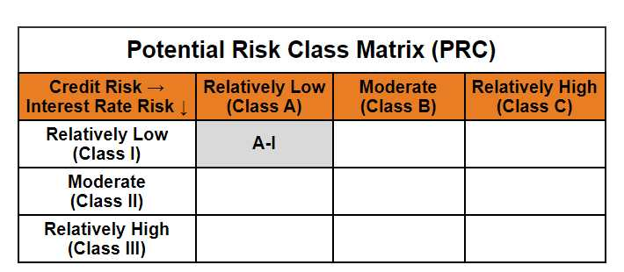
Mirae Asset Overnight Fund

(Overnight Fund - An open ended debt scheme investing in overnight securities. A relatively low interest rate risk and relatively low credit risk)

Mirae Asset Overnight Fund

Monthly Portfolio Statement as on April 30, 2025
Name of the Instrument | ISIN | Industry / Rating | Quantity | Market/Fair Value (Rs. in Lacs) | % to Net Assets | YTM
EQUITY & EQUITY RELATED
(a) Listed / awaiting listing on Stock Exchanges
Sub Total |  |  |  | NIL | NIL
(b) Unlisted
Sub Total |  |  |  | NIL | NIL
Total |  |  |  | NIL | NIL
DEBT INSTRUMENTS
(a) Listed / awaiting listing on Stock Exchange
Sub Total |  |  |  | NIL | NIL
(b) Privately placed / Unlisted
Sub Total |  |  |  | NIL | NIL
(c) Securitised Debt Instruments
Sub Total |  |  |  | NIL | NIL
Total |  |  |  | NIL | NIL
MONEY MARKET INSTRUMENTS
(a) Treasury Bill
364 Days Treasury Bills (MD 08/05/2025) | IN002024Z065 | Sovereign | 1,500,000 | 1,498.32 | 1.73% | 5.84%
91 Days Treasury Bills (MD 15/05/2025) | IN002024X458 | Sovereign | 1,500,000 | 1,496.61 | 1.73% | 5.90%
182 Days Treasury Bills (MD 23/05/2025) | IN002024Y324 | Sovereign | 1,500,000 | 1,494.68 | 1.73% | 5.90%
182 Days Treasury Bills (MD 15/05/2025) | IN002024Y316 | Sovereign | 500,000 | 498.87 | 0.58% | 5.90%
Sub Total |  |  |  | 4,988.48 | 5.77%
Total |  |  |  | 4,988.48 | 5.77%

OTHERS
(a) TREPS / Reverse Repo
6.10% Reverse Repo |  |  |  | 81,341.36 | 94.10% | 6.10%
Sub Total |  |  |  | 81,341.36 | 94.10%
Total |  |  |  | 81,341.36 | 94.10%

Other Current Assets / (Liabilities)
Net Receivables / (Payables) |  |  |  | 113.66 | 0.13%
Total |  |  |  | 113.66 | 0.13%

GRAND TOTAL |  |  |  | 86,443.51 | 100.00%
** Thinly Traded / Non Traded Security
# Unlisted Security
$ Less Than 0.01% of Net Asset Value

Modified duration | 0.01

 | Portfolio Information
Scheme Name | Mirae Asset Overnight Fund
Description (if any)

Annualised Portfolio YTM* : | 6.09%

Macaulay Duration | 0.01
Residual Maturity (Average Maturity) (in Days) | 2.76

As on (Date) | 30-04-2025
* in case of semi annual YTM, it will be annualised

