1DGROWTH
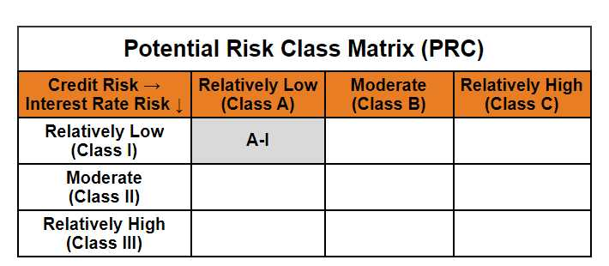
Mirae Asset Nifty 1D Rate Liquid ETF - Growth

(Exchange Traded Fund (ETF) - An open-ended listed liquid scheme in the form of an Exchange Traded Fund tracking Nifty 1D Rate Index, with growth option. A relatively low interest rate risk and relatively low credit risk)

NSE Symbol: LIQUIDPLUS BSE Scrip Code: 544284
Mirae Asset Nifty 1D Rate Liquid ETF - Growth

Monthly Portfolio Statement as on April 30, 2025
Name of the Instrument | ISIN | Industry / Rating | Quantity | Market/Fair Value (Rs. in Lacs) | % to Net Assets | YTM
EQUITY & EQUITY RELATED
(a) Listed / awaiting listing on Stock Exchanges
Sub Total |  |  |  | NIL | NIL
(b) Unlisted
Sub Total |  |  |  | NIL | NIL
Total |  |  |  | NIL | NIL
DEBT INSTRUMENTS
(a) Listed / awaiting listing on Stock Exchange
Sub Total |  |  |  | NIL | NIL
(b) Privately placed / Unlisted
Sub Total |  |  |  | NIL | NIL
(c) Securitised Debt Instruments
Sub Total |  |  |  | NIL | NIL
Total |  |  |  | NIL | NIL
OTHERS
MONEY MARKET INSTRUMENTS
Total |  |  |  | NIL | NIL

(a) TREPS / Reverse Repo
TREPS |  |  |  | 34,891.27 | 99.52% | 5.91%
Sub Total |  |  |  | 34,891.27 | 99.52%
Total |  |  |  | 34,891.27 | 99.52%

Other Current Assets / (Liabilities)
Net Receivables / (Payables) |  |  |  | 167.18 | 0.48%
Total |  |  |  | 167.18 | 0.48%

GRAND TOTAL |  |  |  | 35,058.45 | 100.00%
** Thinly Traded / Non Traded Security
# Unlisted Security
$ Less Than 0.01% of Net Asset Value

Modified duration | 0.01

 | Portfolio Information
Scheme Name | Mirae Asset Nifty 1D Rate Liquid ETF - Growth
Description (if any)

Annualised Portfolio YTM* : | 5.91%

Macaulay Duration | 0.01
Residual Maturity (Average Maturity) (in Days) | 1.99

As on (Date) | 30-04-2025
* in case of semi annual YTM, it will be annualised

