MDBF
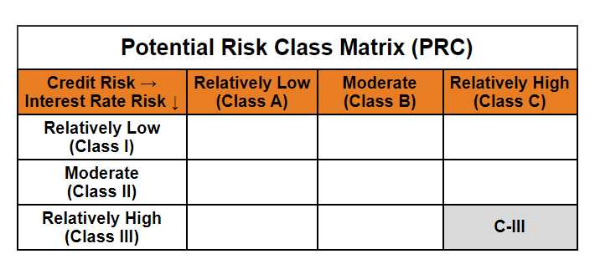
Mirae Asset Dynamic Bond Fund

(Dynamic Bond Fund - An Open ended dynamic debt scheme investing across duration. A relatively high interest rate risk and relatively high credit risk)

Mirae Asset Dynamic Bond Fund

Monthly Portfolio Statement as on March 31, 2025
Name of the Instrument | ISIN | Industry / Rating | Quantity | Market/Fair Value (Rs. in Lacs) | % to Net Assets | YTM
EQUITY & EQUITY RELATED
(a) Listed / awaiting listing on Stock Exchanges
Sub Total |  |  |  | NIL | NIL
(b) Unlisted
Sub Total |  |  |  | NIL | NIL
Total |  |  |  | NIL | NIL
DEBT INSTRUMENTS
(a) Listed / awaiting listing on Stock Exchange
7.95% REC Ltd. (MD 12/03/2027)** | INE020B08AH8 | CRISIL AAA | 1,000,000 | 1,013.28 | 8.63% | 7.20%
7.83% Indian Railway Finance Corporation Ltd. (MD 19/03/2027)** | INE053F07983 | CRISIL AAA | 1,000,000 | 1,012.32 | 8.62% | 7.13%
7.60% Power Finance Corporation Ltd. (MD 20/02/2027)** | INE134E08IT9 | CRISIL AAA | 1,000,000 | 1,008.95 | 8.59% | 7.21%
7.62% Export-Import Bank of India (MD 01/09/2026)** | INE514E08FG5 | CRISIL AAA | 1,000,000 | 1,004.46 | 8.56% | 7.23%
7.30% Power Grid Corporation of India Ltd. (MD 19/06/2027)** | INE752E07OF7 | CRISIL AAA | 1,000,000 | 1,001.85 | 8.53% | 7.19%
6.57% National Bank for Agriculture and Rural Development (MD 01/06/2027)** | INE261F08CF9 | [ICRA]AAA | 1,000,000 | 985.04 | 8.39% | 7.33%
8.85% NHPC Ltd. (MD 11/02/2026)** | INE848E07377 | [ICRA]AAA | 50,000 | 50.65 | 0.43% | 7.17%
Sub Total |  |  |  | 6,076.55 | 51.76%
(b) Privately placed / Unlisted
Sub Total |  |  |  | NIL | NIL
(c) Securitised Debt Instruments
Sub Total |  |  |  | NIL | NIL
(d) State Government Securities
7.71% State Government of Gujarat (MD 01/03/2027) | IN1520160202 | Sovereign | 1,400,000 | 1,424.12 | 12.13% | 6.85%
7.86% State Government of Karnataka (MD 15/03/2027) | IN1920160117 | Sovereign | 1,200,000 | 1,224.20 | 10.43% | 6.85%
7.85% State Government of Rajasthan (MD 15/03/2027) | IN2920160438 | Sovereign | 500,000 | 509.81 | 4.34% | 6.87%
7.74% State Government of Tamil Nadu (MD 01/03/2027) | IN3120161309 | Sovereign | 500,000 | 508.88 | 4.33% | 6.85%
7.76% State Government of Madhya Pradesh (MD 01/03/2027) | IN2120160105 | Sovereign | 500,000 | 508.86 | 4.33% | 6.87%
7.39% State Government of Maharashtra (MD 09/11/2026) | IN2220160104 | Sovereign | 500,000 | 505.53 | 4.31% | 6.76%
7.23% State Government of Tamil Nadu (MD 14/06/2027) | IN3120170045 | Sovereign | 500,000 | 504.79 | 4.30% | 6.86%
Sub Total |  |  |  | 5,186.19 | 44.17%
Total |  |  |  | 11,262.74 | 95.93%

MONEY MARKET INSTRUMENTS
Total |  |  |  | NIL | NIL

OTHERS
(a) Alternative Investment Fund Units
Corporate Debt Market Development Fund - Class A2# | INF0RQ622028 |  | 539 | 59.47 | 0.51%
Sub Total |  |  |  | 59.47 | 0.51%
(b) TREPS / Reverse Repo
TREPS |  |  |  | 109.52 | 0.93% | 6.69%
Sub Total |  |  |  | 109.52 | 0.93%
Total |  |  |  | 168.99 | 1.44%

Other Current Assets / (Liabilities)
Net Receivables / (Payables) |  |  |  | 308.43 | 2.63%
Total |  |  |  | 308.43 | 2.63%

GRAND TOTAL |  |  |  | 11,740.16 | 100.00%
** Thinly Traded / Non Traded Security
# Unlisted Security
$ Less Than 0.01% of Net Asset Value

Modified duration | 1.69

 | Portfolio Information
Scheme Name | Mirae Asset Dynamic Bond Fund
Description (if any)

Annualised Portfolio YTM* : | 7.00%

Macaulay Duration | 1.78
Residual Maturity (Average Maturity) (in Years) | 1.90

As on (Date) | 31-03-2025
* in case of semi annual YTM, it will be annualised

