MAONF
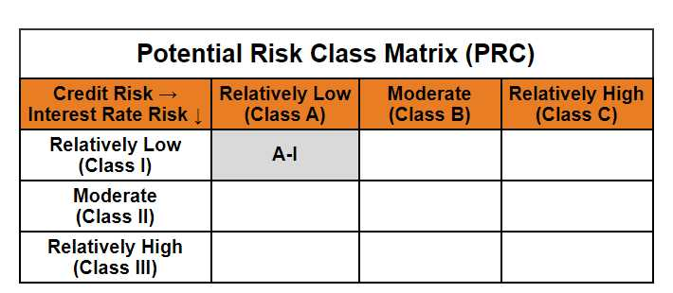
Mirae Asset Overnight Fund

(Overnight Fund - An open ended debt scheme investing in overnight securities. A relatively low interest rate risk and relatively low credit risk)

Mirae Asset Overnight Fund

Monthly Portfolio Statement as on March 31, 2025
Name of the Instrument | ISIN | Industry / Rating | Quantity | Market/Fair Value (Rs. in Lacs) | % to Net Assets | YTM
EQUITY & EQUITY RELATED
(a) Listed / awaiting listing on Stock Exchanges
Sub Total |  |  |  | NIL | NIL
(b) Unlisted
Sub Total |  |  |  | NIL | NIL
Total |  |  |  | NIL | NIL
DEBT INSTRUMENTS
(a) Listed / awaiting listing on Stock Exchange
Sub Total |  |  |  | NIL | NIL
(b) Privately placed / Unlisted
Sub Total |  |  |  | NIL | NIL
(c) Securitised Debt Instruments
Sub Total |  |  |  | NIL | NIL
Total |  |  |  | NIL | NIL
MONEY MARKET INSTRUMENTS
(a) Treasury Bill
182 Days Treasury Bills (MD 10/04/2025) | IN002024Y266 | Sovereign | 1,000,000 | 998.45 | 2.56% | 6.28%
91 Days Treasury Bills (MD 17/04/2025) | IN002024X417 | Sovereign | 1,000,000 | 997.22 | 2.55% | 6.37%
364 Days Treasury Bills (MD 24/04/2025) | IN002024Z040 | Sovereign | 1,000,000 | 996.00 | 2.55% | 6.38%
Sub Total |  |  |  | 2,991.67 | 7.66%
Total |  |  |  | 2,991.67 | 7.66%

OTHERS
(a) TREPS / Reverse Repo
7.15% Reverse Repo |  |  |  | 24,910.70 | 63.76% | 7.15%
TREPS |  |  |  | 10,763.54 | 27.55% | 6.69%
Sub Total |  |  |  | 35,674.24 | 91.30%
Total |  |  |  | 35,674.24 | 91.30%

Other Current Assets / (Liabilities)
Net Receivables / (Payables) |  |  |  | 405.64 | 1.04%
Total |  |  |  | 405.64 | 1.04%

GRAND TOTAL |  |  |  | 39,071.55 | 100.00%
** Thinly Traded / Non Traded Security
# Unlisted Security
$ Less Than 0.01% of Net Asset Value

Modified duration | 0.01

 | Portfolio Information
Scheme Name | Mirae Asset Overnight Fund
Description (if any)

Annualised Portfolio YTM* : | 6.96%

Macaulay Duration | 0.01
Residual Maturity (Average Maturity) (in Days) | 3.13

As on (Date) | 31-03-2025
* in case of semi annual YTM, it will be annualised

