MAONF
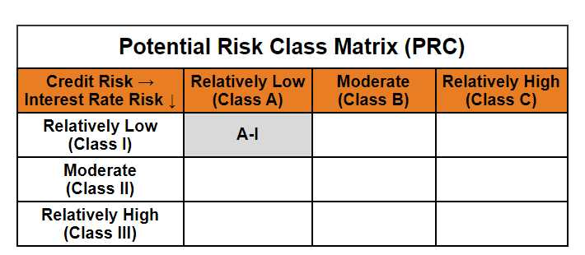
 | Mirae Asset Overnight Fund

 | (Overnight Fund - An open ended debt scheme investing in overnight securities. A relatively low interest rate risk and relatively low credit risk)

 | Mirae Asset Overnight Fund

 | Monthly Portfolio Statement as on February 28,2025
 | Name of the Instrument | ISIN | Rating | Quantity | Market/Fair Value(Rs. in Lacs) | % to Net Assets | YTM
 | Money Market Instruments
 | Treasury Bill
TBIL2333 | 364 Days Tbill (MD 06/03/2025) | IN002023Z521 | SOVEREIGN | 1,500,000 | 1,498.67 | 1.82% | 6.46%
TBIL2448 | 91 Days Tbill (MD 20/03/2025) | IN002024X375 | SOVEREIGN | 1,000,000 | 996.71 | 1.21% | 6.34%
 | Sub Total |  |  |  | 2,495.38 | 3.02%
 | Total |  |  |  | 2,495.38 | 3.02%
 | TREPS / Reverse Repo
REP12_280225 | Reverse Repo |  |  |  | 66,397.45 | 80.47% | 6.30%
TRP_030325 | TREPS |  |  |  | 13,773.00 | 16.69% | 6.30%
 | Sub Total |  |  |  | 80,170.45 | 97.16%
 | Total |  |  |  | 80,170.45 | 97.16%
 | Net Receivables / (Payables) |  |  |  | -151.13 | -0.18%
 | GRAND TOTAL |  |  |  | 82,514.70 | 100.00%

 | Modified duration | 0.01

 |  | Portfolio Information
 | Scheme Name | Mirae Asset Overnight Fund
 | Description (if any)

 | Annualised Portfolio YTM* : | 6.30%

 | Macaulay Duration | 0.01
 | Residual Maturity (Average Maturity) (in Days) | 3.27

 | As on (Date) | 28-02-2025
 | * in case of semi annual YTM, it will be annualised

