MDBF
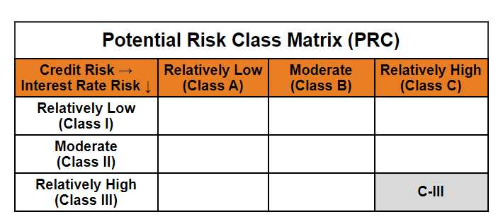
 | Mirae Asset Dynamic Bond Fund

 | (Dynamic Bond Fund - An Open ended dynamic debt scheme investing across duration. A relatively high interest rate risk and relatively high credit risk)

 | Mirae Asset Dynamic Bond Fund

 | Monthly Portfolio Statement as on February 28,2025
 | Name of the Instrument | ISIN | Rating | Quantity | Market/Fair Value(Rs. in Lacs) | % to Net Assets | YTM
 | Debt Instruments
 | (a) Listed / awaiting listing on Stock Exchange
GOI1841 | 7.71% Gujarat SDL (MD 01/03/2027) | IN1520160202 | SOVEREIGN | 1,400,000 | 1,423.35 | 11.99% | 6.92%
GOI1785 | 7.86% Karnataka SDL (MD 15/03/2027) | IN1920160117 | SOVEREIGN | 1,200,000 | 1,223.60 | 10.31% | 6.92%
RECL318 | 7.95% REC Limited (12/03/2027) ** | INE020B08AH8 | CRISIL AAA | 1,000,000 | 1,008.19 | 8.50% | 7.50%
IRLY293 | 7.83% Indian Railway Finance Corporation Limited (19/03/2027) ** | INE053F07983 | CRISIL AAA | 1,000,000 | 1,006.46 | 8.48% | 7.48%
POWF372 | 7.6% Power Finance Corporation Limited (20/02/2027) ** | INE134E08IT9 | CRISIL AAA | 1,000,000 | 1,003.71 | 8.46% | 7.53%
EXIM577 | 7.62% Export Import Bank of India (01/09/2026) ** | INE514E08FG5 | CRISIL AAA | 1,000,000 | 1,000.69 | 8.43% | 7.52%
PGCI409 | 7.3% Power Grid Corporation of India Limited (19/06/2027) ** | INE752E07OF7 | CRISIL AAA | 1,000,000 | 996.99 | 8.40% | 7.42%
NBAR577 | 6.57% National Bank For Agriculture and Rural Development (01/06/2027) ** | INE261F08CF9 | ICRA AAA | 1,000,000 | 979.33 | 8.25% | 7.58%
GOI1793 | 7.85% Rajasthan SDL (MD 15/03/2027) | IN2920160438 | SOVEREIGN | 500,000 | 509.38 | 4.29% | 6.96%
GOI1759 | 7.74% Tamilnadu SDL (MD 01/03/2027) | IN3120161309 | SOVEREIGN | 500,000 | 508.56 | 4.29% | 6.93%
GOI1757 | 7.76% Madhya Pradesh SDL (MD 01/03/2027) | IN2120160105 | SOVEREIGN | 500,000 | 508.50 | 4.29% | 6.95%
GOI1659 | 7.39% Maharashtra SDL (MD 09/11/2026) | IN2220160104 | SOVEREIGN | 500,000 | 504.69 | 4.25% | 6.90%
GOI2849 | 7.23% Tamilnadu SDL (MD 14/06/2027) | IN3120170045 | SOVEREIGN | 500,000 | 504.29 | 4.25% | 6.93%
NHPC45 | 8.85% NHPC Limited (11/02/2026) ** | INE848E07377 | ICRA AAA | 50,000 | 50.57 | 0.43% | 7.53%
 | Sub Total |  |  |  | 11,228.31 | 94.62%
 | (b) Privately placed / Unlisted |  |  |  | NIL | NIL
 | Sub Total |  |  |  | NIL | NIL
 | Total |  |  |  | 11,228.31 | 94.62%
 | Others
 | Alternative Investment Fund Units
CDMD50ME | Class A2 units of Alternative Investment Fund Units # | INF0RQ622028 |  | 539 | 59.12 | 0.50%
 | Sub Total |  |  |  | 59.12 | 0.50%
 | Total |  |  |  | 59.12 | 0.50%
 | TREPS / Reverse Repo
TRP_030325 | TREPS |  |  |  | 166.16 | 1.40% | 6.30%
 | Sub Total |  |  |  | 166.16 | 1.40%
 | (b) Privately placed / Unlisted |  |  |  | NIL | NIL
 | Sub Total |  |  |  | NIL | NIL
 | Total |  |  |  | 166.16 | 1.40%
 | Net Receivables / (Payables) |  |  |  | 413.02 | 3.48%
 | GRAND TOTAL |  |  |  | 11,866.62 | 100.00%

 | ** Thinly Traded / Non Traded Security
 | # Unlisted Security

 | Modified duration | 1.74

 |  | Portfolio Information
 | Scheme Name | Mirae Asset Dynamic Bond Fund
 | Description (if any)

 | Annualised Portfolio YTM* : | 7.19%

 | Macaulay Duration | 1.83
 | Residual Maturity (Average Maturity) (in Years) | 1.99

 | As on (Date) | 28-02-2025
 | * in case of semi annual YTM, it will be annualised

