MAN1DLTF
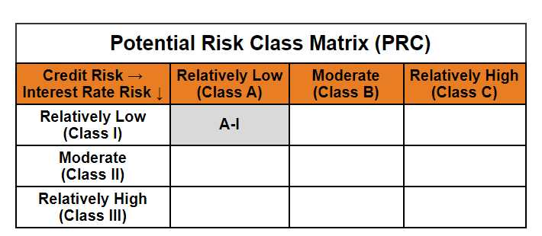
 | Mirae Asset Nifty 1D Rate Liquid ETF - IDCW (Formerly Known as Mirae Asset Nifty 1D Rate Liquid ETF)

 | (Exchange Traded Fund (ETF) - An open-ended listed liquid scheme in the form of an Exchange Traded Fund tracking Nifty 1D Rate Index, with daily Income Distribution cum capital withdrawal (IDCW) and compulsory Reinvestment of IDCW option. A relatively low interest rate risk and relatively low credit risk)

 | NSE Symbol: LIQUID BSE Scrip Code: 543946
 | Mirae Asset Nifty 1D Rate Liquid ETF - IDCW

 | Monthly Portfolio Statement as on February 28,2025
 | Name of the Instrument | ISIN | Industry / Rating | Quantity | Market/Fair Value(Rs. in Lacs) | % to Net Assets | YTM
 | TREPS / Reverse Repo
TRP_030325 | TREPS |  |  |  | 55,915.70 | 99.61% | 6.30%
 | Sub Total |  |  |  | 55,915.70 | 99.61%
 | Total |  |  |  | 55,915.70 | 99.61%
 | Net Receivables / (Payables) |  |  |  | 216.66 | 0.39%
 | GRAND TOTAL |  |  |  | 56,132.37 | 100.00%

 | Modified duration | 0.01

 |  | Portfolio Information
 | Scheme Name | Mirae Asset Nifty 1D Rate Liquid ETF - IDCW
 | Description (if any)

 | Annualised Portfolio YTM* : | 6.30%

 | Macaulay Duration | 0.01
 | Residual Maturity (Average Maturity) (in Days) | 2.99

 | As on (Date) | 28-02-2025
 | * in case of semi annual YTM, it will be annualised

