MDBF
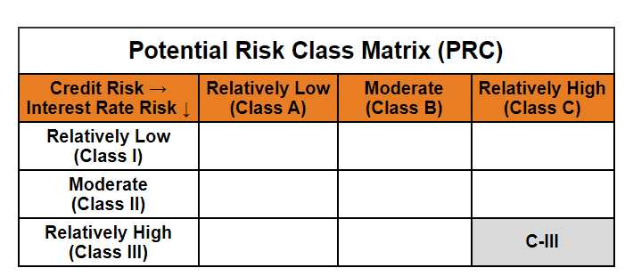
 | Mirae Asset Dynamic Bond Fund

 | (Dynamic Bond Fund - An Open ended dynamic debt scheme investing across duration. A relatively high interest rate risk and relatively high credit risk)

 | Mirae Asset Dynamic Bond Fund

 | Monthly Portfolio Statement as on January 31,2025
 | Name of the Instrument | ISIN | Rating | Quantity | Market/Fair Value(Rs. in Lacs) | % to Net Assets | YTM
 | Debt Instruments
 | (a) Listed / awaiting listing on Stock Exchange
GOI1841 | 7.71% Gujarat SDL (MD 01/03/2027) | IN1520160202 | SOVEREIGN | 1,400,000 | 1,423.75 | 12.02% | 6.93%
GOI1785 | 7.86% Karnataka SDL (MD 15/03/2027) | IN1920160117 | SOVEREIGN | 1,200,000 | 1,223.71 | 10.33% | 6.95%
IRLY293 | 7.83% Indian Railway Finance Corporation Limited (19/03/2027) ** | INE053F07983 | CRISIL AAA | 1,000,000 | 1,008.95 | 8.52% | 7.36%
RECL318 | 7.95% REC Limited (12/03/2027) ** | INE020B08AH8 | CRISIL AAA | 1,000,000 | 1,008.12 | 8.51% | 7.51%
POWF372 | 7.6% Power Finance Corporation Limited (20/02/2027) ** | INE134E08IT9 | CRISIL AAA | 1,000,000 | 1,003.99 | 8.48% | 7.52%
EXIM577 | 7.62% Export Import Bank of India (01/09/2026) ** | INE514E08FG5 | CRISIL AAA | 1,000,000 | 1,002.02 | 8.46% | 7.43%
PGCI409 | 7.3% Power Grid Corporation of India Limited (19/06/2027) ** | INE752E07OF7 | CRISIL AAA | 1,000,000 | 998.65 | 8.43% | 7.34%
NBAR577 | 6.57% National Bank For Agriculture and Rural Development (01/06/2027) ** | INE261F08CF9 | ICRA AAA | 1,000,000 | 979.64 | 8.27% | 7.53%
GOI1793 | 7.85% Rajasthan SDL (MD 15/03/2027) | IN2920160438 | SOVEREIGN | 500,000 | 509.43 | 4.30% | 6.99%
GOI1759 | 7.74% Tamilnadu SDL (MD 01/03/2027) | IN3120161309 | SOVEREIGN | 500,000 | 508.70 | 4.30% | 6.94%
GOI1757 | 7.76% Madhya Pradesh SDL (MD 01/03/2027) | IN2120160105 | SOVEREIGN | 500,000 | 508.56 | 4.29% | 6.98%
GOI1659 | 7.39% Maharashtra SDL (MD 09/11/2026) | IN2220160104 | SOVEREIGN | 500,000 | 504.66 | 4.26% | 6.93%
GOI2849 | 7.23% Tamilnadu SDL (MD 14/06/2027) | IN3120170045 | SOVEREIGN | 500,000 | 504.06 | 4.26% | 6.97%
NHPC45 | 8.85% NHPC Limited (11/02/2026) ** | INE848E07377 | ICRA AAA | 50,000 | 50.62 | 0.43% | 7.54%
 | Sub Total |  |  |  | 11,234.85 | 94.86%
 | (b) Privately placed / Unlisted |  |  |  | NIL | NIL
 | Sub Total |  |  |  | NIL | NIL
 | Total |  |  |  | 11,234.85 | 94.86%
 | Others
 | Alternative Investment Fund Units
CDMD50ME | Class A2 units of Alternative Investment Fund Units # | INF0RQ622028 |  | 539 | 58.81 | 0.50%
 | Sub Total |  |  |  | 58.81 | 0.50%
 | Total |  |  |  | 58.81 | 0.50%
 | TREPS / Reverse Repo
TRP_030225 | TREPS |  |  |  | 159.18 | 1.34% | 6.57%
 | Sub Total |  |  |  | 159.18 | 1.34%
 | (b) Privately placed / Unlisted |  |  |  | NIL | NIL
 | Sub Total |  |  |  | NIL | NIL
 | Total |  |  |  | 159.18 | 1.34%
 | Net Receivables / (Payables) |  |  |  | 390.81 | 3.30%
 | GRAND TOTAL |  |  |  | 11,843.64 | 100.00%

 | ** Thinly Traded / Non Traded Security
 | # Unlisted Security

 | Modified duration | 1.80

 |  | Portfolio Information
 | Scheme Name | Mirae Asset Dynamic Bond Fund
 | Description (if any)

 | Annualised Portfolio YTM* : | 7.18%

 | Macaulay Duration | 1.90
 | Residual Maturity (Average Maturity) (in Years) | 2.06

 | As on (Date) | 31-01-2025
 | * in case of semi annual YTM, it will be annualised

