MAONF
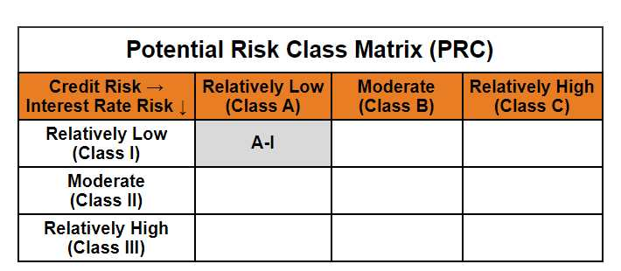
 | Mirae Asset Overnight Fund

 | (Overnight Fund - An open ended debt scheme investing in overnight securities. A relatively low interest rate risk and relatively low credit risk)

 | Mirae Asset Overnight Fund

 | Monthly Portfolio Statement as on January 31,2025
 | Name of the Instrument | ISIN | Rating | Quantity | Market/Fair Value(Rs. in Lacs) | % to Net Assets | YTM
 | Money Market Instruments
 | Treasury Bill
TBIL2323 | 364 Days Tbill (MD 13/02/2025) | IN002023Z489 | SOVEREIGN | 2,000,000 | 1,995.79 | 2.11% | 6.42%
TBIL2320 | 364 Days Tbill (MD 06/02/2025) | IN002023Z471 | SOVEREIGN | 500,000 | 499.56 | 0.53% | 6.37%
 | Sub Total |  |  |  | 2,495.35 | 2.64%
 | Total |  |  |  | 2,495.35 | 2.64%
 | TREPS / Reverse Repo
REP18_310125 | Reverse Repo |  |  |  | 72,975.44 | 77.30% | 6.65%
TRP_030225 | TREPS |  |  |  | 18,889.00 | 20.01% | 6.57%
 | Sub Total |  |  |  | 91,864.43 | 97.31%
 | Total |  |  |  | 91,864.43 | 97.31%
 | Net Receivables / (Payables) |  |  |  | 46.07 | 0.05%
 | GRAND TOTAL |  |  |  | 94,405.86 | 100.00%

 | Modified duration | 0.01

 |  | Portfolio Information
 | Scheme Name | Mirae Asset Overnight Fund
 | Description (if any)

 | Annualised Portfolio YTM* : | 6.63%

 | Macaulay Duration | 0.01
 | Residual Maturity (Average Maturity) (in Days) | 3.23

 | As on (Date) | 31-01-2025
 | * in case of semi annual YTM, it will be annualised

