1DGROWTH
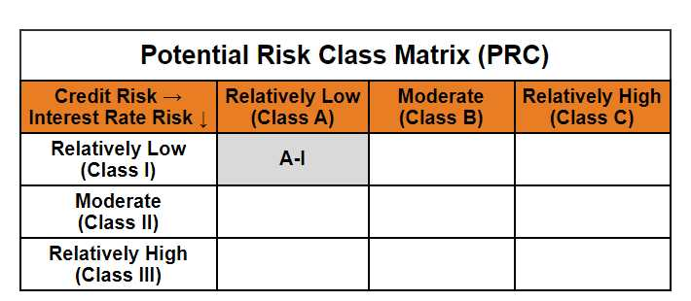
 | Mirae Asset Nifty 1D Rate Liquid ETF - Growth

 | (An open-ended listed liquid scheme in the form of an Exchange Traded Fund tracking Nifty 1D Rate Index, with growth option. A relatively low interest rate risk and relatively low credit risk)

 | NSE Symbol: LIQUIDPLUS BSE Scrip Code: 544284
 | Mirae Asset Nifty 1D Rate Liquid ETF - Growth

 | Monthly Portfolio Statement as on December 31,2024
 | Name of the Instrument | ISIN | Industry / Rating | Quantity | Market/Fair Value(Rs. in Lacs) | % to Net Assets | YTM
 | TREPS / Reverse Repo
TRP_010125 | TREPS |  |  |  | 10,612.92 | 99.51% | 6.66%
 | Sub Total |  |  |  | 10,612.92 | 99.51%
 | Total |  |  |  | 10,612.92 | 99.51%
 | Net Receivables / (Payables) |  |  |  | 51.81 | 0.49%
 | GRAND TOTAL |  |  |  | 10,664.74 | 100.00%

 | Modified duration | 0.00

 |  | Portfolio Information
 | Scheme Name | Mirae Asset Nifty 1D Rate Liquid ETF - Growth
 | Description (if any)

 | Annualised Portfolio YTM* : | 6.67%

 | Macaulay Duration | 0.00
 | Residual Maturity (Average Maturity) (in Days) | 1.00

 | As on (Date) | 31-12-2024
 | * in case of semi annual YTM, it will be annualised

