MAONF
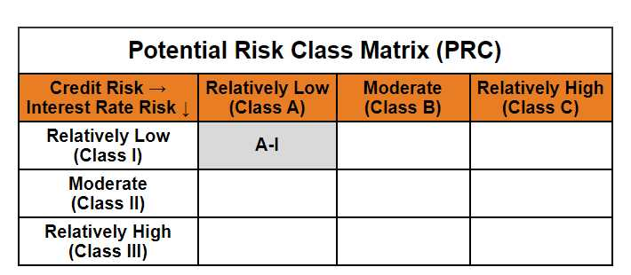
 | Mirae Asset Overnight Fund

 | (An open ended debt scheme investing in overnight securities. A relatively low interest rate risk and relatively low credit risk)

 | Mirae Asset Overnight Fund

 | Monthly Portfolio Statement as on December 31,2024
 | Name of the Instrument | ISIN | Rating | Quantity | Market/Fair Value(Rs. in Lacs) | % to Net Assets | YTM
 | Money Market Instruments
 | Treasury Bill
TBIL2311 | 364 Days Tbill (MD 23/01/2025) | IN002023Z455 | SOVEREIGN | 1,000,000 | 996.16 | 0.99% | 6.40%
TBIL2413 | 91 Days Tbill (MD 03/01/2025) | IN002024X268 | SOVEREIGN | 500,000 | 499.83 | 0.50% | 6.37%
TBIL2416 | 91 Days Tbill (MD 09/01/2025) | IN002024X276 | SOVEREIGN | 500,000 | 499.30 | 0.50% | 6.40%
TBIL2307 | 364 Days Tbill (MD 16/01/2025) | IN002023Z448 | SOVEREIGN | 500,000 | 498.69 | 0.50% | 6.40%
 | Sub Total |  |  |  | 2,493.97 | 2.48%
 | Total |  |  |  | 2,493.97 | 2.48%
 | TREPS / Reverse Repo
REP_33837 | Reverse Repo |  |  |  | 53,236.98 | 52.93% | 6.80%
TRP_010125 | TREPS |  |  |  | 44,814.65 | 44.55% | 6.66%
 | Sub Total |  |  |  | 98,051.63 | 97.48%
 | Total |  |  |  | 98,051.63 | 97.48%
 | Net Receivables / (Payables) |  |  |  | 38.82 | 0.04%
 | GRAND TOTAL |  |  |  | 100,584.42 | 100.00%

 | Modified duration | 0.00

 |  | Portfolio Information
 | Scheme Name | Mirae Asset Overnight Fund
 | Description (if any)

 | Annualised Portfolio YTM* : | 6.73%

 | Macaulay Duration | 0.00
 | Residual Maturity (Average Maturity) (in Days) | 1.34

 | As on (Date) | 31-12-2024
 | * in case of semi annual YTM, it will be annualised

