MAONF
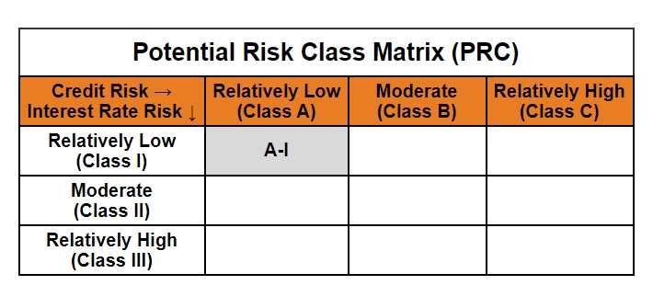
 | Mirae Asset Overnight Fund

 | (An open ended debt scheme investing in overnight securities. A relatively low interest rate risk and relatively low credit risk)

 | Mirae Asset Overnight Fund

 | Monthly Portfolio Statement as on November 30,2024
 | Name of the Instrument | ISIN | Rating | Quantity | Market/Fair Value(Rs. in Lacs) | % to Net Assets | YTM
 | Money Market Instruments
 | Treasury Bill
TBIL2293 | 364 Days Tbill (MD 12/12/2024) | IN002023Z398 | SOVEREIGN | 1,000,000 | 998.02 | 0.57% | 6.58%
 | Sub Total |  |  |  | 998.02 | 0.57%
 | Total |  |  |  | 998.02 | 0.57%
 | TREPS / Reverse Repo
TRP_021224 | TREPS |  |  |  | 120,141.74 | 68.92% | 6.66%
REP_33622 | Reverse Repo |  |  |  | 52,936.54 | 30.37% | 6.70%
 | Sub Total |  |  |  | 173,078.29 | 99.28%
 | Total |  |  |  | 173,078.29 | 99.28%
 | Net Receivables / (Payables) |  |  |  | 252.71 | 0.14%
 | GRAND TOTAL |  |  |  | 174,329.02 | 100.00%

 | Modified duration | 0.01

 |  | Portfolio Information
 | Scheme Name | Mirae Asset Overnight Fund
 | Description (if any)

 | Annualised Portfolio YTM* : | 6.67%

 | Macaulay Duration | 0.00
 | Residual Maturity (Average Maturity) (in Days) | 2.05

 | As on (Date) | 30-11-2024
 | * in case of semi annual YTM, it will be annualised

