MAONF
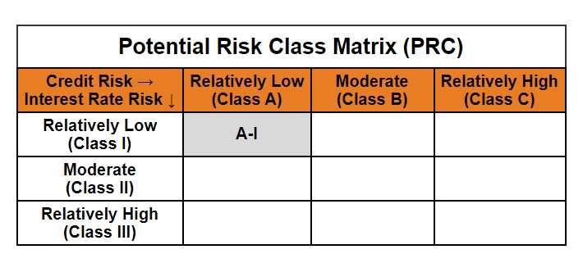
 | Mirae Asset Overnight Fund

 | (An open ended debt scheme investing in overnight securities. A relatively low interest rate risk and relatively low credit risk)

 | Mirae Asset Overnight Fund

 | Monthly Portfolio Statement as on October 31,2024
 | Name of the Instrument | ISIN | Rating | Quantity | Market/Fair Value(Rs. in Lacs) | % to Net Assets | YTM
 | Money Market Instruments
 | Treasury Bill
TBIL2392 | 91 Days Tbill (MD 07/11/2024) | IN002024X201 | SOVEREIGN | 1,000,000 | 998.94 | 1.35% | 6.46%
TBIL2282 | 364 Days Tbill (MD 21/11/2024) | IN002023Z364 | SOVEREIGN | 500,000 | 498.24 | 0.67% | 6.45%
 | Sub Total |  |  |  | 1,497.18 | 2.02%
 | Total |  |  |  | 1,497.18 | 2.02%
 | TREPS / Reverse Repo
REP_33434 | Reverse Repo |  |  |  | 53,619.36 | 72.34% | 6.35%
TRP_041124 | TREPS |  |  |  | 18,954.87 | 25.57% | 6.30%
 | Sub Total |  |  |  | 72,574.24 | 97.91%
 | Total |  |  |  | 72,574.24 | 97.91%
 | Net Receivables / (Payables) |  |  |  | 54.80 | 0.07%
 | GRAND TOTAL |  |  |  | 74,126.22 | 100.00%

 | Modified duration | 0.01

 |  | Portfolio Information
 | Scheme Name | Mirae Asset Overnight Fund
 | Description (if any)

 | Annualised Portfolio YTM* : | 6.34%

 | Macaulay Duration | 0.01
 | Residual Maturity (Average Maturity) (in Days) | 4.15

 | As on (Date) | 31-10-2024
 | * in case of semi annual YTM, it will be annualised

