MDBF
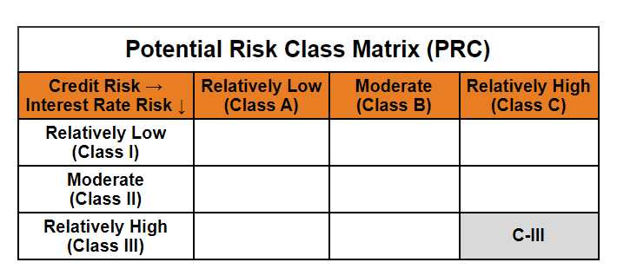
 | Mirae Asset Dynamic Bond Fund

 | (An Open-ended dynamic debt scheme investing across duration.A relatively high interest rate risk and relatively high credit risk.)

 | Mirae Asset Dynamic Bond Fund

 | Monthly Portfolio Statement as on October 31,2024
 | Name of the Instrument | ISIN | Rating | Quantity | Market/Fair Value(Rs. in Lacs) | % to Net Assets | YTM
 | Debt Instruments
 | (a) Listed / awaiting listing on Stock Exchange
GOI1841 | 7.71% Gujarat SDL (MD 01/03/2027) | IN1520160202 | SOVEREIGN | 1,400,000 | 1,423.91 | 10.30% | 7.02%
GOI1785 | 7.86% Karnataka SDL (MD 15/03/2027) | IN1920160117 | SOVEREIGN | 1,200,000 | 1,224.56 | 8.86% | 7.02%
GOI1872 | 7.52% Tamilnadu SDL (MD 24/05/2027) | IN3120170037 | SOVEREIGN | 1,000,000 | 1,013.87 | 7.33% | 7.04%
RECL318 | 7.95% REC Limited (12/03/2027) ** | INE020B08AH8 | CRISIL AAA | 1,000,000 | 1,010.73 | 7.31% | 7.41%
IRLY293 | 7.83% Indian Railway Finance Corporation Limited (19/03/2027) ** | INE053F07983 | CRISIL AAA | 1,000,000 | 1,009.53 | 7.30% | 7.40%
POWF372 | 7.6% Power Finance Corporation Limited (20/02/2027) ** | INE134E08IT9 | CRISIL AAA | 1,000,000 | 1,006.05 | 7.28% | 7.44%
EXIM577 | 7.62% Export Import Bank of India (01/09/2026) ** | INE514E08FG5 | CRISIL AAA | 1,000,000 | 1,003.62 | 7.26% | 7.38%
PGCI409 | 7.3% Power Grid Corporation of India Limited (19/06/2027) ** | INE752E07OF7 | CRISIL AAA | 1,000,000 | 999.98 | 7.23% | 7.28%
NBAR577 | 6.57% National Bank For Agriculture and Rural Development (01/06/2027) ** | INE261F08CF9 | ICRA AAA | 1,000,000 | 978.53 | 7.08% | 7.49%
SIDB519 | 7.44% Small Industries Dev Bank of India (04/09/2026) ** | INE556F08KI9 | CRISIL AAA | 925,000 | 922.52 | 6.67% | 7.58%
GOI1793 | 7.85% Rajasthan SDL (MD 15/03/2027) | IN2920160438 | SOVEREIGN | 500,000 | 510.04 | 3.69% | 7.03%
GOI1757 | 7.76% Madhya Pradesh SDL (MD 01/03/2027) | IN2120160105 | SOVEREIGN | 500,000 | 508.87 | 3.68% | 7.04%
GOI1759 | 7.74% Tamilnadu SDL (MD 01/03/2027) | IN3120161309 | SOVEREIGN | 500,000 | 508.84 | 3.68% | 7.02%
GOI1659 | 7.39% Maharashtra SDL (MD 09/11/2026) | IN2220160104 | SOVEREIGN | 500,000 | 504.77 | 3.65% | 6.99%
GOI2849 | 7.23% Tamilnadu SDL (MD 14/06/2027) | IN3120170045 | SOVEREIGN | 500,000 | 503.69 | 3.64% | 7.03%
NHPC45 | 8.85% NHPC Limited (11/02/2026) ** | INE848E07377 | ICRA AAA | 50,000 | 50.80 | 0.37% | 7.45%
 | Sub Total |  |  |  | 13,180.30 | 95.31%
 | (b) Privately placed / Unlisted |  |  |  | NIL | NIL
 | Sub Total |  |  |  | NIL | NIL
 | Total |  |  |  | 13,180.30 | 95.31%
 | Others
 | Alternative Investment Fund Units
CDMD50ME | Class A2 units of Alternative Investment Fund Units # | INF0RQ622028 |  | 539 | 56.24 | 0.41%
 | Sub Total |  |  |  | 56.24 | 0.41%
 | Total |  |  |  | 56.24 | 0.41%
 | TREPS / Reverse Repo
TRP_041124 | TREPS |  |  |  | 330.83 | 2.39% | 6.30%
 | Sub Total |  |  |  | 330.83 | 2.39%
 | (b) Privately placed / Unlisted |  |  |  | NIL | NIL
 | Sub Total |  |  |  | NIL | NIL
 | Total |  |  |  | 330.83 | 2.39%
 | Net Receivables / (Payables) |  |  |  | 261.50 | 1.89%
 | GRAND TOTAL |  |  |  | 13,828.87 | 100.00%

 | ** Thinly Traded / Non Traded Security
 | # Unlisted Security

 | Modified duration | 2.00

 |  | Portfolio Information
 | Scheme Name | Mirae Asset Dynamic Bond Fund
 | Description (if any)

 | Annualised Portfolio YTM* : | 7.18%

 | Macaulay Duration | 2.10
 | Residual Maturity (Average Maturity) (in Years) | 2.27

 | As on (Date) | 31-10-2024
 | * in case of semi annual YTM, it will be annualised

