MAONF
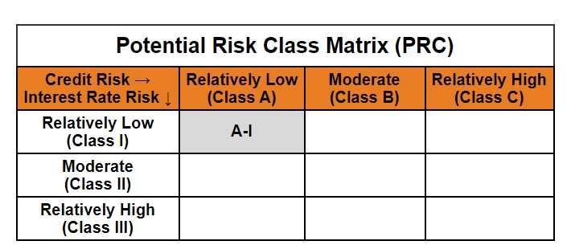
 | Mirae Asset Overnight Fund

 | (An open ended debt scheme investing in overnight securities. A relatively low interest rate risk and relatively low credit risk)

 | Mirae Asset Overnight Fund

 | Monthly Portfolio Statement as on September 30,2024
 | Name of the Instrument | ISIN | Rating | Quantity | Market/Fair Value(Rs. in Lacs) | % to Net Assets | YTM
 | Money Market Instruments
 | Certificate of Deposit
PUBA1038 | Punjab National Bank (01/10/2024) # | INE160A16PI3 | CRISIL A1+ | 5,000,000 | 5000.00 | 7.86% | 6.97%
 | Sub Total |  |  |  | 5000.00 | 7.86%
 | Treasury Bill
TBIL2381 | 182 Days Tbill (MD 18/10/2024) | IN002024Y035 | SOVEREIGN | 1,000,000 | 997.05 | 1.57% | 6.35%
TBIL2264 | 364 Days Tbill (MD 03/10/2024) | IN002023Z299 | SOVEREIGN | 500,000 | 499.83 | 0.79% | 6.35%
TBIL2266 | 364 Days Tbill (MD 10/10/2024) | IN002023Z307 | SOVEREIGN | 500,000 | 499.21 | 0.78% | 6.39%
 | Sub Total |  |  |  | 1996.09 | 3.14%
 | Total |  |  |  | 6996.09 | 11.00%
 | TREPS / Reverse Repo
TRP_011024 | TREPS |  |  |  | 28604.98 | 44.96% | 6.59%
REP_33216 | Reverse Repo |  |  |  | 27944.17 | 43.93%
 | Sub Total |  |  |  | 56549.14 | 88.89%
 | Total |  |  |  | 56549.14 | 88.89%
 | Net Receivables / (Payables) |  |  |  | 70.89 | 0.11%
 | GRAND TOTAL |  |  |  | 63616.13 | 100.00%

 | # Unlisted Security

 | Modified duration | 0.00

 |  | Portfolio Information
 | Scheme Name | Mirae Asset Overnight Fund
 | Description (if any)

 | Annualised Portfolio YTM* : | 6.67%

 | Macaulay Duration | 0.00
 | Residual Maturity (Average Maturity) (in Days) | 1.35

 | As on (Date) | 30-09-2024
 | * in case of semi annual YTM, it will be annualised

