MDBF
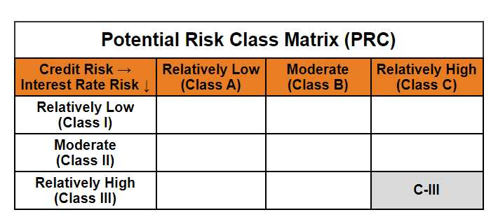
 | Mirae Asset Dynamic Bond Fund

 | (An Open-ended dynamic debt scheme investing across duration.A relatively high interest rate risk and relatively high credit risk.)

 | Mirae Asset Dynamic Bond Fund

 | Monthly Portfolio Statement as on September 30,2024
 | Name of the Instrument | ISIN | Rating | Quantity | Market/Fair Value(Rs. in Lacs) | % to Net Assets | YTM
 | Debt Instruments
 | (a) Listed / awaiting listing on Stock Exchange
GOI1841 | 7.71% Gujarat SDL (MD 01/03/2027) | IN1520160202 | SOVEREIGN | 1,400,000 | 1424.10 | 10.32% | 7.04%
GOI1785 | 7.86% Karnataka SDL (MD 15/03/2027) | IN1920160117 | SOVEREIGN | 1,200,000 | 1224.96 | 8.88% | 7.04%
GOI1872 | 7.52% Tamilnadu SDL (MD 24/05/2027) | IN3120170037 | SOVEREIGN | 1,000,000 | 1014.03 | 7.35% | 7.05%
IRLY293 | 7.83% Indian Railway Finance Corporation Limited (19/03/2027) ** | INE053F07983 | CRISIL AAA | 1,000,000 | 1010.93 | 7.33% | 7.35%
RECL318 | 7.95% REC Limited (12/03/2027) | INE020B08AH8 | CRISIL AAA | 1,000,000 | 1009.55 | 7.32% | 7.48%
POWF372 | 7.6% Power Finance Corporation Limited (20/02/2027) ** | INE134E08IT9 | CRISIL AAA | 1,000,000 | 1006.41 | 7.29% | 7.43%
EXIM577 | 7.62% Export Import Bank of India (01/09/2026) ** | INE514E08FG5 | CRISIL AAA | 1,000,000 | 1004.14 | 7.28% | 7.37%
PGCI409 | 7.3% Power Grid Corporation of India Limited (19/06/2027) ** | INE752E07OF7 | CRISIL AAA | 1,000,000 | 1001.28 | 7.26% | 7.23%
NBAR577 | 6.57% National Bank For Agriculture and Rural Development (01/06/2027) ** | INE261F08CF9 | ICRA AAA | 1,000,000 | 977.96 | 7.09% | 7.49%
SIDB519 | 7.44% Small Industries Dev Bank of India (04/09/2026) | INE556F08KI9 | CRISIL AAA | 925,000 | 921.63 | 6.68% | 7.64%
GOI1793 | 7.85% Rajasthan SDL (MD 15/03/2027) | IN2920160438 | SOVEREIGN | 500,000 | 510.02 | 3.70% | 7.07%
GOI1757 | 7.76% Madhya Pradesh SDL (MD 01/03/2027) | IN2120160105 | SOVEREIGN | 500,000 | 509.08 | 3.69% | 7.05%
GOI1759 | 7.74% Tamilnadu SDL (MD 01/03/2027) | IN3120161309 | SOVEREIGN | 500,000 | 508.91 | 3.69% | 7.04%
GOI1659 | 7.39% Maharashtra SDL (MD 09/11/2026) | IN2220160104 | SOVEREIGN | 500,000 | 504.65 | 3.66% | 7.02%
GOI2849 | 7.23% Tamilnadu SDL (MD 14/06/2027) | IN3120170045 | SOVEREIGN | 500,000 | 503.68 | 3.65% | 7.04%
NHPC45 | 8.85% NHPC Limited (11/02/2026) ** | INE848E07377 | ICRA AAA | 50,000 | 50.78 | 0.37% | 7.55%
 | Sub Total |  |  |  | 13182.11 | 95.52%
 | (b) Privately placed / Unlisted |  |  |  | NIL | NIL
 | Sub Total |  |  |  | NIL | NIL
 | Total |  |  |  | 13182.11 | 95.52%
 | Others
 | Alternative Investment Fund Units
CDMD50ME | Class A2 units of Alternative Investment Fund Units # | INF0RQ622028 |  | 539 | 56.08 | 0.41%
 | Sub Total |  |  |  | 56.08 | 0.41%
 | Total |  |  |  | 56.08 | 0.41%
 | TREPS / Reverse Repo
TRP_011024 | TREPS |  |  |  | 309.65 | 2.24% | 6.59%
 | Sub Total |  |  |  | 309.65 | 2.24%
 | (b) Privately placed / Unlisted |  |  |  | NIL | NIL
 | Sub Total |  |  |  | NIL | NIL
 | Total |  |  |  | 309.65 | 2.24%
 | Net Receivables / (Payables) |  |  |  | 253.00 | 1.83%
 | GRAND TOTAL |  |  |  | 13800.84 | 100.00%

 | ** Thinly Traded / Non Traded Security
 | # Unlisted Security

 | Modified duration | 2.07

 |  | Portfolio Information
 | Scheme Name | Mirae Asset Dynamic Bond Fund
 | Description (if any)

 | Annualised Portfolio YTM* : | 7.20%

 | Macaulay Duration | 2.17
 | Residual Maturity (Average Maturity) (in Years) | 2.36

 | As on (Date) | 30-09-2024
 | * in case of semi annual YTM, it will be annualised

