MACIF
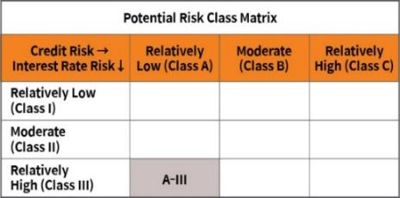
Home | Mirae Asset Crisil IBX Gilt Index - April 2033 Index Fund

 | An open-ended target maturity Index Fund investing in the constituents of CRISIL IBX Gilt Index – April 2033. A scheme with relatively high interest rate risk and relatively low credit risk

 | Mirae Asset CRISIL IBX Gilt Index - April 2033 Index Fund

 | Monthly Portfolio Statement as on August 31,2024
 | Name of the Instrument | ISIN | Rating | Quantity | Market/Fair Value(Rs. in Lacs) | % to Net Assets | YTM
 | Debt Instruments
 | (a) Listed / awaiting listing on Stock Exchange
GOI4976 | 7.26% Government of India (06/02/2033) | IN0020220151 | SOVEREIGN | 11,550,000 | 11813.32 | 48.26% | 7.02%
GOI4584 | 7.26% Government of India (22/08/2032) | IN0020220060 | SOVEREIGN | 7,300,000 | 7466.78 | 30.50% | 7.00%
GOI264 | 7.95% Government of India (28/08/2032) | IN0020020106 | SOVEREIGN | 2,800,000 | 2979.93 | 12.17% | 7.01%
GOI579 | 8.32% Government of India (02/08/2032) | IN0020070044 | SOVEREIGN | 1,700,000 | 1845.30 | 7.54% | 7.02%
 | Sub Total |  |  |  | 24105.32 | 98.48%
 | (b) Privately placed / Unlisted |  |  |  | NIL | NIL
 | Sub Total |  |  |  | NIL | NIL
 | Total |  |  |  | 24105.32 | 98.48%
 | TREPS / Reverse Repo
TRP_020924 | TREPS |  |  |  | 274.01 | 1.12% | 6.55%
 | Sub Total |  |  |  | 274.01 | 1.12%
 | (b) Privately placed / Unlisted |  |  |  | NIL | NIL
 | Sub Total |  |  |  | NIL | NIL
 | Total |  |  |  | 274.01 | 1.12%
 | Net Receivables / (Payables) |  |  |  | 98.20 | 0.40%
 | GRAND TOTAL |  |  |  | 24477.54 | 100.00%

 | Modified duration | 6.02

 |  | Portfolio Information
 | Scheme Name : | Mirae Asset CRISIL IBX Gilt Index - April 2033 Index Fund
 | Description (if any)

 | Annualised Portfolio YTM* : | 7.01%

 | Macaulay Duration | 6.22
 | Residual Maturity (Average Maturity) (in years) | 8.11

 | As on (Date) | 2024-08-31
 | * in case of semi annual YTM, it will be annualised

