ABAFC
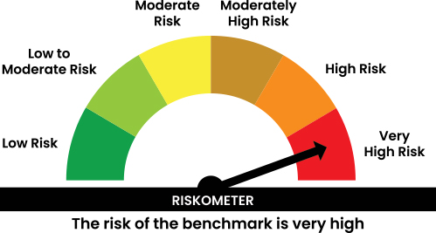
 | Abakkus Flexi Cap Fund

 | Monthly Portfolio Statement as on December 31, 2025
 | Name of the Instrument | ISIN | Industry | Quantity | Market/Fair Value (Rs. in Lakhs) | % to Net Assets | YTM | YTC | null
 | Equity & Equity related
 | (a) Listed / awaiting listing on Stock Exchanges
HDFB03 | HDFC Bank Limited | INE040A01034 | Banks | 700,000 | 6,938.40 | 2.78%
IBCL05 | ICICI Bank Limited | INE090A01021 | Banks | 450,000 | 6,043.05 | 2.42%
SBAI02 | State Bank of India | INE062A01020 | Banks | 427,999 | 4,203.81 | 1.69%
MCSP02 | United Spirits Limited | INE854D01024 | Beverages | 275,000 | 3,970.18 | 1.59%
LARS02 | Larsen & Toubro Limited | INE018A01030 | Construction | 90,000 | 3,675.15 | 1.47%
FEBA02 | The Federal Bank Limited | INE171A01029 | Banks | 1,370,000 | 3,659.27 | 1.47%
SESA02 | Vedanta Limited | INE205A01025 | Diversified Metals | 600,000 | 3,626.40 | 1.45%
IFEL01 | Oracle Financial Services Software Limited | INE881D01027 | IT - Software | 45,000 | 3,459.15 | 1.39%
UCTI01 | Urban Company Ltd. | INE0CAZ01013 | Retailing | 1,796,783 | 2,399.60 | 0.96%
NTPC01 | NTPC Limited | INE733E01010 | Power | 700,000 | 2,306.85 | 0.93%
EPOL01 | Emmvee Photovoltaic Power Limited | INE1C6T01020 | Electrical Equipment | 1,120,428 | 2,155.14 | 0.86%
INOI01 | Inox India Limited | INE616N01034 | Industrial Products | 160,752 | 1,823.09 | 0.73%
TISC03 | Tata Steel Limited | INE081A01020 | Ferrous Metals | 1,000,000 | 1,800.80 | 0.72%
HEFO02 | Heritage Foods Limited | INE978A01027 | Food Products | 217,609 | 1,001.65 | 0.40%
DEFE01 | Deepak Fertilizers and Petrochemicals Corporation Limited | INE501A01019 | Chemicals & Petrochemicals | 57,863 | 744.75 | 0.30%
SULS01 | Supriya Lifescience Limited | INE07RO01027 | Pharmaceuticals & Biotechnology | 25,127 | 188.83 | 0.08%
 | Sub Total |  |  |  | 47,996.12 | 19.24%
 | (b) Unlisted |  |  |  | NIL | NIL
 | Sub Total |  |  |  | NIL | NIL
 | Total |  |  |  | 47,996.12 | 19.24%
 | Reverse Repo / TREPS
TRP_010126 | Clearing Corporation of India Ltd |  |  |  | 199,858.80 | 80.17% | 5.37%
 | Sub Total |  |  |  | 199,858.80 | 80.17%
 | Total |  |  |  | 199,858.80 | 80.17%
 | Net Receivables / (Payables) |  |  |  | 1,441.72 | 0.59%
 | GRAND TOTAL |  |  |  | 249,296.64 | 100.00%

 | The primary investment objective of the scheme is to generate capital appreciation & provide long-term growth opportunities through equity and equity related instruments by investing in a diversified portfolio of large cap, mid cap and small cap securities and the secondary objective is to generate consistent returns by investing in debt and money market securities. “There is no assurance that the investment objective of the Scheme will be achieved.

 | In line with 5.16 of SEBI Master Circular dated June 27, 2024" the name of the scheme's benchmark index and its riskometer is also provided below for information

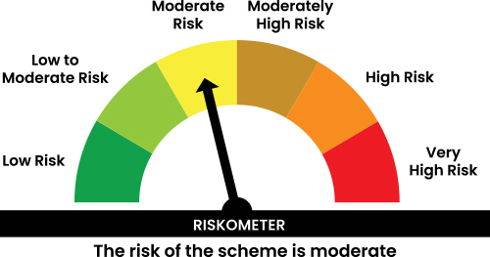

 | In line with SEBI Circular dated August 31, 2021, the name of the scheme's benchmark index and its riskometer is also provided below for information
 | Benchmark name -BSE 500 Index (TRI)
 | Benchmark Risko-meter

ABALI
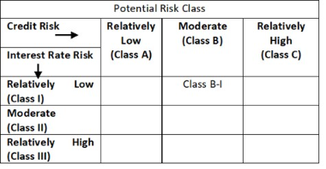
 | Abakkus Liquid Fund

 | Monthly Portfolio Statement as on December 31, 2025
 | Name of the Instrument | ISIN | Rating | Quantity | Market/Fair Value (Rs. in Lakhs) | % to Net Assets | YTM~ | YTC^ | null
 | Money Market Instruments
 | Treasury Bill
TBIL2548 | 182 Days Tbill (MD 12/02/2026) | IN002025Y206 | Sovereign | 1,000,000 | 993.94 | 15.02% | 5.30%
TBIL2599 | 91 Days Tbill (MD 12/03/2026) | IN002025X372 | Sovereign | 500,000 | 495.07 | 7.48% | 5.19%
TBIL2559 | 182 Days Tbill (MD 12/03/2026) | IN002025Y248 | Sovereign | 500,000 | 495.07 | 7.48% | 5.19%
TBIL2554 | 182 Days Tbill (MD 27/02/2026) | IN002025Y222 | Sovereign | 438,000 | 434.48 | 6.56% | 5.19%
 | Sub Total |  |  |  | 2,418.56 | 36.54%
 | Total |  |  |  | 2,418.56 | 36.54%
 | Reverse Repo / TREPS
TRP_010126 | Clearing Corporation of India Ltd |  |  |  | 4,141.20 | 62.57% | 5.37%
 | Sub Total |  |  |  | 4,141.20 | 62.57%
 | Total |  |  |  | 4,141.20 | 62.57%
 | Net Receivables / (Payables) |  |  |  | 58.78 | 0.89%
 | GRAND TOTAL |  |  |  | 6,618.54 | 100.00%

 | Footnote
 | YTM~ | ~ YTM as on December 31, 2025
 | YTC^ | ^ It is disclosed for Perpetual Bond issued by Banks (i.e. AT-1 Bond / Tier 1 Bond / Tier 2 Bond), as per AMFI Best Practices Guidelines Circular no. 91/2020-21 dated March 24, 2021 on Valuation of AT-1 Bonds and Tier 2 Bonds. As per SEBI Circular SEBI/HO/IMD/PoD1/CIR/P/2024/106 dated August 05, 2024, valuation of AT-1 Bonds are done on Yield to Call basis w.e.f. August 07, 2024. YTC of AT-1 Bonds are now same as it’s YTM% and hence it is not disclosed separately under YTC%.

 | The Investment Objective of the scheme is to generate optimal returns consistent with moderate levels of risk and high liquidity by investing in debt and money market instruments. “There is no assurance that the investment objective of the Scheme will be achieved.

 | In line with 5.16 of SEBI Master Circular dated June 27, 2024" the name of the scheme's benchmark index and its riskometer is also provided below for information

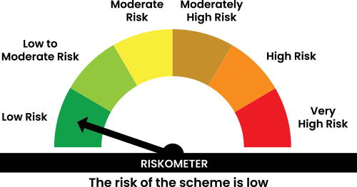

 | Benchmark name - CRISIL Liquid Debt A-I TRI
 | Benchmark Risko-meter

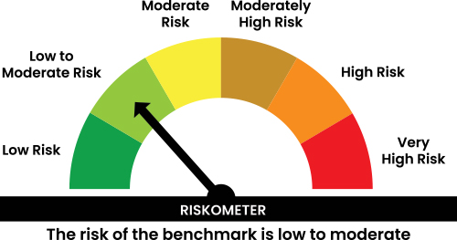

 | In line with 17.5 of SEBI Master Circular dated June 27, 2024 Potential Risk Class (PRC) matrix for the scheme is provided below for information

