HOF
Helios Mutual Fund
SCHEME NAME : | Helios Overnight Fund (An open ended debt scheme investing in overnight securities. Relatively low interest rate risk and relatively low credit risk.)
PORTFOLIO STATEMENT AS ON : | 2024-05-31

Name of the Instrument / Issuer | ISIN | Rating / Industry^ | Quantity | Market value (Rs. in Lakhs) | % to AUM | YTM % | YTC % ##

OTHERS
TREPS / Reverse Repo Investments
TREPS |  |  |  | 10,343.22 | 99.56 | 6.67
 |  |  |  | 10,343.22 | 99.56

Other Current Assets / (Liabilities)
Net Receivable / Payable |  |  |  | 45.28 | 0.44
Total |  |  |  | 45.28 | 0.44

GRAND TOTAL (AUM) |  |  |  | 10,388.50 | 100.00

Notes & Symbols :-
# -> Less Than 0.005% ; A** -> Awaiting Listing on Stock Exchanges ; T** -> Thinly Traded Securities ; N** -> Non Traded Securities ; I** -> Illiquid Shares ; R** -> Rights Entitlement ; P** Preference Shares ; W** Warrants ; B** -> Below Investment Grade Security ; PP* -> Partly Paid;S** --> Suspended forTrading
^ -> Industry classification as recommended by AMFI and wherever not available, internal classification has been used.
## YTC represents Yield to Call. It is disclosed for Perpetual Bond issued by Banks (i.e. AT-1 Bond / Tier 1 Bond / Tier 2 Bond), as per AMFI Best Practices Guidelines Circular no. 91/2020-21 dated March 24, 2021 on Valuation of AT-1 Bonds and Tier 2 Bonds.

NAV Histrory:
Option / Plan | NAV Rs. per unit as on April 30, 2024 | NAV Rs. per unit as on May 31, 2024
Helios Overnight Fund - Regular Plan - Daily IDCW Option | 1000.0000 | 1000.0000
Helios Overnight Fund - Regular Plan - Growth Option | 1034.8745 | 1040.5052
Helios Overnight Fund - Direct Plan - Daily IDCW Option | 1000.1232 | 1000.1265
Helios Overnight Fund - Direct Plan - Growth Option | 1035.1425 | 1040.8188

Dividend History:Total dividends declared during the month ended May 31, 2024 under the Income Distribution cum Capital Withdrawal (IDCW) Options of the Scheme are as follows:
Option / Plan | Rate of dividend per Unit
 | Individuals & HUF | Others
Helios Overnight Fund - Regular Plan - Daily IDCW Option | 5.4258 | 5.4258
Helios Overnight Fund - Direct Plan - Daily IDCW Option | 5.4663 | 5.4663

Annualised Portfolio YTM | 6.6716
Macaulay Duration | 3 day
Residual Maturity / Average Maturity Period for debt portion of the Portfolio | 3 day

Total number of instances of deviation in valuation of securities of the scheme from the valuation price given by the valuation agencies during the period are: Nil
No bonus was declared during the Month ended May 31, 2024.
Investment in Repo in Corporate Debt Securities during the Month ended May 31, 2024 is Nil.
Debt instruments having structured obligations or credit enhancement features (if any) have been denoted with suffix as (SO) or (CE) respectively against the ratings of the instrument
Investment in Partly paid Bonds / NCD’s : Nil
Securities below investment grade or in default beyond its maturity date is Nil.
The total exposure in derivative instruments during the period / outstanding as on May 31, 2024 is Nil.
The total market value of investments in foreign securities / American Depositary Receipts / Global Depositary Receipts as on May 31, 2024 is Nil.
Market Value includes accrued interest
Investments in Credit Default Swap (CDS) during the period/as on May 31, 2024: Nil
Funds parked in short term deposit(s) during the period / as on May 31, 2024: Nil
Value of term deposits placed as margin for trading in cash or derivatives market: Nil

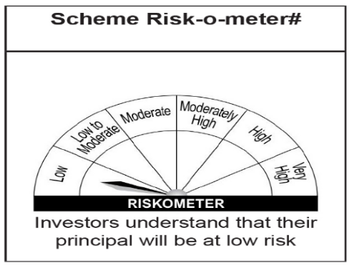
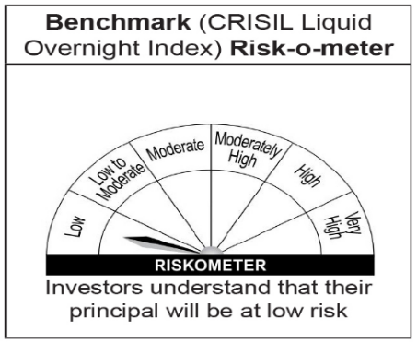
Helios Overnight Fund
This product is suitable for investors who are seeking*:

• Income over short term and high liquidity
• Investment in debt & money market instruments with overnight maturity

*Investors should consult their financial advisers if in doubt about whether the product is suitable for them.

Please note that the above risk-o-meter is as per the product labelling of the scheme available as on the date of this communication/ disclosure. As Para 17.4 of SEBI Master Circular dated May 19, 2023 on product labelling (as amended from time to time), risk-o-meter will be calculated on a monthly basis based on the risk value of the scheme portfolio based on the methodology specified by SEBI in the above stated circular. The AMC shall disclose the risk-o-meter along with portfolio disclosure for all their schemes on their respective website and on AMFI website within 10 days from the close of each month. Any change in risk-o-meter shall be communicated by way of Notice cum Addendum and by way of an e-mail or SMS to unitholders of that particular scheme.

