OBFCE
OBFCE | Old Bridge Mutual Fund
 | Monthly Portfolio Statement as on May 31, 2026
 | Old Bridge Focused Fund

 | Name of the Instrument | ISIN | Industry* | Quantity | Market/Fair Value (Rs. in Lakhs) | % to Net Assets | YTM
 | Equity & Equity related
 | (a) Listed / awaiting listing on Stock Exchanges
SHTR02 | Shriram Finance Limited | INE721A01047 | Finance | 2,281,200 | 21,606.39 | 6.52
AUPH03 | Aurobindo Pharma Limited | INE406A01037 | Pharmaceuticals & Biotechnology | 1,418,029 | 20,226.77 | 6.10
MAUD01 | Maruti Suzuki India Limited | INE585B01010 | Automobiles | 133,613 | 17,539.38 | 5.29
BTVL02 | Bharti Airtel Limited | INE397D01024 | Telecom - Services | 905,000 | 16,552.45 | 4.99
REIN02 | Redington Limited | INE891D01026 | Commercial Services & Supplies | 6,023,000 | 13,511.40 | 4.08
HZIN02 | Hindustan Zinc Limited | INE267A01025 | Non - Ferrous Metals | 2,131,000 | 13,488.16 | 4.07
RAFO02 | Ramkrishna Forgings Limited | INE399G01023 | Auto Components | 2,373,000 | 13,440.67 | 4.05
INAV01 | InterGlobe Aviation Limited | INE646L01027 | Transport Services | 303,143 | 13,353.45 | 4.03
UTIB02 | Axis Bank Limited | INE238A01034 | Banks | 1,025,000 | 13,187.65 | 3.98
TELC03 | Tata Motors Passenger Vehicles Limited | INE155A01022 | Automobiles | 3,270,000 | 12,880.53 | 3.89
SECH03 | UPL Limited | INE628A01036 | Fertilizers & Agrochemicals | 1,988,775 | 12,823.62 | 3.87
GRAN02 | Granules India Limited | INE101D01020 | Pharmaceuticals & Biotechnology | 1,650,500 | 12,772.39 | 3.85
PREP01 | Prestige Estates Projects Limited | INE811K01011 | Realty | 925,842 | 12,676.63 | 3.82
GLLS01 | Alivus Life Sciences Limited | INE03Q201024 | Pharmaceuticals & Biotechnology | 1,162,000 | 12,264.91 | 3.70
TISC03 | Tata Steel Limited | INE081A01020 | Ferrous Metals | 5,861,000 | 12,192.05 | 3.68
RAKH02 | Radico Khaitan Limited | INE944F01028 | Beverages | 341,500 | 12,016.02 | 3.62
HINI02 | Hindalco Industries Limited | INE038A01020 | Non - Ferrous Metals | 990,981 | 11,165.38 | 3.37
IEEL02 | Indian Energy Exchange Limited | INE022Q01020 | Capital Markets | 8,093,600 | 10,384.90 | 3.13
KAVS02 | Kaveri Seed Company Limited | INE455I01029 | Agricultural Food & other Products | 1,138,500 | 9,866.24 | 2.98
GREA03 | The Great Eastern Shipping Company Limited | INE017A01032 | Transport Services | 576,617 | 8,181.62 | 2.47
ACEQ02 | Action Construction Equipment Limited | INE731H01025 | Agricultural, Commercial & Construction Vehicles | 808,000 | 7,150.40 | 2.16
BARB01 | United Foodbrands Limited | INE382M01027 | Leisure Services | 1,380,000 | 6,806.16 | 2.05
MEAH02 | Medi Assist Healthcare Services Limited | INE456Z01021 | Insurance | 1,703,565 | 6,279.34 | 1.89
ANTO01 | Antony Waste Handling Cell Limited | INE01BK01022 | Other Utilities | 662,555 | 3,099.76 | 0.94
 | Sub Total |  |  |  | 293,466.27 | 88.53
 | (b) Unlisted |  |  |  | Nil | Nil | Nil
 | Sub Total |  |  |  | Nil | Nil | Nil
 | Total |  |  |  | 293,466.27 | 88.53
 | Money Market Instruments
 | TREPS / Reverse Repo
TRP_010626 | Triparty Repo |  |  |  | 35,000.00 | 10.56 | 5.49%
 | Sub Total |  |  |  | 35,000.00 | 10.56
 | Total |  |  |  | 35,000.00 | 10.56
 | Net Receivables / (Payables) |  |  |  | 3,016.77 | 0.91
 | GRAND TOTAL |  |  |  | 331,483.04 | 100.00

 | YTM - Yield To Maturity
 | * Industry Classification is as recommended by AMFI

 | Notes :
 | (1) The provision made for securities classified as below investment grade or default as of May 31, 2026 is Rs.Nil and its percentage to Net Asset Value is Nil.
 | (2) Details of security in default beyond it's maturity date: Nil
 | (3) Plan/ Option wise per unit net asset value are as follows:
 | Plan/ Option | NAV Rs. per unit as on April 30 2026 | NAV Rs. per unit as on May 31 2026
 | Regular IDCW | 12.41 | 12.62
 | Regular Growth | 12.41 | 12.62
 | Direct IDCW | 12.70 | 12.93
 | Direct Growth | 12.70 | 12.93
 | (4) Portfolio turnover ratio: 0.19
 | (5) Total Value and percentage of illiquid equity shares: Nil
 | (6) Total outstanding exposure in derivative instruments as on May 31, 2026: Nil
 | (7) Total investments in Foreign Securities / Overseas ETFs as on May 31, 2026 and its percentage to NAV : Nil
 | (8) Investment in Repo of Corporate Debt securities : Nil
 | (9) The Scheme did not declare any Income Distribution cum Capital Withdrawal during the month ended May 31, 2026.
 | (10) The Scheme did not declare any bonus during the month ended May 31, 2026.
 | (11) Investment in Fixed Deposits - NIL
 | (12) The Face Value per unit is Rs.10
 | (13) IDCW stands for Income Distribution cum Capital Withdrawal

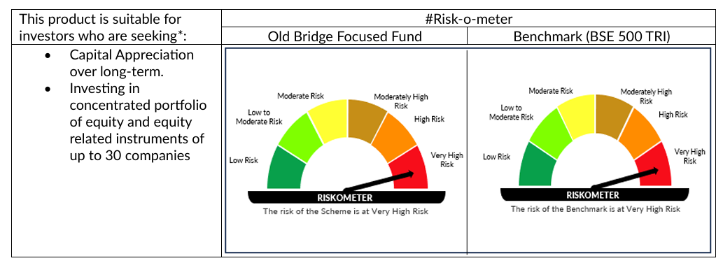

 | # For latest riskometer, investors may refer to the Monthly Portfolios disclosed on the website of the Fund viz. www.oldbridgemf.com
 | *Investors should consult their financial advisers if in doubt about whether the product is suitable for them

