LIQUID
 | DSP Liquidity Fund
 | Portfolio as on January 31, 2023

Sr. No. | Name of Instrument | ISIN | Rating/Industry | Quantity | Market value (Rs. In lakhs) | % to Net Assets | Maturity Date | Put/Call Option | YTM (%)

 | DEBT INSTRUMENTS
 | BOND & NCD's
 | Listed / awaiting listing on the stock exchanges |  |  |  |  |  |  |  |  | Sector/Rating | Percent
1 | NTPC Limited** | INE733E08148 | CRISIL AAA | 3,500 | 36,745.33 | 3.04% | 17-Apr-2023 |  | 7.33 | CRISIL A1+ | 51.61%
2 | National Housing Bank** | INE557F08FI7 | CRISIL AAA | 1,800 | 18,901.93 | 1.56% | 17-Apr-2023 |  | 7.30 | SOV | 20.80%
3 | Housing Development Finance Corporation Limited** | INE001A07SH4 | CRISIL AAA | 500 | 5,337.33 | 0.44% | 13-Feb-2023 |  | 6.93 | IND A1+ | 6.93%
 | Total |  |  |  | 60,984.59 | 5.04% |  |  |  | ICRA A1+ | 5.14%
 |  |  |  |  |  |  |  |  |  | CRISIL AAA | 5.04%
 | MONEY MARKET INSTRUMENTS |  |  |  |  |  |  |  |  | Cash & Equivalent | 10.48%
 | Certificate of Deposit
4 | Canara Bank** | INE476A16TX4 | CRISIL A1+ | 9,000 | 44,465.00 | 3.67% | 03-Apr-2023 |  | 7.20
5 | Indian Bank** | INE562A16LJ7 | CRISIL A1+ | 8,000 | 39,509.00 | 3.26% | 05-Apr-2023 |  | 7.20
6 | Union Bank of India** | INE692A16FO4 | ICRA A1+ | 6,000 | 29,850.63 | 2.47% | 28-Feb-2023 |  | 6.77
7 | State Bank of India** | INE062A16473 | IND A1+ | 6,000 | 29,647.47 | 2.45% | 03-Apr-2023 |  | 7.11
8 | Axis Bank Limited** | INE238A161Z3 | CRISIL A1+ | 5,000 | 24,843.72 | 2.05% | 07-Mar-2023 |  | 6.75
9 | Bank of Maharashtra** | INE457A16IL2 | CRISIL A1+ | 5,000 | 24,835.22 | 2.05% | 08-Mar-2023 |  | 6.92
10 | National Bank for Agriculture and Rural Development | INE261F16637 | CRISIL A1+ | 4,500 | 22,470.77 | 1.86% | 08-Feb-2023 |  | 6.78
11 | Punjab National Bank** | INE160A16MX9 | CRISIL A1+ | 4,000 | 19,899.52 | 1.64% | 28-Feb-2023 |  | 6.83
12 | HDFC Bank Limited** | INE040A16DR4 | IND A1+ | 4,000 | 19,762.38 | 1.63% | 03-Apr-2023 |  | 7.19
13 | Canara Bank** | INE476A16UP8 | CRISIL A1+ | 4,000 | 19,754.50 | 1.63% | 05-Apr-2023 |  | 7.20
14 | Bank of Baroda | INE028A16CV3 | IND A1+ | 4,000 | 19,738.18 | 1.63% | 10-Apr-2023 |  | 7.12
15 | HDFC Bank Limited | INE040A16DG7 | IND A1+ | 3,000 | 14,792.97 | 1.22% | 13-Apr-2023 |  | 7.20
16 | IDFC First Bank Limited** | INE092T16TF6 | CRISIL A1+ | 2,000 | 9,990.59 | 0.83% | 06-Feb-2023 |  | 6.88
17 | Indian Bank** | INE562A16LG3 | CRISIL A1+ | 2,000 | 9,938.93 | 0.82% | 06-Mar-2023 |  | 6.80
18 | IDFC First Bank Limited** | INE092T16TY7 | CRISIL A1+ | 2,000 | 9,849.53 | 0.81% | 17-Apr-2023 |  | 7.44
19 | Canara Bank** | INE476A16UG7 | CRISIL A1+ | 1,500 | 7,487.50 | 0.62% | 10-Feb-2023 |  | 6.77
20 | National Bank for Agriculture and Rural Development** | INE261F16645 | CRISIL A1+ | 1,000 | 4,987.94 | 0.41% | 14-Feb-2023 |  | 6.79
21 | Canara Bank** | INE476A16SX6 | CRISIL A1+ | 1,000 | 4,962.10 | 0.41% | 14-Mar-2023 |  | 6.80
22 | National Bank for Agriculture and Rural Development** | INE261F16652 | CRISIL A1+ | 500 | 2,493.04 | 0.21% | 16-Feb-2023 |  | 6.79
23 | Canara Bank** | INE476A16TM7 | CRISIL A1+ | 500 | 2,489.38 | 0.21% | 24-Feb-2023 |  | 6.77
24 | Canara Bank | INE476A16TR6 | CRISIL A1+ | 500 | 2,482.89 | 0.21% | 10-Mar-2023 |  | 6.80
 | Total |  |  |  | 364,251.26 | 30.09%

 | Commercial Papers
 | Listed / awaiting listing on the stock exchanges
25 | National Bank for Agriculture and Rural Development** | INE261F14JI6 | CRISIL A1+ | 10,000 | 49,402.65 | 4.08% | 03-Apr-2023 |  | 7.24
26 | Small Industries Development Bank of India** | INE556F14IP6 | CRISIL A1+ | 10,000 | 49,402.65 | 4.08% | 03-Apr-2023 |  | 7.24
27 | Reliance Retail Ventures Limited** | INE929O14891 | CRISIL A1+ | 5,000 | 24,874.53 | 2.05% | 28-Feb-2023 |  | 6.82
28 | Reliance Jio Infocomm Limited** | INE110L14RO4 | CRISIL A1+ | 4,500 | 22,301.12 | 1.84% | 20-Mar-2023 |  | 6.93
29 | Birla Group Holdings Private Limited** | INE09OL14BY9 | CRISIL A1+ | 4,000 | 19,829.56 | 1.64% | 15-Mar-2023 |  | 7.47
30 | Godrej & Boyce Manufacturing Company Limited** | INE982D14AL5 | CRISIL A1+ | 4,000 | 19,796.02 | 1.64% | 27-Mar-2023 |  | 6.97
31 | ICICI Securities Primary Dealership Ltd** | INE849D14HA4 | CRISIL A1+ | 4,000 | 19,713.94 | 1.63% | 13-Apr-2023 |  | 7.46
32 | Cholamandalam Investment and Finance Company Limited** | INE121A14UR1 | CRISIL A1+ | 4,000 | 19,663.18 | 1.62% | 24-Apr-2023 |  | 7.62
33 | Reliance Retail Ventures Limited** | INE929O14883 | CRISIL A1+ | 3,000 | 14,960.86 | 1.24% | 15-Feb-2023 |  | 6.82
34 | National Bank for Agriculture and Rural Development** | INE261F14JG0 | CRISIL A1+ | 2,500 | 12,439.83 | 1.03% | 27-Feb-2023 |  | 6.79
35 | Cholamandalam Investment and Finance Company Limited** | INE121A14UE9 | CRISIL A1+ | 2,000 | 9,996.17 | 0.83% | 03-Feb-2023 |  | 6.99
36 | Nuvoco Vistas Corporation Limited** | INE118D14688 | CRISIL A1+ | 2,000 | 9,982.15 | 0.82% | 10-Feb-2023 |  | 7.25
37 | Axis Securities Limited** | INE110O14864 | ICRA A1+ | 2,000 | 9,955.37 | 0.82% | 24-Feb-2023 |  | 7.12
38 | Axis Securities Limited** | INE110O14872 | ICRA A1+ | 2,000 | 9,935.11 | 0.82% | 06-Mar-2023 |  | 7.22
39 | Redington Limited** | INE891D14WS7 | CRISIL A1+ | 2,000 | 9,922.15 | 0.82% | 14-Mar-2023 |  | 6.98
40 | Bajaj Financial Securities Limited** | INE01C314346 | CRISIL A1+ | 2,000 | 9,855.08 | 0.81% | 13-Apr-2023 |  | 7.56
41 | HDFC Securities Limited** | INE700G14EG6 | CRISIL A1+ | 2,000 | 9,841.59 | 0.81% | 19-Apr-2023 |  | 7.63
42 | Tata Capital Limited** | INE976I14NM7 | CRISIL A1+ | 2,000 | 9,840.29 | 0.81% | 20-Apr-2023 |  | 7.60
43 | Deutsche Investments India Private Limited** | INE144H14FK4 | CRISIL A1+ | 2,000 | 9,811.30 | 0.81% | 02-May-2023 |  | 7.80
44 | Network18 Media & Investments Limited** | INE870H14PF3 | ICRA A1+ | 1,500 | 7,461.97 | 0.62% | 28-Feb-2023 |  | 6.89
45 | Godrej Properties Limited** | INE484J14PO1 | CRISIL A1+ | 1,500 | 7,451.73 | 0.62% | 06-Mar-2023 |  | 7.17
46 | Godrej Industries Limited** | INE233A14XE6 | CRISIL A1+ | 1,500 | 7,448.94 | 0.62% | 09-Mar-2023 |  | 6.95
47 | Godrej Properties Limited** | INE484J14PY0 | CRISIL A1+ | 1,500 | 7,417.94 | 0.61% | 29-Mar-2023 |  | 7.21
48 | Godrej Industries Limited** | INE233A14XH9 | CRISIL A1+ | 1,500 | 7,405.29 | 0.61% | 05-Apr-2023 |  | 7.41
49 | Standard Chartered Capital Limited** | INE403G14PJ7 | CRISIL A1+ | 1,300 | 6,483.12 | 0.54% | 14-Feb-2023 |  | 7.31
50 | Blue Star Limited** | INE472A14MT1 | CRISIL A1+ | 1,000 | 4,980.90 | 0.41% | 21-Feb-2023 |  | 7.00
51 | Network18 Media & Investments Limited** | INE870H14PD8 | ICRA A1+ | 1,000 | 4,978.39 | 0.41% | 24-Feb-2023 |  | 6.89
52 | Godrej Industries Limited** | INE233A14XI7 | CRISIL A1+ | 1,000 | 4,931.91 | 0.41% | 10-Apr-2023 |  | 7.41
53 | HSBC Investdirect Financial Services (India) Limited** | INE790I14CP8 | CRISIL A1+ | 800 | 3,942.46 | 0.33% | 10-Apr-2023 |  | 7.83
54 | Blue Star Limited** | INE472A14MU9 | CRISIL A1+ | 500 | 2,486.64 | 0.21% | 01-Mar-2023 |  | 7.01
 | Total |  |  |  | 406,512.84 | 33.59%

 | Treasury Bill
55 | 91 DAYS T-BILL 2023 | IN002022X361 | SOV | 75,000,000 | 74,536.88 | 6.16% | 09-Mar-2023 |  | 6.30
56 | 91 DAYS T-BILL 2023 | IN002022X320 | SOV | 45,000,000 | 44,937.90 | 3.71% | 09-Feb-2023 |  | 6.31
57 | 91 DAYS T-BILL 2023 | IN002022X379 | SOV | 45,000,000 | 44,666.91 | 3.69% | 16-Mar-2023 |  | 6.33
58 | 91 DAYS T-BILL 2023 | IN002022X312 | SOV | 21,500,000 | 21,496.26 | 1.78% | 02-Feb-2023 |  | 6.35
59 | 182 DAYS T-BILL 2023 | IN002022Y252 | SOV | 20,500,000 | 20,348.26 | 1.68% | 16-Mar-2023 |  | 6.33
60 | 182 DAYS T-BILL 2023 | IN002022Y187 | SOV | 16,000,000 | 15,997.25 | 1.32% | 02-Feb-2023 |  | 6.30
61 | 364 DAYS T-BILL 2023 | IN002021Z475 | SOV | 14,000,000 | 13,980.68 | 1.15% | 09-Feb-2023 |  | 6.31
62 | 91 DAYS T-BILL 2023 | IN002022X353 | SOV | 10,000,000 | 9,950.12 | 0.82% | 02-Mar-2023 |  | 6.31
63 | 91 DAYS T-BILL 2023 | IN002022X338 | SOV | 2,500,000 | 2,493.59 | 0.21% | 16-Feb-2023 |  | 6.26
64 | 364 DAYS T-BILL 2023 | IN002021Z525 | SOV | 1,500,000 | 1,488.90 | 0.12% | 16-Mar-2023 |  | 6.33
65 | 364 DAYS T-BILL 2023 | IN002021Z467 | SOV | 1,000,000 | 999.83 | 0.08% | 02-Feb-2023 |  | 6.33
66 | 182 DAYS T-BILL 2023 | IN002022Y203 | SOV | 500,000 | 498.72 | 0.04% | 16-Feb-2023 |  | 6.26
67 | 91 DAYS T-BILL 2023 | IN002022X346 | SOV | 500,000 | 498.11 | 0.04% | 23-Feb-2023 |  | 6.30
 | Total |  |  |  | 251,893.41 | 20.80%

68 | TREPS / Reverse Repo Investments / Corporate Debt Repo |  |  |  | 125,945.28 | 10.40% | 15-Mar-2023
 | Total |  |  |  | 125,945.28 | 10.40%

 | Cash & Cash Equivalent
 | Net Receivables/Payables |  |  |  | 1,062.84 | 0.08%
 | Total |  |  |  | 1,062.84 | 0.08%

 | GRAND TOTAL |  |  |  | 1,210,650.22 | 100.00%
Notes:
1 | ** Non Traded in accordance with SEBI Regulations
2 | Market value includes accrued interest
3 | Net Assets does not include unit activity for the date of the Portfolios.
4 | As on January 31, 2023, the aggregate investments by the schemes of DSP Mutual Fund in DSP Liquidity Fund is Rs. 7,152.32 Lakhs.

 | Scheme Riskometer



 | Benchmark Riskometer: CRISIL Liquid Fund BI Index

 |  | Portfolio Information
 | Scheme Name | DSP Liquidity Fund
 | Description (if any)
 | Annualised Portfolio YTM*: | 6.89%
 | Macaulay Duration | 0.11
 | Residual Maturity | 0.12
 | As on (Date) | 2023-01-31
 | * In case of semi-annual YTM, it will be annualised

ULTRA
 | DSP Ultra Short Fund
 | Portfolio as on January 31, 2023

Sr. No. | Name of Instrument | ISIN | Rating/Industry | Quantity | Market value (Rs. In lakhs) | % to Net Assets | Maturity Date | Put/Call Option | YTM (%)

 | DEBT INSTRUMENTS
 | BOND & NCD's
 | Listed / awaiting listing on the stock exchanges |  |  |  |  |  |  |  |  | Sector/Rating | Percent
1 | NTPC Limited** | INE733E08148 | CRISIL AAA | 1,000 | 10,498.67 | 3.83% | 17-Apr-2023 |  | 7.33 | CRISIL A1+ | 56.56%
2 | National Bank for Agriculture and Rural Development | INE261F08CD4 | ICRA AAA | 250 | 2,622.62 | 0.96% | 17-Apr-2023 |  | 7.40 | IND A1+ | 13.92%
3 | Sikka Ports & Terminals Limited** | INE941D07190 | CRISIL AAA | 250 | 2,606.54 | 0.95% | 16-Jun-2023 |  | 7.62 | SOV | 13.01%
4 | Power Finance Corporation Limited** | INE134E08KS7 | CRISIL AAA | 160 | 1,670.47 | 0.61% | 22-May-2023 |  | 7.46 | ICRA A1+ | 7.94%
5 | National Housing Bank** | INE557F08FJ5 | CRISIL AAA | 50 | 518.28 | 0.19% | 15-May-2023 |  | 7.44 | CRISIL AAA | 5.58%
 | Total |  |  |  | 17,916.58 | 6.54% |  |  |  | ICRA AAA | 0.96%
 |  |  |  |  |  |  |  |  |  | Cash & Equivalent | 2.03%
 | Government Securities (Central/State)
6 | 7.16% GOI 2023 | IN0020130012 | SOV | 15,000,000 | 15,235.94 | 5.56% | 20-May-2023 |  | 6.68
7 | 0% GOI 2023 | IN000423C045 | SOV | 1,970,500 | 1,946.42 | 0.71% | 12-Apr-2023 |  | 6.45
 | Total |  |  |  | 17,182.36 | 6.27%

 | MONEY MARKET INSTRUMENTS
 | Certificate of Deposit
8 | Bank of Baroda | INE028A16CV3 | IND A1+ | 2,500 | 12,336.36 | 4.50% | 10-Apr-2023 |  | 7.12
9 | Axis Bank Limited** | INE238AD6124 | CRISIL A1+ | 2,000 | 9,723.39 | 3.55% | 20-Jun-2023 |  | 7.47
10 | Kotak Mahindra Bank Limited** | INE237A169O1 | CRISIL A1+ | 2,000 | 9,721.47 | 3.55% | 21-Jun-2023 |  | 7.47
11 | Export-Import Bank of India** | INE514E16CB6 | CRISIL A1+ | 2,000 | 9,719.53 | 3.55% | 22-Jun-2023 |  | 7.47
12 | ICICI Bank Limited** | INE090A165Y4 | ICRA A1+ | 2,000 | 9,708.89 | 3.54% | 28-Jun-2023 |  | 7.45
13 | ICICI Bank Limited** | INE090A167X2 | ICRA A1+ | 2,000 | 9,705.05 | 3.54% | 30-Jun-2023 |  | 7.45
14 | HDFC Bank Limited** | INE040A16DK9 | IND A1+ | 2,000 | 9,552.10 | 3.49% | 12-Sep-2023 |  | 7.67
15 | HDFC Bank Limited** | INE040A16DF9 | IND A1+ | 1,580 | 7,738.97 | 2.83% | 15-May-2023 |  | 7.37
16 | Small Industries Development Bank of India** | INE556F16960 | CRISIL A1+ | 1,580 | 7,715.31 | 2.82% | 30-May-2023 |  | 7.40
17 | AU Small Finance Bank Limited** | INE949L16BK2 | CRISIL A1+ | 1,000 | 4,970.77 | 1.81% | 02-Mar-2023 |  | 7.40
18 | Canara Bank** | INE476A16TX4 | CRISIL A1+ | 1,000 | 4,940.56 | 1.80% | 03-Apr-2023 |  | 7.20
19 | Small Industries Development Bank of India** | INE556F16978 | CRISIL A1+ | 1,000 | 4,874.06 | 1.78% | 07-Jun-2023 |  | 7.49
20 | Canara Bank** | INE476A16UO1 | CRISIL A1+ | 1,000 | 4,846.95 | 1.77% | 03-Jul-2023 |  | 7.58
21 | HDFC Bank Limited** | INE040A16DI3 | IND A1+ | 1,000 | 4,804.15 | 1.75% | 14-Aug-2023 |  | 7.67
22 | Canara Bank** | INE476A16TW6 | CRISIL A1+ | 1,000 | 4,795.89 | 1.75% | 23-Aug-2023 |  | 7.65
23 | Axis Bank Limited** | INE238AD6173 | CRISIL A1+ | 1,000 | 4,700.73 | 1.72% | 29-Nov-2023 |  | 7.72
24 | Canara Bank | INE476A16UK9 | CRISIL A1+ | 500 | 2,434.55 | 0.89% | 12-Jun-2023 |  | 7.49
25 | Axis Bank Limited | INE238AD6025 | CRISIL A1+ | 500 | 2,390.49 | 0.87% | 07-Sep-2023 |  | 7.67
26 | State Bank of India | INE062A16465 | IND A1+ | 500 | 2,389.77 | 0.87% | 12-Sep-2023 |  | 7.55
27 | Canara Bank** | INE476A16UN3 | CRISIL A1+ | 500 | 2,348.49 | 0.86% | 04-Dec-2023 |  | 7.70
28 | ICICI Bank Limited** | INE090A161Z0 | ICRA A1+ | 500 | 2,344.59 | 0.86% | 12-Dec-2023 |  | 7.70
29 | Canara Bank** | INE476A16UL7 | CRISIL A1+ | 500 | 2,343.39 | 0.86% | 15-Dec-2023 |  | 7.70
30 | Small Industries Development Bank of India** | INE556F16AE2 | CRISIL A1+ | 500 | 2,330.44 | 0.85% | 11-Jan-2024 |  | 7.72
31 | Axis Bank Limited** | INE238AD6280 | CRISIL A1+ | 500 | 2,329.83 | 0.85% | 11-Jan-2024 |  | 7.75
32 | The Federal Bank Limited** | INE171A16KE0 | CRISIL A1+ | 290 | 1,419.89 | 0.52% | 15-May-2023 |  | 7.52
33 | IndusInd Bank Limited** | INE095A16P93 | CRISIL A1+ | 290 | 1,414.85 | 0.52% | 31-May-2023 |  | 7.62
34 | Bank of Baroda** | INE028A16CW1 | IND A1+ | 270 | 1,325.48 | 0.48% | 05-May-2023 |  | 7.26
35 | IndusInd Bank Limited** | INE095A16O60 | CRISIL A1+ | 200 | 993.80 | 0.36% | 06-Mar-2023 |  | 6.89
36 | Axis Bank Limited** | INE238AD6249 | CRISIL A1+ | 80 | 391.83 | 0.14% | 15-May-2023 |  | 7.39
37 | Kotak Mahindra Bank Limited** | INE237A164O2 | CRISIL A1+ | 80 | 390.58 | 0.14% | 31-May-2023 |  | 7.40
 | Total |  |  |  | 144,702.16 | 52.82%

 | Commercial Papers
 | Listed / awaiting listing on the stock exchanges
38 | HSBC Investdirect Financial Services (India) Limited** | INE790I14CL7 | CRISIL A1+ | 1,500 | 7,380.65 | 2.69% | 17-Apr-2023 |  | 7.87
39 | National Bank for Agriculture and Rural Development** | INE261F14JJ4 | CRISIL A1+ | 1,500 | 7,311.22 | 2.67% | 07-Jun-2023 |  | 7.48
40 | Motilal Oswal Financial Services Limited** | INE338I14DE8 | CRISIL A1+ | 1,000 | 4,975.12 | 1.82% | 24-Feb-2023 |  | 7.93
41 | Nuvama Wealth and Investment Limited** | INE523L14245 | CRISIL A1+ | 1,000 | 4,969.40 | 1.81% | 28-Feb-2023 |  | 8.32
42 | Nuvama Wealth Finance Limited** | INE918K14942 | CRISIL A1+ | 1,000 | 4,969.36 | 1.81% | 28-Feb-2023 |  | 8.34
43 | Fedbank Financial Services Limited** | INE007N14DC3 | CRISIL A1+ | 1,000 | 4,969.12 | 1.81% | 02-Mar-2023 |  | 7.82
44 | Motilal Oswal Finvest Limited** | INE01WN14637 | CRISIL A1+ | 1,000 | 4,954.80 | 1.81% | 13-Mar-2023 |  | 8.33
45 | IIFL Wealth Prime Limited** | INE248U14MN6 | CRISIL A1+ | 1,000 | 4,907.71 | 1.79% | 25-Apr-2023 |  | 8.27
46 | 360 ONE WAM LIMITED** | INE466L14BO4 | CRISIL A1+ | 1,000 | 4,906.09 | 1.79% | 27-Apr-2023 |  | 8.22
47 | LIC Housing Finance Limited** | INE115A14DU3 | CRISIL A1+ | 1,000 | 4,804.40 | 1.75% | 11-Aug-2023 |  | 7.78
48 | Housing Development Finance Corporation Limited** | INE001A14ZJ1 | CRISIL A1+ | 1,000 | 4,786.76 | 1.75% | 29-Aug-2023 |  | 7.78
49 | Housing Development Finance Corporation Limited** | INE001A14ZT0 | CRISIL A1+ | 500 | 2,349.93 | 0.86% | 23-Nov-2023 |  | 7.90
50 | Housing Development Finance Corporation Limited** | INE001A14ZZ7 | CRISIL A1+ | 500 | 2,334.09 | 0.85% | 26-Dec-2023 |  | 7.91
51 | Bajaj Finance Limited** | INE296A14TX1 | CRISIL A1+ | 300 | 1,466.27 | 0.54% | 23-May-2023 |  | 7.56
52 | Hero Fincorp Limited** | INE957N14GR0 | CRISIL A1+ | 300 | 1,462.50 | 0.53% | 31-May-2023 |  | 7.86
53 | Motilal Oswal Financial Services Limited** | INE338I14EE6 | CRISIL A1+ | 280 | 1,361.51 | 0.50% | 31-May-2023 |  | 8.67
54 | Motilal Oswal Finvest Limited** | INE01WN14702 | CRISIL A1+ | 280 | 1,360.33 | 0.50% | 31-May-2023 |  | 8.95
55 | LIC Housing Finance Limited** | INE115A14DV1 | CRISIL A1+ | 100 | 496.23 | 0.18% | 13-Mar-2023 |  | 6.93
56 | Housing Development Finance Corporation Limited** | INE001A14YV9 | CRISIL A1+ | 80 | 391.52 | 0.14% | 17-May-2023 |  | 7.52
 | Total |  |  |  | 70,157.01 | 25.60%

 | Treasury Bill
57 | 182 DAYS T-BILL 2023 | IN002022Y419 | SOV | 7,500,000 | 7,289.20 | 2.66% | 06-Jul-2023 |  | 6.81
58 | 364 DAYS T-BILL 2023 | IN002021Z483 | SOV | 5,000,000 | 4,987.19 | 1.82% | 16-Feb-2023 |  | 6.25
59 | 364 DAYS T-BILL 2023 | IN002021Z509 | SOV | 2,500,000 | 2,487.53 | 0.91% | 02-Mar-2023 |  | 6.31
60 | 182 DAYS T-BILL 2023 | IN002022Y328 | SOV | 2,500,000 | 2,459.46 | 0.90% | 04-May-2023 |  | 6.54
61 | 364 DAYS T-BILL 2023 | IN002022Z051 | SOV | 1,250,000 | 1,229.73 | 0.45% | 04-May-2023 |  | 6.54
 | Total |  |  |  | 18,453.11 | 6.74%

62 | TREPS / Reverse Repo Investments / Corporate Debt Repo |  |  |  | 8,576.96 | 3.13% | 01-Feb-2023
 | Total |  |  |  | 8,576.96 | 3.13%

 | Cash & Cash Equivalent
 | Net Receivables/Payables |  |  |  | (3,081.26) | -1.10%
 | Total |  |  |  | (3,081.26) | -1.10%

 | GRAND TOTAL |  |  |  | 273,906.92 | 100.00%
Notes:
1 | ** Non Traded in accordance with SEBI Regulations
2 | Market value includes accrued interest
3 | Net Assets does not include unit activity for the date of the Portfolios.
4 | Pursuant to SEBI circular SEBI/HO/IMD/DF4/CIR/P/2019/102 dated September 24, 2019 read with circular no. SEBI/HO/IMD/DF4/CIR/P/2019/41 dated March 22, 2019. Below are the details of the securities in case of which issuer has defaulted beyond its maturity date.
 | Security Name | ISIN | value of the security considered under net receivables (i.e. value recognized in NAV in absolute terms and as % to NAV) (Rs.in lakhs) |  | total amount (including principal and interest) that is due to the scheme on that investment (Rs.in lakhs)
 | 0% IL&FS Transportation Networks Limited NCD Series A 23032019 | INE975G08140 | 0.00 | 0.00% | 6,627.81

 | Scheme Riskometer



 | Benchmark Riskometer: CRISIL Ultra Short Duration Fund BI Index



 |  | Portfolio Information
 | Scheme Name | DSP Ultra Short Fund
 | Description (if any)
 | Annualised Portfolio YTM*: | 7.47%
 | Macaulay Duration | 0.35
 | Residual Maturity | 0.35
 | As on (Date) | 2023-01-31
 | * In case of semi-annual YTM, it will be annualised

CREDITRISK
 | DSP Credit Risk Fund
 | Portfolio as on January 31, 2023

Sr. No. | Name of Instrument | ISIN | Rating/Industry | Quantity | Market value (Rs. In lakhs) | % to Net Assets | Maturity Date | Put/Call Option | YTM (%)

 | DEBT INSTRUMENTS
 | BOND & NCD's
 | Listed / awaiting listing on the stock exchanges |  |  |  |  |  |  |  |  | Sector/Rating | Percent
1 | Tata Motors Limited** | INE155A08191 | ICRA AA- | 200 | 2,134.62 | 9.34% | 20-Aug-2024 |  | 8.10 | CRISIL AA | 22.36%
2 | Piramal Capital & Housing Finance Limited** | INE516Y07386 | ICRA AA | 200,000 | 2,087.14 | 9.14% | 23-Sep-2023 |  | 8.38 | SOV | 21.71%
3 | Nuvoco Vistas Corporation Limited** | INE118D07195 | CRISIL AA | 200 | 2,058.76 | 9.01% | 28-Aug-2025 |  | 7.89 | IND AA | 15.98%
4 | Godrej Industries Limited** | INE233A08048 | CRISIL AA | 200 | 2,054.81 | 9.00% | 14-May-2025 |  | 8.01 | ICRA AA | 15.97%
5 | Tata Power Company Limited** | INE245A08182 | IND AA | 150 | 1,582.72 | 6.93% | 31-Aug-2023 |  | 8.05 | ICRA AA- | 9.34%
6 | Kirloskar Ferrous Industries Ltd** | INE884B08012 | ICRA AA | 150 | 1,559.42 | 6.83% | 10-Mar-2024 |  | 8.62 | CARE AA | 4.43%
7 | JSW Steel Limited** | INE019A07431 | IND AA | 150 | 1,543.11 | 6.76% | 12-Oct-2027 | PU - 10-Oct-2025, CA - 10-Oct-2025 | 8.56 | Cash & Equivalent | 10.21%
8 | Piramal Pharma Limited** | INE0DK507034 | CARE AA | 100 | 1,011.90 | 4.43% | 03-Oct-2025 |  | 8.49
9 | Aditya Birla Fashion and Retail Limited** | INE647O08107 | CRISIL AA | 100 | 993.39 | 4.35% | 09-Sep-2024 |  | 7.80
10 | Tata Power Company Limited** | INE295J08063 | IND AA | 50 | 523.25 | 2.29% | 20-Jul-2023 |  | 8.05
 | Total |  |  |  | 15,549.12 | 68.08%

 | Government Securities (Central/State)
11 | 6.79% GOI 2027 | IN0020170026 | SOV | 2,500,000 | 2,492.35 | 10.91% | 15-May-2027 |  | 7.27
12 | 7.38% GOI 2027 | IN0020220037 | SOV | 1,000,000 | 1,014.10 | 4.44% | 20-Jun-2027 |  | 7.22
13 | 5.22% GOI 2025 | IN0020200112 | SOV | 1,000,000 | 966.69 | 4.23% | 15-Jun-2025 |  | 7.08
14 | 5.63% GOI 2026 | IN0020210012 | SOV | 500,000 | 487.25 | 2.13% | 12-Apr-2026 |  | 7.14
 | Total |  |  |  | 4,960.39 | 21.71%

 | MONEY MARKET INSTRUMENTS
15 | TREPS / Reverse Repo Investments / Corporate Debt Repo |  |  |  | 2,314.86 | 10.13% | 01-Feb-2023
 | Total |  |  |  | 2,314.86 | 10.13%

 | Cash & Cash Equivalent
 | Net Receivables/Payables |  |  |  | 19.09 | 0.08%
 | Total |  |  |  | 19.09 | 0.08%

 | GRAND TOTAL |  |  |  | 22,843.46 | 100.00%
Notes:
1 | ** Non Traded in accordance with SEBI Regulations
2 | Market value includes accrued interest
3 | Net Assets does not include unit activity for the date of the Portfolios.
4 | In case of below securities, DSP Mutual Fund has ignored prices provided by valuation agencies. Disclosure vide circular no. SEBI/HO/IMD/DF4/CIR/P/2019/41 dated March 22, 2019 & SEBI/HO/IMD/DF4/CIR/P/2019/102 dated September 24,2019 for detailed rationale along with other details are available at the below mentioned links
 | Name of the securities | No of Instances | Links
 | Il&Fs Energy Development Company Limited (Maturity Date : 28-Jun-2019) | 309 | https://www.dspim.com/media/pages/mandatory-disclosures/disclosures-for-deviation-in-valuation-price/83b200369f-1621266231/il-amp-fs-energy-devlopment-company-limited.pdf
 | Il&Fs Energy Development Company Limited (Maturity Date : 07-Jun-2019) | 309 | https://www.dspim.com/media/pages/mandatory-disclosures/disclosures-for-deviation-in-valuation-price/83b200369f-1621266231/il-amp-fs-energy-devlopment-company-limited.pdf
5 | Pursuant to SEBI circular SEBI/HO/IMD/DF4/CIR/P/2019/102 dated September 24, 2019 read with circular no. SEBI/HO/IMD/DF4/CIR/P/2019/41 dated March 22, 2019. Below are the details of the securities in case of which issuer has defaulted beyond its maturity date
 | Security Name | ISIN | value of the security considered under net receivables (i.e. value recognized in NAV in absolute terms and as % to NAV) (Rs.in lakhs) |  | total amount (including principal and interest) that is due to the scheme on that investment (Rs.in lakhs)
 | 0% IL&Fs Transportation Networks Limited Ncd Series A 23032019 | INE975G08140 | 0.00 | 0.00% | 23,396.18
 | 0% IL&Fs Energy Development Company Limited Ncd 07062019 | INE938L08049 | 0.00 | 0.00% | 13,861.96
 | 0% IL&FS Energy Development Company Limited Ncd 28062019 | INE938L08056 | 0.00 | 0.00% | 10,645.02

 | Scheme Riskometer

 | Benchmark Riskometer: CRISIL Credit Risk Fund CIII Index

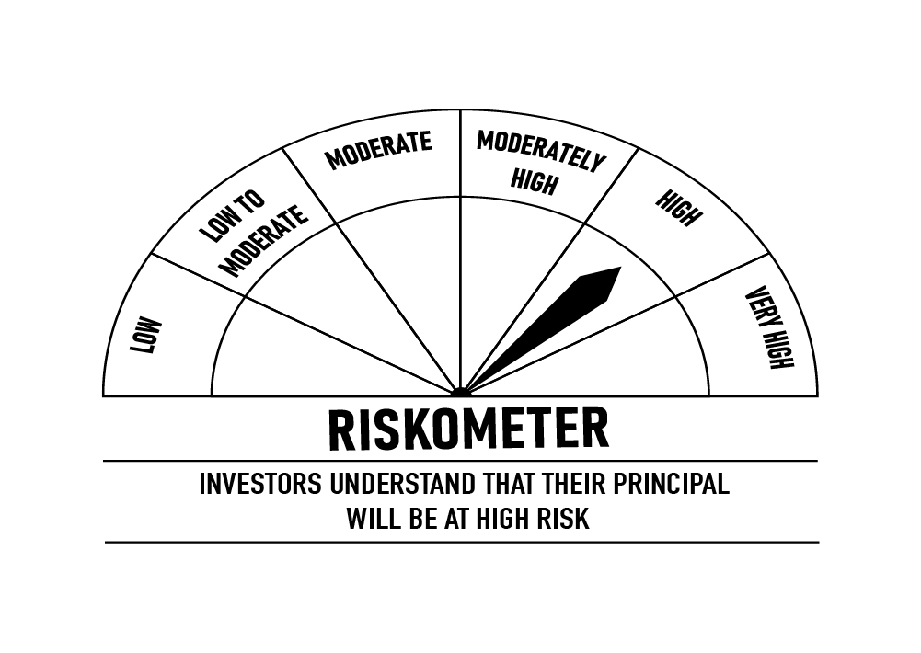

 |  | Portfolio Information
 | Scheme Name | DSP Credit Risk Fund
 | Description (if any)
 | Annualised Portfolio YTM*: | 7.84%
 | Macaulay Duration | 1.79
 | Residual Maturity | 1.97
 | As on (Date) | 2023-01-31
 | * In case of semi-annual YTM, it will be annualised

STR
 | DSP Strategic Bond Fund
 | Portfolio as on January 31, 2023

Sr. No. | Name of Instrument | ISIN | Rating/Industry | Quantity | Market value (Rs. In lakhs) | % to Net Assets | Maturity Date | Put/Call Option | YTM (%)

 | DEBT INSTRUMENTS
 | BOND & NCD's
 | Listed / awaiting listing on the stock exchanges |  |  |  |  |  |  |  |  | Sector/Rating | Percent
1 | National Bank for Agriculture and Rural Development** | INE261F08DQ4 | CRISIL AAA | 250 | 2,568.97 | 5.27% | 01-Aug-2025 |  | 7.69 | SOV | 28.18%
2 | Bharti Telecom Limited** | INE403D08165 | CRISIL AA+ | 250 | 2,529.98 | 5.19% | 12-Dec-2025 |  | 8.58 | CRISIL A1+ | 18.78%
 | Total |  |  |  | 5,098.95 | 10.46% |  |  |  | IND A1+ | 14.79%
 |  |  |  |  |  |  |  |  |  | ICRA A1+ | 9.95%
 | Government Securities (Central/State) |  |  |  |  |  |  |  |  | CRISIL AAA | 5.27%
3 | 7.38% GOI 2027 | IN0020220037 | SOV | 6,500,000 | 6,591.64 | 13.51% | 20-Jun-2027 |  | 7.22 | CRISIL AA+ | 5.19%
4 | 7.26% GOI 2032 | IN0020220060 | SOV | 3,500,000 | 3,588.74 | 7.36% | 22-Aug-2032 |  | 7.36 | Cash & Equivalent | 17.84%
5 | 6.54% GOI 2032 | IN0020210244 | SOV | 3,000,000 | 2,844.89 | 5.83% | 17-Jan-2032 |  | 7.38
6 | 5.74% GOI 2026 | IN0020210186 | SOV | 750,000 | 723.47 | 1.48% | 15-Nov-2026 |  | 7.19
7 | 8.32% Karnataka SDL 2029 | IN1920180206 | SOV | 2,100 | 2.24 | * | 13-Mar-2029 |  | 7.57
8 | 8.53% Gujarat SDL 2028 | IN1520180192 | SOV | 800 | 0.85 | * | 20-Nov-2028 |  | 7.52
 | Total |  |  |  | 13,751.83 | 28.18%

 | MONEY MARKET INSTRUMENTS
 | Certificate of Deposit
9 | ICICI Bank Limited** | INE090A167X2 | ICRA A1+ | 1,000 | 4,852.52 | 9.95% | 30-Jun-2023 |  | 7.45
10 | State Bank of India | INE062A16465 | IND A1+ | 1,000 | 4,779.53 | 9.80% | 12-Sep-2023 |  | 7.55
11 | Export-Import Bank of India** | INE514E16CB6 | CRISIL A1+ | 900 | 4,373.79 | 8.97% | 22-Jun-2023 |  | 7.47
12 | HDFC Bank Limited** | INE040A16DD4 | IND A1+ | 500 | 2,433.27 | 4.99% | 15-Jun-2023 |  | 7.47
13 | Axis Bank Limited** | INE238AD6017 | CRISIL A1+ | 500 | 2,432.78 | 4.99% | 16-Jun-2023 |  | 7.47
 | Total |  |  |  | 18,871.89 | 38.70%

 | Commercial Papers
 | Listed / awaiting listing on the stock exchanges
14 | Housing Development Finance Corporation Limited** | INE001A14ZT0 | CRISIL A1+ | 500 | 2,349.93 | 4.82% | 23-Nov-2023 |  | 7.90
 | Total |  |  |  | 2,349.93 | 4.82%

15 | TREPS / Reverse Repo Investments / Corporate Debt Repo |  |  |  | 12,314.75 | 25.25% | 01-Feb-2023
 | Total |  |  |  | 12,314.75 | 25.25%

 | Cash & Cash Equivalent
 | Cash Margin |  |  |  | 357.72 | 0.73%
 | Net Receivables/Payables |  |  |  | (3,965.13) | -8.14%
 | Total |  |  |  | (3,607.41) | -7.41%

 | GRAND TOTAL |  |  |  | 48,779.94 | 100.00%
Notes:
1 | ** Non Traded in accordance with SEBI Regulations
2 | Market value includes accrued interest
3 | * Less than 0.01%
4 | Net Assets does not include unit activity for the date of the Portfolios.
5 | This scheme has exposure to interest rate derivatives. The duration of these instruments is linked to the interest rate reset period. The interest rate risk in a floating rate instrument or in a fixed rate instrument hedged with derivatives is likely to be lesser than that in an equivalent maturity fixed rate instrument. Under some market circumstances the volatility may be of an order greater than what may ordinarily be expected considering only its duration. Hence investors are recommended to consider the unadjusted portfolio maturity of the scheme as well and exercise adequate due diligence when deciding to make their investments.

 | Disclosure in Derivatives | Industry | Notional Value | % To net assets
 | Interest Rate Swaps
 | Interest Rate Swaps Pay Fixed and Receive Floating | Others | 250,000,000.00 | 0.02%

 | Scheme Riskometer

 | Benchmark Riskometer: CRISIL Dynamic Bond Fund BIII Index
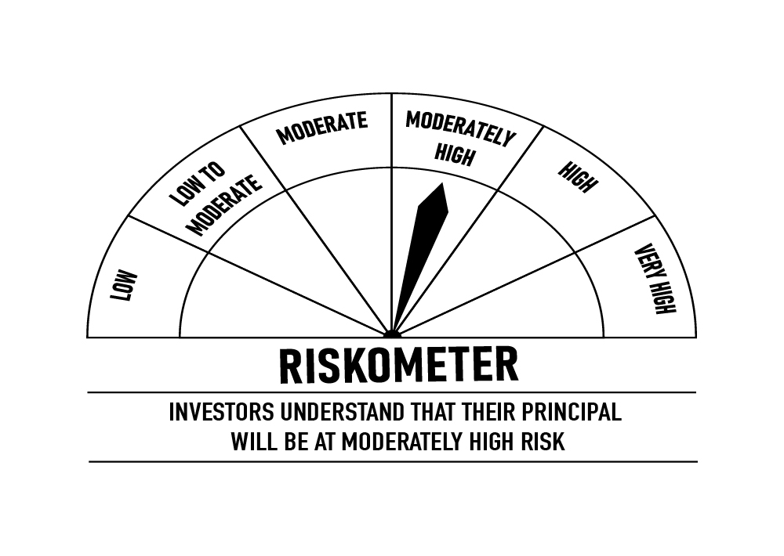

 |  | Portfolio Information
 | Scheme Name | DSP Strategic Bond Fund
 | Description (if any)
 | Annualised Portfolio YTM*: | 7.39%
 | Macaulay Duration | 1.71
 | Residual Maturity | 2.37
 | As on (Date) | 2023-01-31
 | * In case of semi-annual YTM, it will be annualised

