LIQUID
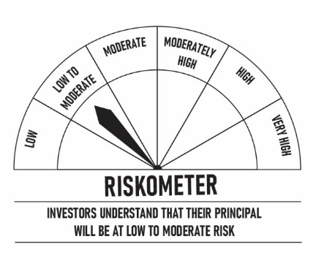
 | DSP Liquidity Fund
 | Portfolio as on November 30, 2021

Sr. No. | Name of Instrument | ISIN | Rating/Industry | Quantity | Market value (Rs. In lakhs) | % to Net Assets | Maturity Date | Put/Call Option | YTM (%)

 | DEBT INSTRUMENTS
 | BOND & NCD's
 | Listed / awaiting listing on the stock exchanges |  |  |  |  |  |  |  |  | Sector/Rating | Percent
1 | Housing Development Finance Corporation Limited** | INE001A07SN2 | CRISIL AAA | 1,000 | 10,612.72 | 1.19% | 10-Dec-2021 | - | 3.55 | CRISIL A1+ | 34.36%
2 | Power Grid Corporation of India Limited | INE752E07OD2 | CRISIL AAA | 100 | 1,070.00 | 0.12% | 21-Dec-2021 | - | 3.40 | ICRA A1+ | 6.97%
 | Total |  |  |  | 11,682.72 | 1.31% |  |  |  | SOV | 6.69%
 |  |  |  |  |  |  |  |  |  | IND A1+ | 3.89%
 | MONEY MARKET INSTRUMENTS |  |  |  |  |  |  |  |  | CRISIL AAA | 1.31%
 | Certificate of Deposit |  |  |  |  |  |  |  |  | Cash & Equivalent | 46.78%
3 | HDFC Bank Limited** | INE040A16CN5 | IND A1+ | 4,000 | 19,833.18 | 2.22% | 25-Feb-2022 |  | 3.57
 | Total |  |  |  | 19,833.18 | 2.22%

 | Commercial Papers
 | Listed / awaiting listing on the stock exchanges
4 | Indian Oil Corporation Limited** | INE242A14VK8 | ICRA A1+ | 10,000 | 49,945.65 | 5.58% | 13-Dec-2021 |  | 3.31
5 | Reliance Retail Ventures Limited** | INE929O14362 | CRISIL A1+ | 4,000 | 20,000.00 | 2.24% | 01-Dec-2021 |  | 3.35
6 | Reliance Jio Infocomm Limited** | INE110L14PT7 | CRISIL A1+ | 4,000 | 19,990.74 | 2.23% | 06-Dec-2021 |  | 3.39
7 | Reliance Industries Limited** | INE002A14JD6 | CRISIL A1+ | 4,000 | 19,988.88 | 2.23% | 07-Dec-2021 |  | 3.38
8 | Reliance Industries Limited** | INE002A14JI5 | CRISIL A1+ | 4,000 | 19,918.78 | 2.23% | 11-Jan-2022 |  | 3.63
9 | Reliance Jio Infocomm Limited** | INE110L14PV3 | CRISIL A1+ | 4,000 | 19,914.72 | 2.23% | 13-Jan-2022 |  | 3.63
10 | Kotak Securities Ltd** | INE028E14IW5 | CRISIL A1+ | 3,000 | 14,985.84 | 1.67% | 10-Dec-2021 |  | 3.83
11 | HDFC Securities Limited** | INE700G14868 | CRISIL A1+ | 3,000 | 14,979.70 | 1.67% | 14-Dec-2021 |  | 3.81
12 | Bajaj Housing Finance Limited** | INE377Y14884 | CRISIL A1+ | 3,000 | 14,912.33 | 1.67% | 28-Jan-2022 |  | 3.70
13 | Chennai Petroleum Corporation Limited | INE178A14GZ3 | CRISIL A1+ | 2,900 | 14,478.61 | 1.62% | 17-Dec-2021 |  | 3.37
14 | Chennai Petroleum Corporation Limited** | INE178A14GY6 | CRISIL A1+ | 2,000 | 9,998.18 | 1.12% | 03-Dec-2021 |  | 3.32
15 | Bajaj Finance Limited | INE296A14SI4 | CRISIL A1+ | 2,000 | 9,993.94 | 1.12% | 07-Dec-2021 |  | 3.69
16 | Dalmia Cement (Bharat) Limited** | INE755K14DW1 | CRISIL A1+ | 2,000 | 9,980.70 | 1.12% | 21-Dec-2021 |  | 3.53
17 | Bajaj Financial Securities Limited** | INE01C314148 | CRISIL A1+ | 2,000 | 9,979.74 | 1.12% | 20-Dec-2021 |  | 3.90
18 | HDFC Securities Limited** | INE700G14892 | CRISIL A1+ | 2,000 | 9,979.03 | 1.12% | 21-Dec-2021 |  | 3.84
19 | Muthoot Finance Limited** | INE414G14SC3 | CRISIL A1+ | 2,000 | 9,978.68 | 1.12% | 21-Dec-2021 |  | 3.90
20 | Julius Baer Capital (India) Private Limited** | INE824H14FP0 | CRISIL A1+ | 2,000 | 9,975.23 | 1.11% | 24-Dec-2021 |  | 3.94
21 | HDFC Securities Limited** | INE700G14900 | CRISIL A1+ | 2,000 | 9,972.76 | 1.11% | 27-Dec-2021 |  | 3.84
22 | National Bank for Agriculture and Rural Development** | INE261F14II8 | CRISIL A1+ | 2,000 | 9,946.79 | 1.11% | 25-Jan-2022 |  | 3.55
23 | Reliance Jio Infocomm Limited** | INE110L14QD9 | CRISIL A1+ | 2,000 | 9,934.89 | 1.11% | 04-Feb-2022 |  | 3.68
24 | Hindustan Petroleum Corporation Limited** | INE094A14HW7 | CRISIL A1+ | 2,000 | 9,931.66 | 1.11% | 08-Feb-2022 |  | 3.64
25 | Reliance Retail Ventures Limited** | INE929O14446 | CRISIL A1+ | 2,000 | 9,922.93 | 1.11% | 15-Feb-2022 |  | 3.73
26 | Godrej Industries Limited** | INE233A14SU2 | CRISIL A1+ | 1,500 | 7,495.10 | 0.84% | 08-Dec-2021 |  | 3.41
27 | Network18 Media & Investments Limited** | INE870H14NI2 | ICRA A1+ | 1,500 | 7,461.89 | 0.83% | 21-Jan-2022 |  | 3.66
28 | Godrej Industries Limited** | INE233A14SW8 | CRISIL A1+ | 1,200 | 5,989.34 | 0.67% | 20-Dec-2021 |  | 3.42
29 | CEAT Limited** | INE482A14AO6 | IND A1+ | 1,000 | 4,995.64 | 0.56% | 10-Dec-2021 |  | 3.54
30 | ICICI Securities Limited** | INE763G14KH9 | CRISIL A1+ | 1,000 | 4,991.69 | 0.56% | 17-Dec-2021 |  | 3.80
31 | Axis Securities Limited** | INE110O14377 | ICRA A1+ | 1,000 | 4,991.44 | 0.56% | 17-Dec-2021 |  | 3.92
32 | Julius Baer Capital (India) Private Limited** | INE824H14FO3 | CRISIL A1+ | 1,000 | 4,989.23 | 0.56% | 21-Dec-2021 |  | 3.94
33 | CEAT Limited** | INE482A14AP3 | IND A1+ | 1,000 | 4,988.77 | 0.56% | 24-Dec-2021 |  | 3.57
34 | Julius Baer Capital (India) Private Limited** | INE824H14FQ8 | CRISIL A1+ | 1,000 | 4,985.47 | 0.56% | 28-Dec-2021 |  | 3.94
35 | CEAT Limited** | INE482A14AT5 | IND A1+ | 1,000 | 4,963.41 | 0.55% | 10-Feb-2022 |  | 3.79
 | Total |  |  |  | 384,561.76 | 43.00%

 | Treasury Bill
36 | 91 DAY T-BILL 23122021 | IN002021X280 | SOV | 60,000,000 | 59,881.98 | 6.69% | 23-Dec-2021 |  | 3.27
 | Total |  |  |  | 59,881.98 | 6.69%

37 | TREPS / Reverse Repo Investments / Corporate Debt Repo |  |  |  | 418,093.84 | 46.73% | 01-Dec-2021
 | Total |  |  |  | 418,093.84 | 46.73%

 | Cash & Cash Equivalent
 | Net Receivables/Payables |  |  |  | 697.36 | 0.05%
 | Total |  |  |  | 697.36 | 0.05%

 | GRAND TOTAL |  |  |  | 894,750.84 | 100.00%
Notes:
1 | ** Non Traded in accordance with SEBI Regulations
2 | Market value includes accrued interest
3 | Net Assets does not include unit activity for the date of the Portfolios.
4 | As on Nov 30, 2021, the aggregate investments by the schemes of DSP Mutual Fund in DSP Liquidity Fund is Rs 2,257.98 lakhs.

 | Scheme Riskometer



 | Benchmark Riskometer
 | Crisil Liquid Fund Index

ULTRA
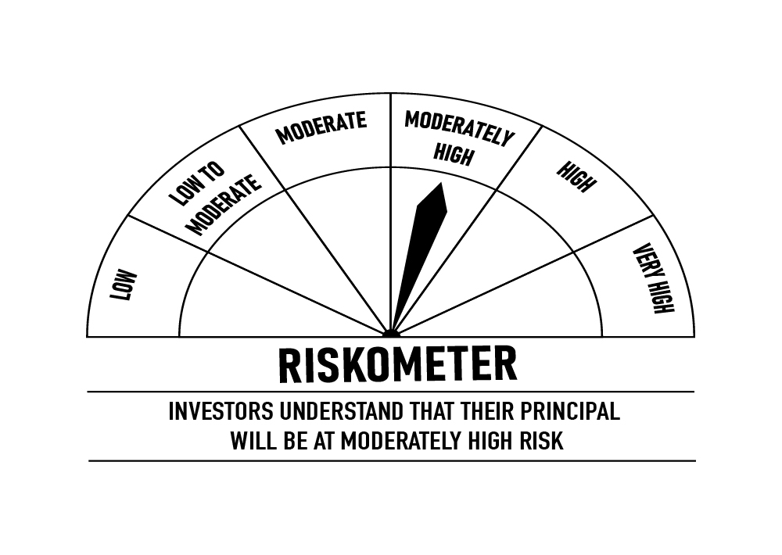
 | DSP Ultra Short Fund
 | Portfolio as on November 30, 2021

Sr. No. | Name of Instrument | ISIN | Rating/Industry | Quantity | Market value (Rs. In lakhs) | % to Net Assets | Maturity Date | Put/Call Option | YTM (%)

 | DEBT INSTRUMENTS
 | BOND & NCD's
 | Listed / awaiting listing on the stock exchanges |  |  |  |  |  |  |  |  | Sector/Rating | Percent
1 | National Highways Authority of India | INE906B07FE6 | CRISIL AAA | 1,650 | 17,646.36 | 4.93% | 23-Dec-2021 | - | 3.45 | CRISIL A1+ | 42.39%
2 | REC Limited** | INE020B08AK2 | CRISIL AAA | 1,250 | 12,930.57 | 3.61% | 07-Sep-2022 | - | 4.52 | CRISIL AAA | 22.78%
3 | LIC Housing Finance Limited** | INE115A07MJ1 | CRISIL AAA | 1,000 | 10,370.37 | 2.90% | 30-Aug-2022 | - | 4.77 | SOV | 16.93%
4 | National Bank for Agriculture and Rural Development** | INE261F08BL9 | CRISIL AAA | 750 | 7,904.72 | 2.21% | 13-Jun-2022 | - | 4.15 | ICRA A1+ | 4.03%
5 | REC Limited** | INE020B08CE1 | CRISIL AAA | 600 | 6,261.96 | 1.75% | 30-Jun-2022 | - | 4.20 | IND A1+ | 2.73%
6 | Reliance Industries Limited** | INE002A08575 | CRISIL AAA | 500 | 5,360.61 | 1.50% | 08-Mar-2022 | - | 3.82 | ICRA AA+ | 1.77%
7 | Power Finance Corporation Limited** | INE134E08KB3 | CRISIL AAA | 500 | 5,303.53 | 1.48% | 27-May-2022 |  | 4.14 | Cash & Equivalent | 9.37%
8 | National Bank for Agriculture and Rural Development** | INE261F08BJ3 | CRISIL AAA | 500 | 5,289.71 | 1.48% | 23-May-2022 | - | 4.10
9 | LIC Housing Finance Limited** | INE115A07MG7 | CRISIL AAA | 500 | 5,213.98 | 1.46% | 15-Jul-2022 | - | 4.68
10 | Cholamandalam Investment and Finance Company Limited** | INE121A07PK0 | ICRA AA+ | 350 | 3,654.27 | 1.02% | 17-Jun-2022 | - | 4.93
11 | Sundaram Home Finance Limited** | INE667F07HQ5 | ICRA AA+ | 250 | 2,673.92 | 0.75% | 03-Feb-2022 | - | 4.23
12 | Housing Development Finance Corporation Limited** | INE001A07QT3 | CRISIL AAA | 25 | 2,624.33 | 0.73% | 20-Jun-2022 |  | 4.25
13 | LIC Housing Finance Limited** | INE115A07OG3 | CRISIL AAA | 250 | 2,595.53 | 0.73% | 23-Sep-2022 | - | 4.78
 | Total |  |  |  | 87,829.86 | 24.55%

 | Government Securities (Central/state)
14 | 8.20% GOI 15022022 | IN0020060037 | SOV | 21,000,000 | 21,702.44 | 6.07% | 15-Feb-2022 |  | 3.51
 | Total |  |  |  | 21,702.44 | 6.07%

 | MONEY MARKET INSTRUMENTS
 | Certificate of Deposit
15 | Export-Import Bank of India** | INE514E16BV6 | CRISIL A1+ | 25,000 | 24,970.65 | 6.98% | 14-Dec-2021 |  | 3.30
16 | Axis Bank Limited | INE238A165W1 | CRISIL A1+ | 2,000 | 9,931.04 | 2.78% | 10-Feb-2022 |  | 3.57
17 | IDFC First Bank Limited** | INE092T16QQ9 | CRISIL A1+ | 10,000 | 9,893.36 | 2.77% | 14-Mar-2022 |  | 3.82
18 | Small Industries Development Bank of India** | INE556F16861 | CRISIL A1+ | 10,000 | 9,885.76 | 2.76% | 25-Mar-2022 |  | 3.70
19 | Axis Bank Limited** | INE238A167W7 | CRISIL A1+ | 2,000 | 9,836.87 | 2.75% | 28-Apr-2022 |  | 4.09
20 | Axis Bank Limited** | INE238A164X2 | CRISIL A1+ | 2,000 | 9,779.37 | 2.73% | 16-Jun-2022 |  | 4.18
21 | HDFC Bank Limited** | INE040A16CM7 | IND A1+ | 2,000 | 9,778.13 | 2.73% | 21-Jun-2022 |  | 4.10
22 | IDFC First Bank Limited** | INE092T16PQ1 | CRISIL A1+ | 5,000 | 4,999.07 | 1.40% | 03-Dec-2021 |  | 3.40
 | Total |  |  |  | 89,074.25 | 24.90%

 | Commercial Papers
 | Listed / awaiting listing on the stock exchanges
23 | ICICI Securities Limited** | INE763G14KK3 | CRISIL A1+ | 3,000 | 14,806.69 | 4.14% | 25-Mar-2022 |  | 4.18
24 | Jamnagar Utilities & Power Private Limited** | INE936D14113 | CRISIL A1+ | 3,000 | 14,447.81 | 4.04% | 21-Sep-2022 |  | 4.75
25 | Cholamandalam Investment and Finance Company Limited | INE121A14TM4 | CRISIL A1+ | 2,000 | 9,937.63 | 2.78% | 28-Jan-2022 |  | 3.95
26 | Tata Capital Housing Finance Limited** | INE033L14LP8 | CRISIL A1+ | 2,000 | 9,762.43 | 2.73% | 28-Jun-2022 |  | 4.25
27 | Bahadur Chand Investments Private Limited** | INE087M14AE9 | ICRA A1+ | 2,000 | 9,557.31 | 2.67% | 16-Sep-2022 |  | 5.85
28 | Export-Import Bank of India** | INE514E14PY5 | CRISIL A1+ | 1,000 | 4,943.38 | 1.38% | 24-Mar-2022 |  | 3.70
29 | Hero Fincorp Limited** | INE957N14EX3 | CRISIL A1+ | 1,000 | 4,877.46 | 1.36% | 16-Jun-2022 |  | 4.66
30 | Axis Securities Limited** | INE110O14302 | ICRA A1+ | 1,000 | 4,870.74 | 1.36% | 24-Jun-2022 |  | 4.73
31 | Housing Development Finance Corporation Limited** | INE001A14XU3 | CRISIL A1+ | 1,000 | 4,845.40 | 1.35% | 12-Aug-2022 |  | 4.59
32 | Housing Development Finance Corporation Limited** | INE001A14XS7 | CRISIL A1+ | 1,000 | 4,839.51 | 1.35% | 22-Aug-2022 |  | 4.59
33 | Infina Finance Private Limited** | INE879F14EE5 | CRISIL A1+ | 800 | 3,891.16 | 1.09% | 28-Jun-2022 |  | 4.89
 | Total |  |  |  | 86,779.52 | 24.25%

 | Treasury Bill
34 | 182 DAY T-BILL 02122021 | IN002021Y098 | SOV | 10,000,000 | 9,999.10 | 2.80% | 02-Dec-2021 |  | 3.29
35 | 182 DAY T-BILL 16122021 | IN002021Y114 | SOV | 10,000,000 | 9,986.52 | 2.79% | 16-Dec-2021 |  | 3.28
36 | 182 DAY T-BILL 23122021 | IN002021Y122 | SOV | 10,000,000 | 9,980.33 | 2.79% | 23-Dec-2021 |  | 3.27
37 | 364 DAY T-BILL 30032022 | IN002020Z527 | SOV | 5,000,000 | 4,942.95 | 1.38% | 30-Mar-2022 |  | 3.54
38 | 182 DAY T-BILL 09122021 | IN002021Y106 | SOV | 3,948,800 | 3,945.95 | 1.10% | 09-Dec-2021 |  | 3.30
 | Total |  |  |  | 38,854.85 | 10.86%

39 | TREPS / Reverse Repo Investments / Corporate Debt Repo |  |  |  | 35,008.98 | 9.79% | 01-Dec-2021
 | Total |  |  |  | 35,008.98 | 9.79%

 | Cash & Cash Equivalent
 | Net Receivables/Payables |  |  |  | (1,534.15) | -0.42%
 | Total |  |  |  | (1,534.15) | -0.42%

 | GRAND TOTAL |  |  |  | 357,715.75 | 100.00%
Notes:
1 | ** Non Traded in accordance with SEBI Regulations
2 | Market value includes accrued interest
3 | Net Assets does not include unit activity for the date of the Portfolios.
4 | Pursuant to SEBI circular SEBI/HO/IMD/DF4/CIR/P/2019/102 dated September 24, 2019 read with circular no. SEBI/HO/IMD/DF4/CIR/P/2019/41 dated March 22, 2019. Below are the details of the securities in case of which issuer has defaulted beyond its maturity date.
 | Security Name | ISIN | value of the security considered under net receivables (i.e. value recognized in NAV in absolute terms and as % to NAV) (Rs.in lakhs) |  | total amount (including principal and interest) that is due to the scheme on that investment (Rs.in lakhs)
 | 0% IL&FS Transportation Networks Limited NCD Series A 23032019 | INE975G08140 | 0.00 | 0.00% | 6,627.81

 | Scheme Riskometer

 | Benchmark Riskometer
 | CRISIL Ultra Short Term Debt Index

CREDITRISK
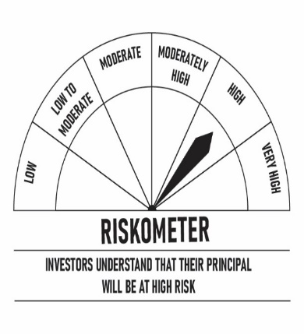
 | DSP Credit Risk Fund
 | Portfolio as on November 30, 2021

Sr. No. | Name of Instrument | ISIN | Rating/Industry | Quantity | Market value (Rs. In lakhs) | % to Net Assets | Maturity Date | Put/Call Option | YTM (%)

 | DEBT INSTRUMENTS
 | BOND & NCD's
 | Listed / awaiting listing on the stock exchanges |  |  |  |  |  |  |  |  | Sector/Rating | Percent
1 | Tata Motors Limited** | INE155A08191 | ICRA AA- | 200 | 2,244.92 | 9.38% | 20-Aug-2024 |  | 5.91 | ICRA AA | 17.61%
2 | Godrej Industries Limited** | INE233A08048 | CRISIL AA | 200 | 2,117.18 | 8.84% | 14-May-2025 |  | 6.22 | CRISIL AA+ | 16.22%
3 | Tata Realty And Infrastructure Limited** | INE371K08177 | ICRA AA | 200 | 2,111.00 | 8.82% | 23-Sep-2022 |  | 5.13 | CRISIL AA | 13.04%
4 | Godrej Properties Limited** | INE484J08022 | ICRA AA | 200 | 2,103.98 | 8.79% | 31-Jul-2023 |  | 5.74 | SOV | 10.88%
5 | Bharti Hexacom Limited** | INE343G08026 | CRISIL AA+ | 200 | 2,026.81 | 8.47% | 30-Apr-2024 |  | 6.03 | ICRA AA- | 9.38%
6 | Manappuram Finance Limited** | INE522D07BG1 | CARE AA | 150 | 1,623.24 | 6.78% | 14-Feb-2022 | - | 4.65 | CARE AA | 6.78%
7 | Telesonic Networks Limited | INE308O08015 | CRISIL AA+ | 130 | 1,324.72 | 5.53% | 28-Apr-2023 |  | 5.25 | Cash & Equivalent | 26.09%
8 | Aditya Birla Fashion and Retail Limited** | INE647O08107 | CRISIL AA | 100 | 1,006.33 | 4.20% | 09-Sep-2024 |  | 6.06
9 | Hindalco Industries Limited** | INE038A07274 | CRISIL AA+ | 50 | 530.89 | 2.22% | 02-Aug-2022 | - | 4.82
 | Total |  |  |  | 15,089.07 | 63.03%

 | Government Securities (Central/state)
10 | 6.79% GOI 15052027 | IN0020170026 | SOV | 2,500,000 | 2,604.38 | 10.88% | 15-May-2027 |  | 5.95
 | Total |  |  |  | 2,604.38 | 10.88%

 | MONEY MARKET INSTRUMENTS
11 | TREPS / Reverse Repo Investments / Corporate Debt Repo |  |  |  | 3,310.33 | 13.83% | 01-Dec-2021
 | Total |  |  |  | 3,310.33 | 13.83%

 | Cash & Cash Equivalent
 | Net Receivables/Payables |  |  |  | 2,935.11 | 12.26%
 | Total |  |  |  | 2,935.11 | 12.26%

 | GRAND TOTAL |  |  |  | 23,938.89 | 100.00%
Notes:
1 | ** Non Traded in accordance with SEBI Regulations
2 | Market value includes accrued interest
3 | Net Assets does not include unit activity for the date of the Portfolios.
4 | In case of below securities, DSP Mutual Fund has ignored prices provided by valuation agencies. Disclosure vide circular no. SEBI/HO/IMD/DF4/CIR/P/2019/41 dated March 22, 2019 & SEBI/HO/IMD/DF4/CIR/P/2019/102 dated September 24,2019 for detailed rationale along with other details are available at the below mentioned links
 | Name of the securities | No of Instances | Links
 | 0% Sintex Bapl Limited NCD Series B 31122021 | 309 | https://www.dspim.com/media/pages/mandatory-disclosures/disclosures-for-deviation-in-valuation-price/9560565842-1616167083/sintex-bapl-limited.pdf
 | 0% Sintex Bapl Limited NCD Series C 31122022 | 309 | https://www.dspim.com/media/pages/mandatory-disclosures/disclosures-for-deviation-in-valuation-price/9560565842-1616167083/sintex-bapl-limited.pdf
 | 0% Sintex Bapl Limited NCD Series A 31122020 | 309 | https://www.dspim.com/media/pages/mandatory-disclosures/disclosures-for-deviation-in-valuation-price/9560565842-1616167083/sintex-bapl-limited.pdf
 | Il&Fs Energy Development Company Limited (Maturity Date : 28-Jun-2019) | 309 | https://www.dspim.com/media/pages/mandatory-disclosures/disclosures-for-deviation-in-valuation-price/52517897e3-1616167083/il-amp-fs-energy-devlopment-company-limited.pdf
 | Il&Fs Energy Development Company Limited (Maturity Date : 07-Jun-2019) | 309 | https://www.dspim.com/media/pages/mandatory-disclosures/disclosures-for-deviation-in-valuation-price/52517897e3-1616167083/il-amp-fs-energy-devlopment-company-limited.pdf
5 | Pursuant to SEBI circular SEBI/HO/IMD/DF4/CIR/P/2019/102 dated September 24, 2019 read with circular no. SEBI/HO/IMD/DF4/CIR/P/2019/41 dated March 22, 2019. Below are the details of the securities in case of which issuer has defaulted beyond its maturity date
 | Security Name | ISIN | value of the security considered under net receivables (i.e. value recognized in NAV in absolute terms and as % to NAV) (Rs.in lakhs) |  | total amount (including principal and interest) that is due to the scheme on that investment (Rs.in lakhs)
 | 0% IL&Fs Transportation Networks Limited Ncd Series A 23032019 | INE975G08140 | 0.00 | 0.00% | 23,396.18
 | 0% IL&Fs Energy Development Company Limited Ncd 07062019 | INE938L08049 | 0.00 | 0.00% | 13,861.96
 | 0% IL&FS Energy Development Company Limited Ncd 28062019 | INE938L08056 | 0.00 | 0.00% | 10,645.02
 | 0% SINTEX BAPL LTD S- A 31DEC20 ZCB | INE631U07027 | 965.55 | 4.03% | 4,357.70
 | 0% SINTEX BAPL LTD S- B 31DEC21 ZCB## | INE631U07035 | 965.55 | 4.03% | 4,760.79
 | 0% SINTEX BAPL LTD S- C 31DEC22 ZCB## | INE631U07043 | 965.55 | 4.03% | 5,201.16

 | ## Deemed matured on account of acceleration triggered by DSP Trustee Private Limited in the light of rights availed under Debenture Trust Deed

 | Scheme Riskometer

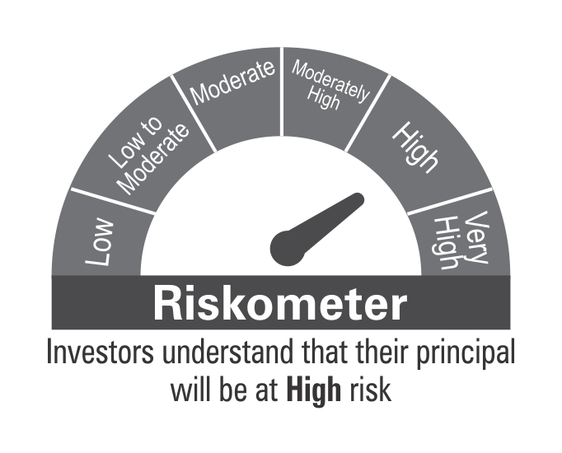

 | Benchmark Riskometer
 | CRISIL Short Term Credit Risk Index

SHORT

 | DSP Short Term Fund
 | Portfolio as on November 30, 2021

Sr. No. | Name of Instrument | ISIN | Rating/Industry | Quantity | Market value (Rs. In lakhs) | % to Net Assets | Maturity Date | Put/Call Option | YTM (%)

 | DEBT INSTRUMENTS
 | BOND & NCD's
 | Listed / awaiting listing on the stock exchanges |  |  |  |  |  |  |  |  | Sector/Rating | Percent
1 | National Housing Bank** | INE557F08FI7 | CRISIL AAA | 1,250 | 13,307.61 | 4.22% | 17-Apr-2023 | - | 4.73 | CRISIL AAA | 44.49%
2 | National Bank for Agriculture and Rural Development | INE261F08CA0 | ICRA AAA | 1,250 | 13,073.94 | 4.14% | 31-Jul-2023 | - | 4.82 | SOV | 21.96%
3 | Bajaj Finance Limited** | INE296A07RB5 | CRISIL AAA | 1,000 | 10,789.55 | 3.42% | 10-Feb-2023 | - | 5.15 | CARE AAA | 8.08%
4 | Reliance Industries Limited** | INE002A08625 | CRISIL AAA | 1,000 | 10,507.73 | 3.33% | 13-Sep-2023 | - | 4.91 | ICRA AAA | 7.46%
5 | Indian Railway Finance Corporation Limited** | INE053F07CU1 | CRISIL AAA | 1,000 | 10,108.06 | 3.20% | 05-May-2023 | - | 4.73 | Cash & Equivalent | 18.01%
6 | National Housing Bank** | INE557F08FK3 | CRISIL AAA | 900 | 9,311.56 | 2.95% | 01-Sep-2023 | - | 4.83
7 | REC Limited** | INE020B08DP5 | CRISIL AAA | 750 | 7,885.00 | 2.50% | 20-Mar-2024 | - | 5.27
8 | LIC Housing Finance Limited** | INE115A07PA3 | CARE AAA | 750 | 7,634.71 | 2.42% | 26-Jul-2023 | - | 5.24
9 | Indian Oil Corporation Limited** | INE242A08452 | CRISIL AAA | 650 | 6,980.33 | 2.21% | 06-Mar-2025 | - | 5.47
10 | Indian Oil Corporation Limited** | INE242A08445 | CRISIL AAA | 500 | 5,397.66 | 1.71% | 14-Apr-2023 | - | 4.68
11 | National Bank for Agriculture and Rural Development** | INE261F08CD4 | ICRA AAA | 500 | 5,315.81 | 1.68% | 17-Apr-2023 | - | 4.74
12 | Housing Development Finance Corporation Limited** | INE001A07SX1 | CRISIL AAA | 500 | 5,209.17 | 1.65% | 08-Mar-2023 | - | 5.03
13 | Reliance Industries Limited** | INE002A08500 | CRISIL AAA | 500 | 5,138.24 | 1.63% | 08-Nov-2022 | - | 4.58
14 | Power Finance Corporation Limited** | INE134E08LB1 | CRISIL AAA | 500 | 5,119.26 | 1.62% | 19-Aug-2023 | - | 4.93
15 | LIC Housing Finance Limited** | INE115A07OV2 | CARE AAA | 500 | 5,089.17 | 1.61% | 25-Aug-2023 | - | 5.24
16 | Power Finance Corporation Limited** | INE134E08LK2 | CRISIL AAA | 500 | 5,079.36 | 1.61% | 27-Aug-2026 |  | 6.09
17 | National Bank for Agriculture and Rural Development | INE261F08DI1 | CRISIL AAA | 500 | 5,030.10 | 1.59% | 31-Jan-2025 |  | 5.47
18 | LIC Housing Finance Limited | INE115A07OZ3 | CARE AAA | 500 | 5,029.14 | 1.59% | 14-Sep-2023 | - | 5.23
19 | National Bank for Agriculture and Rural Development | INE261F08DK7 | CRISIL AAA | 500 | 5,021.21 | 1.59% | 31-Jul-2025 |  | 5.67
20 | REC Limited** | INE020B08DC3 | CRISIL AAA | 300 | 3,063.52 | 0.97% | 30-Sep-2023 | - | 5.01
21 | Export-Import Bank of India** | INE514E08DH8 | CRISIL AAA | 250 | 2,950.79 | 0.94% | 16-Dec-2023 | - | 4.92
22 | Export-Import Bank of India** | INE514E08FG5 | CRISIL AAA | 250 | 2,714.42 | 0.86% | 01-Sep-2026 | - | 5.96
23 | REC Limited** | INE020B08CH4 | CRISIL AAA | 250 | 2,694.95 | 0.85% | 31-Mar-2023 | - | 4.70
24 | NIIF Infrastructure Finance** | INE246R07384 | ICRA AAA | 250 | 2,673.46 | 0.85% | 07-Nov-2024 |  | 6.51
25 | National Highways Authority of India** | INE906B07FT4 | CRISIL AAA | 250 | 2,626.25 | 0.83% | 06-Jun-2022 | - | 4.13
26 | LIC Housing Finance Limited** | INE115A07PC9 | CARE AAA | 250 | 2,599.54 | 0.82% | 20-Mar-2023 | - | 5.14
27 | Small Industries Development Bank of India** | INE556F08JN1 | CARE AAA | 250 | 2,595.90 | 0.82% | 08-Aug-2022 | - | 4.44
28 | REC Limited** | INE020B08DJ8 | CRISIL AAA | 250 | 2,595.56 | 0.82% | 31-Jan-2024 | - | 5.27
29 | Indian Railway Finance Corporation Limited** | INE053F07BZ2 | CRISIL AAA | 250 | 2,581.87 | 0.82% | 14-Apr-2023 | - | 4.73
30 | Small Industries Development Bank of India** | INE556F08JO9 | CARE AAA | 250 | 2,575.08 | 0.82% | 29-Sep-2022 | - | 4.46
31 | National Highways Authority of India** | INE906B07FX6 | CRISIL AAA | 250 | 2,572.26 | 0.82% | 05-Nov-2022 | - | 4.40
32 | Bajaj Finance Limited** | INE296A07RG4 | CRISIL AAA | 250 | 2,554.14 | 0.81% | 11-Aug-2023 |  | 5.34
33 | Bajaj Housing Finance Limited** | INE377Y07268 | CRISIL AAA | 250 | 2,512.32 | 0.80% | 15-Sep-2023 |  | 5.32
34 | Hindustan Petroleum Corporation Limited** | INE094A08085 | CRISIL AAA | 250 | 2,510.76 | 0.80% | 23-Oct-2023 | - | 4.83
35 | Power Grid Corporation of India Limited** | INE752E07JV4 | CRISIL AAA | 176 | 2,349.12 | 0.74% | 28-Jun-2022 | - | 4.13
36 | NHPC Limited** | INE848E07AH8 | ICRA AAA | 200 | 2,066.61 | 0.65% | 15-Sep-2022 | - | 4.39
37 | Export-Import Bank of India** | INE514E08CE7 | CRISIL AAA | 100 | 1,116.88 | 0.35% | 14-Feb-2023 | - | 4.59
38 | Export-Import Bank of India** | INE514E08CI8 | CRISIL AAA | 100 | 1,113.92 | 0.35% | 15-Mar-2023 | - | 4.59
39 | NTPC Limited** | INE733E07JB6 | CRISIL AAA | 100 | 1,049.39 | 0.33% | 04-Oct-2022 | - | 4.42
40 | Housing Development Finance Corporation Limited** | INE001A07SM4 | CRISIL AAA | 50 | 524.74 | 0.17% | 19-May-2022 | - | 4.23
41 | Housing & Urban Development Corporation Limited** | INE031A08657 | ICRA AAA | 31 | 338.30 | 0.11% | 15-Apr-2022 | - | 4.10
42 | NHPC Limited** | INE848E07427 | ICRA AAA | 100 | 108.01 | 0.03% | 11-Feb-2022 | - | 3.60
 | Total |  |  |  | 189,515.40 | 60.03%

 | Government Securities (Central/state)
43 | 5.63% GOI 12042026 | IN0020210012 | SOV | 25,000,000 | 25,174.45 | 7.98% | 12-Apr-2026 |  | 5.65
44 | 7.89% Gujarat SDL 15052025 | IN1520190043 | SOV | 8,500,000 | 9,126.39 | 2.89% | 15-May-2025 |  | 5.63
45 | 5.74% GOI 15112026 | IN0020210186 | SOV | 7,500,000 | 7,535.27 | 2.39% | 15-Nov-2026 |  | 5.69
46 | 5.75% Tamil Nadu SDL 27052025 | IN3120200081 | SOV | 2,500,000 | 2,512.02 | 0.80% | 27-May-2025 |  | 5.62
 | Total |  |  |  | 44,348.13 | 14.06%

 | MONEY MARKET INSTRUMENTS
 | Treasury Bill
47 | 91 DAY T-BILL 16122021 | IN002021X272 | SOV | 20,000,000 | 19,973.04 | 6.33% | 16-Dec-2021 |  | 3.28
48 | 364 DAY T-BILL 30032022 | IN002020Z527 | SOV | 5,000,000 | 4,942.95 | 1.57% | 30-Mar-2022 |  | 3.54
 | Total |  |  |  | 24,915.99 | 7.90%

49 | TREPS / Reverse Repo Investments / Corporate Debt Repo |  |  |  | 68,895.91 | 21.83% | 01-Dec-2021
 | Total |  |  |  | 68,895.91 | 21.83%

 | Cash & Cash Equivalent
 | Net Receivables/Payables |  |  |  | (12,084.82) | -3.82%
 | Total |  |  |  | (12,084.82) | -3.82%

 | GRAND TOTAL |  |  |  | 315,590.61 | 100.00%
Notes:
1 | ** Non Traded in accordance with SEBI Regulations
2 | Market value includes accrued interest
3 | Net Assets does not include unit activity for the date of the Portfolios.

 | Scheme Riskometer

 | Benchmark Riskometer
 | Crisil Short Term Bond Fund Index

STR
 | DSP Strategic Bond Fund
 | Portfolio as on November 30, 2021

Sr. No. | Name of Instrument | ISIN | Rating/Industry | Quantity | Market value (Rs. In lakhs) | % to Net Assets | Maturity Date | Put/Call Option | YTM (%)

 | DEBT INSTRUMENTS
 | BOND & NCD's
 | Listed / awaiting listing on the stock exchanges |  |  |  |  |  |  |  |  | Sector/Rating | Percent
1 | Indian Railway Finance Corporation Limited** | INE053F08122 | CRISIL AAA | 500 | 5,116.29 | 7.18% | 29-Aug-2031 |  | 6.84 | SOV | 50.49%
2 | Food Corporation Of India | INE861G08084 | CRISIL AAA(CE) | 450 | 4,643.31 | 6.52% | 13-Aug-2031 |  | 6.93 | CRISIL AAA | 13.07%
3 | REC Limited** | INE020B08DF6 | CRISIL AAA | 250 | 2,657.01 | 3.73% | 20-Dec-2025 | - | 5.88 | CRISIL AAA(CE) | 6.52%
4 | Housing Development Finance Corporation Limited** | INE001A07SR3 | CRISIL AAA | 150 | 1,541.03 | 2.16% | 29-Sep-2025 | - | 5.94 | Cash & Equivalent | 29.92%
 | Total |  |  |  | 13,957.64 | 19.59%

 | Government Securities (Central/state)
5 | 5.63% GOI 12042026 | IN0020210012 | SOV | 10,000,000 | 10,069.78 | 14.14% | 12-Apr-2026 |  | 5.65
6 | 6.67% GOI 15122035 | IN0020210152 | SOV | 7,500,000 | 7,563.30 | 10.62% | 15-Dec-2035 |  | 6.74
7 | 6.10% GOI 12072031 | IN0020210095 | SOV | 7,500,000 | 7,554.04 | 10.60% | 12-Jul-2031 |  | 6.33
8 | 7.59% GOI 11012026 | IN0020150093 | SOV | 2,500,000 | 2,753.23 | 3.86% | 11-Jan-2026 |  | 5.61
9 | 7.26% GOI 14012029 | IN0020180454 | SOV | 2,500,000 | 2,716.31 | 3.81% | 14-Jan-2029 |  | 6.22
10 | 7.17% GOI 08012028 | IN0020170174 | SOV | 2,500,000 | 2,708.54 | 3.80% | 08-Jan-2028 |  | 6.08
11 | 6.79% GOI 15052027 | IN0020170026 | SOV | 2,500,000 | 2,604.38 | 3.66% | 15-May-2027 |  | 5.95
12 | 8.32% Karnataka SDL 13032029 | IN1920180206 | SOV | 2,100 | 2.34 | * | 13-Mar-2029 |  | 6.66
13 | 8.53% Gujarat SDL 20112028 | IN1520180192 | SOV | 800 | 0.88 | * | 20-Nov-2028 |  | 6.65
 | Total |  |  |  | 35,972.80 | 50.49%

 | MONEY MARKET INSTRUMENTS
14 | TREPS / Reverse Repo Investments / Corporate Debt Repo |  |  |  | 25,441.15 | 35.71% | 01-Dec-2021
 | Total |  |  |  | 25,441.15 | 35.71%

 | Cash & Cash Equivalent
 | Cash Margin |  |  |  | 357.72 | 0.50%
 | Net Receivables/Payables |  |  |  | (4,489.44) | -6.29%
 | Total |  |  |  | (4,131.72) | -5.79%

 | GRAND TOTAL |  |  |  | 71,239.87 | 100.00%
Notes:
1 | ** Non Traded in accordance with SEBI Regulations
2 | Market value includes accrued interest
3 | * Less than 0.01%
4 | Net Assets does not include unit activity for the date of the Portfolios.

 | Scheme Riskometer



 | Benchmark Riskometer
 | Crisil Composite Bond Fund Index

SAVINGS
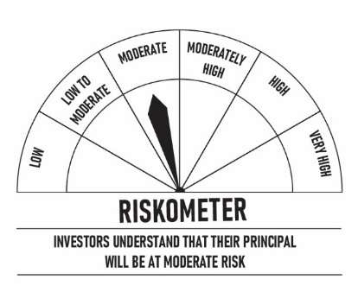
 | DSP Savings Fund
 | Portfolio as on November 30, 2021

Sr. No. | Name of Instrument | ISIN | Rating/Industry | Quantity | Market value (Rs. In lakhs) | % to Net Assets | Maturity Date | Put/Call Option | YTM (%)

 | DEBT INSTRUMENTS
 | Government Securities (Central/state)
1 | 8.20% GOI 15022022 | IN0020060037 | SOV | 9,500,000 | 9,817.77 | 3.56% | 15-Feb-2022 |  | 3.51 | Sector/Rating | Percent
 | Total |  |  |  | 9,817.77 | 3.56% |  |  |  | CRISIL A1+ | 58.94%
 |  |  |  |  |  |  |  |  |  | SOV | 13.42%
 | MONEY MARKET INSTRUMENTS |  |  |  |  |  |  |  |  | ICRA A1+ | 8.96%
 | Certificate of Deposit |  |  |  |  |  |  |  |  | IND A1+ | 5.37%
2 | Small Industries Development Bank of India** | INE556F16853 | CRISIL A1+ | 20,000 | 19,785.40 | 7.17% | 18-Mar-2022 |  | 3.70 | Cash & Equivalent | 13.31%
3 | Axis Bank Limited** | INE238A166V1 | CRISIL A1+ | 15,000 | 14,851.97 | 5.38% | 10-Mar-2022 |  | 3.68
4 | HDFC Bank Limited** | INE040A16CK1 | IND A1+ | 3,000 | 14,834.58 | 5.37% | 21-Mar-2022 |  | 3.70
5 | Kotak Mahindra Bank Limited** | INE237A165M3 | CRISIL A1+ | 15,000 | 14,831.61 | 5.37% | 23-Mar-2022 |  | 3.70
6 | IDFC First Bank Limited** | INE092T16QQ9 | CRISIL A1+ | 12,500 | 12,366.70 | 4.48% | 14-Mar-2022 |  | 3.82
7 | IndusInd Bank Limited** | INE095A16L30 | CRISIL A1+ | 10,000 | 9,911.31 | 3.59% | 28-Feb-2022 |  | 3.67
8 | IndusInd Bank Limited** | INE095A16L89 | CRISIL A1+ | 2,500 | 2,481.17 | 0.90% | 15-Feb-2022 |  | 3.65
9 | National Bank for Agriculture and Rural Development** | INE261F16595 | CRISIL A1+ | 2,500 | 2,480.67 | 0.90% | 18-Feb-2022 |  | 3.60
 | Total |  |  |  | 91,543.41 | 33.16%

 | Commercial Papers
 | Listed / awaiting listing on the stock exchanges
10 | Housing Development Finance Corporation Limited** | INE001A14XM0 | CRISIL A1+ | 3,000 | 14,864.99 | 5.38% | 28-Feb-2022 |  | 3.72
11 | Canfin Homes Limited** | INE477A14BH8 | ICRA A1+ | 2,000 | 9,890.26 | 3.58% | 11-Mar-2022 |  | 4.05
12 | Export-Import Bank of India** | INE514E14PY5 | CRISIL A1+ | 2,000 | 9,886.75 | 3.58% | 24-Mar-2022 |  | 3.70
13 | Cholamandalam Investment and Finance Company Limited** | INE121A14TH4 | CRISIL A1+ | 2,000 | 9,884.39 | 3.58% | 14-Mar-2022 |  | 4.15
14 | Export-Import Bank of India** | INE514E14PZ2 | CRISIL A1+ | 2,000 | 9,880.81 | 3.58% | 30-Mar-2022 |  | 3.70
15 | Deutsche Investments India Private Limited** | INE144H14EK7 | CRISIL A1+ | 2,000 | 9,875.66 | 3.58% | 18-Mar-2022 |  | 4.30
16 | ICICI Securities Limited** | INE763G14KK3 | CRISIL A1+ | 2,000 | 9,871.13 | 3.58% | 25-Mar-2022 |  | 4.18
17 | TV18 Broadcast Limited** | INE886H14GH4 | ICRA A1+ | 1,500 | 7,433.12 | 2.69% | 28-Feb-2022 |  | 3.69
18 | L&T Finance Limited** | INE691I14KZ0 | CRISIL A1+ | 1,500 | 7,410.61 | 2.68% | 18-Mar-2022 |  | 4.12
19 | Network18 Media & Investments Limited** | INE870H14MN4 | ICRA A1+ | 1,000 | 4,941.71 | 1.79% | 24-Mar-2022 |  | 3.81
20 | Bajaj Financial Securities Limited** | INE01C314064 | CRISIL A1+ | 1,000 | 4,936.48 | 1.79% | 21-Mar-2022 |  | 4.27
21 | Infina Finance Private Limited** | INE879F14DL2 | CRISIL A1+ | 700 | 3,461.37 | 1.25% | 04-Mar-2022 |  | 4.38
22 | Hero Housing Finance Limited** | INE800X14093 | CRISIL A1+ | 700 | 3,460.42 | 1.25% | 11-Mar-2022 |  | 4.18
23 | Hero Fincorp Limited** | INE957N14EO2 | CRISIL A1+ | 500 | 2,478.25 | 0.90% | 18-Feb-2022 |  | 4.05
24 | Network18 Media & Investments Limited** | INE870H14MC7 | ICRA A1+ | 500 | 2,474.34 | 0.90% | 11-Mar-2022 |  | 3.79
 | Total |  |  |  | 110,750.29 | 40.11%

 | Treasury Bill
25 | 364 DAY T-BILL 30032022 | IN002020Z527 | SOV | 17,500,000 | 17,300.33 | 6.27% | 30-Mar-2022 |  | 3.54
26 | 364 DAY T-BILL 11032022 | IN002020Z493 | SOV | 5,000,000 | 4,952.24 | 1.79% | 11-Mar-2022 |  | 3.52
27 | 364 DAY T-BILL 17032022 | IN002020Z501 | SOV | 2,500,000 | 2,474.60 | 0.90% | 17-Mar-2022 |  | 3.53
28 | 364 DAY T-BILL 24032022 | IN002020Z519 | SOV | 2,500,000 | 2,472.97 | 0.90% | 24-Mar-2022 |  | 3.53
 | Total |  |  |  | 27,200.14 | 9.86%

29 | TREPS / Reverse Repo Investments / Corporate Debt Repo |  |  |  | 36,840.53 | 13.34% | 01-Dec-2021
 | Total |  |  |  | 36,840.53 | 13.34%

 | Cash & Cash Equivalent
 | Net Receivables/Payables |  |  |  | (85.54) | -0.03%
 | Total |  |  |  | (85.54) | -0.03%

 | GRAND TOTAL |  |  |  | 276,066.60 | 100.00%
Notes:
1 | ** Non Traded in accordance with SEBI Regulations
2 | Market value includes accrued interest
3 | Net Assets does not include unit activity for the date of the Portfolios.

 | Scheme Riskometer

 | Benchmark Riskometer
 | CRISIL Money Market Index

REGULARSAVINGS
 | DSP Regular Savings Fund
 | Portfolio as on November 30, 2021

Sr. No. | Name of Instrument | ISIN | Rating/Industry | Quantity | Market value (Rs. In lakhs) | % to Net Assets | Maturity Date | Put/Call Option | YTM (%)

 | EQUITY & EQUITY RELATED
 | Listed / awaiting listing on the stock exchanges
1 | HCL Technologies Limited | INE860A01027 | Software | 52,613 | 599.08 | 2.59% |  |  |  | Sector/Rating | Percent
2 | HDFC Bank Limited | INE040A01034 | Banks | 29,519 | 440.88 | 1.91% |  |  |  | CRISIL AAA | 56.97%
3 | ICICI Bank Limited | INE090A01021 | Banks | 59,775 | 427.00 | 1.85% |  |  |  | SOV | 13.83%
4 | ITC Limited | INE154A01025 | Consumer Non Durables | 138,032 | 305.26 | 1.32% |  |  |  | Banks | 4.93%
5 | SBI Life Insurance Company Limited | INE123W01016 | Insurance | 24,429 | 283.51 | 1.23% |  |  |  | Power | 3.63%
6 | Axis Bank Limited | INE238A01034 | Banks | 41,281 | 270.66 | 1.17% |  |  |  | Software | 2.59%
7 | Aptus Value Housing Finance India Limited | INE852O01025 | Finance | 84,000 | 262.84 | 1.14% |  |  |  | IND AAA | 2.32%
8 | IPCA Laboratories Limited | INE571A01020 | Pharmaceuticals | 11,678 | 245.26 | 1.06% |  |  |  | Insurance | 2.13%
9 | Manappuram Finance Limited | INE522D01027 | Finance | 137,155 | 224.18 | 0.97% |  |  |  | Finance | 2.11%
10 | ICICI Lombard General Insurance Company Limited | INE765G01017 | Insurance | 14,520 | 208.70 | 0.90% |  |  |  | Pharmaceuticals | 1.94%
11 | Hero MotoCorp Limited | INE158A01026 | Auto | 8,447 | 206.89 | 0.89% |  |  |  | Consumer Non Durables | 1.32%
12 | Cipla Limited | INE059A01026 | Pharmaceuticals | 20,991 | 203.89 | 0.88% |  |  |  | Consumer Durables | 1.05%
13 | UltraTech Cement Limited | INE481G01011 | Cement & Cement Products | 2,094 | 155.66 | 0.67% |  |  |  | Auto | 0.89%
14 | Crompton Greaves Consumer Electricals Limited | INE299U01018 | Consumer Durables | 34,239 | 153.48 | 0.66% |  |  |  | Cement & Cement Products | 0.67%
15 | Coromandel International Limited | INE169A01031 | Fertilisers | 19,369 | 143.37 | 0.62% |  |  |  | Fertilisers | 0.62%
16 | Forbes & Company Ltd | INE518A01013 | Consumer Durables | 1,726 | 89.98 | 0.39% |  |  |  | Pesticides | 0.15%
17 | Sharda Cropchem Limited | INE221J01015 | Pesticides | 11,010 | 34.62 | 0.15% |  |  |  | Index Options | 0.10%
 | Total |  |  |  | 4,255.26 | 18.40% |  |  |  | Cash & Equivalent | 4.75%

 | DERIVATIVES
18 | NIFTY 16700 Put Dec21 |  | Index Options | 10,100 | 22.39 | 0.10% | 30-Dec-2021
 | Total |  |  |  | 22.39 | 0.10%

 | Units issued by REITs & InvITs
 | Listed / awaiting listing on the stock exchanges
19 | Powergrid Infrastructure Investment Trust | INE0GGX23010 | Power | 699,600 | 840.64 | 3.63%
 | Total |  |  |  | 840.64 | 3.63%

 | DEBT INSTRUMENTS
 | BOND & NCD's
 | Listed / awaiting listing on the stock exchanges
20 | Indian Railway Finance Corporation Limited** | INE053F07BB3 | CRISIL AAA | 150 | 1,614.73 | 6.98% | 28-Feb-2024 | - | 5.08
21 | National Bank for Agriculture and Rural Development** | INE261F08BO3 | CRISIL AAA | 150 | 1,549.72 | 6.70% | 19-Sep-2022 | - | 4.44
22 | Power Grid Corporation of India Limited** | INE752E07NK9 | CRISIL AAA | 100 | 1,168.45 | 5.05% | 23-Dec-2025 | - | 5.76
23 | Power Finance Corporation Limited** | INE134E08KD9 | CRISIL AAA | 100 | 1,101.17 | 4.76% | 04-Jun-2024 | - | 5.40
24 | REC Limited** | INE020B08CK8 | CRISIL AAA | 100 | 1,087.40 | 4.70% | 20-Mar-2025 | - | 5.67
25 | Export-Import Bank of India** | INE514E08FG5 | CRISIL AAA | 100 | 1,085.77 | 4.69% | 01-Sep-2026 | - | 5.96
26 | Indian Oil Corporation Limited** | INE242A08452 | CRISIL AAA | 100 | 1,073.90 | 4.64% | 06-Mar-2025 | - | 5.47
27 | National Highways Authority of India** | INE906B07FG1 | CRISIL AAA | 100 | 1,064.04 | 4.60% | 18-Mar-2022 | - | 3.70
28 | Power Finance Corporation Limited** | INE134E08LF2 | CRISIL AAA | 250 | 785.64 | 3.40% | 30-Jun-2025 |  | 5.68
29 | Hindustan Petroleum Corporation Limited** | INE094A08036 | CRISIL AAA | 70 | 744.05 | 3.22% | 14-Aug-2024 | - | 5.27
30 | Export-Import Bank of India** | INE514E08EK0 | CRISIL AAA | 50 | 571.39 | 2.47% | 03-Feb-2025 | - | 5.43
31 | Housing Development Finance Corporation Limited** | INE001A07SG6 | CRISIL AAA | 50 | 551.39 | 2.38% | 10-Feb-2025 | - | 5.81
32 | Export-Import Bank of India** | INE514E08FT8 | CRISIL AAA | 50 | 537.95 | 2.32% | 18-Feb-2025 | - | 5.43
33 | GAIL (India) Limited** | INE129A07214 | IND AAA | 50 | 536.59 | 2.32% | 23-Feb-2024 | CA - 23-Feb-2022 | 3.98
34 | NTPC Limited** | INE733E07JP6 | CRISIL AAA | 1,736,927 | 244.74 | 1.06% | 25-Mar-2025 | - | 5.45
 | Total |  |  |  | 13,716.93 | 59.29%

 | Government Securities (Central/state)
35 | 7.32% GOI 28012024 | IN0020180488 | SOV | 1,500,000 | 1,616.26 | 6.98% | 28-Jan-2024 |  | 4.73
36 | 6.18% GOI 04112024 | IN0020190396 | SOV | 1,000,000 | 1,034.03 | 4.47% | 04-Nov-2024 |  | 5.08
37 | 7.59% GOI 11012026 | IN0020150093 | SOV | 500,000 | 550.65 | 2.38% | 11-Jan-2026 |  | 5.61
 | Total |  |  |  | 3,200.94 | 13.83%

 | MONEY MARKET INSTRUMENTS
38 | TREPS / Reverse Repo Investments / Corporate Debt Repo |  |  |  | 1,099.91 | 4.75% | 01-Dec-2021
 | Total |  |  |  | 1,099.91 | 4.75%

 | Cash & Cash Equivalent
 | Cash Margin |  |  |  | 50.00 | 0.22%
 | Net Receivables/Payables |  |  |  | (45.03) | -0.22%
 | Total |  |  |  | 4.97 | 0.00%

 | GRAND TOTAL |  |  |  | 23,141.04 | 100.00%
Notes:
1 | ** Non Traded in accordance with SEBI Regulations
2 | Market value includes accrued interest
3 | Net Assets does not include unit activity for the date of the Portfolios.
4 | Pursuant to SEBI circular SEBI/HO/IMD/DF4/CIR/P/2019/102 dated September 24, 2019 read with circular no. SEBI/HO/IMD/DF4/CIR/P/2019/41 dated March 22, 2019. Below are the details of the securities in case of which issuer has defaulted beyond its maturity date.
 | Security Name | ISIN | value of the security considered under net receivables (i.e. value recognized in NAV in absolute terms and as % to NAV) (Rs.in lakhs) |  | total amount (including principal and interest) that is due to the scheme on that investment (Rs.in lakhs)
 | 0% IL&FS Transportation Networks Limited Ncd Series A 23032019 | INE975G08140 | 0.00 | 0.00% | 1,855.79

 | Scheme Riskometer

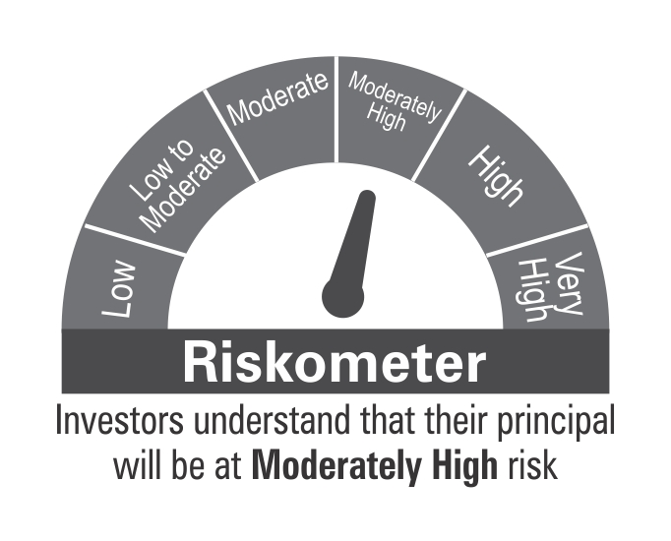

 | Benchmark Riskometer
 | CRISIL Hybrid 85+15 - Conservative Index

10YGF
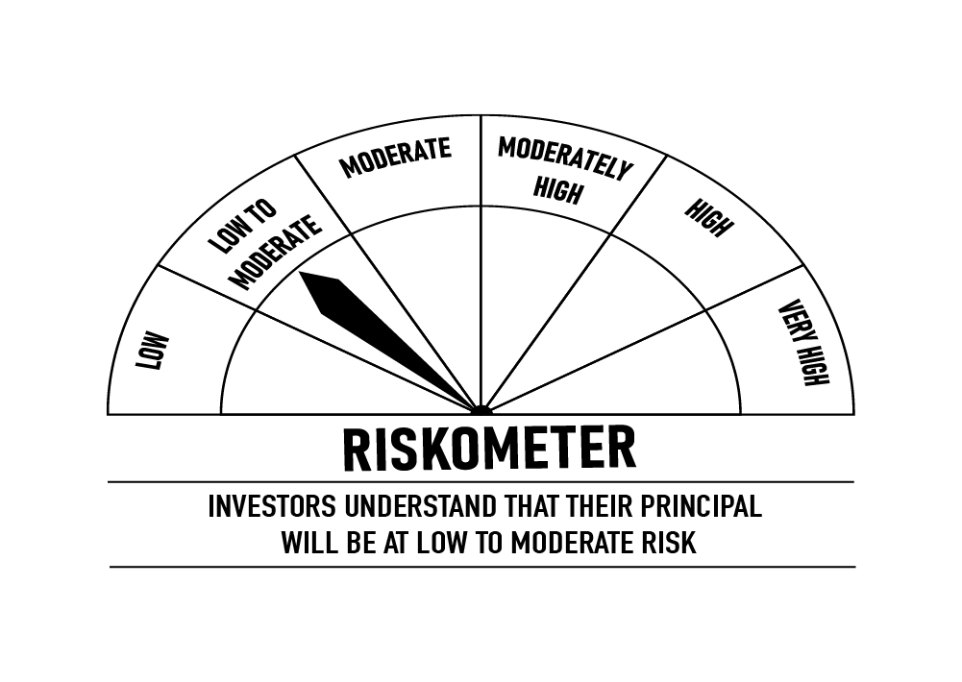
 | DSP 10Y G-Sec Fund
 | Portfolio as on November 30, 2021

Sr. No. | Name of Instrument | ISIN | Rating/Industry | Quantity | Market value (Rs. In lakhs) | % to Net Assets | Maturity Date | Put/Call Option | YTM (%)

 | DEBT INSTRUMENTS
 | Government Securities (Central/state)
1 | 6.10% GOI 12072031 | IN0020210095 | SOV | 4,934,000 | 4,969.55 | 97.96% | 12-Jul-2031 |  | 6.33 | Sector/Rating | Percent
 | Total |  |  |  | 4,969.55 | 97.96% |  |  |  | SOV | 97.96%
 |  |  |  |  |  |  |  |  |  | Cash & Equivalent | 2.04%
 | MONEY MARKET INSTRUMENTS
2 | TREPS / Reverse Repo Investments / Corporate Debt Repo |  |  |  | 97.03 | 1.91% | 01-Dec-2021
 | Total |  |  |  | 97.03 | 1.91%

 | Cash & Cash Equivalent
 | Net Receivables/Payables |  |  |  | 6.61 | 0.13%
 | Total |  |  |  | 6.61 | 0.13%

 | GRAND TOTAL |  |  |  | 5,073.19 | 100.00%
Notes:
1 | Market value includes accrued interest
2 | Net Assets does not include unit activity for the date of the Portfolios.

 | Scheme Riskometer

 | Benchmark Riskometer
 | CRISIL 10 Year Gilt Index

OVERNIGHT
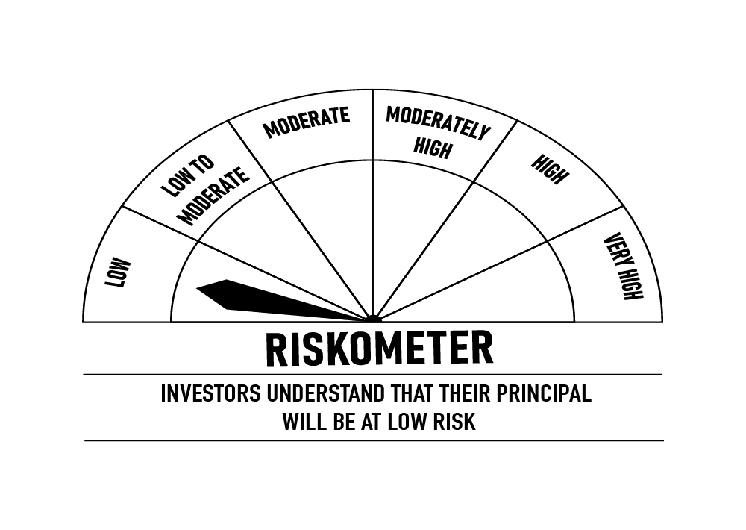
 | DSP Overnight Fund
 | Portfolio as on November 30, 2021

Sr. No. | Name of Instrument | ISIN | Rating/Industry | Quantity | Market value (Rs. In lakhs) | % to Net Assets | Maturity Date | Put/Call Option | YTM (%)

 | MONEY MARKET INSTRUMENTS
1 | TREPS / Reverse Repo Investments / Corporate Debt Repo |  |  |  | 191,070.67 | 99.21% | 01-Dec-2021
 | Total |  |  |  | 191,070.67 | 99.21%

 | Cash & Cash Equivalent
 | Net Receivables/Payables |  |  |  | 1,517.80 | 0.79%
 | Total |  |  |  | 1,517.80 | 0.79%

 | GRAND TOTAL |  |  |  | 192,588.47 | 100.00%
Notes:
1 | Market value includes accrued interest
2 | Net Assets does not include unit activity for the date of the Portfolios.
3 | As per the investment policy of DSP Overnight Fund, the Fund does not invest in Corporate Debt Repo

 | Scheme Riskometer

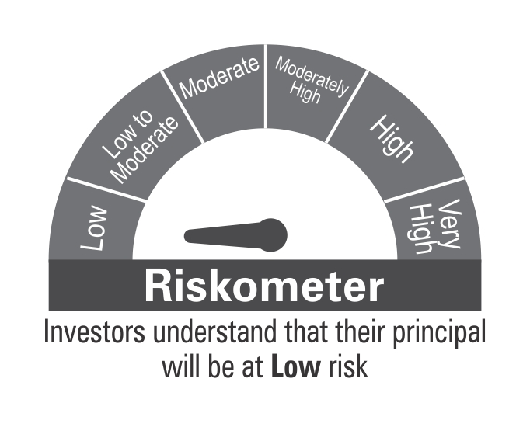

 | Benchmark Riskometer
 | CRISIL Overnight Index

