LIQUID
 | DSP Liquidity Fund
 | Portfolio as on April 30, 2023

Sr. No. | Name of Instrument | ISIN | Rating/Industry | Quantity | Market value (Rs. In lakhs) | % to Net Assets | Maturity Date | Put/Call Option | YTM (%)

 | DEBT INSTRUMENTS
 | BOND & NCD's
 | Listed / awaiting listing on the stock exchanges |  |  |  |  |  |  |  |  | Sector/Rating | Percent
1 | Indian Railway Finance Corporation Limited** | INE053F07CU1 | CRISIL AAA | 550 | 5,648.86 | 0.60% | 5-May-23 |  | 7.34 | CRISIL A1+ | 62.72%
2 | Power Finance Corporation Limited** | INE134E08KS7 | CRISIL AAA | 300 | 3,189.11 | 0.34% | 22-May-23 |  | 7.30 | Sovereign | 23.68%
 | Total |  |  |  | 8,837.97 | 0.94% |  |  |  | ICRA A1+ | 5.82%
 |  |  |  |  |  |  |  |  |  | IND A1+ | 5.37%
 | MONEY MARKET INSTRUMENTS |  |  |  |  |  |  |  |  | CARE A1+ | 1.06%
 | Certificate of Deposit |  |  |  |  |  |  |  |  | CRISIL AAA | 0.94%
3 | Punjab National Bank** | INE160A16NB3 | CRISIL A1+ | 8,000 | 39,659.84 | 4.23% | 14-Jun-23 |  | 7.12 | Cash & Equivalent | 0.41%
4 | Canara Bank** | INE476A16VB6 | CRISIL A1+ | 7,000 | 34,893.18 | 3.72% | 17-May-23 |  | 6.98
5 | Bank of Baroda** | INE028A16CW1 | IND A1+ | 5,000 | 24,980.78 | 2.66% | 5-May-23 |  | 7.02
6 | Kotak Mahindra Bank Limited** | INE237A164O2 | CRISIL A1+ | 4,000 | 19,885.58 | 2.12% | 31-May-23 |  | 7.00
7 | Union Bank of India** | INE692A16FZ0 | ICRA A1+ | 4,000 | 19,880.04 | 2.12% | 1-Jun-23 |  | 7.10
8 | ICICI Bank Limited** | INE090A165Y4 | ICRA A1+ | 3,000 | 14,834.98 | 1.58% | 28-Jun-23 |  | 7.00
9 | HDFC Bank Limited** | INE040A16DF9 | IND A1+ | 2,100 | 10,471.28 | 1.12% | 15-May-23 |  | 7.15
10 | Canara Bank** | INE476A16VA8 | CRISIL A1+ | 2,000 | 9,967.57 | 1.06% | 18-May-23 |  | 6.99
11 | Canara Bank** | INE476A16VD2 | CRISIL A1+ | 2,000 | 9,959.97 | 1.06% | 22-May-23 |  | 6.99
12 | Canara Bank** | INE476A16VC4 | CRISIL A1+ | 2,000 | 9,952.39 | 1.06% | 26-May-23 |  | 6.99
13 | Indian Bank** | INE562A16LP4 | CRISIL A1+ | 2,000 | 9,925.34 | 1.06% | 9-Jun-23 |  | 7.04
14 | Punjab National Bank** | INE160A16NE7 | CRISIL A1+ | 2,000 | 9,897.74 | 1.06% | 23-Jun-23 |  | 7.12
15 | Small Industries Development Bank of India** | INE556F16960 | CRISIL A1+ | 1,500 | 7,458.22 | 0.80% | 30-May-23 |  | 7.05
16 | Axis Bank Limited** | INE238AD6165 | CRISIL A1+ | 1,500 | 7,446.67 | 0.79% | 7-Jun-23 |  | 7.07
17 | Axis Bank Limited** | INE238AD6249 | CRISIL A1+ | 1,000 | 4,986.27 | 0.53% | 15-May-23 |  | 7.18
18 | Bank of Baroda** | INE028A16DB3 | IND A1+ | 1,000 | 4,962.88 | 0.53% | 9-Jun-23 |  | 7.00
19 | Union Bank of India** | INE692A16GD5 | ICRA A1+ | 1,000 | 4,962.33 | 0.53% | 9-Jun-23 |  | 7.11
20 | HDFC Bank Limited** | INE040A16DH5 | IND A1+ | 1,000 | 4,926.12 | 0.53% | 17-Jul-23 |  | 7.11
21 | Axis Bank Limited** | INE238AD6314 | CRISIL A1+ | 500 | 2,485.57 | 0.27% | 31-May-23 |  | 7.07
 | Total |  |  |  | 251,536.75 | 26.83%

 | Commercial Papers
 | Listed / awaiting listing on the stock exchanges
22 | Reliance Industries Limited** | INE002A14JU0 | CRISIL A1+ | 10,000 | 49,758.05 | 5.31% | 26-May-23 |  | 7.10
23 | Small Industries Development Bank of India** | INE556F14IX0 | CRISIL A1+ | 5,000 | 24,786.65 | 2.64% | 14-Jun-23 |  | 7.14
24 | Reliance Industries Limited** | INE002A14JQ8 | CRISIL A1+ | 5,000 | 24,760.05 | 2.64% | 20-Jun-23 |  | 7.07
25 | Small Industries Development Bank of India** | INE556F14IZ5 | CRISIL A1+ | 5,000 | 24,748.25 | 2.64% | 22-Jun-23 |  | 7.14
26 | Larsen & Toubro Limited** | INE018A14JO9 | CRISIL A1+ | 4,000 | 19,889.08 | 2.12% | 30-May-23 |  | 7.02
27 | National Bank for Agriculture and Rural Development** | INE261F14JQ9 | CRISIL A1+ | 4,000 | 19,887.42 | 2.12% | 30-May-23 |  | 7.12
28 | ICICI Securities Limited** | INE763G14PB1 | CRISIL A1+ | 4,000 | 19,844.88 | 2.12% | 9-Jun-23 |  | 7.32
29 | Shree Cement Limited** | INE070A14703 | CRISIL A1+ | 4,000 | 19,834.92 | 2.12% | 13-Jun-23 |  | 7.07
30 | National Bank for Agriculture and Rural Development** | INE261F14JV9 | CRISIL A1+ | 4,000 | 19,756.86 | 2.11% | 3-Jul-23 |  | 7.13
31 | Small Industries Development Bank of India** | INE556F14JC2 | CRISIL A1+ | 4,000 | 19,665.78 | 2.10% | 27-Jul-23 |  | 7.13
32 | ICICI Securities Primary Dealership Limited** | INE849D14HD8 | CRISIL A1+ | 4,000 | 19,665.34 | 2.10% | 24-Jul-23 |  | 7.39
33 | Birla Group Holdings Private Limited** | INE09OL14CZ4 | CRISIL A1+ | 4,000 | 19,664.64 | 2.10% | 21-Jul-23 |  | 7.69
34 | ICICI Securities Limited** | INE763G14OQ2 | CRISIL A1+ | 3,000 | 14,979.08 | 1.60% | 8-May-23 |  | 7.28
35 | National Bank for Agriculture and Rural Development** | INE261F14JT3 | CRISIL A1+ | 2,500 | 12,372.00 | 1.32% | 23-Jun-23 |  | 7.13
36 | Deutsche Investments India Private Limited** | INE144H14FK4 | CRISIL A1+ | 2,000 | 9,997.97 | 1.07% | 2-May-23 |  | 7.43
37 | Cholamandalam Investment and Finance Company Limited** | INE121A14UV3 | CRISIL A1+ | 2,000 | 9,978.05 | 1.06% | 12-May-23 |  | 7.30
38 | Standard Chartered Capital Limited** | INE403G14PW0 | CRISIL A1+ | 2,000 | 9,977.44 | 1.06% | 12-May-23 |  | 7.50
39 | National Bank for Agriculture and Rural Development** | INE261F14JO4 | CRISIL A1+ | 2,000 | 9,972.58 | 1.06% | 15-May-23 |  | 7.17
40 | Nirma Limited** | INE091A14DI1 | CRISIL A1+ | 2,000 | 9,965.75 | 1.06% | 18-May-23 |  | 7.38
41 | Standard Chartered Capital Limited** | INE403G14PT6 | CRISIL A1+ | 2,000 | 9,963.10 | 1.06% | 19-May-23 |  | 7.51
42 | Network18 Media & Investments Limited** | INE870H14PV0 | ICRA A1+ | 2,000 | 9,916.65 | 1.06% | 13-Jun-23 |  | 7.14
43 | Julius Baer Capital (India) Private Limited** | INE824H14LC6 | CRISIL A1+ | 2,000 | 9,910.16 | 1.06% | 14-Jun-23 |  | 7.52
44 | Poonawalla Fincorp Limited** | INE511C14UY5 | CARE A1+ | 2,000 | 9,900.32 | 1.06% | 20-Jun-23 |  | 7.35
45 | Godrej & Boyce Manufacturing Company Limited** | INE982D14AN1 | CRISIL A1+ | 2,000 | 9,884.72 | 1.05% | 29-Jun-23 |  | 7.21
46 | Small Industries Development Bank of India** | INE556F14IS0 | CRISIL A1+ | 1,500 | 7,476.57 | 0.80% | 17-May-23 |  | 7.15
47 | Sundaram Home Finance Limited** | INE667F14GC3 | CRISIL A1+ | 1,500 | 7,443.94 | 0.79% | 8-Jun-23 |  | 7.23
48 | Godrej Properties Limited** | INE484J14QR2 | CRISIL A1+ | 1,500 | 7,420.97 | 0.79% | 22-Jun-23 |  | 7.47
49 | Network18 Media & Investments Limited** | INE870H14PU2 | ICRA A1+ | 1,000 | 4,959.28 | 0.53% | 12-Jun-23 |  | 7.14
50 | CEAT Limited** | INE482A14BO4 | IND A1+ | 1,000 | 4,957.74 | 0.53% | 13-Jun-23 |  | 7.24
51 | Redington Limited** | INE891D14WZ2 | CRISIL A1+ | 1,000 | 4,953.46 | 0.53% | 16-Jun-23 |  | 7.46
52 | Redington Limited** | INE891D14XB1 | CRISIL A1+ | 1,000 | 4,947.46 | 0.53% | 22-Jun-23 |  | 7.45
 | Total |  |  |  | 451,239.16 | 48.14%

 | Treasury Bill
53 | 182 DAYS T-BILL 2023 | IN002022Y344 | Sovereign | 80,500,000 | 80,251.01 | 8.56% | 18-May-23 |  | 6.66
54 | 182 DAYS T-BILL 2023 | IN002022Y369 | Sovereign | 50,000,000 | 49,715.00 | 5.30% | 1-Jun-23 |  | 6.75
55 | 91 DAYS T-BILL 2023 | IN002022X452 | Sovereign | 42,000,000 | 41,923.60 | 4.47% | 11-May-23 |  | 6.65
56 | 364 DAYS T-BILL 2023 | IN002022Z093 | Sovereign | 11,500,000 | 11,434.45 | 1.22% | 1-Jun-23 |  | 6.75
57 | 182 DAYS T-BILL 2023 | IN002022Y385 | Sovereign | 8,000,000 | 7,934.07 | 0.85% | 15-Jun-23 |  | 6.74
58 | 364 DAYS T-BILL 2023 | IN002022Z127 | Sovereign | 7,500,000 | 7,428.78 | 0.79% | 22-Jun-23 |  | 6.73
59 | 182 DAYS T-BILL 2023 | IN002022Y393 | Sovereign | 7,500,000 | 7,428.78 | 0.79% | 22-Jun-23 |  | 6.73
60 | 364 DAYS T-BILL 2023 | IN002022Z119 | Sovereign | 7,000,000 | 6,942.19 | 0.74% | 15-Jun-23 |  | 6.75
61 | 182 DAYS T-BILL 2023 | IN002022Y336 | Sovereign | 4,500,000 | 4,491.83 | 0.48% | 11-May-23 |  | 6.64
62 | 364 DAYS T-BILL 2023 | IN002022Z077 | Sovereign | 2,500,000 | 2,492.28 | 0.27% | 18-May-23 |  | 6.66
63 | 364 DAYS T-BILL 2023 | IN002022Z135 | Sovereign | 2,000,000 | 1,978.48 | 0.21% | 29-Jun-23 |  | 6.73
 | Total |  |  |  | 222,020.47 | 23.68%

64 | TREPS / Reverse Repo Investments / Corporate Debt Repo |  |  |  | 3,846.09 | 0.41% | 2-May-23
 | Total |  |  |  | 3,846.09 | 0.41%

 | Cash & Cash Equivalent
 | Net Receivables/Payables |  |  |  | 38.84 | *
 | Total |  |  |  | 38.84 | *

 | GRAND TOTAL |  |  |  | 937,519.28 | 100.00%
Notes:
1 | ** Non Traded in accordance with SEBI Regulations.
2 | * Less than 0.01%
3 | As on April 30,2023, the aggregate investments by the schemes of DSP Mutual Fund in DSP Liquidity Fund is Rs. 2,841.69 Lakhs.
4 | Market value includes accrued interest

 | Scheme Riskometer


 | Benchmark Riskometer: CRISIL Liquid Fund B-I Index

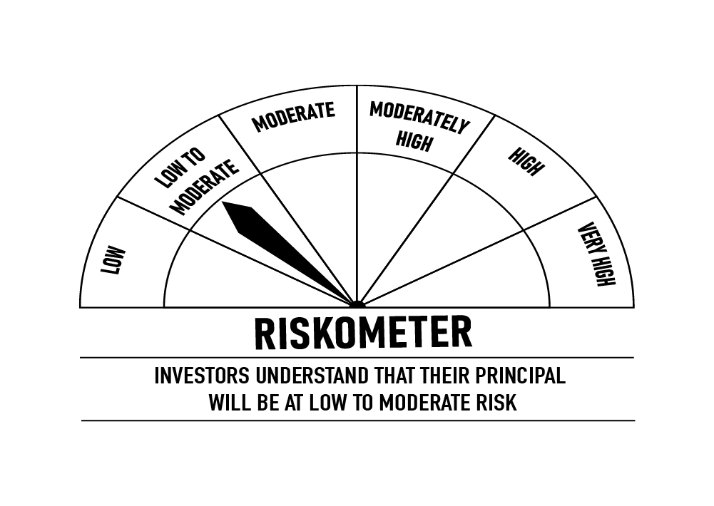

 |  | Portfolio Information
 | Scheme Name: | DSP Liquidity Fund
 | Description (if any)
 | Annualised Portfolio YTM*: | 7.05%
 | Macaulay Duration | 0.09
 | Residual Maturity | 0.10
 | As on (Date) | 30-Apr-23
 | * In case of semi-annual YTM, it will be annualised

ULTRA
 | DSP Ultra Short Fund
 | Portfolio as on April 30, 2023

Sr. No. | Name of Instrument | ISIN | Rating/Industry | Quantity | Market value (Rs. In lakhs) | % to Net Assets | Maturity Date | Put/Call Option | YTM (%)

 | DEBT INSTRUMENTS
 | BOND & NCD's
 | Listed / awaiting listing on the stock exchanges |  |  |  |  |  |  |  |  | Sector/Rating | Percent
1 | Sikka Ports & Terminals Limited** | INE941D07190 | CRISIL AAA | 250 | 2,655.82 | 1.01% | 16-Jun-23 |  | 7.23 | CRISIL A1+ | 49.37%
2 | LIC Housing Finance Limited** | INE115A07OV2 | CARE AAA | 250 | 2,575.28 | 0.98% | 25-Aug-23 |  | 7.45 | Sovereign | 19.88%
3 | Power Finance Corporation Limited** | INE134E08KS7 | CRISIL AAA | 160 | 1,700.86 | 0.65% | 22-May-23 |  | 7.30 | IND A1+ | 15.36%
4 | National Housing Bank** | INE557F08FJ5 | CRISIL AAA | 50 | 527.68 | 0.20% | 15-May-23 |  | 7.30 | ICRA A1+ | 6.48%
 | Total |  |  |  | 7,459.64 | 2.84% |  |  |  | CRISIL AAA | 1.86%
 |  |  |  |  |  |  |  |  |  | CARE AAA | 0.98%
 | Government Securities (Central/State) |  |  |  |  |  |  |  |  | Cash & Equivalent | 6.07%
5 | 7.16% GOI 2023 | IN0020130012 | Sovereign | 15,000,000 | 15,483.09 | 5.90% | 20-May-23 |  | 6.69
6 | 0% GOI 2023 | IN001023C034 | Sovereign | 563,000 | 545.87 | 0.21% | 12-Oct-23 |  | 6.98
 | Total |  |  |  | 16,028.96 | 6.11%

 | MONEY MARKET INSTRUMENTS
 | Certificate of Deposit
7 | HDFC Bank Limited** | INE040A16DK9 | IND A1+ | 3,500 | 17,050.56 | 6.50% | 12-Sep-23 |  | 7.18
8 | ICICI Bank Limited** | INE090A165Y4 | ICRA A1+ | 2,000 | 9,889.99 | 3.77% | 28-Jun-23 |  | 7.00
9 | The Federal Bank Limited** | INE171A16KT8 | CRISIL A1+ | 1,500 | 7,033.90 | 2.68% | 20-Mar-24 |  | 7.47
10 | Canara Bank** | INE476A16UO1 | CRISIL A1+ | 1,000 | 4,939.60 | 1.88% | 3-Jul-23 |  | 7.08
11 | Canara Bank** | INE476A16TW6 | CRISIL A1+ | 1,000 | 4,890.04 | 1.86% | 23-Aug-23 |  | 7.20
12 | Kotak Mahindra Bank Limited** | INE237A162Q1 | CRISIL A1+ | 1,000 | 4,881.72 | 1.86% | 1-Sep-23 |  | 7.19
13 | State Bank of India** | INE062A16465 | IND A1+ | 1,000 | 4,872.11 | 1.86% | 12-Sep-23 |  | 7.15
14 | Axis Bank Limited** | INE238AD6116 | CRISIL A1+ | 1,000 | 4,821.79 | 1.84% | 2-Nov-23 |  | 7.29
15 | Bank of Baroda** | INE028A16CZ4 | IND A1+ | 1,000 | 4,796.92 | 1.83% | 30-Nov-23 |  | 7.26
16 | Axis Bank Limited** | INE238AD6173 | CRISIL A1+ | 1,000 | 4,796.84 | 1.83% | 29-Nov-23 |  | 7.29
17 | Union Bank of India** | INE692A16FV9 | ICRA A1+ | 1,000 | 4,729.30 | 1.80% | 6-Feb-24 |  | 7.44
18 | State Bank of India** | INE062A16481 | IND A1+ | 1,000 | 4,699.75 | 1.79% | 15-Mar-24 |  | 7.31
19 | Axis Bank Limited** | INE238AD6389 | CRISIL A1+ | 1,000 | 4,697.36 | 1.79% | 14-Mar-24 |  | 7.40
20 | HDFC Bank Limited** | INE040A16DU8 | IND A1+ | 1,000 | 4,693.76 | 1.79% | 20-Mar-24 |  | 7.35
21 | Small Industries Development Bank of India** | INE556F16AA0 | CRISIL A1+ | 800 | 3,896.99 | 1.48% | 12-Sep-23 |  | 7.20
22 | Bank of Baroda** | INE028A16CT7 | IND A1+ | 500 | 2,447.92 | 0.93% | 17-Aug-23 |  | 7.19
23 | Export-Import Bank of India** | INE514E16CD2 | CRISIL A1+ | 500 | 2,442.50 | 0.93% | 29-Aug-23 |  | 7.16
24 | Canara Bank** | INE476A16UR4 | CRISIL A1+ | 500 | 2,441.72 | 0.93% | 30-Aug-23 |  | 7.20
25 | Canara Bank** | INE476A16UN3 | CRISIL A1+ | 500 | 2,396.70 | 0.91% | 4-Dec-23 |  | 7.25
26 | ICICI Bank Limited** | INE090A161Z0 | ICRA A1+ | 500 | 2,392.91 | 0.91% | 12-Dec-23 |  | 7.26
27 | Canara Bank** | INE476A16UL7 | CRISIL A1+ | 500 | 2,391.68 | 0.91% | 15-Dec-23 |  | 7.25
28 | Kotak Mahindra Bank Limited** | INE237A165R2 | CRISIL A1+ | 500 | 2,386.09 | 0.91% | 27-Dec-23 |  | 7.26
29 | Small Industries Development Bank of India** | INE556F16AE2 | CRISIL A1+ | 500 | 2,378.05 | 0.91% | 11-Jan-24 |  | 7.34
30 | Axis Bank Limited** | INE238AD6280 | CRISIL A1+ | 500 | 2,377.50 | 0.91% | 11-Jan-24 |  | 7.38
31 | National Bank for Agriculture and Rural Development** | INE261F16694 | CRISIL A1+ | 500 | 2,365.86 | 0.90% | 6-Feb-24 |  | 7.37
32 | Indian Bank** | INE562A16LM1 | CRISIL A1+ | 500 | 2,351.25 | 0.90% | 7-Mar-24 |  | 7.43
33 | The Federal Bank Limited** | INE171A16KE0 | CRISIL A1+ | 290 | 1,446.03 | 0.55% | 15-May-23 |  | 7.15
34 | IndusInd Bank Limited** | INE095A16P93 | CRISIL A1+ | 290 | 1,441.62 | 0.55% | 31-May-23 |  | 7.08
35 | Bank of Baroda** | INE028A16CW1 | IND A1+ | 270 | 1,348.96 | 0.51% | 5-May-23 |  | 7.02
36 | HDFC Bank Limited** | INE040A16DF9 | IND A1+ | 80 | 398.91 | 0.15% | 15-May-23 |  | 7.15
37 | Axis Bank Limited** | INE238AD6249 | CRISIL A1+ | 80 | 398.90 | 0.15% | 15-May-23 |  | 7.18
38 | Small Industries Development Bank of India** | INE556F16960 | CRISIL A1+ | 80 | 397.77 | 0.15% | 30-May-23 |  | 7.05
39 | Kotak Mahindra Bank Limited** | INE237A164O2 | CRISIL A1+ | 80 | 397.71 | 0.15% | 31-May-23 |  | 7.00
 | Total |  |  |  | 122,892.71 | 46.82%

 | Commercial Papers
 | Listed / awaiting listing on the stock exchanges
40 | Small Industries Development Bank of India** | INE556F14JB4 | CRISIL A1+ | 1,500 | 7,046.72 | 2.68% | 15-Mar-24 |  | 7.36
41 | Nuvama Wealth and Investment Limited** | INE523L14328 | CRISIL A1+ | 1,000 | 4,967.32 | 1.89% | 30-May-23 |  | 8.28
42 | Nuvama Wealth Finance Limited** | INE918K14983 | CRISIL A1+ | 1,000 | 4,965.23 | 1.89% | 30-May-23 |  | 8.82
43 | LIC Housing Finance Limited** | INE115A14DU3 | CRISIL A1+ | 1,000 | 4,898.70 | 1.87% | 11-Aug-23 |  | 7.40
44 | Housing Development Finance Corporation Limited** | INE001A14ZJ1 | CRISIL A1+ | 1,000 | 4,881.24 | 1.86% | 29-Aug-23 |  | 7.40
45 | Motilal Oswal Financial Services Limited** | INE338I14EO5 | CRISIL A1+ | 1,000 | 4,858.53 | 1.85% | 4-Sep-23 |  | 8.43
46 | Motilal Oswal Finvest Limited** | INE01WN14793 | CRISIL A1+ | 1,000 | 4,846.28 | 1.85% | 11-Sep-23 |  | 8.70
47 | Housing Development Finance Corporation Limited** | INE001A14ZR4 | CRISIL A1+ | 1,000 | 4,836.04 | 1.84% | 13-Oct-23 |  | 7.50
48 | Fedbank Financial Services Limited** | INE007N14DM2 | CRISIL A1+ | 1,000 | 4,651.12 | 1.77% | 20-Mar-24 |  | 8.45
49 | Housing Development Finance Corporation Limited** | INE001A14ZK9 | CRISIL A1+ | 500 | 2,440.14 | 0.93% | 30-Aug-23 |  | 7.40
50 | Housing Development Finance Corporation Limited** | INE001A14ZT0 | CRISIL A1+ | 500 | 2,397.83 | 0.91% | 23-Nov-23 |  | 7.55
51 | Housing Development Finance Corporation Limited** | INE001A14ZZ7 | CRISIL A1+ | 500 | 2,382.23 | 0.91% | 26-Dec-23 |  | 7.55
52 | Housing Development Finance Corporation Limited** | INE001A14A38 | CRISIL A1+ | 500 | 2,361.81 | 0.90% | 6-Feb-24 |  | 7.60
53 | Fullerton India Credit Company Ltd** | INE535H14IR2 | CRISIL A1+ | 500 | 2,336.25 | 0.89% | 18-Mar-24 |  | 7.95
54 | Bajaj Finance Limited** | INE296A14TX1 | CRISIL A1+ | 300 | 1,493.53 | 0.57% | 23-May-23 |  | 7.19
55 | Hero Fincorp Limited** | INE957N14GR0 | CRISIL A1+ | 300 | 1,490.61 | 0.57% | 31-May-23 |  | 7.66
56 | Motilal Oswal Financial Services Limited** | INE338I14EE6 | CRISIL A1+ | 280 | 1,390.66 | 0.53% | 31-May-23 |  | 8.17
57 | Motilal Oswal Finvest Limited** | INE01WN14702 | CRISIL A1+ | 280 | 1,390.36 | 0.53% | 31-May-23 |  | 8.43
58 | Housing Development Finance Corporation Limited** | INE001A14YV9 | CRISIL A1+ | 80 | 398.75 | 0.15% | 17-May-23 |  | 7.16
 | Total |  |  |  | 64,033.35 | 24.39%

 | Treasury Bill
59 | 182 DAYS T-BILL 2023 | IN002022Y518 | Sovereign | 12,500,000 | 12,185.48 | 4.64% | 14-Sep-23 |  | 6.93
60 | 182 DAYS T-BILL 2023 | IN002022Y526 | Sovereign | 9,500,000 | 9,247.18 | 3.52% | 22-Sep-23 |  | 6.93
61 | 182 DAYS T-BILL 2023 | IN002022Y419 | Sovereign | 7,500,000 | 7,409.92 | 2.82% | 6-Jul-23 |  | 6.72
62 | 182 DAYS T-BILL 2023 | IN002022Y500 | Sovereign | 7,500,000 | 7,321.08 | 2.79% | 7-Sep-23 |  | 6.92
 | Total |  |  |  | 36,163.66 | 13.77%

63 | TREPS / Reverse Repo Investments / Corporate Debt Repo |  |  |  | 15,434.19 | 5.88% | 2-May-23
 | Total |  |  |  | 15,434.19 | 5.88%

 | Cash & Cash Equivalent
 | Net Receivables/Payables |  |  |  | 498.16 | 0.19%
 | Total |  |  |  | 498.16 | 0.19%

 | GRAND TOTAL |  |  |  | 262,510.67 | 100.00%
Notes:
1 | ** Non Traded in accordance with SEBI Regulations.
2 | Market value includes accrued interest
3 | Pursuant to SEBI circular SEBI/HO/IMD/DF4/CIR/P/2019/102 dated September 24, 2019 read with circular no. SEBI/HO/IMD/DF4/CIR/P/2019/41 dated March 22, 2019. Below are the details of the securities in case of which issuer has defaulted beyond its maturity date.
 | Security Name | ISIN | value of the security considered under net receivables (i.e. value recognized in NAV in absolute terms and as % to NAV) (Rs.in lakhs) |  | total amount (including principal and interest) that is due to the scheme on that investment (Rs.in lakhs)
 | 0% IL&FS Transportation Networks Limited NCD Series A 23032019 | INE975G08140 | 0.00 | 0.00% | 6,627.81

 | Scheme Riskometer

 | Benchmark Riskometer: CRISIL Ultra Short Duration Fund B-I Index



 |  | Portfolio Information
 | Scheme Name: | DSP Ultra Short Fund
 | Description (if any)
 | Annualised Portfolio YTM*: | 7.30%
 | Macaulay Duration | 0.39
 | Residual Maturity | 0.40
 | As on (Date) | 30-Apr-23
 | * In case of semi-annual YTM, it will be annualised

CREDITRISK
 | DSP Credit Risk Fund
 | Portfolio as on April 30, 2023

Sr. No. | Name of Instrument | ISIN | Rating/Industry | Quantity | Market value (Rs. In lakhs) | % to Net Assets | Maturity Date | Put/Call Option | YTM (%)

 | DEBT INSTRUMENTS
 | BOND & NCD's
 | Listed / awaiting listing on the stock exchanges |  |  |  |  |  |  |  |  | Sector/Rating | Percent
1 | Tata Motors Limited** | INE155A08191 | ICRA AA- | 150 | 1,635.54 | 7.99% | 20-Aug-24 |  | 7.89 | Sovereign | 24.34%
2 | Tata Power Company Limited** | INE245A08182 | IND AA | 150 | 1,615.81 | 7.89% | 31-Aug-23 |  | 7.43 | ICRA AA | 20.20%
3 | Piramal Capital & Housing Finance Limited** | INE516Y07386 | ICRA AA | 150,000 | 1,597.41 | 7.80% | 23-Sep-23 |  | 8.20 | CRISIL AA | 15.33%
4 | Godrej Industries Limited** | INE233A08048 | CRISIL AA | 150 | 1,570.33 | 7.67% | 14-May-25 |  | 8.01 | IND AA | 15.31%
5 | Nuvoco Vistas Corporation Limited** | INE118D07195 | CRISIL AA | 150 | 1,567.07 | 7.66% | 28-Aug-25 |  | 8.08 | ICRA AA- | 7.99%
6 | JSW Steel Limited** | INE019A07431 | IND AA | 150 | 1,519.25 | 7.42% | 12-Oct-27 | PU - 10-Oct-2025 CA - 10-Oct-2025 | 8.27 | CARE AA- | 5.07%
7 | Kirloskar Ferrous Industries Ltd** | INE884B08012 | ICRA AA | 150 | 1,494.19 | 7.30% | 10-Mar-24 |  | 8.24 | CRISIL AAA | 4.78%
8 | Motilal Oswal Finvest Limited** | INE01WN07060 | ICRA AA | 100 | 1,043.35 | 5.10% | 1-Nov-24 |  | 9.32 | Cash & Equivalent | 6.98%
9 | Piramal Pharma Limited** | INE0DK507034 | CARE AA- | 100 | 1,038.41 | 5.07% | 3-Oct-25 |  | 8.47
10 | National Bank for Agriculture and Rural Development** | INE261F08DI1 | CRISIL AAA | 100 | 977.35 | 4.78% | 31-Jan-25 |  | 7.45
 | Total |  |  |  | 14,058.71 | 68.68%

 | Government Securities (Central/State)
11 | 7.38% GOI 2027 | IN0020220037 | Sovereign | 1,500,000 | 1,560.66 | 7.63% | 20-Jun-27 |  | 6.99
12 | 7.06% GOI 2028 | IN0020230010 | Sovereign | 1,000,000 | 1,006.44 | 4.92% | 10-Apr-28 |  | 7.00
13 | 5.22% GOI 2025 | IN0020200112 | Sovereign | 1,000,000 | 987.18 | 4.82% | 15-Jun-25 |  | 6.89
14 | 5.63% GOI 2026 | IN0020210012 | Sovereign | 500,000 | 483.97 | 2.36% | 12-Apr-26 |  | 6.96
 | Total |  |  |  | 4,038.25 | 19.73%

 | MONEY MARKET INSTRUMENTS
 | Treasury Bill
15 | 364 DAYS T-BILL 2024 | IN002022Z499 | Sovereign | 1,000,000 | 943.63 | 4.61% | 7-Mar-24 |  | 7.01
 | Total |  |  |  | 943.63 | 4.61%

16 | TREPS / Reverse Repo Investments / Corporate Debt Repo |  |  |  | 1,915.92 | 9.36% | 2-May-23
 | Total |  |  |  | 1,915.92 | 9.36%

 | Cash & Cash Equivalent
 | Net Receivables/Payables |  |  |  | (489.46) | -2.38%
 | Total |  |  |  | (489.46) | -2.38%

 | GRAND TOTAL |  |  |  | 20,467.05 | 100.00%
Notes:
1 | ** Non Traded in accordance with SEBI Regulations.
2 | Market value includes accrued interest
3 | In case of below securities, DSP Mutual Fund has ignored prices provided by valuation agencies. Disclosure vide circular no. SEBI/HO/IMD/DF4/CIR/P/2019/41 dated March 22, 2019 & SEBI/HO/IMD/DF4/CIR/P/2019/102 dated September 24,2019 for detailed rationale along with other details are available at the below mentioned links.
 | Name of the securities | No of Instances | Links
 | Il&Fs Energy Development Company Limited (Maturity Date : 28-Jun-2019) | 309 | https://www.dspim.com/media/pages/mandatory-disclosures/disclosures-for-deviation-in-valuation-price/629941b637-1680288478/il-amp-fs-energy-devlopment-company-limited.pdf
 | Il&Fs Energy Development Company Limited (Maturity Date : 07-Jun-2019) | 309 | https://www.dspim.com/media/pages/mandatory-disclosures/disclosures-for-deviation-in-valuation-price/629941b637-1680288478/il-amp-fs-energy-devlopment-company-limited.pdf
 | Pursuant to SEBI circular SEBI/HO/IMD/DF4/CIR/P/2019/102 dated September 24, 2019 read with circular no. SEBI/HO/IMD/DF4/CIR/P/2019/41 dated March 22, 2019. Below are the details of the securities in case of which issuer has defaulted beyond its maturity date.
 | Security Name | ISIN | value of the security considered under net receivables (i.e. value recognized in NAV in absolute terms and as % to NAV) (Rs.in lakhs) |  | total amount (including principal and interest) that is due to the scheme on that investment (Rs.in lakhs)
 | 0% IL&Fs Transportation Networks Limited Ncd Series A 23032019 | INE975G08140 | 0.00 | 0.00% | 23,396.18
 | 0% IL&Fs Energy Development Company Limited Ncd 07062019 | INE938L08049 | 0.00 | 0.00% | 13,861.96
 | 0% IL&FS Energy Development Company Limited Ncd 28062019 | INE938L08056 | 0.00 | 0.00% | 10,645.02

 | Scheme Riskometer

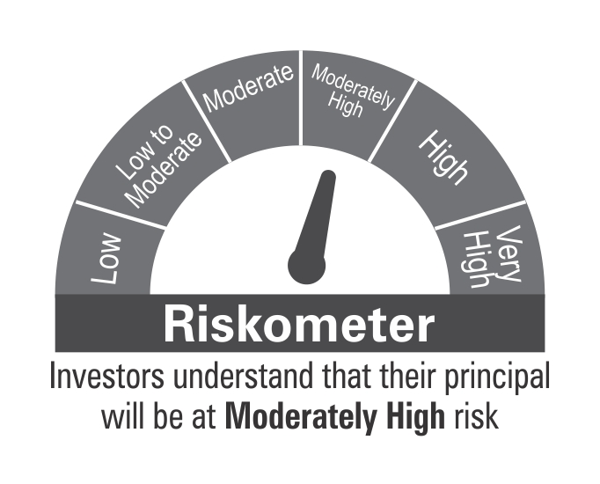

 | Benchmark Riskometer: CRISIL Credit Risk Fund C-III Index

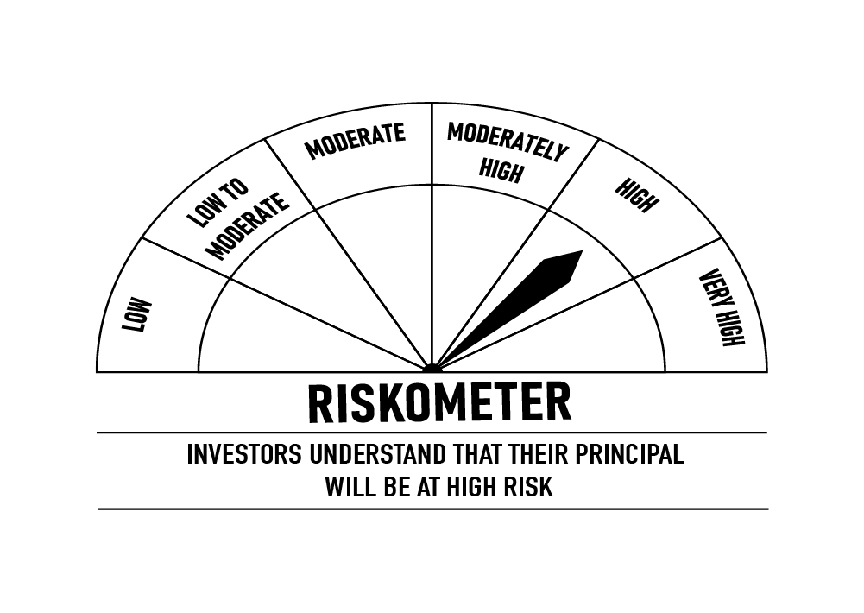

 |  | Portfolio Information
 | Scheme Name: | DSP Credit Risk Fund
 | Description (if any)
 | Annualised Portfolio YTM*: | 7.77%
 | Macaulay Duration | 1.63
 | Residual Maturity | 1.80
 | As on (Date) | 30-Apr-23
 | * In case of semi-annual YTM, it will be annualised

SHORT
 | DSP Short Term Fund
 | Portfolio as on April 30, 2023

Sr. No. | Name of Instrument | ISIN | Rating/Industry | Quantity | Market value (Rs. In lakhs) | % to Net Assets | Maturity Date | Put/Call Option | YTM (%)

 | DEBT INSTRUMENTS
 | BOND & NCD's
 | Listed / awaiting listing on the stock exchanges |  |  |  |  |  |  |  |  | Sector/Rating | Percent
1 | Power Finance Corporation Limited** | INE134E08LX5 | CRISIL AAA | 1,000 | 10,335.27 | 3.46% | 17-Jan-28 |  | 7.43 | CRISIL AAA | 43.94%
2 | Small Industries Development Bank of India** | INE556F08JY8 | ICRA AAA | 900 | 9,546.65 | 3.20% | 2-Jun-25 |  | 7.40 | Sovereign | 34.05%
3 | Kotak Mahindra Prime Limited** | INE916DA7RY8 | CRISIL AAA | 750 | 7,714.91 | 2.59% | 23-Dec-24 |  | 7.80 | ICRA AAA | 6.62%
4 | Bajaj Housing Finance Limited** | INE377Y07391 | CRISIL AAA | 750 | 7,707.49 | 2.58% | 12-Dec-25 |  | 7.89 | CRISIL AA+ | 5.12%
5 | Larsen & Toubro Limited** | INE018A08BE9 | CRISIL AAA | 7,500 | 7,604.87 | 2.55% | 28-Apr-28 |  | 7.40 | CARE AAA | 1.64%
6 | Mahindra & Mahindra Financial Services Limited** | INE774D07UW5 | CRISIL AAA | 7,500 | 7,583.98 | 2.54% | 28-Mar-25 |  | 8.02 | CRISIL AAA(CE) | 1.64%
7 | REC Limited** | INE020B08CK8 | CRISIL AAA | 750 | 7,520.18 | 2.52% | 20-Mar-25 |  | 7.40 | IND AA+ | 1.18%
8 | Muthoot Finance Limited** | INE414G07IF1 | CRISIL AA+ | 7,500 | 7,518.78 | 2.52% | 24-Apr-28 | PU - 25-May-2026 | 8.49 | CRISIL A1+ | 0.80%
9 | Housing Development Finance Corporation Limited** | INE001A07TI0 | CRISIL AAA | 750 | 7,338.69 | 2.46% | 25-Feb-25 |  | 7.83 | Cash & Equivalent | 5.01%
10 | Hindustan Petroleum Corporation Limited** | INE094A08127 | CRISIL AAA | 500 | 5,256.90 | 1.76% | 30-Jul-25 |  | 7.36
11 | Bharti Telecom Limited** | INE403D08165 | CRISIL AA+ | 500 | 5,184.64 | 1.74% | 12-Dec-25 |  | 8.39
12 | Small Industries Development Bank of India** | INE556F08KG3 | CRISIL AAA | 5,000 | 5,120.19 | 1.72% | 10-Feb-26 |  | 7.47
13 | Power Finance Corporation Limited** | INE134E08MK0 | CRISIL AAA | 5,000 | 5,070.38 | 1.70% | 15-Sep-26 |  | 7.45
14 | NIIF Infrastructure Finance Limited** | INE246R07566 | ICRA AAA | 500 | 4,985.82 | 1.67% | 16-Feb-24 |  | 7.83
15 | Indian Oil Corporation Limited** | INE242A08452 | CRISIL AAA | 500 | 4,970.25 | 1.67% | 6-Mar-25 |  | 7.31
16 | Small Industries Development Bank of India** | INE556F08JU6 | CARE AAA | 500 | 4,902.60 | 1.64% | 21-Feb-25 |  | 7.41
17 | L&T Metro Rail Hyderabad Limited** | INE128M08060 | CRISIL AAA(CE) | 500 | 4,892.47 | 1.64% | 30-Apr-25 |  | 7.58
18 | Hindustan Petroleum Corporation Limited** | INE094A08036 | CRISIL AAA | 450 | 4,704.32 | 1.58% | 14-Aug-24 |  | 7.33
19 | Cholamandalam Investment and Finance Company Limited** | INE121A07OI7 | IND AA+ | 350 | 3,534.50 | 1.18% | 11-Apr-24 |  | 7.97
20 | Export-Import Bank of India** | INE514E08FY8 | CRISIL AAA | 250 | 2,662.73 | 0.89% | 5-Jun-25 |  | 7.22
21 | NIIF Infrastructure Finance Limited** | INE246R07384 | ICRA AAA | 250 | 2,646.77 | 0.89% | 7-Nov-24 |  | 8.00
22 | Bajaj Finance Limited** | INE296A07SA5 | CRISIL AAA | 250 | 2,626.39 | 0.88% | 12-Jul-24 |  | 7.80
23 | Housing Development Finance Corporation Limited** | INE001A07TS9 | CRISIL AAA | 250 | 2,576.75 | 0.86% | 18-Nov-25 |  | 7.84
24 | REC Limited** | INE020B08ED9 | CRISIL AAA | 2,500 | 2,566.94 | 0.86% | 30-Jun-26 |  | 7.41
25 | REC Limited** | INE020B08EH0 | CRISIL AAA | 2,500 | 2,557.33 | 0.86% | 31-Mar-28 |  | 7.44
26 | Muthoot Finance Limited** | INE414G07HT4 | CRISIL AA+ | 2,500 | 2,555.21 | 0.86% | 25-Aug-25 |  | 8.30
27 | National Housing Bank** | INE557F08FG1 | CRISIL AAA | 250 | 2,553.22 | 0.86% | 18-Dec-24 |  | 7.32
28 | Sundaram Finance Limited** | INE660A07QX8 | ICRA AAA | 250 | 2,552.86 | 0.86% | 21-Jun-24 |  | 7.75
29 | Power Finance Corporation Limited** | INE134E08MC7 | CRISIL AAA | 2,500 | 2,548.54 | 0.85% | 15-Jul-26 |  | 7.45
30 | Export-Import Bank of India** | INE514E08FU6 | CRISIL AAA | 250 | 2,543.22 | 0.85% | 20-Jun-25 |  | 7.22
31 | HDB Financial Services Limited** | INE756I07EE3 | CRISIL AAA | 250 | 2,533.52 | 0.85% | 24-Jan-25 |  | 7.87
32 | National Housing Bank** | INE557F08FH9 | CRISIL AAA | 250 | 2,529.45 | 0.85% | 21-Jan-25 |  | 7.30
33 | Bajaj Housing Finance Limited** | INE377Y07375 | CRISIL AAA | 250 | 2,527.73 | 0.85% | 16-Mar-26 |  | 7.87
34 | HDB Financial Services Limited** | INE756I07ES3 | CRISIL AAA | 2,500 | 2,523.36 | 0.85% | 30-May-25 |  | 7.87
35 | Kotak Mahindra Prime Limited** | INE916DA7SH1 | CRISIL AAA | 2,500 | 2,515.68 | 0.84% | 22-May-26 |  | 7.85
36 | Bajaj Housing Finance Limited** | INE377Y07417 | CRISIL AAA | 250 | 2,502.56 | 0.84% | 28-Apr-28 |  | 7.89
37 | Jamnagar Utilities & Power Private Limited** | INE936D07174 | CRISIL AAA | 250 | 2,488.05 | 0.83% | 29-Sep-26 |  | 7.84
38 | Power Grid Corporation of India Limited** | INE752E08643 | CRISIL AAA | 250 | 2,486.74 | 0.83% | 15-Apr-25 |  | 7.32
39 | ICICI Home Finance Company Limited** | INE071G07488 | CRISIL AAA | 250 | 2,485.25 | 0.83% | 1-Mar-24 |  | 7.74
40 | Export-Import Bank of India** | INE514E08FX0 | CRISIL AAA | 250 | 2,469.31 | 0.83% | 31-Mar-25 | PU - 29-Mar-2024 CA - 29-Mar-2024 | 7.38
41 | National Bank for Agriculture and Rural Development** | INE261F08DI1 | CRISIL AAA | 250 | 2,443.38 | 0.82% | 31-Jan-25 |  | 7.45
42 | HDB Financial Services Limited** | INE756I07EL8 | CRISIL AAA | 200 | 2,031.41 | 0.68% | 25-Feb-26 |  | 7.97
 | Total |  |  |  | 179,419.29 | 60.14%

 | Government Securities (Central/State)
43 | 7.10% GOI 2029 | IN0020220011 | Sovereign | 42,500,000 | 42,687.38 | 14.31% | 18-Apr-29 |  | 7.06
44 | 7.38% GOI 2027 | IN0020220037 | Sovereign | 40,000,000 | 41,617.62 | 13.95% | 20-Jun-27 |  | 6.99
45 | 5.74% GOI 2026 | IN0020210186 | Sovereign | 12,500,000 | 12,354.55 | 4.14% | 15-Nov-26 |  | 6.97
46 | 0% GOI 2025 | IN000425C032 | Sovereign | 2,533,500 | 2,215.01 | 0.74% | 12-Apr-25 |  | 7.02
47 | 0% GOI 2024 | IN001024C032 | Sovereign | 1,970,500 | 1,782.77 | 0.60% | 12-Oct-24 |  | 7.04
48 | 0% GOI 2025 | IN001025C039 | Sovereign | 563,000 | 475.29 | 0.16% | 12-Oct-25 |  | 7.04
 | Total |  |  |  | 101,132.62 | 33.90%

 | MONEY MARKET INSTRUMENTS
 | Certificate of Deposit
49 | Kotak Mahindra Bank Limited** | INE237A168R6 | CRISIL A1+ | 500 | 2,378.61 | 0.80% | 11-Jan-24 |  | 7.31
 | Total |  |  |  | 2,378.61 | 0.80%

 | Treasury Bill
50 | 364 DAYS T-BILL 2024 | IN002022Z499 | Sovereign | 375,000 | 353.86 | 0.12% | 7-Mar-24 |  | 7.01
51 | 364 DAYS T-BILL 2024 | IN002022Z523 | Sovereign | 110,000 | 103.41 | 0.03% | 29-Mar-24 |  | 6.99
 | Total |  |  |  | 457.27 | 0.15%

52 | TREPS / Reverse Repo Investments / Corporate Debt Repo |  |  |  | 15,411.40 | 5.17% | 2-May-23
 | Total |  |  |  | 15,411.40 | 5.17%

 | Cash & Cash Equivalent
 | Net Receivables/Payables |  |  |  | (484.18) | -0.16%
 | Total |  |  |  | (484.18) | -0.16%

 | GRAND TOTAL |  |  |  | 298,315.01 | 100.00%
Notes:
1 | ** Non Traded in accordance with SEBI Regulations.
2 | Market value includes accrued interest

 | Scheme Riskometer



 | Benchmark Riskometer: CRISIL Short Duration Fund A-II Index

 |  | Portfolio Information
 | Scheme Name: | DSP Short Term Fund
 | Description (if any)
 | Annualised Portfolio YTM*: | 7.44%
 | Macaulay Duration | 2.72
 | Residual Maturity | 3.13
 | As on (Date) | 30-Apr-23
 | * In case of semi-annual YTM, it will be annualised

STR
 | DSP Strategic Bond Fund
 | Portfolio as on April 30, 2023

Sr. No. | Name of Instrument | ISIN | Rating/Industry | Quantity | Market value (Rs. In lakhs) | % to Net Assets | Maturity Date | Put/Call Option | YTM (%)

 | DEBT INSTRUMENTS
 | BOND & NCD's
 | Listed / awaiting listing on the stock exchanges |  |  |  |  |  |  |  |  | Sector/Rating | Percent
1 | Bharti Telecom Limited** | INE403D08165 | CRISIL AA+ | 250 | 2,592.32 | 4.81% | 12-Dec-25 |  | 8.39 | Sovereign | 82.55%
 | Total |  |  |  | 2,592.32 | 4.81% |  |  |  | CRISIL AA+ | 4.81%
 |  |  |  |  |  |  |  |  |  | Cash & Equivalent | 12.64%
 | Government Securities (Central/State)
2 | 7.84% Telangana SDL 2036 | IN4520220109 | Sovereign | 10,000,000 | 10,468.44 | 19.43% | 3-Aug-36 |  | 7.50
3 | 7.41% GOI 2036 | IN0020220102 | Sovereign | 7,500,000 | 7,822.34 | 14.52% | 19-Dec-36 |  | 7.22
4 | 7.74% Uttar Pradesh SDL 2037 | IN3320220152 | Sovereign | 5,225,000 | 5,371.71 | 9.97% | 15-Mar-37 |  | 7.52
5 | 7.40% GOI 2062 | IN0020220094 | Sovereign | 5,000,000 | 5,133.70 | 9.53% | 19-Sep-62 |  | 7.26
6 | 7.64% Telangana SDL 2033 | IN4520220380 | Sovereign | 4,500,000 | 4,635.97 | 8.60% | 8-Feb-33 |  | 7.45
7 | 7.75% Uttar Pradesh SDL 2038 | IN3320220137 | Sovereign | 3,000,000 | 3,087.24 | 5.73% | 8-Mar-38 |  | 7.55
8 | 7.63% Karnataka SDL 2039 | IN1920220093 | Sovereign | 2,000,000 | 2,079.34 | 3.86% | 14-Dec-39 |  | 7.52
9 | 7.81% Uttar Pradesh SDL 2034 | IN3320220194 | Sovereign | 2,000,000 | 2,060.50 | 3.82% | 29-Mar-34 |  | 7.48
10 | 7.89% Telangana SDL 2036 | IN4520220224 | Sovereign | 1,500,000 | 1,549.81 | 2.88% | 27-Oct-36 |  | 7.50
11 | 7.63% Telangana SDL 2036 | IN4520220307 | Sovereign | 1,000,000 | 1,033.30 | 1.92% | 11-Jan-36 |  | 7.50
12 | 5.74% GOI 2026 | IN0020210186 | Sovereign | 750,000 | 741.27 | 1.38% | 15-Nov-26 |  | 6.97
13 | 6.54% GOI 2032 | IN0020210244 | Sovereign | 500,000 | 489.19 | 0.91% | 17-Jan-32 |  | 7.17
14 | 8.32% Karnataka SDL 2029 | IN1920180206 | Sovereign | 2,100 | 2.22 | * | 13-Mar-29 |  | 7.38
 | Total |  |  |  | 44,475.03 | 82.55%

 | MONEY MARKET INSTRUMENTS
15 | TREPS / Reverse Repo Investments / Corporate Debt Repo |  |  |  | 9,126.17 | 16.93% | 2-May-23
 | Total |  |  |  | 9,126.17 | 16.93%

 | Cash & Cash Equivalent
 | Net Receivables/Payables |  |  |  | (2,310.36) | -4.29%
 | Total |  |  |  | (2,310.36) | -4.29%

 | GRAND TOTAL |  |  |  | 53,883.16 | 100.00%
Notes:
1 | ** Non Traded in accordance with SEBI Regulations.
2 | * Less than 0.01%
3 | Market value includes accrued interest

 | Scheme Riskometer

 | Benchmark Riskometer: CRISIL Dynamic Bond Fund B-III Index
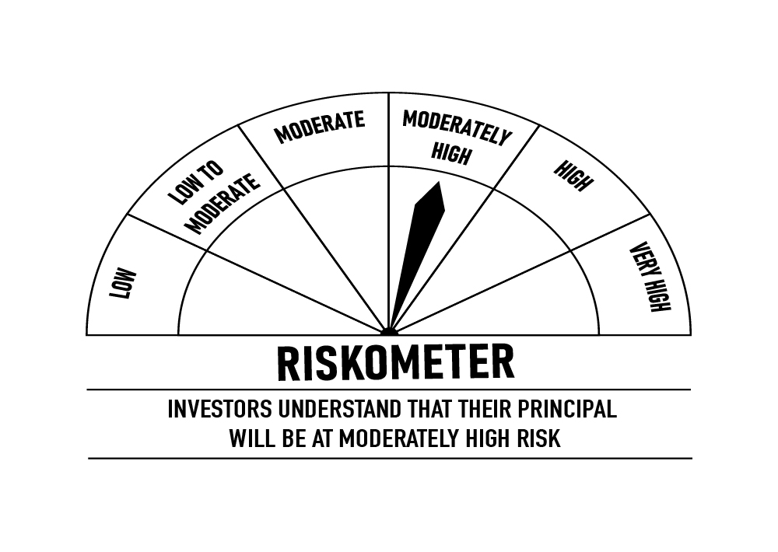

 | Scheme Name: | Portfolio Information
 | Description (if any) | DSP Strategic Bond Fund
 | Annualised Portfolio YTM*: | 7.50%
 | Macaulay Duration | 7.41
 | Residual Maturity | 13.34
 | As on (Date) | 30-Apr-23
 | * In case of semi-annual YTM, it will be annualised

OVERNIGHT
 | DSP Overnight Fund
 | Portfolio as on April 30, 2023

Sr. No. | Name of Instrument | ISIN | Rating/Industry | Quantity | Market value (Rs. In lakhs) | % to Net Assets | Maturity Date | Put/Call Option | YTM (%)

 | MONEY MARKET INSTRUMENTS
 | Treasury Bill
1 | 182 DAYS T-BILL 2023 | IN002022Y328 | Sovereign | 9,500,000 | 9,494.78 | 3.97% | 4-May-23 |  | 6.70 | Sector/Rating | Percent
2 | 182 DAYS T-BILL 2023 | IN002022Y344 | Sovereign | 3,500,000 | 3,489.17 | 1.46% | 18-May-23 |  | 6.66 | Sovereign | 5.85%
3 | 91 DAYS T-BILL 2023 | IN002022X452 | Sovereign | 1,000,000 | 998.18 | 0.42% | 11-May-23 |  | 6.65 | Cash & Equivalent | 94.15%
 | Total |  |  |  | 13,982.13 | 5.85%

4 | TREPS / Reverse Repo Investments / Corporate Debt Repo |  |  |  | 224,256.74 | 93.72% | 2-May-23
 | Total |  |  |  | 224,256.74 | 93.72%

 | Cash & Cash Equivalent
 | Net Receivables/Payables |  |  |  | 1,038.79 | 0.43%
 | Total |  |  |  | 1,038.79 | 0.43%

 | GRAND TOTAL |  |  |  | 239,277.66 | 100.00%
Notes:
1 | As per the investment policy of DSP Overnight Fund , the Fund does not invest in Corporate Debt Repo
2 | Market value includes accrued interest

 | Scheme Riskometer

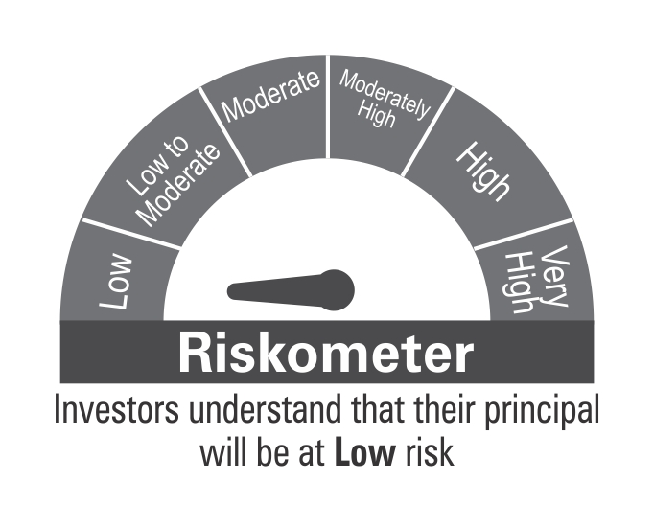

 | Benchmark Riskometer: CRISIL Liquid Overnight Index

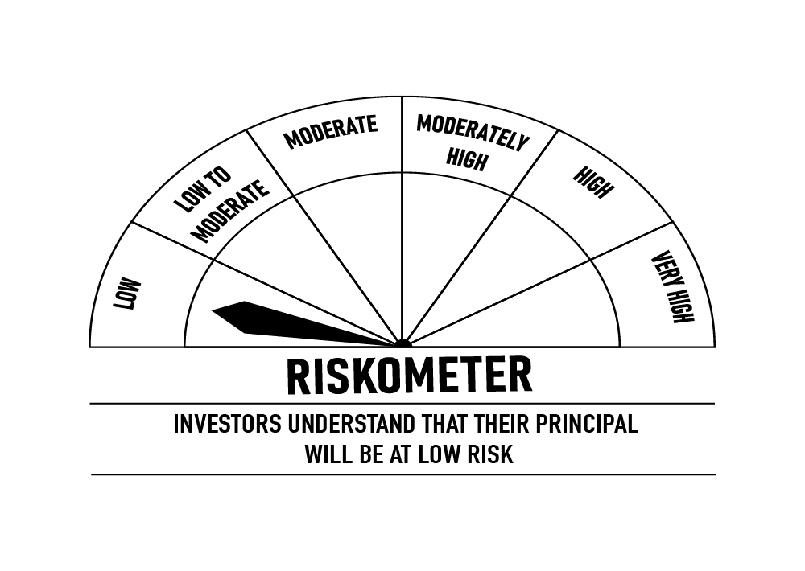

 |  | Portfolio Information
 | Scheme Name: | DSP Overnight Fund
 | Description (if any)
 | Annualised Portfolio YTM*: | 6.83%
 | Macaulay Duration | 0.001
 | Residual Maturity | 0.01
 | As on (Date) | 30-Apr-23
 | * In case of semi-annual YTM, it will be annualised

