LIQUID

 | DSP Liquidity Fund
 | Portfolio as on February 15, 2022

Sr. No. | Name of Instrument | ISIN | Rating/Industry | Quantity | Market value (Rs. In lakhs) | % to Net Assets | Maturity Date | Put/Call Option | YTM (%)

 | DEBT INSTRUMENTS
 | BOND & NCD's
 | Listed / awaiting listing on the stock exchanges |  |  |  |  |  |  |  |  | Sector/Rating | Percent
1 | Housing Development Finance Corporation Limited** | INE001A07SV5 | CRISIL AAA | 250 | 2,605.24 | 0.30% | 18-Feb-2022 |  | 3.60 | CRISIL A1+ | 29.49%
 | Total |  |  |  | 2,605.24 | 0.30% |  |  |  | SOV | 8.37%
 |  |  |  |  |  |  |  |  |  | IND A1+ | 5.40%
 | MONEY MARKET INSTRUMENTS |  |  |  |  |  |  |  |  | CRISIL AAA | 0.30%
 | Certificate of Deposit |  |  |  |  |  |  |  |  | Cash & Equivalent | 56.44%
2 | Bank of Baroda** | INE028A16CN0 | IND A1+ | 6,000 | 29,741.64 | 3.40% | 10-May-2022 |  | 3.82
3 | Canara Bank** | INE476A16SO5 | CRISIL A1+ | 4,000 | 19,810.72 | 2.26% | 17-May-2022 |  | 3.87
4 | HDFC Bank Limited** | INE040A16CN5 | IND A1+ | 1,500 | 7,493.61 | 0.86% | 25-Feb-2022 |  | 3.46
5 | National Bank for Agriculture and Rural Development** | INE261F16595 | CRISIL A1+ | 2,500 | 2,499.52 | 0.29% | 18-Feb-2022 |  | 3.49
 | Total |  |  |  | 59,545.49 | 6.81%

 | Commercial Papers
 | Listed / awaiting listing on the stock exchanges
6 | Housing Development Finance Corporation Limited** | INE001A14YF2 | CRISIL A1+ | 6,000 | 29,796.33 | 3.40% | 18-Apr-2022 |  | 4.09
7 | Tata Capital Housing Finance Limited** | INE033L14LQ6 | CRISIL A1+ | 4,000 | 19,982.14 | 2.28% | 25-Feb-2022 |  | 3.62
8 | Kotak Securities Ltd** | INE028E14JK8 | CRISIL A1+ | 4,000 | 19,935.22 | 2.28% | 17-Mar-2022 |  | 4.09
9 | HDFC Securities Limited** | INE700G14AU5 | CRISIL A1+ | 4,000 | 19,851.30 | 2.27% | 20-Apr-2022 |  | 4.34
10 | ICICI Securities Limited** | INE763G14LW6 | CRISIL A1+ | 4,000 | 19,787.76 | 2.26% | 17-May-2022 |  | 4.35
11 | Birla Group Holdings Private Limited** | INE09OL14938 | CRISIL A1+ | 3,000 | 14,979.12 | 1.71% | 28-Feb-2022 |  | 4.24
12 | Reliance Jio Infocomm Limited** | INE110L14QN8 | CRISIL A1+ | 3,000 | 14,901.51 | 1.70% | 18-Apr-2022 |  | 3.96
13 | Bajaj Financial Securities Limited** | INE01C314197 | CRISIL A1+ | 3,000 | 14,870.49 | 1.70% | 29-Apr-2022 |  | 4.42
14 | Reliance Retail Ventures Limited** | INE929O14461 | CRISIL A1+ | 2,000 | 9,991.30 | 1.14% | 25-Feb-2022 |  | 3.53
15 | Reliance Retail Ventures Limited** | INE929O14495 | CRISIL A1+ | 2,000 | 9,964.65 | 1.14% | 23-Mar-2022 |  | 3.70
16 | Julius Baer Capital (India) Private Limited** | INE824H14GI3 | CRISIL A1+ | 2,000 | 9,958.89 | 1.14% | 23-Mar-2022 |  | 4.30
17 | Julius Baer Capital (India) Private Limited** | INE824H14GN3 | CRISIL A1+ | 2,000 | 9,940.02 | 1.14% | 06-Apr-2022 |  | 4.49
18 | Chennai Petroleum Corporation Limited** | INE178A14HH9 | CRISIL A1+ | 2,000 | 9,936.07 | 1.14% | 18-Apr-2022 |  | 3.85
19 | Julius Baer Capital (India) Private Limited** | INE824H14GJ1 | CRISIL A1+ | 1,500 | 7,470.92 | 0.85% | 21-Mar-2022 |  | 4.30
20 | Julius Baer Capital (India) Private Limited** | INE824H14GM5 | CRISIL A1+ | 1,500 | 7,450.45 | 0.85% | 11-Apr-2022 |  | 4.50
21 | Small Industries Development Bank of India** | INE556F14HZ7 | CRISIL A1+ | 1,400 | 6,970.96 | 0.80% | 30-Mar-2022 |  | 3.62
22 | CEAT Limited** | INE482A14AW9 | IND A1+ | 1,000 | 4,987.91 | 0.57% | 11-Mar-2022 |  | 3.84
23 | ICICI Securities Limited** | INE763G14JZ3 | CRISIL A1+ | 1,000 | 4,987.21 | 0.57% | 11-Mar-2022 |  | 4.07
24 | Cholamandalam Investment and Finance Company Limited | INE121A14TH4 | CRISIL A1+ | 1,000 | 4,985.65 | 0.57% | 14-Mar-2022 |  | 4.04
25 | CEAT Limited** | INE482A14AX7 | IND A1+ | 1,000 | 4,964.78 | 0.57% | 20-Apr-2022 |  | 4.11
 | Total |  |  |  | 245,712.68 | 28.08%

 | Treasury Bill
26 | 91 DAY T-BILL 05052022 | IN002021X512 | SOV | 30,000,000 | 29,765.64 | 3.40% | 05-May-2022 |  | 3.68
27 | 91 DAY T-BILL 24022022 | IN002021X371 | SOV | 22,500,000 | 22,483.49 | 2.57% | 24-Feb-2022 |  | 3.35
28 | 91 DAY T-BILL 03032022 | IN002021X389 | SOV | 21,000,000 | 20,971.57 | 2.40% | 03-Mar-2022 |  | 3.30
 | Total |  |  |  | 73,220.70 | 8.37%

29 | TREPS / Reverse Repo Investments / Corporate Debt Repo# |  |  |  | 490,834.74 | 56.09% | 16-Feb-2022
 | Total |  |  |  | 490,834.74 | 56.09%

 | Cash & Cash Equivalent
 | Net Receivables/Payables |  |  |  | 3,185.07 | 0.35%
 | Total |  |  |  | 3,185.07 | 0.35%

 | GRAND TOTAL |  |  |  | 875,103.92 | 100.00%
Notes:
1 | ** Non Traded in accordance with SEBI Regulations
2 | Market value includes accrued interest
3 | Net Assets does not include unit activity for the date of the Portfolios.
4 | As on February 15, 2022, the aggregate investments by the schemes of DSP Mutual Fund in DSP Liquidity Fund is Rs 2,049.79 lakhs.
5 | # TREPS / Reverse Repo Investments / Corporate Debt Repo includes Repo with residual maturity greater than 30 days.

 | Scheme Riskometer



 | Benchmark Riskometer: Crisil Liquid Fund Index

CREDITRISK
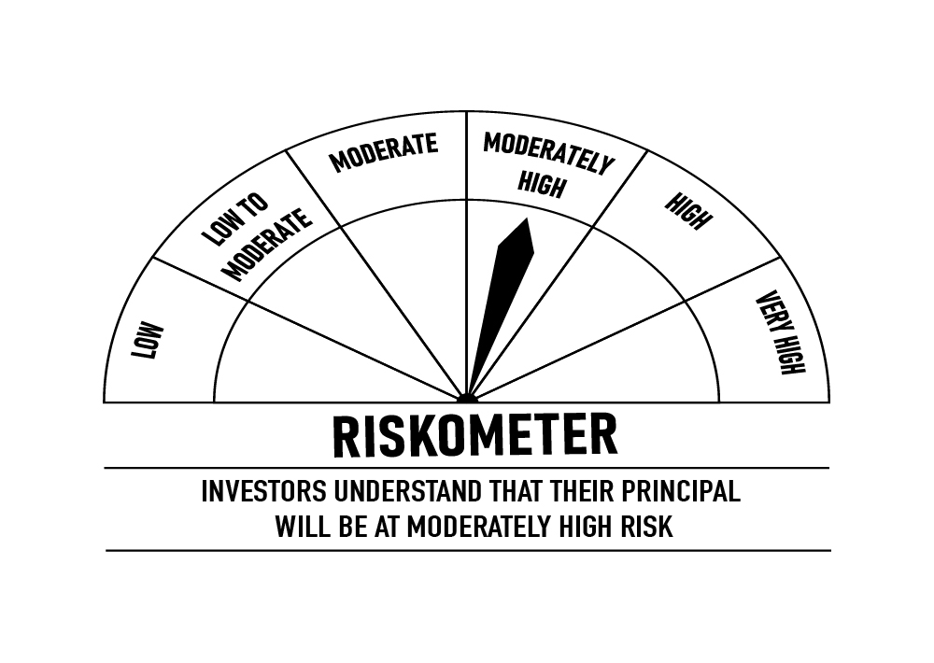
 | DSP Credit Risk Fund
 | Portfolio as on February 15, 2022

Sr. No. | Name of Instrument | ISIN | Rating/Industry | Quantity | Market value (Rs. In lakhs) | % to Net Assets | Maturity Date | Put/Call Option | YTM (%)

 | DEBT INSTRUMENTS
 | BOND & NCD's
 | Listed / awaiting listing on the stock exchanges |  |  |  |  |  |  |  |  | Sector/Rating | Percent
1 | Tata Motors Limited** | INE155A08191 | ICRA AA- | 200 | 2,264.31 | 8.80% | 20-Aug-2024 |  | 6.07 | ICRA AA | 16.58%
2 | Tata Realty And Infrastructure Limited** | INE371K08177 | ICRA AA | 200 | 2,134.74 | 8.30% | 23-Sep-2022 |  | 5.02 | CRISIL AA | 14.28%
3 | Godrej Industries Limited** | INE233A08048 | CRISIL AA | 200 | 2,130.47 | 8.28% | 14-May-2025 |  | 6.47 | SOV | 10.15%
4 | Godrej Properties Limited** | INE484J08022 | ICRA AA | 200 | 2,129.59 | 8.28% | 31-Jul-2023 |  | 5.71 | ICRA AA- | 8.80%
5 | Bharti Hexacom Limited** | INE343G08026 | CRISIL AA+ | 200 | 2,051.69 | 7.98% | 30-Apr-2024 |  | 6.04 | CRISIL AA+ | 7.98%
6 | Aditya Birla Fashion and Retail Limited** | INE647O08107 | CRISIL AA | 100 | 1,015.11 | 3.95% | 09-Sep-2024 |  | 6.23 | Cash & Equivalent | 42.21%
7 | Manappuram Finance Limited** | INE522D07BC0 | CRISIL AA | 50 | 526.89 | 2.05% | 07-Nov-2022 |  | 5.73
 | Total |  |  |  | 12,252.80 | 47.64%

 | Government Securities (Central/State)
8 | 6.79% GOI 15052027 | IN0020170026 | SOV | 2,500,000 | 2,611.66 | 10.15% | 15-May-2027 |  | 6.17
 | Total |  |  |  | 2,611.66 | 10.15%

 | MONEY MARKET INSTRUMENTS
9 | TREPS / Reverse Repo Investments / Corporate Debt Repo |  |  |  | 7,894.55 | 30.70% | 16-Feb-2022
 | Total |  |  |  | 7,894.55 | 30.70%

 | Cash & Cash Equivalent
 | Net Receivables/Payables |  |  |  | 2,959.41 | 11.51%
 | Total |  |  |  | 2,959.41 | 11.51%

 | GRAND TOTAL |  |  |  | 25,718.42 | 100.00%
Notes:
1 | ** Non Traded in accordance with SEBI Regulations
2 | Market value includes accrued interest
3 | Net Assets does not include unit activity for the date of the Portfolios.
4 | In case of below securities, DSP Mutual Fund has ignored prices provided by valuation agencies. Disclosure vide circular no. SEBI/HO/IMD/DF4/CIR/P/2019/41 dated March 22, 2019 & SEBI/HO/IMD/DF4/CIR/P/2019/102 dated September 24,2019 for detailed rationale along with other details are available at the below mentioned links
 | Name of the securities | No of Instances | Links
 | 0% Sintex Bapl Limited NCD Series B 31122021 | 309 | https://www.dspim.com/media/pages/mandatory-disclosures/disclosures-for-deviation-in-valuation-price/9560565842-1616167083/sintex-bapl-limited.pdf
 | 0% Sintex Bapl Limited NCD Series C 31122022 | 309 | https://www.dspim.com/media/pages/mandatory-disclosures/disclosures-for-deviation-in-valuation-price/9560565842-1616167083/sintex-bapl-limited.pdf
 | 0% Sintex Bapl Limited NCD Series A 31122020 | 309 | https://www.dspim.com/media/pages/mandatory-disclosures/disclosures-for-deviation-in-valuation-price/9560565842-1616167083/sintex-bapl-limited.pdf
 | Il&Fs Energy Development Company Limited (Maturity Date : 28-Jun-2019) | 309 | https://www.dspim.com/media/pages/mandatory-disclosures/disclosures-for-deviation-in-valuation-price/52517897e3-1616167083/il-amp-fs-energy-devlopment-company-limited.pdf
 | Il&Fs Energy Development Company Limited (Maturity Date : 07-Jun-2019) | 309 | https://www.dspim.com/media/pages/mandatory-disclosures/disclosures-for-deviation-in-valuation-price/52517897e3-1616167083/il-amp-fs-energy-devlopment-company-limited.pdf
5 | Pursuant to SEBI circular SEBI/HO/IMD/DF4/CIR/P/2019/102 dated September 24, 2019 read with circular no. SEBI/HO/IMD/DF4/CIR/P/2019/41 dated March 22, 2019. Below are the details of the securities in case of which issuer has defaulted beyond its maturity date
 | Security Name | ISIN | value of the security considered under net receivables (i.e. value recognized in NAV in absolute terms and as % to NAV) (Rs.in lakhs) |  | total amount (including principal and interest) that is due to the scheme on that investment (Rs.in lakhs)
 | 0% IL&Fs Transportation Networks Limited Ncd Series A 23032019 | INE975G08140 | 0.00 | 0.00% | 23,396.18
 | 0% IL&Fs Energy Development Company Limited Ncd 07062019 | INE938L08049 | 0.00 | 0.00% | 13,861.96
 | 0% IL&FS Energy Development Company Limited Ncd 28062019 | INE938L08056 | 0.00 | 0.00% | 10,645.02
 | 0% SINTEX BAPL LTD S- A 31DEC20 ZCB## | INE631U07027 | 965.55 | 3.75% | 4,357.70
 | 0% SINTEX BAPL LTD S- B 31DEC21 ZCB## | INE631U07035 | 965.55 | 3.75% | 4,760.79
 | 0% SINTEX BAPL LTD S- C 31DEC22 ZCB## | INE631U07043 | 965.55 | 3.75% | 5,201.16

 | ## Deemed matured on account of acceleration triggered by DSP Trustee Private Limited in the light of rights availed under Debenture Trust Deed

 | Scheme Riskometer

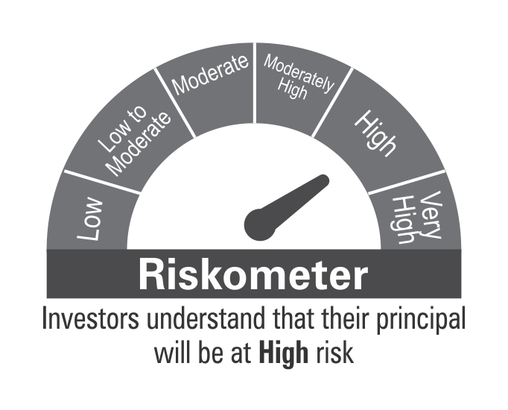

 | Benchmark Riskometer: CRISIL Short Term Credit Risk Index

STR
 | DSP Strategic Bond Fund
 | Portfolio as on February 15, 2022

Sr. No. | Name of Instrument | ISIN | Rating/Industry | Quantity | Market value (Rs. In lakhs) | % to Net Assets | Maturity Date | Put/Call Option | YTM (%)

 | DEBT INSTRUMENTS
 | Government Securities (Central/State)
1 | 5.63% GOI 12042026 | IN0020210012 | SOV | 17,500,000 | 17,729.78 | 25.56% | 12-Apr-2026 |  | 5.80 | Sector/Rating | Percent
2 | 7.26% GOI 14012029 | IN0020180454 | SOV | 7,500,000 | 7,838.16 | 11.30% | 14-Jan-2029 |  | 6.55 | SOV | 61.71%
3 | 7.59% GOI 11012026 | IN0020150093 | SOV | 5,000,000 | 5,346.40 | 7.71% | 11-Jan-2026 |  | 5.79 | Cash & Equivalent | 38.29%
4 | 7.17% GOI 08012028 | IN0020170174 | SOV | 5,000,000 | 5,236.70 | 7.55% | 08-Jan-2028 |  | 6.35
5 | 6.79% GOI 15052027 | IN0020170026 | SOV | 2,500,000 | 2,611.66 | 3.76% | 15-May-2027 |  | 6.17
6 | 6.79% GOI 26122029 | IN0020160118 | SOV | 2,500,000 | 2,552.30 | 3.68% | 26-Dec-2029 |  | 6.60
7 | 6.54% GOI 17012032 | IN0020210244 | SOV | 1,500,000 | 1,493.23 | 2.15% | 17-Jan-2032 |  | 6.68
8 | 8.32% Karnataka SDL 13032029 | IN1920180206 | SOV | 2,100 | 2.33 | * | 13-Mar-2029 |  | 6.94
9 | 8.53% Gujarat SDL 20112028 | IN1520180192 | SOV | 800 | 0.89 | * | 20-Nov-2028 |  | 6.82
 | Total |  |  |  | 42,811.45 | 61.71%

 | MONEY MARKET INSTRUMENTS
10 | TREPS / Reverse Repo Investments / Corporate Debt Repo |  |  |  | 17,447.31 | 25.15% | 16-Feb-2022
 | Total |  |  |  | 17,447.31 | 25.15%

 | Cash & Cash Equivalent
 | Cash Margin |  |  |  | 357.72 | 0.52%
 | Net Receivables/Payables |  |  |  | 8,758.69 | 12.62%
 | Total |  |  |  | 9,116.41 | 13.14%

 | GRAND TOTAL |  |  |  | 69,375.17 | 100.00%
Notes:
1 | Market value includes accrued interest
2 | * Less than 0.01%
3 | Net Assets does not include unit activity for the date of the Portfolios.

 | Scheme Riskometer



 | Benchmark Riskometer: Crisil Composite Bond Fund Index

REGULARSAVINGS
 | DSP Regular Savings Fund
 | Portfolio as on February 15, 2022

Sr. No. | Name of Instrument | ISIN | Rating/Industry | Quantity | Market value (Rs. In lakhs) | % to Net Assets | Maturity Date | Put/Call Option | YTM (%)

 | EQUITY & EQUITY RELATED
 | Listed / awaiting listing on the stock exchanges
1 | HCL Technologies Limited | INE860A01027 | Software | 52,613 | 614.81 | 2.77% |  |  |  | Sector/Rating | Percent
2 | ICICI Bank Limited | INE090A01021 | Banks | 59,775 | 463.88 | 2.09% |  |  |  | CRISIL AAA | 56.69%
3 | HDFC Bank Limited | INE040A01034 | Banks | 29,519 | 448.04 | 2.02% |  |  |  | SOV | 14.19%
4 | Sharda Cropchem Limited | INE221J01015 | Pesticides | 74,483 | 419.34 | 1.89% |  |  |  | Banks | 5.59%
5 | Axis Bank Limited | INE238A01034 | Banks | 41,281 | 328.99 | 1.48% |  |  |  | Software | 2.77%
6 | ITC Limited | INE154A01025 | Consumer Non Durables | 138,032 | 307.81 | 1.39% |  |  |  | IND AAA | 2.44%
7 | Aptus Value Housing Finance India Limited | INE852O01025 | Finance | 84,000 | 302.44 | 1.36% |  |  |  | Power | 2.17%
8 | SBI Life Insurance Company Limited | INE123W01016 | Insurance | 24,429 | 273.59 | 1.23% |  |  |  | Finance | 2.15%
9 | Hero MotoCorp Limited | INE158A01026 | Auto | 8,447 | 234.71 | 1.06% |  |  |  | Insurance | 2.08%
10 | IPCA Laboratories Limited | INE571A01038 | Pharmaceuticals | 23,356 | 231.00 | 1.04% |  |  |  | Pharmaceuticals | 1.91%
11 | Cipla Limited | INE059A01026 | Pharmaceuticals | 20,991 | 193.51 | 0.87% |  |  |  | Pesticides | 1.89%
12 | ICICI Lombard General Insurance Company Limited | INE765G01017 | Insurance | 14,520 | 188.05 | 0.85% |  |  |  | Consumer Non Durables | 1.39%
13 | Manappuram Finance Limited | INE522D01027 | Finance | 137,155 | 175.01 | 0.79% |  |  |  | Auto | 1.06%
14 | Coromandel International Limited | INE169A01031 | Fertilisers | 19,369 | 152.75 | 0.69% |  |  |  | Consumer Durables | 1.03%
15 | UltraTech Cement Limited | INE481G01011 | Cement & Cement Products | 2,094 | 152.66 | 0.69% |  |  |  | Fertilisers | 0.69%
16 | Crompton Greaves Consumer Electricals Limited | INE299U01018 | Consumer Durables | 34,239 | 130.11 | 0.59% |  |  |  | Cement & Cement Products | 0.69%
17 | Forbes Enviro Solutions Limited^ |  | Consumer Durables | 25,890 | 96.74 | 0.44% |  |  |  | Cash & Equivalent | 3.26%
 | Total |  |  |  | 4,713.44 | 21.25%

 | Units issued by REITs & InvITs
 | Listed / awaiting listing on the stock exchanges
18 | Powergrid Infrastructure Investment Trust | INE0GGX23010 | Power | 370,160 | 481.36 | 2.17%
 | Total |  |  |  | 481.36 | 2.17%

 | DEBT INSTRUMENTS
 | BOND & NCD's
 | Listed / awaiting listing on the stock exchanges
19 | Indian Railway Finance Corporation Limited** | INE053F07BB3 | CRISIL AAA | 150 | 1,628.59 | 7.34% | 28-Feb-2024 |  | 5.19
20 | National Bank for Agriculture and Rural Development** | INE261F08BO3 | CRISIL AAA | 150 | 1,563.94 | 7.05% | 19-Sep-2022 |  | 4.43
21 | Power Finance Corporation Limited** | INE134E08KD9 | CRISIL AAA | 100 | 1,110.71 | 5.01% | 04-Jun-2024 |  | 5.53
22 | REC Limited** | INE020B08CK8 | CRISIL AAA | 100 | 1,097.16 | 4.95% | 20-Mar-2025 |  | 5.77
23 | Export-Import Bank of India** | INE514E08FG5 | CRISIL AAA | 100 | 1,092.64 | 4.93% | 01-Sep-2026 |  | 6.12
24 | Power Grid Corporation of India Limited** | INE752E07NK9 | CRISIL AAA | 100 | 1,090.98 | 4.92% | 23-Dec-2025 |  | 5.97
25 | Indian Oil Corporation Limited** | INE242A08452 | CRISIL AAA | 100 | 1,083.65 | 4.89% | 06-Mar-2025 |  | 5.55
26 | Power Finance Corporation Limited** | INE134E08LF2 | CRISIL AAA | 250 | 789.98 | 3.56% | 30-Jun-2025 |  | 5.90
27 | Hindustan Petroleum Corporation Limited** | INE094A08036 | CRISIL AAA | 70 | 749.95 | 3.38% | 14-Aug-2024 |  | 5.41
28 | Export-Import Bank of India** | INE514E08FT8 | CRISIL AAA | 50 | 541.82 | 2.44% | 18-Feb-2025 |  | 5.59
29 | GAIL (India) Limited** | INE129A07214 | IND AAA | 50 | 541.10 | 2.44% | 23-Feb-2024 | CA - 23-Feb-2022 | 3.85
30 | Export-Import Bank of India** | INE514E08EK0 | CRISIL AAA | 50 | 534.97 | 2.41% | 03-Feb-2025 |  | 5.59
31 | Housing Development Finance Corporation Limited** | INE001A07SE1 | CRISIL AAA | 50 | 523.96 | 2.36% | 08-Jan-2025 |  | 5.95
32 | Housing Development Finance Corporation Limited** | INE001A07SG6 | CRISIL AAA | 50 | 519.22 | 2.34% | 10-Feb-2025 |  | 5.95
33 | NTPC Limited** | INE733E07JP6 | CRISIL AAA | 1,736,927 | 246.88 | 1.11% | 25-Mar-2025 |  | 5.58
 | Total |  |  |  | 13,115.55 | 59.13%

 | Government Securities (Central/State)
34 | 7.32% GOI 28012024 | IN0020180488 | SOV | 1,500,000 | 1,573.55 | 7.09% | 28-Jan-2024 |  | 4.85
35 | 6.18% GOI 04112024 | IN0020190396 | SOV | 1,000,000 | 1,040.84 | 4.69% | 04-Nov-2024 |  | 5.24
36 | 7.59% GOI 11012026 | IN0020150093 | SOV | 500,000 | 534.64 | 2.41% | 11-Jan-2026 |  | 5.79
 | Total |  |  |  | 3,149.03 | 14.19%

 | MONEY MARKET INSTRUMENTS
37 | TREPS / Reverse Repo Investments / Corporate Debt Repo |  |  |  | 766.05 | 3.45% | 16-Feb-2022
 | Total |  |  |  | 766.05 | 3.45%

 | Cash & Cash Equivalent
 | Cash Margin |  |  |  | 40.00 | 0.18%
 | Net Receivables/Payables |  |  |  | (85.41) | -0.37%
 | Total |  |  |  | (45.41) | -0.19%

 | GRAND TOTAL |  |  |  | 22,180.02 | 100.00%
Notes:
1 | ** Non Traded in accordance with SEBI Regulations
2 | Market value includes accrued interest
3 | Net Assets does not include unit activity for the date of the Portfolios.
4 | ^ Pending Listing
5 | Pursuant to SEBI circular SEBI/HO/IMD/DF4/CIR/P/2019/102 dated September 24, 2019 read with circular no. SEBI/HO/IMD/DF4/CIR/P/2019/41 dated March 22, 2019. Below are the details of the securities in case of which issuer has defaulted beyond its maturity date.
 | Security Name | ISIN | value of the security considered under net receivables (i.e. value recognized in NAV in absolute terms and as % to NAV) (Rs.in lakhs) |  | total amount (including principal and interest) that is due to the scheme on that investment (Rs.in lakhs)
 | 0% IL&FS Transportation Networks Limited Ncd Series A 23032019 | INE975G08140 | 0.00 | 0.00% | 1,855.79

 | Scheme Riskometer

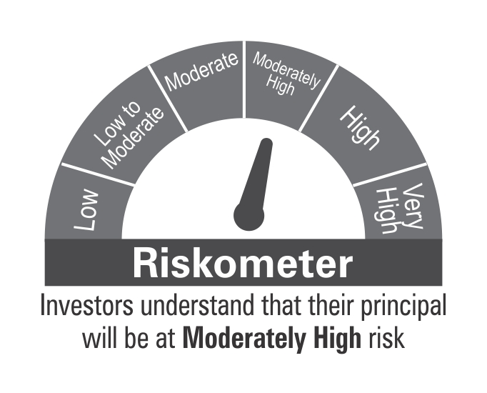

 | Benchmark Riskometer: CRISIL Hybrid 85+15 - Conservative Index

10YGF
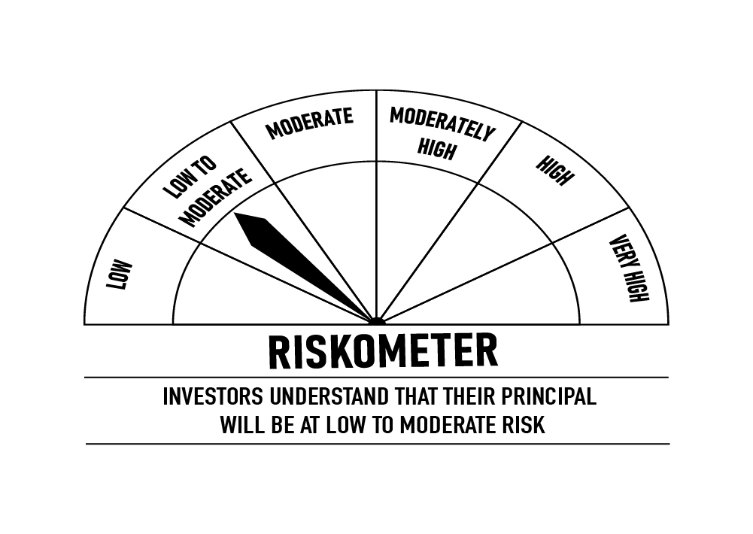
 | DSP 10Y G-Sec Fund
 | Portfolio as on February 15, 2022

Sr. No. | Name of Instrument | ISIN | Rating/Industry | Quantity | Market value (Rs. In lakhs) | % to Net Assets | Maturity Date | Put/Call Option | YTM (%)

 | DEBT INSTRUMENTS
 | Government Securities (Central/State)
1 | 6.10% GOI 12072031 | IN0020210095 | SOV | 5,929,000 | 5,718.34 | 95.82% | 12-Jul-2031 |  | 6.70 | Sector/Rating | Percent
 | Total |  |  |  | 5,718.34 | 95.82% |  |  |  | SOV | 95.82%
 |  |  |  |  |  |  |  |  |  | Cash & Equivalent | 4.18%
 | MONEY MARKET INSTRUMENTS
2 | TREPS / Reverse Repo Investments / Corporate Debt Repo |  |  |  | 241.91 | 4.05% | 16-Feb-2022
 | Total |  |  |  | 241.91 | 4.05%

 | Cash & Cash Equivalent
 | Net Receivables/Payables |  |  |  | 7.43 | 0.13%
 | Total |  |  |  | 7.43 | 0.13%

 | GRAND TOTAL |  |  |  | 5,967.68 | 100.00%
Notes:
1 | Market value includes accrued interest
2 | Net Assets does not include unit activity for the date of the Portfolios.

 | Scheme Riskometer

 | Benchmark Riskometer: CRISIL 10 Year Gilt Index

OVERNIGHT
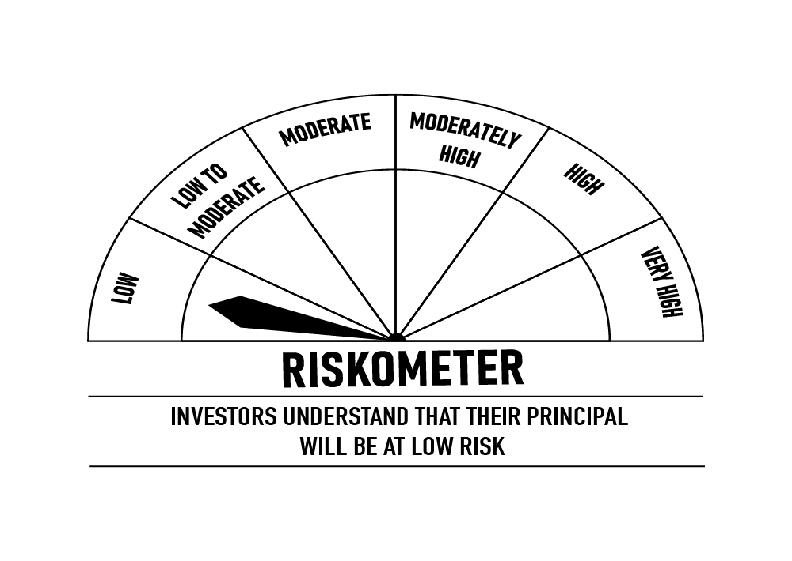
 | DSP Overnight Fund
 | Portfolio as on February 15, 2022

Sr. No. | Name of Instrument | ISIN | Rating/Industry | Quantity | Market value (Rs. In lakhs) | % to Net Assets | Maturity Date | Put/Call Option | YTM (%)

 | MONEY MARKET INSTRUMENTS
 | Treasury Bill
1 | 364 DAY T-BILL 24022022 | IN002020Z477 | SOV | 2,000,000 | 1,998.53 | 0.61% | 24-Feb-2022 |  | 3.35 | Sector/Rating | Percent
2 | 364 DAY T-BILL 11032022 | IN002020Z493 | SOV | 1,000,000 | 997.90 | 0.30% | 11-Mar-2022 |  | 3.34 | SOV | 0.91%
 | Total |  |  |  | 2,996.43 | 0.91% |  |  |  | Cash & Equivalent | 99.09%

3 | TREPS / Reverse Repo Investments / Corporate Debt Repo |  |  |  | 327,968.58 | 99.34% | 16-Feb-2022
 | Total |  |  |  | 327,968.58 | 99.34%

 | Cash & Cash Equivalent
 | Net Receivables/Payables |  |  |  | (822.07) | -0.25%
 | Total |  |  |  | (822.07) | -0.25%

 | GRAND TOTAL |  |  |  | 330,142.94 | 100.00%
Notes:
1 | Market value includes accrued interest
2 | Net Assets does not include unit activity for the date of the Portfolios.
3 | As per the investment policy of DSP Overnight Fund , the Fund does not invest in Corporate Debt Repo

 | Scheme Riskometer

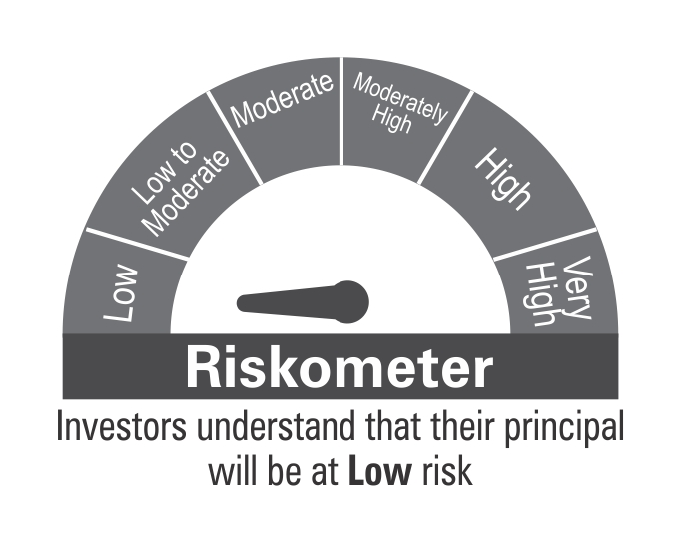

 | Benchmark Riskometer: CRISIL Overnight Index

