LIQUID
 | DSP Liquidity Fund
 | Portfolio as on May 15, 2023

Sr. No. | Name of Instrument | ISIN | Rating/Industry | Quantity | Market value (Rs. In lakhs) | % to Net Assets | Maturity Date | Put/Call Option | YTM (%)

 | DEBT INSTRUMENTS
 | BOND & NCD's
 | Listed / awaiting listing on the stock exchanges |  |  |  |  |  |  |  |  | Sector/Rating | Percent
1 | Power Finance Corporation Limited** | INE134E08KS7 | CRISIL AAA | 300 | 3,198.74 | 0.28% | 22-May-23 |  | 7.16 | CRISIL A1+ | 51.59%
 | Total |  |  |  | 3,198.74 | 0.28% |  |  |  | Sovereign | 20.62%
 |  |  |  |  |  |  |  |  |  | IND A1+ | 4.86%
 | MONEY MARKET INSTRUMENTS |  |  |  |  |  |  |  |  | ICRA A1+ | 4.85%
 | Certificate of Deposit |  |  |  |  |  |  |  |  | CARE A1+ | 0.88%
2 | Punjab National Bank** | INE160A16NB3 | CRISIL A1+ | 8,000 | 39,775.40 | 3.54% | 14-Jun-23 |  | 7.11 | CRISIL AAA | 0.28%
3 | Canara Bank** | INE476A16VB6 | CRISIL A1+ | 7,000 | 34,993.28 | 3.11% | 17-May-23 |  | 7.01 | Cash & Equivalent | 16.92%
4 | Kotak Mahindra Bank Limited | INE237A164O2 | CRISIL A1+ | 4,000 | 19,943.12 | 1.77% | 31-May-23 |  | 6.94
5 | Union Bank of India** | INE692A16FZ0 | ICRA A1+ | 4,000 | 19,938.82 | 1.77% | 1-Jun-23 |  | 7.00
6 | Punjab National Bank** | INE160A16NF4 | CRISIL A1+ | 4,000 | 19,668.62 | 1.75% | 9-Aug-23 |  | 7.24
7 | ICICI Bank Limited** | INE090A165Y4 | ICRA A1+ | 3,000 | 14,877.32 | 1.32% | 28-Jun-23 |  | 7.00
8 | Canara Bank** | INE476A16VA8 | CRISIL A1+ | 2,000 | 9,996.16 | 0.89% | 18-May-23 |  | 7.01
9 | Canara Bank** | INE476A16VD2 | CRISIL A1+ | 2,000 | 9,988.48 | 0.89% | 22-May-23 |  | 7.02
10 | Canara Bank** | INE476A16VC4 | CRISIL A1+ | 2,000 | 9,980.81 | 0.89% | 26-May-23 |  | 7.02
11 | Indian Bank** | INE562A16LP4 | CRISIL A1+ | 2,000 | 9,954.09 | 0.89% | 9-Jun-23 |  | 7.02
12 | Punjab National Bank** | INE160A16NE7 | CRISIL A1+ | 2,000 | 9,926.56 | 0.88% | 23-Jun-23 |  | 7.11
13 | Small Industries Development Bank of India | INE556F16960 | CRISIL A1+ | 1,500 | 7,479.77 | 0.67% | 30-May-23 |  | 7.05
14 | Axis Bank Limited** | INE238AD6165 | CRISIL A1+ | 1,500 | 7,468.49 | 0.66% | 7-Jun-23 |  | 7.00
15 | Bank of Baroda** | INE028A16DB3 | IND A1+ | 1,000 | 4,977.10 | 0.44% | 9-Jun-23 |  | 7.00
16 | Union Bank of India** | INE692A16GD5 | ICRA A1+ | 1,000 | 4,977.09 | 0.44% | 9-Jun-23 |  | 7.00
17 | HDFC Bank Limited | INE040A16DH5 | IND A1+ | 1,000 | 4,940.00 | 0.44% | 17-Jul-23 |  | 7.15
18 | Axis Bank Limited | INE238AD6314 | CRISIL A1+ | 500 | 2,492.93 | 0.22% | 31-May-23 |  | 6.90
19 | Punjab National Bank** | INE160A16MY7 | CRISIL A1+ | 270 | 1,349.48 | 0.12% | 18-May-23 |  | 7.09
 | Total |  |  |  | 232,727.52 | 20.69%

 | Commercial Papers
 | Listed / awaiting listing on the stock exchanges
20 | Reliance Industries Limited** | INE002A14JU0 | CRISIL A1+ | 10,000 | 49,903.35 | 4.44% | 26-May-23 |  | 7.07
21 | Tata Steel Limited** | INE081A14DZ6 | IND A1+ | 8,000 | 39,809.72 | 3.54% | 9-Jun-23 |  | 7.27
22 | Small Industries Development Bank of India** | INE556F14IX0 | CRISIL A1+ | 5,000 | 24,860.75 | 2.21% | 14-Jun-23 |  | 7.05
23 | Reliance Industries Limited** | INE002A14JQ8 | CRISIL A1+ | 5,000 | 24,831.30 | 2.21% | 20-Jun-23 |  | 7.09
24 | Small Industries Development Bank of India** | INE556F14IZ5 | CRISIL A1+ | 5,000 | 24,822.60 | 2.21% | 22-Jun-23 |  | 7.05
25 | Larsen & Toubro Limited** | INE018A14JO9 | CRISIL A1+ | 4,000 | 19,946.52 | 1.77% | 30-May-23 |  | 6.99
26 | National Bank for Agriculture and Rural Development** | INE261F14JQ9 | CRISIL A1+ | 4,000 | 19,946.08 | 1.77% | 30-May-23 |  | 7.05
27 | ICICI Securities Limited** | INE763G14PB1 | CRISIL A1+ | 4,000 | 19,905.44 | 1.77% | 9-Jun-23 |  | 7.23
28 | Shree Cement Limited** | INE070A14703 | CRISIL A1+ | 4,000 | 19,892.04 | 1.77% | 13-Jun-23 |  | 7.07
29 | National Bank for Agriculture and Rural Development** | INE261F14JV9 | CRISIL A1+ | 4,000 | 19,813.06 | 1.76% | 3-Jul-23 |  | 7.18
30 | Birla Group Holdings Private Limited** | INE09OL14CZ4 | CRISIL A1+ | 4,000 | 19,727.12 | 1.75% | 21-Jul-23 |  | 7.65
31 | ICICI Securities Primary Dealership Limited** | INE849D14HD8 | CRISIL A1+ | 4,000 | 19,725.92 | 1.75% | 24-Jul-23 |  | 7.35
32 | Small Industries Development Bank of India** | INE556F14JC2 | CRISIL A1+ | 4,000 | 19,720.90 | 1.75% | 27-Jul-23 |  | 7.17
33 | National Bank for Agriculture and Rural Development** | INE261F14JT3 | CRISIL A1+ | 2,500 | 12,408.61 | 1.10% | 23-Jun-23 |  | 7.07
34 | Nirma Limited** | INE091A14DI1 | CRISIL A1+ | 2,000 | 9,995.98 | 0.89% | 18-May-23 |  | 7.35
35 | Standard Chartered Capital Limited** | INE403G14PT6 | CRISIL A1+ | 2,000 | 9,993.92 | 0.89% | 19-May-23 |  | 7.40
36 | HDFC Securities Limited** | INE700G14EV5 | CRISIL A1+ | 2,000 | 9,960.51 | 0.89% | 5-Jun-23 |  | 7.24
37 | Network18 Media & Investments Limited** | INE870H14PV0 | ICRA A1+ | 2,000 | 9,945.49 | 0.88% | 13-Jun-23 |  | 7.14
38 | Julius Baer Capital (India) Private Limited** | INE824H14LC6 | CRISIL A1+ | 2,000 | 9,941.20 | 0.88% | 14-Jun-23 |  | 7.45
39 | Poonawalla Fincorp Limited** | INE511C14UY5 | CARE A1+ | 2,000 | 9,930.87 | 0.88% | 20-Jun-23 |  | 7.26
40 | Godrej & Boyce Manufacturing Company Limited** | INE982D14AN1 | CRISIL A1+ | 2,000 | 9,913.66 | 0.88% | 29-Jun-23 |  | 7.22
41 | Aditya Birla Money Limited** | INE865C14JC4 | CRISIL A1+ | 2,000 | 9,816.05 | 0.87% | 14-Aug-23 |  | 7.60
42 | Small Industries Development Bank of India** | INE556F14IS0 | CRISIL A1+ | 1,500 | 7,498.56 | 0.67% | 17-May-23 |  | 7.03
43 | Sundaram Home Finance Limited** | INE667F14GC3 | CRISIL A1+ | 1,500 | 7,466.06 | 0.66% | 8-Jun-23 |  | 7.21
44 | Godrej Properties Limited** | INE484J14QR2 | CRISIL A1+ | 1,500 | 7,443.52 | 0.66% | 22-Jun-23 |  | 7.48
45 | Infina Finance Private Limited** | INE879F14GM3 | CRISIL A1+ | 1,000 | 4,975.70 | 0.44% | 9-Jun-23 |  | 7.43
46 | Network18 Media & Investments Limited** | INE870H14PU2 | ICRA A1+ | 1,000 | 4,973.72 | 0.44% | 12-Jun-23 |  | 7.14
47 | CEAT Limited** | INE482A14BO4 | IND A1+ | 1,000 | 4,972.36 | 0.44% | 13-Jun-23 |  | 7.24
48 | Redington Limited** | INE891D14WZ2 | CRISIL A1+ | 1,000 | 4,968.50 | 0.44% | 16-Jun-23 |  | 7.47
49 | Redington Limited** | INE891D14XB1 | CRISIL A1+ | 1,000 | 4,962.45 | 0.44% | 22-Jun-23 |  | 7.46
50 | Cholamandalam Investment and Finance Company Limited** | INE121A14UC3 | CRISIL A1+ | 1,000 | 4,948.49 | 0.44% | 6-Jul-23 |  | 7.45
 | Total |  |  |  | 467,020.45 | 41.49%

 | Treasury Bill
51 | 182 DAYS T-BILL 2023 | IN002022Y344 | Sovereign | 67,500,000 | 67,475.02 | 6.00% | 18-May-23 |  | 6.76
52 | 182 DAYS T-BILL 2023 | IN002022Y369 | Sovereign | 46,000,000 | 45,863.29 | 4.08% | 1-Jun-23 |  | 6.80
53 | 91 DAYS T-BILL 2023 | IN002023X062 | Sovereign | 40,000,000 | 39,361.28 | 3.50% | 10-Aug-23 |  | 6.89
54 | 91 DAYS T-BILL 2023 | IN002023X054 | Sovereign | 30,000,000 | 29,561.10 | 2.63% | 3-Aug-23 |  | 6.86
55 | 182 DAYS T-BILL 2023 | IN002022Y468 | Sovereign | 20,000,000 | 19,680.82 | 1.75% | 10-Aug-23 |  | 6.88
56 | 182 DAYS T-BILL 2023 | IN002022Y385 | Sovereign | 8,000,000 | 7,955.62 | 0.71% | 15-Jun-23 |  | 6.79
57 | 91 DAYS T-BILL 2023 | IN002022X486 | Sovereign | 7,500,000 | 7,477.71 | 0.67% | 1-Jun-23 |  | 6.80
58 | 364 DAYS T-BILL 2023 | IN002022Z119 | Sovereign | 7,000,000 | 6,961.17 | 0.62% | 15-Jun-23 |  | 6.79
59 | 364 DAYS T-BILL 2023 | IN002022Z077 | Sovereign | 2,500,000 | 2,499.07 | 0.22% | 18-May-23 |  | 6.76
60 | 182 DAYS T-BILL 2023 | IN002022Y393 | Sovereign | 2,500,000 | 2,483.06 | 0.22% | 22-Jun-23 |  | 6.73
61 | 364 DAYS T-BILL 2023 | IN002022Z135 | Sovereign | 2,000,000 | 1,983.86 | 0.18% | 29-Jun-23 |  | 6.75
62 | 364 DAYS T-BILL 2023 | IN002022Z127 | Sovereign | 500,000 | 496.61 | 0.04% | 22-Jun-23 |  | 6.73
 | Total |  |  |  | 231,798.61 | 20.62%

63 | TREPS / Reverse Repo Investments / Corporate Debt Repo |  |  |  | 196,371.02 | 17.47% | 16-May-23
 | Total |  |  |  | 196,371.02 | 17.47%

 | Cash & Cash Equivalent
 | Net Receivables/Payables |  |  |  | (6,659.96) | -0.55%
 | Total |  |  |  | (6,659.96) | -0.55%

 | GRAND TOTAL |  |  |  | 1,124,456.38 | 100.00%
Notes:
1 | ** Non Traded in accordance with SEBI Regulations.
2 | As on March 15, 2023, the aggregate investments by the schemes of DSP Mutual Fund in DSP Liquidity Fund is Rs. 2760.69 Lakhs.
3 | Market value includes accrued interest
4 | Net Assets does not include unit activity for the date of the Portfolios.

 | Scheme Riskometer


 | Benchmark Riskometer: CRISIL Liquid Debt B-I Index

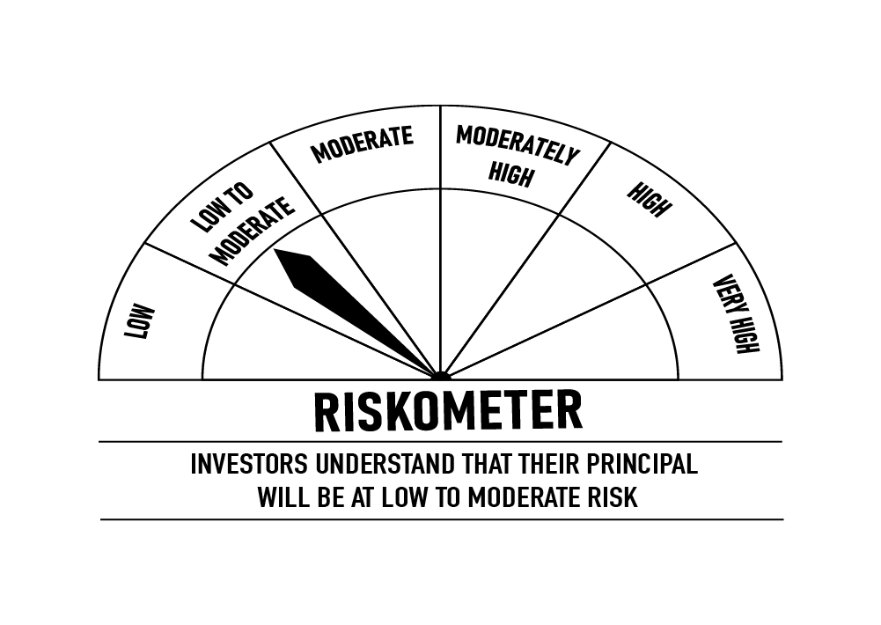

 |  | Portfolio Information
 | Scheme Name: | DSP Liquidity Fund
 | Description (if any)
 | Annualised Portfolio YTM*: | 7.03%
 | Macaulay Duration | 0.07
 | Residual Maturity | 0.08
 | As on (Date) | 15-May-23
 | * In case of semi-annual YTM, it will be annualised

ULTRA
 | DSP Ultra Short Fund
 | Portfolio as on May 15, 2023

Sr. No. | Name of Instrument | ISIN | Rating/Industry | Quantity | Market value (Rs. In lakhs) | % to Net Assets | Maturity Date | Put/Call Option | YTM (%)

 | DEBT INSTRUMENTS
 | BOND & NCD's
 | Listed / awaiting listing on the stock exchanges |  |  |  |  |  |  |  |  | Sector/Rating | Percent
1 | National Bank for Agriculture and Rural Development | INE261F08DD2 | ICRA AAA | 1,000 | 9,826.61 | 3.65% | 29-Apr-24 |  | 7.49 | CRISIL A1+ | 51.93%
2 | Sikka Ports & Terminals Limited** | INE941D07190 | CRISIL AAA | 250 | 2,663.38 | 0.99% | 16-Jun-23 |  | 7.35 | IND A1+ | 14.36%
3 | LIC Housing Finance Limited** | INE115A07OV2 | CARE AAA | 250 | 2,581.88 | 0.96% | 25-Aug-23 |  | 7.61 | Sovereign | 13.67%
4 | National Bank for Agriculture and Rural Development** | INE261F08CK9 | ICRA AAA | 250 | 2,496.29 | 0.93% | 31-Jan-24 |  | 7.44 | ICRA A1+ | 6.33%
5 | Power Finance Corporation Limited** | INE134E08KS7 | CRISIL AAA | 160 | 1,705.99 | 0.63% | 22-May-23 |  | 7.16 | ICRA AAA | 4.58%
 | Total |  |  |  | 19,274.15 | 7.16% |  |  |  | CRISIL AAA | 1.62%
 |  |  |  |  |  |  |  |  |  | CARE AAA | 0.96%
 | Government Securities (Central/State) |  |  |  |  |  |  |  |  | Cash & Equivalent | 6.55%
6 | 0% GOI 2023 | IN001023C034 | Sovereign | 563,000 | 547.38 | 0.20% | 12-Oct-23 |  | 6.99
 | Total |  |  |  | 547.38 | 0.20%

 | MONEY MARKET INSTRUMENTS
 | Certificate of Deposit
7 | HDFC Bank Limited | INE040A16DK9 | IND A1+ | 3,500 | 17,098.62 | 6.35% | 12-Sep-23 |  | 7.20
8 | ICICI Bank Limited** | INE090A165Y4 | ICRA A1+ | 2,000 | 9,918.21 | 3.68% | 28-Jun-23 |  | 7.00
9 | The Federal Bank Limited** | INE171A16KT8 | CRISIL A1+ | 1,500 | 7,053.78 | 2.62% | 20-Mar-24 |  | 7.47
10 | Canara Bank | INE476A16UO1 | CRISIL A1+ | 1,000 | 4,953.81 | 1.84% | 3-Jul-23 |  | 7.09
11 | Canara Bank** | INE476A16TW6 | CRISIL A1+ | 1,000 | 4,904.23 | 1.82% | 23-Aug-23 |  | 7.20
12 | Kotak Mahindra Bank Limited** | INE237A162Q1 | CRISIL A1+ | 1,000 | 4,896.06 | 1.82% | 1-Sep-23 |  | 7.18
13 | State Bank of India** | INE062A16465 | IND A1+ | 1,000 | 4,885.71 | 1.81% | 12-Sep-23 |  | 7.18
14 | Axis Bank Limited** | INE238AD6116 | CRISIL A1+ | 1,000 | 4,835.48 | 1.80% | 2-Nov-23 |  | 7.30
15 | Bank of Baroda** | INE028A16CZ4 | IND A1+ | 1,000 | 4,810.55 | 1.79% | 30-Nov-23 |  | 7.26
16 | Axis Bank Limited** | INE238AD6173 | CRISIL A1+ | 1,000 | 4,810.34 | 1.79% | 29-Nov-23 |  | 7.31
17 | Union Bank of India** | INE692A16FV9 | ICRA A1+ | 1,000 | 4,743.66 | 1.76% | 6-Feb-24 |  | 7.42
18 | State Bank of India** | INE062A16481 | IND A1+ | 1,000 | 4,715.00 | 1.75% | 15-Mar-24 |  | 7.26
19 | Axis Bank Limited** | INE238AD6389 | CRISIL A1+ | 1,000 | 4,711.00 | 1.75% | 14-Mar-24 |  | 7.39
20 | HDFC Bank Limited** | INE040A16DU8 | IND A1+ | 1,000 | 4,707.11 | 1.75% | 20-Mar-24 |  | 7.35
21 | Small Industries Development Bank of India** | INE556F16AA0 | CRISIL A1+ | 800 | 3,908.26 | 1.45% | 12-Sep-23 |  | 7.20
22 | Bank of Baroda** | INE028A16CT7 | IND A1+ | 500 | 2,455.12 | 0.91% | 17-Aug-23 |  | 7.18
23 | Export-Import Bank of India** | INE514E16CD2 | CRISIL A1+ | 500 | 2,449.41 | 0.91% | 29-Aug-23 |  | 7.18
24 | Canara Bank** | INE476A16UR4 | CRISIL A1+ | 500 | 2,448.80 | 0.91% | 30-Aug-23 |  | 7.20
25 | Canara Bank** | INE476A16UN3 | CRISIL A1+ | 500 | 2,403.11 | 0.89% | 4-Dec-23 |  | 7.29
26 | ICICI Bank Limited** | INE090A161Z0 | ICRA A1+ | 500 | 2,399.50 | 0.89% | 12-Dec-23 |  | 7.28
27 | Canara Bank** | INE476A16UL7 | CRISIL A1+ | 500 | 2,398.05 | 0.89% | 15-Dec-23 |  | 7.29
28 | Kotak Mahindra Bank Limited** | INE237A165R2 | CRISIL A1+ | 500 | 2,392.56 | 0.89% | 27-Dec-23 |  | 7.29
29 | Small Industries Development Bank of India** | INE556F16AE2 | CRISIL A1+ | 500 | 2,384.52 | 0.89% | 11-Jan-24 |  | 7.36
30 | Axis Bank Limited** | INE238AD6280 | CRISIL A1+ | 500 | 2,384.22 | 0.89% | 11-Jan-24 |  | 7.39
31 | National Bank for Agriculture and Rural Development** | INE261F16694 | CRISIL A1+ | 500 | 2,372.65 | 0.88% | 6-Feb-24 |  | 7.37
32 | Indian Bank** | INE562A16LM1 | CRISIL A1+ | 500 | 2,358.38 | 0.88% | 7-Mar-24 |  | 7.41
33 | IndusInd Bank Limited** | INE095A16P93 | CRISIL A1+ | 290 | 1,445.75 | 0.54% | 31-May-23 |  | 7.16
34 | Small Industries Development Bank of India | INE556F16960 | CRISIL A1+ | 80 | 398.92 | 0.15% | 30-May-23 |  | 7.05
35 | Kotak Mahindra Bank Limited | INE237A164O2 | CRISIL A1+ | 80 | 398.86 | 0.15% | 31-May-23 |  | 6.94
 | Total |  |  |  | 119,641.67 | 44.45%

 | Commercial Papers
 | Listed / awaiting listing on the stock exchanges
36 | Housing Development Finance Corporation Limited** | INE001A14ZT0 | CRISIL A1+ | 1,500 | 7,214.04 | 2.68% | 23-Nov-23 |  | 7.58
37 | Small Industries Development Bank of India** | INE556F14JB4 | CRISIL A1+ | 1,500 | 7,066.53 | 2.62% | 15-Mar-24 |  | 7.37
38 | Infina Finance Private Limited** | INE879F14HD0 | CRISIL A1+ | 1,500 | 7,036.29 | 2.61% | 19-Mar-24 |  | 7.81
39 | Nuvama Wealth and Investment Limited** | INE523L14328 | CRISIL A1+ | 1,000 | 4,984.21 | 1.85% | 30-May-23 |  | 8.26
40 | Nuvama Wealth Finance Limited** | INE918K14983 | CRISIL A1+ | 1,000 | 4,983.69 | 1.85% | 30-May-23 |  | 8.54
41 | LIC Housing Finance Limited | INE115A14DU3 | CRISIL A1+ | 1,000 | 4,915.29 | 1.82% | 11-Aug-23 |  | 7.23
42 | Motilal Oswal Financial Services Limited** | INE338I14EO5 | CRISIL A1+ | 1,000 | 4,875.20 | 1.81% | 4-Sep-23 |  | 8.42
43 | Motilal Oswal Finvest Limited** | INE01WN14793 | CRISIL A1+ | 1,000 | 4,864.14 | 1.81% | 11-Sep-23 |  | 8.64
44 | Housing Development Finance Corporation Limited** | INE001A14ZR4 | CRISIL A1+ | 1,000 | 4,849.53 | 1.80% | 13-Oct-23 |  | 7.55
45 | Fedbank Financial Services Limited** | INE007N14DM2 | CRISIL A1+ | 1,000 | 4,668.60 | 1.73% | 20-Mar-24 |  | 8.38
46 | Muthoot Finance Limited** | INE414G14SU5 | CRISIL A1+ | 1,000 | 4,652.76 | 1.73% | 8-Apr-24 |  | 8.31
47 | Housing Development Finance Corporation Limited** | INE001A14ZK9 | CRISIL A1+ | 500 | 2,447.06 | 0.91% | 30-Aug-23 |  | 7.45
48 | Housing Development Finance Corporation Limited** | INE001A14ZZ7 | CRISIL A1+ | 500 | 2,388.94 | 0.89% | 26-Dec-23 |  | 7.58
49 | Housing Development Finance Corporation Limited** | INE001A14A38 | CRISIL A1+ | 500 | 2,368.80 | 0.88% | 6-Feb-24 |  | 7.60
50 | Fullerton India Credit Company Ltd** | INE535H14IR2 | CRISIL A1+ | 500 | 2,344.60 | 0.87% | 18-Mar-24 |  | 7.88
51 | Bajaj Finance Limited** | INE296A14TX1 | CRISIL A1+ | 300 | 1,497.94 | 0.56% | 23-May-23 |  | 7.16
52 | Hero Fincorp Limited** | INE957N14GR0 | CRISIL A1+ | 300 | 1,495.47 | 0.56% | 31-May-23 |  | 7.38
53 | Motilal Oswal Financial Services Limited** | INE338I14EE6 | CRISIL A1+ | 280 | 1,395.41 | 0.52% | 31-May-23 |  | 8.01
54 | Motilal Oswal Finvest Limited** | INE01WN14702 | CRISIL A1+ | 280 | 1,395.34 | 0.52% | 31-May-23 |  | 8.14
55 | Housing Development Finance Corporation Limited** | INE001A14YV9 | CRISIL A1+ | 80 | 399.92 | 0.15% | 17-May-23 |  | 7.14
 | Total |  |  |  | 75,843.76 | 28.17%

 | Treasury Bill
56 | 182 DAYS T-BILL 2023 | IN002022Y518 | Sovereign | 12,500,000 | 12,219.21 | 4.54% | 14-Sep-23 |  | 6.93
57 | 182 DAYS T-BILL 2023 | IN002022Y526 | Sovereign | 9,500,000 | 9,272.57 | 3.44% | 22-Sep-23 |  | 6.94
58 | 182 DAYS T-BILL 2023 | IN002022Y419 | Sovereign | 7,500,000 | 7,429.04 | 2.76% | 6-Jul-23 |  | 6.84
59 | 182 DAYS T-BILL 2023 | IN002022Y500 | Sovereign | 7,500,000 | 7,340.88 | 2.73% | 7-Sep-23 |  | 6.94
 | Total |  |  |  | 36,261.70 | 13.47%

60 | TREPS / Reverse Repo Investments / Corporate Debt Repo |  |  |  | 19,106.90 | 7.09% | 16-May-23
 | Total |  |  |  | 19,106.90 | 7.09%

 | Cash & Cash Equivalent
 | Net Receivables/Payables |  |  |  | (1,355.00) | -0.54%
 | Total |  |  |  | (1,355.00) | -0.54%

 | GRAND TOTAL |  |  |  | 269,320.56 | 100.00%
Notes:
1 | ** Non Traded in accordance with SEBI Regulations.
2 | Market value includes accrued interest
3 | Pursuant to SEBI circular SEBI/HO/IMD/DF4/CIR/P/2019/102 dated September 24, 2019 read with circular no. SEBI/HO/IMD/DF4/CIR/P/2019/41 dated March 22, 2019. Below are the details of the securities in case of which issuer has defaulted beyond its maturity date.
4 | Net Assets does not include unit activity for the date of the Portfolios.
 | Security Name | ISIN | value of the security considered under net receivables (i.e. value recognized in NAV in absolute terms and as % to NAV) (Rs.in lakhs) |  | total amount (including principal and interest) that is due to the scheme on that investment (Rs.in lakhs)
 | 0% IL&FS Transportation Networks Limited NCD Series A 23032019 | INE975G08140 | 0.00 | 0.00% | 6,627.81

 | Scheme Riskometer

 | Benchmark Riskometer: CRISIL Ultra Short Duration Debt B-I Index



 |  | Portfolio Information
 | Scheme Name: | DSP Ultra Short Fund
 | Description (if any)
 | Annualised Portfolio YTM*: | 7.37%
 | Macaulay Duration | 0.43
 | Residual Maturity | 0.43
 | As on (Date) | 15-May-23
 | * In case of semi-annual YTM, it will be annualised

CREDITRISK
 | DSP Credit Risk Fund
 | Portfolio as on May 15, 2023

Sr. No. | Name of Instrument | ISIN | Rating/Industry | Quantity | Market value (Rs. In lakhs) | % to Net Assets | Maturity Date | Put/Call Option | YTM (%)

 | DEBT INSTRUMENTS
 | BOND & NCD's
 | Listed / awaiting listing on the stock exchanges |  |  |  |  |  |  |  |  | Sector/Rating | Percent
1 | Tata Motors Limited** | INE155A08191 | ICRA AA- | 150 | 1,638.51 | 8.33% | 20-Aug-24 |  | 8.01 | Sovereign | 25.42%
2 | Tata Power Company Limited** | INE245A08182 | IND AA | 150 | 1,620.06 | 8.24% | 31-Aug-23 |  | 7.56 | ICRA AA | 21.09%
3 | Piramal Capital & Housing Finance Limited** | INE516Y07386 | ICRA AA | 150,000 | 1,602.31 | 8.15% | 23-Sep-23 |  | 8.26 | IND AA | 15.99%
4 | Nuvoco Vistas Corporation Limited** | INE118D07195 | CRISIL AA | 150 | 1,571.62 | 7.99% | 28-Aug-25 |  | 8.09 | CRISIL AA | 15.48%
5 | JSW Steel Limited** | INE019A07431 | IND AA | 150 | 1,524.53 | 7.75% | 12-Oct-27 | PU - 10-Oct-2025 CA - 10-Oct-2025 | 8.26 | ICRA AA- | 8.33%
6 | Kirloskar Ferrous Industries Ltd** | INE884B08012 | ICRA AA | 150 | 1,498.63 | 7.62% | 10-Mar-24 |  | 8.26 | CARE AA- | 5.30%
7 | Godrej Industries Limited** | INE233A08048 | CRISIL AA | 150 | 1,472.66 | 7.49% | 14-May-25 |  | 7.96 | CRISIL AAA | 4.98%
8 | Motilal Oswal Finvest Limited** | INE01WN07060 | ICRA AA | 100 | 1,047.25 | 5.32% | 1-Nov-24 |  | 9.32 | Cash & Equivalent | 3.41%
9 | Piramal Pharma Limited** | INE0DK507034 | CARE AA- | 100 | 1,042.09 | 5.30% | 3-Oct-25 |  | 8.46
10 | National Bank for Agriculture and Rural Development** | INE261F08DI1 | CRISIL AAA | 100 | 979.48 | 4.98% | 31-Jan-25 |  | 7.50
 | Total |  |  |  | 13,997.14 | 71.17%

 | Government Securities (Central/State)
11 | 7.38% GOI 2027 | IN0020220037 | Sovereign | 1,500,000 | 1,567.04 | 7.97% | 20-Jun-27 |  | 6.96
12 | 7.06% GOI 2028 | IN0020230010 | Sovereign | 1,000,000 | 1,010.95 | 5.14% | 10-Apr-28 |  | 6.96
13 | 5.22% GOI 2025 | IN0020200112 | Sovereign | 1,000,000 | 989.99 | 5.03% | 15-Jun-25 |  | 6.89
14 | 5.63% GOI 2026 | IN0020210012 | Sovereign | 500,000 | 485.84 | 2.47% | 12-Apr-26 |  | 6.93
 | Total |  |  |  | 4,053.82 | 20.61%

 | MONEY MARKET INSTRUMENTS
 | Treasury Bill
15 | 364 DAYS T-BILL 2024 | IN002022Z499 | Sovereign | 1,000,000 | 946.36 | 4.81% | 7-Mar-24 |  | 6.99
 | Total |  |  |  | 946.36 | 4.81%

16 | TREPS / Reverse Repo Investments / Corporate Debt Repo |  |  |  | 649.09 | 3.30% | 16-May-23
 | Total |  |  |  | 649.09 | 3.30%

 | Cash & Cash Equivalent
 | Net Receivables/Payables |  |  |  | 24.66 | 0.11%
 | Total |  |  |  | 24.66 | 0.11%

 | GRAND TOTAL |  |  |  | 19,671.07 | 100.00%
Notes:
1 | ** Non Traded in accordance with SEBI Regulations.
2 | Market value includes accrued interest
3 | In case of below securities, DSP Mutual Fund has ignored prices provided by valuation agencies. Disclosure vide circular no. SEBI/HO/IMD/DF4/CIR/P/2019/41 dated March 22, 2019 & SEBI/HO/IMD/DF4/CIR/P/2019/102 dated September 24,2019 for detailed rationale along with other details are available at the below mentioned links
4 | Net Assets does not include unit activity for the date of the Portfolios.
 | Name of the securities | No of Instances | Links
 | Il&Fs Energy Development Company Limited (Maturity Date : 28-Jun-2019) | 309 | https://www.dspim.com/media/pages/mandatory-disclosures/disclosures-for-deviation-in-valuation-price/629941b637-1680288478/il-amp-fs-energy-devlopment-company-limited.pdf
 | Il&Fs Energy Development Company Limited (Maturity Date : 07-Jun-2019) | 309 | https://www.dspim.com/media/pages/mandatory-disclosures/disclosures-for-deviation-in-valuation-price/629941b637-1680288478/il-amp-fs-energy-devlopment-company-limited.pdf
 | Pursuant to SEBI circular SEBI/HO/IMD/DF4/CIR/P/2019/102 dated September 24, 2019 read with circular no. SEBI/HO/IMD/DF4/CIR/P/2019/41 dated March 22, 2019. Below are the details of the securities in case of which issuer has defaulted beyond its maturity date
 | Security Name | ISIN | value of the security considered under net receivables (i.e. value recognized in NAV in absolute terms and as % to NAV) (Rs.in lakhs) |  | total amount (including principal and interest) that is due to the scheme on that investment (Rs.in lakhs)
 | 0% IL&Fs Transportation Networks Limited Ncd Series A 23032019 | INE975G08140 | 0.00 | 0.00% | 23,396.18
 | 0% IL&Fs Energy Development Company Limited Ncd 07062019 | INE938L08049 | 0.00 | 0.00% | 13,861.96
 | 0% IL&FS Energy Development Company Limited Ncd 28062019 | INE938L08056 | 0.00 | 0.00% | 10,645.02

 | Scheme Riskometer

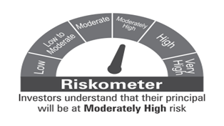

 | Benchmark Riskometer: CRISIL Credit Risk Debt C-III Index

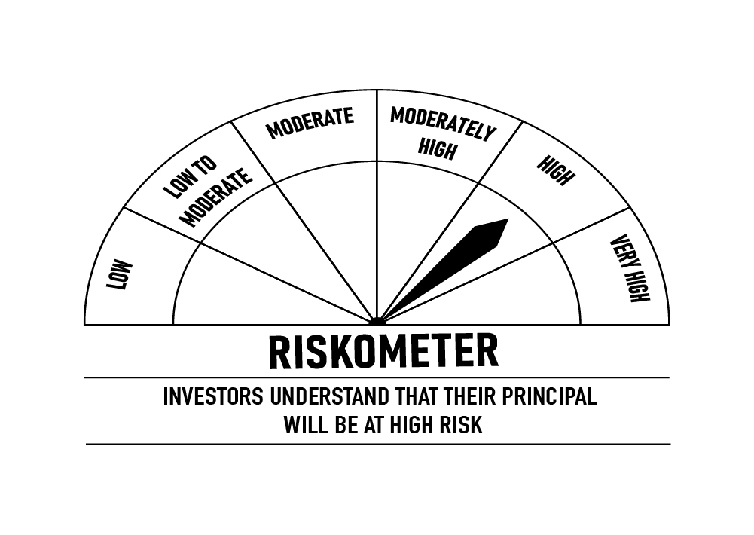

 |  | Portfolio Information
 | Scheme Name: | DSP Credit Risk Fund
 | Description (if any)
 | Annualised Portfolio YTM*: | 7.82%
 | Macaulay Duration | 1.66
 | Residual Maturity | 1.83
 | As on (Date) | 15-May-23
 | * In case of semi-annual YTM, it will be annualised

SHORT
 | DSP Short Term Fund
 | Portfolio as on May 15, 2023

Sr. No. | Name of Instrument | ISIN | Rating/Industry | Quantity | Market value (Rs. In lakhs) | % to Net Assets | Maturity Date | Put/Call Option | YTM (%)

 | DEBT INSTRUMENTS
 | BOND & NCD's
 | Listed / awaiting listing on the stock exchanges |  |  |  |  |  |  |  |  | Sector/Rating | Percent
1 | Housing Development Finance Corporation Limited** | INE001A07TI0 | CRISIL AAA | 1,000 | 9,826.88 | 3.29% | 25-Feb-25 |  | 7.76 | CRISIL AAA | 44.89%
2 | Power Finance Corporation Limited** | INE134E08LX5 | CRISIL AAA | 900 | 9,318.77 | 3.12% | 17-Jan-28 |  | 7.46 | Sovereign | 38.31%
3 | Kotak Mahindra Prime Limited** | INE916DA7RY8 | CRISIL AAA | 750 | 7,742.61 | 2.59% | 23-Dec-24 |  | 7.77 | CRISIL AA+ | 5.14%
4 | Bajaj Housing Finance Limited** | INE377Y07391 | CRISIL AAA | 750 | 7,739.19 | 2.59% | 12-Dec-25 |  | 7.84 | ICRA AAA | 4.83%
5 | Larsen & Toubro Limited** | INE018A08BE9 | CRISIL AAA | 7,500 | 7,630.18 | 2.55% | 28-Apr-28 |  | 7.39 | CRISIL AAA(CE) | 1.64%
6 | Mahindra & Mahindra Financial Services Limited** | INE774D07UW5 | CRISIL AAA | 7,500 | 7,622.19 | 2.55% | 28-Mar-25 |  | 7.90 | IND AA+ | 1.18%
7 | Muthoot Finance Limited** | INE414G07IF1 | CRISIL AA+ | 7,500 | 7,599.15 | 2.54% | 24-Apr-28 | PU - 25-May-2026 | 8.30 | CRISIL A1+ | 0.80%
8 | REC Limited** | INE020B08CK8 | CRISIL AAA | 750 | 7,534.18 | 2.52% | 20-Mar-25 |  | 7.46 | Cash & Equivalent | 3.21%
9 | National Bank for Agriculture and Rural Development** | INE261F08DI1 | CRISIL AAA | 750 | 7,346.12 | 2.46% | 31-Jan-25 |  | 7.50
10 | Hindustan Petroleum Corporation Limited** | INE094A08127 | CRISIL AAA | 500 | 5,268.58 | 1.76% | 30-Jul-25 |  | 7.40
11 | Bharti Telecom Limited** | INE403D08165 | CRISIL AA+ | 500 | 5,201.40 | 1.74% | 12-Dec-25 |  | 8.39
12 | Small Industries Development Bank of India** | INE556F08KG3 | CRISIL AAA | 5,000 | 5,137.77 | 1.72% | 10-Feb-26 |  | 7.45
13 | Power Finance Corporation Limited** | INE134E08MK0 | CRISIL AAA | 5,000 | 5,081.03 | 1.70% | 15-Sep-26 |  | 7.48
14 | NIIF Infrastructure Finance Limited** | INE246R07566 | ICRA AAA | 500 | 5,000.50 | 1.67% | 16-Feb-24 |  | 7.84
15 | Indian Oil Corporation Limited** | INE242A08452 | CRISIL AAA | 500 | 4,981.70 | 1.67% | 6-Mar-25 |  | 7.35
16 | L&T Metro Rail Hyderabad Limited** | INE128M08060 | CRISIL AAA(CE) | 500 | 4,905.85 | 1.64% | 30-Apr-25 |  | 7.59
17 | Hindustan Petroleum Corporation Limited** | INE094A08036 | CRISIL AAA | 450 | 4,715.81 | 1.58% | 14-Aug-24 |  | 7.38
18 | Small Industries Development Bank of India** | INE556F08JY8 | ICRA AAA | 400 | 4,251.76 | 1.42% | 2-Jun-25 |  | 7.45
19 | Cholamandalam Investment and Finance Company Limited** | INE121A07OI7 | IND AA+ | 350 | 3,543.47 | 1.18% | 11-Apr-24 |  | 8.03
20 | Export-Import Bank of India** | INE514E08FY8 | CRISIL AAA | 250 | 2,666.73 | 0.89% | 5-Jun-25 |  | 7.30
21 | NIIF Infrastructure Finance Limited** | INE246R07384 | ICRA AAA | 250 | 2,655.22 | 0.89% | 7-Nov-24 |  | 8.00
22 | Housing Development Finance Corporation Limited** | INE001A07TS9 | CRISIL AAA | 250 | 2,589.30 | 0.87% | 18-Nov-25 |  | 7.76
23 | REC Limited** | INE020B08ED9 | CRISIL AAA | 2,500 | 2,572.12 | 0.86% | 30-Jun-26 |  | 7.45
24 | REC Limited** | INE020B08EH0 | CRISIL AAA | 2,500 | 2,565.36 | 0.86% | 31-Mar-28 |  | 7.43
25 | Muthoot Finance Limited** | INE414G07HT4 | CRISIL AA+ | 2,500 | 2,562.59 | 0.86% | 25-Aug-25 |  | 8.32
26 | National Housing Bank** | INE557F08FG1 | CRISIL AAA | 250 | 2,557.37 | 0.85% | 18-Dec-24 |  | 7.41
27 | Tata Capital Financial Services Limited** | INE306N07NL3 | ICRA AAA | 2,500 | 2,554.47 | 0.85% | 13-Mar-26 |  | 7.98
28 | Power Finance Corporation Limited** | INE134E08MC7 | CRISIL AAA | 2,500 | 2,553.99 | 0.85% | 15-Jul-26 |  | 7.48
29 | Export-Import Bank of India** | INE514E08FU6 | CRISIL AAA | 250 | 2,546.90 | 0.85% | 20-Jun-25 |  | 7.30
30 | HDB Financial Services Limited** | INE756I07EE3 | CRISIL AAA | 250 | 2,541.15 | 0.85% | 24-Jan-25 |  | 7.88
31 | Bajaj Housing Finance Limited** | INE377Y07375 | CRISIL AAA | 250 | 2,536.82 | 0.85% | 16-Mar-26 |  | 7.85
32 | National Housing Bank** | INE557F08FH9 | CRISIL AAA | 250 | 2,533.73 | 0.85% | 21-Jan-25 |  | 7.38
33 | HDB Financial Services Limited** | INE756I07ES3 | CRISIL AAA | 2,500 | 2,528.59 | 0.85% | 30-May-25 |  | 7.93
34 | Kotak Mahindra Prime Limited** | INE916DA7SH1 | CRISIL AAA | 2,500 | 2,522.53 | 0.84% | 22-May-26 |  | 7.87
35 | Bajaj Housing Finance Limited** | INE377Y07417 | CRISIL AAA | 250 | 2,521.82 | 0.84% | 28-Apr-28 |  | 7.78
36 | Jamnagar Utilities & Power Private Limited** | INE936D07174 | CRISIL AAA | 250 | 2,508.92 | 0.84% | 29-Sep-26 |  | 7.65
37 | Power Grid Corporation of India Limited** | INE752E08643 | CRISIL AAA | 250 | 2,492.66 | 0.83% | 15-Apr-25 |  | 7.34
38 | Export-Import Bank of India** | INE514E08FX0 | CRISIL AAA | 250 | 2,477.26 | 0.83% | 31-Mar-25 | PU - 29-Mar-2024 CA - 29-Mar-2024 | 7.33
39 | HDB Financial Services Limited** | INE756I07EL8 | CRISIL AAA | 200 | 2,037.81 | 0.68% | 25-Feb-26 |  | 7.97
40 | ICICI Home Finance Company Limited** | INE071G07488 | CRISIL AAA | 150 | 1,496.84 | 0.50% | 1-Mar-24 |  | 7.63
 | Total |  |  |  | 172,469.32 | 57.68%

 | Government Securities (Central/State)
41 | 7.10% GOI 2029 | IN0020220011 | Sovereign | 45,000,000 | 45,437.41 | 15.19% | 18-Apr-29 |  | 7.01
42 | 7.38% GOI 2027 | IN0020220037 | Sovereign | 42,500,000 | 44,399.45 | 14.84% | 20-Jun-27 |  | 6.96
43 | 5.74% GOI 2026 | IN0020210186 | Sovereign | 12,500,000 | 12,047.71 | 4.03% | 15-Nov-26 |  | 6.93
44 | 7.26% GOI 2033 | IN0020220151 | Sovereign | 7,500,000 | 7,785.57 | 2.60% | 6-Feb-33 |  | 7.00
45 | 0% GOI 2025 | IN000425C032 | Sovereign | 2,533,500 | 2,221.80 | 0.74% | 12-Apr-25 |  | 7.01
46 | 0% GOI 2024 | IN001024C032 | Sovereign | 1,970,500 | 1,786.91 | 0.60% | 12-Oct-24 |  | 7.08
47 | 0% GOI 2025 | IN001025C039 | Sovereign | 563,000 | 476.72 | 0.16% | 12-Oct-25 |  | 7.04
 | Total |  |  |  | 114,155.57 | 38.16%

 | MONEY MARKET INSTRUMENTS
 | Certificate of Deposit
48 | Kotak Mahindra Bank Limited** | INE237A168R6 | CRISIL A1+ | 500 | 2,384.75 | 0.80% | 11-Jan-24 |  | 7.35
 | Total |  |  |  | 2,384.75 | 0.80%

 | Treasury Bill
49 | 364 DAYS T-BILL 2024 | IN002022Z499 | Sovereign | 375,000 | 354.88 | 0.12% | 7-Mar-24 |  | 6.99
50 | 364 DAYS T-BILL 2024 | IN002022Z523 | Sovereign | 110,000 | 103.69 | 0.03% | 29-Mar-24 |  | 6.98
 | Total |  |  |  | 458.57 | 0.15%

51 | TREPS / Reverse Repo Investments / Corporate Debt Repo |  |  |  | 12,176.52 | 4.07% | 16-May-23
 | Total |  |  |  | 12,176.52 | 4.07%

 | Cash & Cash Equivalent
 | Net Receivables/Payables |  |  |  | (2,523.72) | -0.86%
 | Total |  |  |  | (2,523.72) | -0.86%

 | GRAND TOTAL |  |  |  | 299,121.01 | 100.00%
Notes:
1 | ** Non Traded in accordance with SEBI Regulations.
2 | Market value includes accrued interest
3 | Net Assets does not include unit activity for the date of the Portfolios.

 | Scheme Riskometer

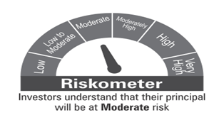

 | Benchmark Riskometer: CRISIL Short Duration Debt A-II Index

 |  | Portfolio Information
 | Scheme Name: | DSP Short Term Fund
 | Description (if any)
 | Annualised Portfolio YTM*: | 7.42%
 | Macaulay Duration | 2.94
 | Residual Maturity | 3.40
 | As on (Date) | 15-May-23
 | * In case of semi-annual YTM, it will be annualised

STR
 | DSP Strategic Bond Fund
 | Portfolio as on May 15, 2023

Sr. No. | Name of Instrument | ISIN | Rating/Industry | Quantity | Market value (Rs. In lakhs) | % to Net Assets | Maturity Date | Put/Call Option | YTM (%)

 | DEBT INSTRUMENTS
 | BOND & NCD's
 | Listed / awaiting listing on the stock exchanges |  |  |  |  |  |  |  |  | Sector/Rating | Percent
1 | Bharti Telecom Limited** | INE403D08165 | CRISIL AA+ | 250 | 2,600.70 | 4.72% | 12-Dec-25 |  | 8.39 | Sovereign | 93.53%
 | Total |  |  |  | 2,600.70 | 4.72% |  |  |  | CRISIL AA+ | 4.72%
 |  |  |  |  |  |  |  |  |  | Cash & Equivalent | 1.75%
 | Government Securities (Central/State)
2 | 7.84% Telangana SDL 2036 | IN4520220109 | Sovereign | 10,000,000 | 10,602.34 | 19.25% | 3-Aug-36 |  | 7.39
3 | 7.36% GOI 2052 | IN0020220086 | Sovereign | 6,500,000 | 6,757.47 | 12.27% | 12-Sep-52 |  | 7.14
4 | 7.40% GOI 2062 | IN0020220094 | Sovereign | 5,500,000 | 5,746.52 | 10.43% | 19-Sep-62 |  | 7.15
5 | 7.74% Uttar Pradesh SDL 2037 | IN3320220152 | Sovereign | 5,225,000 | 5,449.47 | 9.89% | 15-Mar-37 |  | 7.39
6 | 7.64% Telangana SDL 2033 | IN4520220380 | Sovereign | 4,500,000 | 4,682.15 | 8.50% | 8-Feb-33 |  | 7.35
7 | 7.64% Uttar Pradesh SDL 2036 | IN3320220095 | Sovereign | 4,000,000 | 4,174.03 | 7.58% | 8-Feb-36 |  | 7.36
8 | 7.75% Uttar Pradesh SDL 2038 | IN3320220137 | Sovereign | 3,000,000 | 3,140.42 | 5.70% | 8-Mar-38 |  | 7.39
9 | 7.77% Madhya Pradesh SDL 2043 | IN2120220107 | Sovereign | 2,500,000 | 2,629.67 | 4.77% | 8-Mar-43 |  | 7.41
10 | 7..77% Madhya Pradesh SDL 2047 | IN2120220149 | Sovereign | 2,500,000 | 2,622.81 | 4.76% | 29-Mar-47 |  | 7.42
11 | 7.81% Uttar Pradesh SDL 2034 | IN3320220194 | Sovereign | 2,500,000 | 2,605.82 | 4.73% | 29-Mar-34 |  | 7.36
12 | 7.89% Telangana SDL 2036 | IN4520220224 | Sovereign | 1,500,000 | 1,570.03 | 2.85% | 27-Oct-36 |  | 7.39
13 | 7.63% Telangana SDL 2036 | IN4520220307 | Sovereign | 1,000,000 | 1,046.27 | 1.90% | 11-Jan-36 |  | 7.39
14 | 6.54% GOI 2032 | IN0020210244 | Sovereign | 500,000 | 493.92 | 0.90% | 17-Jan-32 |  | 7.07
15 | 8.32% Karnataka SDL 2029 | IN1920180206 | Sovereign | 2,100 | 2.23 | * | 13-Mar-29 |  | 7.28
 | Total |  |  |  | 51,523.15 | 93.53%

 | MONEY MARKET INSTRUMENTS
16 | TREPS / Reverse Repo Investments / Corporate Debt Repo |  |  |  | 715.24 | 1.30% | 16-May-23
 | Total |  |  |  | 715.24 | 1.30%

 | Cash & Cash Equivalent
 | Net Receivables/Payables |  |  |  | 245.97 | 0.45%
 | Total |  |  |  | 245.97 | 0.45%

 | GRAND TOTAL |  |  |  | 55,085.06 | 100.00%
Notes:
1 | ** Non Traded in accordance with SEBI Regulations.
2 | * Less than 0.01%
3 | Market value includes accrued interest
4 | Net Assets does not include unit activity for the date of the Portfolios.

 | Scheme Riskometer

 | Benchmark Riskometer: CRISIL Dynamic Bond B-III Index

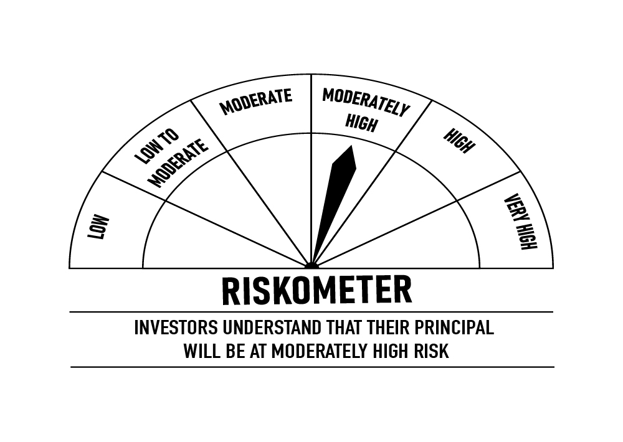

 |  | Portfolio Information
 | Scheme Name: | DSP Strategic Bond Fund
 | Description (if any)
 | Annualised Portfolio YTM*: | 7.49%
 | Macaulay Duration | 9.09
 | Residual Maturity | 17.69
 | As on (Date) | 15-May-23
 | * In case of semi-annual YTM, it will be annualised

OVERNIGHT
 | DSP Overnight Fund
 | Portfolio as on May 15, 2023

Sr. No. | Name of Instrument | ISIN | Rating/Industry | Quantity | Market value (Rs. In lakhs) | % to Net Assets | Maturity Date | Put/Call Option | YTM (%)

 | MONEY MARKET INSTRUMENTS
 | Treasury Bill
1 | 182 DAYS T-BILL 2023 | IN002022Y377 | Sovereign | 10,000,000 | 9,957.65 | 3.03% | 8-Jun-23 |  | 6.75 | Sector/Rating | Percent
2 | 182 DAYS T-BILL 2023 | IN002022Y344 | Sovereign | 6,000,000 | 5,997.78 | 1.83% | 18-May-23 |  | 6.76 | Sovereign | 5.16%
3 | 364 DAYS T-BILL 2023 | IN002022Z077 | Sovereign | 500,000 | 499.82 | 0.15% | 18-May-23 |  | 6.76 | Cash & Equivalent | 94.84%
4 | 91 DAYS T-BILL 2023 | IN002022X486 | Sovereign | 500,000 | 498.51 | 0.15% | 1-Jun-23 |  | 6.80
 | Total |  |  |  | 16,953.76 | 5.16%

5 | TREPS / Reverse Repo Investments / Corporate Debt Repo |  |  |  | 310,857.68 | 94.62% | 16-May-23
 | Total |  |  |  | 310,857.68 | 94.62%

 | Cash & Cash Equivalent
 | Net Receivables/Payables |  |  |  | 719.60 | 0.22%
 | Total |  |  |  | 719.60 | 0.22%

 | GRAND TOTAL |  |  |  | 328,531.04 | 100.00%
Notes:
1 | As per the investment policy of DSP Overnight Fund , the Fund does not invest in Corporate Debt Repo
2 | Market value includes accrued interest
3 | Net Assets does not include unit activity for the date of the Portfolios.

 | Scheme Riskometer

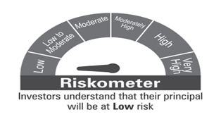

 | Benchmark Riskometer: CRISIL Liquid Overnight Index

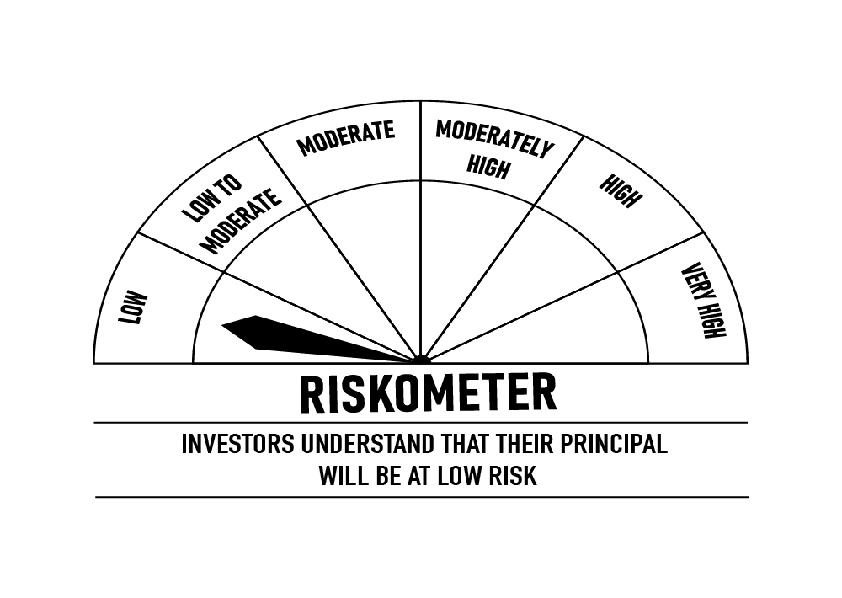

 |  | Portfolio Information
 | Scheme Name: | DSP Overnight Fund
 | Description (if any)
 | Annualised Portfolio YTM*: | 6.85%
 | Macaulay Duration | 0.00
 | Residual Maturity | 0.00
 | As on (Date) | 15-May-23
 | * In case of semi-annual YTM, it will be annualised

