LIQUID
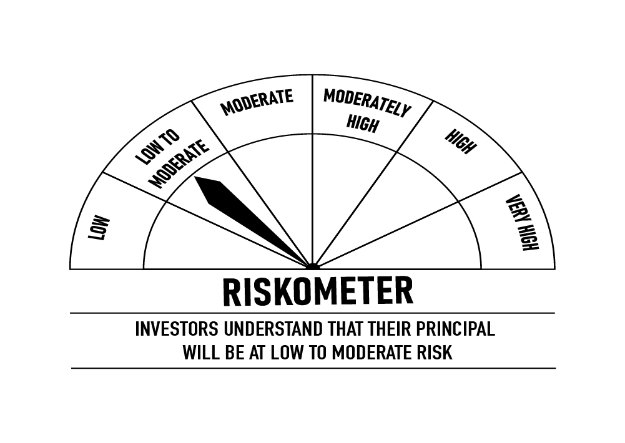
 | DSP Liquidity Fund
 | Portfolio as on May 31, 2022

Sr. No. | Name of Instrument | ISIN | Rating/Industry | Quantity | Market value (Rs. In lakhs) | % to Net Assets | Maturity Date | Put/Call Option | YTM (%)

 | DEBT INSTRUMENTS
 | BOND & NCD's
 | Listed / awaiting listing on the stock exchanges |  |  |  |  |  |  |  |  | Sector/Rating | Percent
1 | National Bank for Agriculture and Rural Development | INE261F08BN5 | CRISIL AAA | 1,100 | 11,678.30 | 1.22% | 08-Aug-2022 |  | 5.12 | CRISIL A1+ | 41.24%
2 | REC Limited** | INE020B08740 | CRISIL AAA | 850 | 9,278.52 | 0.97% | 15-Jun-2022 |  | 4.56 | IND A1+ | 15.57%
3 | Muthoot Finance Limited | INE414G07EU9 | CRISIL AA+ | 800 | 8,634.34 | 0.90% | 04-Jul-2022 |  | 5.85 | SOV | 15.44%
4 | National Bank for Agriculture and Rural Development** | INE261F08BL9 | CRISIL AAA | 750 | 8,067.05 | 0.84% | 13-Jun-2022 |  | 4.54 | CRISIL AAA | 3.70%
5 | LIC Housing Finance Limited** | INE115A07MG7 | CRISIL AAA | 600 | 6,399.08 | 0.67% | 15-Jul-2022 |  | 5.03 | ICRA A1+ | 1.35%
 | Total |  |  |  | 44,057.29 | 4.60% |  |  |  | CRISIL AA+ | 0.90%
 |  |  |  |  |  |  |  |  |  | Cash & Equivalent | 21.80%
 | Government Securities (Central/State)
6 | 8.15% GOI 11062022 | IN0020120013 | SOV | 2,500,000 | 2,598.84 | 0.27% | 11-Jun-2022 |  | 4.27
 | Total |  |  |  | 2,598.84 | 0.27%

 | MONEY MARKET INSTRUMENTS
 | Certificate of Deposit
7 | HDFC Bank Limited** | INE040A16DB8 | IND A1+ | 8,500 | 42,350.10 | 4.42% | 29-Jun-2022 |  | 4.61
8 | Indian Bank | INE562A16KH3 | IND A1+ | 4,000 | 19,929.98 | 2.08% | 29-Jun-2022 |  | 4.58
9 | HDFC Bank Limited** | INE040A16CW6 | IND A1+ | 4,000 | 19,856.80 | 2.07% | 25-Jul-2022 |  | 4.87
10 | Axis Bank Limited** | INE238A164Z7 | CRISIL A1+ | 4,000 | 19,804.58 | 2.07% | 11-Aug-2022 |  | 5.07
11 | HDFC Bank Limited** | INE040A16CI5 | IND A1+ | 4,000 | 19,788.16 | 2.06% | 17-Aug-2022 |  | 5.07
12 | Axis Bank Limited** | INE238A162X6 | CRISIL A1+ | 2,000 | 9,980.09 | 1.04% | 17-Jun-2022 |  | 4.55
13 | IDFC First Bank Limited** | INE092T16RV7 | CRISIL A1+ | 2,000 | 9,972.04 | 1.04% | 22-Jun-2022 |  | 4.87
14 | Axis Bank Limited** | INE238A166Y5 | CRISIL A1+ | 2,000 | 9,903.65 | 1.03% | 10-Aug-2022 |  | 5.07
15 | IDFC First Bank Limited** | INE092T16RZ8 | CRISIL A1+ | 2,000 | 9,898.91 | 1.03% | 10-Aug-2022 |  | 5.33
16 | Canara Bank** | INE476A16SS6 | CRISIL A1+ | 2,000 | 9,894.70 | 1.03% | 17-Aug-2022 |  | 5.04
17 | Canara Bank | INE476A16SW8 | CRISIL A1+ | 1,500 | 7,492.94 | 0.78% | 09-Jun-2022 |  | 4.30
18 | Indian Bank | INE562A16KD2 | IND A1+ | 1,500 | 7,487.22 | 0.78% | 15-Jun-2022 |  | 4.45
19 | Axis Bank Limited** | INE238A168Y1 | CRISIL A1+ | 1,000 | 4,941.23 | 0.52% | 25-Aug-2022 |  | 5.11
 | Total |  |  |  | 191,300.40 | 19.95%

 | Commercial Papers
 | Listed / awaiting listing on the stock exchanges
20 | Reliance Retail Ventures Limited** | INE929O14602 | CRISIL A1+ | 8,000 | 39,953.04 | 4.17% | 10-Jun-2022 |  | 4.77
21 | Tata Steel Limited** | INE081A14CK0 | IND A1+ | 8,000 | 39,857.88 | 4.16% | 28-Jun-2022 |  | 4.82
22 | Housing Development Finance Corporation Limited** | INE001A14YM8 | CRISIL A1+ | 6,000 | 29,913.45 | 3.12% | 23-Jun-2022 |  | 4.80
23 | Housing Development Finance Corporation Limited | INE001A14YU1 | CRISIL A1+ | 6,000 | 29,672.61 | 3.09% | 17-Aug-2022 |  | 5.23
24 | ICICI Securities Limited** | INE763G14LX4 | CRISIL A1+ | 5,000 | 24,953.10 | 2.60% | 15-Jun-2022 |  | 4.90
25 | National Bank for Agriculture and Rural Development** | INE261F14IR9 | CRISIL A1+ | 4,000 | 19,995.26 | 2.09% | 03-Jun-2022 |  | 4.33
26 | Tata Capital Housing Finance Limited** | INE033L14LZ7 | CRISIL A1+ | 4,000 | 19,841.52 | 2.07% | 28-Jul-2022 |  | 5.12
27 | Reliance Retail Ventures Limited** | INE929O14644 | CRISIL A1+ | 4,000 | 19,780.92 | 2.06% | 17-Aug-2022 |  | 5.25
28 | Julius Baer Capital (India) Private Limited** | INE824H14HO9 | CRISIL A1+ | 3,000 | 14,970.63 | 1.56% | 15-Jun-2022 |  | 5.11
29 | ICICI Securities Limited** | INE763G14MI3 | CRISIL A1+ | 3,000 | 14,944.33 | 1.56% | 28-Jun-2022 |  | 5.04
30 | Hindustan Petroleum Corporation Limited** | INE094A14IK0 | CRISIL A1+ | 2,000 | 9,965.14 | 1.04% | 28-Jun-2022 |  | 4.73
31 | Tata Realty And Infrastructure Limited** | INE371K14BF6 | CRISIL A1+ | 2,000 | 9,923.60 | 1.04% | 22-Jul-2022 |  | 5.51
32 | Julius Baer Capital (India) Private Limited** | INE824H14HP6 | CRISIL A1+ | 2,000 | 9,915.27 | 1.03% | 28-Jul-2022 |  | 5.47
33 | Godrej Properties Limited** | INE484J14NV1 | CRISIL A1+ | 1,500 | 7,490.87 | 0.78% | 10-Jun-2022 |  | 4.94
34 | Birla Group Holdings Private Limited** | INE09OL14AJ2 | CRISIL A1+ | 1,500 | 7,474.80 | 0.78% | 24-Jun-2022 |  | 5.35
35 | Godrej Properties Limited** | INE484J14NK4 | CRISIL A1+ | 1,500 | 7,470.40 | 0.78% | 30-Jun-2022 |  | 4.99
36 | Network18 Media & Investments Limited** | INE870H14OC3 | ICRA A1+ | 1,500 | 7,447.60 | 0.78% | 22-Jul-2022 |  | 5.04
37 | Godrej Industries Limited** | INE233A14UR4 | CRISIL A1+ | 1,500 | 7,441.99 | 0.78% | 27-Jul-2022 |  | 5.08
38 | Birla Group Holdings Private Limited** | INE09OL14AO2 | CRISIL A1+ | 1,500 | 7,418.27 | 0.77% | 10-Aug-2022 |  | 5.75
39 | NIIF Infrastructure Finance Limited** | INE246R14307 | ICRA A1+ | 1,100 | 5,428.57 | 0.57% | 25-Aug-2022 |  | 5.65
40 | Godrej Properties Limited** | INE484J14NL2 | CRISIL A1+ | 1,000 | 4,998.69 | 0.52% | 03-Jun-2022 |  | 4.79
41 | Standard Chartered Investments and Loans (India) Limited** | INE403G14OC5 | CRISIL A1+ | 1,000 | 4,994.50 | 0.52% | 09-Jun-2022 |  | 5.03
42 | Jamnagar Utilities & Power Private Limited | INE936D14147 | CRISIL A1+ | 1,000 | 4,994.21 | 0.52% | 10-Jun-2022 |  | 4.70
43 | Birla Group Holdings Private Limited** | INE09OL14AG8 | CRISIL A1+ | 1,000 | 4,989.31 | 0.52% | 16-Jun-2022 |  | 5.21
44 | Jamnagar Utilities & Power Private Limited** | INE936D14097 | CRISIL A1+ | 1,000 | 4,987.07 | 0.52% | 21-Jun-2022 |  | 4.73
45 | Godrej Industries Limited** | INE233A14UT0 | CRISIL A1+ | 1,000 | 4,955.06 | 0.52% | 03-Aug-2022 |  | 5.25
46 | LIC Housing Finance Limited** | INE115A14DE7 | CRISIL A1+ | 500 | 2,487.76 | 0.26% | 07-Jul-2022 |  | 4.99
 | Total |  |  |  | 366,265.85 | 38.21%

 | Treasury Bill
47 | 91 DAY T-BILL 09062022 | IN002021X561 | SOV | 59,500,000 | 59,447.40 | 6.20% | 09-Jun-2022 |  | 4.04
48 | 91 DAY T-BILL 23062022 | IN002021X587 | SOV | 50,000,000 | 49,877.50 | 5.20% | 23-Jun-2022 |  | 4.07
49 | 91 DAY T-BILL 11082022 | IN002022X064 | SOV | 30,000,000 | 29,721.48 | 3.10% | 11-Aug-2022 |  | 4.82
50 | 364 DAY T-BILL 16062022 | IN002021Z111 | SOV | 3,000,000 | 2,994.95 | 0.31% | 16-Jun-2022 |  | 4.10
51 | 182 DAY T-BILL 07072022 | IN002021Y437 | SOV | 2,500,000 | 2,488.71 | 0.26% | 07-Jul-2022 |  | 4.60
52 | 91 DAY T-BILL 30062022 | IN002021X595 | SOV | 1,000,000 | 996.63 | 0.10% | 30-Jun-2022 |  | 4.25
 | Total |  |  |  | 145,526.67 | 15.17%

53 | TREPS / Reverse Repo Investments / Corporate Debt Repo |  |  |  | 216,450.69 | 22.58% | 01-Jun-2022
 | Total |  |  |  | 216,450.69 | 22.58%

 | Cash & Cash Equivalent
 | Net Receivables/Payables |  |  |  | (7,416.52) | -0.78%
 | Total |  |  |  | (7,416.52) | -0.78%

 | GRAND TOTAL |  |  |  | 958,783.22 | 100.00%
Notes:
1 | ** Non Traded in accordance with SEBI Regulations
2 | Market value includes accrued interest
3 | Net Assets does not include unit activity for the date of the Portfolios.
4 | As on May 31, 2022, the aggregate investments by the schemes of DSP Mutual Fund in DSP Liquidity Fund is Rs 2,100.48 lakhs.

 | Scheme Riskometer



 | Benchmark Riskometer: CRISIL Liquid Fund BI Index

ULTRA

 | DSP Ultra Short Fund
 | Portfolio as on May 31, 2022

Sr. No. | Name of Instrument | ISIN | Rating/Industry | Quantity | Market value (Rs. In lakhs) | % to Net Assets | Maturity Date | Put/Call Option | YTM (%)

 | DEBT INSTRUMENTS
 | BOND & NCD's
 | Listed / awaiting listing on the stock exchanges |  |  |  |  |  |  |  |  | Sector/Rating | Percent
1 | Housing Development Finance Corporation Limited** | INE001A07SD3 | CRISIL AAA | 750 | 7,772.15 | 2.54% | 30-Dec-2022 |  | 5.95 | CRISIL A1+ | 47.91%
2 | Indian Oil Corporation Limited | INE242A08460 | CRISIL AAA | 500 | 4,986.07 | 1.63% | 25-Nov-2022 |  | 5.78 | SOV | 15.60%
3 | National Bank for Agriculture and Rural Development** | INE261F08BL9 | CRISIL AAA | 250 | 2,689.02 | 0.88% | 13-Jun-2022 |  | 4.54 | IND A1+ | 12.91%
4 | LIC Housing Finance Limited** | INE115A07OG3 | CRISIL AAA | 250 | 2,651.04 | 0.87% | 23-Sep-2022 |  | 5.46 | CRISIL AAA | 8.47%
5 | REC Limited** | INE020B08CG6 | CRISIL AAA | 250 | 2,592.28 | 0.85% | 31-Dec-2022 |  | 5.87 | ICRA A1+ | 4.66%
6 | Housing Development Finance Corporation Limited** | INE001A07SU7 | CRISIL AAA | 250 | 2,531.61 | 0.83% | 14-Dec-2022 |  | 5.95 | IND AA | 0.73%
7 | Tata Power Company Limited** | INE245A08158 | IND AA | 210 | 2,221.11 | 0.73% | 21-Nov-2022 |  | 6.13 | Cash & Equivalent | 9.72%
8 | Reliance Industries Limited** | INE002A08476 | CRISIL AAA | 150 | 1,584.13 | 0.52% | 31-Aug-2022 |  | 5.28
9 | REC Limited** | INE020B08AK2 | CRISIL AAA | 100 | 1,054.98 | 0.35% | 07-Sep-2022 |  | 5.41
 | Total |  |  |  | 28,082.39 | 9.20%

 | Government Securities (Central/State)
10 | 8.15% GOI 11062022 | IN0020120013 | SOV | 15,000,000 | 15,593.01 | 5.10% | 11-Jun-2022 |  | 4.27
11 | 8.90% Rajasthan SDL 20092022 | IN2920120085 | SOV | 13,000,000 | 13,360.32 | 4.37% | 20-Sep-2022 |  | 5.37
12 | 6.84% GOI 19122022 | IN0020160050 | SOV | 8,500,000 | 8,819.34 | 2.89% | 19-Dec-2022 |  | 5.56
 | Total |  |  |  | 37,772.67 | 12.36%

 | MONEY MARKET INSTRUMENTS
 | Certificate of Deposit
13 | Indian Bank | INE562A16KH3 | IND A1+ | 4,000 | 19,929.98 | 6.52% | 29-Jun-2022 |  | 4.58
14 | Canara Bank** | INE476A16ST4 | CRISIL A1+ | 2,000 | 9,887.94 | 3.24% | 22-Aug-2022 |  | 5.04
15 | Axis Bank Limited** | INE238A167Z0 | CRISIL A1+ | 2,000 | 9,802.97 | 3.21% | 10-Oct-2022 |  | 5.60
16 | HDFC Bank Limited** | INE040A16CT2 | IND A1+ | 2,000 | 9,797.97 | 3.21% | 14-Oct-2022 |  | 5.57
17 | IDFC First Bank Limited** | INE092T16RN4 | CRISIL A1+ | 1,500 | 7,168.93 | 2.35% | 20-Feb-2023 |  | 6.39
18 | HDFC Bank Limited | INE040A16CP0 | IND A1+ | 1,000 | 4,916.16 | 1.61% | 26-Sep-2022 |  | 5.32
19 | HDFC Bank Limited** | INE040A16CV8 | IND A1+ | 1,000 | 4,798.48 | 1.57% | 10-Feb-2023 |  | 6.04
20 | National Bank for Agriculture and Rural Development** | INE261F16660 | CRISIL A1+ | 1,000 | 4,792.34 | 1.57% | 17-Feb-2023 |  | 6.06
21 | IndusInd Bank Limited** | INE095A16O60 | CRISIL A1+ | 1,000 | 4,767.77 | 1.56% | 06-Mar-2023 |  | 6.40
22 | AU Small Finance Bank Limited** | INE949L16BK2 | CRISIL A1+ | 1,000 | 4,749.36 | 1.55% | 02-Mar-2023 |  | 7.03
23 | Small Industries Development Bank of India** | INE556F16960 | CRISIL A1+ | 1,000 | 4,707.40 | 1.54% | 30-May-2023 |  | 6.25
24 | Axis Bank Limited | INE238A164X2 | CRISIL A1+ | 500 | 2,495.33 | 0.82% | 16-Jun-2022 |  | 4.55
25 | National Bank for Agriculture and Rural Development** | INE261F16611 | CRISIL A1+ | 500 | 2,408.39 | 0.79% | 18-Jan-2023 |  | 6.01
26 | Axis Bank Limited** | INE238A161Z3 | CRISIL A1+ | 500 | 2,387.75 | 0.78% | 07-Mar-2023 |  | 6.15
27 | Canara Bank** | INE476A16SX6 | CRISIL A1+ | 500 | 2,387.12 | 0.78% | 14-Mar-2023 |  | 6.04
 | Total |  |  |  | 94,997.89 | 31.10%

 | Commercial Papers
 | Listed / awaiting listing on the stock exchanges
28 | Jamnagar Utilities & Power Private Limited** | INE936D14113 | CRISIL A1+ | 3,000 | 14,753.28 | 4.83% | 21-Sep-2022 |  | 5.45
29 | LIC Housing Finance Limited** | INE115A14DL2 | CRISIL A1+ | 2,000 | 9,849.90 | 3.22% | 12-Sep-2022 |  | 5.40
30 | Bahadur Chand Investments Private Limited** | INE087M14AE9 | ICRA A1+ | 2,000 | 9,820.51 | 3.21% | 16-Sep-2022 |  | 6.23
31 | Small Industries Development Bank of India** | INE556F14ID2 | CRISIL A1+ | 2,000 | 9,771.72 | 3.20% | 31-Oct-2022 |  | 5.61
32 | IIFL Wealth Prime Limited** | INE248U14KW1 | CRISIL A1+ | 1,500 | 7,485.16 | 2.45% | 14-Jun-2022 |  | 5.56
33 | Motilal Oswal Finvest Limited** | INE01WN14520 | CRISIL A1+ | 1,500 | 7,475.18 | 2.45% | 20-Jun-2022 |  | 6.38
34 | Piramal Enterprises Limited** | INE140A14U51 | CRISIL A1+ | 1,500 | 7,395.23 | 2.42% | 23-Aug-2022 |  | 6.23
35 | Housing Development Finance Corporation Limited** | INE001A14XS7 | CRISIL A1+ | 1,000 | 4,941.94 | 1.62% | 22-Aug-2022 |  | 5.23
36 | Motilal Oswal Financial Services Limited** | INE338I14DC2 | CRISIL A1+ | 1,000 | 4,934.80 | 1.62% | 19-Aug-2022 |  | 6.11
37 | Larsen & Toubro Limited | INE018A14IN3 | CRISIL A1+ | 1,000 | 4,911.27 | 1.61% | 30-Sep-2022 |  | 5.45
38 | Indostar Capital Finance Limited** | INE896L14DA7 | CRISIL A1+ | 1,000 | 4,889.11 | 1.60% | 15-Sep-2022 |  | 7.81
39 | Deutsche Investments India Private Limited** | INE144H14FG2 | CRISIL A1+ | 1,000 | 4,874.83 | 1.60% | 21-Oct-2022 |  | 6.60
40 | Motilal Oswal Financial Services Limited** | INE338I14DE8 | CRISIL A1+ | 1,000 | 4,745.64 | 1.55% | 24-Feb-2023 |  | 7.30
41 | Fedbank Financial Services Limited** | INE007N14DC3 | CRISIL A1+ | 1,000 | 4,742.26 | 1.55% | 02-Mar-2023 |  | 7.24
42 | Kirloskar Ferrous Industries Ltd** | INE884B14457 | ICRA A1+ | 884 | 4,416.99 | 1.45% | 06-Jun-2022 |  | 4.99
 | Total |  |  |  | 105,007.82 | 34.38%

 | Treasury Bill
43 | 91 DAY T-BILL 11082022 | IN002022X064 | SOV | 10,000,000 | 9,907.16 | 3.24% | 11-Aug-2022 |  | 4.82
 | Total |  |  |  | 9,907.16 | 3.24%

44 | TREPS / Reverse Repo Investments / Corporate Debt Repo |  |  |  | 15,082.80 | 4.94% | 01-Jun-2022
 | Total |  |  |  | 15,082.80 | 4.94%

 | Cash & Cash Equivalent
 | Net Receivables/Payables |  |  |  | 14,691.92 | 4.78%
 | Total |  |  |  | 14,691.92 | 4.78%

 | GRAND TOTAL |  |  |  | 305,542.65 | 100.00%
Notes:
1 | ** Non Traded in accordance with SEBI Regulations
2 | Market value includes accrued interest
3 | Net Assets does not include unit activity for the date of the Portfolios.
4 | Pursuant to SEBI circular SEBI/HO/IMD/DF4/CIR/P/2019/102 dated September 24, 2019 read with circular no. SEBI/HO/IMD/DF4/CIR/P/2019/41 dated March 22, 2019. Below are the details of the securities in case of which issuer has defaulted beyond its maturity date.
 | Security Name | ISIN | value of the security considered under net receivables (i.e. value recognized in NAV in absolute terms and as % to NAV) (Rs.in lakhs) |  | total amount (including principal and interest) that is due to the scheme on that investment (Rs.in lakhs)
 | 0% IL&FS Transportation Networks Limited NCD Series A 23032019 | INE975G08140 | 0.00 | 0.00% | 6,627.81

 | Scheme Riskometer



 | Benchmark Riskometer: CRISIL Ultra Short Duration Fund BI Index

CREDITRISK
 | DSP Credit Risk Fund
 | Portfolio as on May 31, 2022

Sr. No. | Name of Instrument | ISIN | Rating/Industry | Quantity | Market value (Rs. In lakhs) | % to Net Assets | Maturity Date | Put/Call Option | YTM (%)

 | DEBT INSTRUMENTS
 | BOND & NCD's
 | Listed / awaiting listing on the stock exchanges |  |  |  |  |  |  |  |  | Sector/Rating | Percent
1 | Tata Motors Limited** | INE155A08191 | ICRA AA- | 200 | 2,255.68 | 8.85% | 20-Aug-2024 |  | 7.20 | ICRA AA | 22.15%
2 | Godrej Properties Limited** | INE484J08022 | ICRA AA | 200 | 2,129.66 | 8.35% | 31-Jul-2023 |  | 7.27 | CRISIL AA | 19.83%
3 | Tata Realty And Infrastructure Limited** | INE371K08177 | ICRA AA | 200 | 2,027.13 | 7.95% | 23-Sep-2022 |  | 6.01 | SOV | 9.66%
4 | Bharti Hexacom Limited** | INE343G08026 | CRISIL AA+ | 200 | 1,965.58 | 7.71% | 30-Apr-2024 |  | 7.18 | ICRA AA- | 8.85%
5 | Godrej Industries Limited** | INE233A08048 | CRISIL AA | 200 | 1,959.73 | 7.69% | 14-May-2025 |  | 7.84 | CRISIL AA+ | 7.71%
6 | Shriram City Union Finance Limited** | INE722A07BB4 | CRISIL AA | 150 | 1,556.43 | 6.10% | 21-Dec-2022 |  | 6.83 | IND AA | 6.00%
7 | JSW Steel Limited** | INE019A07431 | IND AA | 150 | 1,528.93 | 6.00% | 12-Oct-2027 | PU - 10-Oct-2025, CA - 10-Oct-2025 | 8.40 | Cash & Equivalent | 25.80%
8 | Kirloskar Ferrous Industries Ltd** | INE884B08012 | ICRA AA | 150 | 1,492.56 | 5.85% | 10-Mar-2024 |  | 7.88
9 | Aditya Birla Fashion and Retail Limited** | INE647O08107 | CRISIL AA | 100 | 1,006.43 | 3.95% | 09-Sep-2024 |  | 7.54
10 | Manappuram Finance Limited** | INE522D07BC0 | CRISIL AA | 50 | 532.92 | 2.09% | 07-Nov-2022 |  | 6.82
 | Total |  |  |  | 16,455.05 | 64.54%

 | Government Securities (Central/State)
11 | 6.79% GOI 15052027 | IN0020170026 | SOV | 2,500,000 | 2,463.86 | 9.66% | 15-May-2027 |  | 7.21
 | Total |  |  |  | 2,463.86 | 9.66%

 | MONEY MARKET INSTRUMENTS
12 | TREPS / Reverse Repo Investments / Corporate Debt Repo |  |  |  | 6,534.62 | 25.63% | 01-Jun-2022
 | Total |  |  |  | 6,534.62 | 25.63%

 | Cash & Cash Equivalent
 | Net Receivables/Payables |  |  |  | 44.25 | 0.17%
 | Total |  |  |  | 44.25 | 0.17%

 | GRAND TOTAL |  |  |  | 25,497.78 | 100.00%
Notes:
1 | ** Non Traded in accordance with SEBI Regulations
2 | Market value includes accrued interest
3 | Net Assets does not include unit activity for the date of the Portfolios.
4 | In case of below securities, DSP Mutual Fund has ignored prices provided by valuation agencies. Disclosure vide circular no. SEBI/HO/IMD/DF4/CIR/P/2019/41 dated March 22, 2019 & SEBI/HO/IMD/DF4/CIR/P/2019/102 dated September 24,2019 for detailed rationale along with other details are available at the below mentioned links
 | Name of the securities | No of Instances | Links
 | Il&Fs Energy Development Company Limited (Maturity Date : 28-Jun-2019) | 309 | https://www.dspim.com/media/pages/mandatory-disclosures/disclosures-for-deviation-in-valuation-price/52517897e3-1616167083/il-amp-fs-energy-devlopment-company-limited.pdf
 | Il&Fs Energy Development Company Limited (Maturity Date : 07-Jun-2019) | 309 | https://www.dspim.com/media/pages/mandatory-disclosures/disclosures-for-deviation-in-valuation-price/52517897e3-1616167083/il-amp-fs-energy-devlopment-company-limited.pdf
5 | Pursuant to SEBI circular SEBI/HO/IMD/DF4/CIR/P/2019/102 dated September 24, 2019 read with circular no. SEBI/HO/IMD/DF4/CIR/P/2019/41 dated March 22, 2019. Below are the details of the securities in case of which issuer has defaulted beyond its maturity date
 | Security Name | ISIN | value of the security considered under net receivables (i.e. value recognized in NAV in absolute terms and as % to NAV) (Rs.in lakhs) |  | total amount (including principal and interest) that is due to the scheme on that investment (Rs.in lakhs)
 | 0% IL&Fs Transportation Networks Limited Ncd Series A 23032019 | INE975G08140 | 0.00 | 0.00% | 23,396.18
 | 0% IL&Fs Energy Development Company Limited Ncd 07062019 | INE938L08049 | 0.00 | 0.00% | 13,861.96
 | 0% IL&FS Energy Development Company Limited Ncd 28062019 | INE938L08056 | 0.00 | 0.00% | 10,645.02

 | Scheme Riskometer

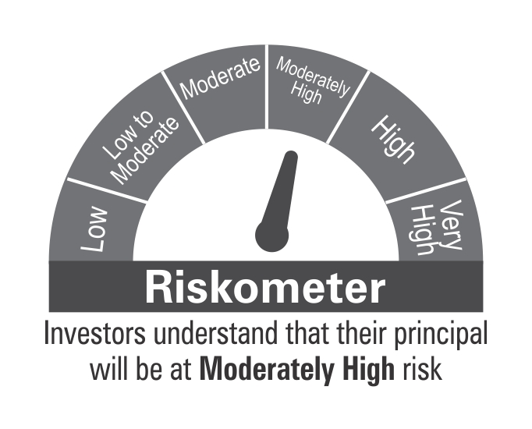

 | Benchmark Riskometer: CRISIL Credit Risk Fund CIII Index

