LIQUID
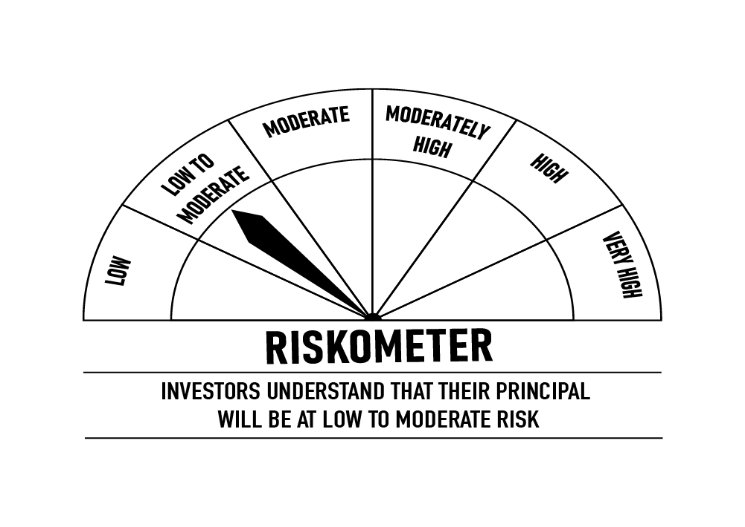
 | DSP Liquidity Fund
 | Portfolio as on January 15, 2022

Sr. No. | Name of Instrument | ISIN | Rating/Industry | Quantity | Market value (Rs. In lakhs) | % to Net Assets | Maturity Date | Put/Call Option | YTM (%)

 | DEBT INSTRUMENTS
 | BOND & NCD's
 | Listed / awaiting listing on the stock exchanges |  |  |  |  |  |  |  |  | Sector/Rating | Percent
1 | Housing Development Finance Corporation Limited** | INE001A07SV5 | CRISIL AAA | 250 | 2,597.41 | 0.27% | 18-Feb-2022 | - | 3.55 | CRISIL A1+ | 25.90%
 | Total |  |  |  | 2,597.41 | 0.27% |  |  |  | SOV | 8.92%
 |  |  |  |  |  |  |  |  |  | IND A1+ | 1.79%
 | MONEY MARKET INSTRUMENTS |  |  |  |  |  |  |  |  | ICRA A1+ | 0.77%
 | Certificate of Deposit |  |  |  |  |  |  |  |  | CRISIL AAA | 0.27%
2 | National Bank for Agriculture and Rural Development** | INE261F16595 | CRISIL A1+ | 12,500 | 12,460.64 | 1.28% | 18-Feb-2022 |  | 3.49 | Cash & Equivalent | 62.35%
3 | HDFC Bank Limited** | INE040A16CN5 | IND A1+ | 1,500 | 7,471.39 | 0.77% | 25-Feb-2022 |  | 3.50
 | Total |  |  |  | 19,932.03 | 2.05%

 | Commercial Papers
 | Listed / awaiting listing on the stock exchanges
4 | Reliance Industries Limited** | INE002A14JK1 | CRISIL A1+ | 4,000 | 19,949.98 | 2.06% | 11-Feb-2022 |  | 3.52
5 | Tata Capital Housing Finance Limited** | INE033L14LQ6 | CRISIL A1+ | 4,000 | 19,921.96 | 2.05% | 25-Feb-2022 |  | 3.57
6 | Chennai Petroleum Corporation Limited** | INE178A14HD8 | CRISIL A1+ | 4,000 | 19,910.16 | 2.05% | 03-Mar-2022 |  | 3.58
7 | Reliance Industries Limited** | INE002A14IQ0 | CRISIL A1+ | 4,000 | 19,890.52 | 2.05% | 14-Mar-2022 |  | 3.52
8 | Kotak Securities Ltd** | INE028E14JK8 | CRISIL A1+ | 4,000 | 19,874.06 | 2.05% | 17-Mar-2022 |  | 3.85
9 | Bajaj Housing Finance Limited** | INE377Y14884 | CRISIL A1+ | 3,000 | 14,982.67 | 1.54% | 28-Jan-2022 |  | 3.52
10 | Birla Group Holdings Private Limited** | INE09OL14938 | CRISIL A1+ | 3,000 | 14,927.72 | 1.54% | 28-Feb-2022 |  | 4.11
11 | National Bank for Agriculture and Rural Development** | INE261F14II8 | CRISIL A1+ | 2,000 | 9,991.49 | 1.03% | 25-Jan-2022 |  | 3.46
12 | Reliance Jio Infocomm Limited** | INE110L14QD9 | CRISIL A1+ | 2,000 | 9,981.58 | 1.03% | 04-Feb-2022 |  | 3.55
13 | Hindustan Petroleum Corporation Limited** | INE094A14HW7 | CRISIL A1+ | 2,000 | 9,978.03 | 1.03% | 08-Feb-2022 |  | 3.50
14 | Reliance Retail Ventures Limited** | INE929O14446 | CRISIL A1+ | 2,000 | 9,971.16 | 1.03% | 15-Feb-2022 |  | 3.52
15 | Reliance Retail Ventures Limited** | INE929O14461 | CRISIL A1+ | 2,000 | 9,961.31 | 1.03% | 25-Feb-2022 |  | 3.54
16 | Reliance Retail Ventures Limited** | INE929O14495 | CRISIL A1+ | 2,000 | 9,935.06 | 1.02% | 23-Mar-2022 |  | 3.62
17 | Small Industries Development Bank of India** | INE556F14HZ7 | CRISIL A1+ | 2,000 | 9,929.50 | 1.02% | 30-Mar-2022 |  | 3.55
18 | Julius Baer Capital (India) Private Limited** | INE824H14GI3 | CRISIL A1+ | 2,000 | 9,928.01 | 1.02% | 23-Mar-2022 |  | 4.01
19 | Julius Baer Capital (India) Private Limited** | INE824H14GN3 | CRISIL A1+ | 2,000 | 9,906.42 | 1.02% | 06-Apr-2022 |  | 4.31
20 | Network18 Media & Investments Limited** | INE870H14NI2 | ICRA A1+ | 1,500 | 7,496.36 | 0.77% | 21-Jan-2022 |  | 3.55
21 | Julius Baer Capital (India) Private Limited** | INE824H14GJ1 | CRISIL A1+ | 1,500 | 7,447.64 | 0.77% | 21-Mar-2022 |  | 4.01
22 | Julius Baer Capital (India) Private Limited** | INE824H14GM5 | CRISIL A1+ | 1,500 | 7,425.47 | 0.77% | 11-Apr-2022 |  | 4.31
23 | CEAT Limited** | INE482A14AT5 | IND A1+ | 1,000 | 4,987.31 | 0.51% | 10-Feb-2022 |  | 3.71
24 | CEAT Limited** | INE482A14AW9 | IND A1+ | 1,000 | 4,972.64 | 0.51% | 11-Mar-2022 |  | 3.72
25 | ICICI Securities Limited** | INE763G14JZ3 | CRISIL A1+ | 1,000 | 4,971.86 | 0.51% | 11-Mar-2022 |  | 3.82
 | Total |  |  |  | 256,340.91 | 26.41%

 | Treasury Bill
26 | 91 DAY T-BILL 03032022 | IN002021X389 | SOV | 40,000,000 | 39,829.32 | 4.10% | 03-Mar-2022 |  | 3.40
27 | 91 DAY T-BILL 10032022 | IN002021X397 | SOV | 24,500,000 | 24,379.63 | 2.51% | 10-Mar-2022 |  | 3.40
28 | 91 DAY T-BILL 24022022 | IN002021X371 | SOV | 22,500,000 | 22,420.24 | 2.31% | 24-Feb-2022 |  | 3.33
 | Total |  |  |  | 86,629.19 | 8.92%

29 | TREPS / Reverse Repo Investments / Corporate Debt Repo# |  |  |  | 601,357.21 | 61.96% | 17-Jan-2022
 | Total |  |  |  | 601,357.21 | 61.96%

 | Cash & Cash Equivalent
 | Net Receivables/Payables |  |  |  | 3,704.00 | 0.39%
 | Total |  |  |  | 3,704.00 | 0.39%

 | GRAND TOTAL |  |  |  | 970,560.75 | 100.00%
Notes:
1 | ** Non Traded in accordance with SEBI Regulations
2 | Market value includes accrued interest
3 | As on Jan 15, 2022, the aggregate investments by the schemes of DSP Mutual Fund in DSP Liquidity Fund is Rs 1,995.23/- lakhs.
4 | # TREPS / Reverse Repo Investments / Corporate Debt Repo includes Repo with residual maturity greater than 30 days.

 | Scheme Riskometer



 | Benchmark Riskometer: Crisil Liquid Fund Index

ULTRA
 | DSP Ultra Short Fund
 | Portfolio as on January 15, 2022

Sr. No. | Name of Instrument | ISIN | Rating/Industry | Quantity | Market value (Rs. In lakhs) | % to Net Assets | Maturity Date | Put/Call Option | YTM (%)

 | DEBT INSTRUMENTS
 | BOND & NCD's
 | Listed / awaiting listing on the stock exchanges |  |  |  |  |  |  |  |  | Sector/Rating | Percent
1 | National Bank for Agriculture and Rural Development** | INE261F08BL9 | CRISIL AAA | 750 | 7,951.73 | 2.43% | 13-Jun-2022 | - | 3.95 | CRISIL A1+ | 45.53%
2 | REC Limited** | INE020B08AK2 | CRISIL AAA | 750 | 7,807.03 | 2.38% | 07-Sep-2022 | - | 4.40 | SOV | 12.86%
3 | REC Limited** | INE020B08CE1 | CRISIL AAA | 600 | 6,299.10 | 1.92% | 30-Jun-2022 | - | 4.04 | IND A1+ | 12.76%
4 | Power Finance Corporation Limited** | INE134E08KB3 | CRISIL AAA | 500 | 5,333.71 | 1.63% | 27-May-2022 |  | 3.99 | CRISIL AAA | 12.07%
5 | National Bank for Agriculture and Rural Development** | INE261F08BJ3 | CRISIL AAA | 500 | 5,319.67 | 1.62% | 23-May-2022 | - | 3.94 | ICRA A1+ | 4.44%
6 | Cholamandalam Investment and Finance Company Limited** | INE121A07PK0 | ICRA AA+ | 350 | 3,679.07 | 1.12% | 17-Jun-2022 | - | 4.76 | ICRA AA+ | 1.12%
7 | Housing Development Finance Corporation Limited** | INE001A07QT3 | CRISIL AAA | 25 | 2,638.63 | 0.81% | 20-Jun-2022 |  | 4.21 | Cash & Equivalent | 11.22%
8 | LIC Housing Finance Limited** | INE115A07OG3 | CRISIL AAA | 250 | 2,613.37 | 0.80% | 23-Sep-2022 | - | 4.63
9 | Reliance Industries Limited** | INE002A08476 | CRISIL AAA | 150 | 1,562.39 | 0.48% | 31-Aug-2022 | - | 4.39
 | Total |  |  |  | 43,204.70 | 13.19%

 | Government Securities (Central/state)
10 | 8.20% GOI 15022022 | IN0020060037 | SOV | 21,000,000 | 21,799.58 | 6.65% | 15-Feb-2022 |  | 3.43
11 | 8.15% GOI 11062022 | IN0020120013 | SOV | 15,000,000 | 15,373.18 | 4.69% | 11-Jun-2022 |  | 3.87
 | Total |  |  |  | 37,172.76 | 11.34%

 | MONEY MARKET INSTRUMENTS
 | Certificate of Deposit
12 | HDFC Bank Limited** | INE040A16CM7 | IND A1+ | 4,500 | 22,126.46 | 6.75% | 21-Jun-2022 |  | 3.95
13 | IDFC First Bank Limited** | INE092T16QQ9 | CRISIL A1+ | 10,000 | 9,943.32 | 3.04% | 14-Mar-2022 |  | 3.65
14 | Bank of Baroda** | INE028A16CK6 | IND A1+ | 2,000 | 9,905.13 | 3.02% | 18-Apr-2022 |  | 3.80
15 | Axis Bank Limited** | INE238A167W7 | CRISIL A1+ | 2,000 | 9,892.19 | 3.02% | 28-Apr-2022 |  | 3.90
16 | Axis Bank Limited** | INE238A164X2 | CRISIL A1+ | 2,000 | 9,835.41 | 3.00% | 16-Jun-2022 |  | 4.05
17 | Bank of Baroda** | INE028A16CJ8 | IND A1+ | 1,000 | 4,957.74 | 1.51% | 11-Apr-2022 |  | 3.66
18 | Axis Bank Limited** | INE238A162W8 | CRISIL A1+ | 5,000 | 4,938.39 | 1.51% | 11-May-2022 |  | 3.96
19 | Axis Bank Limited** | INE238A161W0 | CRISIL A1+ | 5,000 | 4,937.33 | 1.51% | 13-May-2022 |  | 3.96
20 | HDFC Bank Limited** | INE040A16CP0 | IND A1+ | 1,000 | 4,855.28 | 1.48% | 26-Sep-2022 |  | 4.30
 | Total |  |  |  | 81,391.25 | 24.84%

 | Commercial Papers
 | Listed / awaiting listing on the stock exchanges
21 | Sikka Ports & Terminals Limited** | INE941D14170 | CRISIL A1+ | 4,000 | 19,675.62 | 6.01% | 10-Jun-2022 |  | 4.15
22 | ICICI Securities Limited** | INE763G14KK3 | CRISIL A1+ | 3,000 | 14,893.86 | 4.55% | 25-Mar-2022 |  | 3.83
23 | Reliance Jio Infocomm Limited** | INE110L14QI8 | CRISIL A1+ | 3,000 | 14,739.93 | 4.50% | 20-Jun-2022 |  | 4.15
24 | Jamnagar Utilities & Power Private Limited** | INE936D14113 | CRISIL A1+ | 3,000 | 14,551.14 | 4.44% | 21-Sep-2022 |  | 4.54
25 | HDFC Securities Limited** | INE700G14AR1 | CRISIL A1+ | 2,000 | 9,839.50 | 3.00% | 27-May-2022 |  | 4.55
26 | Tata Capital Housing Finance Limited** | INE033L14LP8 | CRISIL A1+ | 2,000 | 9,815.03 | 3.00% | 28-Jun-2022 |  | 4.22
27 | Bahadur Chand Investments Private Limited** | INE087M14AE9 | ICRA A1+ | 2,000 | 9,637.49 | 2.94% | 16-Sep-2022 |  | 5.65
28 | Export-Import Bank of India** | INE514E14PY5 | CRISIL A1+ | 1,000 | 4,967.45 | 1.52% | 24-Mar-2022 |  | 3.57
29 | Hero Fincorp Limited** | INE957N14EX3 | CRISIL A1+ | 1,000 | 4,908.42 | 1.50% | 16-Jun-2022 |  | 4.51
30 | Axis Securities Limited** | INE110O14302 | ICRA A1+ | 1,000 | 4,898.32 | 1.50% | 24-Jun-2022 |  | 4.77
31 | Housing Development Finance Corporation Limited** | INE001A14XU3 | CRISIL A1+ | 1,000 | 4,875.66 | 1.49% | 12-Aug-2022 |  | 4.48
32 | Housing Development Finance Corporation Limited** | INE001A14XS7 | CRISIL A1+ | 1,000 | 4,869.85 | 1.49% | 22-Aug-2022 |  | 4.48
33 | Infina Finance Private Limited** | INE879F14EE5 | CRISIL A1+ | 800 | 3,917.00 | 1.20% | 28-Jun-2022 |  | 4.74
34 | KEC International Limited** | INE389H14HN5 | CRISIL A1+ | 500 | 2,472.46 | 0.75% | 13-Apr-2022 |  | 4.67
 | Total |  |  |  | 124,061.73 | 37.89%

 | Treasury Bill
35 | 364 DAY T-BILL 30032022 | IN002020Z527 | SOV | 5,000,000 | 4,965.59 | 1.52% | 30-Mar-2022 |  | 3.47
 | Total |  |  |  | 4,965.59 | 1.52%

36 | TREPS / Reverse Repo Investments / Corporate Debt Repo |  |  |  | 27,957.34 | 8.53% | 17-Jan-2022
 | Total |  |  |  | 27,957.34 | 8.53%

 | Cash & Cash Equivalent
 | Net Receivables/Payables |  |  |  | 8,836.74 | 2.69%
 | Total |  |  |  | 8,836.74 | 2.69%

 | GRAND TOTAL |  |  |  | 327,590.11 | 100.00%
Notes:
1 | ** Non Traded in accordance with SEBI Regulations
2 | Market value includes accrued interest
3 | Pursuant to SEBI circular SEBI/HO/IMD/DF4/CIR/P/2019/102 dated September 24, 2019 read with circular no. SEBI/HO/IMD/DF4/CIR/P/2019/41 dated March 22, 2019. Below are the details of the securities in case of which issuer has defaulted beyond its maturity date.
 | Security Name | ISIN | value of the security considered under net receivables (i.e. value recognized in NAV in absolute terms and as % to NAV) (Rs.in lakhs) |  | total amount (including principal and interest) that is due to the scheme on that investment (Rs.in lakhs)
 | 0% IL&FS Transportation Networks Limited NCD Series A 23032019 | INE975G08140 | 0.00 | 0.00% | 6,627.81

 | Scheme Riskometer

 | Benchmark Riskometer: CRISIL Ultra Short Term Debt Index

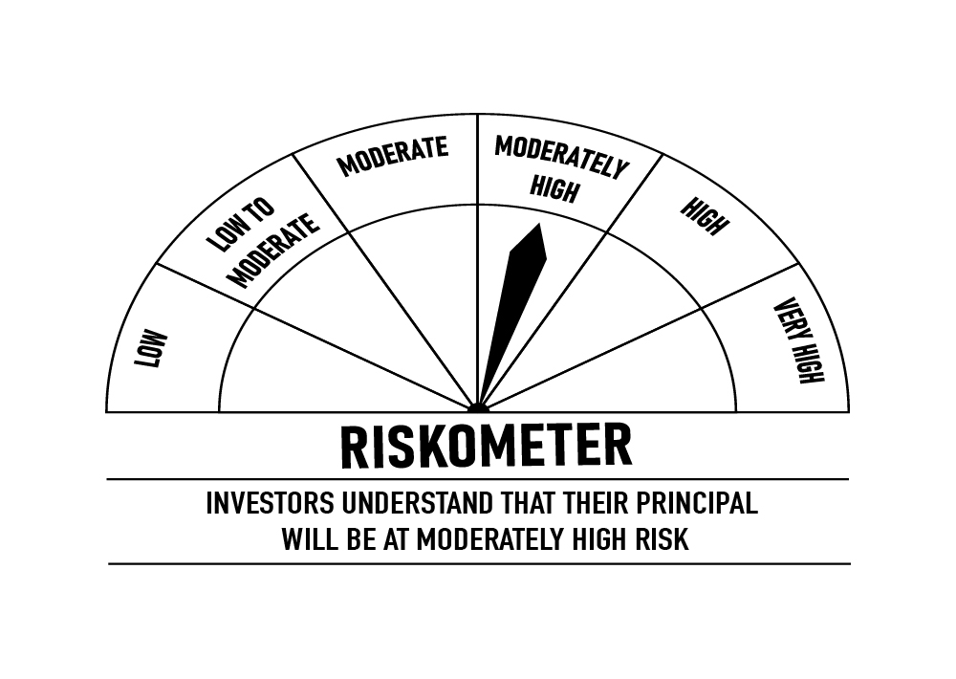

 | Pursuant to SEBI circular SEBI/HO/IMD/DF4/CIR/P/2019/102 dated September 24, 2019 read with circular no. SEBI/HO/IMD/DF4/CIR/P/2019/41 dated March 22, 2019. Below are the details of the securities in case of which issuer has defaulted beyond its maturity date.
 | Security Name | ISIN | value of the security considered under net receivables (i.e. value recognized in NAV in absolute terms and as % to NAV) (Rs.in lakhs) |  | total amount (including principal and interest) that is due to the scheme on that investment (Rs.in lakhs)
 | 0% IL&FS Transportation Networks Limited NCD Series A 23032019 | INE975G08140 | 0.00 | 0.00% | 6,627.81

CREDITRISK
 | DSP Credit Risk Fund
 | Portfolio as on January 15, 2022

Sr. No. | Name of Instrument | ISIN | Rating/Industry | Quantity | Market value (Rs. In lakhs) | % to Net Assets | Maturity Date | Put/Call Option | YTM (%)

 | DEBT INSTRUMENTS
 | BOND & NCD's
 | Listed / awaiting listing on the stock exchanges |  |  |  |  |  |  |  |  | Sector/Rating | Percent
1 | Tata Motors Limited** | INE155A08191 | ICRA AA- | 200 | 2,252.24 | 8.66% | 20-Aug-2024 |  | 6.09 | ICRA AA | 16.30%
2 | Tata Realty And Infrastructure Limited** | INE371K08177 | ICRA AA | 200 | 2,125.28 | 8.17% | 23-Sep-2022 |  | 5.07 | CRISIL AA | 14.05%
3 | Godrej Industries Limited** | INE233A08048 | CRISIL AA | 200 | 2,119.46 | 8.15% | 14-May-2025 |  | 6.46 | SOV | 9.97%
4 | Godrej Properties Limited** | INE484J08022 | ICRA AA | 200 | 2,115.89 | 8.13% | 31-Jul-2023 |  | 5.84 | ICRA AA- | 8.66%
5 | Bharti Hexacom Limited** | INE343G08026 | CRISIL AA+ | 200 | 2,040.88 | 7.85% | 30-Apr-2024 |  | 6.05 | CRISIL AA+ | 7.85%
6 | Manappuram Finance Limited** | INE522D07BG1 | CARE AA | 150 | 1,633.26 | 6.28% | 14-Feb-2022 | - | 4.24 | CARE AA | 6.28%
7 | Aditya Birla Fashion and Retail Limited** | INE647O08107 | CRISIL AA | 100 | 1,009.56 | 3.88% | 09-Sep-2024 |  | 6.24 | Cash & Equivalent | 36.89%
8 | Manappuram Finance Limited** | INE522D07BC0 | CRISIL AA | 50 | 524.85 | 2.02% | 07-Nov-2022 |  | 5.64
 | Total |  |  |  | 13,821.42 | 53.14%

 | Government Securities (Central/state)
9 | 6.79% GOI 15052027 | IN0020170026 | SOV | 2,500,000 | 2,593.82 | 9.97% | 15-May-2027 |  | 6.21
 | Total |  |  |  | 2,593.82 | 9.97%

 | MONEY MARKET INSTRUMENTS
10 | TREPS / Reverse Repo Investments / Corporate Debt Repo |  |  |  | 6,640.04 | 25.53% | 17-Jan-2022
 | Total |  |  |  | 6,640.04 | 25.53%

 | Cash & Cash Equivalent
 | Net Receivables/Payables |  |  |  | 2,955.74 | 11.36%
 | Total |  |  |  | 2,955.74 | 11.36%

 | GRAND TOTAL |  |  |  | 26,011.02 | 100.00%
Notes:
1 | ** Non Traded Traded in accordance with SEBI Regulations
2 | Market value includes accrued interest
3 | In case of below securities, DSP Mutual Fund has ignored prices provided by valuation agencies. Disclosure vide circular no. SEBI/HO/IMD/DF4/CIR/P/2019/41 dated March 22, 2019 & SEBI/HO/IMD/DF4/CIR/P/2019/102 dated September 24,2019 for detailed rationale along with other details are available at the below mentioned links
 | Name of the securities | No of Instances | Links
 | 0% Sintex Bapl Limited NCD Series B 31122021 | 309 | https://www.dspim.com/media/pages/mandatory-disclosures/disclosures-for-deviation-in-valuation-price/9560565842-1616167083/sintex-bapl-limited.pdf
 | 0% Sintex Bapl Limited NCD Series C 31122022 | 309 | https://www.dspim.com/media/pages/mandatory-disclosures/disclosures-for-deviation-in-valuation-price/9560565842-1616167083/sintex-bapl-limited.pdf
 | 0% Sintex Bapl Limited NCD Series A 31122020 | 309 | https://www.dspim.com/media/pages/mandatory-disclosures/disclosures-for-deviation-in-valuation-price/9560565842-1616167083/sintex-bapl-limited.pdf
 | Il&Fs Energy Development Company Limited (Maturity Date : 28-Jun-2019) | 309 | https://www.dspim.com/media/pages/mandatory-disclosures/disclosures-for-deviation-in-valuation-price/52517897e3-1616167083/il-amp-fs-energy-devlopment-company-limited.pdf
 | Il&Fs Energy Development Company Limited (Maturity Date : 07-Jun-2019) | 309 | https://www.dspim.com/media/pages/mandatory-disclosures/disclosures-for-deviation-in-valuation-price/52517897e3-1616167083/il-amp-fs-energy-devlopment-company-limited.pdf
5 | Pursuant to SEBI circular SEBI/HO/IMD/DF4/CIR/P/2019/102 dated September 24, 2019 read with circular no. SEBI/HO/IMD/DF4/CIR/P/2019/41 dated March 22, 2019. Below are the details of the securities in case of which issuer has defaulted beyond its maturity date
 | Security Name | ISIN | value of the security considered under net receivables (i.e. value recognized in NAV in absolute terms and as % to NAV) (Rs.in lakhs) |  | total amount (including principal and interest) that is due to the scheme on that investment (Rs.in lakhs)
 | 0% IL&Fs Transportation Networks Limited Ncd Series A 23032019 | INE975G08140 | 0.00 | 0.00% | 23,396.18
 | 0% IL&Fs Energy Development Company Limited Ncd 07062019 | INE938L08049 | 0.00 | 0.00% | 13,861.96
 | 0% IL&FS Energy Development Company Limited Ncd 28062019 | INE938L08056 | 0.00 | 0.00% | 10,645.02
 | 0% SINTEX BAPL LTD S- A 31DEC20 ZCB | INE631U07027 | 965.55 | 3.71% | 4,357.70
 | 0% SINTEX BAPL LTD S- B 31DEC21 ZCB | INE631U07035 | 965.55 | 3.71% | 4,760.79
 | 0% SINTEX BAPL LTD S- C 31DEC22 ZCB## | INE631U07043 | 965.55 | 3.71% | 5,201.16
 | ## Deemed matured on account of acceleration triggered by DSP Trustee Private Limited in the light of rights availed under Debenture Trust Deed

 | Scheme Riskometer

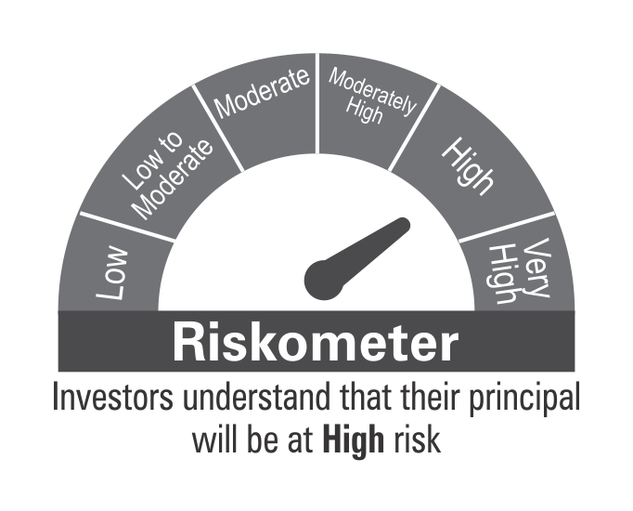

 | Benchmark Riskometer: CRISIL Short Term Credit Risk Index

LDF

 | DSP Low Duration Fund
 | Portfolio as on January 15, 2022

Sr. No. | Name of Instrument | ISIN | Rating/Industry | Quantity | Market value (Rs. In lakhs) | % to Net Assets | Maturity Date | Put/Call Option | YTM (%)

 | DEBT INSTRUMENTS
 | BOND & NCD's
 | Listed / awaiting listing on the stock exchanges |  |  |  |  |  |  |  |  | Sector/Rating | Percent
1 | Indian Oil Corporation Limited** | INE242A08460 | CRISIL AAA | 1,350 | 13,989.97 | 4.01% | 25-Nov-2022 | - | 4.58 | CRISIL A1+ | 32.97%
2 | National Bank for Agriculture and Rural Development** | INE261F08BO3 | CRISIL AAA | 1,000 | 10,394.32 | 2.98% | 19-Sep-2022 | - | 4.34 | CRISIL AAA | 29.66%
3 | Small Industries Development Bank of India** | INE556F08JN1 | CARE AAA | 840 | 8,779.36 | 2.52% | 08-Aug-2022 | - | 4.24 | SOV | 17.88%
4 | REC Limited** | INE020B08CE1 | CRISIL AAA | 750 | 7,873.88 | 2.26% | 30-Jun-2022 | - | 4.04 | IND A1+ | 8.34%
5 | Housing Development Finance Corporation Limited** | INE001A07RZ8 | CRISIL AAA | 750 | 7,800.00 | 2.24% | 26-Sep-2022 | - | 4.55 | CARE AAA | 2.82%
6 | REC Limited** | INE020B08CD3 | CRISIL AAA | 750 | 7,710.12 | 2.21% | 13-Dec-2022 | - | 4.60 | Cash & Equivalent | 8.33%
7 | NTPC Limited** | INE733E07KK5 | CRISIL AAA | 500 | 5,335.59 | 1.53% | 03-May-2022 | - | 3.87
8 | National Bank for Agriculture and Rural Development** | INE261F08BJ3 | CRISIL AAA | 500 | 5,319.67 | 1.53% | 23-May-2022 | - | 3.94
9 | National Bank for Agriculture and Rural Development** | INE261F08BL9 | CRISIL AAA | 500 | 5,301.15 | 1.52% | 13-Jun-2022 | - | 3.95
10 | Power Finance Corporation Limited** | INE134E08JD1 | CRISIL AAA | 500 | 5,227.76 | 1.50% | 08-Aug-2022 | - | 4.35
11 | Power Finance Corporation Limited** | INE134E08JF6 | CRISIL AAA | 500 | 5,166.53 | 1.48% | 22-Nov-2022 | - | 4.58
12 | Housing Development Finance Corporation Limited** | INE001A07SD3 | CRISIL AAA | 500 | 5,124.98 | 1.47% | 30-Dec-2022 | - | 4.82
13 | Hindustan Petroleum Corporation Limited** | INE094A08044 | CRISIL AAA | 500 | 5,124.92 | 1.47% | 15-Dec-2022 | - | 4.60
14 | Bajaj Finance Limited** | INE296A07QN2 | CRISIL AAA | 250 | 3,390.70 | 0.97% | 02-Sep-2022 | - | 4.87
15 | REC Limited** | INE020B08AF2 | CRISIL AAA | 250 | 2,675.33 | 0.77% | 28-Feb-2022 | - | 3.54
16 | LIC Housing Finance Limited** | INE115A07LW6 | CRISIL AAA | 250 | 2,656.11 | 0.76% | 23-May-2022 | - | 4.15
17 | LIC Housing Finance Limited** | INE115A07LZ9 | CRISIL AAA | 250 | 2,641.71 | 0.76% | 10-Jun-2022 | - | 4.22
18 | National Highways Authority of India** | INE906B07FT4 | CRISIL AAA | 250 | 2,641.44 | 0.76% | 06-Jun-2022 | - | 3.95
19 | REC Limited** | INE020B08AK2 | CRISIL AAA | 250 | 2,602.34 | 0.75% | 07-Sep-2022 | - | 4.40
20 | LIC Housing Finance Limited** | INE115A07OG3 | CRISIL AAA | 200 | 2,090.70 | 0.60% | 23-Sep-2022 | - | 4.63
21 | Small Industries Development Bank of India** | INE556F08JO9 | CARE AAA | 100 | 1,036.84 | 0.30% | 29-Sep-2022 | - | 4.29
22 | Housing Development Finance Corporation Limited** | INE001A07RS3 | CRISIL AAA | 30 | 323.78 | 0.09% | 18-Mar-2022 | - | 3.62
 | Total |  |  |  | 113,207.20 | 32.48%

 | Government Securities (Central/state)
23 | 6.84% GOI 19122022 | IN0020160050 | SOV | 20,000,000 | 20,549.00 | 5.89% | 19-Dec-2022 |  | 4.35
24 | 5.09% GOI 13042022 | IN0020200021 | SOV | 16,500,000 | 16,773.40 | 4.81% | 13-Apr-2022 |  | 3.64
25 | 8.15% GOI 11062022 | IN0020120013 | SOV | 16,000,000 | 16,398.06 | 4.70% | 11-Jun-2022 |  | 3.87
26 | 8.35% GOI 14052022 | IN0020020072 | SOV | 3,500,000 | 3,601.96 | 1.03% | 14-May-2022 |  | 3.79
27 | 8.13% GOI 21092022 | IN0020070051 | SOV | 2,000,000 | 2,102.68 | 0.60% | 21-Sep-2022 |  | 4.29
 | Total |  |  |  | 59,425.10 | 17.03%

 | MONEY MARKET INSTRUMENTS
 | Certificate of Deposit
28 | HDFC Bank Limited** | INE040A16CO3 | IND A1+ | 4,000 | 19,205.80 | 5.51% | 13-Dec-2022 |  | 4.56
29 | Axis Bank Limited** | INE238A161W0 | CRISIL A1+ | 15,000 | 14,811.99 | 4.25% | 13-May-2022 |  | 3.96
30 | HDFC Bank Limited** | INE040A16CQ8 | IND A1+ | 2,000 | 9,863.88 | 2.83% | 24-May-2022 |  | 3.94
31 | Axis Bank Limited** | INE238A161X8 | CRISIL A1+ | 2,000 | 9,714.05 | 2.79% | 20-Sep-2022 |  | 4.35
32 | Axis Bank Limited** | INE238A169W3 | CRISIL A1+ | 2,000 | 9,629.86 | 2.76% | 16-Nov-2022 |  | 4.61
33 | Export-Import Bank of India** | INE514E16BW4 | CRISIL A1+ | 1,000 | 4,886.68 | 1.40% | 02-Aug-2022 |  | 4.27
34 | IDFC First Bank Limited** | INE092T16QU1 | CRISIL A1+ | 500 | 2,458.73 | 0.71% | 10-Jun-2022 |  | 4.23
 | Total |  |  |  | 70,570.99 | 20.25%

 | Commercial Papers
 | Listed / awaiting listing on the stock exchanges
35 | ICICI Securities Limited** | INE763G14KW8 | CRISIL A1+ | 2,500 | 12,299.81 | 3.53% | 27-May-2022 |  | 4.54
36 | Cholamandalam Investment and Finance Company Limited** | INE121A14TP7 | CRISIL A1+ | 2,000 | 9,817.64 | 2.82% | 16-Jun-2022 |  | 4.49
37 | Hero Fincorp Limited** | INE957N14EX3 | CRISIL A1+ | 2,000 | 9,816.84 | 2.82% | 16-Jun-2022 |  | 4.51
38 | Tata Capital Housing Finance Limited** | INE033L14LP8 | CRISIL A1+ | 2,000 | 9,815.03 | 2.81% | 28-Jun-2022 |  | 4.22
39 | Infina Finance Private Limited** | INE879F14EQ9 | CRISIL A1+ | 1,500 | 7,267.19 | 2.08% | 24-Aug-2022 |  | 5.32
40 | ICICI Securities Limited** | INE763G14KX6 | CRISIL A1+ | 1,500 | 7,266.35 | 2.08% | 15-Sep-2022 |  | 4.85
41 | Standard Chartered Investments and Loans (India) Limited** | INE403G14OE1 | CRISIL A1+ | 1,300 | 6,371.64 | 1.83% | 17-Jun-2022 |  | 4.84
42 | Standard Chartered Investments and Loans (India) Limited** | INE403G14OB7 | CRISIL A1+ | 1,200 | 5,892.23 | 1.69% | 03-Jun-2022 |  | 4.84
43 | Housing Development Finance Corporation Limited** | INE001A14XU3 | CRISIL A1+ | 1,000 | 4,875.66 | 1.40% | 12-Aug-2022 |  | 4.48
 | Total |  |  |  | 73,422.39 | 21.06%

 | Treasury Bill
44 | 364 DAY T-BILL 30032022 | IN002020Z527 | SOV | 3,000,000 | 2,979.35 | 0.85% | 30-Mar-2022 |  | 3.47
 | Total |  |  |  | 2,979.35 | 0.85%

45 | TREPS / Reverse Repo Investments / Corporate Debt Repo |  |  |  | 16,870.11 | 4.84% | 17-Jan-2022
 | Total |  |  |  | 16,870.11 | 4.84%

 | Cash & Cash Equivalent
 | Net Receivables/Payables |  |  |  | 12,258.06 | 3.49%
 | Total |  |  |  | 12,258.06 | 3.49%

 | GRAND TOTAL |  |  |  | 348,733.20 | 100.00%
Notes:
1 | ** Non Traded Traded in accordance with SEBI Regulations
2 | Market value includes accrued interest

 | Scheme Riskometer

 | Benchmark Riskometer: Nifty Low Duration Debt Index

BOND
 | DSP Bond Fund
 | Portfolio as on January 15, 2022

Sr. No. | Name of Instrument | ISIN | Rating/Industry | Quantity | Market value (Rs. In lakhs) | % to Net Assets | Maturity Date | Put/Call Option | YTM (%)

 | DEBT INSTRUMENTS
 | BOND & NCD's
 | Listed / awaiting listing on the stock exchanges |  |  |  |  |  |  |  |  | Sector/Rating | Percent
1 | Power Finance Corporation Limited** | INE134E08KV1 | CRISIL AAA | 250 | 2,711.72 | 6.22% | 11-Jun-2030 | - | 7.12 | CRISIL AAA | 38.02%
2 | National Highways Authority of India** | INE906B07HH5 | CRISIL AAA | 250 | 2,681.19 | 6.15% | 13-Sep-2029 | - | 6.90 | SOV | 19.90%
3 | National Bank for Agriculture and Rural Development** | INE261F08BY2 | ICRA AAA | 250 | 2,608.28 | 5.98% | 08-Feb-2030 | - | 7.02 | CRISIL A1+ | 18.19%
4 | Jamnagar Utilities & Power Private Limited** | INE936D07174 | CRISIL AAA | 250 | 2,509.50 | 5.76% | 29-Sep-2026 |  | 6.78 | ICRA AAA | 9.71%
5 | NTPC Limited** | INE733E07KL3 | CRISIL AAA | 210 | 2,243.26 | 5.15% | 17-Jul-2029 | - | 6.76 | IND A1+ | 5.51%
6 | Housing Development Finance Corporation Limited** | INE001A07SO0 | CRISIL AAA | 200 | 2,087.02 | 4.79% | 17-Jun-2030 | - | 7.22 | CRISIL AA+ | 2.48%
7 | Indian Railway Finance Corporation Limited** | INE053F07BE7 | CRISIL AAA | 150 | 1,643.74 | 3.77% | 29-Mar-2029 |  | 6.88 | Cash & Equivalent | 6.19%
8 | NIIF Infrastructure Finance** | INE246R07384 | ICRA AAA | 150 | 1,624.98 | 3.73% | 07-Nov-2024 |  | 6.30
9 | Power Grid Corporation of India Limited** | INE752E07NU8 | CRISIL AAA | 100 | 1,130.87 | 2.59% | 25-Apr-2028 |  | 6.68
10 | Sundaram Home Finance Limited** | INE667F07HS1 | CRISIL AA+ | 100 | 1,079.68 | 2.48% | 11-May-2023 | - | 5.56
11 | Indian Railway Finance Corporation Limited** | INE053F07BY5 | CRISIL AAA | 100 | 1,054.87 | 2.42% | 12-Apr-2030 | - | 6.97
12 | Indian Railway Finance Corporation Limited** | INE053F08122 | CRISIL AAA | 50 | 508.96 | 1.17% | 29-Aug-2031 |  | 7.05
 | Total |  |  |  | 21,884.07 | 50.21%

 | Government Securities (Central/state)
13 | 8.35% GOI 14052022 | IN0020020072 | SOV | 2,500,000 | 2,572.83 | 5.90% | 14-May-2022 |  | 3.79
14 | 5.09% GOI 13042022 | IN0020200021 | SOV | 2,500,000 | 2,541.60 | 5.83% | 13-Apr-2022 |  | 3.64
15 | 6.79% GOI 15052027 | IN0020170026 | SOV | 1,500,000 | 1,556.29 | 3.57% | 15-May-2027 |  | 6.21
16 | 5.63% GOI 12042026 | IN0020210012 | SOV | 1,500,000 | 1,507.81 | 3.46% | 12-Apr-2026 |  | 5.88
 | Total |  |  |  | 8,178.53 | 18.76%

 | MONEY MARKET INSTRUMENTS
 | Certificate of Deposit
17 | Small Industries Development Bank of India** | INE556F16853 | CRISIL A1+ | 3,500 | 3,479.65 | 7.98% | 18-Mar-2022 |  | 3.50
18 | HDFC Bank Limited** | INE040A16CO3 | IND A1+ | 500 | 2,400.72 | 5.51% | 13-Dec-2022 |  | 4.56
19 | Axis Bank Limited** | INE238A166V1 | CRISIL A1+ | 2,000 | 1,989.82 | 4.56% | 10-Mar-2022 |  | 3.52
 | Total |  |  |  | 7,870.19 | 18.05%

 | Commercial Papers
 | Listed / awaiting listing on the stock exchanges
20 | Axis Finance Limited** | INE891K14LC9 | CRISIL A1+ | 500 | 2,461.26 | 5.65% | 26-May-2022 |  | 4.42
 | Total |  |  |  | 2,461.26 | 5.65%

 | Treasury Bill
21 | 364 DAY T-BILL 30032022 | IN002020Z527 | SOV | 500,000 | 496.56 | 1.14% | 30-Mar-2022 |  | 3.47
 | Total |  |  |  | 496.56 | 1.14%

22 | TREPS / Reverse Repo Investments / Corporate Debt Repo |  |  |  | 2,672.07 | 6.13% | 17-Jan-2022
 | Total |  |  |  | 2,672.07 | 6.13%

 | Cash & Cash Equivalent
 | Net Receivables/Payables |  |  |  | 27.90 | 0.06%
 | Total |  |  |  | 27.90 | 0.06%

 | GRAND TOTAL |  |  |  | 43,590.58 | 100.00%
Notes:
1 | ** Non Traded Traded in accordance with SEBI Regulations
2 | Market value includes accrued interest
3 | Pursuant to SEBI circular SEBI/HO/IMD/DF4/CIR/P/2019/102 dated September 24, 2019 read with circular no. SEBI/HO/IMD/DF4/CIR/P/2019/41 dated March 22, 2019. Below are the details of the securities in case of which issuer has defaulted beyond its maturity date.
 | Security Name | ISIN | value of the security considered under net receivables (i.e. value recognized in NAV in absolute terms and as % to NAV) (Rs.in lakhs) |  | total amount (including principal and interest) that is due to the scheme on that investment (Rs.in lakhs)
 | 0% Il&Fs Transportation Networks Limited NCD Series A 23032019 | INE975G08140 | 0.00 | 0.00% | 1,325.56

 | Scheme Riskometer



 | Benchmark Riskometer: CRISIL Medium Term Debt Index

REGULARSAVINGS
 | DSP Regular Savings Fund
 | Portfolio as on January 15, 2022

Sr. No. | Name of Instrument | ISIN | Rating/Industry | Quantity | Market value (Rs. In lakhs) | % to Net Assets | Maturity Date | Put/Call Option | YTM (%)

 | EQUITY & EQUITY RELATED
 | Listed / awaiting listing on the stock exchanges
1 | HCL Technologies Limited | INE860A01027 | Software | 52,613 | 703.54 | 3.03% |  |  |  | Sector/Rating | Percent
2 | ICICI Bank Limited | INE090A01021 | Banks | 59,775 | 490.15 | 2.11% |  |  |  | CRISIL AAA | 56.45%
3 | HDFC Bank Limited | INE040A01034 | Banks | 29,519 | 456.11 | 1.96% |  |  |  | SOV | 13.70%
4 | SBI Life Insurance Company Limited | INE123W01016 | Insurance | 24,429 | 308.68 | 1.33% |  |  |  | Banks | 5.35%
5 | Aptus Value Housing Finance India Limited | INE852O01025 | Finance | 84,000 | 307.78 | 1.32% |  |  |  | Power | 4.00%
6 | ITC Limited | INE154A01025 | Consumer Non Durables | 138,032 | 307.26 | 1.32% |  |  |  | Software | 3.03%
7 | Axis Bank Limited | INE238A01034 | Banks | 41,281 | 297.92 | 1.28% |  |  |  | Finance | 2.32%
8 | Sharda Cropchem Limited | INE221J01015 | Pesticides | 74,483 | 270.41 | 1.16% |  |  |  | IND AAA | 2.32%
9 | IPCA Laboratories Limited | INE571A01038 | Pharmaceuticals | 23,356 | 248.12 | 1.07% |  |  |  | Insurance | 2.21%
10 | Manappuram Finance Limited | INE522D01027 | Finance | 137,155 | 231.72 | 1.00% |  |  |  | Pharmaceuticals | 1.90%
11 | Hero MotoCorp Limited | INE158A01026 | Auto | 8,447 | 217.06 | 0.93% |  |  |  | Consumer Non Durables | 1.32%
12 | ICICI Lombard General Insurance Company Limited | INE765G01017 | Insurance | 14,520 | 205.54 | 0.88% |  |  |  | Pesticides | 1.16%
13 | Cipla Limited | INE059A01026 | Pharmaceuticals | 20,991 | 193.43 | 0.83% |  |  |  | Consumer Durables | 1.14%
14 | UltraTech Cement Limited | INE481G01011 | Cement & Cement Products | 2,094 | 160.41 | 0.69% |  |  |  | Auto | 0.93%
15 | Crompton Greaves Consumer Electricals Limited | INE299U01018 | Consumer Durables | 34,239 | 152.93 | 0.66% |  |  |  | Cement & Cement Products | 0.69%
16 | Coromandel International Limited | INE169A01031 | Fertilisers | 19,369 | 152.23 | 0.65% |  |  |  | Fertilisers | 0.65%
17 | Forbes & Company Ltd | INE518A01013 | Consumer Durables | 1,726 | 112.50 | 0.48% |  |  |  | Cash & Equivalent | 2.83%
 | Total |  |  |  | 4,815.79 | 20.70%

 | Units issued by REITs & InvITs
 | Listed / awaiting listing on the stock exchanges
18 | Powergrid Infrastructure Investment Trust | INE0GGX23010 | Power | 699,600 | 930.54 | 4.00%
 | Total |  |  |  | 930.54 | 4.00%

 | DEBT INSTRUMENTS
 | BOND & NCD's
 | Listed / awaiting listing on the stock exchanges
19 | Indian Railway Finance Corporation Limited** | INE053F07BB3 | CRISIL AAA | 150 | 1,621.16 | 6.97% | 28-Feb-2024 | - | 5.20
20 | National Bank for Agriculture and Rural Development** | INE261F08BO3 | CRISIL AAA | 150 | 1,559.15 | 6.71% | 19-Sep-2022 | - | 4.34
21 | Power Finance Corporation Limited** | INE134E08KD9 | CRISIL AAA | 100 | 1,106.22 | 4.76% | 04-Jun-2024 | - | 5.50
22 | REC Limited** | INE020B08CK8 | CRISIL AAA | 100 | 1,086.90 | 4.68% | 20-Mar-2025 | - | 5.94
23 | Power Grid Corporation of India Limited** | INE752E07NK9 | CRISIL AAA | 100 | 1,085.98 | 4.67% | 23-Dec-2025 | - | 5.96
24 | Export-Import Bank of India** | INE514E08FG5 | CRISIL AAA | 100 | 1,085.31 | 4.67% | 01-Sep-2026 | - | 6.16
25 | Indian Oil Corporation Limited** | INE242A08452 | CRISIL AAA | 100 | 1,074.42 | 4.62% | 06-Mar-2025 | - | 5.70
26 | National Highways Authority of India** | INE906B07FG1 | CRISIL AAA | 100 | 1,069.42 | 4.60% | 18-Mar-2022 | - | 3.45
27 | Power Finance Corporation Limited** | INE134E08LF2 | CRISIL AAA | 250 | 783.72 | 3.37% | 30-Jun-2025 |  | 6.00
28 | Hindustan Petroleum Corporation Limited** | INE094A08036 | CRISIL AAA | 70 | 746.17 | 3.21% | 14-Aug-2024 | - | 5.44
29 | Export-Import Bank of India** | INE514E08EK0 | CRISIL AAA | 50 | 571.38 | 2.46% | 03-Feb-2025 | - | 5.70
30 | Housing Development Finance Corporation Limited** | INE001A07SG6 | CRISIL AAA | 50 | 551.88 | 2.37% | 10-Feb-2025 | - | 6.05
31 | GAIL (India) Limited** | INE129A07214 | IND AAA | 50 | 539.33 | 2.32% | 23-Feb-2024 | CA - 23-Feb-2022 | 3.86
32 | Export-Import Bank of India** | INE514E08FT8 | CRISIL AAA | 50 | 537.78 | 2.31% | 18-Feb-2025 | - | 5.70
33 | NTPC Limited** | INE733E07JP6 | CRISIL AAA | 1,736,927 | 245.15 | 1.05% | 25-Mar-2025 | - | 5.70
 | Total |  |  |  | 13,663.97 | 58.77%

 | Government Securities (Central/state)
34 | 7.32% GOI 28012024 | IN0020180488 | SOV | 1,500,000 | 1,620.33 | 6.97% | 28-Jan-2024 |  | 4.91
35 | 6.18% GOI 04112024 | IN0020190396 | SOV | 1,000,000 | 1,034.96 | 4.45% | 04-Nov-2024 |  | 5.30
36 | 7.59% GOI 11012026 | IN0020150093 | SOV | 500,000 | 530.47 | 2.28% | 11-Jan-2026 |  | 5.88
 | Total |  |  |  | 3,185.76 | 13.70%

 | MONEY MARKET INSTRUMENTS
37 | TREPS / Reverse Repo Investments / Corporate Debt Repo |  |  |  | 582.70 | 2.51% | 17-Jan-2022
 | Total |  |  |  | 582.70 | 2.51%

 | Cash & Cash Equivalent
 | Cash Margin |  |  |  | 50.00 | 0.22%
 | Net Receivables/Payables |  |  |  | 15.22 | 0.10%
 | Total |  |  |  | 65.22 | 0.32%

 | GRAND TOTAL |  |  |  | 23,243.98 | 100.00%
Notes:
1 | ** Non Traded Traded in accordance with SEBI Regulations
2 | Market value includes accrued interest
3 | Pursuant to SEBI circular SEBI/HO/IMD/DF4/CIR/P/2019/102 dated September 24, 2019 read with circular no. SEBI/HO/IMD/DF4/CIR/P/2019/41 dated March 22, 2019. Below are the details of the securities in case of which issuer has defaulted beyond its maturity date.
 | Security Name | ISIN | value of the security considered under net receivables (i.e. value recognized in NAV in absolute terms and as % to NAV) (Rs.in lakhs) |  | total amount (including principal and interest) that is due to the scheme on that investment (Rs.in lakhs)
 | 0% IL&FS Transportation Networks Limited Ncd Series A 23032019 | INE975G08140 | 0.00 | 0.00% | 1,855.79

 | Scheme Riskometer

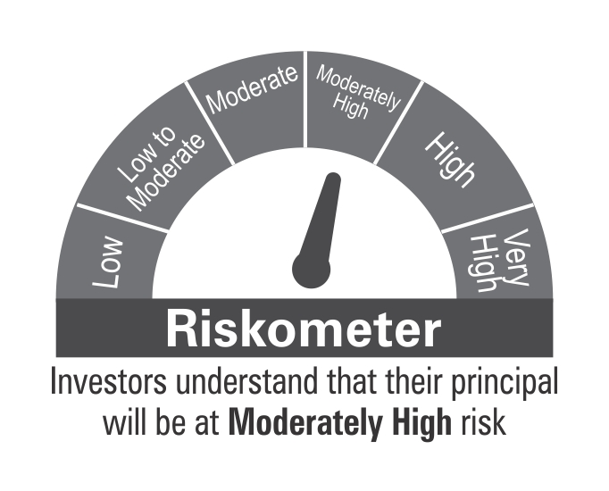

 | Benchmark Riskometer: CRISIL Hybrid 85+15 - Conservative Index

OVERNIGHT
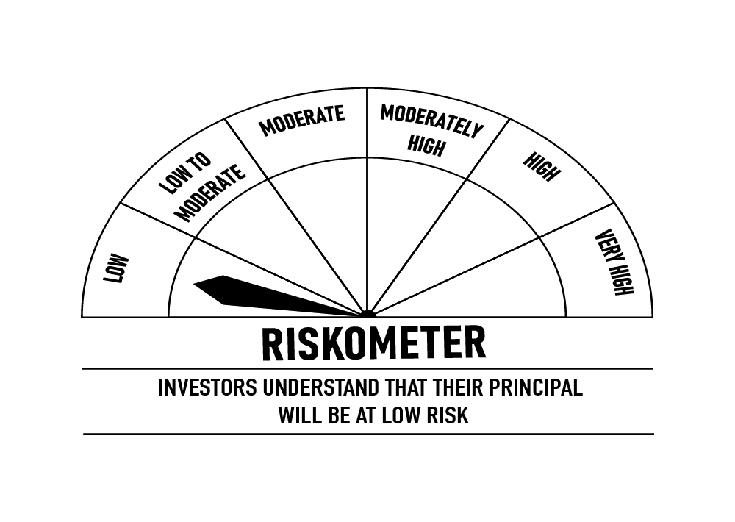
 | DSP Overnight Fund
 | Portfolio as on January 15, 2022

Sr. No. | Name of Instrument | ISIN | Rating/Industry | Quantity | Market value (Rs. In lakhs) | % to Net Assets | Maturity Date | Put/Call Option | YTM (%)

 | MONEY MARKET INSTRUMENTS
 | Treasury Bill
1 | 91 DAY T-BILL 20012022 | IN002021X322 | SOV | 1,500,000 | 1,499.46 | 0.81% | 20-Jan-2022 |  | 3.31 | Sector/Rating | Percent
2 | 364 DAY T-BILL 10022022 | IN002020Z451 | SOV | 1,500,000 | 1,496.60 | 0.81% | 10-Feb-2022 |  | 3.32 | SOV | 1.62%
 | Total |  |  |  | 2,996.06 | 1.62% |  |  |  | Cash & Equivalent | 98.38%

3 | TREPS / Reverse Repo Investments / Corporate Debt Repo |  |  |  | 181,971.71 | 98.37% | 17-Jan-2022
 | Total |  |  |  | 181,971.71 | 98.37%

 | Cash & Cash Equivalent
 | Net Receivables/Payables |  |  |  | 27.00 | 0.01%
 | Total |  |  |  | 27.00 | 0.01%

 | GRAND TOTAL |  |  |  | 184,994.77 | 100.00%
Notes:
1 | Market value includes accrued interest
2 | As per the investment policy of DSP Overnight Fund , the Fund does not invest in Corporate Debt Repo

 | Scheme Riskometer

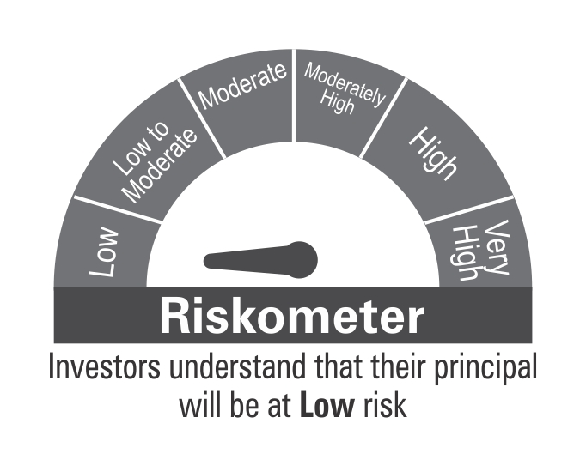

 | Benchmark Riskometer: CRISIL Overnight Index

