LIQUID

 | DSP Liquidity Fund
 | Portfolio as on November 15, 2021

Sr. No. | Name of Instrument | ISIN | Rating/Industry | Quantity | Market value (Rs. In lakhs) | % to Net Assets | Maturity Date | Put/Call Option | YTM (%)

 | DEBT INSTRUMENTS
 | BOND & NCD's
 | Listed / awaiting listing on the stock exchanges |  |  |  |  |  |  |  |  | Sector/Rating | Percent
1 | Housing Development Finance Corporation Limited | INE001A07SN2 | CRISIL AAA | 1,000 | 10,597.82 | 1.06% | 10-Dec-2021 |  | 3.47 | CRISIL A1+ | 37.67%
2 | Power Grid Corporation of India Limited** | INE752E07OD2 | CRISIL AAA | 100 | 1,068.56 | 0.11% | 21-Dec-2021 |  | 3.35 | ICRA A1+ | 8.98%
 | Total |  |  |  | 11,666.38 | 1.17% |  |  |  | SOV | 5.97%
 |  |  |  |  |  |  |  |  |  | IND A1+ | 1.50%
 | MONEY MARKET INSTRUMENTS |  |  |  |  |  |  |  |  | CRISIL AAA | 1.17%
 | Commercial Papers |  |  |  |  |  |  |  |  | CARE A1+ | 1.00%
 | Listed / awaiting listing on the stock exchanges |  |  |  |  |  |  |  |  | Cash & Equivalent | 43.71%
3 | Indian Oil Corporation Limited** | INE242A14VK8 | ICRA A1+ | 10,000 | 49,873.30 | 4.98% | 13-Dec-2021 |  | 3.44
4 | Infina Finance Private Limited | INE879F14FD4 | CRISIL A1+ | 8,500 | 42,466.85 | 4.24% | 22-Nov-2021 |  | 4.75
5 | Aditya Birla Finance Limited | INE860H14V02 | ICRA A1+ | 4,000 | 19,985.22 | 2.00% | 22-Nov-2021 |  | 4.50
6 | Reliance Retail Ventures Limited** | INE929O14370 | CRISIL A1+ | 4,000 | 19,973.96 | 2.00% | 30-Nov-2021 |  | 3.40
7 | Reliance Retail Ventures Limited** | INE929O14362 | CRISIL A1+ | 4,000 | 19,971.98 | 2.00% | 01-Dec-2021 |  | 3.42
8 | Reliance Jio Infocomm Limited** | INE110L14PT7 | CRISIL A1+ | 4,000 | 19,962.64 | 1.99% | 06-Dec-2021 |  | 3.42
9 | Reliance Industries Limited** | INE002A14JD6 | CRISIL A1+ | 4,000 | 19,960.78 | 1.99% | 07-Dec-2021 |  | 3.42
10 | Reliance Industries Limited** | INE002A14JI5 | CRISIL A1+ | 4,000 | 19,888.02 | 1.99% | 11-Jan-2022 |  | 3.67
11 | Reliance Jio Infocomm Limited** | INE110L14PV3 | CRISIL A1+ | 4,000 | 19,884.04 | 1.99% | 13-Jan-2022 |  | 3.67
12 | ICICI Home Finance Company Limited** | INE071G14DO8 | ICRA A1+ | 3,000 | 14,997.15 | 1.50% | 18-Nov-2021 |  | 3.48
13 | Kotak Securities Ltd** | INE028E14IW5 | CRISIL A1+ | 3,000 | 14,961.24 | 1.49% | 10-Dec-2021 |  | 3.94
14 | HDFC Securities Limited** | INE700G14868 | CRISIL A1+ | 3,000 | 14,954.86 | 1.49% | 14-Dec-2021 |  | 3.93
15 | Chennai Petroleum Corporation Limited** | INE178A14GZ3 | CRISIL A1+ | 2,900 | 14,458.56 | 1.44% | 17-Dec-2021 |  | 3.37
16 | Chennai Petroleum Corporation Limited** | INE178A14GX8 | CRISIL A1+ | 2,500 | 12,497.71 | 1.25% | 18-Nov-2021 |  | 3.35
17 | Shree Cement Limited** | INE070A14521 | CARE A1+ | 2,000 | 9,993.53 | 1.00% | 23-Nov-2021 |  | 3.38
18 | Tata Capital Financial Services Limited** | INE306N14TM4 | CRISIL A1+ | 2,000 | 9,992.61 | 1.00% | 22-Nov-2021 |  | 4.50
19 | Bajaj Finance Limited | INE296A14SK0 | CRISIL A1+ | 2,000 | 9,992.61 | 1.00% | 22-Nov-2021 |  | 4.50
20 | Chennai Petroleum Corporation Limited** | INE178A14GY6 | CRISIL A1+ | 2,000 | 9,984.31 | 1.00% | 03-Dec-2021 |  | 3.38
21 | Bajaj Finance Limited** | INE296A14SI4 | CRISIL A1+ | 2,000 | 9,978.18 | 1.00% | 07-Dec-2021 |  | 3.80
22 | Dalmia Cement (Bharat) Limited** | INE755K14DW1 | CRISIL A1+ | 2,000 | 9,965.12 | 1.00% | 21-Dec-2021 |  | 3.65
23 | Bajaj Financial Securities Limited** | INE01C314148 | CRISIL A1+ | 2,000 | 9,962.79 | 1.00% | 20-Dec-2021 |  | 4.01
24 | HDFC Securities Limited** | INE700G14892 | CRISIL A1+ | 2,000 | 9,962.32 | 1.00% | 21-Dec-2021 |  | 3.94
25 | Muthoot Finance Limited** | INE414G14SC3 | CRISIL A1+ | 2,000 | 9,960.98 | 1.00% | 21-Dec-2021 |  | 4.09
26 | Julius Baer Capital (India) Private Limited** | INE824H14FP0 | CRISIL A1+ | 2,000 | 9,957.55 | 0.99% | 24-Dec-2021 |  | 4.09
27 | HDFC Securities Limited** | INE700G14900 | CRISIL A1+ | 2,000 | 9,955.88 | 0.99% | 27-Dec-2021 |  | 3.95
28 | National Bank for Agriculture and Rural Development** | INE261F14II8 | CRISIL A1+ | 2,000 | 9,932.76 | 0.99% | 25-Jan-2022 |  | 3.53
29 | Reliance Jio Infocomm Limited** | INE110L14QD9 | CRISIL A1+ | 2,000 | 9,919.67 | 0.99% | 04-Feb-2022 |  | 3.70
30 | Hindustan Petroleum Corporation Limited** | INE094A14HW7 | CRISIL A1+ | 2,000 | 9,917.72 | 0.99% | 08-Feb-2022 |  | 3.60
31 | Godrej Industries Limited** | INE233A14SU2 | CRISIL A1+ | 1,500 | 7,484.60 | 0.75% | 08-Dec-2021 |  | 3.41
32 | Godrej Industries Limited** | INE233A14SW8 | CRISIL A1+ | 1,200 | 5,980.84 | 0.60% | 20-Dec-2021 |  | 3.44
33 | CEAT Limited** | INE482A14AO6 | IND A1+ | 1,000 | 4,988.45 | 0.50% | 10-Dec-2021 |  | 3.52
34 | ICICI Securities Limited** | INE763G14KH9 | CRISIL A1+ | 1,000 | 4,983.52 | 0.50% | 17-Dec-2021 |  | 3.89
35 | Axis Securities Limited** | INE110O14377 | ICRA A1+ | 1,000 | 4,983.03 | 0.50% | 17-Dec-2021 |  | 4.01
36 | CEAT Limited** | INE482A14AP3 | IND A1+ | 1,000 | 4,981.61 | 0.50% | 24-Dec-2021 |  | 3.54
37 | Julius Baer Capital (India) Private Limited** | INE824H14FO3 | CRISIL A1+ | 1,000 | 4,980.44 | 0.50% | 21-Dec-2021 |  | 4.10
38 | Julius Baer Capital (India) Private Limited** | INE824H14FQ8 | CRISIL A1+ | 1,000 | 4,976.56 | 0.50% | 28-Dec-2021 |  | 4.09
39 | CEAT Limited** | INE482A14AT5 | IND A1+ | 1,000 | 4,955.63 | 0.50% | 10-Feb-2022 |  | 3.80
 | Total |  |  |  | 491,627.02 | 49.15%

 | Treasury Bill
40 | 91 DAY T-BILL 23122021 | IN002021X280 | SOV | 60,000,000 | 59,796.96 | 5.97% | 23-Dec-2021 |  | 3.35
 | Total |  |  |  | 59,796.96 | 5.97%

41 | TREPS / Reverse Repo Investments / Corporate Debt Repo# |  |  |  | 437,308.71 | 43.70% | 25-Nov-2021
 | Total |  |  |  | 437,308.71 | 43.70%

 | Cash & Cash Equivalent
 | Net Receivables/Payables |  |  |  | 393.01 | 0.01%
 | Total |  |  |  | 393.01 | 0.01%

 | GRAND TOTAL |  |  |  | 1,000,792.08 | 100.00%
Notes:
1 | ** Non Traded in accordance with SEBI Regulations
2 | Market value includes accrued interest
3 | Net Assets does not include unit activity for the date of the Portfolios.
4 | As on Nov 15, 2021, the aggregate investments by the schemes of DSP Mutual Fund in DSP Liquidity Fund is Rs 2,254.76 lakhs.
5 | # TREPS / Reverse Repo Investments / Corporate Debt Repo includes Repo with residual maturity greater than 30 days.

 | Scheme Riskometer



 | Benchmark Riskometer
 | Crisil Liquid Fund Index

BANKING & PSU
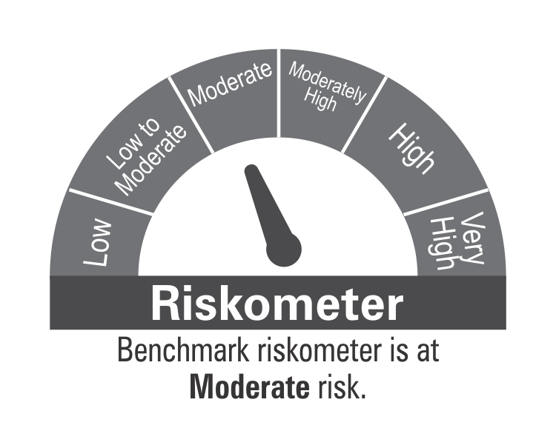
 | DSP Banking & PSU Debt Fund
 | Portfolio as on November 15, 2021

Sr. No. | Name of Instrument | ISIN | Rating/Industry | Quantity | Market value (Rs. In lakhs) | % to Net Assets | Maturity Date | Put/Call Option | YTM (%)

 | DEBT INSTRUMENTS
 | BOND & NCD's
 | Listed / awaiting listing on the stock exchanges |  |  |  |  |  |  |  |  | Sector/Rating | Percent
1 | NTPC Limited** | INE733E08148 | CRISIL AAA | 1,850 | 19,659.72 | 6.14% | 17-Apr-2023 |  | 4.71 | CRISIL AAA | 54.75%
2 | National Housing Bank** | INE557F08FJ5 | CRISIL AAA | 1,550 | 16,193.55 | 5.05% | 15-May-2023 |  | 4.71 | SOV | 16.61%
3 | Hindustan Petroleum Corporation Limited** | INE094A08044 | CRISIL AAA | 1,050 | 11,409.59 | 3.56% | 15-Dec-2022 |  | 4.46 | CRISIL A1+ | 12.46%
4 | Power Finance Corporation Limited** | INE134E08LK2 | CRISIL AAA | 1,000 | 10,123.97 | 3.16% | 27-Aug-2026 |  | 6.11 | ICRA A1+ | 4.67%
5 | Indian Oil Corporation Limited** | INE242A08445 | CRISIL AAA | 900 | 9,697.54 | 3.03% | 14-Apr-2023 |  | 4.68 | CARE AAA | 1.91%
6 | Indian Railway Finance Corporation Limited** | INE053F07CC9 | CRISIL AAA | 850 | 8,979.41 | 2.80% | 28-Apr-2023 |  | 4.71 | CRISIL AAA(CE) | 1.60%
7 | NTPC Limited** | INE733E07JP6 | CRISIL AAA | 55,634,813 | 7,818.86 | 2.44% | 25-Mar-2025 |  | 5.47 | IND AAA | 1.54%
8 | National Highways Authority of India** | INE906B07FX6 | CRISIL AAA | 750 | 7,708.09 | 2.41% | 05-Nov-2022 |  | 4.33 | ICRA AAA | 0.63%
9 | Indian Railway Finance Corporation Limited** | INE053F07BZ2 | CRISIL AAA | 700 | 7,217.44 | 2.25% | 14-Apr-2023 |  | 4.71 | Cash & Equivalent | 5.83%
10 | National Bank for Agriculture and Rural Development | INE261F08AT4 | CRISIL AAA | 601 | 6,677.00 | 2.08% | 31-Jan-2023 |  | 4.67
11 | Power Grid Corporation of India Limited** | INE752E08569 | CRISIL AAA | 550 | 5,907.95 | 1.84% | 15-Jul-2024 |  | 5.29
12 | National Housing Bank** | INE557F08FL1 | CRISIL AAA | 550 | 5,754.64 | 1.80% | 12-Feb-2024 |  | 5.07
13 | REC Limited** | INE020B08DF6 | CRISIL AAA | 500 | 5,282.10 | 1.65% | 20-Dec-2025 |  | 5.99
14 | Export-Import Bank of India** | INE514E08BS9 | CRISIL AAA | 500 | 5,230.93 | 1.63% | 18-Oct-2022 |  | 4.43
15 | Small Industries Development Bank of India** | INE556F08JS0 | CARE AAA | 500 | 5,185.09 | 1.62% | 26-Mar-2024 |  | 5.08
16 | Food Corporation Of India | INE861G08084 | CRISIL AAA(CE) | 500 | 5,118.02 | 1.60% | 13-Aug-2031 |  | 7.01
17 | National Bank for Agriculture and Rural Development** | INE261F08DF7 | CRISIL AAA | 500 | 5,070.67 | 1.58% | 23-Jul-2024 |  | 5.37
18 | National Bank for Agriculture and Rural Development** | INE261F08DI1 | CRISIL AAA | 500 | 5,020.54 | 1.57% | 31-Jan-2025 |  | 5.46
19 | Indian Railway Finance Corporation Limited** | INE053F07BB3 | CRISIL AAA | 450 | 4,834.33 | 1.51% | 28-Feb-2024 |  | 5.08
20 | Export-Import Bank of India** | INE514E08CK4 | CRISIL AAA | 400 | 4,392.65 | 1.37% | 26-Apr-2023 |  | 4.75
21 | NHPC Limited** | INE848E07831 | IND AAA | 3,500 | 3,800.03 | 1.19% | 14-Jul-2023 |  | 4.84
22 | REC Limited** | INE020B08DR1 | CRISIL AAA | 350 | 3,634.05 | 1.13% | 20-Jun-2024 |  | 5.48
23 | Power Grid Corporation of India Limited** | INE752E07KN9 | CRISIL AAA | 250 | 2,780.51 | 0.87% | 13-Mar-2023 |  | 4.59
24 | Power Finance Corporation Limited** | INE134E08GK2 | CRISIL AAA | 250 | 2,740.71 | 0.86% | 08-Oct-2024 |  | 5.64
25 | Power Finance Corporation Limited** | INE134E08GL0 | CRISIL AAA | 250 | 2,740.71 | 0.86% | 08-Oct-2024 |  | 5.64
26 | Export-Import Bank of India | INE514E08FG5 | CRISIL AAA | 250 | 2,703.20 | 0.84% | 01-Sep-2026 |  | 6.00
27 | National Housing Bank** | INE557F08FI7 | CRISIL AAA | 250 | 2,657.16 | 0.83% | 17-Apr-2023 |  | 4.71
28 | Indian Railway Finance Corporation Limited** | INE053F07CU1 | CRISIL AAA | 250 | 2,522.91 | 0.79% | 05-May-2023 |  | 4.71
29 | Power Finance Corporation Limited | INE134E08LD7 | CRISIL AAA | 200 | 2,060.42 | 0.64% | 17-Sep-2025 |  | 5.91
30 | Power Grid Corporation of India Limited** | INE752E07GC0 | CRISIL AAA | 132 | 1,784.19 | 0.56% | 29-Sep-2023 |  | 4.80
31 | Oil & Natural Gas Corporation Limited** | INE213A08032 | ICRA AAA | 150 | 1,499.20 | 0.47% | 21-Nov-2023 |  | 4.85
32 | Power Grid Corporation of India Limited** | INE752E07FR0 | CRISIL AAA | 80 | 1,150.83 | 0.36% | 12-Mar-2024 |  | 5.06
33 | NTPC Limited** | INE733E07JD2 | CRISIL AAA | 100 | 1,107.72 | 0.35% | 04-Apr-2023 |  | 4.71
34 | Power Finance Corporation Limited** | INE134E08KT5 | CRISIL AAA | 100 | 1,075.96 | 0.34% | 22-May-2025 |  | 5.83
35 | Small Industries Development Bank of India** | INE556F08JN1 | CARE AAA | 60 | 622.88 | 0.19% | 08-Aug-2022 |  | 4.22
36 | NHPC Limited** | INE848E07724 | IND AAA | 500 | 575.79 | 0.18% | 25-Nov-2023 |  | 4.90
37 | GAIL (India) Limited** | INE129A07206 | IND AAA | 50 | 535.64 | 0.17% | 23-Feb-2023 | CA - 23-Feb-2022 | 4.04
38 | Export-Import Bank of India** | INE514E08BQ3 | CRISIL AAA | 50 | 523.41 | 0.16% | 10-Oct-2022 |  | 4.43
39 | National Housing Bank** | INE557F08FK3 | CRISIL AAA | 50 | 516.52 | 0.16% | 01-Sep-2023 |  | 4.81
40 | Small Industries Development Bank of India** | INE556F08JQ4 | ICRA AAA | 50 | 506.67 | 0.16% | 18-Aug-2023 |  | 4.81
41 | REC Limited** | INE020B08DC3 | CRISIL AAA | 40 | 408.06 | 0.13% | 30-Sep-2023 |  | 4.95
42 | Small Industries Development Bank of India** | INE556F08JM3 | CARE AAA | 30 | 312.56 | 0.10% | 01-Aug-2022 |  | 4.22
 | Total |  |  |  | 193,541.22 | 60.43%

 | Government Securities (Central/State)
43 | 5.63% GOI 12042026 | IN0020210012 | SOV | 45,000,000 | 45,125.92 | 14.08% | 12-Apr-2026 |  | 5.69
44 | 7.16% GOI 20052023 | IN0020130012 | SOV | 7,500,000 | 8,049.64 | 2.51% | 20-May-2023 |  | 4.51
45 | 8.48% Karnataka SDL 17102022 | IN1920180024 | SOV | 72,600 | 75.78 | 0.02% | 17-Oct-2022 |  | 4.34
 | Total |  |  |  | 53,251.34 | 16.61%

 | MONEY MARKET INSTRUMENTS
 | Commercial Papers
 | Listed / awaiting listing on the stock exchanges
46 | Small Industries Development Bank of India** | INE556F14HY0 | CRISIL A1+ | 4,000 | 19,923.78 | 6.22% | 28-Dec-2021 |  | 3.33
47 | National Bank for Agriculture and Rural Development** | INE261F14IE7 | CRISIL A1+ | 2,000 | 9,994.54 | 3.12% | 22-Nov-2021 |  | 3.32
48 | Chennai Petroleum Corporation Limited** | INE178A14GY6 | CRISIL A1+ | 2,000 | 9,984.31 | 3.12% | 03-Dec-2021 |  | 3.38
49 | Indian Oil Corporation Limited** | INE242A14VF8 | ICRA A1+ | 2,000 | 9,977.86 | 3.11% | 10-Dec-2021 |  | 3.38
50 | Indian Oil Corporation Limited | INE242A14UZ8 | ICRA A1+ | 1,000 | 4,999.06 | 1.56% | 18-Nov-2021 |  | 3.41
 | Total |  |  |  | 54,879.55 | 17.13%

51 | TREPS / Reverse Repo Investments / Corporate Debt Repo |  |  |  | 17,198.22 | 5.37% | 16-Nov-2021
 | Total |  |  |  | 17,198.22 | 5.37%

 | Cash & Cash Equivalent
 | Net Receivables/Payables |  |  |  | 1,525.62 | 0.46%
 | Total |  |  |  | 1,525.62 | 0.46%

 | GRAND TOTAL |  |  |  | 320,395.95 | 100.00%
Notes:
1 | ** Non Traded in accordance with SEBI Regulations
2 | Market value includes accrued interest
3 | Net Assets does not include unit activity for the date of the Portfolios.

 | Scheme Riskometer

 | Benchmark Riskometer
 | NIFTY Banking & PSU Debt Index

ULTRA
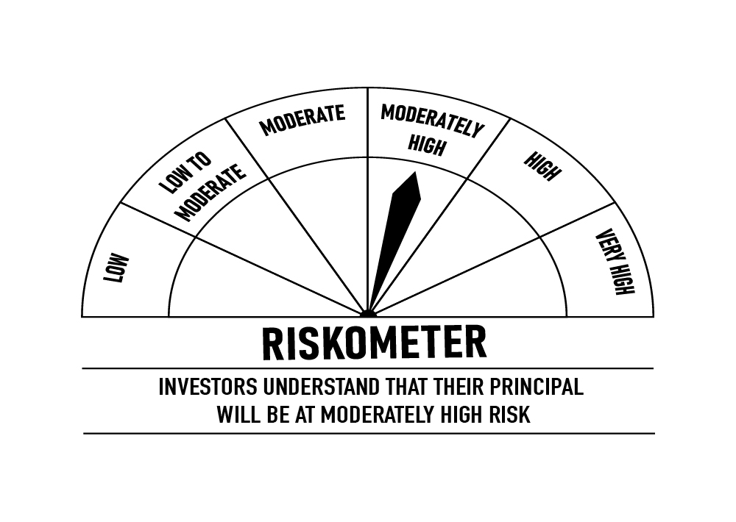
 | DSP Ultra Short Fund
 | Portfolio as on November 15, 2021

Sr. No. | Name of Instrument | ISIN | Rating/Industry | Quantity | Market value (Rs. In lakhs) | % to Net Assets | Maturity Date | Put/Call Option | YTM (%)

 | DEBT INSTRUMENTS
 | BOND & NCD's
 | Listed / awaiting listing on the stock exchanges |  |  |  |  |  |  |  |  | Sector/Rating | Percent
1 | National Highways Authority of India** | INE906B07FE6 | CRISIL AAA | 1,650 | 17,623.65 | 4.96% | 23-Dec-2021 |  | 3.33 | CRISIL A1+ | 42.71%
2 | REC Limited** | INE020B08AK2 | CRISIL AAA | 1,250 | 12,929.41 | 3.64% | 07-Sep-2022 |  | 4.30 | CRISIL AAA | 22.93%
3 | LIC Housing Finance Limited** | INE115A07MJ1 | CRISIL AAA | 1,000 | 10,358.03 | 2.92% | 30-Aug-2022 |  | 4.68 | SOV | 17.03%
4 | National Bank for Agriculture and Rural Development** | INE261F08BL9 | CRISIL AAA | 750 | 7,895.97 | 2.22% | 13-Jun-2022 |  | 4.05 | ICRA A1+ | 5.47%
5 | Cholamandalam Investment and Finance Company Limited** | INE121A07PK0 | ICRA AA+ | 600 | 6,256.74 | 1.76% | 17-Jun-2022 |  | 4.80 | ICRA AA+ | 2.51%
6 | REC Limited** | INE020B08CE1 | CRISIL AAA | 600 | 6,254.26 | 1.76% | 30-Jun-2022 |  | 4.13 | IND AAA | 0.76%
7 | Reliance Industries Limited** | INE002A08575 | CRISIL AAA | 500 | 5,352.02 | 1.51% | 08-Mar-2022 |  | 3.83 | Cash & Equivalent | 8.59%
8 | Power Finance Corporation Limited** | INE134E08KB3 | CRISIL AAA | 500 | 5,295.92 | 1.49% | 27-May-2022 |  | 4.10
9 | National Bank for Agriculture and Rural Development** | INE261F08BJ3 | CRISIL AAA | 500 | 5,282.31 | 1.49% | 23-May-2022 |  | 4.05
10 | LIC Housing Finance Limited** | INE115A07MG7 | CRISIL AAA | 500 | 5,204.17 | 1.47% | 15-Jul-2022 |  | 4.68
11 | Mahindra & Mahindra Financial Services Limited** | INE774D07QG6 | IND AAA | 250 | 2,682.85 | 0.76% | 30-Nov-2021 |  | 4.02
12 | Sundaram Home Finance Limited** | INE667F07HQ5 | ICRA AA+ | 250 | 2,668.63 | 0.75% | 03-Feb-2022 |  | 4.35
13 | Housing Development Finance Corporation Limited** | INE001A07QT3 | CRISIL AAA | 25 | 2,620.24 | 0.74% | 20-Jun-2022 |  | 4.23
14 | LIC Housing Finance Limited** | INE115A07OG3 | CRISIL AAA | 250 | 2,592.91 | 0.73% | 23-Sep-2022 |  | 4.68
 | Total |  |  |  | 93,017.11 | 26.20%

 | Government Securities (Central/State)
15 | 8.20% GOI 15022022 | IN0020060037 | SOV | 21,000,000 | 21,669.12 | 6.10% | 15-Feb-2022 |  | 3.55
 | Total |  |  |  | 21,669.12 | 6.10%

 | MONEY MARKET INSTRUMENTS
 | Certificate of Deposit
16 | Export-Import Bank of India** | INE514E16BV6 | CRISIL A1+ | 25,000 | 24,936.40 | 7.02% | 14-Dec-2021 |  | 3.32
17 | Axis Bank Limited** | INE238A167U1 | CRISIL A1+ | 10,000 | 9,992.72 | 2.82% | 24-Nov-2021 |  | 3.33
18 | Axis Bank Limited** | INE238A165W1 | CRISIL A1+ | 2,000 | 9,917.51 | 2.79% | 10-Feb-2022 |  | 3.53
19 | IDFC First Bank Limited** | INE092T16QQ9 | CRISIL A1+ | 10,000 | 9,878.80 | 2.78% | 14-Mar-2022 |  | 3.80
20 | Small Industries Development Bank of India** | INE556F16861 | CRISIL A1+ | 10,000 | 9,871.96 | 2.78% | 25-Mar-2022 |  | 3.67
21 | Axis Bank Limited** | INE238A167W7 | CRISIL A1+ | 2,000 | 9,825.15 | 2.77% | 28-Apr-2022 |  | 3.98
22 | IDFC First Bank Limited** | INE092T16PQ1 | CRISIL A1+ | 5,000 | 4,992.06 | 1.41% | 03-Dec-2021 |  | 3.42
 | Total |  |  |  | 79,414.60 | 22.37%

 | Commercial Papers
 | Listed / awaiting listing on the stock exchanges
23 | ICICI Securities Limited** | INE763G14KK3 | CRISIL A1+ | 3,000 | 14,772.89 | 4.16% | 25-Mar-2022 |  | 4.35
24 | Jamnagar Utilities & Power Private Limited** | INE936D14113 | CRISIL A1+ | 3,000 | 14,447.19 | 4.07% | 21-Sep-2022 |  | 4.52
25 | Cholamandalam Investment and Finance Company Limited** | INE121A14TM4 | CRISIL A1+ | 2,000 | 9,918.96 | 2.79% | 28-Jan-2022 |  | 4.09
26 | Tata Capital Housing Finance Limited** | INE033L14LP8 | CRISIL A1+ | 2,000 | 9,747.27 | 2.75% | 28-Jun-2022 |  | 4.23
27 | Bahadur Chand Investments Private Limited** | INE087M14AE9 | ICRA A1+ | 2,000 | 9,537.30 | 2.69% | 16-Sep-2022 |  | 5.83
28 | Sharekhan BNP Paribas Financial Services Limited** | INE550X14557 | ICRA A1+ | 1,000 | 4,992.83 | 1.41% | 29-Nov-2021 |  | 4.03
29 | Export-Import Bank of India** | INE514E14PY5 | CRISIL A1+ | 1,000 | 4,935.70 | 1.39% | 24-Mar-2022 |  | 3.72
30 | Hero Fincorp Limited** | INE957N14EX3 | CRISIL A1+ | 1,000 | 4,870.85 | 1.37% | 16-Jun-2022 |  | 4.57
31 | Axis Securities Limited** | INE110O14302 | ICRA A1+ | 1,000 | 4,858.56 | 1.37% | 24-Jun-2022 |  | 4.83
32 | Housing Development Finance Corporation Limited** | INE001A14XU3 | CRISIL A1+ | 1,000 | 4,837.77 | 1.36% | 12-Aug-2022 |  | 4.55
33 | Housing Development Finance Corporation Limited** | INE001A14XS7 | CRISIL A1+ | 1,000 | 4,831.95 | 1.36% | 22-Aug-2022 |  | 4.55
34 | Infina Finance Private Limited** | INE879F14EE5 | CRISIL A1+ | 800 | 3,885.31 | 1.09% | 28-Jun-2022 |  | 4.81
 | Total |  |  |  | 91,636.58 | 25.81%

 | Treasury Bill
35 | 182 DAY T-BILL 02122021 | IN002021Y098 | SOV | 10,000,000 | 9,985.56 | 2.81% | 02-Dec-2021 |  | 3.30
36 | 182 DAY T-BILL 16122021 | IN002021Y114 | SOV | 10,000,000 | 9,972.95 | 2.81% | 16-Dec-2021 |  | 3.30
37 | 182 DAY T-BILL 23122021 | IN002021Y122 | SOV | 10,000,000 | 9,966.16 | 2.81% | 23-Dec-2021 |  | 3.35
38 | 364 DAY T-BILL 30032022 | IN002020Z527 | SOV | 5,000,000 | 4,935.62 | 1.39% | 30-Mar-2022 |  | 3.55
39 | 182 DAY T-BILL 09122021 | IN002021Y106 | SOV | 3,948,800 | 3,940.61 | 1.11% | 09-Dec-2021 |  | 3.30
 | Total |  |  |  | 38,800.90 | 10.93%

40 | TREPS / Reverse Repo Investments / Corporate Debt Repo |  |  |  | 30,561.35 | 8.61% | 16-Nov-2021
 | Total |  |  |  | 30,561.35 | 8.61%

 | Cash & Cash Equivalent
 | Net Receivables/Payables |  |  |  | (120.47) | -0.02%
 | Total |  |  |  | (120.47) | -0.02%

 | GRAND TOTAL |  |  |  | 354,979.19 | 100.00%
Notes:
1 | ** Non Traded in accordance with SEBI Regulations
2 | Market value includes accrued interest
3 | Net Assets does not include unit activity for the date of the Portfolios.
4 | Pursuant to SEBI circular SEBI/HO/IMD/DF4/CIR/P/2019/102 dated September 24, 2019 read with circular no. SEBI/HO/IMD/DF4/CIR/P/2019/41 dated March 22, 2019. Below are the details of the securities in case of which issuer has defaulted beyond its maturity date.
 | Security Name | ISIN | value of the security considered under net receivables (i.e. value recognized in NAV in absolute terms and as % to NAV) (Rs.in lakhs) |  | total amount (including principal and interest) that is due to the scheme on that investment (Rs.in lakhs)
 | 0% IL&FS Transportation Networks Limited NCD Series A 23032019 | INE975G08140 | 0.00 | 0.00% | 6,627.81

 | Scheme Riskometer

 | Benchmark Riskometer
 | CRISIL Ultra Short Term Debt Index

CREDITRISK
 | DSP Credit Risk Fund
 | Portfolio as on November 15, 2021

Sr. No. | Name of Instrument | ISIN | Rating/Industry | Quantity | Market value (Rs. In lakhs) | % to Net Assets | Maturity Date | Put/Call Option | YTM (%)

 | DEBT INSTRUMENTS
 | BOND & NCD's
 | Listed / awaiting listing on the stock exchanges |  |  |  |  |  |  |  |  | Sector/Rating | Percent
1 | Tata Motors Limited** | INE155A08191 | ICRA AA- | 200 | 2,238.31 | 9.27% | 20-Aug-2024 |  | 5.94 | CRISIL AA+ | 16.04%
2 | Godrej Industries Limited** | INE233A08048 | CRISIL AA | 200 | 2,110.08 | 8.73% | 14-May-2025 |  | 6.25 | CRISIL AA | 12.88%
3 | Tata Realty And Infrastructure Limited** | INE371K08177 | ICRA AA | 200 | 2,107.64 | 8.72% | 23-Sep-2022 |  | 5.07 | SOV | 10.74%
4 | Bharti Hexacom Limited** | INE343G08026 | CRISIL AA+ | 200 | 2,021.09 | 8.37% | 30-Apr-2024 |  | 6.05 | ICRA AA- | 9.27%
5 | Manappuram Finance Limited** | INE522D07BG1 | CARE AA | 150 | 1,620.17 | 6.71% | 14-Feb-2022 |  | 4.65 | ICRA AA | 8.72%
6 | Telesonic Networks Limited** | INE308O08015 | CRISIL AA+ | 130 | 1,321.20 | 5.47% | 28-Apr-2023 |  | 5.29 | CARE AA | 6.71%
7 | Aditya Birla Fashion and Retail Limited** | INE647O08107 | CRISIL AA | 100 | 1,003.27 | 4.15% | 09-Sep-2024 |  | 6.09 | Cash & Equivalent | 35.64%
8 | Hindalco Industries Limited** | INE038A07274 | CRISIL AA+ | 50 | 530.31 | 2.20% | 02-Aug-2022 |  | 4.70
 | Total |  |  |  | 12,952.07 | 53.62%

 | Government Securities (Central/State)
9 | 6.79% GOI 15052027 | IN0020170026 | SOV | 2,500,000 | 2,594.02 | 10.74% | 15-May-2027 |  | 5.98
 | Total |  |  |  | 2,594.02 | 10.74%

 | MONEY MARKET INSTRUMENTS
10 | TREPS / Reverse Repo Investments / Corporate Debt Repo |  |  |  | 5,656.10 | 23.41% | 16-Nov-2021
 | Total |  |  |  | 5,656.10 | 23.41%

 | Cash & Cash Equivalent
 | Net Receivables/Payables |  |  |  | 2,955.97 | 12.23%
 | Total |  |  |  | 2,955.97 | 12.23%

 | GRAND TOTAL |  |  |  | 24,158.16 | 100.00%
Notes:
1 | ** Non Traded in accordance with SEBI Regulations
2 | Market value includes accrued interest
3 | Net Assets does not include unit activity for the date of the Portfolios.
4 | In case of below securities, DSP Mutual Fund has ignored prices provided by valuation agencies. Disclosure vide circular no. SEBI/HO/IMD/DF4/CIR/P/2019/41 dated March 22, 2019 & SEBI/HO/IMD/DF4/CIR/P/2019/102 dated September 24,2019 for detailed rationale along with other details are available at the below mentioned links
 | Name of the securities | No of Instances | Links
 | 0% Sintex Bapl Limited NCD Series B 31122021 | 309 | https://www.dspim.com/media/pages/mandatory-disclosures/disclosures-for-deviation-in-valuation-price/9560565842-1616167083/sintex-bapl-limited.pdf
 | 0% Sintex Bapl Limited NCD Series C 31122022 | 309 | https://www.dspim.com/media/pages/mandatory-disclosures/disclosures-for-deviation-in-valuation-price/9560565842-1616167083/sintex-bapl-limited.pdf
 | 0% Sintex Bapl Limited NCD Series A 31122020 | 309 | https://www.dspim.com/media/pages/mandatory-disclosures/disclosures-for-deviation-in-valuation-price/9560565842-1616167083/sintex-bapl-limited.pdf
 | Il&Fs Energy Development Company Limited (Maturity Date : 28-Jun-2019) | 309 | https://www.dspim.com/media/pages/mandatory-disclosures/disclosures-for-deviation-in-valuation-price/52517897e3-1616167083/il-amp-fs-energy-devlopment-company-limited.pdf
 | Il&Fs Energy Development Company Limited (Maturity Date : 07-Jun-2019) | 309 | https://www.dspim.com/media/pages/mandatory-disclosures/disclosures-for-deviation-in-valuation-price/52517897e3-1616167083/il-amp-fs-energy-devlopment-company-limited.pdf
5 | Pursuant to SEBI circular SEBI/HO/IMD/DF4/CIR/P/2019/102 dated September 24, 2019 read with circular no. SEBI/HO/IMD/DF4/CIR/P/2019/41 dated March 22, 2019. Below are the details of the securities in case of which issuer has defaulted beyond its maturity date
 | Security Name | ISIN | value of the security considered under net receivables (i.e. value recognized in NAV in absolute terms and as % to NAV) (Rs.in lakhs) |  | total amount (including principal and interest) that is due to the scheme on that investment (Rs.in lakhs)
 | 0% IL&Fs Transportation Networks Limited Ncd Series A 23032019 | INE975G08140 | 0.00 | 0.00% | 23,396.18
 | 0% IL&Fs Energy Development Company Limited Ncd 07062019 | INE938L08049 | 0.00 | 0.00% | 13,861.96
 | 0% IL&FS Energy Development Company Limited Ncd 28062019 | INE938L08056 | 0.00 | 0.00% | 10,645.02
 | 0% SINTEX BAPL LTD S- A 31DEC20 ZCB | INE631U07027 | 965.55 | 4.00% | 4,357.70
 | 0% SINTEX BAPL LTD S- B 31DEC21 ZCB## | INE631U07035 | 965.55 | 4.00% | 4,760.79
 | 0% SINTEX BAPL LTD S- C 31DEC22 ZCB## | INE631U07043 | 965.55 | 4.00% | 5,201.16
 | ## Deemed matured on account of acceleration triggered by DSP Trustee Private Limited in the light of rights availed under Debenture Trust Deed

 | Scheme Riskometer

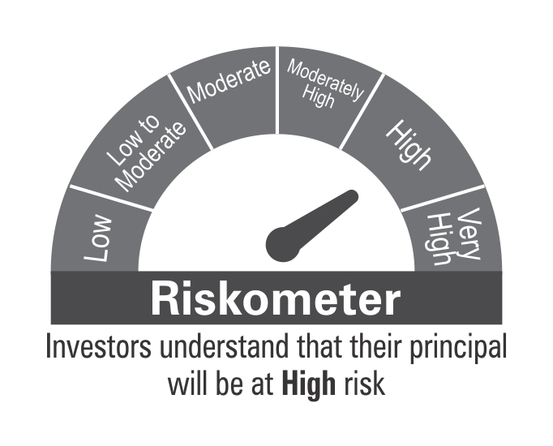

 | Benchmark Riskometer
 | CRISIL Short Term Credit Risk Index

BOND
 | DSP Bond Fund
 | Portfolio as on November 15, 2021

Sr. No. | Name of Instrument | ISIN | Rating/Industry | Quantity | Market value (Rs. In lakhs) | % to Net Assets | Maturity Date | Put/Call Option | YTM (%)

 | DEBT INSTRUMENTS
 | BOND & NCD's
 | Listed / awaiting listing on the stock exchanges |  |  |  |  |  |  |  |  | Sector/Rating | Percent
1 | Power Finance Corporation Limited** | INE134E08KV1 | CRISIL AAA | 250 | 2,705.79 | 5.67% | 11-Jun-2030 |  | 6.96 | CRISIL AAA | 31.21%
2 | National Highways Authority of India** | INE906B07HH5 | CRISIL AAA | 250 | 2,678.02 | 5.61% | 13-Sep-2029 |  | 6.72 | SOV | 27.91%
3 | Bajaj Finance Limited** | INE296A07RR1 | CRISIL AAA | 250 | 2,608.64 | 5.47% | 12-Apr-2024 |  | 5.67 | CRISIL A1+ | 21.76%
4 | National Bank for Agriculture and Rural Development | INE261F08BY2 | ICRA AAA | 250 | 2,603.99 | 5.46% | 08-Feb-2030 |  | 6.85 | ICRA AAA | 8.82%
5 | NTPC Limited** | INE733E07KL3 | CRISIL AAA | 210 | 2,228.29 | 4.67% | 17-Jul-2029 |  | 6.69 | CRISIL AA+ | 2.25%
6 | Housing Development Finance Corporation Limited** | INE001A07SO0 | CRISIL AAA | 200 | 2,092.59 | 4.39% | 17-Jun-2030 |  | 6.98 | Cash & Equivalent | 8.05%
7 | NIIF Infrastructure Finance** | INE246R07384 | ICRA AAA | 150 | 1,600.74 | 3.36% | 07-Nov-2024 |  | 6.49
8 | Indian Railway Finance Corporation Limited | INE053F08122 | CRISIL AAA | 150 | 1,526.19 | 3.20% | 29-Aug-2031 |  | 6.89
9 | Sundaram Home Finance Limited** | INE667F07HS1 | CRISIL AA+ | 100 | 1,071.21 | 2.25% | 11-May-2023 |  | 5.47
10 | Indian Railway Finance Corporation Limited** | INE053F07BY5 | CRISIL AAA | 100 | 1,051.69 | 2.20% | 12-Apr-2030 |  | 6.83
 | Total |  |  |  | 20,167.15 | 42.28%

 | Government Securities (Central/State)
11 | 6.10% GOI 12072031 | IN0020210095 | SOV | 3,500,000 | 3,511.89 | 7.36% | 12-Jul-2031 |  | 6.35
12 | 8.35% GOI 14052022 | IN0020020072 | SOV | 2,500,000 | 2,556.53 | 5.36% | 14-May-2022 |  | 3.82
13 | 5.09% GOI 13042022 | IN0020200021 | SOV | 2,500,000 | 2,524.76 | 5.29% | 13-Apr-2022 |  | 3.80
14 | 7.26% GOI 14012029 | IN0020180454 | SOV | 2,000,000 | 2,163.65 | 4.54% | 14-Jan-2029 |  | 6.25
15 | 8.20% GOI 15022022 | IN0020060037 | SOV | 2,000,000 | 2,063.73 | 4.33% | 15-Feb-2022 |  | 3.55
 | Total |  |  |  | 12,820.56 | 26.88%

 | MONEY MARKET INSTRUMENTS
 | Certificate of Deposit
16 | Small Industries Development Bank of India** | INE556F16853 | CRISIL A1+ | 3,500 | 3,457.59 | 7.25% | 18-Mar-2022 |  | 3.67
17 | Axis Bank Limited** | INE238A166V1 | CRISIL A1+ | 2,000 | 1,977.30 | 4.15% | 10-Mar-2022 |  | 3.68
 | Total |  |  |  | 5,434.89 | 11.40%

 | Commercial Papers
 | Listed / awaiting listing on the stock exchanges
18 | Infina Finance Private Limited | INE879F14FD4 | CRISIL A1+ | 500 | 2,498.05 | 5.24% | 22-Nov-2021 |  | 4.75
19 | Axis Finance Limited** | INE891K14LC9 | CRISIL A1+ | 500 | 2,442.61 | 5.12% | 26-May-2022 |  | 4.49
 | Total |  |  |  | 4,940.66 | 10.36%

 | Treasury Bill
20 | 364 DAY T-BILL 30032022 | IN002020Z527 | SOV | 500,000 | 493.56 | 1.03% | 30-Mar-2022 |  | 3.55
 | Total |  |  |  | 493.56 | 1.03%

21 | TREPS / Reverse Repo Investments / Corporate Debt Repo |  |  |  | 3,821.64 | 8.01% | 16-Nov-2021
 | Total |  |  |  | 3,821.64 | 8.01%

 | Cash & Cash Equivalent
 | Net Receivables/Payables |  |  |  | 22.35 | 0.04%
 | Total |  |  |  | 22.35 | 0.04%

 | GRAND TOTAL |  |  |  | 47,700.81 | 100.00%
Notes:
1 | ** Non Traded in accordance with SEBI Regulations
2 | Market value includes accrued interest
3 | Net Assets does not include unit activity for the date of the Portfolios.
4 | Pursuant to SEBI circular SEBI/HO/IMD/DF4/CIR/P/2019/102 dated September 24, 2019 read with circular no. SEBI/HO/IMD/DF4/CIR/P/2019/41 dated March 22, 2019. Below are the details of the securities in case of which issuer has defaulted beyond its maturity date.
 | Security Name | ISIN | value of the security considered under net receivables (i.e. value recognized in NAV in absolute terms and as % to NAV) (Rs.in lakhs) |  | total amount (including principal and interest) that is due to the scheme on that investment (Rs.in lakhs)
 | 0% Il&Fs Transportation Networks Limited NCD Series A 23032019 | INE975G08140 | 0.00 | 0.00% | 1,325.56

 | Scheme Riskometer



 | Benchmark Riskometer
 | CRISIL Medium Term Debt Index

REGULARSAVINGS

 | DSP Regular Savings Fund
 | Portfolio as on November 15, 2021

Sr. No. | Name of Instrument | ISIN | Rating/Industry | Quantity | Market value (Rs. In lakhs) | % to Net Assets | Maturity Date | Put/Call Option | YTM (%)

 | EQUITY & EQUITY RELATED
 | Listed / awaiting listing on the stock exchanges
1 | HCL Technologies Limited | INE860A01027 | Software | 52,613 | 616.02 | 2.65% |  |  |  | Sector/Rating | Percent
2 | ICICI Bank Limited | INE090A01021 | Banks | 59,775 | 462.24 | 1.99% |  |  |  | CRISIL AAA | 56.62%
3 | HDFC Bank Limited | INE040A01034 | Banks | 29,519 | 459.68 | 1.98% |  |  |  | SOV | 13.75%
4 | ITC Limited | INE154A01025 | Consumer Non Durables | 138,032 | 328.65 | 1.42% |  |  |  | Banks | 5.27%
5 | Axis Bank Limited | INE238A01034 | Banks | 41,281 | 302.69 | 1.30% |  |  |  | Power | 3.63%
6 | Aptus Value Housing Finance India Limited | INE852O01025 | Finance | 84,000 | 294.97 | 1.27% |  |  |  | Software | 3.52%
7 | SBI Life Insurance Company Limited | INE123W01016 | Insurance | 24,429 | 283.35 | 1.22% |  |  |  | Finance | 2.43%
8 | Manappuram Finance Limited | INE522D01027 | Finance | 137,155 | 270.33 | 1.16% |  |  |  | IND AAA | 2.31%
9 | IPCA Laboratories Limited | INE571A01020 | Pharmaceuticals | 11,678 | 256.92 | 1.11% |  |  |  | Insurance | 2.18%
10 | Hero MotoCorp Limited | INE158A01026 | Auto | 8,447 | 227.50 | 0.98% |  |  |  | Pharmaceuticals | 1.96%
11 | ICICI Lombard General Insurance Company Limited | INE765G01017 | Insurance | 14,520 | 223.11 | 0.96% |  |  |  | Consumer Non Durables | 1.42%
12 | Tata Consultancy Services Limited | INE467B01029 | Software | 5,654 | 200.90 | 0.87% |  |  |  | Consumer Durables | 1.12%
13 | Cipla Limited | INE059A01026 | Pharmaceuticals | 20,991 | 196.93 | 0.85% |  |  |  | Auto | 0.98%
14 | UltraTech Cement Limited | INE481G01011 | Cement & Cement Products | 2,094 | 168.58 | 0.73% |  |  |  | Cement & Cement Products | 0.73%
15 | Crompton Greaves Consumer Electricals Limited | INE299U01018 | Consumer Durables | 34,239 | 162.76 | 0.70% |  |  |  | Fertilisers | 0.66%
16 | Coromandel International Limited | INE169A01031 | Fertilisers | 19,369 | 154.04 | 0.66% |  |  |  | Cash & Equivalent | 3.42%
17 | Forbes & Company Ltd | INE518A01013 | Consumer Durables | 1,726 | 96.54 | 0.42%
 | Total |  |  |  | 4,705.21 | 20.27%

 | Units issued by REITs & InvITs
 | Listed / awaiting listing on the stock exchanges
18 | Powergrid Infrastructure Investment Trust | INE0GGX23010 | Power | 699,600 | 843.51 | 3.63%
 | Total |  |  |  | 843.51 | 3.63%

 | DEBT INSTRUMENTS
 | BOND & NCD's
 | Listed / awaiting listing on the stock exchanges
19 | Indian Railway Finance Corporation Limited** | INE053F07BB3 | CRISIL AAA | 150 | 1,611.44 | 6.94% | 28-Feb-2024 |  | 5.08
20 | National Bank for Agriculture and Rural Development** | INE261F08BO3 | CRISIL AAA | 150 | 1,549.63 | 6.68% | 19-Sep-2022 |  | 4.23
21 | Power Grid Corporation of India Limited** | INE752E07NK9 | CRISIL AAA | 100 | 1,164.06 | 5.02% | 23-Dec-2025 |  | 5.80
22 | Power Finance Corporation Limited** | INE134E08KD9 | CRISIL AAA | 100 | 1,098.67 | 4.73% | 04-Jun-2024 |  | 5.41
23 | REC Limited** | INE020B08CK8 | CRISIL AAA | 100 | 1,082.36 | 4.66% | 20-Mar-2025 |  | 5.75
24 | Export-Import Bank of India | INE514E08FG5 | CRISIL AAA | 100 | 1,081.28 | 4.66% | 01-Sep-2026 |  | 6.00
25 | Indian Oil Corporation Limited** | INE242A08452 | CRISIL AAA | 100 | 1,070.05 | 4.61% | 06-Mar-2025 |  | 5.52
26 | National Highways Authority of India** | INE906B07FG1 | CRISIL AAA | 100 | 1,062.48 | 4.58% | 18-Mar-2022 |  | 3.69
27 | Power Finance Corporation Limited** | INE134E08LF2 | CRISIL AAA | 250 | 780.24 | 3.36% | 30-Jun-2025 |  | 5.83
28 | Hindustan Petroleum Corporation Limited** | INE094A08036 | CRISIL AAA | 70 | 741.49 | 3.20% | 14-Aug-2024 |  | 5.33
29 | Export-Import Bank of India** | INE514E08EK0 | CRISIL AAA | 50 | 569.69 | 2.45% | 03-Feb-2025 |  | 5.46
30 | Housing Development Finance Corporation Limited** | INE001A07SG6 | CRISIL AAA | 50 | 550.41 | 2.37% | 10-Feb-2025 |  | 5.79
31 | Export-Import Bank of India** | INE514E08FT8 | CRISIL AAA | 50 | 536.33 | 2.31% | 18-Feb-2025 |  | 5.46
32 | GAIL (India) Limited** | INE129A07214 | IND AAA | 50 | 535.64 | 2.31% | 23-Feb-2024 | CA - 23-Feb-2022 | 4.04
33 | NTPC Limited** | INE733E07JP6 | CRISIL AAA | 1,736,927 | 244.11 | 1.05% | 25-Mar-2025 |  | 5.47
 | Total |  |  |  | 13,677.88 | 58.93%

 | Government Securities (Central/State)
34 | 7.32% GOI 28012024 | IN0020180488 | SOV | 1,500,000 | 1,612.21 | 6.95% | 28-Jan-2024 |  | 4.76
35 | 6.18% GOI 04112024 | IN0020190396 | SOV | 1,000,000 | 1,031.11 | 4.44% | 04-Nov-2024 |  | 5.11
36 | 7.59% GOI 11012026 | IN0020150093 | SOV | 500,000 | 548.43 | 2.36% | 11-Jan-2026 |  | 5.66
 | Total |  |  |  | 3,191.75 | 13.75%

 | MONEY MARKET INSTRUMENTS
37 | TREPS / Reverse Repo Investments / Corporate Debt Repo |  |  |  | 833.78 | 3.59% | 16-Nov-2021
 | Total |  |  |  | 833.78 | 3.59%

 | Cash & Cash Equivalent
 | Net Receivables/Payables |  |  |  | (45.40) | -0.17%
 | Total |  |  |  | (45.40) | -0.17%

 | GRAND TOTAL |  |  |  | 23,206.73 | 100.00%
Notes:
1 | ** Non Traded in accordance with SEBI Regulations
2 | Market value includes accrued interest
3 | Net Assets does not include unit activity for the date of the Portfolios.
4 | Pursuant to SEBI circular SEBI/HO/IMD/DF4/CIR/P/2019/102 dated September 24, 2019 read with circular no. SEBI/HO/IMD/DF4/CIR/P/2019/41 dated March 22, 2019. Below are the details of the securities in case of which issuer has defaulted beyond its maturity date.
 | Security Name | ISIN | value of the security considered under net receivables (i.e. value recognized in NAV in absolute terms and as % to NAV) (Rs.in lakhs) |  | total amount (including principal and interest) that is due to the scheme on that investment (Rs.in lakhs)
 | 0% IL&FS Transportation Networks Limited Ncd Series A 23032019 | INE975G08140 | 0.00 | 0.00% | 1,855.79

 | Scheme Riskometer

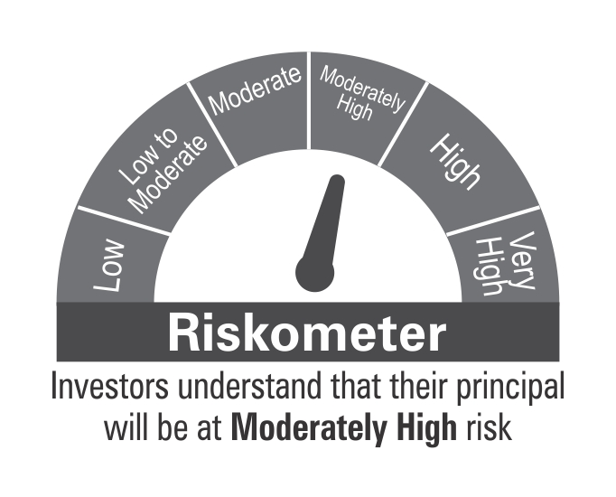

 | Benchmark Riskometer
 | CRISIL Hybrid 85+15 - Conservative Index

10YGF

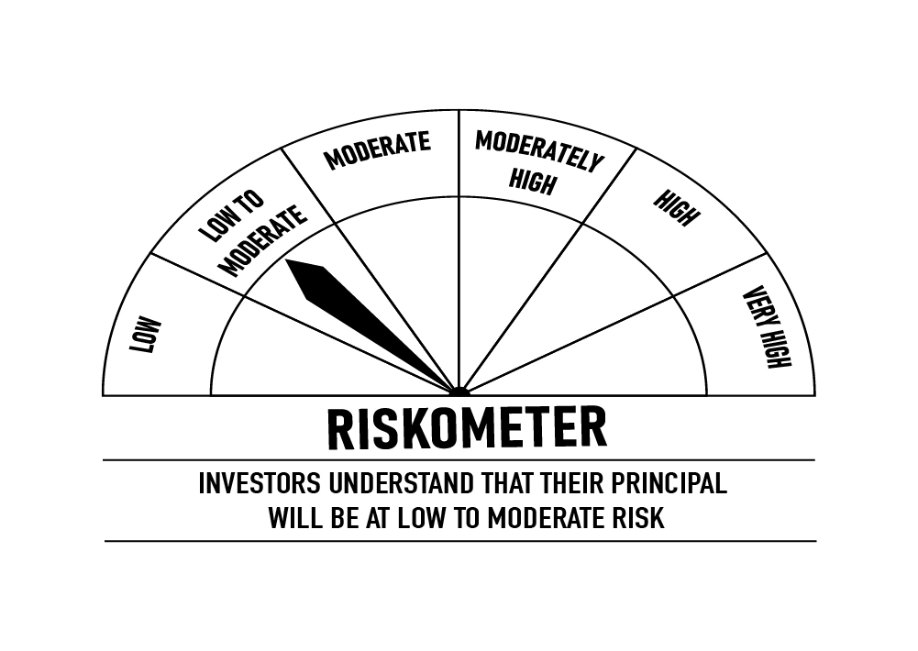
 | DSP 10Y G-Sec Fund
 | Portfolio as on November 15, 2021

Sr. No. | Name of Instrument | ISIN | Rating/Industry | Quantity | Market value (Rs. In lakhs) | % to Net Assets | Maturity Date | Put/Call Option | YTM (%)

 | DEBT INSTRUMENTS
 | Government Securities (Central/State)
1 | 6.10% GOI 12072031 | IN0020210095 | SOV | 4,999,000 | 5,015.99 | 98.09% | 12-Jul-2031 |  | 6.35 | Sector/Rating | Percent
 | Total |  |  |  | 5,015.99 | 98.09% |  |  |  | SOV | 98.09%
 |  |  |  |  |  |  |  |  |  | Cash & Equivalent | 1.91%
 | MONEY MARKET INSTRUMENTS
2 | TREPS / Reverse Repo Investments / Corporate Debt Repo |  |  |  | 92.09 | 1.80% | 16-Nov-2021
 | Total |  |  |  | 92.09 | 1.80%

 | Cash & Cash Equivalent
 | Net Receivables/Payables |  |  |  | 5.62 | 0.11%
 | Total |  |  |  | 5.62 | 0.11%

 | GRAND TOTAL |  |  |  | 5,113.70 | 100.00%
Notes:
1 | Market value includes accrued interest
2 | Net Assets does not include unit activity for the date of the Portfolios.

 | Scheme Riskometer

 | Benchmark Riskometer
 | CRISIL 10 Year Gilt Index

OVERNIGHT

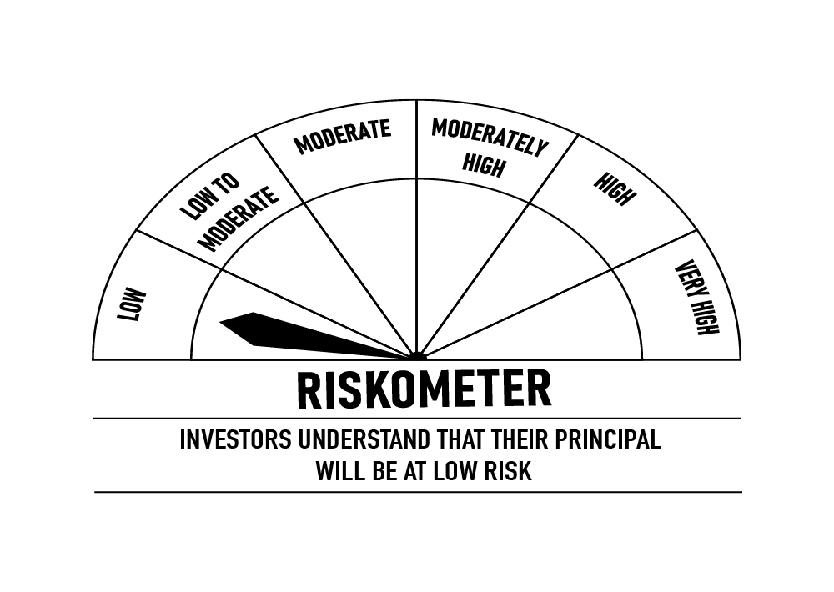
 | DSP Overnight Fund
 | Portfolio as on November 15, 2021

Sr. No. | Name of Instrument | ISIN | Rating/Industry | Quantity | Market value (Rs. In lakhs) | % to Net Assets | Maturity Date | Put/Call Option | YTM (%)

 | MONEY MARKET INSTRUMENTS
1 | TREPS / Reverse Repo Investments / Corporate Debt Repo |  |  |  | 279,764.47 | 99.45% | 16-Nov-2021
 | Total |  |  |  | 279,764.47 | 99.45%

 | Cash & Cash Equivalent
 | Net Receivables/Payables |  |  |  | 1,538.63 | 0.55%
 | Total |  |  |  | 1,538.63 | 0.55%

 | GRAND TOTAL |  |  |  | 281,303.10 | 100.00%
Notes:
1 | Market value includes accrued interest
2 | Net Assets does not include unit activity for the date of the Portfolios.
3 | As per the investment policy of DSP Overnight Fund , the Fund does not invest in Corporate Debt Repo

 | Scheme Riskometer

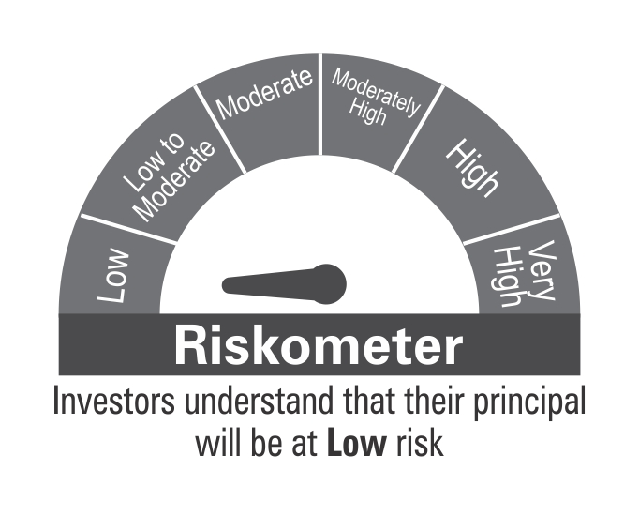

 | Benchmark Riskometer
 | CRISIL Overnight Index

