LIQUID
 | DSP Liquidity Fund
 | Portfolio as on November 15, 2022

Sr. No. | Name of Instrument | ISIN | Rating/Industry | Quantity | Market value (Rs. In lakhs) | % to Net Assets | Maturity Date | Put/Call Option | YTM (%)

 | DEBT INSTRUMENTS
 | BOND & NCD's
 | Listed / awaiting listing on the stock exchanges |  |  |  |  |  |  |  |  | Sector/Rating | Percent
1 | Hindustan Petroleum Corporation Limited | INE094A08044 | CRISIL AAA | 1,250 | 13,281.42 | 0.97% | 15-Dec-2022 |  | 6.50 | CRISIL A1+ | 48.04%
2 | NIIF Infrastructure Finance Limited** | INE246R07475 | ICRA AAA | 1,000 | 10,393.73 | 0.76% | 27-Jan-2023 |  | 7.48 | SOV | 13.03%
3 | Power Finance Corporation Limited** | INE134E08JF6 | CRISIL AAA | 500 | 5,361.99 | 0.39% | 22-Nov-2022 |  | 6.25 | IND A1+ | 7.42%
 | Total |  |  |  | 29,037.14 | 2.12% |  |  |  | ICRA A1+ | 6.52%
 |  |  |  |  |  |  |  |  |  | CRISIL AAA | 1.36%
 | Government Securities (Central/State) |  |  |  |  |  |  |  |  | ICRA AAA | 0.76%
4 | 6.84% GOI 2022 | IN0020160050 | SOV | 32,500,000 | 33,426.67 | 2.44% | 19-Dec-2022 |  | 6.12 | Cash & Equivalent | 22.87%
 | Total |  |  |  | 33,426.67 | 2.44%

 | MONEY MARKET INSTRUMENTS
 | Certificate of Deposit
5 | Indian Bank** | INE562A16LE8 | CRISIL A1+ | 10,000 | 49,562.95 | 3.62% | 02-Jan-2023 |  | 6.85
6 | Union Bank of India** | INE692A16FL0 | ICRA A1+ | 6,000 | 29,740.17 | 2.17% | 02-Jan-2023 |  | 6.78
7 | HDFC Bank Limited** | INE040A16DL7 | IND A1+ | 6,000 | 29,660.46 | 2.17% | 16-Jan-2023 |  | 6.85
8 | HDFC Bank Limited** | INE040A16CO3 | IND A1+ | 5,500 | 27,371.74 | 2.00% | 13-Dec-2022 |  | 6.34
9 | Axis Bank Limited** | INE238AD6074 | ICRA A1+ | 5,500 | 27,261.30 | 1.99% | 02-Jan-2023 |  | 6.80
10 | HDFC Bank Limited** | INE040A16CU0 | IND A1+ | 5,000 | 24,820.17 | 1.81% | 27-Dec-2022 |  | 6.45
11 | Punjab National Bank | INE160A16MN0 | CRISIL A1+ | 4,000 | 19,968.98 | 1.46% | 25-Nov-2022 |  | 6.30
12 | Punjab National Bank | INE160A16MP5 | CRISIL A1+ | 4,000 | 19,951.40 | 1.46% | 30-Nov-2022 |  | 6.35
13 | Indian Bank** | INE562A16LA6 | CRISIL A1+ | 4,000 | 19,768.36 | 1.44% | 17-Jan-2023 |  | 6.90
14 | Union Bank of India | INE692A16FN6 | ICRA A1+ | 2,000 | 9,879.83 | 0.72% | 20-Jan-2023 |  | 6.83
15 | IDFC First Bank Limited** | INE092T16TF6 | CRISIL A1+ | 2,000 | 9,843.65 | 0.72% | 06-Feb-2023 |  | 7.07
16 | Axis Bank Limited | INE238A165X9 | CRISIL A1+ | 1,500 | 7,472.91 | 0.55% | 07-Dec-2022 |  | 6.30
 | Total |  |  |  | 275,301.92 | 20.11%

 | Commercial Papers
 | Listed / awaiting listing on the stock exchanges
17 | Housing Development Finance Corporation Limited** | INE001A14ZP8 | CRISIL A1+ | 10,000 | 49,746.05 | 3.63% | 15-Dec-2022 |  | 6.43
18 | Small Industries Development Bank of India** | INE556F14IN1 | CRISIL A1+ | 6,000 | 29,576.61 | 2.16% | 31-Jan-2023 |  | 6.87
19 | Reliance Retail Ventures Limited** | INE929O14784 | CRISIL A1+ | 4,000 | 19,951.26 | 1.46% | 30-Nov-2022 |  | 6.37
20 | Reliance Retail Ventures Limited** | INE929O14776 | CRISIL A1+ | 4,000 | 19,933.14 | 1.46% | 05-Dec-2022 |  | 6.44
21 | Reliance Jio Infocomm Limited** | INE110L14RC9 | CRISIL A1+ | 4,000 | 19,909.38 | 1.45% | 12-Dec-2022 |  | 6.39
22 | Dalmia Cement (Bharat) Limited** | INE755K14EL2 | CRISIL A1+ | 4,000 | 19,906.06 | 1.45% | 12-Dec-2022 |  | 6.63
23 | National Bank for Agriculture and Rural Development** | INE261F14JC9 | CRISIL A1+ | 4,000 | 19,902.28 | 1.45% | 14-Dec-2022 |  | 6.40
24 | Small Industries Development Bank of India | INE556F14IB6 | CRISIL A1+ | 4,000 | 19,894.54 | 1.45% | 16-Dec-2022 |  | 6.45
25 | Birla Group Holdings Private Limited** | INE09OL14BH4 | CRISIL A1+ | 4,000 | 19,887.90 | 1.45% | 15-Dec-2022 |  | 7.10
26 | Reliance Retail Ventures Limited** | INE929O14826 | CRISIL A1+ | 4,000 | 19,823.24 | 1.45% | 02-Jan-2023 |  | 6.92
27 | Export-Import Bank of India** | INE514E14QN6 | CRISIL A1+ | 4,000 | 19,811.08 | 1.45% | 06-Jan-2023 |  | 6.82
28 | Cholamandalam Investment and Finance Company Limited** | INE121A14UI0 | CRISIL A1+ | 4,000 | 19,789.06 | 1.45% | 09-Jan-2023 |  | 7.21
29 | Tata Steel Limited** | INE081A14DP7 | IND A1+ | 4,000 | 19,757.20 | 1.44% | 18-Jan-2023 |  | 7.12
30 | Chambal Fertilizers & Chemicals Limited** | INE085A14IG6 | CRISIL A1+ | 3,000 | 14,986.56 | 1.09% | 21-Nov-2022 |  | 6.55
31 | Dalmia Cement (Bharat) Limited** | INE755K14EK4 | CRISIL A1+ | 3,000 | 14,976.18 | 1.09% | 25-Nov-2022 |  | 6.45
32 | Can Fin Homes Limited** | INE477A14BW7 | ICRA A1+ | 3,000 | 14,967.23 | 1.09% | 28-Nov-2022 |  | 6.66
33 | Sikka Ports & Terminals Limited** | INE941D14246 | CRISIL A1+ | 3,000 | 14,905.53 | 1.09% | 21-Dec-2022 |  | 6.61
34 | Small Industries Development Bank of India** | INE556F14IM3 | CRISIL A1+ | 3,000 | 14,869.33 | 1.09% | 02-Jan-2023 |  | 6.82
35 | Reliance Jio Infocomm Limited** | INE110L14RG0 | CRISIL A1+ | 3,000 | 14,806.86 | 1.08% | 24-Jan-2023 |  | 6.90
36 | ICICI Securities Limited** | INE763G14NL5 | CRISIL A1+ | 3,000 | 14,798.31 | 1.08% | 24-Jan-2023 |  | 7.21
37 | LIC Housing Finance Limited** | INE115A14DX7 | CRISIL A1+ | 2,500 | 12,367.27 | 0.90% | 11-Jan-2023 |  | 7.00
38 | Redington (India) Limited** | INE891D14VR1 | CRISIL A1+ | 2,000 | 9,991.11 | 0.73% | 21-Nov-2022 |  | 6.50
39 | Larsen & Toubro Limited | INE018A14IW4 | CRISIL A1+ | 2,000 | 9,976.08 | 0.73% | 30-Nov-2022 |  | 6.25
40 | HDFC Securities Limited** | INE700G14CY3 | CRISIL A1+ | 2,000 | 9,970.78 | 0.73% | 02-Dec-2022 |  | 6.69
41 | ICICI Securities Limited** | INE763G14NH3 | CRISIL A1+ | 2,000 | 9,952.38 | 0.73% | 12-Dec-2022 |  | 6.72
42 | Reliance Jio Infocomm Limited** | INE110L14RB1 | CRISIL A1+ | 2,000 | 9,951.22 | 0.73% | 14-Dec-2022 |  | 6.39
43 | Hindustan Petroleum Corporation Limited** | INE094A14JK8 | CRISIL A1+ | 2,000 | 9,946.82 | 0.73% | 16-Dec-2022 |  | 6.51
44 | Jamnagar Utilities & Power Private Limited** | INE936D14204 | CRISIL A1+ | 2,000 | 9,938.81 | 0.73% | 20-Dec-2022 |  | 6.61
45 | Sikka Ports & Terminals Limited** | INE941D14261 | CRISIL A1+ | 2,000 | 9,938.81 | 0.73% | 20-Dec-2022 |  | 6.61
46 | Pilani Investments and Industries Corporation Limited** | INE417C14389 | CRISIL A1+ | 2,000 | 9,935.46 | 0.73% | 19-Dec-2022 |  | 7.18
47 | HDFC Securities Limited** | INE700G14DH6 | CRISIL A1+ | 2,000 | 9,873.14 | 0.72% | 20-Jan-2023 |  | 7.22
48 | Infina Finance Private Limited** | INE879F14GH3 | CRISIL A1+ | 1,600 | 7,955.41 | 0.58% | 15-Dec-2022 |  | 7.05
49 | Network18 Media & Investments Limited** | INE870H14OR1 | ICRA A1+ | 1,500 | 7,473.40 | 0.55% | 06-Dec-2022 |  | 6.49
50 | Godrej Industries Limited** | INE233A14WE8 | CRISIL A1+ | 1,500 | 7,470.58 | 0.55% | 08-Dec-2022 |  | 6.54
51 | Julius Baer Capital (India) Private Limited** | INE824H14JD8 | CRISIL A1+ | 1,500 | 7,455.97 | 0.54% | 16-Dec-2022 |  | 7.19
52 | Standard Chartered Capital Limited** | INE403G14PS8 | CRISIL A1+ | 1,500 | 7,437.91 | 0.54% | 28-Dec-2022 |  | 7.25
53 | Standard Chartered Capital Limited** | INE403G14PY6 | CRISIL A1+ | 1,400 | 6,997.40 | 0.51% | 18-Nov-2022 |  | 6.77
54 | Julius Baer Capital (India) Private Limited** | INE824H14JB2 | CRISIL A1+ | 1,000 | 4,981.81 | 0.36% | 05-Dec-2022 |  | 7.01
55 | Julius Baer Capital (India) Private Limited** | INE824H14JC0 | CRISIL A1+ | 1,000 | 4,979.91 | 0.36% | 07-Dec-2022 |  | 7.01
56 | Infina Finance Private Limited** | INE879F14GG5 | CRISIL A1+ | 900 | 4,487.92 | 0.33% | 30-Nov-2022 |  | 7.02
 | Total |  |  |  | 573,279.99 | 41.87%

 | Treasury Bill
57 | 182 DAYS T-BILL 2022 | IN002022Y088 | SOV | 65,500,000 | 65,418.26 | 4.78% | 24-Nov-2022 |  | 5.70
58 | 182 DAYS T-BILL 2022 | IN002022Y112 | SOV | 45,000,000 | 44,792.73 | 3.27% | 15-Dec-2022 |  | 5.82
59 | 91 DAYS T-BILL 2023 | IN002022X288 | SOV | 22,500,000 | 22,278.56 | 1.63% | 12-Jan-2023 |  | 6.37
60 | 91 DAYS T-BILL 2022 | IN002022X213 | SOV | 7,500,000 | 7,490.64 | 0.55% | 24-Nov-2022 |  | 5.70
61 | 182 DAYS T-BILL 2022 | IN002022Y120 | SOV | 5,000,000 | 4,971.00 | 0.36% | 22-Dec-2022 |  | 5.92
 | Total |  |  |  | 144,951.19 | 10.59%

62 | TREPS / Reverse Repo Investments / Corporate Debt Repo |  |  |  | 314,046.52 | 22.94% | 16-Nov-2022
 | Total |  |  |  | 314,046.52 | 22.94%

 | Cash & Cash Equivalent
 | Net Receivables/Payables |  |  |  | (1,171.87) | -0.07%
 | Total |  |  |  | (1,171.87) | -0.07%

 | GRAND TOTAL |  |  |  | 1,368,871.56 | 100.00%
Notes:
1 | ** Non Traded in accordance with SEBI Regulations
2 | Market value includes accrued interest
3 | Net Assets does not include unit activity for the date of the Portfolios.
4 | As on November 15, 2022, the aggregate investments by the schemes of DSP Mutual Fund in DSP Liquidity Fund is Rs 2462.20 lakhs.

 | Scheme Riskometer



 | Benchmark Riskometer: CRISIL Liquid Fund BI Index

ULTRA

 | DSP Ultra Short Fund
 | Portfolio as on November 15, 2022

Sr. No. | Name of Instrument | ISIN | Rating/Industry | Quantity | Market value (Rs. In lakhs) | % to Net Assets | Maturity Date | Put/Call Option | YTM (%)

 | DEBT INSTRUMENTS
 | BOND & NCD's
 | Listed / awaiting listing on the stock exchanges |  |  |  |  |  |  |  |  | Sector/Rating | Percent
1 | Larsen & Toubro Limited** | INE018A08AY9 | CRISIL AAA | 350 | 3,637.46 | 1.47% | 24-Apr-2023 |  | 7.30 | CRISIL A1+ | 58.17%
2 | Housing Development Finance Corporation Limited** | INE001A07SU7 | CRISIL AAA | 250 | 2,599.44 | 1.05% | 14-Dec-2022 |  | 6.55 | IND A1+ | 10.84%
3 | Sikka Ports & Terminals Limited | INE941D07190 | CRISIL AAA | 250 | 2,567.84 | 1.04% | 16-Jun-2023 |  | 7.52 | SOV | 9.77%
4 | Jamnagar Utilities & Power Private Limited** | INE936D07166 | CRISIL AAA | 250 | 2,543.22 | 1.03% | 29-Jun-2023 |  | 7.47 | ICRA A1+ | 5.81%
5 | Power Finance Corporation Limited** | INE134E08KS7 | CRISIL AAA | 160 | 1,646.34 | 0.67% | 22-May-2023 |  | 7.31 | CRISIL AAA | 5.26%
 | Total |  |  |  | 12,994.30 | 5.26% |  |  |  | Cash & Equivalent | 10.15%

 | Government Securities (Central/State)
6 | 6.84% GOI 2022 | IN0020160050 | SOV | 8,500,000 | 8,742.36 | 3.54% | 19-Dec-2022 |  | 6.12
7 | 0% GOI 2023 | IN000423C045 | SOV | 1,970,500 | 1,918.84 | 0.78% | 12-Apr-2023 |  | 6.68
 | Total |  |  |  | 10,661.20 | 4.32%

 | MONEY MARKET INSTRUMENTS
 | Certificate of Deposit
8 | Bank of Baroda** | INE028A16CV3 | IND A1+ | 3,000 | 14,586.56 | 5.90% | 10-Apr-2023 |  | 7.14
9 | Kotak Mahindra Bank Limited | INE237A169O1 | CRISIL A1+ | 2,000 | 9,585.14 | 3.88% | 21-Jun-2023 |  | 7.28
10 | Export-Import Bank of India** | INE514E16CB6 | CRISIL A1+ | 2,000 | 9,584.96 | 3.88% | 22-Jun-2023 |  | 7.25
11 | Axis Bank Limited** | INE238AD6124 | CRISIL A1+ | 2,000 | 9,584.81 | 3.88% | 20-Jun-2023 |  | 7.32
12 | ICICI Bank Limited** | INE090A167X2 | ICRA A1+ | 2,000 | 9,570.95 | 3.87% | 30-Jun-2023 |  | 7.24
13 | Canara Bank** | INE476A16TG9 | CRISIL A1+ | 1,500 | 7,471.56 | 3.02% | 08-Dec-2022 |  | 6.32
14 | IDFC First Bank Limited** | INE092T16RN4 | CRISIL A1+ | 1,500 | 7,361.85 | 2.98% | 20-Feb-2023 |  | 7.13
15 | HDFC Bank Limited** | INE040A16DF9 | IND A1+ | 1,500 | 7,239.56 | 2.93% | 15-May-2023 |  | 7.30
16 | Small Industries Development Bank of India | INE556F16960 | CRISIL A1+ | 1,500 | 7,218.11 | 2.92% | 30-May-2023 |  | 7.31
17 | Axis Bank Limited** | INE238A166X7 | CRISIL A1+ | 1,000 | 4,980.23 | 2.02% | 09-Dec-2022 |  | 6.30
18 | HDFC Bank Limited** | INE040A16CO3 | IND A1+ | 1,000 | 4,976.68 | 2.01% | 13-Dec-2022 |  | 6.34
19 | National Bank for Agriculture and Rural Development | INE261F16637 | CRISIL A1+ | 1,000 | 4,922.07 | 1.99% | 08-Feb-2023 |  | 6.88
20 | National Bank for Agriculture and Rural Development** | INE261F16660 | CRISIL A1+ | 1,000 | 4,913.00 | 1.99% | 17-Feb-2023 |  | 6.95
21 | IndusInd Bank Limited** | INE095A16O60 | CRISIL A1+ | 1,000 | 4,893.95 | 1.98% | 06-Mar-2023 |  | 7.19
22 | AU Small Finance Bank Limited** | INE949L16BK2 | CRISIL A1+ | 1,000 | 4,889.88 | 1.98% | 02-Mar-2023 |  | 7.76
23 | Canara Bank** | INE476A16SX6 | CRISIL A1+ | 1,000 | 4,889.66 | 1.98% | 14-Mar-2023 |  | 6.98
24 | Canara Bank** | INE476A16TX4 | CRISIL A1+ | 1,000 | 4,868.22 | 1.97% | 03-Apr-2023 |  | 7.16
25 | Small Industries Development Bank of India** | INE556F16978 | CRISIL A1+ | 1,000 | 4,804.53 | 1.94% | 07-Jun-2023 |  | 7.31
26 | ICICI Bank Limited** | INE090A165Y4 | ICRA A1+ | 1,000 | 4,787.30 | 1.94% | 28-Jun-2023 |  | 7.24
27 | National Bank for Agriculture and Rural Development** | INE261F16611 | CRISIL A1+ | 500 | 2,470.78 | 1.00% | 18-Jan-2023 |  | 6.85
28 | Axis Bank Limited** | INE238A169Z6 | CRISIL A1+ | 500 | 2,458.30 | 0.99% | 14-Feb-2023 |  | 6.88
29 | Axis Bank Limited** | INE238AD6025 | CRISIL A1+ | 500 | 2,357.39 | 0.95% | 07-Sep-2023 |  | 7.49
 | Total |  |  |  | 138,415.49 | 56.00%

 | Commercial Papers
 | Listed / awaiting listing on the stock exchanges
30 | LIC Housing Finance Limited** | INE115A14DV1 | CRISIL A1+ | 2,500 | 12,219.74 | 4.95% | 13-Mar-2023 |  | 7.16
31 | IIFL Wealth Prime Limited** | INE248U14LN8 | CRISIL A1+ | 1,000 | 4,995.10 | 2.02% | 21-Nov-2022 |  | 7.16
32 | Piramal Enterprises Limited** | INE140A14W00 | CRISIL A1+ | 1,000 | 4,994.33 | 2.02% | 22-Nov-2022 |  | 6.91
33 | Motilal Oswal Financial Services Limited** | INE338I14DE8 | CRISIL A1+ | 1,000 | 4,888.51 | 1.98% | 24-Feb-2023 |  | 8.33
34 | Small Industries Development Bank of India** | INE556F14II1 | CRISIL A1+ | 1,000 | 4,884.02 | 1.98% | 20-Mar-2023 |  | 6.99
35 | Fedbank Financial Services Limited** | INE007N14DC3 | CRISIL A1+ | 1,000 | 4,881.77 | 1.98% | 02-Mar-2023 |  | 8.34
36 | Motilal Oswal Finvest Limited** | INE01WN14637 | CRISIL A1+ | 1,000 | 4,862.68 | 1.97% | 13-Mar-2023 |  | 8.81
37 | LIC Housing Finance Limited** | INE115A14DU3 | CRISIL A1+ | 1,000 | 4,733.76 | 1.92% | 11-Aug-2023 |  | 7.66
 | Total |  |  |  | 46,459.91 | 18.82%

 | Treasury Bill
38 | 364 DAYS T-BILL 2023 | IN002021Z483 | SOV | 5,000,000 | 4,919.95 | 1.99% | 16-Feb-2023 |  | 6.45
39 | 364 DAYS T-BILL 2023 | IN002021Z509 | SOV | 5,000,000 | 4,906.73 | 1.99% | 02-Mar-2023 |  | 6.55
40 | 182 DAYS T-BILL 2023 | IN002022Y328 | SOV | 2,500,000 | 2,424.56 | 0.98% | 04-May-2023 |  | 6.72
41 | 364 DAYS T-BILL 2023 | IN002022Z051 | SOV | 1,250,000 | 1,212.28 | 0.49% | 04-May-2023 |  | 6.72
 | Total |  |  |  | 13,463.52 | 5.45%

42 | TREPS / Reverse Repo Investments / Corporate Debt Repo |  |  |  | 27,135.02 | 10.98% | 16-Nov-2022
 | Total |  |  |  | 27,135.02 | 10.98%

 | Cash & Cash Equivalent
 | Net Receivables/Payables |  |  |  | (2,052.68) | -0.83%
 | Total |  |  |  | (2,052.68) | -0.83%

 | GRAND TOTAL |  |  |  | 247,076.76 | 100.00%
Notes:
1 | ** Non Traded in accordance with SEBI Regulations
2 | Market value includes accrued interest
3 | Net Assets does not include unit activity for the date of the Portfolios.
4 | Pursuant to SEBI circular SEBI/HO/IMD/DF4/CIR/P/2019/102 dated September 24, 2019 read with circular no. SEBI/HO/IMD/DF4/CIR/P/2019/41 dated March 22, 2019. Below are the details of the securities in case of which issuer has defaulted beyond its maturity date.
 | Security Name | ISIN | value of the security considered under net receivables (i.e. value recognized in NAV in absolute terms and as % to NAV) (Rs.in lakhs) |  | total amount (including principal and interest) that is due to the scheme on that investment (Rs.in lakhs)
 | 0% IL&FS Transportation Networks Limited NCD Series A 23032019 | INE975G08140 | 0.00 | 0.00% | 6,627.81

 | Scheme Riskometer

 | Benchmark Riskometer: CRISIL Ultra Short Duration Fund BI Index

CREDITRISK
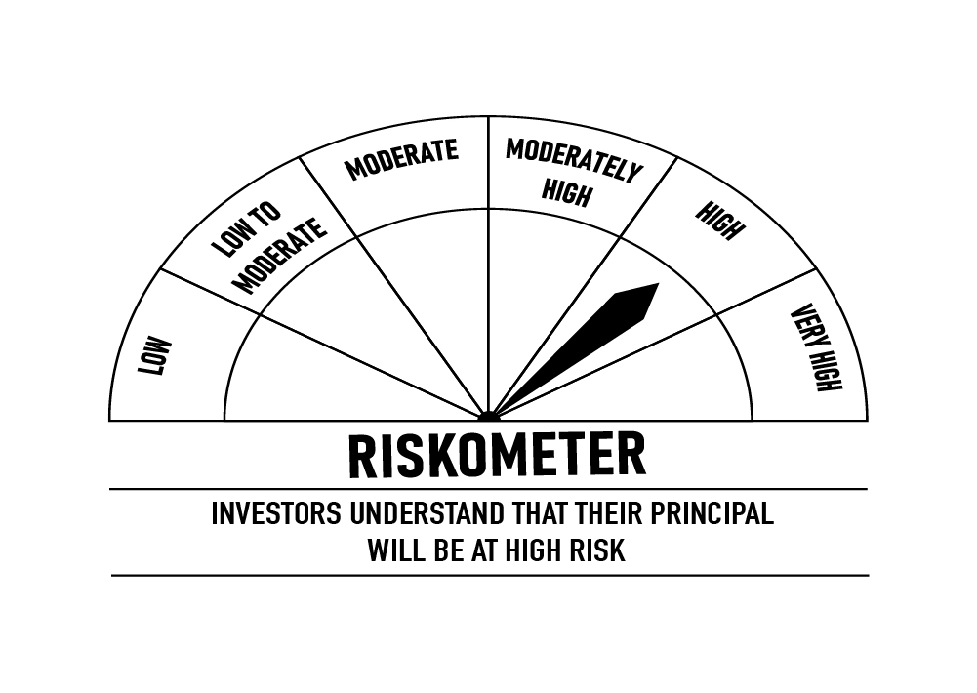
 | DSP Credit Risk Fund
 | Portfolio as on November 15, 2022

Sr. No. | Name of Instrument | ISIN | Rating/Industry | Quantity | Market value (Rs. In lakhs) | % to Net Assets | Maturity Date | Put/Call Option | YTM (%)

 | DEBT INSTRUMENTS
 | BOND & NCD's
 | Listed / awaiting listing on the stock exchanges |  |  |  |  |  |  |  |  | Sector/Rating | Percent
1 | Tata Motors Limited** | INE155A08191 | ICRA AA- | 200 | 2,107.95 | 8.94% | 20-Aug-2024 |  | 7.85 | CRISIL AA | 28.09%
2 | Piramal Capital & Housing Finance Limited** | INE516Y07386 | ICRA AA | 200,000 | 2,051.63 | 8.70% | 23-Sep-2023 |  | 8.40 | SOV | 16.65%
3 | Godrej Industries Limited** | INE233A08048 | CRISIL AA | 200 | 2,029.44 | 8.60% | 14-May-2025 |  | 7.83 | ICRA AA | 15.22%
4 | Nuvoco Vistas Corporation Limited** | INE118D07195 | CRISIL AA | 200 | 2,018.12 | 8.56% | 28-Aug-2025 |  | 8.05 | IND AA | 15.22%
5 | Shriram City Union Finance Limited** | INE722A07BB4 | CRISIL AA | 150 | 1,604.00 | 6.80% | 21-Dec-2022 |  | 7.52 | ICRA AA- | 8.94%
6 | Tata Power Company Limited | INE245A08182 | IND AA | 150 | 1,559.86 | 6.61% | 31-Aug-2023 |  | 7.80 | Cash & Equivalent | 15.88%
7 | Kirloskar Ferrous Industries Ltd** | INE884B08012 | ICRA AA | 150 | 1,537.23 | 6.52% | 10-Mar-2024 |  | 8.35
8 | JSW Steel Limited** | INE019A07431 | IND AA | 150 | 1,512.96 | 6.42% | 12-Oct-2027 | PU - 10-Oct-2025, CA - 10-Oct-2025 | 8.66
9 | Aditya Birla Fashion and Retail Limited** | INE647O08107 | CRISIL AA | 100 | 973.69 | 4.13% | 09-Sep-2024 |  | 8.06
10 | Tata Power Company Limited** | INE295J08063 | IND AA | 50 | 515.74 | 2.19% | 20-Jul-2023 |  | 7.77
 | Total |  |  |  | 15,910.62 | 67.47%

 | Government Securities (Central/State)
11 | 6.79% GOI 2027 | IN0020170026 | SOV | 2,500,000 | 2,464.49 | 10.45% | 15-May-2027 |  | 7.17
12 | 5.22% GOI 2025 | IN0020200112 | SOV | 1,000,000 | 980.80 | 4.16% | 15-Jun-2025 |  | 6.99
13 | 5.63% GOI 2026 | IN0020210012 | SOV | 500,000 | 481.31 | 2.04% | 12-Apr-2026 |  | 7.06
 | Total |  |  |  | 3,926.60 | 16.65%

 | MONEY MARKET INSTRUMENTS
14 | TREPS / Reverse Repo Investments / Corporate Debt Repo |  |  |  | 3,694.23 | 15.66% | 16-Nov-2022
 | Total |  |  |  | 3,694.23 | 15.66%

 | Cash & Cash Equivalent
 | Net Receivables/Payables |  |  |  | 53.27 | 0.22%
 | Total |  |  |  | 53.27 | 0.22%

 | GRAND TOTAL |  |  |  | 23,584.72 | 100.00%
Notes:
1 | ** Non Traded in accordance with SEBI Regulations
2 | Market value includes accrued interest
3 | Net Assets does not include unit activity for the date of the Portfolios.
4 | In case of below securities, DSP Mutual Fund has ignored prices provided by valuation agencies. Disclosure vide circular no. SEBI/HO/IMD/DF4/CIR/P/2019/41 dated March 22, 2019 & SEBI/HO/IMD/DF4/CIR/P/2019/102 dated September 24,2019 for detailed rationale along with other details are available at the below mentioned links
 | Name of the securities | No of Instances | Links
 | Il&Fs Energy Development Company Limited (Maturity Date : 28-Jun-2019) | 309 | https://www.dspim.com/media/pages/mandatory-disclosures/disclosures-for-deviation-in-valuation-price/83b200369f-1621266231/il-amp-fs-energy-devlopment-company-limited.pdf
 | Il&Fs Energy Development Company Limited (Maturity Date : 07-Jun-2019) | 309 | https://www.dspim.com/media/pages/mandatory-disclosures/disclosures-for-deviation-in-valuation-price/83b200369f-1621266231/il-amp-fs-energy-devlopment-company-limited.pdf
5 | Pursuant to SEBI circular SEBI/HO/IMD/DF4/CIR/P/2019/102 dated September 24, 2019 read with circular no. SEBI/HO/IMD/DF4/CIR/P/2019/41 dated March 22, 2019. Below are the details of the securities in case of which issuer has defaulted beyond its maturity date
 | Security Name | ISIN | value of the security considered under net receivables (i.e. value recognized in NAV in absolute terms and as % to NAV) (Rs.in lakhs) |  | total amount (including principal and interest) that is due to the scheme on that investment (Rs.in lakhs)
 | 0% IL&Fs Transportation Networks Limited Ncd Series A 23032019 | INE975G08140 | 0.00 | 0.00% | 23,396.18
 | 0% IL&Fs Energy Development Company Limited Ncd 07062019 | INE938L08049 | 0.00 | 0.00% | 13,861.96
 | 0% IL&FS Energy Development Company Limited Ncd 28062019 | INE938L08056 | 0.00 | 0.00% | 10,645.02

 | Scheme Riskometer

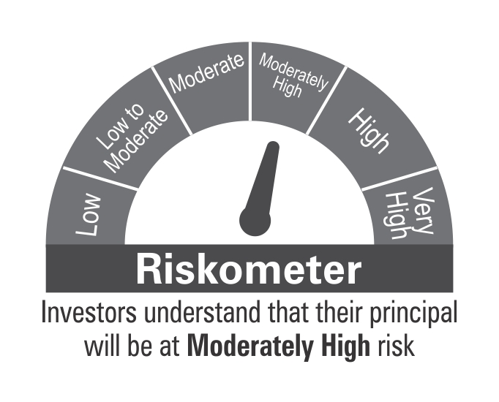

 | Benchmark Riskometer: CRISIL Credit Risk Fund CIII Index

STR
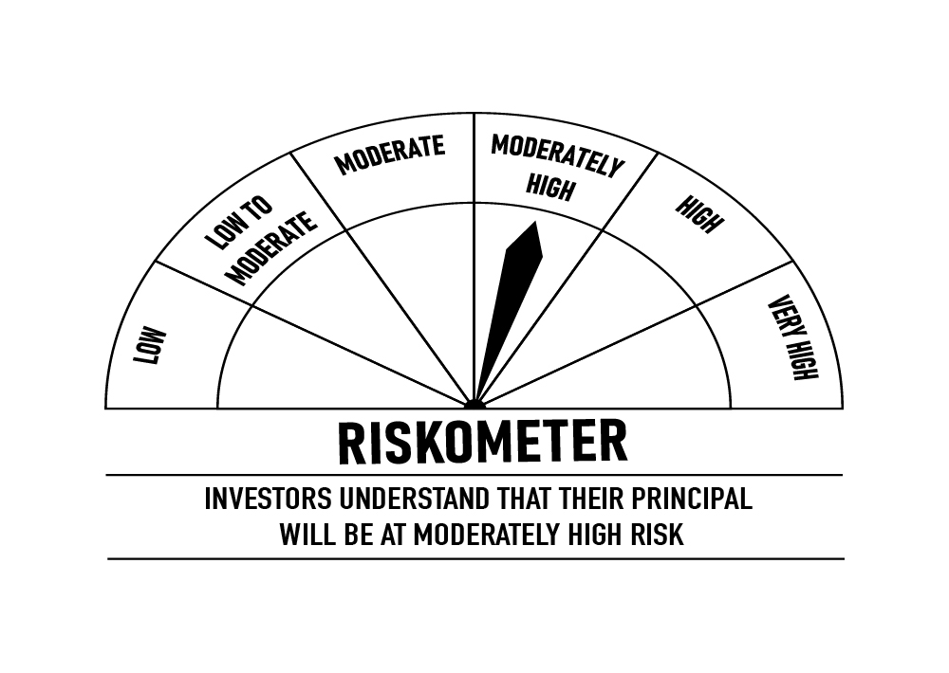
 | DSP Strategic Bond Fund
 | Portfolio as on November 15, 2022

Sr. No. | Name of Instrument | ISIN | Rating/Industry | Quantity | Market value (Rs. In lakhs) | % to Net Assets | Maturity Date | Put/Call Option | YTM (%)

 | DEBT INSTRUMENTS
 | BOND & NCD's
 | Listed / awaiting listing on the stock exchanges |  |  |  |  |  |  |  |  | Sector/Rating | Percent
1 | National Bank for Agriculture and Rural Development** | INE261F08DQ4 | CRISIL AAA | 250 | 2,542.06 | 5.02% | 01-Aug-2025 |  | 7.47 | SOV | 28.24%
 | Total |  |  |  | 2,542.06 | 5.02% |  |  |  | IND A1+ | 18.93%
 |  |  |  |  |  |  |  |  |  | ICRA A1+ | 9.46%
 | Government Securities (Central/State) |  |  |  |  |  |  |  |  | CRISIL A1+ | 8.52%
2 | 7.26% GOI 2032 | IN0020220060 | SOV | 6,500,000 | 6,606.59 | 13.05% | 22-Aug-2032 |  | 7.27 | CRISIL AAA | 5.02%
3 | 5.39% Gujarat SDL 2024 | IN1520200313 | SOV | 2,500,000 | 2,459.14 | 4.86% | 31-Mar-2024 |  | 7.19 | Cash & Equivalent | 29.83%
4 | 5.74% GOI 2026 | IN0020210186 | SOV | 750,000 | 715.17 | 1.41% | 15-Nov-2026 |  | 7.10
5 | 7.38% GOI 2027 | IN0020220037 | SOV | 500,000 | 519.77 | 1.03% | 20-Jun-2027 |  | 7.13
6 | 6.84% GOI 2022 | IN0020160050 | SOV | 500,000 | 514.26 | 1.02% | 19-Dec-2022 |  | 6.12
7 | 6.54% GOI 2032 | IN0020210244 | SOV | 500,000 | 485.18 | 0.96% | 17-Jan-2032 |  | 7.32
8 | 8.32% Karnataka SDL 2029 | IN1920180206 | SOV | 2,100 | 2.21 | * | 13-Mar-2029 |  | 7.58
9 | 8.53% Gujarat SDL 2028 | IN1520180192 | SOV | 800 | 0.87 | * | 20-Nov-2028 |  | 7.47
 | Total |  |  |  | 11,303.19 | 22.33%

 | MONEY MARKET INSTRUMENTS
 | Certificate of Deposit
10 | Bank of Baroda** | INE028A16CV3 | IND A1+ | 1,000 | 4,862.19 | 9.61% | 10-Apr-2023 |  | 7.14
11 | ICICI Bank Limited** | INE090A167X2 | ICRA A1+ | 1,000 | 4,785.48 | 9.46% | 30-Jun-2023 |  | 7.24
12 | State Bank of India** | INE062A16465 | IND A1+ | 1,000 | 4,716.26 | 9.32% | 12-Sep-2023 |  | 7.32
13 | Export-Import Bank of India** | INE514E16CB6 | CRISIL A1+ | 900 | 4,313.23 | 8.52% | 22-Jun-2023 |  | 7.25
 | Total |  |  |  | 18,677.16 | 36.91%

 | Treasury Bill
14 | 364 DAYS T-BILL 2022 | IN002021Z343 | SOV | 1,500,000 | 1,499.77 | 2.96% | 17-Nov-2022 |  | 5.69
15 | 182 DAYS T-BILL 2022 | IN002022Y104 | SOV | 1,500,000 | 1,494.77 | 2.95% | 08-Dec-2022 |  | 5.80
 | Total |  |  |  | 2,994.54 | 5.91%

16 | TREPS / Reverse Repo Investments / Corporate Debt Repo |  |  |  | 19,639.20 | 38.81% | 16-Nov-2022
 | Total |  |  |  | 19,639.20 | 38.81%

 | Cash & Cash Equivalent
 | Cash Margin |  |  |  | 357.72 | 0.71%
 | Net Receivables/Payables |  |  |  | (4,904.04) | -9.69%
 | Total |  |  |  | (4,546.32) | -8.98%

 | GRAND TOTAL |  |  |  | 50,609.83 | 100.00%
Notes:
1 | ** Non Traded in accordance with SEBI Regulations
2 | Market value includes accrued interest
3 | * Less than 0.01%
4 | Net Assets does not include unit activity for the date of the Portfolios.

 | Scheme Riskometer

 | Benchmark Riskometer: CRISIL Dynamic Bond Fund BIII Index

BOND
 | DSP Bond Fund
 | Portfolio as on November 15, 2022

Sr. No. | Name of Instrument | ISIN | Rating/Industry | Quantity | Market value (Rs. In lakhs) | % to Net Assets | Maturity Date | Put/Call Option | YTM (%)

 | DEBT INSTRUMENTS
 | BOND & NCD's
 | Listed / awaiting listing on the stock exchanges |  |  |  |  |  |  |  |  | Sector/Rating | Percent
1 | National Highways Authority of India** | INE906B07HH5 | CRISIL AAA | 250 | 2,547.64 | 7.44% | 13-Sep-2029 |  | 7.59 | SOV | 51.52%
2 | NIIF Infrastructure Finance Limited** | INE246R07384 | ICRA AAA | 150 | 1,533.31 | 4.48% | 07-Nov-2024 |  | 8.00 | CRISIL AAA | 22.24%
3 | NTPC Limited** | INE733E07KL3 | CRISIL AAA | 150 | 1,521.29 | 4.45% | 17-Jul-2029 |  | 7.51 | CRISIL A1+ | 14.30%
4 | Power Finance Corporation Limited | INE134E08LP1 | CRISIL AAA | 150 | 1,507.01 | 4.40% | 15-Jul-2026 |  | 7.50 | ICRA AAA | 4.48%
5 | Power Grid Corporation of India Limited** | INE752E07NU8 | CRISIL AAA | 100 | 1,072.47 | 3.13% | 25-Apr-2028 |  | 7.50 | CRISIL AA+ | 3.04%
6 | Sundaram Home Finance Limited** | INE667F07HS1 | CRISIL AA+ | 100 | 1,039.34 | 3.04% | 11-May-2023 |  | 7.61 | Cash & Equivalent | 4.42%
7 | Jamnagar Utilities & Power Private Limited** | INE936D07174 | CRISIL AAA | 100 | 965.06 | 2.82% | 29-Sep-2026 |  | 7.73
 | Total |  |  |  | 10,186.12 | 29.76%

 | Government Securities (Central/State)
8 | 7.38% GOI 2027 | IN0020220037 | SOV | 10,000,000 | 10,395.45 | 30.38% | 20-Jun-2027 |  | 7.13
9 | 5.74% GOI 2026 | IN0020210186 | SOV | 5,500,000 | 5,244.58 | 15.33% | 15-Nov-2026 |  | 7.10
10 | 7.26% GOI 2032 | IN0020220060 | SOV | 1,000,000 | 1,016.40 | 2.97% | 22-Aug-2032 |  | 7.27
11 | 5.63% GOI 2026 | IN0020210012 | SOV | 500,000 | 481.31 | 1.41% | 12-Apr-2026 |  | 7.06
 | Total |  |  |  | 17,137.74 | 50.09%

 | MONEY MARKET INSTRUMENTS
 | Certificate of Deposit
12 | Small Industries Development Bank of India** | INE556F16945 | CRISIL A1+ | 500 | 2,449.80 | 7.16% | 03-Mar-2023 |  | 6.99
13 | Kotak Mahindra Bank Limited** | INE237A169N3 | CRISIL A1+ | 500 | 2,444.91 | 7.14% | 14-Mar-2023 |  | 6.97
 | Total |  |  |  | 4,894.71 | 14.30%

 | Treasury Bill
14 | 364 DAYS T-BILL 2023 | IN002021Z525 | SOV | 500,000 | 489.49 | 1.43% | 16-Mar-2023 |  | 6.53
 | Total |  |  |  | 489.49 | 1.43%

15 | TREPS / Reverse Repo Investments / Corporate Debt Repo |  |  |  | 2,489.83 | 7.28% | 16-Nov-2022
 | Total |  |  |  | 2,489.83 | 7.28%

 | Cash & Cash Equivalent
 | Net Receivables/Payables |  |  |  | (977.90) | -2.86%
 | Total |  |  |  | (977.90) | -2.86%

 | GRAND TOTAL |  |  |  | 34,219.99 | 100.00%
Notes:
1 | ** Non Traded in accordance with SEBI Regulations
2 | Market value includes accrued interest
3 | Net Assets does not include unit activity for the date of the Portfolios.
4 | Pursuant to SEBI circular SEBI/HO/IMD/DF4/CIR/P/2019/102 dated September 24, 2019 read with circular no. SEBI/HO/IMD/DF4/CIR/P/2019/41 dated March 22, 2019. Below are the details of the securities in case of which issuer has defaulted beyond its maturity date.
 | Security Name | ISIN | value of the security considered under net receivables (i.e. value recognized in NAV in absolute terms and as % to NAV) (Rs.in lakhs) |  | total amount (including principal and interest) that is due to the scheme on that investment (Rs.in lakhs)
 | 0% Il&Fs Transportation Networks Limited NCD Series A 23032019 | INE975G08140 | 0.00 | 0.00% | 1,325.56

 | Scheme Riskometer



 | Benchmark Riskometer: CRISIL Medium Duration Fund BIII Index

