LIQUID

 | DSP Liquidity Fund
 | Portfolio as on January 31, 2022

Sr. No. | Name of Instrument | ISIN | Rating/Industry | Quantity | Market value (Rs. In lakhs) | % to Net Assets | Maturity Date | Put/Call Option | YTM (%)

 | DEBT INSTRUMENTS
 | BOND & NCD's
 | Listed / awaiting listing on the stock exchanges |  |  |  |  |  |  |  |  | Sector/Rating | Percent
1 | Housing Development Finance Corporation Limited | INE001A07SV5 | CRISIL AAA | 250 | 2,601.15 | 0.30% | 18-Feb-2022 |  | 3.80 | CRISIL A1+ | 28.78%
 | Total |  |  |  | 2,601.15 | 0.30% |  |  |  | SOV | 7.76%
 |  |  |  |  |  |  |  |  |  | IND A1+ | 2.62%
 | MONEY MARKET INSTRUMENTS |  |  |  |  |  |  |  |  | CRISIL AAA | 0.30%
 | Certificate of Deposit |  |  |  |  |  |  |  |  | Cash & Equivalent | 60.54%
2 | HDFC Bank Limited** | INE040A16CN5 | IND A1+ | 1,500 | 7,482.24 | 0.88% | 25-Feb-2022 |  | 3.61
3 | National Bank for Agriculture and Rural Development | INE261F16595 | CRISIL A1+ | 2,500 | 2,495.87 | 0.29% | 18-Feb-2022 |  | 3.55
 | Total |  |  |  | 9,978.11 | 1.17%

 | Commercial Papers
 | Listed / awaiting listing on the stock exchanges
4 | Housing Development Finance Corporation Limited** | INE001A14YF2 | CRISIL A1+ | 6,000 | 29,752.20 | 3.48% | 18-Apr-2022 |  | 4.00
5 | Tata Capital Housing Finance Limited** | INE033L14LQ6 | CRISIL A1+ | 4,000 | 19,949.96 | 2.33% | 25-Feb-2022 |  | 3.81
6 | Kotak Securities Ltd** | INE028E14JK8 | CRISIL A1+ | 4,000 | 19,902.36 | 2.33% | 17-Mar-2022 |  | 4.07
7 | HDFC Securities Limited** | INE700G14AU5 | CRISIL A1+ | 4,000 | 19,818.54 | 2.32% | 20-Apr-2022 |  | 4.28
8 | Birla Group Holdings Private Limited** | INE09OL14938 | CRISIL A1+ | 3,000 | 14,951.90 | 1.75% | 28-Feb-2022 |  | 4.35
9 | Reliance Jio Infocomm Limited** | INE110L14QN8 | CRISIL A1+ | 3,000 | 14,876.72 | 1.74% | 18-Apr-2022 |  | 3.98
10 | Bajaj Financial Securities Limited** | INE01C314197 | CRISIL A1+ | 3,000 | 14,845.20 | 1.74% | 29-Apr-2022 |  | 4.38
11 | Reliance Jio Infocomm Limited | INE110L14QD9 | CRISIL A1+ | 2,000 | 9,997.04 | 1.17% | 04-Feb-2022 |  | 3.60
12 | Hindustan Petroleum Corporation Limited | INE094A14HW7 | CRISIL A1+ | 2,000 | 9,993.31 | 1.17% | 08-Feb-2022 |  | 3.49
13 | Reliance Retail Ventures Limited** | INE929O14446 | CRISIL A1+ | 2,000 | 9,986.16 | 1.17% | 15-Feb-2022 |  | 3.61
14 | Reliance Retail Ventures Limited** | INE929O14461 | CRISIL A1+ | 2,000 | 9,975.57 | 1.17% | 25-Feb-2022 |  | 3.73
15 | Reliance Retail Ventures Limited** | INE929O14495 | CRISIL A1+ | 2,000 | 9,948.21 | 1.16% | 23-Mar-2022 |  | 3.80
16 | Julius Baer Capital (India) Private Limited** | INE824H14GI3 | CRISIL A1+ | 2,000 | 9,942.66 | 1.16% | 23-Mar-2022 |  | 4.21
17 | Small Industries Development Bank of India** | INE556F14HZ7 | CRISIL A1+ | 2,000 | 9,941.86 | 1.16% | 30-Mar-2022 |  | 3.75
18 | Julius Baer Capital (India) Private Limited** | INE824H14GN3 | CRISIL A1+ | 2,000 | 9,920.85 | 1.16% | 06-Apr-2022 |  | 4.55
19 | Chennai Petroleum Corporation Limited** | INE178A14HH9 | CRISIL A1+ | 2,000 | 9,918.02 | 1.16% | 18-Apr-2022 |  | 3.97
20 | Julius Baer Capital (India) Private Limited** | INE824H14GJ1 | CRISIL A1+ | 1,500 | 7,458.70 | 0.87% | 21-Mar-2022 |  | 4.21
21 | Julius Baer Capital (India) Private Limited** | INE824H14GM5 | CRISIL A1+ | 1,500 | 7,436.04 | 0.87% | 11-Apr-2022 |  | 4.55
22 | CEAT Limited** | INE482A14AT5 | IND A1+ | 1,000 | 4,995.35 | 0.58% | 10-Feb-2022 |  | 3.78
23 | CEAT Limited** | INE482A14AW9 | IND A1+ | 1,000 | 4,979.60 | 0.58% | 11-Mar-2022 |  | 3.93
24 | ICICI Securities Limited** | INE763G14JZ3 | CRISIL A1+ | 1,000 | 4,979.01 | 0.58% | 11-Mar-2022 |  | 4.05
25 | CEAT Limited** | INE482A14AX7 | IND A1+ | 1,000 | 4,956.26 | 0.58% | 20-Apr-2022 |  | 4.13
 | Total |  |  |  | 258,525.52 | 30.23%

 | Treasury Bill
26 | 91 DAY T-BILL 03032022 | IN002021X389 | SOV | 38,500,000 | 38,387.39 | 4.49% | 03-Mar-2022 |  | 3.57
27 | 91 DAY T-BILL 24022022 | IN002021X371 | SOV | 22,500,000 | 22,450.48 | 2.63% | 24-Feb-2022 |  | 3.50
28 | 91 DAY T-BILL 10032022 | IN002021X397 | SOV | 5,500,000 | 5,480.22 | 0.64% | 10-Mar-2022 |  | 3.56
 | Total |  |  |  | 66,318.09 | 7.76%

29 | TREPS / Reverse Repo Investments / Corporate Debt Repo# |  |  |  | 512,158.19 | 59.91% | 01-Feb-2022
 | Total |  |  |  | 512,158.19 | 59.91%

 | Cash & Cash Equivalent
 | Net Receivables/Payables |  |  |  | 5,271.89 | 0.63%
 | Total |  |  |  | 5,271.89 | 0.63%

 | GRAND TOTAL |  |  |  | 854,852.95 | 100.00%
Notes:
1 | ** Non Traded in accordance with SEBI Regulations
2 | Market value includes accrued interest
3 | Net Assets does not include unit activity for the date of the Portfolios.
4 | As on January 31, 2022, the aggregate investments by the schemes of DSP Mutual Fund in DSP Liquidity Fund is Rs 1947.95 lakhs.
5 | # TREPS / Reverse Repo Investments / Corporate Debt Repo includes Repo with residual maturity greater than 30 days.

 | Scheme Riskometer



 | Benchmark Riskometer
 | Crisil Liquid Fund Index

CREDITRISK
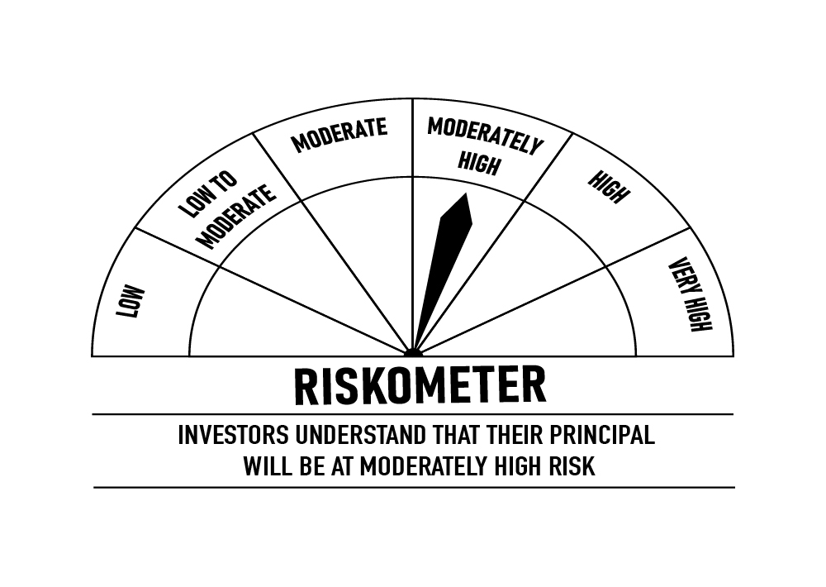
 | DSP Credit Risk Fund
 | Portfolio as on January 31, 2022

Sr. No. | Name of Instrument | ISIN | Rating/Industry | Quantity | Market value (Rs. In lakhs) | % to Net Assets | Maturity Date | Put/Call Option | YTM (%)

 | DEBT INSTRUMENTS
 | BOND & NCD's
 | Listed / awaiting listing on the stock exchanges |  |  |  |  |  |  |  |  | Sector/Rating | Percent
1 | Tata Motors Limited** | INE155A08191 | ICRA AA- | 200 | 2,256.38 | 8.71% | 20-Aug-2024 |  | 6.12 | ICRA AA | 16.43%
2 | Tata Realty And Infrastructure Limited** | INE371K08177 | ICRA AA | 200 | 2,130.76 | 8.23% | 23-Sep-2022 |  | 4.99 | CRISIL AA | 14.13%
3 | Godrej Properties Limited** | INE484J08022 | ICRA AA | 200 | 2,123.31 | 8.20% | 31-Jul-2023 |  | 5.76 | SOV | 10.03%
4 | Godrej Industries Limited** | INE233A08048 | CRISIL AA | 200 | 2,121.22 | 8.19% | 14-May-2025 |  | 6.53 | ICRA AA- | 8.71%
5 | Bharti Hexacom Limited** | INE343G08026 | CRISIL AA+ | 200 | 2,044.72 | 7.90% | 30-Apr-2024 |  | 6.08 | CRISIL AA+ | 7.90%
6 | Manappuram Finance Limited** | INE522D07BG1 | CARE AA | 150 | 1,636.14 | 6.32% | 14-Feb-2022 |  | 4.48 | CARE AA | 6.32%
7 | Aditya Birla Fashion and Retail Limited** | INE647O08107 | CRISIL AA | 100 | 1,011.43 | 3.91% | 09-Sep-2024 |  | 6.28 | Cash & Equivalent | 36.48%
8 | Manappuram Finance Limited** | INE522D07BC0 | CRISIL AA | 50 | 525.61 | 2.03% | 07-Nov-2022 |  | 5.76
 | Total |  |  |  | 13,849.57 | 53.49%

 | Government Securities (Central/State)
9 | 6.79% GOI 15052027 | IN0020170026 | SOV | 2,500,000 | 2,597.42 | 10.03% | 15-May-2027 |  | 6.23
 | Total |  |  |  | 2,597.42 | 10.03%

 | MONEY MARKET INSTRUMENTS
10 | TREPS / Reverse Repo Investments / Corporate Debt Repo |  |  |  | 6,499.30 | 25.10% | 01-Feb-2022
 | Total |  |  |  | 6,499.30 | 25.10%

 | Cash & Cash Equivalent
 | Net Receivables/Payables |  |  |  | 2,947.68 | 11.38%
 | Total |  |  |  | 2,947.68 | 11.38%

 | GRAND TOTAL |  |  |  | 25,893.97 | 100.00%
Notes:
1 | ** Non Traded in accordance with SEBI Regulations
2 | Market value includes accrued interest
3 | Net Assets does not include unit activity for the date of the Portfolios.
4 | In case of below securities, DSP Mutual Fund has ignored prices provided by valuation agencies. Disclosure vide circular no. SEBI/HO/IMD/DF4/CIR/P/2019/41 dated March 22, 2019 & SEBI/HO/IMD/DF4/CIR/P/2019/102 dated September 24,2019 for detailed rationale along with other details are available at the below mentioned links
 | Name of the securities | No of Instances | Links
 | 0% Sintex Bapl Limited NCD Series B 31122021 | 309 | https://www.dspim.com/media/pages/mandatory-disclosures/disclosures-for-deviation-in-valuation-price/9560565842-1616167083/sintex-bapl-limited.pdf
 | 0% Sintex Bapl Limited NCD Series C 31122022 | 309 | https://www.dspim.com/media/pages/mandatory-disclosures/disclosures-for-deviation-in-valuation-price/9560565842-1616167083/sintex-bapl-limited.pdf
 | 0% Sintex Bapl Limited NCD Series A 31122020 | 309 | https://www.dspim.com/media/pages/mandatory-disclosures/disclosures-for-deviation-in-valuation-price/9560565842-1616167083/sintex-bapl-limited.pdf
 | Il&Fs Energy Development Company Limited (Maturity Date : 28-Jun-2019) | 309 | https://www.dspim.com/media/pages/mandatory-disclosures/disclosures-for-deviation-in-valuation-price/52517897e3-1616167083/il-amp-fs-energy-devlopment-company-limited.pdf
 | Il&Fs Energy Development Company Limited (Maturity Date : 07-Jun-2019) | 309 | https://www.dspim.com/media/pages/mandatory-disclosures/disclosures-for-deviation-in-valuation-price/52517897e3-1616167083/il-amp-fs-energy-devlopment-company-limited.pdf
5 | Pursuant to SEBI circular SEBI/HO/IMD/DF4/CIR/P/2019/102 dated September 24, 2019 read with circular no. SEBI/HO/IMD/DF4/CIR/P/2019/41 dated March 22, 2019. Below are the details of the securities in case of which issuer has defaulted beyond its maturity date
 | Security Name | ISIN | value of the security considered under net receivables (i.e. value recognized in NAV in absolute terms and as % to NAV) (Rs.in lakhs) |  | total amount (including principal and interest) that is due to the scheme on that investment (Rs.in lakhs)
 | 0% IL&Fs Transportation Networks Limited Ncd Series A 23032019 | INE975G08140 | 0.00 | 0.00% | 23,396.18
 | 0% IL&Fs Energy Development Company Limited Ncd 07062019 | INE938L08049 | 0.00 | 0.00% | 13,861.96
 | 0% IL&FS Energy Development Company Limited Ncd 28062019 | INE938L08056 | 0.00 | 0.00% | 10,645.02
 | 0% SINTEX BAPL LTD S- A 31DEC20 ZCB | INE631U07027 | 965.55 | 3.73% | 4,357.70
 | 0% SINTEX BAPL LTD S- B 31DEC21 ZCB | INE631U07035 | 965.55 | 3.73% | 4,760.79
 | 0% SINTEX BAPL LTD S- C 31DEC22 ZCB## | INE631U07043 | 965.55 | 3.73% | 5,201.16
 | ## Deemed matured on account of acceleration triggered by DSP Trustee Private Limited in the light of rights availed under Debenture Trust Deed

 | Scheme Riskometer

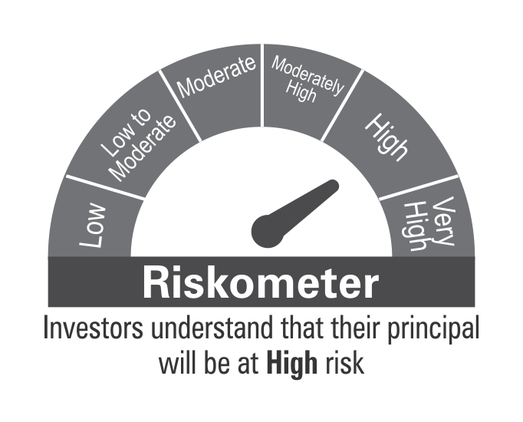

 | Benchmark Riskometer
 | CRISIL Short Term Credit Risk Index

STR
 | DSP Strategic Bond Fund
 | Portfolio as on January 31, 2022

Sr. No. | Name of Instrument | ISIN | Rating/Industry | Quantity | Market value (Rs. In lakhs) | % to Net Assets | Maturity Date | Put/Call Option | YTM (%)

 | DEBT INSTRUMENTS
 | Government Securities (Central/State)
1 | 5.63% GOI 12042026 | IN0020210012 | SOV | 12,500,000 | 12,590.87 | 18.10% | 12-Apr-2026 |  | 5.89 | Sector/Rating | Percent
2 | 5.74% GOI 15112026 | IN0020210186 | SOV | 7,500,000 | 7,501.25 | 10.78% | 15-Nov-2026 |  | 6.03 | SOV | 69.44%
3 | 7.59% GOI 11012026 | IN0020150093 | SOV | 5,000,000 | 5,314.30 | 7.64% | 11-Jan-2026 |  | 5.90 | Cash & Equivalent | 30.56%
4 | 7.17% GOI 08012028 | IN0020170174 | SOV | 5,000,000 | 5,212.89 | 7.49% | 08-Jan-2028 |  | 6.39
5 | 7.26% GOI 14012029 | IN0020180454 | SOV | 5,000,000 | 5,210.44 | 7.49% | 14-Jan-2029 |  | 6.56
6 | 6.79% GOI 15052027 | IN0020170026 | SOV | 5,000,000 | 5,194.83 | 7.47% | 15-May-2027 |  | 6.23
7 | 6.10% GOI 12072031 | IN0020210095 | SOV | 5,000,000 | 4,810.64 | 6.91% | 12-Jul-2031 |  | 6.69
8 | 6.54% GOI 17012032 | IN0020210244 | SOV | 2,500,000 | 2,478.38 | 3.56% | 17-Jan-2032 |  | 6.70
9 | 8.32% Karnataka SDL 13032029 | IN1920180206 | SOV | 2,100 | 2.33 | * | 13-Mar-2029 |  | 6.91
10 | 8.53% Gujarat SDL 20112028 | IN1520180192 | SOV | 800 | 0.88 | * | 20-Nov-2028 |  | 6.86
 | Total |  |  |  | 48,316.81 | 69.44%

 | MONEY MARKET INSTRUMENTS
11 | TREPS / Reverse Repo Investments / Corporate Debt Repo |  |  |  | 27,896.64 | 40.10% | 01-Feb-2022
 | Total |  |  |  | 27,896.64 | 40.10%

 | Cash & Cash Equivalent
 | Cash Margin |  |  |  | 357.72 | 0.51%
 | Net Receivables/Payables |  |  |  | (6,995.09) | -10.05%
 | Total |  |  |  | (6,637.37) | -9.54%

 | GRAND TOTAL |  |  |  | 69,576.08 | 100.00%
Notes:
1 | Market value includes accrued interest
2 | * Less than 0.01%
3 | Net Assets does not include unit activity for the date of the Portfolios.

 | Scheme Riskometer



 | Benchmark Riskometer
 | Crisil Composite Bond Fund Index

REGULARSAVINGS
 | DSP Regular Savings Fund
 | Portfolio as on January 31, 2022

Sr. No. | Name of Instrument | ISIN | Rating/Industry | Quantity | Market value (Rs. In lakhs) | % to Net Assets | Maturity Date | Put/Call Option | YTM (%)

 | EQUITY & EQUITY RELATED
 | Listed / awaiting listing on the stock exchanges
1 | HCL Technologies Limited | INE860A01027 | Software | 52,613 | 578.43 | 2.63% |  |  |  | Sector/Rating | Percent
2 | ICICI Bank Limited | INE090A01021 | Banks | 59,775 | 471.51 | 2.14% |  |  |  | CRISIL AAA | 54.83%
3 | HDFC Bank Limited | INE040A01034 | Banks | 29,519 | 438.56 | 1.99% |  |  |  | SOV | 14.23%
4 | Sharda Cropchem Limited | INE221J01015 | Pesticides | 74,483 | 434.12 | 1.97% |  |  |  | Banks | 5.58%
5 | Axis Bank Limited | INE238A01034 | Banks | 41,281 | 319.12 | 1.45% |  |  |  | Software | 2.63%
6 | ITC Limited | INE154A01025 | Consumer Non Durables | 138,032 | 303.95 | 1.38% |  |  |  | IND AAA | 2.45%
7 | Aptus Value Housing Finance India Limited | INE852O01025 | Finance | 84,000 | 303.66 | 1.38% |  |  |  | Finance | 2.36%
8 | SBI Life Insurance Company Limited | INE123W01016 | Insurance | 24,429 | 301.27 | 1.37% |  |  |  | Insurance | 2.27%
9 | IPCA Laboratories Limited | INE571A01038 | Pharmaceuticals | 23,356 | 241.65 | 1.10% |  |  |  | Power | 2.17%
10 | Hero MotoCorp Limited | INE158A01026 | Auto | 8,447 | 230.12 | 1.04% |  |  |  | Pharmaceuticals | 2.00%
11 | Manappuram Finance Limited | INE522D01027 | Finance | 137,155 | 216.29 | 0.98% |  |  |  | Pesticides | 1.97%
12 | ICICI Lombard General Insurance Company Limited | INE765G01017 | Insurance | 14,520 | 198.79 | 0.90% |  |  |  | Consumer Non Durables | 1.38%
13 | Cipla Limited | INE059A01026 | Pharmaceuticals | 20,991 | 198.36 | 0.90% |  |  |  | Consumer Durables | 1.14%
14 | Coromandel International Limited | INE169A01031 | Fertilisers | 19,369 | 152.91 | 0.69% |  |  |  | Auto | 1.04%
15 | UltraTech Cement Limited | INE481G01011 | Cement & Cement Products | 2,094 | 151.11 | 0.69% |  |  |  | Fertilisers | 0.69%
16 | Crompton Greaves Consumer Electricals Limited | INE299U01018 | Consumer Durables | 34,239 | 145.33 | 0.66% |  |  |  | Cement & Cement Products | 0.69%
17 | Forbes & Company Ltd | INE518A01013 | Consumer Durables | 1,726 | 104.76 | 0.48% |  |  |  | Cash & Equivalent | 4.57%
 | Total |  |  |  | 4,789.94 | 21.75%

 | Units issued by REITs & InvITs
 | Listed / awaiting listing on the stock exchanges
18 | Powergrid Infrastructure Investment Trust | INE0GGX23010 | Power | 370,160 | 477.69 | 2.17%
 | Total |  |  |  | 477.69 | 2.17%

 | DEBT INSTRUMENTS
 | BOND & NCD's
 | Listed / awaiting listing on the stock exchanges
19 | Indian Railway Finance Corporation Limited** | INE053F07BB3 | CRISIL AAA | 150 | 1,624.91 | 7.37% | 28-Feb-2024 |  | 5.19
20 | National Bank for Agriculture and Rural Development** | INE261F08BO3 | CRISIL AAA | 150 | 1,560.93 | 7.08% | 19-Sep-2022 |  | 4.45
21 | Power Finance Corporation Limited** | INE134E08KD9 | CRISIL AAA | 100 | 1,106.48 | 5.02% | 04-Jun-2024 |  | 5.60
22 | Power Grid Corporation of India Limited** | INE752E07NK9 | CRISIL AAA | 100 | 1,090.88 | 4.95% | 23-Dec-2025 |  | 5.90
23 | REC Limited** | INE020B08CK8 | CRISIL AAA | 100 | 1,090.08 | 4.95% | 20-Mar-2025 |  | 5.93
24 | Export-Import Bank of India** | INE514E08FG5 | CRISIL AAA | 100 | 1,087.15 | 4.93% | 01-Sep-2026 |  | 6.19
25 | Indian Oil Corporation Limited** | INE242A08452 | CRISIL AAA | 100 | 1,077.82 | 4.89% | 06-Mar-2025 |  | 5.67
26 | Power Finance Corporation Limited** | INE134E08LF2 | CRISIL AAA | 250 | 787.32 | 3.57% | 30-Jun-2025 |  | 5.93
27 | Hindustan Petroleum Corporation Limited** | INE094A08036 | CRISIL AAA | 70 | 746.09 | 3.39% | 14-Aug-2024 |  | 5.54
28 | Export-Import Bank of India** | INE514E08EK0 | CRISIL AAA | 50 | 572.70 | 2.60% | 03-Feb-2025 |  | 5.71
29 | Housing Development Finance Corporation Limited** | INE001A07SG6 | CRISIL AAA | 50 | 552.89 | 2.51% | 10-Feb-2025 |  | 6.08
30 | GAIL (India) Limited** | INE129A07214 | IND AAA | 50 | 540.21 | 2.45% | 23-Feb-2024 | CA - 23-Feb-2022 | 3.98
31 | Export-Import Bank of India** | INE514E08FT8 | CRISIL AAA | 50 | 539.02 | 2.45% | 18-Feb-2025 |  | 5.71
32 | NTPC Limited** | INE733E07JP6 | CRISIL AAA | 1,736,927 | 245.75 | 1.12% | 25-Mar-2025 |  | 5.70
 | Total |  |  |  | 12,622.23 | 57.28%

 | Government Securities (Central/State)
33 | 7.32% GOI 28012024 | IN0020180488 | SOV | 1,500,000 | 1,565.87 | 7.11% | 28-Jan-2024 |  | 5.01
34 | 6.18% GOI 04112024 | IN0020190396 | SOV | 1,000,000 | 1,037.19 | 4.71% | 04-Nov-2024 |  | 5.30
35 | 7.59% GOI 11012026 | IN0020150093 | SOV | 500,000 | 531.43 | 2.41% | 11-Jan-2026 |  | 5.90
 | Total |  |  |  | 3,134.49 | 14.23%

 | MONEY MARKET INSTRUMENTS
36 | TREPS / Reverse Repo Investments / Corporate Debt Repo |  |  |  | 956.00 | 4.34% | 01-Feb-2022
 | Total |  |  |  | 956.00 | 4.34%

 | Cash & Cash Equivalent
 | Cash Margin |  |  |  | 50.00 | 0.23%
 | Net Receivables/Payables |  |  |  | 2.94 | *
 | Total |  |  |  | 52.94 | 0.23%

 | GRAND TOTAL |  |  |  | 22,033.29 | 100.00%
Notes:
1 | ** Non Traded in accordance with SEBI Regulations
2 | Market value includes accrued interest
3 | * Less than 0.01%
4 | Net Assets does not include unit activity for the date of the Portfolios.
5 | Pursuant to SEBI circular SEBI/HO/IMD/DF4/CIR/P/2019/102 dated September 24, 2019 read with circular no. SEBI/HO/IMD/DF4/CIR/P/2019/41 dated March 22, 2019. Below are the details of the securities in case of which issuer has defaulted beyond its maturity date.
 | Security Name | ISIN | value of the security considered under net receivables (i.e. value recognized in NAV in absolute terms and as % to NAV) (Rs.in lakhs) |  | total amount (including principal and interest) that is due to the scheme on that investment (Rs.in lakhs)
 | 0% IL&FS Transportation Networks Limited Ncd Series A 23032019 | INE975G08140 | 0.00 | 0.00% | 1,855.79

 | Scheme Riskometer

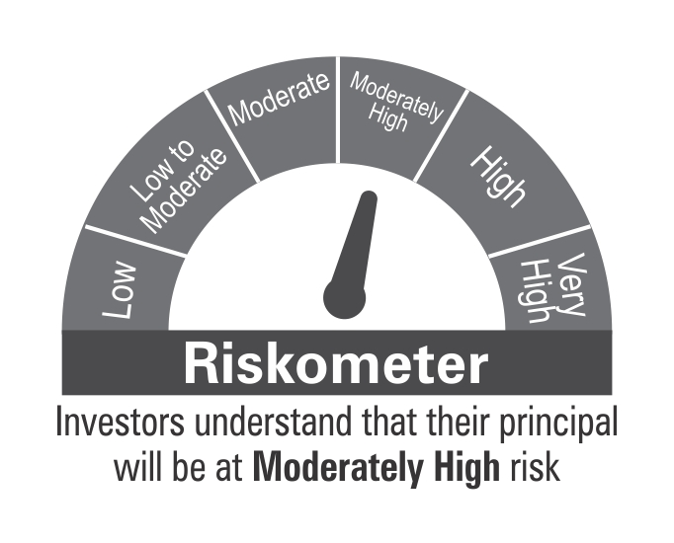

 | Benchmark Riskometer
 | CRISIL Hybrid 85+15 - Conservative Index

10YGF
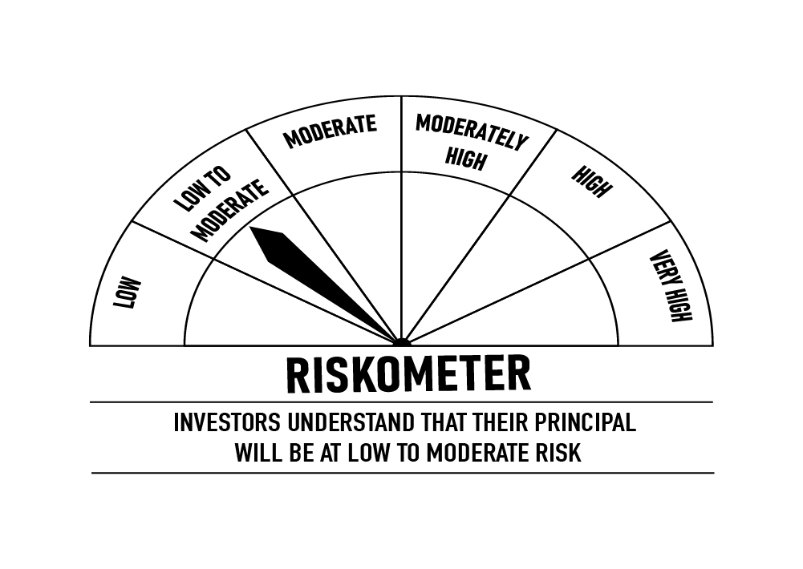
 | DSP 10Y G-Sec Fund
 | Portfolio as on January 31, 2022

Sr. No. | Name of Instrument | ISIN | Rating/Industry | Quantity | Market value (Rs. In lakhs) | % to Net Assets | Maturity Date | Put/Call Option | YTM (%)

 | DEBT INSTRUMENTS
 | Government Securities (Central/State)
1 | 6.10% GOI 12072031 | IN0020210095 | SOV | 5,929,000 | 5,704.45 | 95.89% | 12-Jul-2031 |  | 6.69 | Sector/Rating | Percent
 | Total |  |  |  | 5,704.45 | 95.89% |  |  |  | SOV | 95.89%
 |  |  |  |  |  |  |  |  |  | Cash & Equivalent | 4.11%
 | MONEY MARKET INSTRUMENTS
2 | TREPS / Reverse Repo Investments / Corporate Debt Repo |  |  |  | 235.65 | 3.96% | 01-Feb-2022
 | Total |  |  |  | 235.65 | 3.96%

 | Cash & Cash Equivalent
 | Net Receivables/Payables |  |  |  | 9.02 | 0.15%
 | Total |  |  |  | 9.02 | 0.15%

 | GRAND TOTAL |  |  |  | 5,949.12 | 100.00%
Notes:
1 | Market value includes accrued interest
2 | Net Assets does not include unit activity for the date of the Portfolios.

 | Scheme Riskometer

 | Benchmark Riskometer
 | CRISIL 10 Year Gilt Index

OVERNIGHT
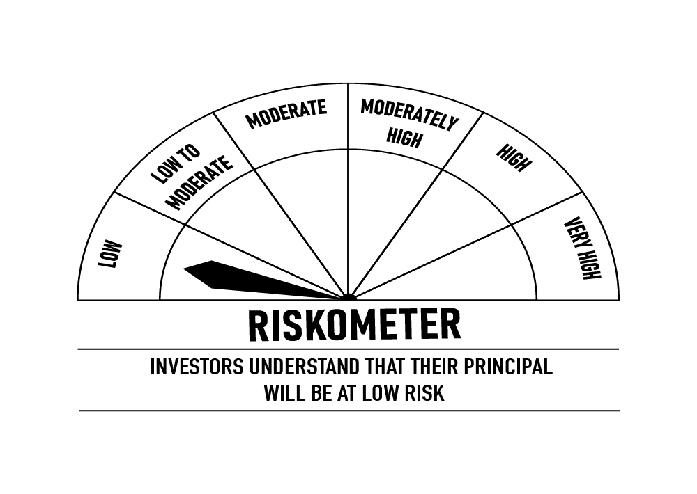
 | DSP Overnight Fund
 | Portfolio as on January 31, 2022

Sr. No. | Name of Instrument | ISIN | Rating/Industry | Quantity | Market value (Rs. In lakhs) | % to Net Assets | Maturity Date | Put/Call Option | YTM (%)

 | MONEY MARKET INSTRUMENTS
 | Treasury Bill
1 | 364 DAY T-BILL 10022022 | IN002020Z451 | SOV | 2,000,000 | 1,998.36 | 0.56% | 10-Feb-2022 |  | 3.33 | Sector/Rating | Percent
 | Total |  |  |  | 1,998.36 | 0.56% |  |  |  | SOV | 0.56%
 |  |  |  |  |  |  |  |  |  | Cash & Equivalent | 99.44%
2 | TREPS / Reverse Repo Investments / Corporate Debt Repo |  |  |  | 356,130.12 | 99.47% | 01-Feb-2022
 | Total |  |  |  | 356,130.12 | 99.47%

 | Cash & Cash Equivalent
 | Net Receivables/Payables |  |  |  | (88.59) | -0.03%
 | Total |  |  |  | (88.59) | -0.03%

 | GRAND TOTAL |  |  |  | 358,039.89 | 100.00%
Notes:
1 | Market value includes accrued interest
2 | Net Assets does not include unit activity for the date of the Portfolios.
3 | As per the investment policy of DSP Overnight Fund , the Fund does not invest in Corporate Debt Repo

 | Scheme Riskometer

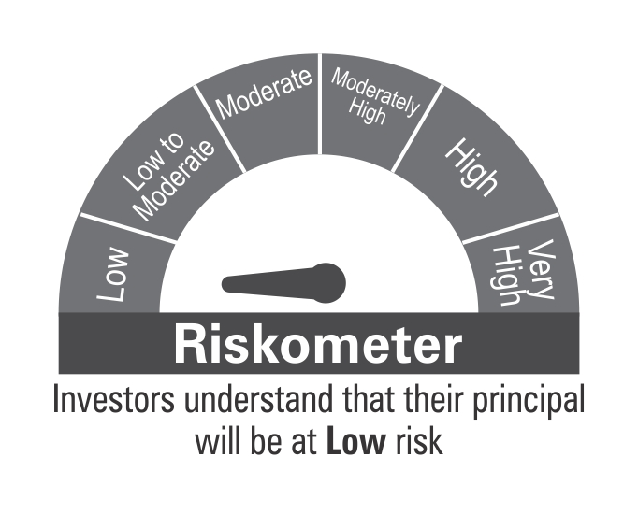

 | Benchmark Riskometer
 | CRISIL Overnight Index

