LIQUID
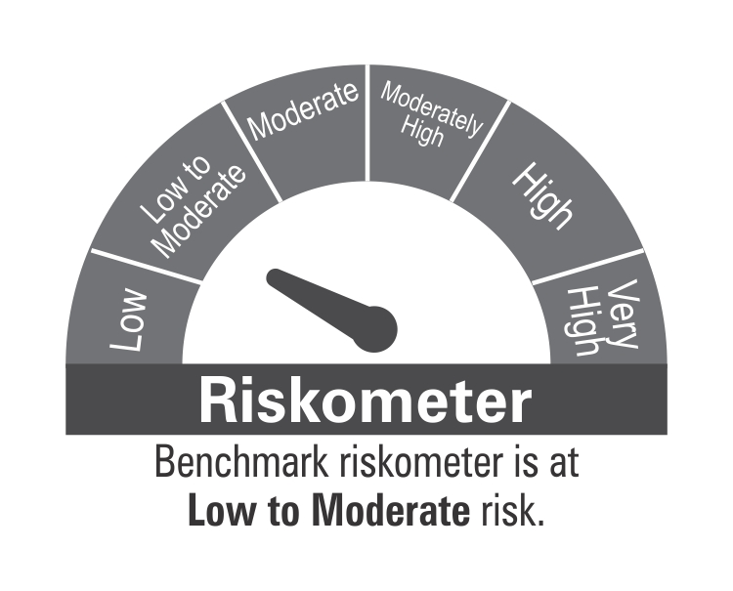
 | DSP Liquidity Fund
 | Portfolio as on September 30, 2021

Sr. No. | Name of Instrument | ISIN | Rating/Industry | Quantity | Market value (Rs. In lakhs) | % to Net Assets | Maturity Date | Put/Call Option | YTM (%)

 | DEBT INSTRUMENTS
 | BOND & NCD's
 | Listed / awaiting listing on the stock exchanges |  |  |  |  |  |  |  |  | Sector/Rating | Percent
1 | Housing Development Finance Corporation Limited** | INE001A07SC5 | CRISIL AAA | 2,200 | 23,413.08 | 2.99% | 25-Nov-2021 |  | 3.54 | CRISIL A1+ | 37.91%
2 | Housing Development Finance Corporation Limited | INE001A07SN2 | CRISIL AAA | 1,000 | 10,549.17 | 1.35% | 10-Dec-2021 |  | 3.60 | SOV | 16.57%
3 | LIC Housing Finance Limited** | INE115A07KK3 | CRISIL AAA | 250 | 2,511.15 | 0.32% | 19-Oct-2021 |  | 3.52 | CRISIL AAA | 4.80%
4 | Power Grid Corporation of India Limited** | INE752E07OD2 | CRISIL AAA | 100 | 1,063.62 | 0.14% | 21-Dec-2021 |  | 3.55 | ICRA A1+ | 3.50%
 | Total |  |  |  | 37,537.02 | 4.80% |  |  |  | CARE A1+ | 1.27%
 |  |  |  |  |  |  |  |  |  | IND A1+ | 1.26%
 | MONEY MARKET INSTRUMENTS |  |  |  |  |  |  |  |  | Cash & Equivalent | 34.69%
 | Commercial Papers
 | Listed / awaiting listing on the stock exchanges
5 | Reliance Retail Ventures Limited** | INE929O14339 | CRISIL A1+ | 4,000 | 19,936.84 | 2.55% | 03-Nov-2021 |  | 3.50
6 | Reliance Jio Infocomm Limited** | INE110L14PQ3 | CRISIL A1+ | 4,000 | 19,923.48 | 2.54% | 10-Nov-2021 |  | 3.51
7 | Reliance Retail Ventures Limited** | INE929O14370 | CRISIL A1+ | 4,000 | 19,885.42 | 2.54% | 30-Nov-2021 |  | 3.51
8 | Reliance Retail Ventures Limited** | INE929O14362 | CRISIL A1+ | 4,000 | 19,882.54 | 2.54% | 01-Dec-2021 |  | 3.53
9 | Reliance Jio Infocomm Limited** | INE110L14PT7 | CRISIL A1+ | 4,000 | 19,873.16 | 2.54% | 06-Dec-2021 |  | 3.53
10 | Reliance Industries Limited** | INE002A14JD6 | CRISIL A1+ | 4,000 | 19,871.42 | 2.54% | 07-Dec-2021 |  | 3.52
11 | ICICI Home Finance Company Limited** | INE071G14DO8 | ICRA A1+ | 3,000 | 14,930.20 | 1.91% | 18-Nov-2021 |  | 3.55
12 | Kotak Securities Ltd** | INE028E14IW5 | CRISIL A1+ | 3,000 | 14,887.80 | 1.90% | 10-Dec-2021 |  | 3.93
13 | HDFC Securities Limited** | INE700G14868 | CRISIL A1+ | 3,000 | 14,880.60 | 1.90% | 14-Dec-2021 |  | 3.96
14 | Chennai Petroleum Corporation Limited** | INE178A14GZ3 | CRISIL A1+ | 2,900 | 14,391.92 | 1.84% | 17-Dec-2021 |  | 3.56
15 | Chennai Petroleum Corporation Limited** | INE178A14GX8 | CRISIL A1+ | 2,500 | 12,442.08 | 1.59% | 18-Nov-2021 |  | 3.54
16 | Shree Cement Limited** | INE070A14521 | CARE A1+ | 2,000 | 9,949.58 | 1.27% | 23-Nov-2021 |  | 3.49
17 | Chennai Petroleum Corporation Limited** | INE178A14GY6 | CRISIL A1+ | 2,000 | 9,939.10 | 1.27% | 03-Dec-2021 |  | 3.55
18 | Dalmia Cement (Bharat) Limited** | INE755K14DW1 | CRISIL A1+ | 2,000 | 9,918.24 | 1.27% | 21-Dec-2021 |  | 3.71
19 | Bajaj Financial Securities Limited** | INE01C314148 | CRISIL A1+ | 2,000 | 9,914.39 | 1.27% | 20-Dec-2021 |  | 3.94
20 | Muthoot Finance Limited** | INE414G14SC3 | CRISIL A1+ | 2,000 | 9,913.00 | 1.27% | 21-Dec-2021 |  | 3.96
21 | HDFC Securities Limited** | INE700G14892 | CRISIL A1+ | 2,000 | 9,912.95 | 1.27% | 21-Dec-2021 |  | 3.96
22 | Julius Baer Capital (India) Private Limited** | INE824H14FP0 | CRISIL A1+ | 2,000 | 9,906.98 | 1.27% | 24-Dec-2021 |  | 4.08
23 | HDFC Securities Limited** | INE700G14900 | CRISIL A1+ | 2,000 | 9,906.55 | 1.27% | 27-Dec-2021 |  | 3.96
24 | TV18 Broadcast Limited** | INE886H14GJ0 | ICRA A1+ | 1,500 | 7,487.80 | 0.96% | 18-Oct-2021 |  | 3.50
25 | Godrej Industries Limited** | INE233A14SU2 | CRISIL A1+ | 1,500 | 7,450.94 | 0.95% | 08-Dec-2021 |  | 3.53
26 | Kotak Mahindra Investments Limited** | INE975F14WB9 | CRISIL A1+ | 1,300 | 6,495.41 | 0.83% | 08-Oct-2021 |  | 3.69
27 | Godrej Industries Limited** | INE233A14SP2 | CRISIL A1+ | 1,300 | 6,475.09 | 0.83% | 10-Nov-2021 |  | 3.51
28 | Godrej Industries Limited** | INE233A14SW8 | CRISIL A1+ | 1,200 | 5,953.87 | 0.76% | 20-Dec-2021 |  | 3.54
29 | KEC International Limited** | INE389H14GR8 | CRISIL A1+ | 1,000 | 4,990.60 | 0.64% | 18-Oct-2021 |  | 4.04
30 | Aditya Birla Fashion and Retail Limited** | INE647O14EN9 | CRISIL A1+ | 1,000 | 4,984.44 | 0.64% | 02-Nov-2021 |  | 3.56
31 | CEAT Limited** | INE482A14AO6 | IND A1+ | 1,000 | 4,965.15 | 0.63% | 10-Dec-2021 |  | 3.66
32 | ICICI Securities Limited** | INE763G14KH9 | CRISIL A1+ | 1,000 | 4,959.04 | 0.63% | 17-Dec-2021 |  | 3.92
33 | Axis Securities Limited** | INE110O14377 | ICRA A1+ | 1,000 | 4,958.44 | 0.63% | 17-Dec-2021 |  | 3.97
34 | CEAT Limited** | INE482A14AP3 | IND A1+ | 1,000 | 4,958.24 | 0.63% | 24-Dec-2021 |  | 3.66
35 | Julius Baer Capital (India) Private Limited** | INE824H14FO3 | CRISIL A1+ | 1,000 | 4,955.14 | 0.63% | 21-Dec-2021 |  | 4.08
36 | Julius Baer Capital (India) Private Limited** | INE824H14FQ8 | CRISIL A1+ | 1,000 | 4,951.30 | 0.63% | 28-Dec-2021 |  | 4.08
 | Total |  |  |  | 343,851.71 | 43.94%

 | Treasury Bill
37 | 91 DAY T-BILL 23122021 | IN002021X280 | SOV | 60,000,000 | 59,535.30 | 7.60% | 23-Dec-2021 |  | 3.43
38 | 182 DAY T-BILL 04112021 | IN002021Y056 | SOV | 38,000,000 | 37,883.83 | 4.84% | 04-Nov-2021 |  | 3.29
39 | 182 DAY T-BILL 16122021 | IN002021Y114 | SOV | 20,000,000 | 19,858.28 | 2.54% | 16-Dec-2021 |  | 3.43
40 | 182 DAY T-BILL 25112021 | IN002021Y080 | SOV | 12,500,000 | 12,436.58 | 1.59% | 25-Nov-2021 |  | 3.38
 | Total |  |  |  | 129,713.99 | 16.57%

41 | TREPS / Reverse Repo Investments / Corporate Debt Repo# |  |  |  | 250,757.65 | 32.03% | 25-Oct-2021
 | Total |  |  |  | 250,757.65 | 32.03%

 | Cash & Cash Equivalent
 | Net Receivables/Payables |  |  |  | 21,011.32 | 2.66%
 | Total |  |  |  | 21,011.32 | 2.66%

 | GRAND TOTAL |  |  |  | 782,871.69 | 100.00%
Notes:
1 | ** Non Traded in accordance with SEBI Regulations
2 | Market value includes accrued interest
3 | Net Assets does not include unit activity for the date of the Portfolios.
4 | As on Sept 30, 2021, the aggregate investments by the schemes of DSP Mutual Fund in DSP Liquidity Fund is Rs 2,054 lakhs.
5 | # TREPS / Reverse Repo Investments / Corporate Debt Repo includes Repo with residual maturity greater than 30 days.

6 | Scheme Riskometer



 | Benchmark Riskometer

ULTRA
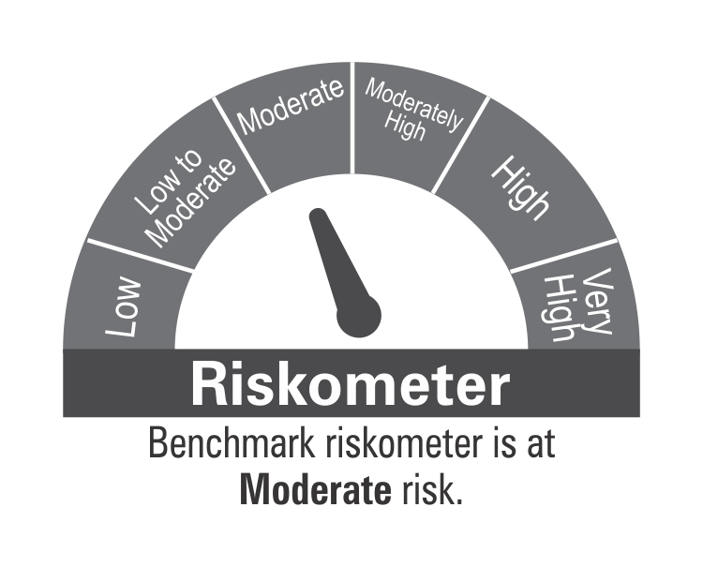
 | DSP Ultra Short Fund
 | Portfolio as on September 30, 2021

Sr. No. | Name of Instrument | ISIN | Rating/Industry | Quantity | Market value (Rs. In lakhs) | % to Net Assets | Maturity Date | Put/Call Option | YTM (%)

 | DEBT INSTRUMENTS
 | BOND & NCD's
 | Listed / awaiting listing on the stock exchanges |  |  |  |  |  |  |  |  | Sector/Rating | Percent
1 | National Highways Authority of India** | INE906B07FE6 | CRISIL AAA | 1,650 | 17,541.44 | 5.44% | 23-Dec-2021 |  | 3.55 | CRISIL A1+ | 44.43%
2 | LIC Housing Finance Limited** | INE115A07MJ1 | CRISIL AAA | 1,000 | 10,319.12 | 3.20% | 30-Aug-2022 |  | 4.46 | CRISIL AAA | 19.47%
3 | REC Limited | INE020B08AK2 | CRISIL AAA | 750 | 7,706.85 | 2.39% | 07-Sep-2022 |  | 4.45 | SOV | 18.67%
4 | Cholamandalam Investment and Finance Company Limited** | INE121A07PK0 | ICRA AA+ | 600 | 6,222.50 | 1.93% | 17-Jun-2022 |  | 4.74 | ICRA A1+ | 7.53%
5 | REC Limited** | INE020B08CE1 | CRISIL AAA | 600 | 6,217.10 | 1.93% | 30-Jun-2022 |  | 4.25 | ICRA AA+ | 2.75%
6 | Reliance Industries Limited | INE002A08575 | CRISIL AAA | 500 | 5,327.37 | 1.65% | 08-Mar-2022 |  | 3.80 | IND AAA | 0.83%
7 | National Bank for Agriculture and Rural Development** | INE261F08BJ3 | CRISIL AAA | 500 | 5,252.26 | 1.63% | 23-May-2022 |  | 4.17 | Cash & Equivalent | 6.32%
8 | LIC Housing Finance Limited** | INE115A07MG7 | CRISIL AAA | 500 | 5,183.13 | 1.61% | 15-Jul-2022 |  | 4.46
9 | Mahindra & Mahindra Financial Services Limited** | INE774D07QG6 | IND AAA | 250 | 2,669.23 | 0.83% | 30-Nov-2021 |  | 4.05
10 | Sundaram Home Finance Limited** | INE667F07HQ5 | ICRA AA+ | 250 | 2,653.79 | 0.82% | 03-Feb-2022 |  | 4.40
11 | Housing Development Finance Corporation Limited** | INE001A07QT3 | CRISIL AAA | 25 | 2,607.88 | 0.81% | 20-Jun-2022 |  | 4.16
12 | Housing Development Finance Corporation Limited** | INE001A07SM4 | CRISIL AAA | 250 | 2,606.67 | 0.81% | 19-May-2022 |  | 4.16
 | Total |  |  |  | 74,307.34 | 23.05%

 | Government Securities (Central/State)
13 | 8.20% GOI 15022022 | IN0020060037 | SOV | 21,000,000 | 21,568.63 | 6.69% | 15-Feb-2022 |  | 3.61
 | Total |  |  |  | 21,568.63 | 6.69%

 | MONEY MARKET INSTRUMENTS
 | Certificate of Deposit
14 | Export-Import Bank of India** | INE514E16BV6 | CRISIL A1+ | 25,000 | 24,825.60 | 7.70% | 14-Dec-2021 |  | 3.47
15 | Axis Bank Limited** | INE238A167U1 | CRISIL A1+ | 10,000 | 9,949.51 | 3.09% | 24-Nov-2021 |  | 3.43
16 | Axis Bank Limited** | INE238A165W1 | CRISIL A1+ | 2,000 | 9,869.19 | 3.06% | 10-Feb-2022 |  | 3.67
17 | IDFC First Bank Limited** | INE092T16QQ9 | CRISIL A1+ | 10,000 | 9,831.48 | 3.05% | 14-Mar-2022 |  | 3.82
18 | Small Industries Development Bank of India | INE556F16861 | CRISIL A1+ | 10,000 | 9,823.84 | 3.05% | 25-Mar-2022 |  | 3.74
19 | Axis Bank Limited** | INE238A167W7 | CRISIL A1+ | 2,000 | 9,780.47 | 3.03% | 28-Apr-2022 |  | 3.92
20 | IDFC First Bank Limited** | INE092T16PQ1 | CRISIL A1+ | 5,000 | 4,969.81 | 1.54% | 03-Dec-2021 |  | 3.52
 | Total |  |  |  | 79,049.90 | 24.52%

 | Commercial Papers
 | Listed / awaiting listing on the stock exchanges
21 | ICICI Securities Limited** | INE763G14KK3 | CRISIL A1+ | 3,000 | 14,710.82 | 4.56% | 25-Mar-2022 |  | 4.10
22 | Bharti Hexacom Limited** | INE343G14305 | CRISIL A1+ | 2,300 | 11,468.94 | 3.56% | 29-Oct-2021 |  | 3.53
23 | Cholamandalam Investment and Finance Company Limited | INE121A14TM4 | CRISIL A1+ | 2,000 | 9,866.50 | 3.06% | 28-Jan-2022 |  | 4.15
24 | Tata Capital Housing Finance Limited** | INE033L14LP8 | CRISIL A1+ | 2,000 | 9,706.86 | 3.01% | 28-Jun-2022 |  | 4.08
25 | Bahadur Chand Investments Private Limited** | INE087M14AE9 | ICRA A1+ | 2,000 | 9,503.35 | 2.95% | 16-Sep-2022 |  | 5.45
26 | Sharekhan BNP Paribas Financial Services Limited** | INE550X14540 | ICRA A1+ | 1,000 | 4,971.56 | 1.54% | 22-Nov-2021 |  | 4.02
27 | Sharekhan BNP Paribas Financial Services Limited** | INE550X14557 | ICRA A1+ | 1,000 | 4,967.76 | 1.54% | 29-Nov-2021 |  | 4.01
28 | Export-Import Bank of India | INE514E14PY5 | CRISIL A1+ | 1,000 | 4,913.03 | 1.52% | 24-Mar-2022 |  | 3.71
29 | Hero Fincorp Limited** | INE957N14EX3 | CRISIL A1+ | 1,000 | 4,846.52 | 1.50% | 16-Jun-2022 |  | 4.48
30 | Axis Securities Limited** | INE110O14302 | ICRA A1+ | 1,000 | 4,834.07 | 1.50% | 24-Jun-2022 |  | 4.71
31 | Housing Development Finance Corporation Limited** | INE001A14XU3 | CRISIL A1+ | 1,000 | 4,826.52 | 1.50% | 12-Aug-2022 |  | 4.17
32 | Infina Finance Private Limited** | INE879F14EE5 | CRISIL A1+ | 800 | 3,869.06 | 1.20% | 28-Jun-2022 |  | 4.58
 | Total |  |  |  | 88,484.99 | 27.44%

 | Treasury Bill
33 | 182 DAY T-BILL 02122021 | IN002021Y098 | SOV | 10,000,000 | 9,942.58 | 3.08% | 02-Dec-2021 |  | 3.40
34 | 182 DAY T-BILL 16122021 | IN002021Y114 | SOV | 10,000,000 | 9,929.14 | 3.08% | 16-Dec-2021 |  | 3.43
35 | 182 DAY T-BILL 23122021 | IN002021Y122 | SOV | 10,000,000 | 9,922.55 | 3.08% | 23-Dec-2021 |  | 3.43
36 | 364 DAY T-BILL 30032022 | IN002020Z527 | SOV | 5,000,000 | 4,914.45 | 1.52% | 30-Mar-2022 |  | 3.53
37 | 182 DAY T-BILL 09122021 | IN002021Y106 | SOV | 3,948,800 | 3,923.58 | 1.22% | 09-Dec-2021 |  | 3.40
 | Total |  |  |  | 38,632.30 | 11.98%

38 | TREPS / Reverse Repo Investments / Corporate Debt Repo |  |  |  | 15,916.62 | 4.94% | 01-Oct-2021
 | Total |  |  |  | 15,916.62 | 4.94%

 | Cash & Cash Equivalent
 | Net Receivables/Payables |  |  |  | 4,415.19 | 1.38%
 | Total |  |  |  | 4,415.19 | 1.38%

 | GRAND TOTAL |  |  |  | 322,374.97 | 100.00%
Notes:
1 | ** Non Traded in accordance with SEBI Regulations
2 | Market value includes accrued interest
3 | Net Assets does not include unit activity for the date of the Portfolios.
4 | Pursuant to SEBI circular SEBI/HO/IMD/DF4/CIR/P/2019/102 dated September 24, 2019 read with circular no. SEBI/HO/IMD/DF4/CIR/P/2019/41 dated March 22, 2019. Below are the details of the securities in case of which issuer has defaulted beyond its maturity date.
 | Security Name | ISIN | value of the security considered under net receivables (i.e. value recognized in NAV in absolute terms and as % to NAV) (Rs.in lakhs) |  | total amount (including principal and interest) that is due to the scheme on that investment (Rs.in lakhs)
 | 0% IL&FS Transportation Networks Limited NCD Series A 23032019 | INE975G08140 | 0.00 | 0.00% | 6,627.81

5 | Scheme Riskometer

 | Benchmark Riskometer

CREDITRISK
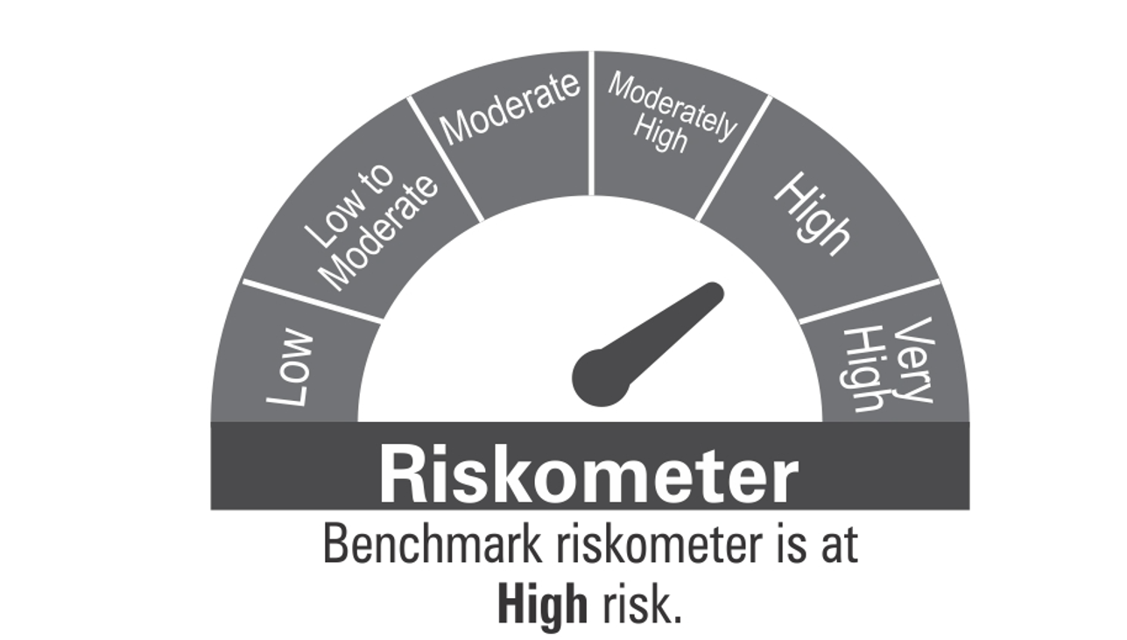
 | DSP Credit Risk Fund
 | Portfolio as on September 30, 2021

Sr. No. | Name of Instrument | ISIN | Rating/Industry | Quantity | Market value (Rs. In lakhs) | % to Net Assets | Maturity Date | Put/Call Option | YTM (%)

 | DEBT INSTRUMENTS
 | BOND & NCD's
 | Listed / awaiting listing on the stock exchanges |  |  |  |  |  |  |  |  | Sector/Rating | Percent
1 | Tata Motors Limited** | INE155A08191 | ICRA AA- | 200 | 2,227.92 | 8.89% | 20-Aug-2024 |  | 5.83 | CRISIL AA+ | 15.41%
2 | Godrej Industries Limited** | INE233A08048 | CRISIL AA | 200 | 2,101.71 | 8.39% | 14-May-2025 |  | 6.13 | CRISIL AA | 12.38%
3 | Tata Realty And Infrastructure Limited** | INE371K08177 | ICRA AA | 200 | 2,101.17 | 8.39% | 23-Sep-2022 |  | 4.72 | SOV | 10.63%
4 | Bharti Hexacom Limited** | INE343G08026 | CRISIL AA+ | 200 | 2,017.98 | 8.05% | 30-Apr-2024 |  | 5.79 | ICRA AA- | 8.89%
5 | Manappuram Finance Limited** | INE522D07BG1 | CARE AA | 150 | 1,609.25 | 6.42% | 14-Feb-2022 |  | 4.92 | ICRA AA | 8.39%
6 | Telesonic Networks Limited** | INE308O08015 | CRISIL AA+ | 130 | 1,316.32 | 5.25% | 28-Apr-2023 |  | 5.10 | CARE AA | 6.42%
7 | Aditya Birla Fashion and Retail Limited** | INE647O08107 | CRISIL AA | 100 | 998.56 | 3.99% | 09-Sep-2024 |  | 5.98 | Cash & Equivalent | 37.88%
8 | Hindalco Industries Limited** | INE038A07274 | CRISIL AA+ | 50 | 527.80 | 2.11% | 02-Aug-2022 |  | 4.58
 | Total |  |  |  | 12,900.71 | 51.49%

 | Government Securities (Central/State)
9 | 6.79% GOI 15052027 | IN0020170026 | SOV | 2,500,000 | 2,664.19 | 10.63% | 15-May-2027 |  | 5.94
 | Total |  |  |  | 2,664.19 | 10.63%

 | MONEY MARKET INSTRUMENTS
10 | TREPS / Reverse Repo Investments / Corporate Debt Repo |  |  |  | 6,529.20 | 26.06% | 01-Oct-2021
 | Total |  |  |  | 6,529.20 | 26.06%

 | Cash & Cash Equivalent
 | Net Receivables/Payables |  |  |  | 2,959.27 | 11.82%
 | Total |  |  |  | 2,959.27 | 11.82%

 | GRAND TOTAL |  |  |  | 25,053.37 | 100.00%
Notes:
1 | ** Non Traded in accordance with SEBI Regulations
2 | Market value includes accrued interest
3 | Net Assets does not include unit activity for the date of the Portfolios.
4 | In case of below securities, DSP Mutual Fund has ignored prices provided by valuation agencies. Disclosure vide circular no. SEBI/HO/IMD/DF4/CIR/P/2019/41 dated March 22, 2019 & SEBI/HO/IMD/DF4/CIR/P/2019/102 dated September 24,2019 for detailed rationale along with other details are available at the below mentioned links
 | Name of the securities | No of Instances | Links
 | 0% Sintex Bapl Limited NCD Series B 31122021 | 309 | https://www.dspim.com/media/pages/mandatory-disclosures/disclosures-for-deviation-in-valuation-price/9560565842-1616167083/sintex-bapl-limited.pdf
 | 0% Sintex Bapl Limited NCD Series C 31122022 | 309 | https://www.dspim.com/media/pages/mandatory-disclosures/disclosures-for-deviation-in-valuation-price/9560565842-1616167083/sintex-bapl-limited.pdf
 | 0% Sintex Bapl Limited NCD Series A 31122020 | 309 | https://www.dspim.com/media/pages/mandatory-disclosures/disclosures-for-deviation-in-valuation-price/9560565842-1616167083/sintex-bapl-limited.pdf
 | Il&Fs Energy Development Company Limited (Maturity Date : 28-Jun-2019) | 309 | https://www.dspim.com/media/pages/mandatory-disclosures/disclosures-for-deviation-in-valuation-price/52517897e3-1616167083/il-amp-fs-energy-devlopment-company-limited.pdf
 | Il&Fs Energy Development Company Limited (Maturity Date : 07-Jun-2019) | 309 | https://www.dspim.com/media/pages/mandatory-disclosures/disclosures-for-deviation-in-valuation-price/52517897e3-1616167083/il-amp-fs-energy-devlopment-company-limited.pdf
5 | Pursuant to SEBI circular SEBI/HO/IMD/DF4/CIR/P/2019/102 dated September 24, 2019 read with circular no. SEBI/HO/IMD/DF4/CIR/P/2019/41 dated March 22, 2019. Below are the details of the securities in case of which issuer has defaulted beyond its maturity date
 | Security Name | ISIN | value of the security considered under net receivables (i.e. value recognized in NAV in absolute terms and as % to NAV) (Rs.in lakhs) |  | total amount (including principal and interest) that is due to the scheme on that investment (Rs.in lakhs)
 | 0% IL&Fs Transportation Networks Limited Ncd Series A 23032019 | INE975G08140 | 0.00 | 0.00% | 23,396.18
 | 0% IL&Fs Energy Development Company Limited Ncd 07062019 | INE938L08049 | 0.00 | 0.00% | 13,861.96
 | 0% IL&FS Energy Development Company Limited Ncd 28062019 | INE938L08056 | 0.00 | 0.00% | 10,645.02
 | 0% SINTEX BAPL LTD S- A 31DEC20 ZCB | INE631U07027 | 965.55 | 3.85% | 4,357.70
 | 0% SINTEX BAPL LTD S- B 31DEC21 ZCB## | INE631U07035 | 965.55 | 3.85% | 4,760.79
 | 0% SINTEX BAPL LTD S- C 31DEC22 ZCB## | INE631U07043 | 965.55 | 3.85% | 5,201.16
 | ## Deemed matured on account of acceleration triggered by DSP Trustee Private Limited in the light of rights availed under Debenture Trust Deed

6 | Scheme Riskometer

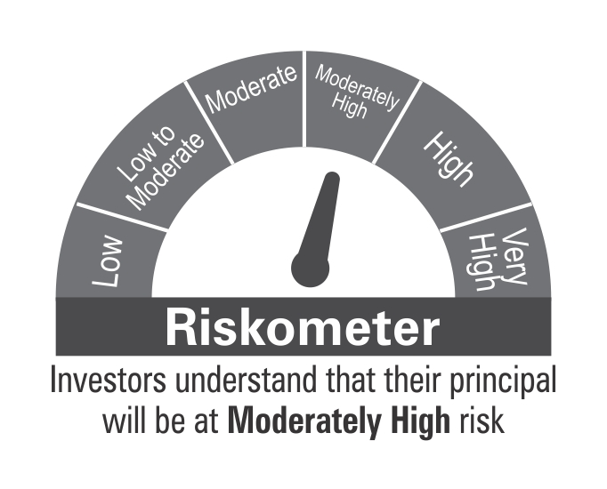

 | Benchmark Riskometer

STR
 | DSP Strategic Bond Fund
 | Portfolio as on September 30, 2021

Sr. No. | Name of Instrument | ISIN | Rating/Industry | Quantity | Market value (Rs. In lakhs) | % to Net Assets | Maturity Date | Put/Call Option | YTM (%)

 | DEBT INSTRUMENTS
 | BOND & NCD's
 | Listed / awaiting listing on the stock exchanges |  |  |  |  |  |  |  |  | Sector/Rating | Percent
1 | Indian Railway Finance Corporation Limited** | INE053F08114 | CRISIL AAA | 500 | 5,080.38 | 7.12% | 30-Jul-2036 |  | 6.99 | SOV | 53.99%
2 | REC Limited | INE020B08DF6 | CRISIL AAA | 250 | 2,632.74 | 3.69% | 20-Dec-2025 |  | 5.86 | CRISIL AAA | 12.96%
3 | Food Corporation Of India | INE861G08084 | CRISIL AAA(CE) | 250 | 2,551.03 | 3.57% | 13-Aug-2031 |  | 6.93 | CRISIL AAA(CE) | 3.57%
4 | Housing Development Finance Corporation Limited** | INE001A07SR3 | CRISIL AAA | 150 | 1,535.22 | 2.15% | 29-Sep-2025 |  | 5.77 | Cash & Equivalent | 29.48%
 | Total |  |  |  | 11,799.37 | 16.53%

 | Government Securities (Central/State)
5 | 7.17% GOI 08012028 | IN0020170174 | SOV | 7,500,000 | 8,052.82 | 11.28% | 08-Jan-2028 |  | 6.06
6 | 5.63% GOI 12042026 | IN0020210012 | SOV | 7,500,000 | 7,688.10 | 10.77% | 12-Apr-2026 |  | 5.66
7 | 7.26% GOI 14012029 | IN0020180454 | SOV | 6,500,000 | 6,998.52 | 9.80% | 14-Jan-2029 |  | 6.20
8 | 7.59% GOI 11012026 | IN0020150093 | SOV | 5,000,000 | 5,454.22 | 7.64% | 11-Jan-2026 |  | 5.62
9 | 6.79% GOI 15052027 | IN0020170026 | SOV | 5,000,000 | 5,328.39 | 7.46% | 15-May-2027 |  | 5.94
10 | 6.10% GOI 12072031 | IN0020210095 | SOV | 5,000,000 | 5,023.97 | 7.04% | 12-Jul-2031 |  | 6.22
11 | 8.32% Karnataka SDL 13032029 | IN1920180206 | SOV | 2,100 | 2.32 | * | 13-Mar-2029 |  | 6.59
12 | 8.53% Gujarat SDL 20112028 | IN1520180192 | SOV | 800 | 0.92 | * | 20-Nov-2028 |  | 6.50
 | Total |  |  |  | 38,549.26 | 53.99%

 | MONEY MARKET INSTRUMENTS
13 | TREPS / Reverse Repo Investments / Corporate Debt Repo |  |  |  | 20,667.91 | 28.95% | 01-Oct-2021
 | Total |  |  |  | 20,667.91 | 28.95%

 | Cash & Cash Equivalent
 | Cash Margin |  |  |  | 350.00 | 0.49%
 | Net Receivables/Payables |  |  |  | 17.87 | 0.04%
 | Total |  |  |  | 367.87 | 0.53%

 | GRAND TOTAL |  |  |  | 71,384.41 | 100.00%
Notes:
1 | ** Non Traded in accordance with SEBI Regulations
2 | Market value includes accrued interest
3 | * Less than 0.01%
4 | Net Assets does not include unit activity for the date of the Portfolios.

5 | Scheme Riskometer



 | Benchmark Riskometer

REGULARSAVINGS
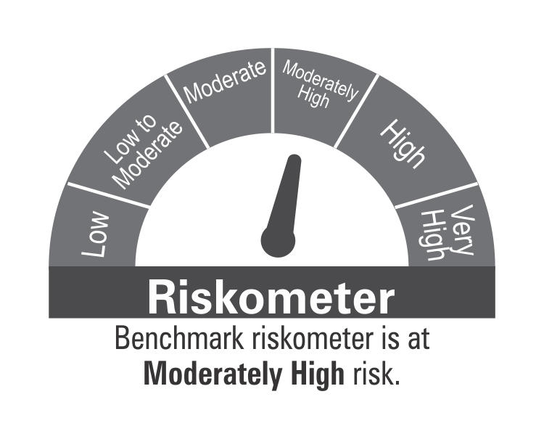
 | DSP Regular Savings Fund
 | Portfolio as on September 30, 2021

Sr. No. | Name of Instrument | ISIN | Rating/Industry | Quantity | Market value (Rs. In lakhs) | % to Net Assets | Maturity Date | Put/Call Option | YTM (%)

 | EQUITY & EQUITY RELATED
 | Listed / awaiting listing on the stock exchanges
1 | HCL Technologies Limited | INE860A01027 | Software | 52,613 | 673.21 | 2.90% |  |  |  | Sector/Rating | Percent
2 | HDFC Bank Limited | INE040A01034 | Banks | 29,519 | 470.81 | 2.03% |  |  |  | CRISIL AAA | 54.20%
3 | Tata Consultancy Services Limited | INE467B01029 | Software | 8,910 | 336.40 | 1.45% |  |  |  | SOV | 13.84%
4 | ITC Limited | INE154A01025 | Consumer Non Durables | 138,032 | 325.96 | 1.40% |  |  |  | Software | 4.35%
5 | Max Financial Services Limited | INE180A01020 | Insurance | 30,742 | 311.82 | 1.34% |  |  |  | Power | 3.63%
6 | IPCA Laboratories Limited | INE571A01020 | Pharmaceuticals | 11,678 | 281.60 | 1.21% |  |  |  | Pharmaceuticals | 2.90%
7 | Aptus Value Housing Finance India Limited | INE852O01025 | Finance | 84,000 | 265.82 | 1.15% |  |  |  | Insurance | 2.33%
8 | Manappuram Finance Limited | INE522D01027 | Finance | 137,155 | 232.00 | 1.00% |  |  |  | IND AAA | 2.30%
9 | ICICI Lombard General Insurance Company Limited | INE765G01017 | Insurance | 14,520 | 230.80 | 0.99% |  |  |  | Finance | 2.15%
10 | Cipla Limited | INE059A01026 | Pharmaceuticals | 20,991 | 206.46 | 0.89% |  |  |  | Banks | 2.03%
11 | JB Chemicals & Pharmaceuticals Limited | INE572A01028 | Pharmaceuticals | 9,951 | 185.78 | 0.80% |  |  |  | Consumer Non Durables | 1.40%
12 | Crompton Greaves Consumer Electricals Limited | INE299U01018 | Consumer Durables | 34,239 | 163.97 | 0.71% |  |  |  | Consumer Durables | 0.71%
13 | UltraTech Cement Limited | INE481G01011 | Cement & Cement Products | 2,094 | 154.87 | 0.67% |  |  |  | Cement & Cement Products | 0.67%
14 | Coromandel International Limited | INE169A01031 | Fertilisers | 19,369 | 153.88 | 0.66% |  |  |  | Fertilisers | 0.66%
 | Total |  |  |  | 3,993.38 | 17.20% |  |  |  | Cash & Equivalent | 8.83%

 | Units issued by REITs & InvITs
 | Listed / awaiting listing on the stock exchanges
15 | Powergrid Infrastructure Investment Trust | INE0GGX23010 | Power | 699,600 | 842.74 | 3.63%
 | Total |  |  |  | 842.74 | 3.63%

 | DEBT INSTRUMENTS
 | BOND & NCD's
 | Listed / awaiting listing on the stock exchanges
16 | Indian Railway Finance Corporation Limited** | INE053F07BB3 | CRISIL AAA | 150 | 1,729.42 | 7.45% | 28-Feb-2024 |  | 4.95
17 | National Bank for Agriculture and Rural Development** | INE261F08BO3 | CRISIL AAA | 150 | 1,541.78 | 6.64% | 19-Sep-2022 |  | 4.22
18 | Power Grid Corporation of India Limited** | INE752E07NK9 | CRISIL AAA | 100 | 1,166.96 | 5.03% | 23-Dec-2025 |  | 5.52
19 | Power Finance Corporation Limited** | INE134E08KD9 | CRISIL AAA | 100 | 1,093.91 | 4.71% | 04-Jun-2024 |  | 5.31
20 | REC Limited** | INE020B08CK8 | CRISIL AAA | 100 | 1,077.59 | 4.64% | 20-Mar-2025 |  | 5.66
21 | Indian Oil Corporation Limited** | INE242A08452 | CRISIL AAA | 100 | 1,067.83 | 4.60% | 06-Mar-2025 |  | 5.36
22 | National Highways Authority of India | INE906B07FG1 | CRISIL AAA | 100 | 1,057.43 | 4.56% | 18-Mar-2022 |  | 3.73
23 | Power Finance Corporation Limited** | INE134E08LF2 | CRISIL AAA | 250 | 777.04 | 3.35% | 30-Jun-2025 |  | 5.73
24 | Hindustan Petroleum Corporation Limited** | INE094A08036 | CRISIL AAA | 70 | 738.25 | 3.18% | 14-Aug-2024 |  | 5.24
25 | Export-Import Bank of India** | INE514E08EK0 | CRISIL AAA | 50 | 567.66 | 2.45% | 03-Feb-2025 |  | 5.35
26 | Housing Development Finance Corporation Limited** | INE001A07SG6 | CRISIL AAA | 50 | 548.92 | 2.37% | 10-Feb-2025 |  | 5.63
27 | Export-Import Bank of India** | INE514E08FT8 | CRISIL AAA | 50 | 534.49 | 2.30% | 18-Feb-2025 |  | 5.35
28 | GAIL (India) Limited** | INE129A07214 | IND AAA | 50 | 532.87 | 2.30% | 23-Feb-2024 | CA - 23-Feb-2022 | 4.08
29 | Power Grid Corporation of India Limited** | INE752E07LV0 | CRISIL AAA | 40 | 434.95 | 1.87% | 20-Oct-2021 |  | 3.40
30 | NTPC Limited** | INE733E07JP6 | CRISIL AAA | 1,736,927 | 242.92 | 1.05% | 25-Mar-2025 |  | 5.39
 | Total |  |  |  | 13,112.02 | 56.50%

 | Government Securities (Central/State)
31 | 7.32% GOI 28012024 | IN0020180488 | SOV | 1,500,000 | 1,604.86 | 6.92% | 28-Jan-2024 |  | 4.69
32 | 6.18% GOI 04112024 | IN0020190396 | SOV | 1,000,000 | 1,060.53 | 4.57% | 04-Nov-2024 |  | 4.93
33 | 7.59% GOI 11012026 | IN0020150093 | SOV | 500,000 | 545.42 | 2.35% | 11-Jan-2026 |  | 5.62
 | Total |  |  |  | 3,210.81 | 13.84%

 | MONEY MARKET INSTRUMENTS
34 | TREPS / Reverse Repo Investments / Corporate Debt Repo |  |  |  | 2,198.16 | 9.47% | 01-Oct-2021
 | Total |  |  |  | 2,198.16 | 9.47%

 | Cash & Cash Equivalent
 | Net Receivables/Payables |  |  |  | (153.93) | -0.64%
 | Total |  |  |  | (153.93) | -0.64%

 | GRAND TOTAL |  |  |  | 23,203.18 | 100.00%
Notes:
1 | ** Non Traded in accordance with SEBI Regulations
2 | Market value includes accrued interest
3 | Net Assets does not include unit activity for the date of the Portfolios.
4 | Pursuant to SEBI circular SEBI/HO/IMD/DF4/CIR/P/2019/102 dated September 24, 2019 read with circular no. SEBI/HO/IMD/DF4/CIR/P/2019/41 dated March 22, 2019. Below are the details of the securities in case of which issuer has defaulted beyond its maturity date.
 | Security Name | ISIN | value of the security considered under net receivables (i.e. value recognized in NAV in absolute terms and as % to NAV) (Rs.in lakhs) |  | total amount (including principal and interest) that is due to the scheme on that investment (Rs.in lakhs)
 | 0% IL&FS Transportation Networks Limited Ncd Series A 23032019 | INE975G08140 | 0.00 | 0.00% | 1,855.79

5 | Scheme Riskometer

 | Benchmark Riskometer

OVERNIGHT
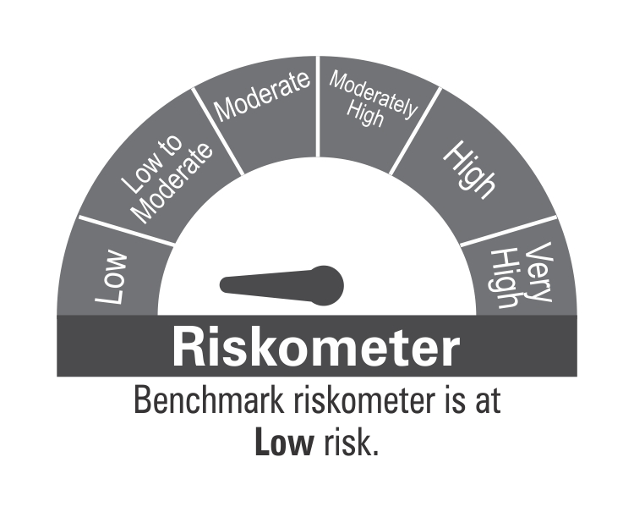
 | DSP Overnight Fund
 | Portfolio as on September 30, 2021

Sr. No. | Name of Instrument | ISIN | Rating/Industry | Quantity | Market value (Rs. In lakhs) | % to Net Assets | Maturity Date | Put/Call Option | YTM (%)

 | MONEY MARKET INSTRUMENTS
1 | TREPS / Reverse Repo Investments / Corporate Debt Repo |  |  |  | 208,014.58 | 100.13% | 01-Oct-2021
 | Total |  |  |  | 208,014.58 | 100.13%

 | Cash & Cash Equivalent
 | Net Receivables/Payables |  |  |  | (264.21) | -0.13%
 | Total |  |  |  | (264.21) | -0.13%

 | GRAND TOTAL |  |  |  | 207,750.37 | 100.00%
Notes:
1 | Market value includes accrued interest
2 | Net Assets does not include unit activity for the date of the Portfolios.
3 | As per the investment policy of DSP Overnight Fund , the Fund does not invest in Corporate Debt Repo

4 | Scheme Riskometer

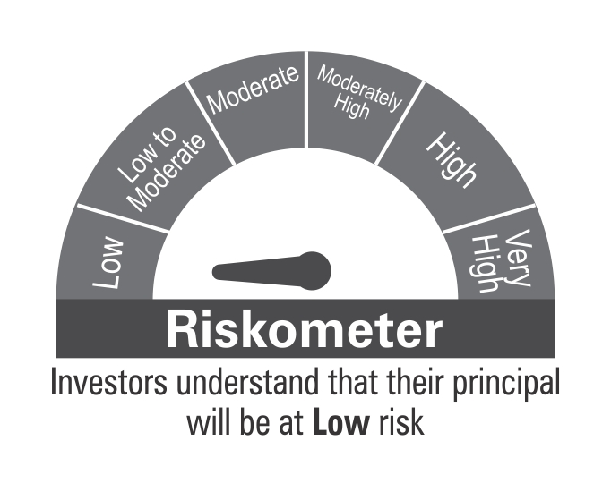

 | Benchmark Riskometer

