LIQUID
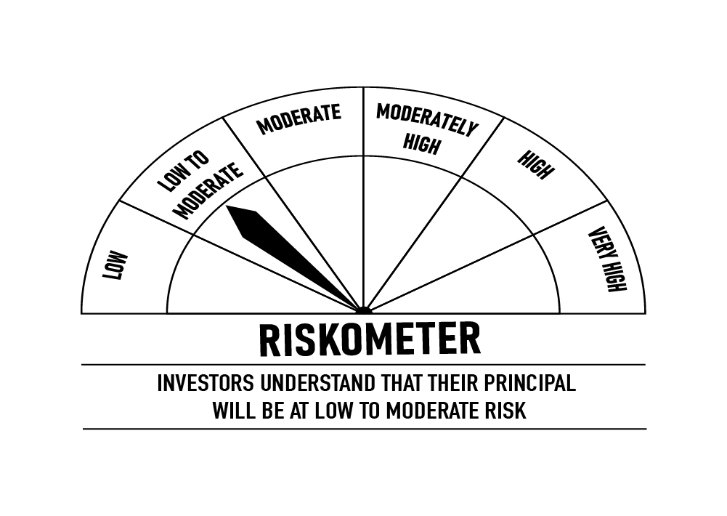
 | DSP Liquidity Fund
 | Portfolio as on December 31, 2021

Sr. No. | Name of Instrument | ISIN | Rating/Industry | Quantity | Market value (Rs. In lakhs) | % to Net Assets | Maturity Date | Put/Call Option | YTM (%)

 | DEBT INSTRUMENTS
 | BOND & NCD's
 | Listed / awaiting listing on the stock exchanges |  |  |  |  |  |  |  |  | Sector/Rating | Percent
1 | Housing Development Finance Corporation Limited** | INE001A07SV5 | CRISIL AAA | 250 | 2,592.96 | 0.35% | 18-Feb-2022 | - | 3.75 | CRISIL A1+ | 41.71%
 | Total |  |  |  | 2,592.96 | 0.35% |  |  |  | SOV | 18.11%
 |  |  |  |  |  |  |  |  |  | IND A1+ | 2.31%
 | MONEY MARKET INSTRUMENTS |  |  |  |  |  |  |  |  | ICRA A1+ | 1.00%
 | Certificate of Deposit |  |  |  |  |  |  |  |  | CRISIL AAA | 0.35%
2 | National Bank for Agriculture and Rural Development | INE261F16595 | CRISIL A1+ | 12,500 | 12,442.24 | 1.66% | 18-Feb-2022 |  | 3.53 | Cash & Equivalent | 36.52%
3 | HDFC Bank Limited** | INE040A16CN5 | IND A1+ | 1,500 | 7,460.32 | 0.99% | 25-Feb-2022 |  | 3.53
 | Total |  |  |  | 19,902.56 | 2.65%

 | Commercial Papers
 | Listed / awaiting listing on the stock exchanges
4 | Export-Import Bank of India** | INE514E14QB1 | CRISIL A1+ | 6,000 | 29,756.01 | 3.96% | 23-Mar-2022 |  | 3.69
5 | Reliance Retail Ventures Limited** | INE929O14495 | CRISIL A1+ | 6,000 | 29,754.39 | 3.96% | 23-Mar-2022 |  | 3.72
6 | Reliance Industries Limited** | INE002A14JI5 | CRISIL A1+ | 4,000 | 19,980.30 | 2.66% | 11-Jan-2022 |  | 3.60
7 | Reliance Jio Infocomm Limited** | INE110L14PV3 | CRISIL A1+ | 4,000 | 19,976.30 | 2.66% | 13-Jan-2022 |  | 3.61
8 | Reliance Industries Limited** | INE002A14JK1 | CRISIL A1+ | 4,000 | 19,918.22 | 2.65% | 11-Feb-2022 |  | 3.66
9 | Tata Capital Housing Finance Limited** | INE033L14LQ6 | CRISIL A1+ | 4,000 | 19,887.62 | 2.65% | 25-Feb-2022 |  | 3.75
10 | Chennai Petroleum Corporation Limited** | INE178A14HD8 | CRISIL A1+ | 4,000 | 19,875.76 | 2.65% | 03-Mar-2022 |  | 3.74
11 | Reliance Industries Limited | INE002A14IQ0 | CRISIL A1+ | 4,000 | 19,855.48 | 2.64% | 14-Mar-2022 |  | 3.69
12 | Kotak Securities Ltd** | INE028E14JK8 | CRISIL A1+ | 4,000 | 19,833.12 | 2.64% | 17-Mar-2022 |  | 4.09
13 | Bajaj Housing Finance Limited** | INE377Y14884 | CRISIL A1+ | 3,000 | 14,959.73 | 1.99% | 28-Jan-2022 |  | 3.64
14 | Birla Group Holdings Private Limited** | INE09OL14938 | CRISIL A1+ | 3,000 | 14,897.15 | 1.98% | 28-Feb-2022 |  | 4.35
15 | National Bank for Agriculture and Rural Development** | INE261F14II8 | CRISIL A1+ | 2,000 | 9,976.71 | 1.33% | 25-Jan-2022 |  | 3.55
16 | Reliance Jio Infocomm Limited** | INE110L14QD9 | CRISIL A1+ | 2,000 | 9,965.98 | 1.33% | 04-Feb-2022 |  | 3.67
17 | Hindustan Petroleum Corporation Limited** | INE094A14HW7 | CRISIL A1+ | 2,000 | 9,962.82 | 1.33% | 08-Feb-2022 |  | 3.59
18 | Reliance Retail Ventures Limited** | INE929O14446 | CRISIL A1+ | 2,000 | 9,955.15 | 1.33% | 15-Feb-2022 |  | 3.65
19 | Reliance Retail Ventures Limited** | INE929O14461 | CRISIL A1+ | 2,000 | 9,944.78 | 1.32% | 25-Feb-2022 |  | 3.68
20 | Julius Baer Capital (India) Private Limited** | INE824H14GI3 | CRISIL A1+ | 2,000 | 9,906.13 | 1.32% | 23-Mar-2022 |  | 4.27
21 | Network18 Media & Investments Limited** | INE870H14NI2 | ICRA A1+ | 1,500 | 7,485.15 | 1.00% | 21-Jan-2022 |  | 3.62
22 | Julius Baer Capital (India) Private Limited** | INE824H14GJ1 | CRISIL A1+ | 1,500 | 7,431.32 | 0.99% | 21-Mar-2022 |  | 4.27
23 | CEAT Limited** | INE482A14AT5 | IND A1+ | 1,000 | 4,978.99 | 0.66% | 10-Feb-2022 |  | 3.85
24 | CEAT Limited** | INE482A14AW9 | IND A1+ | 1,000 | 4,963.55 | 0.66% | 11-Mar-2022 |  | 3.89
25 | ICICI Securities Limited** | INE763G14JZ3 | CRISIL A1+ | 1,000 | 4,961.82 | 0.66% | 11-Mar-2022 |  | 4.07
 | Total |  |  |  | 318,226.48 | 42.37%

 | Treasury Bill
26 | 91 DAY T-BILL 24032022 | IN002021X413 | SOV | 50,000,000 | 49,602.35 | 6.60% | 24-Mar-2022 |  | 3.57
27 | 91 DAY T-BILL 03032022 | IN002021X389 | SOV | 40,000,000 | 39,767.40 | 5.29% | 03-Mar-2022 |  | 3.50
28 | 91 DAY T-BILL 10032022 | IN002021X397 | SOV | 24,500,000 | 24,341.29 | 3.24% | 10-Mar-2022 |  | 3.50
29 | 91 DAY T-BILL 24022022 | IN002021X371 | SOV | 22,500,000 | 22,387.39 | 2.98% | 24-Feb-2022 |  | 3.40
 | Total |  |  |  | 136,098.43 | 18.11%

30 | TREPS / Reverse Repo Investments / Corporate Debt Repo# |  |  |  | 273,541.94 | 36.41% | 17-Mar-2022
 | Total |  |  |  | 273,541.94 | 36.41%

 | Cash & Cash Equivalent
 | Net Receivables/Payables |  |  |  | 849.23 | 0.11%
 | Total |  |  |  | 849.23 | 0.11%

 | GRAND TOTAL |  |  |  | 751,211.60 | 100.00%
Notes:
1 | ** Non Traded in accordance with SEBI Regulations
2 | Market value includes accrued interest
3 | Net Assets does not include unit activity for the date of the Portfolios.
4 | As on Dec 31, 2021, the aggregate investments by the schemes of DSP Mutual Fund in DSP Liquidity Fund is Rs 2,341.99/- lakhs.
5 | # TREPS / Reverse Repo Investments / Corporate Debt Repo includes Repo with residual maturity greater than 30 days.

 | Scheme Riskometer



 | Benchmark Riskometer: Crisil Liquid Fund Index

ULTRA
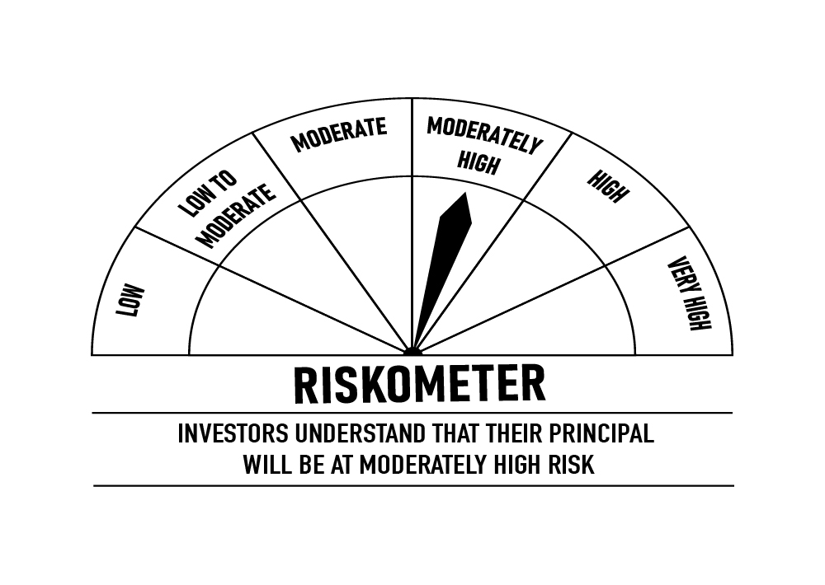
 | DSP Ultra Short Fund
 | Portfolio as on December 31, 2021

Sr. No. | Name of Instrument | ISIN | Rating/Industry | Quantity | Market value (Rs. In lakhs) | % to Net Assets | Maturity Date | Put/Call Option | YTM (%)

 | DEBT INSTRUMENTS
 | BOND & NCD's
 | Listed / awaiting listing on the stock exchanges |  |  |  |  |  |  |  |  | Sector/Rating | Percent
1 | National Bank for Agriculture and Rural Development** | INE261F08BL9 | CRISIL AAA | 750 | 7,933.82 | 2.60% | 13-Jun-2022 | - | 4.10 | CRISIL A1+ | 43.11%
2 | REC Limited | INE020B08CE1 | CRISIL AAA | 600 | 6,284.18 | 2.06% | 30-Jun-2022 | - | 4.19 | SOV | 13.76%
3 | Reliance Industries Limited | INE002A08575 | CRISIL AAA | 500 | 5,378.53 | 1.76% | 08-Mar-2022 | - | 3.75 | IND A1+ | 13.65%
4 | Power Finance Corporation Limited | INE134E08KB3 | CRISIL AAA | 500 | 5,322.71 | 1.74% | 27-May-2022 |  | 4.10 | CRISIL AAA | 12.12%
5 | National Bank for Agriculture and Rural Development | INE261F08BJ3 | CRISIL AAA | 500 | 5,307.84 | 1.74% | 23-May-2022 | - | 4.10 | CARE A1+ | 6.42%
6 | Cholamandalam Investment and Finance Company Limited** | INE121A07PK0 | ICRA AA+ | 350 | 3,668.91 | 1.20% | 17-Jun-2022 | - | 4.95 | ICRA A1+ | 4.74%
7 | Sundaram Home Finance Limited** | INE667F07HQ5 | ICRA AA+ | 250 | 2,683.55 | 0.88% | 03-Feb-2022 | - | 4.20 | ICRA AA+ | 2.08%
8 | Housing Development Finance Corporation Limited** | INE001A07QT3 | CRISIL AAA | 25 | 2,631.52 | 0.86% | 20-Jun-2022 |  | 4.42 | Cash & Equivalent | 4.12%
9 | LIC Housing Finance Limited** | INE115A07OG3 | CRISIL AAA | 250 | 2,606.18 | 0.85% | 23-Sep-2022 | - | 4.76
10 | Reliance Industries Limited** | INE002A08476 | CRISIL AAA | 150 | 1,557.90 | 0.51% | 31-Aug-2022 | - | 4.56
 | Total |  |  |  | 43,375.14 | 14.20%

 | Government Securities (Central/State)
11 | 8.20% GOI 15022022 | IN0020060037 | SOV | 21,000,000 | 21,767.82 | 7.12% | 15-Feb-2022 |  | 3.47
12 | 8.15% GOI 11062022 | IN0020120013 | SOV | 15,000,000 | 15,340.57 | 5.02% | 11-Jun-2022 |  | 4.00
 | Total |  |  |  | 37,108.39 | 12.14%

 | MONEY MARKET INSTRUMENTS
 | Certificate of Deposit
13 | HDFC Bank Limited** | INE040A16CM7 | IND A1+ | 4,500 | 22,078.51 | 7.22% | 21-Jun-2022 |  | 4.08
14 | IDFC First Bank Limited** | INE092T16QQ9 | CRISIL A1+ | 10,000 | 9,926.67 | 3.25% | 14-Mar-2022 |  | 3.75
15 | Small Industries Development Bank of India | INE556F16861 | CRISIL A1+ | 10,000 | 9,918.42 | 3.25% | 25-Mar-2022 |  | 3.62
16 | Bank of Baroda** | INE028A16CK6 | IND A1+ | 2,000 | 9,886.53 | 3.23% | 18-Apr-2022 |  | 3.92
17 | Axis Bank Limited** | INE238A167W7 | CRISIL A1+ | 2,000 | 9,873.40 | 3.23% | 28-Apr-2022 |  | 4.00
18 | Axis Bank Limited** | INE238A164X2 | CRISIL A1+ | 2,000 | 9,813.67 | 3.21% | 16-Jun-2022 |  | 4.17
19 | Bank of Baroda** | INE028A16CJ8 | IND A1+ | 1,000 | 4,947.14 | 1.62% | 11-Apr-2022 |  | 3.90
20 | Axis Bank Limited** | INE238A162W8 | CRISIL A1+ | 5,000 | 4,928.84 | 1.61% | 11-May-2022 |  | 4.05
21 | Axis Bank Limited** | INE238A161W0 | CRISIL A1+ | 5,000 | 4,927.76 | 1.61% | 13-May-2022 |  | 4.05
22 | HDFC Bank Limited** | INE040A16CP0 | IND A1+ | 1,000 | 4,843.52 | 1.58% | 26-Sep-2022 |  | 4.40
 | Total |  |  |  | 91,144.46 | 29.81%

 | Commercial Papers
 | Listed / awaiting listing on the stock exchanges
23 | Sikka Ports & Terminals Limited** | INE941D14170 | CARE A1+ | 4,000 | 19,608.90 | 6.42% | 10-Jun-2022 |  | 4.55
24 | ICICI Securities Limited** | INE763G14KK3 | CRISIL A1+ | 3,000 | 14,862.28 | 4.86% | 25-Mar-2022 |  | 4.08
25 | Jamnagar Utilities & Power Private Limited** | INE936D14113 | CRISIL A1+ | 3,000 | 14,502.60 | 4.75% | 21-Sep-2022 |  | 4.76
26 | Motilal Oswal Financial Services Limited** | INE338I14CW2 | CRISIL A1+ | 2,000 | 9,935.11 | 3.25% | 21-Feb-2022 |  | 4.67
27 | HDFC Securities Limited** | INE700G14AR1 | CRISIL A1+ | 2,000 | 9,810.85 | 3.21% | 27-May-2022 |  | 4.82
28 | Tata Capital Housing Finance Limited** | INE033L14LP8 | CRISIL A1+ | 2,000 | 9,790.87 | 3.20% | 28-Jun-2022 |  | 4.38
29 | Bahadur Chand Investments Private Limited** | INE087M14AE9 | ICRA A1+ | 2,000 | 9,602.91 | 3.14% | 16-Sep-2022 |  | 5.85
30 | Export-Import Bank of India** | INE514E14PY5 | CRISIL A1+ | 1,000 | 4,958.84 | 1.62% | 24-Mar-2022 |  | 3.70
31 | Hero Fincorp Limited** | INE957N14EX3 | CRISIL A1+ | 1,000 | 4,894.70 | 1.60% | 16-Jun-2022 |  | 4.73
32 | Axis Securities Limited** | INE110O14302 | ICRA A1+ | 1,000 | 4,887.35 | 1.60% | 24-Jun-2022 |  | 4.83
33 | Housing Development Finance Corporation Limited** | INE001A14XU3 | CRISIL A1+ | 1,000 | 4,863.32 | 1.59% | 12-Aug-2022 |  | 4.60
34 | Housing Development Finance Corporation Limited** | INE001A14XS7 | CRISIL A1+ | 1,000 | 4,857.36 | 1.59% | 22-Aug-2022 |  | 4.60
35 | Infina Finance Private Limited** | INE879F14EE5 | CRISIL A1+ | 800 | 3,905.25 | 1.28% | 28-Jun-2022 |  | 4.98
 | Total |  |  |  | 116,480.34 | 38.11%

 | Treasury Bill
36 | 364 DAY T-BILL 30032022 | IN002020Z527 | SOV | 5,000,000 | 4,957.35 | 1.62% | 30-Mar-2022 |  | 3.57
 | Total |  |  |  | 4,957.35 | 1.62%

37 | TREPS / Reverse Repo Investments / Corporate Debt Repo |  |  |  | 35,265.13 | 11.54% | 03-Jan-2022
 | Total |  |  |  | 35,265.13 | 11.54%

 | Cash & Cash Equivalent
 | Net Receivables/Payables |  |  |  | (22,715.19) | -7.42%
 | Total |  |  |  | (22,715.19) | -7.42%

 | GRAND TOTAL |  |  |  | 305,615.62 | 100.00%
Notes:
1 | ** Non Traded in accordance with SEBI Regulations
2 | Market value includes accrued interest
3 | Net Assets does not include unit activity for the date of the Portfolios.
4 | Pursuant to SEBI circular SEBI/HO/IMD/DF4/CIR/P/2019/102 dated September 24, 2019 read with circular no. SEBI/HO/IMD/DF4/CIR/P/2019/41 dated March 22, 2019. Below are the details of the securities in case of which issuer has defaulted beyond its maturity date.
 | Security Name | ISIN | value of the security considered under net receivables (i.e. value recognized in NAV in absolute terms and as % to NAV) (Rs.in lakhs) |  | total amount (including principal and interest) that is due to the scheme on that investment (Rs.in lakhs)
 | 0% IL&FS Transportation Networks Limited NCD Series A 23032019 | INE975G08140 | 0.00 | 0.00% | 6,627.81

 | Scheme Riskometer

 | Benchmark Riskometer: CRISIL Ultra Short Term Debt Index

CREDITRISK
 | DSP Credit Risk Fund
 | Portfolio as on December 31, 2021

Sr. No. | Name of Instrument | ISIN | Rating/Industry | Quantity | Market value (Rs. In lakhs) | % to Net Assets | Maturity Date | Put/Call Option | YTM (%)

 | DEBT INSTRUMENTS
 | BOND & NCD's
 | Listed / awaiting listing on the stock exchanges |  |  |  |  |  |  |  |  | Sector/Rating | Percent
1 | Tata Motors Limited** | INE155A08191 | ICRA AA- | 200 | 2,249.81 | 8.61% | 20-Aug-2024 |  | 6.03 | ICRA AA | 16.20%
2 | Godrej Industries Limited** | INE233A08048 | CRISIL AA | 200 | 2,122.07 | 8.12% | 14-May-2025 |  | 6.32 | CRISIL AA | 13.98%
3 | Tata Realty And Infrastructure Limited** | INE371K08177 | ICRA AA | 200 | 2,121.04 | 8.12% | 23-Sep-2022 |  | 5.06 | SOV | 9.94%
4 | Godrej Properties Limited** | INE484J08022 | ICRA AA | 200 | 2,111.26 | 8.08% | 31-Jul-2023 |  | 5.83 | ICRA AA- | 8.61%
5 | Bharti Hexacom Limited** | INE343G08026 | CRISIL AA+ | 200 | 2,039.65 | 7.81% | 30-Apr-2024 |  | 5.96 | CRISIL AA+ | 7.81%
6 | Manappuram Finance Limited** | INE522D07BG1 | CARE AA | 150 | 1,630.11 | 6.24% | 14-Feb-2022 | - | 4.40 | CARE AA | 6.24%
7 | Aditya Birla Fashion and Retail Limited** | INE647O08107 | CRISIL AA | 100 | 1,008.49 | 3.86% | 09-Sep-2024 |  | 6.18 | Cash & Equivalent | 37.22%
8 | Manappuram Finance Limited | INE522D07BC0 | CRISIL AA | 50 | 523.54 | 2.00% | 07-Nov-2022 |  | 5.67
 | Total |  |  |  | 13,805.97 | 52.84%

 | Government Securities (Central/State)
9 | 6.79% GOI 15052027 | IN0020170026 | SOV | 2,500,000 | 2,596.77 | 9.94% | 15-May-2027 |  | 6.12
 | Total |  |  |  | 2,596.77 | 9.94%

 | MONEY MARKET INSTRUMENTS
10 | TREPS / Reverse Repo Investments / Corporate Debt Repo |  |  |  | 6,777.12 | 25.95% | 03-Jan-2022
 | Total |  |  |  | 6,777.12 | 25.95%

 | Cash & Cash Equivalent
 | Net Receivables/Payables |  |  |  | 2,940.49 | 11.27%
 | Total |  |  |  | 2,940.49 | 11.27%

 | GRAND TOTAL |  |  |  | 26,120.35 | 100.00%
Notes:
1 | ** Non Traded in accordance with SEBI Regulations
2 | Market value includes accrued interest
3 | Net Assets does not include unit activity for the date of the Portfolios.
4 | In case of below securities, DSP Mutual Fund has ignored prices provided by valuation agencies. Disclosure vide circular no. SEBI/HO/IMD/DF4/CIR/P/2019/41 dated March 22, 2019 & SEBI/HO/IMD/DF4/CIR/P/2019/102 dated September 24,2019 for detailed rationale along with other details are available at the below mentioned links
 | Name of the securities | No of Instances | Links
 | 0% Sintex Bapl Limited NCD Series B 31122021 | 309 | https://www.dspim.com/media/pages/mandatory-disclosures/disclosures-for-deviation-in-valuation-price/9560565842-1616167083/sintex-bapl-limited.pdf
 | 0% Sintex Bapl Limited NCD Series C 31122022 | 309 | https://www.dspim.com/media/pages/mandatory-disclosures/disclosures-for-deviation-in-valuation-price/9560565842-1616167083/sintex-bapl-limited.pdf
 | 0% Sintex Bapl Limited NCD Series A 31122020 | 309 | https://www.dspim.com/media/pages/mandatory-disclosures/disclosures-for-deviation-in-valuation-price/9560565842-1616167083/sintex-bapl-limited.pdf
 | Il&Fs Energy Development Company Limited (Maturity Date : 28-Jun-2019) | 309 | https://www.dspim.com/media/pages/mandatory-disclosures/disclosures-for-deviation-in-valuation-price/52517897e3-1616167083/il-amp-fs-energy-devlopment-company-limited.pdf
 | Il&Fs Energy Development Company Limited (Maturity Date : 07-Jun-2019) | 309 | https://www.dspim.com/media/pages/mandatory-disclosures/disclosures-for-deviation-in-valuation-price/52517897e3-1616167083/il-amp-fs-energy-devlopment-company-limited.pdf
5 | Pursuant to SEBI circular SEBI/HO/IMD/DF4/CIR/P/2019/102 dated September 24, 2019 read with circular no. SEBI/HO/IMD/DF4/CIR/P/2019/41 dated March 22, 2019. Below are the details of the securities in case of which issuer has defaulted beyond its maturity date
 | Security Name | ISIN | value of the security considered under net receivables (i.e. value recognized in NAV in absolute terms and as % to NAV) (Rs.in lakhs) |  | total amount (including principal and interest) that is due to the scheme on that investment (Rs.in lakhs)
 | 0% IL&Fs Transportation Networks Limited Ncd Series A 23032019 | INE975G08140 | 0.00 | 0.00% | 23,396.18
 | 0% IL&Fs Energy Development Company Limited Ncd 07062019 | INE938L08049 | 0.00 | 0.00% | 13,861.96
 | 0% IL&FS Energy Development Company Limited Ncd 28062019 | INE938L08056 | 0.00 | 0.00% | 10,645.02
 | 0% SINTEX BAPL LTD S- A 31DEC20 ZCB | INE631U07027 | 965.55 | 3.70% | 4,357.70
 | 0% SINTEX BAPL LTD S- B 31DEC21 ZCB | INE631U07035 | 965.55 | 3.70% | 4,760.79
 | 0% SINTEX BAPL LTD S- C 31DEC22 ZCB## | INE631U07043 | 965.55 | 3.70% | 5,201.16

 | ## Deemed matured on account of acceleration triggered by DSP Trustee Private Limited in the light of rights availed under Debenture Trust Deed

 | Scheme Riskometer

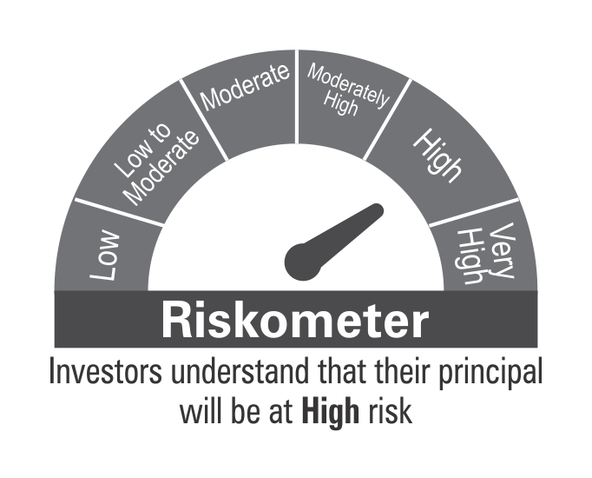

 | Benchmark Riskometer: CRISIL Short Term Credit Risk Index

LDF

 | DSP Low Duration Fund
 | Portfolio as on December 31, 2021

Sr. No. | Name of Instrument | ISIN | Rating/Industry | Quantity | Market value (Rs. In lakhs) | % to Net Assets | Maturity Date | Put/Call Option | YTM (%)

 | DEBT INSTRUMENTS
 | BOND & NCD's
 | Listed / awaiting listing on the stock exchanges |  |  |  |  |  |  |  |  | Sector/Rating | Percent
1 | Indian Oil Corporation Limited | INE242A08460 | CRISIL AAA | 1,350 | 13,961.35 | 3.97% | 25-Nov-2022 | - | 4.60 | CRISIL A1+ | 32.59%
2 | National Bank for Agriculture and Rural Development** | INE261F08BO3 | CRISIL AAA | 1,000 | 10,366.29 | 2.95% | 19-Sep-2022 | - | 4.48 | CRISIL AAA | 30.52%
3 | Small Industries Development Bank of India** | INE556F08JN1 | CARE AAA | 840 | 8,755.75 | 2.49% | 08-Aug-2022 | - | 4.40 | SOV | 20.02%
4 | REC Limited | INE020B08CE1 | CRISIL AAA | 750 | 7,855.22 | 2.23% | 30-Jun-2022 | - | 4.19 | IND A1+ | 5.45%
5 | Housing Development Finance Corporation Limited** | INE001A07RZ8 | CRISIL AAA | 750 | 7,778.98 | 2.21% | 26-Sep-2022 | - | 4.68 | CARE AAA | 4.28%
6 | REC Limited** | INE020B08CD3 | CRISIL AAA | 750 | 7,691.62 | 2.19% | 13-Dec-2022 | - | 4.67 | IND AAA | 0.75%
7 | NTPC Limited** | INE733E07KK5 | CRISIL AAA | 650 | 6,922.78 | 1.97% | 03-May-2022 | - | 4.01 | Cash & Equivalent | 6.39%
8 | National Bank for Agriculture and Rural Development | INE261F08BJ3 | CRISIL AAA | 500 | 5,307.84 | 1.51% | 23-May-2022 | - | 4.10
9 | National Bank for Agriculture and Rural Development** | INE261F08BL9 | CRISIL AAA | 500 | 5,289.21 | 1.50% | 13-Jun-2022 | - | 4.10
10 | Power Finance Corporation Limited** | INE134E08JD1 | CRISIL AAA | 500 | 5,214.22 | 1.48% | 08-Aug-2022 | - | 4.50
11 | LIC Housing Finance Limited** | INE115A07PE5 | CARE AAA | 500 | 5,179.48 | 1.47% | 28-Mar-2022 | - | 3.91
12 | Power Finance Corporation Limited** | INE134E08JF6 | CRISIL AAA | 500 | 5,153.88 | 1.47% | 22-Nov-2022 | - | 4.66
13 | Housing Development Finance Corporation Limited** | INE001A07SD3 | CRISIL AAA | 500 | 5,116.03 | 1.45% | 30-Dec-2022 | - | 4.81
14 | Hindustan Petroleum Corporation Limited** | INE094A08044 | CRISIL AAA | 500 | 5,114.71 | 1.45% | 15-Dec-2022 | - | 4.62
15 | Bajaj Finance Limited** | INE296A07QN2 | CRISIL AAA | 250 | 3,386.69 | 0.96% | 02-Sep-2022 | - | 4.75
16 | REC Limited** | INE020B08AF2 | CRISIL AAA | 250 | 2,671.20 | 0.76% | 28-Feb-2022 | - | 3.61
17 | REC Limited** | INE020B08922 | IND AAA | 250 | 2,650.94 | 0.75% | 09-Mar-2022 | - | 3.67
18 | LIC Housing Finance Limited** | INE115A07LW6 | CRISIL AAA | 250 | 2,648.90 | 0.75% | 23-May-2022 | - | 4.43
19 | National Highways Authority of India | INE906B07FT4 | CRISIL AAA | 250 | 2,635.01 | 0.75% | 06-Jun-2022 | - | 4.15
20 | LIC Housing Finance Limited | INE115A07LZ9 | CRISIL AAA | 250 | 2,634.58 | 0.75% | 10-Jun-2022 | - | 4.45
21 | Power Finance Corporation Limited | INE134E08JB5 | CRISIL AAA | 250 | 2,633.67 | 0.75% | 10-Jun-2022 | - | 4.10
22 | REC Limited** | INE020B08AK2 | CRISIL AAA | 250 | 2,595.19 | 0.74% | 07-Sep-2022 | - | 4.55
23 | LIC Housing Finance Limited** | INE115A07OG3 | CRISIL AAA | 200 | 2,084.95 | 0.59% | 23-Sep-2022 | - | 4.76
24 | Small Industries Development Bank of India** | INE556F08JO9 | CARE AAA | 100 | 1,034.14 | 0.29% | 29-Sep-2022 | - | 4.41
25 | Housing Development Finance Corporation Limited** | INE001A07RS3 | CRISIL AAA | 30 | 323.14 | 0.09% | 18-Mar-2022 | - | 3.86
26 | LIC Housing Finance Limited** | INE115A07NZ5 | CARE AAA | 10 | 108.45 | 0.03% | 14-Jan-2022 | - | 3.74
 | Total |  |  |  | 125,114.22 | 35.55%

 | Government Securities (Central/State)
27 | 5.09% GOI 13042022 | IN0020200021 | SOV | 24,500,000 | 24,862.61 | 7.07% | 13-Apr-2022 |  | 3.76
28 | 6.84% GOI 19122022 | IN0020160050 | SOV | 20,000,000 | 20,508.28 | 5.83% | 19-Dec-2022 |  | 4.37
29 | 8.15% GOI 11062022 | IN0020120013 | SOV | 16,000,000 | 16,363.28 | 4.65% | 11-Jun-2022 |  | 4.00
30 | 8.35% GOI 14052022 | IN0020020072 | SOV | 3,500,000 | 3,594.92 | 1.02% | 14-May-2022 |  | 3.91
31 | 8.13% GOI 21092022 | IN0020070051 | SOV | 2,000,000 | 2,098.35 | 0.60% | 21-Sep-2022 |  | 4.34
 | Total |  |  |  | 67,427.44 | 19.17%

 | MONEY MARKET INSTRUMENTS
 | Certificate of Deposit
32 | HDFC Bank Limited** | INE040A16CO3 | IND A1+ | 4,000 | 19,177.40 | 5.45% | 13-Dec-2022 |  | 4.52
33 | Axis Bank Limited** | INE238A161W0 | CRISIL A1+ | 15,000 | 14,783.26 | 4.20% | 13-May-2022 |  | 4.05
34 | Axis Bank Limited** | INE238A161X8 | CRISIL A1+ | 2,000 | 9,690.46 | 2.76% | 20-Sep-2022 |  | 4.45
35 | Axis Bank Limited** | INE238A169W3 | CRISIL A1+ | 2,000 | 9,611.90 | 2.73% | 16-Nov-2022 |  | 4.62
36 | Export-Import Bank of India** | INE514E16BW4 | CRISIL A1+ | 1,000 | 4,874.97 | 1.39% | 02-Aug-2022 |  | 4.40
37 | IDFC First Bank Limited | INE092T16QU1 | CRISIL A1+ | 500 | 2,453.22 | 0.70% | 10-Jun-2022 |  | 4.35
 | Total |  |  |  | 60,591.21 | 17.23%

 | Commercial Papers
 | Listed / awaiting listing on the stock exchanges
38 | ICICI Securities Limited** | INE763G14KW8 | CRISIL A1+ | 2,500 | 12,268.14 | 3.49% | 27-May-2022 |  | 4.73
39 | Cholamandalam Investment and Finance Company Limited** | INE121A14TP7 | CRISIL A1+ | 2,000 | 9,791.81 | 2.78% | 16-Jun-2022 |  | 4.68
40 | Tata Capital Housing Finance Limited** | INE033L14LP8 | CRISIL A1+ | 2,000 | 9,790.87 | 2.78% | 28-Jun-2022 |  | 4.38
41 | Hero Fincorp Limited** | INE957N14EX3 | CRISIL A1+ | 2,000 | 9,789.41 | 2.78% | 16-Jun-2022 |  | 4.73
42 | ICICI Securities Limited** | INE763G14KX6 | CRISIL A1+ | 1,500 | 7,248.64 | 2.06% | 15-Sep-2022 |  | 4.93
43 | Infina Finance Private Limited** | INE879F14EQ9 | CRISIL A1+ | 1,500 | 7,248.46 | 2.06% | 24-Aug-2022 |  | 5.39
44 | Standard Chartered Investments and Loans (India) Limited** | INE403G14OE1 | CRISIL A1+ | 1,300 | 6,356.05 | 1.81% | 17-Jun-2022 |  | 4.95
45 | Standard Chartered Investments and Loans (India) Limited** | INE403G14OB7 | CRISIL A1+ | 1,200 | 5,878.04 | 1.67% | 03-Jun-2022 |  | 4.95
46 | Housing Development Finance Corporation Limited** | INE001A14XU3 | CRISIL A1+ | 1,000 | 4,863.32 | 1.38% | 12-Aug-2022 |  | 4.60
 | Total |  |  |  | 73,234.74 | 20.81%

 | Treasury Bill
47 | 364 DAY T-BILL 30032022 | IN002020Z527 | SOV | 3,000,000 | 2,974.41 | 0.85% | 30-Mar-2022 |  | 3.57
 | Total |  |  |  | 2,974.41 | 0.85%

48 | TREPS / Reverse Repo Investments / Corporate Debt Repo |  |  |  | 23,274.01 | 6.62% | 03-Jan-2022
 | Total |  |  |  | 23,274.01 | 6.62%

 | Cash & Cash Equivalent
 | Net Receivables/Payables |  |  |  | (972.55) | -0.23%
 | Total |  |  |  | (972.55) | -0.23%

 | GRAND TOTAL |  |  |  | 351,643.48 | 100.00%
Notes:
1 | ** Non Traded in accordance with SEBI Regulations
2 | Market value includes accrued interest
3 | Net Assets does not include unit activity for the date of the Portfolios.

 | Scheme Riskometer

 | Benchmark Riskometer: Nifty Low Duration Debt Index

BOND
 | DSP Bond Fund
 | Portfolio as on December 31, 2021

Sr. No. | Name of Instrument | ISIN | Rating/Industry | Quantity | Market value (Rs. In lakhs) | % to Net Assets | Maturity Date | Put/Call Option | YTM (%)

 | DEBT INSTRUMENTS
 | BOND & NCD's
 | Listed / awaiting listing on the stock exchanges |  |  |  |  |  |  |  |  | Sector/Rating | Percent
1 | Power Finance Corporation Limited** | INE134E08KV1 | CRISIL AAA | 250 | 2,720.81 | 5.76% | 11-Jun-2030 | - | 7.02 | CRISIL AAA | 37.34%
2 | National Highways Authority of India** | INE906B07HH5 | CRISIL AAA | 250 | 2,692.72 | 5.70% | 13-Sep-2029 | - | 6.77 | SOV | 20.50%
3 | National Bank for Agriculture and Rural Development** | INE261F08BY2 | ICRA AAA | 250 | 2,622.04 | 5.55% | 08-Feb-2030 | - | 6.88 | CRISIL A1+ | 16.74%
4 | Jamnagar Utilities & Power Private Limited** | INE936D07174 | CRISIL AAA | 250 | 2,509.60 | 5.31% | 29-Sep-2026 |  | 6.71 | ICRA AAA | 8.98%
5 | NTPC Limited** | INE733E07KL3 | CRISIL AAA | 210 | 2,250.27 | 4.76% | 17-Jul-2029 | - | 6.65 | IND A1+ | 5.07%
6 | Housing Development Finance Corporation Limited** | INE001A07SO0 | CRISIL AAA | 200 | 2,092.28 | 4.43% | 17-Jun-2030 | - | 7.13 | CRISIL AA+ | 2.28%
7 | Indian Railway Finance Corporation Limited** | INE053F07BE7 | CRISIL AAA | 150 | 1,651.34 | 3.49% | 29-Mar-2029 |  | 6.74 | Cash & Equivalent | 9.09%
8 | NIIF Infrastructure Finance** | INE246R07384 | ICRA AAA | 150 | 1,620.16 | 3.43% | 07-Nov-2024 |  | 6.32
9 | Indian Railway Finance Corporation Limited** | INE053F08122 | CRISIL AAA | 150 | 1,530.29 | 3.24% | 29-Aug-2031 |  | 6.97
10 | Power Grid Corporation of India Limited** | INE752E07NU8 | CRISIL AAA | 100 | 1,136.60 | 2.40% | 25-Apr-2028 |  | 6.52
11 | Sundaram Home Finance Limited** | INE667F07HS1 | CRISIL AA+ | 100 | 1,075.78 | 2.28% | 11-May-2023 | - | 5.67
12 | Indian Railway Finance Corporation Limited** | INE053F07BY5 | CRISIL AAA | 100 | 1,062.61 | 2.25% | 12-Apr-2030 | - | 6.80
 | Total |  |  |  | 22,964.50 | 48.60%

 | Government Securities (Central/State)
13 | 8.35% GOI 14052022 | IN0020020072 | SOV | 2,500,000 | 2,567.80 | 5.43% | 14-May-2022 |  | 3.91
14 | 5.09% GOI 13042022 | IN0020200021 | SOV | 2,500,000 | 2,537.00 | 5.37% | 13-Apr-2022 |  | 3.76
15 | 6.79% GOI 15052027 | IN0020170026 | SOV | 2,000,000 | 2,077.41 | 4.39% | 15-May-2027 |  | 6.12
16 | 5.63% GOI 12042026 | IN0020210012 | SOV | 2,000,000 | 2,011.99 | 4.26% | 12-Apr-2026 |  | 5.80
 | Total |  |  |  | 9,194.20 | 19.45%

 | MONEY MARKET INSTRUMENTS
 | Certificate of Deposit
17 | Small Industries Development Bank of India | INE556F16853 | CRISIL A1+ | 3,500 | 3,473.96 | 7.35% | 18-Mar-2022 |  | 3.60
18 | HDFC Bank Limited** | INE040A16CO3 | IND A1+ | 500 | 2,397.18 | 5.07% | 13-Dec-2022 |  | 4.52
19 | Axis Bank Limited** | INE238A166V1 | CRISIL A1+ | 2,000 | 1,986.55 | 4.20% | 10-Mar-2022 |  | 3.64
 | Total |  |  |  | 7,857.69 | 16.62%

 | Commercial Papers
 | Listed / awaiting listing on the stock exchanges
20 | Axis Finance Limited** | INE891K14LC9 | CRISIL A1+ | 500 | 2,454.89 | 5.19% | 26-May-2022 |  | 4.63
 | Total |  |  |  | 2,454.89 | 5.19%

 | Treasury Bill
21 | 364 DAY T-BILL 30032022 | IN002020Z527 | SOV | 500,000 | 495.74 | 1.05% | 30-Mar-2022 |  | 3.57
 | Total |  |  |  | 495.74 | 1.05%

22 | TREPS / Reverse Repo Investments / Corporate Debt Repo |  |  |  | 4,301.87 | 9.10% | 03-Jan-2022
 | Total |  |  |  | 4,301.87 | 9.10%

 | Cash & Cash Equivalent
 | Net Receivables/Payables |  |  |  | (1.13) | *
 | Total |  |  |  | (1.13) | *

 | GRAND TOTAL |  |  |  | 47,267.76 | 100.01%
Notes:
1 | ** Non Traded in accordance with SEBI Regulations
2 | Market value includes accrued interest
3 | * Less than 0.01%
4 | Net Assets does not include unit activity for the date of the Portfolios.
5 | Pursuant to SEBI circular SEBI/HO/IMD/DF4/CIR/P/2019/102 dated September 24, 2019 read with circular no. SEBI/HO/IMD/DF4/CIR/P/2019/41 dated March 22, 2019. Below are the details of the securities in case of which issuer has defaulted beyond its maturity date.
 | Security Name | ISIN | value of the security considered under net receivables (i.e. value recognized in NAV in absolute terms and as % to NAV) (Rs.in lakhs) |  | total amount (including principal and interest) that is due to the scheme on that investment (Rs.in lakhs)
 | 0% Il&Fs Transportation Networks Limited NCD Series A 23032019 | INE975G08140 | 0.00 | 0.00% | 1,325.56

 | Scheme Riskometer



 | Benchmark Riskometer: CRISIL Medium Term Debt Index

REGULARSAVINGS
 | DSP Regular Savings Fund
 | Portfolio as on December 31, 2021

Sr. No. | Name of Instrument | ISIN | Rating/Industry | Quantity | Market value (Rs. In lakhs) | % to Net Assets | Maturity Date | Put/Call Option | YTM (%)

 | EQUITY & EQUITY RELATED
 | Listed / awaiting listing on the stock exchanges
1 | HCL Technologies Limited | INE860A01027 | Software | 52,613 | 694.02 | 3.04% |  |  |  | Sector/Rating | Percent
2 | ICICI Bank Limited | INE090A01021 | Banks | 59,775 | 442.42 | 1.94% |  |  |  | CRISIL AAA | 57.46%
3 | HDFC Bank Limited | INE040A01034 | Banks | 29,519 | 436.70 | 1.91% |  |  |  | SOV | 14.00%
4 | ITC Limited | INE154A01025 | Consumer Non Durables | 138,032 | 300.98 | 1.32% |  |  |  | Banks | 5.08%
5 | SBI Life Insurance Company Limited | INE123W01016 | Insurance | 24,429 | 292.17 | 1.28% |  |  |  | Power | 3.71%
6 | Aptus Value Housing Finance India Limited | INE852O01025 | Finance | 84,000 | 285.52 | 1.25% |  |  |  | Software | 3.04%
7 | Axis Bank Limited | INE238A01034 | Banks | 41,281 | 280.11 | 1.23% |  |  |  | IND AAA | 2.36%
8 | Sharda Cropchem Limited | INE221J01015 | Pesticides | 74,483 | 263.82 | 1.16% |  |  |  | Finance | 2.24%
9 | IPCA Laboratories Limited | INE571A01020 | Pharmaceuticals | 11,678 | 253.04 | 1.11% |  |  |  | Insurance | 2.17%
10 | Manappuram Finance Limited | INE522D01027 | Finance | 137,155 | 225.76 | 0.99% |  |  |  | Pharmaceuticals | 1.98%
11 | Hero MotoCorp Limited | INE158A01026 | Auto | 8,447 | 207.97 | 0.91% |  |  |  | Consumer Non Durables | 1.32%
12 | ICICI Lombard General Insurance Company Limited | INE765G01017 | Insurance | 14,520 | 203.46 | 0.89% |  |  |  | Pesticides | 1.16%
13 | Cipla Limited | INE059A01026 | Pharmaceuticals | 20,991 | 198.18 | 0.87% |  |  |  | Consumer Durables | 1.14%
14 | UltraTech Cement Limited | INE481G01011 | Cement & Cement Products | 2,094 | 158.96 | 0.70% |  |  |  | Auto | 0.91%
15 | Crompton Greaves Consumer Electricals Limited | INE299U01018 | Consumer Durables | 34,239 | 149.78 | 0.66% |  |  |  | Cement & Cement Products | 0.70%
16 | Coromandel International Limited | INE169A01031 | Fertilisers | 19,369 | 146.44 | 0.64% |  |  |  | Fertilisers | 0.64%
17 | Forbes & Company Ltd | INE518A01013 | Consumer Durables | 1,726 | 108.58 | 0.48% |  |  |  | Cash & Equivalent | 2.09%
 | Total |  |  |  | 4,647.91 | 20.38%

 | Units issued by REITs & InvITs
 | Listed / awaiting listing on the stock exchanges
18 | Powergrid Infrastructure Investment Trust | INE0GGX23010 | Power | 699,600 | 846.24 | 3.71%
 | Total |  |  |  | 846.24 | 3.71%

 | DEBT INSTRUMENTS
 | BOND & NCD's
 | Listed / awaiting listing on the stock exchanges
19 | Indian Railway Finance Corporation Limited** | INE053F07BB3 | CRISIL AAA | 150 | 1,619.03 | 7.09% | 28-Feb-2024 | - | 5.16
20 | National Bank for Agriculture and Rural Development** | INE261F08BO3 | CRISIL AAA | 150 | 1,554.94 | 6.81% | 19-Sep-2022 | - | 4.48
21 | Power Finance Corporation Limited** | INE134E08KD9 | CRISIL AAA | 100 | 1,103.90 | 4.83% | 04-Jun-2024 | - | 5.50
22 | Power Grid Corporation of India Limited** | INE752E07NK9 | CRISIL AAA | 100 | 1,088.87 | 4.77% | 23-Dec-2025 | - | 5.81
23 | Export-Import Bank of India** | INE514E08FG5 | CRISIL AAA | 100 | 1,087.18 | 4.76% | 01-Sep-2026 | - | 6.05
24 | REC Limited** | INE020B08CK8 | CRISIL AAA | 100 | 1,087.09 | 4.76% | 20-Mar-2025 | - | 5.85
25 | Indian Oil Corporation Limited** | INE242A08452 | CRISIL AAA | 100 | 1,073.96 | 4.70% | 06-Mar-2025 | - | 5.63
26 | National Highways Authority of India** | INE906B07FG1 | CRISIL AAA | 100 | 1,067.40 | 4.68% | 18-Mar-2022 | - | 3.68
27 | Power Finance Corporation Limited** | INE134E08LF2 | CRISIL AAA | 250 | 784.41 | 3.44% | 30-Jun-2025 |  | 5.89
28 | Hindustan Petroleum Corporation Limited** | INE094A08036 | CRISIL AAA | 70 | 745.15 | 3.26% | 14-Aug-2024 | - | 5.40
29 | Export-Import Bank of India** | INE514E08EK0 | CRISIL AAA | 50 | 572.25 | 2.51% | 03-Feb-2025 | - | 5.55
30 | Housing Development Finance Corporation Limited** | INE001A07SG6 | CRISIL AAA | 50 | 552.68 | 2.42% | 10-Feb-2025 | - | 5.90
31 | Export-Import Bank of India** | INE514E08FT8 | CRISIL AAA | 50 | 538.69 | 2.36% | 18-Feb-2025 | - | 5.55
32 | GAIL (India) Limited** | INE129A07214 | IND AAA | 50 | 538.45 | 2.36% | 23-Feb-2024 | CA - 23-Feb-2022 | 3.89
33 | NTPC Limited** | INE733E07JP6 | CRISIL AAA | 1,736,927 | 245.40 | 1.07% | 25-Mar-2025 | - | 5.54
 | Total |  |  |  | 13,659.40 | 59.82%

 | Government Securities (Central/State)
34 | 7.32% GOI 28012024 | IN0020180488 | SOV | 1,500,000 | 1,614.56 | 7.07% | 28-Jan-2024 |  | 4.99
35 | 6.18% GOI 04112024 | IN0020190396 | SOV | 1,000,000 | 1,032.73 | 4.52% | 04-Nov-2024 |  | 5.30
36 | 7.59% GOI 11012026 | IN0020150093 | SOV | 500,000 | 550.17 | 2.41% | 11-Jan-2026 |  | 5.77
 | Total |  |  |  | 3,197.46 | 14.00%

 | MONEY MARKET INSTRUMENTS
37 | TREPS / Reverse Repo Investments / Corporate Debt Repo |  |  |  | 443.64 | 1.94% | 03-Jan-2022
 | Total |  |  |  | 443.64 | 1.94%

 | Cash & Cash Equivalent
 | Cash Margin |  |  |  | 50.00 | 0.22%
 | Net Receivables/Payables |  |  |  | (12.90) | -0.07%
 | Total |  |  |  | 37.10 | 0.15%

 | GRAND TOTAL |  |  |  | 22,831.75 | 100.00%
Notes:
1 | ** Non Traded in accordance with SEBI Regulations
2 | Market value includes accrued interest
3 | Net Assets does not include unit activity for the date of the Portfolios.
4 | Pursuant to SEBI circular SEBI/HO/IMD/DF4/CIR/P/2019/102 dated September 24, 2019 read with circular no. SEBI/HO/IMD/DF4/CIR/P/2019/41 dated March 22, 2019. Below are the details of the securities in case of which issuer has defaulted beyond its maturity date.
 | Security Name | ISIN | value of the security considered under net receivables (i.e. value recognized in NAV in absolute terms and as % to NAV) (Rs.in lakhs) |  | total amount (including principal and interest) that is due to the scheme on that investment (Rs.in lakhs)
 | 0% IL&FS Transportation Networks Limited Ncd Series A 23032019 | INE975G08140 | 0.00 | 0.00% | 1,855.79

 | Scheme Riskometer

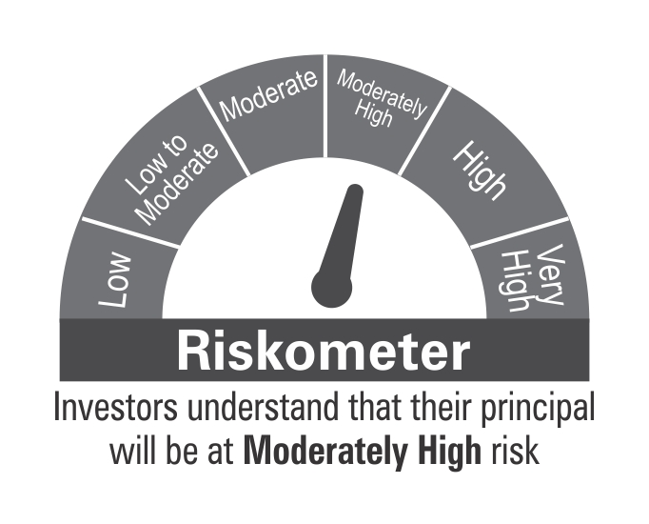

 | Benchmark Riskometer: CRISIL Hybrid 85+15 - Conservative Index

OVERNIGHT
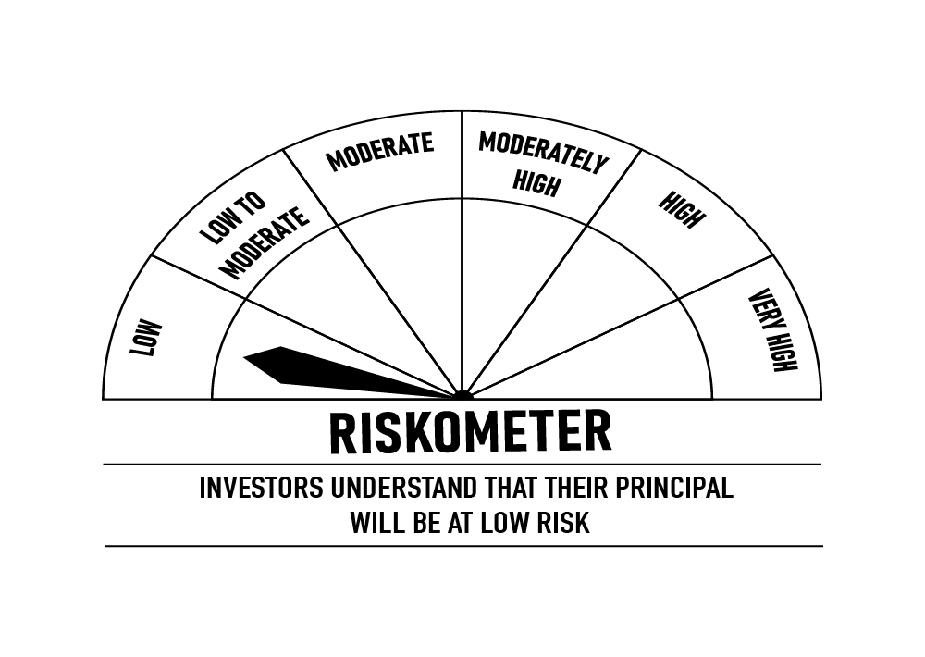
 | DSP Overnight Fund
 | Portfolio as on December 31, 2021

Sr. No. | Name of Instrument | ISIN | Rating/Industry | Quantity | Market value (Rs. In lakhs) | % to Net Assets | Maturity Date | Put/Call Option | YTM (%)

 | MONEY MARKET INSTRUMENTS
1 | TREPS / Reverse Repo Investments / Corporate Debt Repo |  |  |  | 188,635.21 | 99.24% | 03-Jan-2022
 | Total |  |  |  | 188,635.21 | 99.24%

 | Cash & Cash Equivalent
 | Net Receivables/Payables |  |  |  | 1,442.60 | 0.76%
 | Total |  |  |  | 1,442.60 | 0.76%

 | GRAND TOTAL |  |  |  | 190,077.81 | 100.00%
Notes:
1 | Market value includes accrued interest
2 | Net Assets does not include unit activity for the date of the Portfolios.
3 | As per the investment policy of DSP Overnight Fund , the Fund does not invest in Corporate Debt Repo

 | Scheme Riskometer

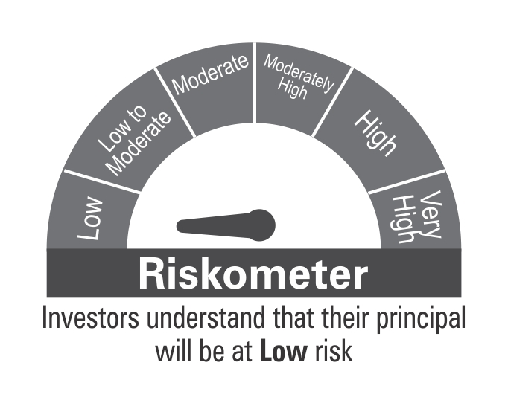

 | Benchmark Riskometer: CRISIL Overnight Index

