LIQUID

 | DSP Liquidity Fund
 | Portfolio as on October 31, 2021

Sr. No. | Name of Instrument | ISIN | Rating/Industry | Quantity | Market value (Rs. In lakhs) | % to Net Assets | Maturity Date | Put/Call Option | YTM (%)

 | DEBT INSTRUMENTS
 | BOND & NCD's
 | Listed / awaiting listing on the stock exchanges |  |  |  |  |  |  |  |  | Sector/Rating | Percent
1 | Housing Development Finance Corporation Limited** | INE001A07SC5 | CRISIL AAA | 2,200 | 23,480.68 | 2.92% | 25-Nov-2021 |  | 3.70 | CRISIL A1+ | 41.74%
2 | Housing Development Finance Corporation Limited** | INE001A07SN2 | CRISIL AAA | 1,000 | 10,579.33 | 1.31% | 10-Dec-2021 |  | 3.77 | SOV | 10.59%
3 | Power Grid Corporation of India Limited** | INE752E07OD2 | CRISIL AAA | 100 | 1,066.90 | 0.13% | 21-Dec-2021 |  | 3.49 | CRISIL AAA | 4.36%
 | Total |  |  |  | 35,126.91 | 4.36% |  |  |  | ICRA A1+ | 2.48%
 |  |  |  |  |  |  |  |  |  | CARE A1+ | 1.24%
 | MONEY MARKET INSTRUMENTS |  |  |  |  |  |  |  |  | IND A1+ | 1.24%
 | Commercial Papers |  |  |  |  |  |  |  |  | Cash & Equivalent | 38.35%
 | Listed / awaiting listing on the stock exchanges
4 | Reliance Retail Ventures Limited** | INE929O14339 | CRISIL A1+ | 4,000 | 19,996.14 | 2.49% | 03-Nov-2021 |  | 3.52
5 | Reliance Jio Infocomm Limited** | INE110L14PQ3 | CRISIL A1+ | 4,000 | 19,982.26 | 2.48% | 10-Nov-2021 |  | 3.60
6 | Reliance Retail Ventures Limited** | INE929O14370 | CRISIL A1+ | 4,000 | 19,942.56 | 2.48% | 30-Nov-2021 |  | 3.63
7 | Reliance Retail Ventures Limited** | INE929O14362 | CRISIL A1+ | 4,000 | 19,938.46 | 2.48% | 01-Dec-2021 |  | 3.76
8 | Reliance Jio Infocomm Limited** | INE110L14PT7 | CRISIL A1+ | 4,000 | 19,928.06 | 2.48% | 06-Dec-2021 |  | 3.77
9 | Reliance Industries Limited** | INE002A14JD6 | CRISIL A1+ | 4,000 | 19,926.30 | 2.48% | 07-Dec-2021 |  | 3.75
10 | Reliance Industries Limited** | INE002A14JI5 | CRISIL A1+ | 4,000 | 19,851.54 | 2.47% | 11-Jan-2022 |  | 3.84
11 | Reliance Jio Infocomm Limited** | INE110L14PV3 | CRISIL A1+ | 4,000 | 19,846.40 | 2.47% | 13-Jan-2022 |  | 3.87
12 | ICICI Home Finance Company Limited** | INE071G14DO8 | ICRA A1+ | 3,000 | 14,974.38 | 1.86% | 18-Nov-2021 |  | 3.67
13 | Kotak Securities Ltd** | INE028E14IW5 | CRISIL A1+ | 3,000 | 14,930.76 | 1.86% | 10-Dec-2021 |  | 4.34
14 | HDFC Securities Limited** | INE700G14868 | CRISIL A1+ | 3,000 | 14,924.13 | 1.85% | 14-Dec-2021 |  | 4.32
15 | Chennai Petroleum Corporation Limited** | INE178A14GZ3 | CRISIL A1+ | 2,900 | 14,433.62 | 1.79% | 17-Dec-2021 |  | 3.65
16 | Chennai Petroleum Corporation Limited** | INE178A14GX8 | CRISIL A1+ | 2,500 | 12,479.10 | 1.55% | 18-Nov-2021 |  | 3.60
17 | Shree Cement Limited** | INE070A14521 | CARE A1+ | 2,000 | 9,978.56 | 1.24% | 23-Nov-2021 |  | 3.56
18 | Chennai Petroleum Corporation Limited** | INE178A14GY6 | CRISIL A1+ | 2,000 | 9,968.23 | 1.24% | 03-Dec-2021 |  | 3.64
19 | Dalmia Cement (Bharat) Limited** | INE755K14DW1 | CRISIL A1+ | 2,000 | 9,946.32 | 1.24% | 21-Dec-2021 |  | 3.94
20 | Bajaj Financial Securities Limited** | INE01C314148 | CRISIL A1+ | 2,000 | 9,942.88 | 1.24% | 20-Dec-2021 |  | 4.28
21 | HDFC Securities Limited** | INE700G14892 | CRISIL A1+ | 2,000 | 9,942.46 | 1.24% | 21-Dec-2021 |  | 4.23
22 | Muthoot Finance Limited** | INE414G14SC3 | CRISIL A1+ | 2,000 | 9,940.63 | 1.24% | 21-Dec-2021 |  | 4.36
23 | Julius Baer Capital (India) Private Limited** | INE824H14FP0 | CRISIL A1+ | 2,000 | 9,936.95 | 1.24% | 24-Dec-2021 |  | 4.37
24 | HDFC Securities Limited** | INE700G14900 | CRISIL A1+ | 2,000 | 9,935.60 | 1.23% | 27-Dec-2021 |  | 4.23
25 | National Bank for Agriculture and Rural Development** | INE261F14II8 | CRISIL A1+ | 2,000 | 9,914.00 | 1.23% | 25-Jan-2022 |  | 3.72
26 | Godrej Industries Limited** | INE233A14SU2 | CRISIL A1+ | 1,500 | 7,471.56 | 0.93% | 08-Dec-2021 |  | 3.76
27 | Godrej Industries Limited** | INE233A14SP2 | CRISIL A1+ | 1,300 | 6,494.27 | 0.81% | 10-Nov-2021 |  | 3.58
28 | Godrej Industries Limited** | INE233A14SW8 | CRISIL A1+ | 1,200 | 5,969.91 | 0.74% | 20-Dec-2021 |  | 3.75
29 | Aditya Birla Fashion and Retail Limited** | INE647O14EN9 | CRISIL A1+ | 1,000 | 4,999.51 | 0.62% | 02-Nov-2021 |  | 3.58
30 | CEAT Limited** | INE482A14AO6 | IND A1+ | 1,000 | 4,979.31 | 0.62% | 10-Dec-2021 |  | 3.89
31 | ICICI Securities Limited** | INE763G14KH9 | CRISIL A1+ | 1,000 | 4,973.74 | 0.62% | 17-Dec-2021 |  | 4.19
32 | Axis Securities Limited** | INE110O14377 | ICRA A1+ | 1,000 | 4,973.33 | 0.62% | 17-Dec-2021 |  | 4.26
33 | CEAT Limited** | INE482A14AP3 | IND A1+ | 1,000 | 4,971.92 | 0.62% | 24-Dec-2021 |  | 3.89
34 | Julius Baer Capital (India) Private Limited** | INE824H14FO3 | CRISIL A1+ | 1,000 | 4,970.24 | 0.62% | 21-Dec-2021 |  | 4.37
35 | Julius Baer Capital (India) Private Limited** | INE824H14FQ8 | CRISIL A1+ | 1,000 | 4,966.11 | 0.62% | 28-Dec-2021 |  | 4.37
 | Total |  |  |  | 375,429.24 | 46.70%

 | Treasury Bill
36 | 91 DAY T-BILL 23122021 | IN002021X280 | SOV | 60,000,000 | 59,706.54 | 7.42% | 23-Dec-2021 |  | 3.45
37 | 182 DAY T-BILL 04112021 | IN002021Y056 | SOV | 25,500,000 | 25,494.44 | 3.17% | 04-Nov-2021 |  | 2.66
 | Total |  |  |  | 85,200.98 | 10.59%

38 | TREPS / Reverse Repo Investments / Corporate Debt Repo# |  |  |  | 295,439.82 | 36.72% | 21-Dec-2021
 | Total |  |  |  | 295,439.82 | 36.72%

 | Cash & Cash Equivalent
 | Net Receivables/Payables |  |  |  | 13,349.92 | 1.63%
 | Total |  |  |  | 13,349.92 | 1.63%

 | GRAND TOTAL |  |  |  | 804,546.87 | 100.00%
Notes:
1 | ** Non Traded / Thinly Traded in accordance with SEBI Regulations
2 | Market value includes accrued interest
3 | As on Oct 31, 2021, the aggregate investments by the schemes of DSP Mutual Fund in DSP Liquidity Fund is Rs 2153.12 lakhs.
4 | # TREPS / Reverse Repo Investments / Corporate Debt Repo includes Repo with residual maturity greater than 30 days.

 | Scheme Riskometer



 | Benchmark Riskometer
 | Crisil Liquid Fund Index

ULTRA
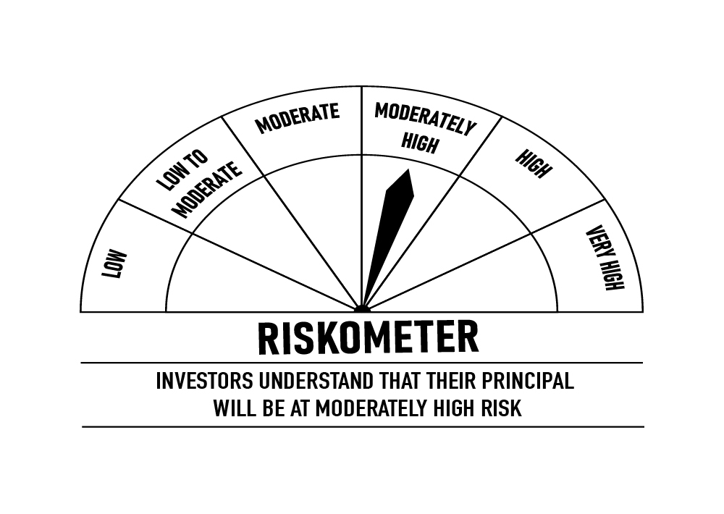
 | DSP Ultra Short Fund
 | Portfolio as on October 31, 2021

Sr. No. | Name of Instrument | ISIN | Rating/Industry | Quantity | Market value (Rs. In lakhs) | % to Net Assets | Maturity Date | Put/Call Option | YTM (%)

 | DEBT INSTRUMENTS
 | BOND & NCD's
 | Listed / awaiting listing on the stock exchanges |  |  |  |  |  |  |  |  | Sector/Rating | Percent
1 | National Highways Authority of India** | INE906B07FE6 | CRISIL AAA | 1,650 | 17,594.07 | 4.97% | 23-Dec-2021 |  | 3.55 | CRISIL A1+ | 42.72%
2 | REC Limited** | INE020B08AK2 | CRISIL AAA | 1,250 | 12,897.33 | 3.64% | 07-Sep-2022 |  | 4.40 | CRISIL AAA | 24.42%
3 | LIC Housing Finance Limited** | INE115A07MJ1 | CRISIL AAA | 1,000 | 10,343.19 | 2.92% | 30-Aug-2022 |  | 4.63 | SOV | 17.03%
4 | REC Limited** | INE020B08CE1 | CRISIL AAA | 850 | 8,843.40 | 2.50% | 30-Jun-2022 |  | 4.16 | ICRA A1+ | 5.47%
5 | National Bank for Agriculture and Rural Development** | INE261F08BL9 | CRISIL AAA | 750 | 7,878.43 | 2.22% | 13-Jun-2022 |  | 4.15 | ICRA AA+ | 2.51%
6 | Cholamandalam Investment and Finance Company Limited** | INE121A07PK0 | ICRA AA+ | 600 | 6,238.52 | 1.76% | 17-Jun-2022 |  | 4.97 | IND AAA | 0.76%
7 | Reliance Industries Limited** | INE002A08575 | CRISIL AAA | 500 | 5,342.50 | 1.51% | 08-Mar-2022 |  | 3.90 | Cash & Equivalent | 7.09%
8 | Power Finance Corporation Limited** | INE134E08KB3 | CRISIL AAA | 500 | 5,285.45 | 1.49% | 27-May-2022 |  | 4.15
9 | National Bank for Agriculture and Rural Development** | INE261F08BJ3 | CRISIL AAA | 500 | 5,270.85 | 1.49% | 23-May-2022 |  | 4.15
10 | LIC Housing Finance Limited** | INE115A07MG7 | CRISIL AAA | 500 | 5,196.34 | 1.47% | 15-Jul-2022 |  | 4.63
11 | Mahindra & Mahindra Financial Services Limited** | INE774D07QG6 | IND AAA | 250 | 2,677.40 | 0.76% | 30-Nov-2021 |  | 4.51
12 | Sundaram Home Finance Limited** | INE667F07HQ5 | ICRA AA+ | 250 | 2,662.38 | 0.75% | 03-Feb-2022 |  | 4.58
13 | Housing Development Finance Corporation Limited** | INE001A07QT3 | CRISIL AAA | 25 | 2,613.79 | 0.74% | 20-Jun-2022 |  | 4.35
14 | Housing Development Finance Corporation Limited** | INE001A07SM4 | CRISIL AAA | 250 | 2,613.03 | 0.74% | 19-May-2022 |  | 4.35
15 | LIC Housing Finance Limited** | INE115A07OG3 | CRISIL AAA | 250 | 2,589.29 | 0.73% | 23-Sep-2022 |  | 4.63
 | Total |  |  |  | 98,045.97 | 27.69%

 | Government Securities (Central/State)
16 | 8.20% GOI 15022022 | IN0020060037 | SOV | 21,000,000 | 21,619.42 | 6.10% | 15-Feb-2022 |  | 3.85
 | Total |  |  |  | 21,619.42 | 6.10%

 | MONEY MARKET INSTRUMENTS
 | Certificate of Deposit
17 | Export-Import Bank of India** | INE514E16BV6 | CRISIL A1+ | 25,000 | 24,896.92 | 7.03% | 14-Dec-2021 |  | 3.51
18 | Axis Bank Limited** | INE238A167U1 | CRISIL A1+ | 10,000 | 9,977.93 | 2.82% | 24-Nov-2021 |  | 3.51
19 | Axis Bank Limited** | INE238A165W1 | CRISIL A1+ | 2,000 | 9,895.00 | 2.79% | 10-Feb-2022 |  | 3.84
20 | IDFC First Bank Limited** | INE092T16QQ9 | CRISIL A1+ | 10,000 | 9,857.05 | 2.78% | 14-Mar-2022 |  | 3.98
21 | Small Industries Development Bank of India** | INE556F16861 | CRISIL A1+ | 10,000 | 9,850.38 | 2.78% | 25-Mar-2022 |  | 3.85
22 | Axis Bank Limited** | INE238A167W7 | CRISIL A1+ | 2,000 | 9,807.49 | 2.77% | 28-Apr-2022 |  | 4.03
23 | IDFC First Bank Limited** | INE092T16PQ1 | CRISIL A1+ | 5,000 | 4,984.25 | 1.41% | 03-Dec-2021 |  | 3.60
 | Total |  |  |  | 79,269.02 | 22.38%

 | Commercial Papers
 | Listed / awaiting listing on the stock exchanges
24 | ICICI Securities Limited** | INE763G14KK3 | CRISIL A1+ | 3,000 | 14,733.21 | 4.16% | 25-Mar-2022 |  | 4.59
25 | Jamnagar Utilities & Power Private Limited** | INE936D14113 | CRISIL A1+ | 3,000 | 14,405.40 | 4.07% | 21-Sep-2022 |  | 4.65
26 | Cholamandalam Investment and Finance Company Limited** | INE121A14TM4 | CRISIL A1+ | 2,000 | 9,892.67 | 2.79% | 28-Jan-2022 |  | 4.50
27 | Tata Capital Housing Finance Limited** | INE033L14LP8 | CRISIL A1+ | 2,000 | 9,729.87 | 2.75% | 28-Jun-2022 |  | 4.24
28 | Bahadur Chand Investments Private Limited** | INE087M14AE9 | ICRA A1+ | 2,000 | 9,515.57 | 2.69% | 16-Sep-2022 |  | 5.83
29 | Sharekhan BNP Paribas Financial Services Limited** | INE550X14557 | ICRA A1+ | 1,000 | 4,982.90 | 1.41% | 29-Nov-2021 |  | 4.47
30 | Export-Import Bank of India** | INE514E14PY5 | CRISIL A1+ | 1,000 | 4,925.70 | 1.39% | 24-Mar-2022 |  | 3.85
31 | Hero Fincorp Limited** | INE957N14EX3 | CRISIL A1+ | 1,000 | 4,855.80 | 1.37% | 16-Jun-2022 |  | 4.78
32 | Axis Securities Limited** | INE110O14302 | ICRA A1+ | 1,000 | 4,845.42 | 1.37% | 24-Jun-2022 |  | 4.96
33 | Housing Development Finance Corporation Limited** | INE001A14XU3 | CRISIL A1+ | 1,000 | 4,830.85 | 1.36% | 12-Aug-2022 |  | 4.50
34 | Housing Development Finance Corporation Limited** | INE001A14XS7 | CRISIL A1+ | 1,000 | 4,825.10 | 1.36% | 22-Aug-2022 |  | 4.50
35 | Infina Finance Private Limited** | INE879F14EE5 | CRISIL A1+ | 800 | 3,875.40 | 1.09% | 28-Jun-2022 |  | 4.91
 | Total |  |  |  | 91,417.89 | 25.81%

 | Treasury Bill
36 | 182 DAY T-BILL 02122021 | IN002021Y098 | SOV | 10,000,000 | 9,970.36 | 2.81% | 02-Dec-2021 |  | 3.50
37 | 182 DAY T-BILL 16122021 | IN002021Y114 | SOV | 10,000,000 | 9,957.61 | 2.81% | 16-Dec-2021 |  | 3.45
38 | 182 DAY T-BILL 23122021 | IN002021Y122 | SOV | 10,000,000 | 9,951.09 | 2.81% | 23-Dec-2021 |  | 3.45
39 | 364 DAY T-BILL 30032022 | IN002020Z527 | SOV | 5,000,000 | 4,926.60 | 1.39% | 30-Mar-2022 |  | 3.65
40 | 182 DAY T-BILL 09122021 | IN002021Y106 | SOV | 3,948,800 | 3,934.79 | 1.11% | 09-Dec-2021 |  | 3.42
 | Total |  |  |  | 38,740.45 | 10.93%

41 | TREPS / Reverse Repo Investments / Corporate Debt Repo |  |  |  | 26,307.44 | 7.43% | 01-Nov-2021
 | Total |  |  |  | 26,307.44 | 7.43%

 | Cash & Cash Equivalent
 | Net Receivables/Payables |  |  |  | (1,203.87) | -0.34%
 | Total |  |  |  | (1,203.87) | -0.34%

 | GRAND TOTAL |  |  |  | 354,196.32 | 100.00%
Notes:
1 | ** Non Traded in accordance with SEBI Regulations
2 | Market value includes accrued interest
3 | Pursuant to SEBI circular SEBI/HO/IMD/DF4/CIR/P/2019/102 dated September 24, 2019 read with circular no. SEBI/HO/IMD/DF4/CIR/P/2019/41 dated March 22, 2019. Below are the details of the securities in case of which issuer has defaulted beyond its maturity date.
 | Security Name | ISIN | value of the security considered under net receivables (i.e. value recognized in NAV in absolute terms and as % to NAV) (Rs.in lakhs) |  | total amount (including principal and interest) that is due to the scheme on that investment (Rs.in lakhs)
 | 0% IL&FS Transportation Networks Limited NCD Series A 23032019 | INE975G08140 | 0.00 | 0.00% | 6,627.81

 | Scheme Riskometer

 | Benchmark Riskometer
 | CRISIL Ultra Short Term Debt Index

CREDITRISK
 | DSP Credit Risk Fund
 | Portfolio as on October 31, 2021

Sr. No. | Name of Instrument | ISIN | Rating/Industry | Quantity | Market value (Rs. In lakhs) | % to Net Assets | Maturity Date | Put/Call Option | YTM (%)

 | DEBT INSTRUMENTS
 | BOND & NCD's
 | Listed / awaiting listing on the stock exchanges |  |  |  |  |  |  |  |  | Sector/Rating | Percent
1 | Tata Motors Limited** | INE155A08191 | ICRA AA- | 200 | 2,233.28 | 9.01% | 20-Aug-2024 |  | 5.93 | CRISIL AA+ | 15.57%
2 | Tata Realty And Infrastructure Limited** | INE371K08177 | ICRA AA | 200 | 2,103.79 | 8.49% | 23-Sep-2022 |  | 5.05 | CRISIL AA | 12.53%
3 | Godrej Industries Limited** | INE233A08048 | CRISIL AA | 200 | 2,103.57 | 8.49% | 14-May-2025 |  | 6.27 | SOV | 10.74%
4 | Bharti Hexacom Limited** | INE343G08026 | CRISIL AA+ | 200 | 2,016.67 | 8.13% | 30-Apr-2024 |  | 6.04 | ICRA AA- | 9.01%
5 | Manappuram Finance Limited** | INE522D07BG1 | CARE AA | 150 | 1,615.51 | 6.52% | 14-Feb-2022 |  | 5.00 | ICRA AA | 8.49%
6 | Telesonic Networks Limited** | INE308O08015 | CRISIL AA+ | 130 | 1,317.32 | 5.31% | 28-Apr-2023 |  | 5.35 | CARE AA | 6.52%
7 | Aditya Birla Fashion and Retail Limited** | INE647O08107 | CRISIL AA | 100 | 1,000.96 | 4.04% | 09-Sep-2024 |  | 6.08 | Cash & Equivalent | 37.14%
8 | Hindalco Industries Limited** | INE038A07274 | CRISIL AA+ | 50 | 529.13 | 2.13% | 02-Aug-2022 |  | 4.75
 | Total |  |  |  | 12,920.23 | 52.12%

 | Government Securities (Central/State)
9 | 6.79% GOI 15052027 | IN0020170026 | SOV | 2,500,000 | 2,663.51 | 10.74% | 15-May-2027 |  | 6.06
 | Total |  |  |  | 2,663.51 | 10.74%

 | MONEY MARKET INSTRUMENTS
10 | TREPS / Reverse Repo Investments / Corporate Debt Repo |  |  |  | 6,258.51 | 25.24% | 01-Nov-2021
 | Total |  |  |  | 6,258.51 | 25.24%

 | Cash & Cash Equivalent
 | Net Receivables/Payables |  |  |  | 2,948.99 | 11.90%
 | Total |  |  |  | 2,948.99 | 11.90%

 | GRAND TOTAL |  |  |  | 24,791.24 | 100.00%
Notes:
1 | ** Non Traded in accordance with SEBI Regulations
2 | Market value includes accrued interest
3 | In case of below securities, DSP Mutual Fund has ignored prices provided by valuation agencies. Disclosure vide circular no. SEBI/HO/IMD/DF4/CIR/P/2019/41 dated March 22, 2019 & SEBI/HO/IMD/DF4/CIR/P/2019/102 dated September 24,2019 for detailed rationale along with other details are available at the below mentioned links
 | Name of the securities | No of Instances | Links
 | 0% Sintex Bapl Limited NCD Series B 31122021 | 309 | https://www.dspim.com/media/pages/mandatory-disclosures/disclosures-for-deviation-in-valuation-price/9560565842-1616167083/sintex-bapl-limited.pdf
 | 0% Sintex Bapl Limited NCD Series C 31122022 | 309 | https://www.dspim.com/media/pages/mandatory-disclosures/disclosures-for-deviation-in-valuation-price/9560565842-1616167083/sintex-bapl-limited.pdf
 | 0% Sintex Bapl Limited NCD Series A 31122020 | 309 | https://www.dspim.com/media/pages/mandatory-disclosures/disclosures-for-deviation-in-valuation-price/9560565842-1616167083/sintex-bapl-limited.pdf
 | Il&Fs Energy Development Company Limited (Maturity Date : 28-Jun-2019) | 309 | https://www.dspim.com/media/pages/mandatory-disclosures/disclosures-for-deviation-in-valuation-price/52517897e3-1616167083/il-amp-fs-energy-devlopment-company-limited.pdf
 | Il&Fs Energy Development Company Limited (Maturity Date : 07-Jun-2019) | 309 | https://www.dspim.com/media/pages/mandatory-disclosures/disclosures-for-deviation-in-valuation-price/52517897e3-1616167083/il-amp-fs-energy-devlopment-company-limited.pdf
4 | Pursuant to SEBI circular SEBI/HO/IMD/DF4/CIR/P/2019/102 dated September 24, 2019 read with circular no. SEBI/HO/IMD/DF4/CIR/P/2019/41 dated March 22, 2019. Below are the details of the securities in case of which issuer has defaulted beyond its maturity date
 | Security Name | ISIN | value of the security considered under net receivables (i.e. value recognized in NAV in absolute terms and as % to NAV) (Rs.in lakhs) |  | total amount (including principal and interest) that is due to the scheme on that investment (Rs.in lakhs)
 | 0% IL&Fs Transportation Networks Limited Ncd Series A 23032019 | INE975G08140 | 0.00 | 0.00% | 23,396.18
 | 0% IL&Fs Energy Development Company Limited Ncd 07062019 | INE938L08049 | 0.00 | 0.00% | 13,861.96
 | 0% IL&FS Energy Development Company Limited Ncd 28062019 | INE938L08056 | 0.00 | 0.00% | 10,645.02
 | 0% SINTEX BAPL LTD S- A 31DEC20 ZCB | INE631U07027 | 965.55 | 3.89% | 4,357.70
 | 0% SINTEX BAPL LTD S- B 31DEC21 ZCB## | INE631U07035 | 965.55 | 3.89% | 4,760.79
 | 0% SINTEX BAPL LTD S- C 31DEC22 ZCB## | INE631U07043 | 965.55 | 3.89% | 5,201.16

 | ## Deemed matured on account of acceleration triggered by DSP Trustee Private Limited in the light of rights availed under Debenture Trust Deed

 | Scheme Riskometer

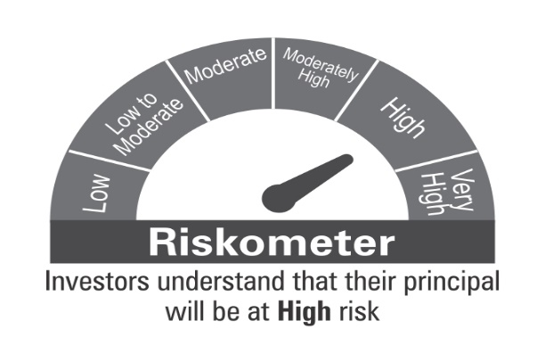

 | Benchmark Riskometer
 | CRISIL Short Term Credit Risk Index

BOND
 | DSP Bond Fund
 | Portfolio as on October 31, 2021

Sr. No. | Name of Instrument | ISIN | Rating/Industry | Quantity | Market value (Rs. In lakhs) | % to Net Assets | Maturity Date | Put/Call Option | YTM (%)

 | DEBT INSTRUMENTS
 | BOND & NCD's
 | Listed / awaiting listing on the stock exchanges |  |  |  |  |  |  |  |  | Sector/Rating | Percent
1 | Power Finance Corporation Limited** | INE134E08KV1 | CRISIL AAA | 250 | 2,703.20 | 5.67% | 11-Jun-2030 |  | 6.94 | CRISIL AAA | 31.15%
2 | National Highways Authority of India** | INE906B07HH5 | CRISIL AAA | 250 | 2,663.40 | 5.58% | 13-Sep-2029 |  | 6.77 | SOV | 30.10%
3 | Bajaj Finance Limited** | INE296A07RR1 | CRISIL AAA | 250 | 2,604.13 | 5.46% | 12-Apr-2024 |  | 5.64 | CRISIL A1+ | 16.48%
4 | National Bank for Agriculture and Rural Development** | INE261F08BY2 | ICRA AAA | 250 | 2,600.10 | 5.45% | 08-Feb-2030 |  | 6.83 | ICRA AAA | 8.80%
5 | NTPC Limited** | INE733E07KL3 | CRISIL AAA | 210 | 2,233.15 | 4.68% | 17-Jul-2029 |  | 6.60 | CRISIL AA+ | 2.24%
6 | Housing Development Finance Corporation Limited** | INE001A07SO0 | CRISIL AAA | 200 | 2,089.97 | 4.38% | 17-Jun-2030 |  | 6.96 | Cash & Equivalent | 11.23%
7 | NIIF Infrastructure Finance** | INE246R07384 | ICRA AAA | 150 | 1,596.61 | 3.35% | 07-Nov-2024 |  | 6.49
8 | Indian Railway Finance Corporation Limited** | INE053F08122 | CRISIL AAA | 150 | 1,517.32 | 3.18% | 29-Aug-2031 |  | 6.93
9 | Sundaram Home Finance Limited** | INE667F07HS1 | CRISIL AA+ | 100 | 1,067.98 | 2.24% | 11-May-2023 |  | 5.53
10 | Indian Railway Finance Corporation Limited** | INE053F07BY5 | CRISIL AAA | 100 | 1,049.81 | 2.20% | 12-Apr-2030 |  | 6.81
 | Total |  |  |  | 20,125.67 | 42.19%

 | Government Securities (Central/State)
11 | 8.35% GOI 14052022 | IN0020020072 | SOV | 2,500,000 | 2,653.71 | 5.56% | 14-May-2022 |  | 4.01
12 | 5.09% GOI 13042022 | IN0020200021 | SOV | 2,500,000 | 2,520.12 | 5.28% | 13-Apr-2022 |  | 3.87
13 | 6.10% GOI 12072031 | IN0020210095 | SOV | 2,500,000 | 2,494.66 | 5.23% | 12-Jul-2031 |  | 6.39
14 | 7.26% GOI 14012029 | IN0020180454 | SOV | 2,000,000 | 2,149.48 | 4.50% | 14-Jan-2029 |  | 6.33
15 | 8.20% GOI 15022022 | IN0020060037 | SOV | 2,000,000 | 2,058.99 | 4.32% | 15-Feb-2022 |  | 3.85
16 | 5.63% GOI 12042026 | IN0020210012 | SOV | 2,000,000 | 1,995.77 | 4.18% | 12-Apr-2026 |  | 5.76
 | Total |  |  |  | 13,872.73 | 29.07%

 | MONEY MARKET INSTRUMENTS
 | Certificate of Deposit
17 | Small Industries Development Bank of India** | INE556F16853 | CRISIL A1+ | 3,500 | 3,450.14 | 7.23% | 18-Mar-2022 |  | 3.85
18 | Axis Bank Limited** | INE238A166V1 | CRISIL A1+ | 2,000 | 1,973.08 | 4.14% | 10-Mar-2022 |  | 3.86
 | Total |  |  |  | 5,423.22 | 11.37%

 | Commercial Papers
 | Listed / awaiting listing on the stock exchanges
19 | Axis Finance Limited** | INE891K14LC9 | CRISIL A1+ | 500 | 2,436.87 | 5.11% | 26-May-2022 |  | 4.59
 | Total |  |  |  | 2,436.87 | 5.11%

 | Treasury Bill
20 | 364 DAY T-BILL 30032022 | IN002020Z527 | SOV | 500,000 | 492.66 | 1.03% | 30-Mar-2022 |  | 3.65
 | Total |  |  |  | 492.66 | 1.03%

21 | TREPS / Reverse Repo Investments / Corporate Debt Repo |  |  |  | 3,733.04 | 7.82% | 01-Nov-2021
 | Total |  |  |  | 3,733.04 | 7.82%

 | Cash & Cash Equivalent
 | Net Receivables/Payables |  |  |  | 1,631.20 | 3.41%
 | Total |  |  |  | 1,631.20 | 3.41%

 | GRAND TOTAL |  |  |  | 47,715.39 | 100.00%
Notes:
1 | ** Non Traded in accordance with SEBI Regulations
2 | Market value includes accrued interest
3 | Pursuant to SEBI circular SEBI/HO/IMD/DF4/CIR/P/2019/102 dated September 24, 2019 read with circular no. SEBI/HO/IMD/DF4/CIR/P/2019/41 dated March 22, 2019. Below are the details of the securities in case of which issuer has defaulted beyond its maturity date.
 | Security Name | ISIN | value of the security considered under net receivables (i.e. value recognized in NAV in absolute terms and as % to NAV) (Rs.in lakhs) |  | total amount (including principal and interest) that is due to the scheme on that investment (Rs.in lakhs)
 | 0% Il&Fs Transportation Networks Limited NCD Series A 23032019 | INE975G08140 | 0.00 | 0.00% | 1,325.56

 | Scheme Riskometer



 | Benchmark Riskometer
 | CRISIL Medium Term Debt Index

REGULARSAVINGS
 | DSP Regular Savings Fund
 | Portfolio as on October 31, 2021

Sr. No. | Name of Instrument | ISIN | Rating/Industry | Quantity | Market value (Rs. In lakhs) | % to Net Assets | Maturity Date | Put/Call Option | YTM (%)

 | EQUITY & EQUITY RELATED
 | Listed / awaiting listing on the stock exchanges
1 | HCL Technologies Limited | INE860A01027 | Software | 52,613 | 601.76 | 2.61% |  |  |  | Sector/Rating | Percent
2 | HDFC Bank Limited | INE040A01034 | Banks | 29,519 | 467.24 | 2.03% |  |  |  | CRISIL AAA | 52.19%
3 | ITC Limited | INE154A01025 | Consumer Non Durables | 138,032 | 308.09 | 1.34% |  |  |  | SOV | 13.92%
4 | Axis Bank Limited | INE238A01034 | Banks | 41,281 | 306.31 | 1.33% |  |  |  | Power | 3.67%
5 | Manappuram Finance Limited | INE522D01027 | Finance | 137,155 | 285.01 | 1.24% |  |  |  | Software | 3.44%
6 | SBI Life Insurance Company Limited | INE123W01016 | Insurance | 24,429 | 279.85 | 1.21% |  |  |  | Banks | 3.36%
7 | Aptus Value Housing Finance India Limited | INE852O01025 | Finance | 84,000 | 277.20 | 1.20% |  |  |  | Pharmaceuticals | 2.62%
8 | IPCA Laboratories Limited | INE571A01020 | Pharmaceuticals | 11,678 | 250.19 | 1.08% |  |  |  | Finance | 2.44%
9 | ICICI Lombard General Insurance Company Limited | INE765G01017 | Insurance | 14,520 | 215.12 | 0.93% |  |  |  | IND AAA | 2.32%
10 | Tata Consultancy Services Limited | INE467B01029 | Software | 5,654 | 192.11 | 0.83% |  |  |  | Insurance | 2.14%
11 | Cipla Limited | INE059A01026 | Pharmaceuticals | 20,991 | 189.98 | 0.82% |  |  |  | Consumer Non Durables | 1.34%
12 | JB Chemicals & Pharmaceuticals Limited | INE572A01028 | Pharmaceuticals | 9,951 | 166.99 | 0.72% |  |  |  | Consumer Durables | 0.73%
13 | UltraTech Cement Limited | INE481G01011 | Cement & Cement Products | 2,094 | 159.90 | 0.69% |  |  |  | Cement & Cement Products | 0.69%
14 | Crompton Greaves Consumer Electricals Limited | INE299U01018 | Consumer Durables | 34,239 | 159.42 | 0.69% |  |  |  | Fertilisers | 0.66%
15 | Coromandel International Limited | INE169A01031 | Fertilisers | 19,369 | 152.16 | 0.66% |  |  |  | Cash & Equivalent | 10.48%
16 | Forbes & Company Ltd | INE518A01013 | Consumer Durables | 166 | 9.46 | 0.04%
 | Total |  |  |  | 4,020.79 | 17.42%

 | Units issued by REITs & InvITs
 | Listed / awaiting listing on the stock exchanges
17 | Powergrid Infrastructure Investment Trust | INE0GGX23010 | Power | 699,600 | 846.87 | 3.67%
 | Total |  |  |  | 846.87 | 3.67%

 | DEBT INSTRUMENTS
 | BOND & NCD's
 | Listed / awaiting listing on the stock exchanges
18 | Indian Railway Finance Corporation Limited** | INE053F07BB3 | CRISIL AAA | 150 | 1,607.66 | 6.97% | 28-Feb-2024 |  | 5.10
19 | National Bank for Agriculture and Rural Development** | INE261F08BO3 | CRISIL AAA | 150 | 1,545.59 | 6.70% | 19-Sep-2022 |  | 4.34
20 | Power Grid Corporation of India Limited** | INE752E07NK9 | CRISIL AAA | 100 | 1,157.75 | 5.02% | 23-Dec-2025 |  | 5.90
21 | Power Finance Corporation Limited** | INE134E08KD9 | CRISIL AAA | 100 | 1,096.79 | 4.76% | 04-Jun-2024 |  | 5.39
22 | REC Limited** | INE020B08CK8 | CRISIL AAA | 100 | 1,078.95 | 4.68% | 20-Mar-2025 |  | 5.78
23 | Indian Oil Corporation Limited** | INE242A08452 | CRISIL AAA | 100 | 1,073.03 | 4.65% | 06-Mar-2025 |  | 5.34
24 | National Highways Authority of India** | INE906B07FG1 | CRISIL AAA | 100 | 1,060.07 | 4.60% | 18-Mar-2022 |  | 3.90
25 | Power Finance Corporation Limited** | INE134E08LF2 | CRISIL AAA | 250 | 778.04 | 3.37% | 30-Jun-2025 |  | 5.84
26 | Hindustan Petroleum Corporation Limited** | INE094A08036 | CRISIL AAA | 70 | 740.19 | 3.21% | 14-Aug-2024 |  | 5.31
27 | Export-Import Bank of India** | INE514E08EK0 | CRISIL AAA | 50 | 568.64 | 2.47% | 03-Feb-2025 |  | 5.45
28 | Housing Development Finance Corporation Limited** | INE001A07SG6 | CRISIL AAA | 50 | 547.94 | 2.38% | 10-Feb-2025 |  | 5.87
29 | Export-Import Bank of India** | INE514E08FT8 | CRISIL AAA | 50 | 535.35 | 2.32% | 18-Feb-2025 |  | 5.45
30 | GAIL (India) Limited** | INE129A07214 | IND AAA | 50 | 534.46 | 2.32% | 23-Feb-2024 | CA - 23-Feb-2022 | 4.22
31 | NTPC Limited** | INE733E07JP6 | CRISIL AAA | 1,736,927 | 243.63 | 1.06% | 25-Mar-2025 |  | 5.46
 | Total |  |  |  | 12,568.09 | 54.51%

 | Government Securities (Central/State)
32 | 7.32% GOI 28012024 | IN0020180488 | SOV | 1,500,000 | 1,605.70 | 6.96% | 28-Jan-2024 |  | 4.86
33 | 6.18% GOI 04112024 | IN0020190396 | SOV | 1,000,000 | 1,059.39 | 4.59% | 04-Nov-2024 |  | 5.13
34 | 7.59% GOI 11012026 | IN0020150093 | SOV | 500,000 | 545.79 | 2.37% | 11-Jan-2026 |  | 5.73
 | Total |  |  |  | 3,210.88 | 13.92%

 | MONEY MARKET INSTRUMENTS
35 | TREPS / Reverse Repo Investments / Corporate Debt Repo |  |  |  | 2,306.87 | 10.00% | 01-Nov-2021
 | Total |  |  |  | 2,306.87 | 10.00%

 | Cash & Cash Equivalent
 | Net Receivables/Payables |  |  |  | 111.75 | 0.48%
 | Total |  |  |  | 111.75 | 0.48%

 | GRAND TOTAL |  |  |  | 23,065.25 | 100.00%
Notes:
1 | ** Non Traded in accordance with SEBI Regulations
2 | Market value includes accrued interest
3 | Pursuant to SEBI circular SEBI/HO/IMD/DF4/CIR/P/2019/102 dated September 24, 2019 read with circular no. SEBI/HO/IMD/DF4/CIR/P/2019/41 dated March 22, 2019. Below are the details of the securities in case of which issuer has defaulted beyond its maturity date.
 | Security Name | ISIN | value of the security considered under net receivables (i.e. value recognized in NAV in absolute terms and as % to NAV) (Rs.in lakhs) |  | total amount (including principal and interest) that is due to the scheme on that investment (Rs.in lakhs)
 | 0% IL&FS Transportation Networks Limited Ncd Series A 23032019 | INE975G08140 | 0.00 | 0.00% | 1,855.79

 | Scheme Riskometer

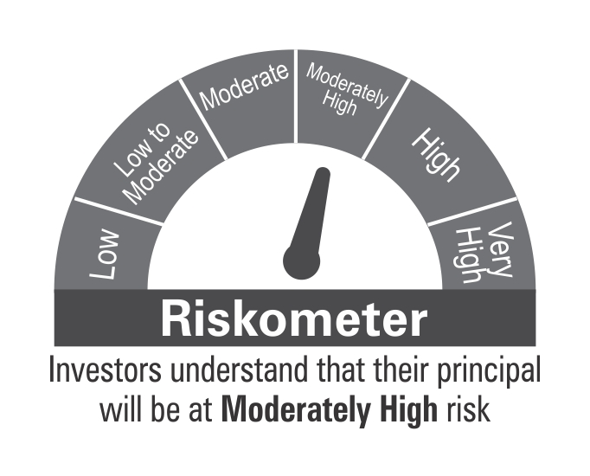

 | Benchmark Riskometer
 | CRISIL Hybrid 85+15 - Conservative Index

10YGF
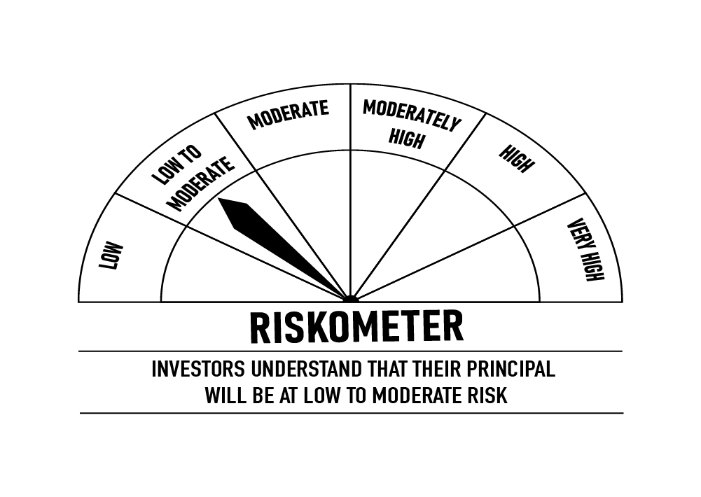
 | DSP 10Y G-Sec Fund
 | Portfolio as on October 31, 2021

Sr. No. | Name of Instrument | ISIN | Rating/Industry | Quantity | Market value (Rs. In lakhs) | % to Net Assets | Maturity Date | Put/Call Option | YTM (%)

 | DEBT INSTRUMENTS
 | Government Securities (Central/State)
1 | 6.10% GOI 12072031 | IN0020210095 | SOV | 5,000,000 | 4,989.32 | 97.45% | 12-Jul-2031 |  | 6.39 | Sector/Rating | Percent
 | Total |  |  |  | 4,989.32 | 97.45% |  |  |  | SOV | 97.45%
 |  |  |  |  |  |  |  |  |  | Cash & Equivalent | 2.55%
 | MONEY MARKET INSTRUMENTS
2 | TREPS / Reverse Repo Investments / Corporate Debt Repo |  |  |  | 124.15 | 2.42% | 01-Nov-2021
 | Total |  |  |  | 124.15 | 2.42%

 | Cash & Cash Equivalent
 | Net Receivables/Payables |  |  |  | 6.24 | 0.13%
 | Total |  |  |  | 6.24 | 0.13%

 | GRAND TOTAL |  |  |  | 5,119.71 | 100.00%
Notes:
1 | Market value includes accrued interest

 | Scheme Riskometer

 | Benchmark Riskometer
 | CRISIL 10 Year Gilt Index

OVERNIGHT
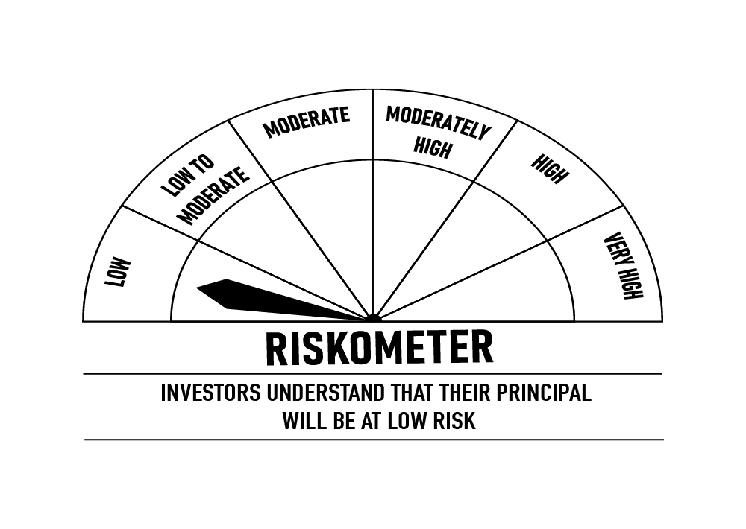
 | DSP Overnight Fund
 | Portfolio as on October 31, 2021

Sr. No. | Name of Instrument | ISIN | Rating/Industry | Quantity | Market value (Rs. In lakhs) | % to Net Assets | Maturity Date | Put/Call Option | YTM (%)

 | MONEY MARKET INSTRUMENTS
1 | TREPS / Reverse Repo Investments / Corporate Debt Repo |  |  |  | 313,479.37 | 99.60% | 01-Nov-2021
 | Total |  |  |  | 313,479.37 | 99.60%

 | Cash & Cash Equivalent
 | Net Receivables/Payables |  |  |  | 1,263.14 | 0.40%
 | Total |  |  |  | 1,263.14 | 0.40%

 | GRAND TOTAL |  |  |  | 314,742.51 | 100.00%
Notes:
1 | Market value includes accrued interest
2 | As per the investment policy of DSP Overnight Fund , the Fund does not invest in Corporate Debt Repo

 | Scheme Riskometer

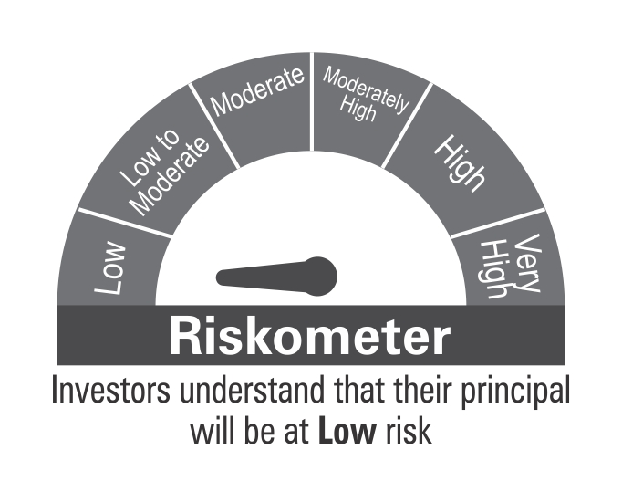

 | Benchmark Riskometer
 | CRISIL Overnight Index

