LIQUID
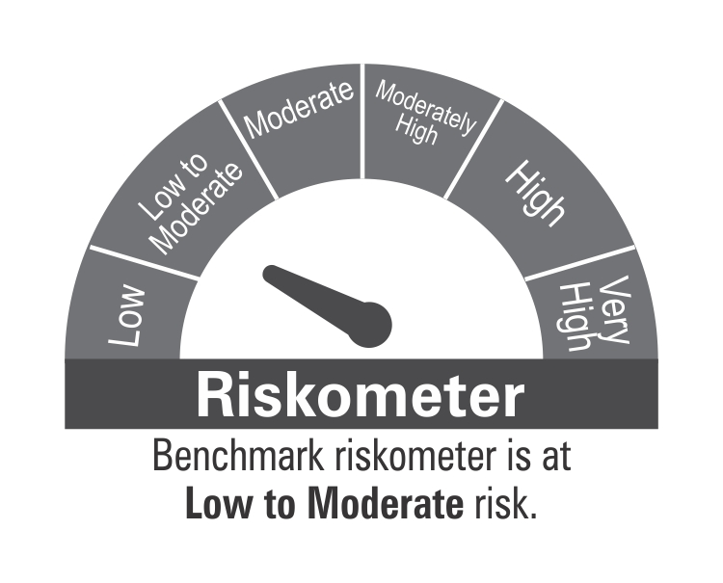
 | DSP Liquidity Fund
 | Portfolio as on October 15, 2021

Sr. No. | Name of Instrument | ISIN | Rating/Industry | Quantity | Market value (Rs. In lakhs) | % to Net Assets | Maturity Date | Put/Call Option | YTM (%)

 | DEBT INSTRUMENTS
 | BOND & NCD's
 | Listed / awaiting listing on the stock exchanges |  |  |  |  |  |  |  |  | Sector/Rating | Percent
1 | Housing Development Finance Corporation Limited** | INE001A07SC5 | CRISIL AAA | 2,200 | 23,449.66 | 2.34% | 25-Nov-2021 |  | 3.43 | CRISIL A1+ | 35.01%
2 | Housing Development Finance Corporation Limited** | INE001A07SN2 | CRISIL AAA | 1,000 | 10,567.22 | 1.06% | 10-Dec-2021 |  | 3.44 | SOV | 12.98%
3 | LIC Housing Finance Limited** | INE115A07KK3 | CRISIL AAA | 250 | 2,514.81 | 0.25% | 19-Oct-2021 |  | 3.42 | CRISIL AAA | 3.76%
4 | Power Grid Corporation of India Limited** | INE752E07OD2 | CRISIL AAA | 100 | 1,065.64 | 0.11% | 21-Dec-2021 |  | 3.30 | ICRA A1+ | 2.74%
 | Total |  |  |  | 37,597.33 | 3.76% |  |  |  | CARE A1+ | 1.00%
 |  |  |  |  |  |  |  |  |  | IND A1+ | 1.00%
 | MONEY MARKET INSTRUMENTS |  |  |  |  |  |  |  |  | Cash & Equivalent | 43.51%
 | Commercial Papers
 | Listed / awaiting listing on the stock exchanges
5 | Bharat Petroleum Corporation Limited** | INE029A14BH7 | CRISIL A1+ | 4,000 | 19,979.24 | 2.00% | 28-Oct-2021 |  | 3.16
6 | Reliance Retail Ventures Limited** | INE929O14339 | CRISIL A1+ | 4,000 | 19,966.80 | 2.00% | 03-Nov-2021 |  | 3.37
7 | Reliance Jio Infocomm Limited** | INE110L14PQ3 | CRISIL A1+ | 4,000 | 19,953.60 | 1.99% | 10-Nov-2021 |  | 3.40
8 | Reliance Retail Ventures Limited** | INE929O14370 | CRISIL A1+ | 4,000 | 19,916.70 | 1.99% | 30-Nov-2021 |  | 3.39
9 | Reliance Retail Ventures Limited** | INE929O14362 | CRISIL A1+ | 4,000 | 19,914.54 | 1.99% | 01-Dec-2021 |  | 3.41
10 | Reliance Jio Infocomm Limited** | INE110L14PT7 | CRISIL A1+ | 4,000 | 19,905.16 | 1.99% | 06-Dec-2021 |  | 3.41
11 | Reliance Industries Limited** | INE002A14JD6 | CRISIL A1+ | 4,000 | 19,903.60 | 1.99% | 07-Dec-2021 |  | 3.40
12 | Reliance Industries Limited** | INE002A14JI5 | CRISIL A1+ | 4,000 | 19,832.66 | 1.98% | 11-Jan-2022 |  | 3.54
13 | Reliance Jio Infocomm Limited** | INE110L14PV3 | CRISIL A1+ | 4,000 | 19,828.36 | 1.98% | 13-Jan-2022 |  | 3.55
14 | ICICI Home Finance Company Limited** | INE071G14DO8 | ICRA A1+ | 3,000 | 14,953.31 | 1.49% | 18-Nov-2021 |  | 3.45
15 | Kotak Securities Ltd** | INE028E14IW5 | CRISIL A1+ | 3,000 | 14,919.19 | 1.49% | 10-Dec-2021 |  | 3.59
16 | HDFC Securities Limited** | INE700G14868 | CRISIL A1+ | 3,000 | 14,912.99 | 1.49% | 14-Dec-2021 |  | 3.61
17 | Chennai Petroleum Corporation Limited** | INE178A14GZ3 | CRISIL A1+ | 2,900 | 14,417.47 | 1.44% | 17-Dec-2021 |  | 3.37
18 | Chennai Petroleum Corporation Limited** | INE178A14GX8 | CRISIL A1+ | 2,500 | 12,462.25 | 1.25% | 18-Nov-2021 |  | 3.35
19 | Shree Cement Limited** | INE070A14521 | CARE A1+ | 2,000 | 9,964.96 | 1.00% | 23-Nov-2021 |  | 3.38
20 | Chennai Petroleum Corporation Limited** | INE178A14GY6 | CRISIL A1+ | 2,000 | 9,955.88 | 0.99% | 03-Dec-2021 |  | 3.37
21 | Dalmia Cement (Bharat) Limited** | INE755K14DW1 | CRISIL A1+ | 2,000 | 9,935.42 | 0.99% | 21-Dec-2021 |  | 3.60
22 | HDFC Securities Limited** | INE700G14892 | CRISIL A1+ | 2,000 | 9,935.15 | 0.99% | 21-Dec-2021 |  | 3.61
23 | Bajaj Financial Securities Limited** | INE01C314148 | CRISIL A1+ | 2,000 | 9,934.89 | 0.99% | 20-Dec-2021 |  | 3.68
24 | Muthoot Finance Limited** | INE414G14SC3 | CRISIL A1+ | 2,000 | 9,934.50 | 0.99% | 21-Dec-2021 |  | 3.65
25 | Julius Baer Capital (India) Private Limited** | INE824H14FP0 | CRISIL A1+ | 2,000 | 9,929.71 | 0.99% | 24-Dec-2021 |  | 3.74
26 | HDFC Securities Limited** | INE700G14900 | CRISIL A1+ | 2,000 | 9,929.30 | 0.99% | 27-Dec-2021 |  | 3.61
27 | TV18 Broadcast Limited** | INE886H14GJ0 | ICRA A1+ | 1,500 | 7,498.63 | 0.75% | 18-Oct-2021 |  | 3.34
28 | Godrej Industries Limited** | INE233A14SU2 | CRISIL A1+ | 1,500 | 7,462.99 | 0.75% | 08-Dec-2021 |  | 3.42
29 | Godrej Industries Limited** | INE233A14SP2 | CRISIL A1+ | 1,300 | 6,484.89 | 0.65% | 10-Nov-2021 |  | 3.40
30 | Godrej Industries Limited** | INE233A14SW8 | CRISIL A1+ | 1,200 | 5,963.68 | 0.60% | 20-Dec-2021 |  | 3.42
31 | KEC International Limited** | INE389H14GR8 | CRISIL A1+ | 1,000 | 4,998.94 | 0.50% | 18-Oct-2021 |  | 3.89
32 | Aditya Birla Fashion and Retail Limited** | INE647O14EN9 | CRISIL A1+ | 1,000 | 4,992.10 | 0.50% | 02-Nov-2021 |  | 3.40
33 | CEAT Limited** | INE482A14AO6 | IND A1+ | 1,000 | 4,973.68 | 0.50% | 10-Dec-2021 |  | 3.51
34 | ICICI Securities Limited** | INE763G14KH9 | CRISIL A1+ | 1,000 | 4,969.73 | 0.50% | 17-Dec-2021 |  | 3.59
35 | Axis Securities Limited** | INE110O14377 | ICRA A1+ | 1,000 | 4,969.01 | 0.50% | 17-Dec-2021 |  | 3.67
36 | CEAT Limited** | INE482A14AP3 | IND A1+ | 1,000 | 4,966.98 | 0.50% | 24-Dec-2021 |  | 3.52
37 | Julius Baer Capital (India) Private Limited** | INE824H14FO3 | CRISIL A1+ | 1,000 | 4,966.37 | 0.50% | 21-Dec-2021 |  | 3.74
38 | Julius Baer Capital (India) Private Limited** | INE824H14FQ8 | CRISIL A1+ | 1,000 | 4,962.83 | 0.50% | 28-Dec-2021 |  | 3.75
 | Total |  |  |  | 397,595.51 | 39.75%

 | Treasury Bill
39 | 91 DAY T-BILL 23122021 | IN002021X280 | SOV | 60,000,000 | 59,637.78 | 5.96% | 23-Dec-2021 |  | 3.26
40 | 182 DAY T-BILL 04112021 | IN002021Y056 | SOV | 38,000,000 | 37,935.82 | 3.79% | 04-Nov-2021 |  | 3.25
41 | 182 DAY T-BILL 16122021 | IN002021Y114 | SOV | 20,000,000 | 19,892.46 | 1.99% | 16-Dec-2021 |  | 3.24
42 | 182 DAY T-BILL 25112021 | IN002021Y080 | SOV | 12,500,000 | 12,455.44 | 1.24% | 25-Nov-2021 |  | 3.27
 | Total |  |  |  | 129,921.50 | 12.98%

43 | TREPS / Reverse Repo Investments / Corporate Debt Repo# |  |  |  | 434,742.91 | 43.44% | 25-Nov-2021
 | Total |  |  |  | 434,742.91 | 43.44%

 | Cash & Cash Equivalent
 | Net Receivables/Payables |  |  |  | 954.85 | 0.07%
 | Total |  |  |  | 954.85 | 0.07%

 | GRAND TOTAL |  |  |  | 1,000,812.10 | 100.00%
Notes:
1 | ** Non Traded in accordance with SEBI Regulations
2 | Market value includes accrued interest
3 | As on Oct 15, 2021, the aggregate investments by the schemes of DSP Mutual Fund in DSP Liquidity Fund is Rs 2150.58/- lakhs.
4 | # TREPS / Reverse Repo Investments / Corporate Debt Repo includes Repo with residual maturity greater than 30 days.

 | Scheme Riskometer



 | Benchmark Riskometer
 | Crisil Liquid Fund Index

ULTRA
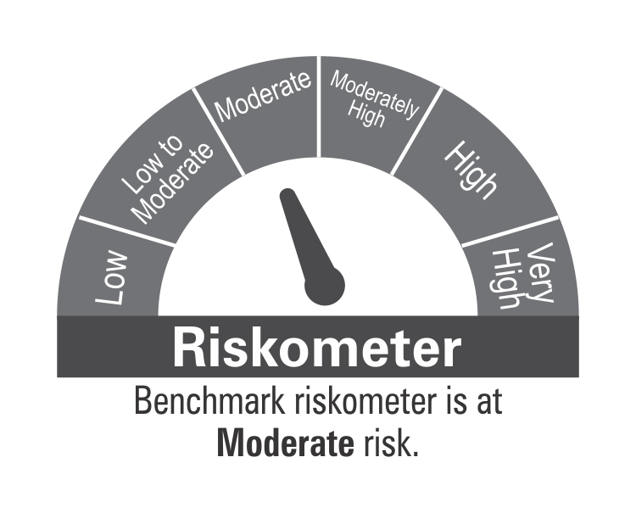
 | DSP Ultra Short Fund
 | Portfolio as on October 15, 2021

Sr. No. | Name of Instrument | ISIN | Rating/Industry | Quantity | Market value (Rs. In lakhs) | % to Net Assets | Maturity Date | Put/Call Option | YTM (%)

 | DEBT INSTRUMENTS
 | BOND & NCD's
 | Listed / awaiting listing on the stock exchanges |  |  |  |  |  |  |  |  | Sector/Rating | Percent
1 | National Highways Authority of India** | INE906B07FE6 | CRISIL AAA | 1,650 | 17,572.57 | 4.83% | 23-Dec-2021 |  | 3.38 | CRISIL A1+ | 40.76%
2 | REC Limited** | INE020B08AK2 | CRISIL AAA | 1,250 | 12,889.48 | 3.54% | 07-Sep-2022 |  | 4.25 | CRISIL AAA | 23.75%
3 | LIC Housing Finance Limited** | INE115A07MJ1 | CRISIL AAA | 1,000 | 10,329.53 | 2.84% | 30-Aug-2022 |  | 4.55 | SOV | 16.57%
4 | REC Limited** | INE020B08CE1 | CRISIL AAA | 850 | 8,837.60 | 2.43% | 30-Jun-2022 |  | 4.00 | ICRA A1+ | 5.31%
5 | National Bank for Agriculture and Rural Development** | INE261F08BL9 | CRISIL AAA | 750 | 7,872.04 | 2.16% | 13-Jun-2022 |  | 4.00 | ICRA AA+ | 2.44%
6 | Cholamandalam Investment and Finance Company Limited** | INE121A07PK0 | ICRA AA+ | 600 | 6,231.02 | 1.71% | 17-Jun-2022 |  | 4.83 | IND AAA | 0.73%
7 | Reliance Industries Limited** | INE002A08575 | CRISIL AAA | 500 | 5,336.80 | 1.47% | 08-Mar-2022 |  | 3.74 | Cash & Equivalent | 10.44%
8 | Power Finance Corporation Limited** | INE134E08KB3 | CRISIL AAA | 500 | 5,280.94 | 1.45% | 27-May-2022 |  | 4.00
9 | National Bank for Agriculture and Rural Development** | INE261F08BJ3 | CRISIL AAA | 500 | 5,266.11 | 1.45% | 23-May-2022 |  | 4.00
10 | LIC Housing Finance Limited** | INE115A07MG7 | CRISIL AAA | 500 | 5,188.96 | 1.43% | 15-Jul-2022 |  | 4.55
11 | Mahindra & Mahindra Financial Services Limited** | INE774D07QG6 | IND AAA | 250 | 2,674.73 | 0.73% | 30-Nov-2021 |  | 3.72
12 | Sundaram Home Finance Limited** | INE667F07HQ5 | ICRA AA+ | 250 | 2,659.37 | 0.73% | 03-Feb-2022 |  | 4.29
13 | Housing Development Finance Corporation Limited** | INE001A07QT3 | CRISIL AAA | 25 | 2,610.67 | 0.72% | 20-Jun-2022 |  | 4.25
14 | Housing Development Finance Corporation Limited** | INE001A07SM4 | CRISIL AAA | 250 | 2,609.67 | 0.72% | 19-May-2022 |  | 4.25
15 | LIC Housing Finance Limited** | INE115A07OG3 | CRISIL AAA | 250 | 2,586.00 | 0.71% | 23-Sep-2022 |  | 4.55
 | Total |  |  |  | 97,945.49 | 26.92%

 | Government Securities (Central/State)
16 | 8.20% GOI 15022022 | IN0020060037 | SOV | 21,000,000 | 21,611.45 | 5.94% | 15-Feb-2022 |  | 3.45
 | Total |  |  |  | 21,611.45 | 5.94%

 | MONEY MARKET INSTRUMENTS
 | Certificate of Deposit
17 | Export-Import Bank of India** | INE514E16BV6 | CRISIL A1+ | 25,000 | 24,867.55 | 6.83% | 14-Dec-2021 |  | 3.30
18 | Axis Bank Limited** | INE238A167U1 | CRISIL A1+ | 10,000 | 9,965.08 | 2.74% | 24-Nov-2021 |  | 3.28
19 | Axis Bank Limited** | INE238A165W1 | CRISIL A1+ | 2,000 | 9,886.71 | 2.72% | 10-Feb-2022 |  | 3.57
20 | IDFC First Bank Limited** | INE092T16QQ9 | CRISIL A1+ | 10,000 | 9,851.60 | 2.71% | 14-Mar-2022 |  | 3.69
21 | Small Industries Development Bank of India** | INE556F16861 | CRISIL A1+ | 10,000 | 9,845.92 | 2.70% | 25-Mar-2022 |  | 3.57
22 | Axis Bank Limited** | INE238A167W7 | CRISIL A1+ | 2,000 | 9,797.69 | 2.69% | 28-Apr-2022 |  | 3.89
23 | IDFC First Bank Limited** | INE092T16PQ1 | CRISIL A1+ | 5,000 | 4,977.98 | 1.37% | 03-Dec-2021 |  | 3.36
 | Total |  |  |  | 79,192.53 | 21.76%

 | Commercial Papers
 | Listed / awaiting listing on the stock exchanges
24 | ICICI Securities Limited** | INE763G14KK3 | CRISIL A1+ | 3,000 | 14,736.76 | 4.05% | 25-Mar-2022 |  | 4.08
25 | Bharti Hexacom Limited** | INE343G14305 | CRISIL A1+ | 2,300 | 11,486.02 | 3.16% | 29-Oct-2021 |  | 3.42
26 | Cholamandalam Investment and Finance Company Limited** | INE121A14TM4 | CRISIL A1+ | 2,000 | 9,885.51 | 2.72% | 28-Jan-2022 |  | 4.06
27 | Tata Capital Housing Finance Limited** | INE033L14LP8 | CRISIL A1+ | 2,000 | 9,717.42 | 2.67% | 28-Jun-2022 |  | 4.16
28 | Bahadur Chand Investments Private Limited** | INE087M14AE9 | ICRA A1+ | 2,000 | 9,507.42 | 2.61% | 16-Sep-2022 |  | 5.65
29 | Sharekhan BNP Paribas Financial Services Limited** | INE550X14557 | ICRA A1+ | 1,000 | 4,977.95 | 1.37% | 29-Nov-2021 |  | 3.67
30 | Export-Import Bank of India** | INE514E14PY5 | CRISIL A1+ | 1,000 | 4,923.05 | 1.35% | 24-Mar-2022 |  | 3.59
31 | Hero Fincorp Limited** | INE957N14EX3 | CRISIL A1+ | 1,000 | 4,852.21 | 1.33% | 16-Jun-2022 |  | 4.58
32 | Axis Securities Limited** | INE110O14302 | ICRA A1+ | 1,000 | 4,840.07 | 1.33% | 24-Jun-2022 |  | 4.81
33 | Housing Development Finance Corporation Limited** | INE001A14XU3 | CRISIL A1+ | 1,000 | 4,829.32 | 1.33% | 12-Aug-2022 |  | 4.30
34 | Housing Development Finance Corporation Limited** | INE001A14XS7 | CRISIL A1+ | 1,000 | 4,823.83 | 1.33% | 22-Aug-2022 |  | 4.30
35 | Infina Finance Private Limited** | INE879F14EE5 | CRISIL A1+ | 800 | 3,871.26 | 1.06% | 28-Jun-2022 |  | 4.76
 | Total |  |  |  | 88,450.82 | 24.31%

 | Treasury Bill
36 | 182 DAY T-BILL 02122021 | IN002021Y098 | SOV | 10,000,000 | 9,958.33 | 2.74% | 02-Dec-2021 |  | 3.25
37 | 182 DAY T-BILL 16122021 | IN002021Y114 | SOV | 10,000,000 | 9,946.23 | 2.73% | 16-Dec-2021 |  | 3.24
38 | 182 DAY T-BILL 23122021 | IN002021Y122 | SOV | 10,000,000 | 9,939.63 | 2.73% | 23-Dec-2021 |  | 3.26
39 | 364 DAY T-BILL 30032022 | IN002020Z527 | SOV | 5,000,000 | 4,921.47 | 1.35% | 30-Mar-2022 |  | 3.53
40 | 182 DAY T-BILL 09122021 | IN002021Y106 | SOV | 3,948,800 | 3,929.90 | 1.08% | 09-Dec-2021 |  | 3.25
 | Total |  |  |  | 38,695.56 | 10.63%

41 | TREPS / Reverse Repo Investments / Corporate Debt Repo |  |  |  | 41,251.74 | 11.33% | 18-Oct-2021
 | Total |  |  |  | 41,251.74 | 11.33%

 | Cash & Cash Equivalent
 | Net Receivables/Payables |  |  |  | (3,118.03) | -0.89%
 | Total |  |  |  | (3,118.03) | -0.89%

 | GRAND TOTAL |  |  |  | 364,029.56 | 100.00%
Notes:
1 | ** Non Traded in accordance with SEBI Regulations
2 | Market value includes accrued interest
3 | Pursuant to SEBI circular SEBI/HO/IMD/DF4/CIR/P/2019/102 dated September 24, 2019 read with circular no. SEBI/HO/IMD/DF4/CIR/P/2019/41 dated March 22, 2019. Below are the details of the securities in case of which issuer has defaulted beyond its maturity date.
 | Security Name | ISIN | value of the security considered under net receivables (i.e. value recognized in NAV in absolute terms and as % to NAV) (Rs.in lakhs) |  | total amount (including principal and interest) that is due to the scheme on that investment (Rs.in lakhs)
 | 0% IL&FS Transportation Networks Limited NCD Series A 23032019 | INE975G08140 | 0.00 | 0.00% | 6,627.81

 | Scheme Riskometer

 | Benchmark Riskometer
 | CRISIL Ultra Short Term Debt Index

CREDITRISK
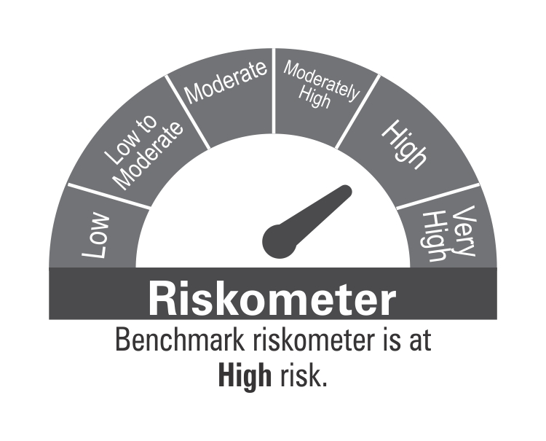
 | DSP Credit Risk Fund
 | Portfolio as on October 15, 2021

Sr. No. | Name of Instrument | ISIN | Rating/Industry | Quantity | Market value (Rs. In lakhs) | % to Net Assets | Maturity Date | Put/Call Option | YTM (%)

 | DEBT INSTRUMENTS
 | BOND & NCD's
 | Listed / awaiting listing on the stock exchanges |  |  |  |  |  |  |  |  | Sector/Rating | Percent
1 | Tata Motors Limited** | INE155A08191 | ICRA AA- | 200 | 2,232.57 | 8.95% | 20-Aug-2024 |  | 5.84 | CRISIL AA+ | 15.52%
2 | Godrej Industries Limited** | INE233A08048 | CRISIL AA | 200 | 2,102.41 | 8.43% | 14-May-2025 |  | 6.20 | CRISIL AA | 12.44%
3 | Tata Realty And Infrastructure Limited** | INE371K08177 | ICRA AA | 200 | 2,101.61 | 8.43% | 23-Sep-2022 |  | 4.92 | SOV | 10.70%
4 | Bharti Hexacom Limited** | INE343G08026 | CRISIL AA+ | 200 | 2,023.35 | 8.11% | 30-Apr-2024 |  | 5.78 | ICRA AA- | 8.95%
5 | Manappuram Finance Limited** | INE522D07BG1 | CARE AA | 150 | 1,614.66 | 6.48% | 14-Feb-2022 |  | 4.50 | ICRA AA | 8.43%
6 | Telesonic Networks Limited** | INE308O08015 | CRISIL AA+ | 130 | 1,318.08 | 5.29% | 28-Apr-2023 |  | 5.15 | CARE AA | 6.48%
7 | Aditya Birla Fashion and Retail Limited** | INE647O08107 | CRISIL AA | 100 | 1,000.69 | 4.01% | 09-Sep-2024 |  | 5.99 | Cash & Equivalent | 37.48%
8 | Hindalco Industries Limited** | INE038A07274 | CRISIL AA+ | 50 | 528.68 | 2.12% | 02-Aug-2022 |  | 4.60
 | Total |  |  |  | 12,922.05 | 51.82%

 | Government Securities (Central/State)
9 | 6.79% GOI 15052027 | IN0020170026 | SOV | 2,500,000 | 2,667.27 | 10.70% | 15-May-2027 |  | 5.97
 | Total |  |  |  | 2,667.27 | 10.70%

 | MONEY MARKET INSTRUMENTS
10 | TREPS / Reverse Repo Investments / Corporate Debt Repo |  |  |  | 6,404.33 | 25.68% | 18-Oct-2021
 | Total |  |  |  | 6,404.33 | 25.68%

 | Cash & Cash Equivalent
 | Net Receivables/Payables |  |  |  | 2,942.09 | 11.80%
 | Total |  |  |  | 2,942.09 | 11.80%

 | GRAND TOTAL |  |  |  | 24,935.74 | 100.00%
Notes:
1 | ** Non Traded in accordance with SEBI Regulations
2 | Market value includes accrued interest
3 | @security is below investment grade or default
4 | In case of below securities, DSP Mutual Fund has ignored prices provided by valuation agencies. Disclosure vide circular no. SEBI/HO/IMD/DF4/CIR/P/2019/41 dated March 22, 2019 & SEBI/HO/IMD/DF4/CIR/P/2019/102 dated September 24,2019 for detailed rationale along with other details are available at the below mentioned links
 | Name of the securities | No of Instances | Links
 | 0% Sintex Bapl Limited NCD Series B 31122021 | 309 | https://www.dspim.com/media/pages/mandatory-disclosures/disclosures-for-deviation-in-valuation-price/9560565842-1616167083/sintex-bapl-limited.pdf
 | 0% Sintex Bapl Limited NCD Series C 31122022 | 309 | https://www.dspim.com/media/pages/mandatory-disclosures/disclosures-for-deviation-in-valuation-price/9560565842-1616167083/sintex-bapl-limited.pdf
 | 0% Sintex Bapl Limited NCD Series A 31122020 | 309 | https://www.dspim.com/media/pages/mandatory-disclosures/disclosures-for-deviation-in-valuation-price/9560565842-1616167083/sintex-bapl-limited.pdf
 | Il&Fs Energy Development Company Limited (Maturity Date : 28-Jun-2019) | 309 | https://www.dspim.com/media/pages/mandatory-disclosures/disclosures-for-deviation-in-valuation-price/52517897e3-1616167083/il-amp-fs-energy-devlopment-company-limited.pdf
 | Il&Fs Energy Development Company Limited (Maturity Date : 07-Jun-2019) | 309 | https://www.dspim.com/media/pages/mandatory-disclosures/disclosures-for-deviation-in-valuation-price/52517897e3-1616167083/il-amp-fs-energy-devlopment-company-limited.pdf
5 | Pursuant to SEBI circular SEBI/HO/IMD/DF4/CIR/P/2019/102 dated September 24, 2019 read with circular no. SEBI/HO/IMD/DF4/CIR/P/2019/41 dated March 22, 2019. Below are the details of the securities in case of which issuer has defaulted beyond its maturity date
 | Security Name | ISIN | value of the security considered under net receivables (i.e. value recognized in NAV in absolute terms and as % to NAV) (Rs.in lakhs) |  | total amount (including principal and interest) that is due to the scheme on that investment (Rs.in lakhs)
 | 0% IL&Fs Transportation Networks Limited Ncd Series A 23032019 | INE975G08140 | 0.00 | 0.00% | 23,396.18
 | 0% IL&Fs Energy Development Company Limited Ncd 07062019 | INE938L08049 | 0.00 | 0.00% | 13,861.96
 | 0% IL&FS Energy Development Company Limited Ncd 28062019 | INE938L08056 | 0.00 | 0.00% | 10,645.02
 | 0% SINTEX BAPL LTD S- A 31DEC20 ZCB | INE631U07027 | 965.55 | 3.87% | 4,357.70
 | 0% SINTEX BAPL LTD S- B 31DEC21 ZCB# | INE631U07035 | 965.55 | 3.87% | 4,760.79
 | 0% SINTEX BAPL LTD S- C 31DEC22 ZCB# | INE631U07043 | 965.55 | 3.87% | 5,201.16
 | # Deemed matured on account of acceleration triggered by DSP Trustee Private Limited in the light of rights availed under Debenture Trust Deed

 | Scheme Riskometer

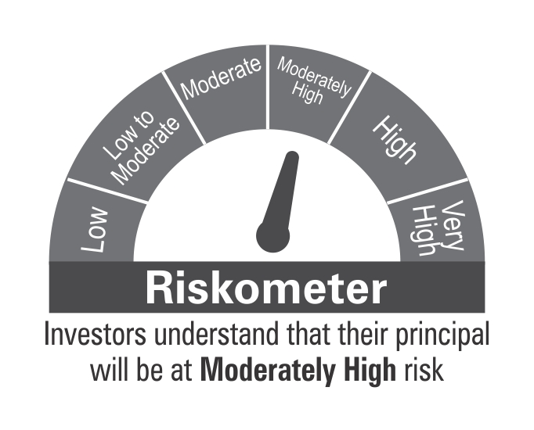

 | Benchmark Riskometer
 | CRISIL Short Term Credit Risk Index

STR
 | DSP Strategic Bond Fund
 | Portfolio as on October 15, 2021

Sr. No. | Name of Instrument | ISIN | Rating/Industry | Quantity | Market value (Rs. In lakhs) | % to Net Assets | Maturity Date | Put/Call Option | YTM (%)

 | DEBT INSTRUMENTS
 | BOND & NCD's
 | Listed / awaiting listing on the stock exchanges |  |  |  |  |  |  |  |  | Sector/Rating | Percent
1 | REC Limited** | INE020B08DF6 | CRISIL AAA | 250 | 2,626.69 | 3.69% | 20-Dec-2025 |  | 6.00 | SOV | 48.83%
2 | Food Corporation Of India** | INE861G08084 | CRISIL AAA(CE) | 250 | 2,538.43 | 3.57% | 13-Aug-2031 |  | 7.04 | CRISIL AAA | 5.84%
3 | Housing Development Finance Corporation Limited** | INE001A07SR3 | CRISIL AAA | 150 | 1,532.74 | 2.15% | 29-Sep-2025 |  | 5.88 | CRISIL AAA(CE) | 3.57%
 | Total |  |  |  | 6,697.86 | 9.41% |  |  |  | Cash & Equivalent | 41.76%

 | Government Securities (Central/state)
4 | 5.63% GOI 12042026 | IN0020210012 | SOV | 17,000,000 | 16,981.14 | 23.86% | 12-Apr-2026 |  | 5.67
5 | 7.59% GOI 11012026 | IN0020150093 | SOV | 5,000,000 | 5,462.82 | 7.67% | 11-Jan-2026 |  | 5.64
6 | 7.17% GOI 08012028 | IN0020170174 | SOV | 4,500,000 | 4,825.87 | 6.78% | 08-Jan-2028 |  | 6.13
7 | 6.79% GOI 15052027 | IN0020170026 | SOV | 4,500,000 | 4,801.08 | 6.74% | 15-May-2027 |  | 5.97
8 | 7.26% GOI 14012029 | IN0020180454 | SOV | 2,500,000 | 2,688.96 | 3.78% | 14-Jan-2029 |  | 6.27
9 | 8.32% Karnataka SDL 13032029 | IN1920180206 | SOV | 2,100 | 2.31 | * | 13-Mar-2029 |  | 6.69
10 | 8.53% Gujarat SDL 20112028 | IN1520180192 | SOV | 800 | 0.92 | * | 20-Nov-2028 |  | 6.51
 | Total |  |  |  | 34,763.10 | 48.83%

 | MONEY MARKET INSTRUMENTS
11 | TREPS / Reverse Repo Investments / Corporate Debt Repo |  |  |  | 29,325.66 | 41.20% | 18-Oct-2021
 | Total |  |  |  | 29,325.66 | 41.20%

 | Cash & Cash Equivalent
 | Cash Margin |  |  |  | 350.00 | 0.49%
 | Net Receivables/Payables |  |  |  | 43.32 | 0.07%
 | Total |  |  |  | 393.32 | 0.56%

 | GRAND TOTAL |  |  |  | 71,179.94 | 100.00%
Notes:
1 | ** Non Traded in accordance with SEBI Regulations
2 | Market value includes accrued interest
3 | * Less than 0.01%

 | Scheme Riskometer


 | Benchmark Riskometer
 | CRISIL Composite Bond Fund Index

 | Crisil Composite Bond Fund Index

REGULARSAVINGS
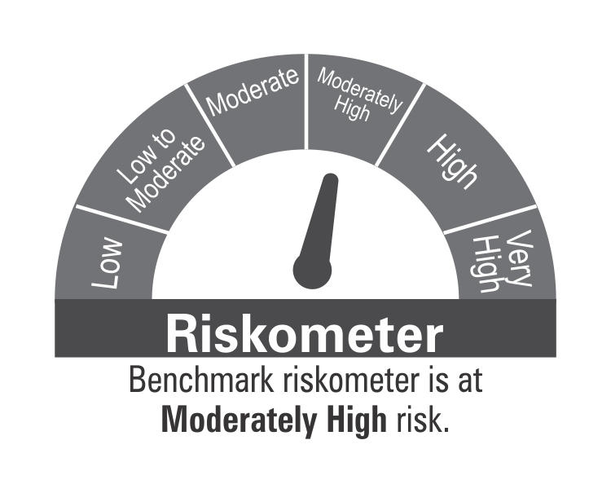
 | DSP Regular Savings Fund
 | Portfolio as on October 15, 2021

Sr. No. | Name of Instrument | ISIN | Rating/Industry | Quantity | Market value (Rs. In lakhs) | % to Net Assets | Maturity Date | Put/Call Option | YTM (%)

 | EQUITY & EQUITY RELATED
 | Listed / awaiting listing on the stock exchanges
1 | HCL Technologies Limited | INE860A01027 | Software | 52,613 | 658.27 | 2.83% |  |  |  | Sector/Rating | Percent
2 | HDFC Bank Limited | INE040A01034 | Banks | 29,519 | 498.10 | 2.14% |  |  |  | CRISIL AAA | 53.53%
3 | ITC Limited | INE154A01025 | Consumer Non Durables | 138,032 | 354.12 | 1.52% |  |  |  | SOV | 13.81%
4 | Tata Consultancy Services Limited | INE467B01029 | Software | 8,910 | 321.78 | 1.38% |  |  |  | Software | 4.21%
5 | Max Financial Services Limited | INE180A01020 | Insurance | 30,742 | 303.81 | 1.30% |  |  |  | Power | 3.64%
6 | IPCA Laboratories Limited | INE571A01020 | Pharmaceuticals | 11,678 | 282.86 | 1.21% |  |  |  | Pharmaceuticals | 2.80%
7 | Aptus Value Housing Finance India Limited | INE852O01025 | Finance | 84,000 | 273.84 | 1.18% |  |  |  | Finance | 2.33%
8 | Manappuram Finance Limited | INE522D01027 | Finance | 137,155 | 267.86 | 1.15% |  |  |  | IND AAA | 2.29%
9 | ICICI Lombard General Insurance Company Limited | INE765G01017 | Insurance | 14,520 | 220.74 | 0.95% |  |  |  | Insurance | 2.25%
10 | Cipla Limited | INE059A01026 | Pharmaceuticals | 20,991 | 191.30 | 0.82% |  |  |  | Banks | 2.14%
11 | JB Chemicals & Pharmaceuticals Limited | INE572A01028 | Pharmaceuticals | 9,951 | 179.10 | 0.77% |  |  |  | Consumer Non Durables | 1.52%
12 | Coromandel International Limited | INE169A01031 | Fertilisers | 19,369 | 167.19 | 0.72% |  |  |  | Fertilisers | 0.72%
13 | Crompton Greaves Consumer Electricals Limited | INE299U01018 | Consumer Durables | 34,239 | 162.50 | 0.70% |  |  |  | Consumer Durables | 0.70%
14 | UltraTech Cement Limited | INE481G01011 | Cement & Cement Products | 2,094 | 154.86 | 0.66% |  |  |  | Cement & Cement Products | 0.66%
 | Total |  |  |  | 4,036.33 | 17.33% |  |  |  | Cash & Equivalent | 9.40%

 | Units issued by REITs & InvITs
 | Listed / awaiting listing on the stock exchanges
15 | Powergrid Infrastructure Investment Trust | INE0GGX23010 | Power | 699,600 | 848.54 | 3.64%
 | Total |  |  |  | 848.54 | 3.64%

 | DEBT INSTRUMENTS
 | BOND & NCD's
 | Listed / awaiting listing on the stock exchanges
16 | Indian Railway Finance Corporation Limited** | INE053F07BB3 | CRISIL AAA | 150 | 1,610.12 | 6.91% | 28-Feb-2024 |  | 4.92
17 | National Bank for Agriculture and Rural Development** | INE261F08BO3 | CRISIL AAA | 150 | 1,544.97 | 6.63% | 19-Sep-2022 |  | 4.18
18 | Power Grid Corporation of India Limited** | INE752E07NK9 | CRISIL AAA | 100 | 1,163.79 | 5.00% | 23-Dec-2025 |  | 5.67
19 | Power Finance Corporation Limited** | INE134E08KD9 | CRISIL AAA | 100 | 1,095.91 | 4.70% | 04-Jun-2024 |  | 5.32
20 | REC Limited** | INE020B08CK8 | CRISIL AAA | 100 | 1,077.23 | 4.62% | 20-Mar-2025 |  | 5.75
21 | Indian Oil Corporation Limited** | INE242A08452 | CRISIL AAA | 100 | 1,073.35 | 4.61% | 06-Mar-2025 |  | 5.25
22 | National Highways Authority of India** | INE906B07FG1 | CRISIL AAA | 100 | 1,059.59 | 4.55% | 18-Mar-2022 |  | 3.60
23 | Power Finance Corporation Limited** | INE134E08LF2 | CRISIL AAA | 250 | 776.73 | 3.33% | 30-Jun-2025 |  | 5.82
24 | Hindustan Petroleum Corporation Limited** | INE094A08036 | CRISIL AAA | 70 | 740.36 | 3.18% | 14-Aug-2024 |  | 5.21
25 | Export-Import Bank of India** | INE514E08EK0 | CRISIL AAA | 50 | 568.02 | 2.44% | 03-Feb-2025 |  | 5.40
26 | Housing Development Finance Corporation Limited** | INE001A07SG6 | CRISIL AAA | 50 | 548.09 | 2.35% | 10-Feb-2025 |  | 5.77
27 | Export-Import Bank of India** | INE514E08FT8 | CRISIL AAA | 50 | 534.79 | 2.30% | 18-Feb-2025 |  | 5.40
28 | GAIL (India) Limited** | INE129A07214 | IND AAA | 50 | 534.01 | 2.29% | 23-Feb-2024 | CA - 23-Feb-2022 | 3.94
29 | Power Grid Corporation of India Limited** | INE752E07LV0 | CRISIL AAA | 40 | 435.57 | 1.87% | 20-Oct-2021 |  | 3.22
30 | NTPC Limited** | INE733E07JP6 | CRISIL AAA | 1,736,927 | 243.33 | 1.04% | 25-Mar-2025 |  | 5.41
 | Total |  |  |  | 13,005.86 | 55.82%

 | Government Securities (Central/State)
31 | 7.32% GOI 28012024 | IN0020180488 | SOV | 1,500,000 | 1,610.37 | 6.91% | 28-Jan-2024 |  | 4.62
32 | 6.18% GOI 04112024 | IN0020190396 | SOV | 1,000,000 | 1,062.06 | 4.56% | 04-Nov-2024 |  | 4.95
33 | 7.59% GOI 11012026 | IN0020150093 | SOV | 500,000 | 546.28 | 2.34% | 11-Jan-2026 |  | 5.64
 | Total |  |  |  | 3,218.71 | 13.81%

 | MONEY MARKET INSTRUMENTS
34 | TREPS / Reverse Repo Investments / Corporate Debt Repo |  |  |  | 2,069.63 | 8.88% | 18-Oct-2021
 | Total |  |  |  | 2,069.63 | 8.88%

 | Cash & Cash Equivalent
 | Net Receivables/Payables |  |  |  | 119.35 | 0.52%
 | Total |  |  |  | 119.35 | 0.52%

 | GRAND TOTAL |  |  |  | 23,298.42 | 100.00%
Notes:
1 | ** Non Traded in accordance with SEBI Regulations
2 | Market value includes accrued interest
3 | Pursuant to SEBI circular SEBI/HO/IMD/DF4/CIR/P/2019/102 dated September 24, 2019 read with circular no. SEBI/HO/IMD/DF4/CIR/P/2019/41 dated March 22, 2019. Below are the details of the securities in case of which issuer has defaulted beyond its maturity date.
 | Security Name | ISIN | value of the security considered under net receivables (i.e. value recognized in NAV in absolute terms and as % to NAV) (Rs.in lakhs) |  | total amount (including principal and interest) that is due to the scheme on that investment (Rs.in lakhs)
 | 0% IL&FS Transportation Networks Limited Ncd Series A 23032019 | INE975G08140 | 0.00 | 0.00% | 1,855.79

 | Scheme Riskometer

 | Benchmark Riskometer
 | CRISIL Hybrid 85+15 - Conservative Index

OVERNIGHT
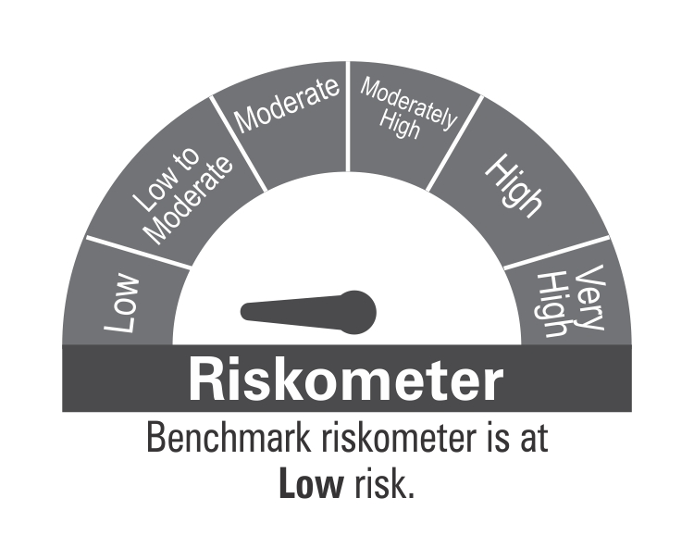
 | DSP Overnight Fund
 | Portfolio as on October 15, 2021

Sr. No. | Name of Instrument | ISIN | Rating/Industry | Quantity | Market value (Rs. In lakhs) | % to Net Assets | Maturity Date | Put/Call Option | YTM (%)

 | MONEY MARKET INSTRUMENTS
1 | TREPS / Reverse Repo Investments / Corporate Debt Repo |  |  |  | 212,901.97 | 99.19% | 18-Oct-2021
 | Total |  |  |  | 212,901.97 | 99.19%

 | Cash & Cash Equivalent
 | Net Receivables/Payables |  |  |  | 1,738.57 | 0.81%
 | Total |  |  |  | 1,738.57 | 0.81%

 | GRAND TOTAL |  |  |  | 214,640.54 | 100.00%
Notes:
1 | Market value includes accrued interest
2 | As per the investment policy of DSP Overnight Fund , the Fund does not invest in Corporate Debt Repo

 | Scheme Riskometer

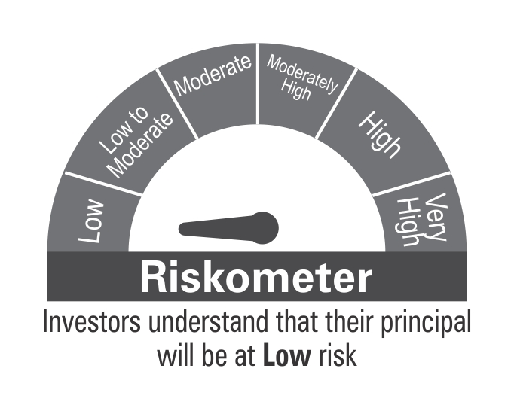

 | Benchmark Riskometer
 | CRISIL Overnight Index

