LIQUID

 | DSP Liquidity Fund
 | Portfolio as on February 28, 2022

Sr. No. | Name of Instrument | ISIN | Rating/Industry | Quantity | Market value (Rs. In lakhs) | % to Net Assets | Maturity Date | Put/Call Option | YTM (%)

 | DEBT INSTRUMENTS
 | BOND & NCD's
 | Listed / awaiting listing on the stock exchanges |  |  |  |  |  |  |  |  | Sector/Rating | Percent
1 | Housing Development Finance Corporation Limited** | INE001A07SM4 | CRISIL AAA | 3,350 | 35,524.38 | 3.87% | 19-May-2022 | - | 4.17 | CRISIL A1+ | 32.56%
 | Total |  |  |  | 35,524.38 | 3.87% |  |  |  | IND A1+ | 7.58%
 |  |  |  |  |  |  |  |  |  | SOV | 5.54%
 | MONEY MARKET INSTRUMENTS |  |  |  |  |  |  |  |  | CRISIL AAA | 3.87%
 | Certificate of Deposit |  |  |  |  |  |  |  |  | Cash & Equivalent | 50.45%
2 | Bank of Baroda** | INE028A16CN0 | IND A1+ | 6,000 | 29,778.72 | 3.25% | 10-May-2022 |  | 3.87
3 | Canara Bank | INE476A16SO5 | CRISIL A1+ | 4,000 | 19,836.80 | 2.16% | 17-May-2022 |  | 3.90
 | Total |  |  |  | 49,615.52 | 5.41%

 | Commercial Papers
 | Listed / awaiting listing on the stock exchanges
4 | Kotak Securities Ltd** | INE028E14JK8 | CRISIL A1+ | 7,000 | 34,938.75 | 3.81% | 17-Mar-2022 |  | 4.00
5 | Housing Development Finance Corporation Limited** | INE001A14YF2 | CRISIL A1+ | 6,000 | 29,844.96 | 3.25% | 18-Apr-2022 |  | 3.95
6 | Tata Steel Limited** | INE081A14CF0 | IND A1+ | 6,000 | 29,840.49 | 3.25% | 18-Apr-2022 |  | 4.07
7 | HDFC Securities Limited** | INE700G14AU5 | CRISIL A1+ | 4,000 | 19,883.70 | 2.17% | 20-Apr-2022 |  | 4.27
8 | ICICI Securities Limited** | INE763G14LW6 | CRISIL A1+ | 4,000 | 19,818.34 | 2.16% | 17-May-2022 |  | 4.35
9 | National Bank for Agriculture and Rural Development** | INE261F14IP3 | CRISIL A1+ | 4,000 | 19,816.80 | 2.16% | 25-May-2022 |  | 3.97
10 | Reliance Retail Ventures Limited** | INE929O14552 | CRISIL A1+ | 4,000 | 19,804.68 | 2.16% | 30-May-2022 |  | 4.00
11 | Reliance Jio Infocomm Limited** | INE110L14QN8 | CRISIL A1+ | 3,000 | 14,922.78 | 1.63% | 18-Apr-2022 |  | 3.94
12 | Bajaj Financial Securities Limited** | INE01C314197 | CRISIL A1+ | 3,000 | 14,896.47 | 1.62% | 29-Apr-2022 |  | 4.30
13 | Tata Realty And Infrastructure Limited** | INE371K14AW3 | CRISIL A1+ | 3,000 | 14,850.25 | 1.62% | 25-May-2022 |  | 4.33
14 | Reliance Retail Ventures Limited** | INE929O14495 | CRISIL A1+ | 2,000 | 9,977.84 | 1.09% | 23-Mar-2022 |  | 3.68
15 | Julius Baer Capital (India) Private Limited** | INE824H14GI3 | CRISIL A1+ | 2,000 | 9,974.42 | 1.09% | 23-Mar-2022 |  | 4.25
16 | Julius Baer Capital (India) Private Limited** | INE824H14GN3 | CRISIL A1+ | 2,000 | 9,956.16 | 1.09% | 06-Apr-2022 |  | 4.47
17 | Chennai Petroleum Corporation Limited** | INE178A14HH9 | CRISIL A1+ | 2,000 | 9,949.17 | 1.08% | 18-Apr-2022 |  | 3.89
18 | Julius Baer Capital (India) Private Limited** | INE824H14GJ1 | CRISIL A1+ | 1,500 | 7,482.56 | 0.82% | 21-Mar-2022 |  | 4.26
19 | Julius Baer Capital (India) Private Limited** | INE824H14GM5 | CRISIL A1+ | 1,500 | 7,462.57 | 0.81% | 11-Apr-2022 |  | 4.47
20 | Godrej Industries Limited** | INE233A14UF9 | CRISIL A1+ | 1,500 | 7,431.34 | 0.81% | 24-May-2022 |  | 4.01
21 | Small Industries Development Bank of India** | INE556F14HZ7 | CRISIL A1+ | 1,400 | 6,979.90 | 0.76% | 30-Mar-2022 |  | 3.63
22 | CEAT Limited** | INE482A14AW9 | IND A1+ | 1,000 | 4,994.85 | 0.54% | 11-Mar-2022 |  | 3.77
23 | ICICI Securities Limited** | INE763G14JZ3 | CRISIL A1+ | 1,000 | 4,994.63 | 0.54% | 11-Mar-2022 |  | 3.92
24 | Cholamandalam Investment and Finance Company Limited** | INE121A14TH4 | CRISIL A1+ | 1,000 | 4,992.93 | 0.54% | 14-Mar-2022 |  | 3.98
25 | CEAT Limited** | INE482A14AX7 | IND A1+ | 1,000 | 4,972.07 | 0.54% | 20-Apr-2022 |  | 4.10
26 | KEC International Limited** | INE389H14HT2 | CRISIL A1+ | 1,000 | 4,946.12 | 0.54% | 27-May-2022 |  | 4.57
27 | Standard Chartered Investments and Loans (India) Limited** | INE403G14OF8 | CRISIL A1+ | 700 | 3,493.63 | 0.38% | 17-Mar-2022 |  | 4.16
28 | ICICI Securities Limited** | INE763G14KK3 | CRISIL A1+ | 500 | 2,493.36 | 0.27% | 25-Mar-2022 |  | 4.05
 | Total |  |  |  | 318,718.77 | 34.73%

 | Treasury Bill
29 | 91 DAY T-BILL 05052022 | IN002021X512 | SOV | 30,000,000 | 29,803.62 | 3.25% | 05-May-2022 |  | 3.70
30 | 91 DAY T-BILL 03032022 | IN002021X389 | SOV | 21,000,000 | 20,996.14 | 2.29% | 03-Mar-2022 |  | 3.36
 | Total |  |  |  | 50,799.76 | 5.54%

31 | TREPS / Reverse Repo Investments / Corporate Debt Repo# |  |  |  | 459,600.79 | 50.11% | 07-Mar-2022
 | Total |  |  |  | 459,600.79 | 50.11%

 | Cash & Cash Equivalent
 | Net Receivables/Payables |  |  |  | 2,986.96 | 0.34%
 | Total |  |  |  | 2,986.96 | 0.34%

 | GRAND TOTAL |  |  |  | 917,246.18 | 100.00%
Notes:
1 | **Non Traded in accordance with SEBI Regulations
2 | Market value includes accrued interest
3 | Net Assets does not include unit activity for the date of the Portfolios.
4 | As on February 28, 2022, the aggregate investments by the schemes of DSP Mutual Fund in DSP Liquidity Fund is Rs 2052.39 lakhs.
5 | # TREPS / Reverse Repo Investments / Corporate Debt Repo includes Repo with residual maturity greater than 30 days.

 | Scheme Riskometer



 | Benchmark Riskometer: Crisil Liquid Fund Index

ULTRA
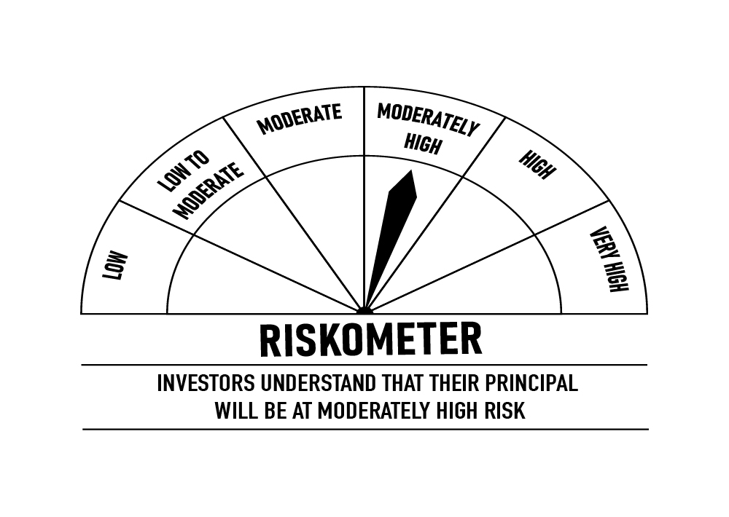
 | DSP Ultra Short Fund
 | Portfolio as on February 28, 2022

Sr. No. | Name of Instrument | ISIN | Rating/Industry | Quantity | Market value (Rs. In lakhs) | % to Net Assets | Maturity Date | Put/Call Option | YTM (%)

 | DEBT INSTRUMENTS
 | BOND & NCD's
 | Listed / awaiting listing on the stock exchanges |  |  |  |  |  |  |  |  | Sector/Rating | Percent
1 | REC Limited** | INE020B08AK2 | CRISIL AAA | 750 | 7,838.54 | 2.46% | 07-Sep-2022 | - | 4.63 | CRISIL A1+ | 55.23%
2 | Power Finance Corporation Limited** | INE134E08KB3 | CRISIL AAA | 500 | 5,357.26 | 1.68% | 27-May-2022 |  | 4.13 | SOV | 13.88%
3 | National Bank for Agriculture and Rural Development** | INE261F08BJ3 | CRISIL AAA | 500 | 5,343.65 | 1.68% | 23-May-2022 | - | 4.02 | IND A1+ | 9.92%
4 | Cholamandalam Investment and Finance Company Limited** | INE121A07PS3 | ICRA AA+ | 400 | 4,057.14 | 1.27% | 25-Nov-2022 |  | 5.38 | CRISIL AAA | 8.78%
5 | Cholamandalam Investment and Finance Company Limited** | INE121A07PK0 | ICRA AA+ | 350 | 3,699.73 | 1.16% | 17-Jun-2022 | - | 4.78 | ICRA A1+ | 4.60%
6 | National Bank for Agriculture and Rural Development** | INE261F08BL9 | CRISIL AAA | 250 | 2,661.63 | 0.84% | 13-Jun-2022 | - | 4.14 | ICRA AA+ | 2.43%
7 | LIC Housing Finance Limited** | INE115A07OG3 | CRISIL AAA | 250 | 2,626.00 | 0.82% | 23-Sep-2022 | - | 4.74 | Cash & Equivalent | 5.16%
8 | REC Limited** | INE020B08CG6 | CRISIL AAA | 250 | 2,577.10 | 0.81% | 31-Dec-2022 | - | 4.83
9 | Reliance Industries Limited** | INE002A08476 | CRISIL AAA | 150 | 1,569.24 | 0.49% | 31-Aug-2022 | - | 4.55
 | Total |  |  |  | 35,730.29 | 11.21%

 | Government Securities (Central/State)
10 | 8.15% GOI 11062022 | IN0020120013 | SOV | 15,000,000 | 15,441.53 | 4.85% | 11-Jun-2022 |  | 3.93
11 | 8.90% Rajasthan SDL 20092022 | IN2920120085 | SOV | 13,000,000 | 13,829.55 | 4.34% | 20-Sep-2022 |  | 4.45
 | Total |  |  |  | 29,271.08 | 9.19%

 | MONEY MARKET INSTRUMENTS
 | Certificate of Deposit
12 | IDFC First Bank Limited** | INE092T16QQ9 | CRISIL A1+ | 10,000 | 9,986.93 | 3.14% | 14-Mar-2022 |  | 3.67
13 | Axis Bank Limited** | INE238A167W7 | CRISIL A1+ | 2,000 | 9,938.88 | 3.12% | 28-Apr-2022 |  | 3.87
14 | Canara Bank** | INE476A16SQ0 | CRISIL A1+ | 2,000 | 9,852.02 | 3.09% | 08-Jul-2022 |  | 4.25
15 | Canara Bank** | INE476A16ST4 | CRISIL A1+ | 2,000 | 9,796.16 | 3.08% | 22-Aug-2022 |  | 4.37
16 | HDFC Bank Limited** | INE040A16CV8 | IND A1+ | 2,000 | 9,564.79 | 3.00% | 10-Feb-2023 |  | 4.80
17 | National Bank for Agriculture and Rural Development** | INE261F16645 | CRISIL A1+ | 2,000 | 9,551.22 | 3.00% | 14-Feb-2023 |  | 4.90
18 | HDFC Bank Limited** | INE040A16CM7 | IND A1+ | 1,500 | 7,410.30 | 2.33% | 21-Jun-2022 |  | 3.95
19 | Bank of Baroda** | INE028A16CJ8 | IND A1+ | 1,000 | 4,978.75 | 1.56% | 11-Apr-2022 |  | 3.80
20 | Axis Bank Limited** | INE238A162W8 | CRISIL A1+ | 5,000 | 4,962.15 | 1.56% | 11-May-2022 |  | 3.92
21 | HDFC Bank Limited** | INE040A16CP0 | IND A1+ | 1,000 | 4,876.44 | 1.53% | 26-Sep-2022 |  | 4.43
22 | Bank of Baroda** | INE028A16CO8 | IND A1+ | 1,000 | 4,780.65 | 1.50% | 14-Feb-2023 |  | 4.78
23 | Axis Bank Limited** | INE238A164X2 | CRISIL A1+ | 500 | 2,470.95 | 0.78% | 16-Jun-2022 |  | 4.01
24 | National Bank for Agriculture and Rural Development** | INE261F16611 | CRISIL A1+ | 500 | 2,396.61 | 0.75% | 18-Jan-2023 |  | 4.88
 | Total |  |  |  | 90,565.85 | 28.44%

 | Commercial Papers
 | Listed / awaiting listing on the stock exchanges
25 | Sikka Ports & Terminals Limited** | INE941D14170 | CRISIL A1+ | 4,000 | 19,770.50 | 6.21% | 10-Jun-2022 |  | 4.20
26 | Reliance Jio Infocomm Limited** | INE110L14QI8 | CRISIL A1+ | 3,000 | 14,811.50 | 4.65% | 20-Jun-2022 |  | 4.19
27 | Jamnagar Utilities & Power Private Limited** | INE936D14113 | CRISIL A1+ | 3,000 | 14,619.65 | 4.59% | 21-Sep-2022 |  | 4.66
28 | Tata Capital Housing Finance Limited** | INE033L14LP8 | CRISIL A1+ | 2,000 | 9,859.22 | 3.09% | 28-Jun-2022 |  | 4.38
29 | LIC Housing Finance Limited** | INE115A14DL2 | CRISIL A1+ | 2,000 | 9,759.38 | 3.06% | 12-Sep-2022 |  | 4.62
30 | Bahadur Chand Investments Private Limited** | INE087M14AE9 | ICRA A1+ | 2,000 | 9,707.84 | 3.05% | 16-Sep-2022 |  | 5.52
31 | Piramal Enterprises Limited** | INE140A14S22 | CRISIL A1+ | 1,500 | 7,425.16 | 2.33% | 29-Apr-2022 |  | 6.24
32 | Export-Import Bank of India | INE514E14PY5 | CRISIL A1+ | 1,000 | 4,988.84 | 1.57% | 24-Mar-2022 |  | 3.55
33 | Hero Fincorp Limited** | INE957N14EX3 | CRISIL A1+ | 1,000 | 4,934.90 | 1.55% | 16-Jun-2022 |  | 4.50
34 | Kotak Securities Ltd** | INE028E14JP7 | CRISIL A1+ | 1,000 | 4,927.27 | 1.55% | 24-Jun-2022 |  | 4.68
35 | Axis Securities Limited** | INE110O14302 | ICRA A1+ | 1,000 | 4,926.20 | 1.55% | 24-Jun-2022 |  | 4.76
36 | Housing Development Finance Corporation Limited** | INE001A14XU3 | CRISIL A1+ | 1,000 | 4,899.83 | 1.54% | 12-Aug-2022 |  | 4.55
37 | Housing Development Finance Corporation Limited** | INE001A14XS7 | CRISIL A1+ | 1,000 | 4,893.85 | 1.54% | 22-Aug-2022 |  | 4.55
38 | Motilal Oswal Financial Services Limited** | INE338I14DC2 | CRISIL A1+ | 1,000 | 4,876.40 | 1.53% | 19-Aug-2022 |  | 5.41
39 | Motilal Oswal Financial Services Limited** | INE338I14DE8 | CRISIL A1+ | 1,000 | 4,718.44 | 1.48% | 24-Feb-2023 |  | 6.05
40 | Infina Finance Private Limited** | INE879F14EE5 | CRISIL A1+ | 800 | 3,939.82 | 1.24% | 28-Jun-2022 |  | 4.69
41 | KEC International Limited** | INE389H14HN5 | CRISIL A1+ | 500 | 2,486.72 | 0.78% | 13-Apr-2022 |  | 4.54
 | Total |  |  |  | 131,545.52 | 41.31%

 | Treasury Bill
42 | 91 DAY T-BILL 12052022 | IN002021X520 | SOV | 10,000,000 | 9,927.69 | 3.12% | 12-May-2022 |  | 3.69
43 | 364 DAY T-BILL 30032022 | IN002020Z527 | SOV | 5,000,000 | 4,986.77 | 1.57% | 30-Mar-2022 |  | 3.34
 | Total |  |  |  | 14,914.46 | 4.69%

44 | TREPS / Reverse Repo Investments / Corporate Debt Repo |  |  |  | 16,735.97 | 5.25% | 02-Mar-2022
 | Total |  |  |  | 16,735.97 | 5.25%

 | Cash & Cash Equivalent
 | Net Receivables/Payables |  |  |  | (208.33) | -0.09%
 | Total |  |  |  | (208.33) | -0.09%

 | GRAND TOTAL |  |  |  | 318,554.84 | 100.00%
Notes:
1 | **Non Traded in accordance with SEBI Regulations
2 | Market value includes accrued interest
3 | Net Assets does not include unit activity for the date of the Portfolios.
4 | Pursuant to SEBI circular SEBI/HO/IMD/DF4/CIR/P/2019/102 dated September 24, 2019 read with circular no. SEBI/HO/IMD/DF4/CIR/P/2019/41 dated March 22, 2019. Below are the details of the securities in case of which issuer has defaulted beyond its maturity date.
 | Security Name | ISIN | value of the security considered under net receivables (i.e. value recognized in NAV in absolute terms and as % to NAV) (Rs.in lakhs) |  | total amount (including principal and interest) that is due to the scheme on that investment (Rs.in lakhs)
 | 0% IL&FS Transportation Networks Limited NCD Series A 23032019 | INE975G08140 | 0.00 | 0.00% | 6,627.81

 | Scheme Riskometer

 | Benchmark Riskometer: CRISIL Ultra Short Term Debt Index

CREDITRISK
 | DSP Credit Risk Fund
 | Portfolio as on February 28, 2022

Sr. No. | Name of Instrument | ISIN | Rating/Industry | Quantity | Market value (Rs. In lakhs) | % to Net Assets | Maturity Date | Put/Call Option | YTM (%)

 | DEBT INSTRUMENTS
 | BOND & NCD's
 | Listed / awaiting listing on the stock exchanges |  |  |  |  |  |  |  |  | Sector/Rating | Percent
1 | Tata Motors Limited** | INE155A08191 | ICRA AA- | 200 | 2,270.50 | 8.91% | 20-Aug-2024 |  | 6.04 | ICRA AA | 16.77%
2 | Tata Realty And Infrastructure Limited** | INE371K08177 | ICRA AA | 200 | 2,137.93 | 8.39% | 23-Sep-2022 |  | 5.07 | CRISIL AA | 14.45%
3 | Godrej Industries Limited** | INE233A08048 | CRISIL AA | 200 | 2,134.09 | 8.38% | 14-May-2025 |  | 6.49 | SOV | 10.21%
4 | Godrej Properties Limited** | INE484J08022 | ICRA AA | 200 | 2,134.08 | 8.38% | 31-Jul-2023 |  | 5.71 | ICRA AA- | 8.91%
5 | Bharti Hexacom Limited** | INE343G08026 | CRISIL AA+ | 200 | 2,056.96 | 8.07% | 30-Apr-2024 |  | 6.01 | CRISIL AA+ | 8.07%
6 | JSW Steel Limited** | INE019A07431 | IND AA | 150 | 1,601.18 | 6.28% | 12-Oct-2027 | PU - 10-Oct-2025, CA - 10-Oct-2025 | 7.52 | IND AA | 6.28%
7 | Aditya Birla Fashion and Retail Limited** | INE647O08107 | CRISIL AA | 100 | 1,017.98 | 4.00% | 09-Sep-2024 |  | 6.20 | Cash & Equivalent | 35.31%
8 | Manappuram Finance Limited** | INE522D07BC0 | CRISIL AA | 50 | 527.98 | 2.07% | 07-Nov-2022 |  | 5.72
 | Total |  |  |  | 13,880.70 | 54.48%

 | Government Securities (Central/State)
9 | 6.79% GOI 15052027 | IN0020170026 | SOV | 2,500,000 | 2,602.63 | 10.21% | 15-May-2027 |  | 6.31
 | Total |  |  |  | 2,602.63 | 10.21%

 | MONEY MARKET INSTRUMENTS
10 | TREPS / Reverse Repo Investments / Corporate Debt Repo |  |  |  | 6,047.88 | 23.74% | 02-Mar-2022
 | Total |  |  |  | 6,047.88 | 23.74%

 | Cash & Cash Equivalent
 | Net Receivables/Payables |  |  |  | 2,947.96 | 11.57%
 | Total |  |  |  | 2,947.96 | 11.57%

 | GRAND TOTAL |  |  |  | 25,479.17 | 100.00%
Notes:
1 | **Non Traded in accordance with SEBI Regulations
2 | Market value includes accrued interest
3 | Net Assets does not include unit activity for the date of the Portfolios.
5 | In case of below securities, DSP Mutual Fund has ignored prices provided by valuation agencies. Disclosure vide circular no. SEBI/HO/IMD/DF4/CIR/P/2019/41 dated March 22, 2019 & SEBI/HO/IMD/DF4/CIR/P/2019/102 dated September 24,2019 for detailed rationale along with other details are available at the below mentioned links
 | Name of the securities | No of Instances | Links
 | 0% Sintex Bapl Limited NCD Series B 31122021 | 309 | https://www.dspim.com/media/pages/mandatory-disclosures/disclosures-for-deviation-in-valuation-price/9560565842-1616167083/sintex-bapl-limited.pdf
 | 0% Sintex Bapl Limited NCD Series C 31122022 | 309 | https://www.dspim.com/media/pages/mandatory-disclosures/disclosures-for-deviation-in-valuation-price/9560565842-1616167083/sintex-bapl-limited.pdf
 | 0% Sintex Bapl Limited NCD Series A 31122020 | 309 | https://www.dspim.com/media/pages/mandatory-disclosures/disclosures-for-deviation-in-valuation-price/9560565842-1616167083/sintex-bapl-limited.pdf
 | Il&Fs Energy Development Company Limited (Maturity Date : 28-Jun-2019) | 309 | https://www.dspim.com/media/pages/mandatory-disclosures/disclosures-for-deviation-in-valuation-price/52517897e3-1616167083/il-amp-fs-energy-devlopment-company-limited.pdf
 | Il&Fs Energy Development Company Limited (Maturity Date : 07-Jun-2019) | 309 | https://www.dspim.com/media/pages/mandatory-disclosures/disclosures-for-deviation-in-valuation-price/52517897e3-1616167083/il-amp-fs-energy-devlopment-company-limited.pdf
6 | Pursuant to SEBI circular SEBI/HO/IMD/DF4/CIR/P/2019/102 dated September 24, 2019 read with circular no. SEBI/HO/IMD/DF4/CIR/P/2019/41 dated March 22, 2019. Below are the details of the securities in case of which issuer has defaulted beyond its maturity date
 | Security Name | ISIN | value of the security considered under net receivables (i.e. value recognized in NAV in absolute terms and as % to NAV) (Rs.in lakhs) |  | total amount (including principal and interest) that is due to the scheme on that investment (Rs.in lakhs)
 | 0% IL&Fs Transportation Networks Limited Ncd Series A 23032019 | INE975G08140 | 0.00 | 0.00% | 23,396.18
 | 0% IL&Fs Energy Development Company Limited Ncd 07062019 | INE938L08049 | 0.00 | 0.00% | 13,861.96
 | 0% IL&FS Energy Development Company Limited Ncd 28062019 | INE938L08056 | 0.00 | 0.00% | 10,645.02
 | 0% SINTEX BAPL LTD S- A 31DEC20 ZCB## | INE631U07027 | 965.55 | 3.79% | 4,357.70
 | 0% SINTEX BAPL LTD S- B 31DEC21 ZCB## | INE631U07035 | 965.55 | 3.79% | 4,760.79
 | 0% SINTEX BAPL LTD S- C 31DEC22 ZCB## | INE631U07043 | 965.55 | 3.79% | 5,201.16

 | ## Deemed matured on account of acceleration triggered by DSP Trustee Private Limited in the light of rights availed under Debenture Trust Deed

 | Scheme Riskometer

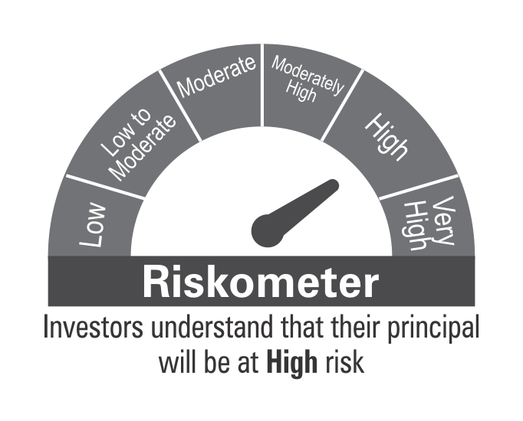

 | Benchmark Riskometer: CRISIL Short Term Credit Risk Index

BOND
 | DSP Bond Fund
 | Portfolio as on February 28, 2022

Sr. No. | Name of Instrument | ISIN | Rating/Industry | Quantity | Market value (Rs. In lakhs) | % to Net Assets | Maturity Date | Put/Call Option | YTM (%)

 | DEBT INSTRUMENTS
 | BOND & NCD's
 | Listed / awaiting listing on the stock exchanges |  |  |  |  |  |  |  |  | Sector/Rating | Percent
1 | National Highways Authority of India** | INE906B07HH5 | CRISIL AAA | 250 | 2,704.31 | 7.52% | 13-Sep-2029 | - | 6.89 | CRISIL AAA | 37.20%
2 | Bajaj Finance Limited | INE296A07RX9 | CRISIL AAA | 200 | 2,001.94 | 5.57% | 16-Feb-2024 |  | 5.79 | SOV | 16.70%
3 | Power Finance Corporation Limited** | INE134E08KV1 | CRISIL AAA | 150 | 1,641.52 | 4.57% | 11-Jun-2030 | - | 7.11 | IND A1+ | 13.36%
4 | NIIF Infrastructure Finance Limited** | INE246R07384 | ICRA AAA | 150 | 1,639.24 | 4.56% | 07-Nov-2024 |  | 6.24 | CRISIL A1+ | 12.44%
5 | NTPC Limited** | INE733E07KL3 | CRISIL AAA | 150 | 1,611.11 | 4.48% | 17-Jul-2029 | - | 6.81 | ICRA AAA | 5.98%
6 | Housing Development Finance Corporation Limited** | INE001A07SO0 | CRISIL AAA | 150 | 1,585.40 | 4.41% | 17-Jun-2030 | - | 7.15 | CRISIL AA+ | 3.02%
7 | Power Grid Corporation of India Limited** | INE752E07NU8 | CRISIL AAA | 100 | 1,144.11 | 3.18% | 25-Apr-2028 |  | 6.59 | Cash & Equivalent | 11.30%
8 | Indian Railway Finance Corporation Limited** | INE053F07BE7 | CRISIL AAA | 100 | 1,106.08 | 3.08% | 29-Mar-2029 |  | 6.85
9 | Sundaram Home Finance Limited** | INE667F07HS1 | CRISIL AA+ | 100 | 1,086.11 | 3.02% | 11-May-2023 | - | 5.62
10 | Indian Railway Finance Corporation Limited** | INE053F07BY5 | CRISIL AAA | 100 | 1,064.86 | 2.96% | 12-Apr-2030 | - | 6.94
11 | Indian Railway Finance Corporation Limited** | INE053F08122 | CRISIL AAA | 50 | 513.99 | 1.43% | 29-Aug-2031 |  | 7.02
12 | National Bank for Agriculture and Rural Development** | INE261F08BY2 | ICRA AAA | 50 | 510.34 | 1.42% | 08-Feb-2030 | - | 6.94
 | Total |  |  |  | 16,609.01 | 46.20%

 | Government Securities (Central/State)
13 | 6.44% Maharashtra SDL 12082028 | IN2220200124 | SOV | 2,500,000 | 2,462.66 | 6.85% | 12-Aug-2028 |  | 6.80
14 | 6.54% GOI 17012032 | IN0020210244 | SOV | 1,500,000 | 1,488.08 | 4.14% | 17-Jan-2032 |  | 6.76
15 | 8.90% Maharashtra SDL 19122022 | IN2220120074 | SOV | 1,000,000 | 1,051.04 | 2.92% | 19-Dec-2022 |  | 4.61
16 | 5.63% GOI 12042026 | IN0020210012 | SOV | 500,000 | 504.91 | 1.40% | 12-Apr-2026 |  | 5.96
 | Total |  |  |  | 5,506.69 | 15.31%

 | MONEY MARKET INSTRUMENTS
 | Certificate of Deposit
17 | HDFC Bank Limited** | INE040A16CO3 | IND A1+ | 500 | 2,412.09 | 6.71% | 13-Dec-2022 |  | 4.64
18 | Bank of Baroda** | INE028A16CO8 | IND A1+ | 500 | 2,390.32 | 6.65% | 14-Feb-2023 |  | 4.78
19 | Axis Bank Limited** | INE238A166V1 | CRISIL A1+ | 2,000 | 1,998.26 | 5.56% | 10-Mar-2022 |  | 3.54
 | Total |  |  |  | 6,800.67 | 18.92%

 | Commercial Papers
 | Listed / awaiting listing on the stock exchanges
20 | Axis Finance Limited** | INE891K14LC9 | CRISIL A1+ | 500 | 2,474.95 | 6.88% | 26-May-2022 |  | 4.30
 | Total |  |  |  | 2,474.95 | 6.88%

 | Treasury Bill
21 | 364 DAY T-BILL 30032022 | IN002020Z527 | SOV | 500,000 | 498.68 | 1.39% | 30-Mar-2022 |  | 3.34
 | Total |  |  |  | 498.68 | 1.39%

22 | TREPS / Reverse Repo Investments / Corporate Debt Repo |  |  |  | 3,995.77 | 11.11% | 02-Mar-2022
 | Total |  |  |  | 3,995.77 | 11.11%

 | Cash & Cash Equivalent
 | Net Receivables/Payables |  |  |  | 72.32 | 0.19%
 | Total |  |  |  | 72.32 | 0.19%

 | GRAND TOTAL |  |  |  | 35,958.09 | 100.00%
Notes:
1 | **Non Traded in accordance with SEBI Regulations
2 | Market value includes accrued interest
3 | Net Assets does not include unit activity for the date of the Portfolios.
4 | Pursuant to SEBI circular SEBI/HO/IMD/DF4/CIR/P/2019/102 dated September 24, 2019 read with circular no. SEBI/HO/IMD/DF4/CIR/P/2019/41 dated March 22, 2019. Below are the details of the securities in case of which issuer has defaulted beyond its maturity date.
 | Security Name | ISIN | value of the security considered under net receivables (i.e. value recognized in NAV in absolute terms and as % to NAV) (Rs.in lakhs) |  | total amount (including principal and interest) that is due to the scheme on that investment (Rs.in lakhs)
 | 0% Il&Fs Transportation Networks Limited NCD Series A 23032019 | INE975G08140 | 0.00 | 0.00% | 1,325.56

 | Scheme Riskometer



 | Benchmark Riskometer: CRISIL Medium Term Debt Index

