LIQUID
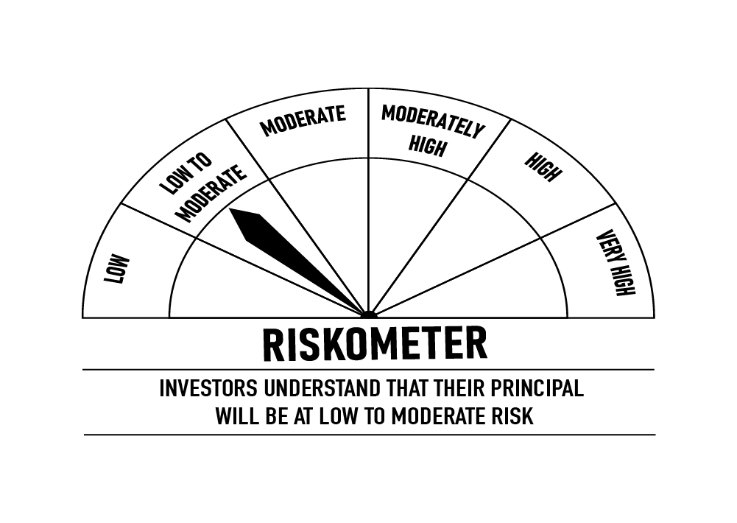
 | DSP Liquidity Fund
 | Portfolio as on December 15, 2021

Sr. No. | Name of Instrument | ISIN | Rating/Industry | Quantity | Market value (Rs. In lakhs) | % to Net Assets | Maturity Date | Put/Call Option | YTM (%)

 | DEBT INSTRUMENTS
 | BOND & NCD's
 | Listed / awaiting listing on the stock exchanges |  |  |  |  |  |  |  |  | Sector/Rating | Percent
1 | Power Grid Corporation of India Limited** | INE752E07OD2 | CRISIL AAA | 100 | 1,071.49 | 0.12% | 21-Dec-2021 | - | 3.46 | CRISIL A1+ | 33.04%
 | Total |  |  |  | 1,071.49 | 0.12% |  |  |  | SOV | 16.05%
 |  |  |  |  |  |  |  |  |  | ICRA A1+ | 6.09%
 | MONEY MARKET INSTRUMENTS |  |  |  |  |  |  |  |  | IND A1+ | 4.03%
 | Certificate of Deposit |  |  |  |  |  |  |  |  | CRISIL AAA | 0.12%
2 | HDFC Bank Limited** | INE040A16CN5 | IND A1+ | 4,000 | 19,862.46 | 2.30% | 25-Feb-2022 |  | 3.56 | Cash & Equivalent | 40.67%
 | Total |  |  |  | 19,862.46 | 2.30%

 | Commercial Papers
 | Listed / awaiting listing on the stock exchanges
3 | Infina Finance Private Limited** | INE879F14FJ1 | CRISIL A1+ | 10,000 | 49,967.15 | 5.80% | 20-Dec-2021 |  | 6.00
4 | Aditya Birla Finance Limited** | INE860H14V69 | ICRA A1+ | 8,000 | 39,973.72 | 4.64% | 20-Dec-2021 |  | 6.00
5 | Kotak Mahindra Prime Limited** | INE916D140V2 | CRISIL A1+ | 5,000 | 24,971.28 | 2.90% | 23-Dec-2021 |  | 6.00
6 | Reliance Industries Limited** | INE002A14JI5 | CRISIL A1+ | 4,000 | 19,948.98 | 2.31% | 11-Jan-2022 |  | 3.59
7 | Reliance Jio Infocomm Limited** | INE110L14PV3 | CRISIL A1+ | 4,000 | 19,945.08 | 2.31% | 13-Jan-2022 |  | 3.59
8 | Chennai Petroleum Corporation Limited | INE178A14HD8 | CRISIL A1+ | 4,000 | 19,848.00 | 2.30% | 03-Mar-2022 |  | 3.63
9 | Bajaj Housing Finance Limited** | INE377Y14884 | CRISIL A1+ | 3,000 | 14,936.66 | 1.73% | 28-Jan-2022 |  | 3.60
10 | Chennai Petroleum Corporation Limited | INE178A14GZ3 | CRISIL A1+ | 2,900 | 14,498.58 | 1.68% | 17-Dec-2021 |  | 3.58
11 | Bajaj Financial Securities Limited** | INE01C314148 | CRISIL A1+ | 2,000 | 9,995.83 | 1.16% | 20-Dec-2021 |  | 3.81
12 | Dalmia Cement (Bharat) Limited** | INE755K14DW1 | CRISIL A1+ | 2,000 | 9,994.97 | 1.16% | 21-Dec-2021 |  | 3.67
13 | HDFC Securities Limited** | INE700G14892 | CRISIL A1+ | 2,000 | 9,994.85 | 1.16% | 21-Dec-2021 |  | 3.77
14 | Muthoot Finance Limited** | INE414G14SC3 | CRISIL A1+ | 2,000 | 9,994.76 | 1.16% | 21-Dec-2021 |  | 3.83
15 | Julius Baer Capital (India) Private Limited** | INE824H14FP0 | CRISIL A1+ | 2,000 | 9,991.65 | 1.16% | 24-Dec-2021 |  | 3.82
16 | HDFC Securities Limited** | INE700G14900 | CRISIL A1+ | 2,000 | 9,988.83 | 1.16% | 27-Dec-2021 |  | 3.71
17 | National Bank for Agriculture and Rural Development** | INE261F14II8 | CRISIL A1+ | 2,000 | 9,961.41 | 1.16% | 25-Jan-2022 |  | 3.54
18 | Reliance Jio Infocomm Limited** | INE110L14QD9 | CRISIL A1+ | 2,000 | 9,950.25 | 1.15% | 04-Feb-2022 |  | 3.65
19 | Hindustan Petroleum Corporation Limited** | INE094A14HW7 | CRISIL A1+ | 2,000 | 9,946.73 | 1.15% | 08-Feb-2022 |  | 3.62
20 | Reliance Retail Ventures Limited** | INE929O14446 | CRISIL A1+ | 2,000 | 9,939.79 | 1.15% | 15-Feb-2022 |  | 3.62
21 | Network18 Media & Investments Limited** | INE870H14NI2 | ICRA A1+ | 1,500 | 7,473.28 | 0.87% | 21-Jan-2022 |  | 3.62
22 | Godrej Industries Limited** | INE233A14SW8 | CRISIL A1+ | 1,200 | 5,997.67 | 0.70% | 20-Dec-2021 |  | 3.55
23 | ICICI Securities Limited** | INE763G14KH9 | CRISIL A1+ | 1,000 | 4,999.48 | 0.58% | 17-Dec-2021 |  | 3.83
24 | Axis Securities Limited** | INE110O14377 | ICRA A1+ | 1,000 | 4,999.48 | 0.58% | 17-Dec-2021 |  | 3.85
25 | Julius Baer Capital (India) Private Limited** | INE824H14FO3 | CRISIL A1+ | 1,000 | 4,997.35 | 0.58% | 21-Dec-2021 |  | 3.87
26 | CEAT Limited** | INE482A14AP3 | IND A1+ | 1,000 | 4,995.95 | 0.58% | 24-Dec-2021 |  | 3.69
27 | Julius Baer Capital (India) Private Limited** | INE824H14FQ8 | CRISIL A1+ | 1,000 | 4,993.73 | 0.58% | 28-Dec-2021 |  | 3.82
28 | CEAT Limited** | INE482A14AT5 | IND A1+ | 1,000 | 4,970.94 | 0.58% | 10-Feb-2022 |  | 3.81
29 | CEAT Limited** | INE482A14AW9 | IND A1+ | 1,000 | 4,955.06 | 0.57% | 11-Mar-2022 |  | 3.90
 | Total |  |  |  | 352,231.46 | 40.86%

 | Treasury Bill
30 | 91 DAY T-BILL 23122021 | IN002021X280 | SOV | 52,000,000 | 51,967.14 | 6.03% | 23-Dec-2021 |  | 3.30
31 | 91 DAY T-BILL 03032022 | IN002021X389 | SOV | 40,000,000 | 39,706.84 | 4.61% | 03-Mar-2022 |  | 3.50
32 | 91 DAY T-BILL 10032022 | IN002021X397 | SOV | 24,500,000 | 24,303.93 | 2.82% | 10-Mar-2022 |  | 3.51
33 | 91 DAY T-BILL 24022022 | IN002021X371 | SOV | 22,500,000 | 22,352.96 | 2.59% | 24-Feb-2022 |  | 3.43
 | Total |  |  |  | 138,330.87 | 16.05%

34 | TREPS / Reverse Repo Investments / Corporate Debt Repo# |  |  |  | 349,349.71 | 40.52% | 16-Dec-2021
 | Total |  |  |  | 349,349.71 | 40.52%

 | Cash & Cash Equivalent
 | Net Receivables/Payables |  |  |  | 1,246.62 | 0.15%
 | Total |  |  |  | 1,246.62 | 0.15%

 | GRAND TOTAL |  |  |  | 862,092.61 | 100.00%
Notes:
1 | ** Non Traded in accordance with SEBI Regulations
2 | Market value includes accrued interest
3 | Net Assets does not include unit activity for the date of the Portfolios.
4 | As on Dec 15, 2021, the aggregate investments by the schemes of DSP Mutual Fund in DSP Liquidity Fund is Rs 2,358.14 lakhs.
5 | # TREPS / Reverse Repo Investments / Corporate Debt Repo includes Repo with residual maturity greater than 30 days.

 | Scheme Riskometer



 | Benchmark Riskometer: Crisil Liquid Fund Index

ULTRA
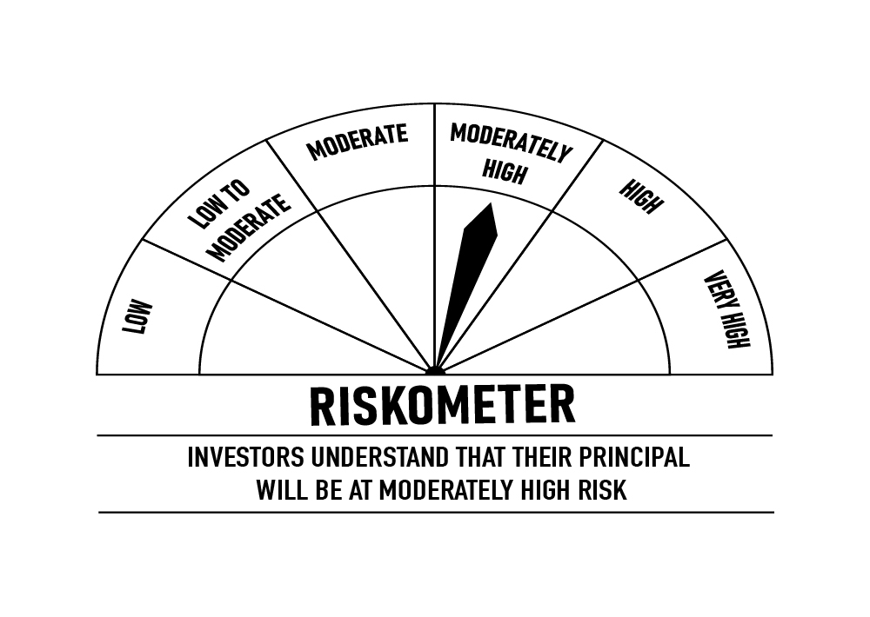
 | DSP Ultra Short Fund
 | Portfolio as on December 15, 2021

Sr. No. | Name of Instrument | ISIN | Rating/Industry | Quantity | Market value (Rs. In lakhs) | % to Net Assets | Maturity Date | Put/Call Option | YTM (%)

 | DEBT INSTRUMENTS
 | BOND & NCD's
 | Listed / awaiting listing on the stock exchanges |  |  |  |  |  |  |  |  | Sector/Rating | Percent
1 | National Bank for Agriculture and Rural Development** | INE261F08BL9 | CRISIL AAA | 750 | 7,920.60 | 2.22% | 13-Jun-2022 | - | 4.08 | CRISIL A1+ | 34.91%
2 | REC Limited** | INE020B08CE1 | CRISIL AAA | 600 | 6,273.36 | 1.76% | 30-Jun-2022 | - | 4.18 | SOV | 13.11%
3 | Reliance Industries Limited | INE002A08575 | CRISIL AAA | 500 | 5,369.76 | 1.51% | 08-Mar-2022 | - | 3.75 | CRISIL AAA | 11.41%
4 | Power Finance Corporation Limited** | INE134E08KB3 | CRISIL AAA | 500 | 5,312.85 | 1.49% | 27-May-2022 | - | 4.12 | ICRA A1+ | 6.16%
5 | National Bank for Agriculture and Rural Development | INE261F08BJ3 | CRISIL AAA | 500 | 5,299.37 | 1.49% | 23-May-2022 | - | 4.06 | IND A1+ | 3.44%
6 | LIC Housing Finance Limited** | INE115A07MG7 | CRISIL AAA | 500 | 5,222.11 | 1.47% | 15-Jul-2022 | - | 4.73 | ICRA AA+ | 1.78%
7 | Cholamandalam Investment and Finance Company Limited** | INE121A07PK0 | ICRA AA+ | 350 | 3,662.66 | 1.03% | 17-Jun-2022 | - | 4.87 | Cash & Equivalent | 29.19%
8 | Sundaram Home Finance Limited** | INE667F07HQ5 | ICRA AA+ | 250 | 2,678.41 | 0.75% | 03-Feb-2022 | - | 4.27
9 | Housing Development Finance Corporation Limited** | INE001A07QT3 | CRISIL AAA | 25 | 2,627.60 | 0.74% | 20-Jun-2022 | - | 4.34
10 | LIC Housing Finance Limited** | INE115A07OG3 | CRISIL AAA | 250 | 2,600.16 | 0.73% | 23-Sep-2022 | - | 4.80
 | Total |  |  |  | 46,966.88 | 13.19%

 | Government Securities (Central/State)
11 | 8.20% GOI 15022022 | IN0020060037 | SOV | 21,000,000 | 21,732.48 | 6.10% | 15-Feb-2022 |  | 3.54
 | Total |  |  |  | 21,732.48 | 6.10%

 | MONEY MARKET INSTRUMENTS
 | Certificate of Deposit
12 | HDFC Bank Limited** | INE040A16CM7 | IND A1+ | 2,500 | 12,250.51 | 3.44% | 21-Jun-2022 |  | 3.98
13 | IDFC First Bank Limited** | INE092T16QQ9 | CRISIL A1+ | 10,000 | 9,911.71 | 2.78% | 14-Mar-2022 |  | 3.69
14 | Small Industries Development Bank of India** | INE556F16861 | CRISIL A1+ | 10,000 | 9,902.51 | 2.78% | 25-Mar-2022 |  | 3.63
15 | Axis Bank Limited** | INE238A167W7 | CRISIL A1+ | 2,000 | 9,853.69 | 2.77% | 28-Apr-2022 |  | 4.08
16 | Axis Bank Limited** | INE238A164X2 | CRISIL A1+ | 2,000 | 9,799.66 | 2.75% | 16-Jun-2022 |  | 4.10
17 | Axis Bank Limited** | INE238A162W8 | CRISIL A1+ | 5,000 | 4,919.32 | 1.38% | 11-May-2022 |  | 4.10
18 | Axis Bank Limited** | INE238A161W0 | CRISIL A1+ | 5,000 | 4,918.23 | 1.38% | 13-May-2022 |  | 4.10
 | Total |  |  |  | 61,555.63 | 17.28%

 | Commercial Papers
 | Listed / awaiting listing on the stock exchanges
19 | ICICI Securities Limited** | INE763G14KK3 | CRISIL A1+ | 3,000 | 14,826.87 | 4.16% | 25-Mar-2022 |  | 4.31
20 | Jamnagar Utilities & Power Private Limited** | INE936D14113 | CRISIL A1+ | 3,000 | 14,482.47 | 4.07% | 21-Sep-2022 |  | 4.68
21 | Infina Finance Private Limited** | INE879F14FJ1 | CRISIL A1+ | 2,000 | 9,993.43 | 2.81% | 20-Dec-2021 |  | 6.00
22 | Tata Capital Housing Finance Limited** | INE033L14LP8 | CRISIL A1+ | 2,000 | 9,778.21 | 2.75% | 28-Jun-2022 |  | 4.27
23 | Bahadur Chand Investments Private Limited** | INE087M14AE9 | ICRA A1+ | 2,000 | 9,581.74 | 2.69% | 16-Sep-2022 |  | 5.82
24 | Aditya Birla Finance Limited** | INE860H14V69 | ICRA A1+ | 1,500 | 7,495.07 | 2.10% | 20-Dec-2021 |  | 6.00
25 | Export-Import Bank of India** | INE514E14PY5 | CRISIL A1+ | 1,000 | 4,951.48 | 1.39% | 24-Mar-2022 |  | 3.65
26 | Hero Fincorp Limited** | INE957N14EX3 | CRISIL A1+ | 1,000 | 4,887.77 | 1.37% | 16-Jun-2022 |  | 4.61
27 | Axis Securities Limited** | INE110O14302 | ICRA A1+ | 1,000 | 4,881.22 | 1.37% | 24-Jun-2022 |  | 4.67
28 | Housing Development Finance Corporation Limited** | INE001A14XU3 | CRISIL A1+ | 1,000 | 4,855.04 | 1.36% | 12-Aug-2022 |  | 4.56
29 | Housing Development Finance Corporation Limited | INE001A14XS7 | CRISIL A1+ | 1,000 | 4,849.15 | 1.36% | 22-Aug-2022 |  | 4.56
30 | Infina Finance Private Limited** | INE879F14EE5 | CRISIL A1+ | 800 | 3,899.98 | 1.10% | 28-Jun-2022 |  | 4.83
31 | Kotak Mahindra Prime Limited** | INE916D140V2 | CRISIL A1+ | 500 | 2,497.13 | 0.70% | 23-Dec-2021 |  | 6.00
 | Total |  |  |  | 96,979.56 | 27.23%

 | Treasury Bill
32 | 182 DAY T-BILL 16122021 | IN002021Y114 | SOV | 10,000,000 | 10,000.00 | 2.81% | 16-Dec-2021 |  | 3.30
33 | 182 DAY T-BILL 23122021 | IN002021Y122 | SOV | 10,000,000 | 9,993.68 | 2.81% | 23-Dec-2021 |  | 3.30
34 | 364 DAY T-BILL 30032022 | IN002020Z527 | SOV | 5,000,000 | 4,950.22 | 1.39% | 30-Mar-2022 |  | 3.53
 | Total |  |  |  | 24,943.90 | 7.01%

35 | TREPS / Reverse Repo Investments / Corporate Debt Repo |  |  |  | 105,482.25 | 29.62% | 16-Dec-2021
 | Total |  |  |  | 105,482.25 | 29.62%

 | Cash & Cash Equivalent
 | Net Receivables/Payables |  |  |  | (1,506.00) | -0.43%
 | Total |  |  |  | (1,506.00) | -0.43%

 | GRAND TOTAL |  |  |  | 356,154.70 | 100.00%
Notes:
1 | ** Non Traded in accordance with SEBI Regulations
2 | Market value includes accrued interest
3 | Net Assets does not include unit activity for the date of the Portfolios.
4 | Pursuant to SEBI circular SEBI/HO/IMD/DF4/CIR/P/2019/102 dated September 24, 2019 read with circular no. SEBI/HO/IMD/DF4/CIR/P/2019/41 dated March 22, 2019. Below are the details of the securities in case of which issuer has defaulted beyond its maturity date.
 | Security Name | ISIN | value of the security considered under net receivables (i.e. value recognized in NAV in absolute terms and as % to NAV) (Rs.in lakhs) |  | total amount (including principal and interest) that is due to the scheme on that investment (Rs.in lakhs)
 | 0% IL&FS Transportation Networks Limited NCD Series A 23032019 | INE975G08140 | 0.00 | 0.00% | 6,627.81

 | Scheme Riskometer

 | Benchmark Riskometer: CRISIL Ultra Short Term Debt Index

CREDITRISK
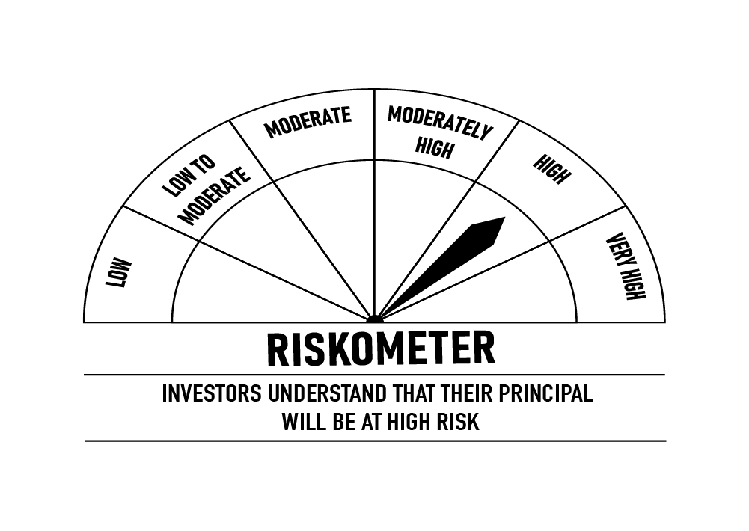
 | DSP Credit Risk Fund
 | Portfolio as on December 15, 2021

Sr. No. | Name of Instrument | ISIN | Rating/Industry | Quantity | Market value (Rs. In lakhs) | % to Net Assets | Maturity Date | Put/Call Option | YTM (%)

 | DEBT INSTRUMENTS
 | BOND & NCD's
 | Listed / awaiting listing on the stock exchanges |  |  |  |  |  |  |  |  | Sector/Rating | Percent
1 | Tata Motors Limited** | INE155A08191 | ICRA AA- | 200 | 2,249.20 | 8.55% | 20-Aug-2024 | - | 5.93 | ICRA AA | 16.06%
2 | Godrej Industries Limited** | INE233A08048 | CRISIL AA | 200 | 2,124.57 | 8.07% | 14-May-2025 | - | 6.19 | CRISIL AA | 13.89%
3 | Tata Realty And Infrastructure Limited** | INE371K08177 | ICRA AA | 200 | 2,116.46 | 8.04% | 23-Sep-2022 | - | 5.06 | SOV | 9.90%
4 | Godrej Properties Limited** | INE484J08022 | ICRA AA | 200 | 2,109.43 | 8.02% | 31-Jul-2023 | - | 5.72 | ICRA AA- | 8.55%
5 | Bharti Hexacom Limited** | INE343G08026 | CRISIL AA+ | 200 | 2,033.73 | 7.73% | 30-Apr-2024 | - | 5.98 | CRISIL AA+ | 7.73%
6 | Manappuram Finance Limited** | INE522D07BG1 | CARE AA | 150 | 1,626.77 | 6.18% | 14-Feb-2022 | - | 4.48 | CARE AA | 6.18%
7 | Aditya Birla Fashion and Retail Limited** | INE647O08107 | CRISIL AA | 100 | 1,008.28 | 3.83% | 09-Sep-2024 | - | 6.08 | Cash & Equivalent | 37.69%
8 | Manappuram Finance Limited** | INE522D07BC0 | CRISIL AA | 50 | 522.50 | 1.99% | 07-Nov-2022 | - | 5.63
 | Total |  |  |  | 13,790.94 | 52.41%

 | Government Securities (Central/State)
9 | 6.79% GOI 15052027 | IN0020170026 | SOV | 2,500,000 | 2,606.24 | 9.90% | 15-May-2027 |  | 5.99
 | Total |  |  |  | 2,606.24 | 9.90%

 | MONEY MARKET INSTRUMENTS
10 | TREPS / Reverse Repo Investments / Corporate Debt Repo |  |  |  | 6,980.30 | 26.53% | 16-Dec-2021
 | Total |  |  |  | 6,980.30 | 26.53%

 | Cash & Cash Equivalent
 | Net Receivables/Payables |  |  |  | 2,935.69 | 11.16%
 | Total |  |  |  | 2,935.69 | 11.16%

 | GRAND TOTAL |  |  |  | 26,313.17 | 100.00%
Notes:
1 | ** Non Traded in accordance with SEBI Regulations
2 | Market value includes accrued interest
3 | Net Assets does not include unit activity for the date of the Portfolios.
4 | In case of below securities, DSP Mutual Fund has ignored prices provided by valuation agencies. Disclosure vide circular no. SEBI/HO/IMD/DF4/CIR/P/2019/41 dated March 22, 2019 & SEBI/HO/IMD/DF4/CIR/P/2019/102 dated September 24,2019 for detailed rationale along with other details are available at the below mentioned links
 | Name of the securities | No of Instances | Links
 | 0% Sintex Bapl Limited NCD Series B 31122021 | 309 | https://www.dspim.com/media/pages/mandatory-disclosures/disclosures-for-deviation-in-valuation-price/9560565842-1616167083/sintex-bapl-limited.pdf
 | 0% Sintex Bapl Limited NCD Series C 31122022 | 309 | https://www.dspim.com/media/pages/mandatory-disclosures/disclosures-for-deviation-in-valuation-price/9560565842-1616167083/sintex-bapl-limited.pdf
 | 0% Sintex Bapl Limited NCD Series A 31122020 | 309 | https://www.dspim.com/media/pages/mandatory-disclosures/disclosures-for-deviation-in-valuation-price/9560565842-1616167083/sintex-bapl-limited.pdf
 | Il&Fs Energy Development Company Limited (Maturity Date : 28-Jun-2019) | 309 | https://www.dspim.com/media/pages/mandatory-disclosures/disclosures-for-deviation-in-valuation-price/52517897e3-1616167083/il-amp-fs-energy-devlopment-company-limited.pdf
 | Il&Fs Energy Development Company Limited (Maturity Date : 07-Jun-2019) | 309 | https://www.dspim.com/media/pages/mandatory-disclosures/disclosures-for-deviation-in-valuation-price/52517897e3-1616167083/il-amp-fs-energy-devlopment-company-limited.pdf
5 | Pursuant to SEBI circular SEBI/HO/IMD/DF4/CIR/P/2019/102 dated September 24, 2019 read with circular no. SEBI/HO/IMD/DF4/CIR/P/2019/41 dated March 22, 2019. Below are the details of the securities in case of which issuer has defaulted beyond its maturity date
 | Security Name | ISIN | value of the security considered under net receivables (i.e. value recognized in NAV in absolute terms and as % to NAV) (Rs.in lakhs) |  | total amount (including principal and interest) that is due to the scheme on that investment (Rs.in lakhs)
 | 0% IL&Fs Transportation Networks Limited Ncd Series A 23032019 | INE975G08140 | 0.00 | 0.00% | 23,396.18
 | 0% IL&Fs Energy Development Company Limited Ncd 07062019 | INE938L08049 | 0.00 | 0.00% | 13,861.96
 | 0% IL&FS Energy Development Company Limited Ncd 28062019 | INE938L08056 | 0.00 | 0.00% | 10,645.02
 | 0% SINTEX BAPL LTD S- A 31DEC20 ZCB | INE631U07027 | 965.55 | 3.67% | 4,357.70
 | 0% SINTEX BAPL LTD S- B 31DEC21 ZCB## | INE631U07035 | 965.55 | 3.67% | 4,760.79
 | 0% SINTEX BAPL LTD S- C 31DEC22 ZCB## | INE631U07043 | 965.55 | 3.67% | 5,201.16
 | ## Deemed matured on account of acceleration triggered by DSP Trustee Private Limited in the light of rights availed under Debenture Trust Deed

 | Scheme Riskometer

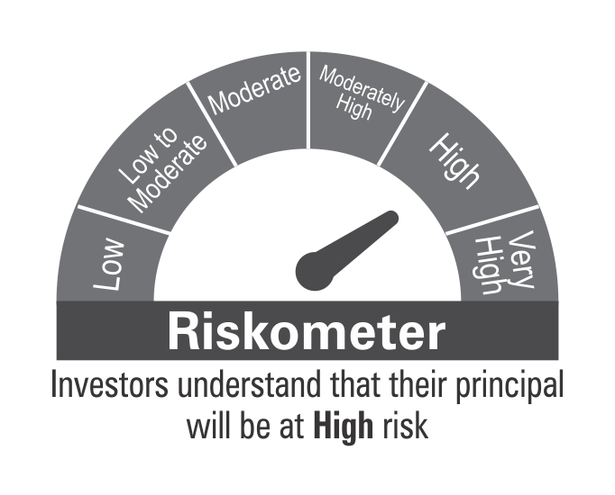

 | Benchmark Riskometer: CRISIL Short Term Credit Risk Index

SHORT

 | DSP Short Term Fund
 | Portfolio as on December 15, 2021

Sr. No. | Name of Instrument | ISIN | Rating/Industry | Quantity | Market value (Rs. In lakhs) | % to Net Assets | Maturity Date | Put/Call Option | YTM (%)

 | DEBT INSTRUMENTS
 | BOND & NCD's
 | Listed / awaiting listing on the stock exchanges |  |  |  |  |  |  |  |  | Sector/Rating | Percent
1 | National Housing Bank** | INE557F08FI7 | CRISIL AAA | 1,250 | 13,328.86 | 4.25% | 17-Apr-2023 | - | 4.76 | CRISIL AAA | 44.99%
2 | National Bank for Agriculture and Rural Development** | INE261F08CA0 | ICRA AAA | 1,250 | 13,078.78 | 4.17% | 31-Jul-2023 | - | 4.93 | SOV | 22.22%
3 | Bajaj Finance Limited** | INE296A07RB5 | CRISIL AAA | 1,000 | 10,817.43 | 3.45% | 10-Feb-2023 | - | 5.10 | CRISIL A1+ | 8.44%
4 | Reliance Industries Limited** | INE002A08625 | CRISIL AAA | 1,000 | 10,521.69 | 3.36% | 13-Sep-2023 | - | 4.95 | CARE AAA | 8.16%
5 | National Bank for Agriculture and Rural Development** | INE261F08DK7 | CRISIL AAA | 1,000 | 10,078.76 | 3.22% | 31-Jul-2025 | - | 5.63 | ICRA AAA | 6.68%
6 | National Housing Bank** | INE557F08FK3 | CRISIL AAA | 900 | 9,327.44 | 2.98% | 01-Sep-2023 | - | 4.85 | ICRA A1+ | 3.19%
7 | Indian Oil Corporation Limited** | INE242A08452 | CRISIL AAA | 750 | 8,072.96 | 2.58% | 06-Mar-2025 | - | 5.46 | IND A1+ | 1.53%
8 | REC Limited** | INE020B08DP5 | CRISIL AAA | 750 | 7,911.13 | 2.53% | 20-Mar-2024 | - | 5.22 | Cash & Equivalent | 4.79%
9 | Housing Development Finance Corporation Limited | INE001A07SY9 | CRISIL AAA | 750 | 7,696.57 | 2.46% | 29-May-2026 | - | 6.16
10 | Power Finance Corporation Limited** | INE134E08LK2 | CRISIL AAA | 750 | 7,656.74 | 2.44% | 27-Aug-2026 | - | 6.02
11 | LIC Housing Finance Limited** | INE115A07PA3 | CARE AAA | 750 | 7,651.30 | 2.44% | 26-Jul-2023 | - | 5.23
12 | Export-Import Bank of India** | INE514E08FG5 | CRISIL AAA | 500 | 5,436.66 | 1.74% | 01-Sep-2026 | - | 5.98
13 | Indian Oil Corporation Limited** | INE242A08445 | CRISIL AAA | 500 | 5,406.54 | 1.73% | 14-Apr-2023 | - | 4.70
14 | Housing Development Finance Corporation Limited** | INE001A07SX1 | CRISIL AAA | 500 | 5,230.51 | 1.67% | 08-Mar-2023 | - | 4.85
15 | Reliance Industries Limited** | INE002A08500 | CRISIL AAA | 500 | 5,147.74 | 1.64% | 08-Nov-2022 | - | 4.57
16 | LIC Housing Finance Limited** | INE115A07OV2 | CARE AAA | 500 | 5,100.25 | 1.63% | 25-Aug-2023 | - | 5.23
17 | LIC Housing Finance Limited** | INE115A07OZ3 | CARE AAA | 500 | 5,040.02 | 1.61% | 14-Sep-2023 | - | 5.23
18 | Export-Import Bank of India** | INE514E08DH8 | CRISIL AAA | 250 | 2,953.89 | 0.94% | 16-Dec-2023 | - | 4.97
19 | REC Limited** | INE020B08CH4 | CRISIL AAA | 250 | 2,696.41 | 0.86% | 31-Mar-2023 | - | 4.81
20 | NIIF Infrastructure Finance** | INE246R07384 | ICRA AAA | 250 | 2,691.43 | 0.86% | 07-Nov-2024 | - | 6.34
21 | National Bank for Agriculture and Rural Development** | INE261F08CD4 | ICRA AAA | 250 | 2,660.05 | 0.85% | 17-Apr-2023 | - | 4.83
22 | National Highways Authority of India** | INE906B07FT4 | CRISIL AAA | 250 | 2,631.53 | 0.84% | 06-Jun-2022 | - | 4.05
23 | LIC Housing Finance Limited** | INE115A07PC9 | CARE AAA | 250 | 2,610.59 | 0.83% | 20-Mar-2023 | - | 4.95
24 | REC Limited** | INE020B08DJ8 | CRISIL AAA | 250 | 2,603.74 | 0.83% | 31-Jan-2024 | - | 5.22
25 | Small Industries Development Bank of India** | INE556F08JN1 | CARE AAA | 250 | 2,602.37 | 0.83% | 08-Aug-2022 | - | 4.32
26 | Small Industries Development Bank of India** | INE556F08JO9 | CARE AAA | 250 | 2,581.70 | 0.82% | 29-Sep-2022 | - | 4.35
27 | National Highways Authority of India | INE906B07FX6 | CRISIL AAA | 250 | 2,574.33 | 0.82% | 05-Nov-2022 | - | 4.50
28 | Export-Import Bank of India** | INE514E08FU6 | CRISIL AAA | 250 | 2,572.70 | 0.82% | 20-Jun-2025 | - | 5.55
29 | Bajaj Finance Limited** | INE296A07RG4 | CRISIL AAA | 250 | 2,561.35 | 0.82% | 11-Aug-2023 | - | 5.30
30 | Bajaj Housing Finance Limited** | INE377Y07268 | CRISIL AAA | 250 | 2,518.90 | 0.80% | 15-Sep-2023 | - | 5.29
31 | National Bank for Agriculture and Rural Development** | INE261F08DI1 | CRISIL AAA | 250 | 2,518.82 | 0.80% | 31-Jan-2025 | - | 5.50
32 | Jamnagar Utilities & Power Private Limited | INE936D07174 | CRISIL AAA | 250 | 2,517.04 | 0.80% | 29-Sep-2026 | - | 6.56
33 | REC Limited | INE020B08DF6 | CRISIL AAA | 250 | 2,492.95 | 0.80% | 20-Dec-2025 | - | 5.91
34 | Power Grid Corporation of India Limited** | INE752E07JV4 | CRISIL AAA | 176 | 2,353.81 | 0.75% | 28-Jun-2022 | - | 4.06
35 | NHPC Limited** | INE848E07AH8 | ICRA AAA | 200 | 2,071.20 | 0.66% | 15-Sep-2022 | - | 4.32
36 | Export-Import Bank of India** | INE514E08CE7 | CRISIL AAA | 100 | 1,117.96 | 0.36% | 14-Feb-2023 | - | 4.68
37 | Export-Import Bank of India** | INE514E08CI8 | CRISIL AAA | 100 | 1,114.92 | 0.36% | 15-Mar-2023 | - | 4.68
38 | NTPC Limited** | INE733E07JB6 | CRISIL AAA | 100 | 1,050.70 | 0.34% | 04-Oct-2022 | - | 4.49
39 | Housing & Urban Development Corporation Limited** | INE031A08657 | ICRA AAA | 31 | 338.84 | 0.11% | 15-Apr-2022 | - | 4.12
40 | NHPC Limited** | INE848E07427 | ICRA AAA | 100 | 108.17 | 0.03% | 11-Feb-2022 | - | 3.60
 | Total |  |  |  | 187,446.78 | 59.83%

 | Government Securities (Central/State)
41 | 5.63% GOI 12042026 | IN0020210012 | SOV | 9,500,000 | 9,570.94 | 3.05% | 12-Apr-2026 |  | 5.69
42 | 5.74% GOI 15112026 | IN0020210186 | SOV | 9,500,000 | 9,550.43 | 3.05% | 15-Nov-2026 |  | 5.73
43 | 7.89% Gujarat SDL 15052025 | IN1520190043 | SOV | 8,500,000 | 9,133.62 | 2.92% | 15-May-2025 |  | 5.68
44 | 5.15% GOI 09112025 | IN0020200278 | SOV | 5,000,000 | 4,968.07 | 1.59% | 09-Nov-2025 |  | 5.49
45 | 5.75% Tamil Nadu SDL 27052025 | IN3120200081 | SOV | 2,500,000 | 2,515.20 | 0.80% | 27-May-2025 |  | 5.65
 | Total |  |  |  | 35,738.26 | 11.41%

 | MONEY MARKET INSTRUMENTS
 | Certificate of Deposit
46 | HDFC Bank Limited** | INE040A16CO3 | IND A1+ | 1,000 | 4,787.74 | 1.53% | 13-Dec-2022 |  | 4.47
47 | Axis Bank Limited** | INE238A161W0 | CRISIL A1+ | 1,500 | 1,475.47 | 0.47% | 13-May-2022 |  | 4.10
 | Total |  |  |  | 6,263.21 | 2.00%

 | Commercial Papers
 | Listed / awaiting listing on the stock exchanges
48 | Bajaj Finance Limited** | INE296A14SQ7 | CRISIL A1+ | 3,000 | 14,987.68 | 4.78% | 21-Dec-2021 |  | 6.00
49 | Aditya Birla Finance Limited** | INE860H14V69 | ICRA A1+ | 2,000 | 9,993.43 | 3.19% | 20-Dec-2021 |  | 6.00
50 | Infina Finance Private Limited** | INE879F14FJ1 | CRISIL A1+ | 2,000 | 9,993.43 | 3.19% | 20-Dec-2021 |  | 6.00
 | Total |  |  |  | 34,974.54 | 11.16%

 | Treasury Bill
51 | 91 DAY T-BILL 16122021 | IN002021X272 | SOV | 20,000,000 | 20,000.00 | 6.38% | 16-Dec-2021 |  | 3.30
52 | 91 DAY T-BILL 03032022 | IN002021X389 | SOV | 9,000,000 | 8,934.04 | 2.85% | 03-Mar-2022 |  | 3.50
53 | 364 DAY T-BILL 30032022 | IN002020Z527 | SOV | 5,000,000 | 4,950.22 | 1.58% | 30-Mar-2022 |  | 3.53
 | Total |  |  |  | 33,884.26 | 10.81%

54 | TREPS / Reverse Repo Investments / Corporate Debt Repo |  |  |  | 12,948.94 | 4.13% | 16-Dec-2021
 | Total |  |  |  | 12,948.94 | 4.13%

 | Cash & Cash Equivalent
 | Net Receivables/Payables |  |  |  | 2,047.94 | 0.66%
 | Total |  |  |  | 2,047.94 | 0.66%

 | GRAND TOTAL |  |  |  | 313,303.93 | 100.00%
Notes:
1 | ** Non Traded in accordance with SEBI Regulations
2 | Market value includes accrued interest
3 | Net Assets does not include unit activity for the date of the Portfolios.

 | Scheme Riskometer

 | Benchmark Riskometer: CRISIL Short Term Bond Fund Index

STR
 | DSP Strategic Bond Fund
 | Portfolio as on December 15, 2021

Sr. No. | Name of Instrument | ISIN | Rating/Industry | Quantity | Market value (Rs. In lakhs) | % to Net Assets | Maturity Date | Put/Call Option | YTM (%)

 | DEBT INSTRUMENTS
 | BOND & NCD's
 | Listed / awaiting listing on the stock exchanges |  |  |  |  |  |  |  |  | Sector/Rating | Percent
1 | REC Limited | INE020B08DF6 | CRISIL AAA | 500 | 5,152.99 | 7.26% | 20-Dec-2025 | - | 5.91 | SOV | 44.91%
2 | Indian Railway Finance Corporation Limited** | INE053F08122 | CRISIL AAA | 500 | 5,143.00 | 7.25% | 29-Aug-2031 | - | 6.81 | CRISIL AAA | 18.04%
3 | Food Corporation Of India** | INE861G08084 | CRISIL AAA(CE) | 450 | 4,644.69 | 6.54% | 13-Aug-2031 | - | 6.97 | CRISIL A1+ | 7.04%
4 | Housing Development Finance Corporation Limited | INE001A07TG4 | CRISIL AAA | 250 | 2,508.15 | 3.53% | 01-Dec-2031 | - | 7.04 | CRISIL AAA(CE) | 6.54%
 | Total |  |  |  | 17,448.83 | 24.58% |  |  |  | Cash & Equivalent | 23.47%

 | Government Securities (Central/State)
5 | 5.63% GOI 12042026 | IN0020210012 | SOV | 10,000,000 | 10,074.67 | 14.19% | 12-Apr-2026 |  | 5.69
6 | 5.74% GOI 15112026 | IN0020210186 | SOV | 5,000,000 | 5,026.54 | 7.08% | 15-Nov-2026 |  | 5.73
7 | 6.67% GOI 15122035 | IN0020210152 | SOV | 3,500,000 | 3,471.36 | 4.89% | 15-Dec-2035 |  | 6.76
8 | 7.59% GOI 11012026 | IN0020150093 | SOV | 2,500,000 | 2,753.55 | 3.88% | 11-Jan-2026 |  | 5.67
9 | 7.26% GOI 14012029 | IN0020180454 | SOV | 2,500,000 | 2,719.28 | 3.83% | 14-Jan-2029 |  | 6.25
10 | 7.17% GOI 08012028 | IN0020170174 | SOV | 2,500,000 | 2,710.59 | 3.82% | 08-Jan-2028 |  | 6.11
11 | 6.79% GOI 15052027 | IN0020170026 | SOV | 2,500,000 | 2,606.24 | 3.67% | 15-May-2027 |  | 5.99
12 | 6.10% GOI 12072031 | IN0020210095 | SOV | 2,500,000 | 2,518.62 | 3.55% | 12-Jul-2031 |  | 6.36
13 | 8.32% Karnataka SDL 13032029 | IN1920180206 | SOV | 2,100 | 2.35 | * | 13-Mar-2029 |  | 6.62
14 | 8.53% Gujarat SDL 20112028 | IN1520180192 | SOV | 800 | 0.89 | * | 20-Nov-2028 |  | 6.55
 | Total |  |  |  | 31,884.09 | 44.91%

 | MONEY MARKET INSTRUMENTS
 | Commercial Papers
 | Listed / awaiting listing on the stock exchanges
15 | Bajaj Finance Limited** | INE296A14SR5 | CRISIL A1+ | 1,000 | 4,995.07 | 7.04% | 22-Dec-2021 |  | 6.00
 | Total |  |  |  | 4,995.07 | 7.04%

16 | TREPS / Reverse Repo Investments / Corporate Debt Repo |  |  |  | 14,714.77 | 20.73% | 16-Dec-2021
 | Total |  |  |  | 14,714.77 | 20.73%

 | Cash & Cash Equivalent
 | Cash Margin |  |  |  | 357.72 | 0.50%
 | Net Receivables/Payables |  |  |  | 1,583.15 | 2.24%
 | Total |  |  |  | 1,940.87 | 2.74%

 | GRAND TOTAL |  |  |  | 70,983.63 | 100.00%
Notes:
1 | ** Non Traded in accordance with SEBI Regulations
2 | Market value includes accrued interest
3 | * Less than 0.01%
4 | Net Assets does not include unit activity for the date of the Portfolios.

 | Scheme Riskometer



 | Benchmark Riskometer: Crisil Composite Bond Fund Index

REGULARSAVINGS
 | DSP Regular Savings Fund
 | Portfolio as on December 15, 2021

Sr. No. | Name of Instrument | ISIN | Rating/Industry | Quantity | Market value (Rs. In lakhs) | % to Net Assets | Maturity Date | Put/Call Option | YTM (%)

 | EQUITY & EQUITY RELATED
 | Listed / awaiting listing on the stock exchanges
1 | HCL Technologies Limited | INE860A01027 | Software | 52,613 | 604.47 | 2.65% |  |  |  | Sector/Rating | Percent
2 | ICICI Bank Limited | INE090A01021 | Banks | 59,775 | 449.66 | 1.97% |  |  |  | CRISIL AAA | 57.95%
3 | HDFC Bank Limited | INE040A01034 | Banks | 29,519 | 442.79 | 1.94% |  |  |  | SOV | 14.05%
4 | ITC Limited | INE154A01025 | Consumer Non Durables | 138,032 | 309.26 | 1.36% |  |  |  | Banks | 5.20%
5 | Axis Bank Limited | INE238A01034 | Banks | 41,281 | 294.13 | 1.29% |  |  |  | Power | 3.70%
6 | Aptus Value Housing Finance India Limited | INE852O01025 | Finance | 84,000 | 288.75 | 1.27% |  |  |  | Software | 2.65%
7 | SBI Life Insurance Company Limited | INE123W01016 | Insurance | 24,429 | 286.96 | 1.26% |  |  |  | IND AAA | 2.36%
8 | Sharda Cropchem Limited | INE221J01015 | Pesticides | 74,483 | 246.24 | 1.08% |  |  |  | Finance | 2.30%
9 | IPCA Laboratories Limited | INE571A01020 | Pharmaceuticals | 11,678 | 236.04 | 1.04% |  |  |  | Insurance | 2.15%
10 | Manappuram Finance Limited | INE522D01027 | Finance | 137,155 | 234.19 | 1.03% |  |  |  | Pharmaceuticals | 1.86%
11 | Hero MotoCorp Limited | INE158A01026 | Auto | 8,447 | 211.78 | 0.93% |  |  |  | Consumer Non Durables | 1.36%
12 | ICICI Lombard General Insurance Company Limited | INE765G01017 | Insurance | 14,520 | 203.35 | 0.89% |  |  |  | Pesticides | 1.08%
13 | Cipla Limited | INE059A01026 | Pharmaceuticals | 20,991 | 188.02 | 0.82% |  |  |  | Consumer Durables | 1.06%
14 | UltraTech Cement Limited | INE481G01011 | Cement & Cement Products | 2,094 | 154.36 | 0.68% |  |  |  | Auto | 0.93%
15 | Crompton Greaves Consumer Electricals Limited | INE299U01018 | Consumer Durables | 34,239 | 147.52 | 0.65% |  |  |  | Cement & Cement Products | 0.68%
16 | Coromandel International Limited | INE169A01031 | Fertilisers | 19,369 | 144.42 | 0.63% |  |  |  | Fertilisers | 0.63%
17 | Forbes & Company Ltd | INE518A01013 | Consumer Durables | 1,726 | 92.96 | 0.41% |  |  |  | Index Options | 0.03%
 | Total |  |  |  | 4,534.90 | 19.90% |  |  |  | Cash & Equivalent | 2.01%

 | DERIVATIVES
18 | NIFTY 16700 Put Dec21 | NIFTY30122116700PE | Index Options | 10,100 | 7.14 | 0.03% | 30-Dec-2021
 | Total |  |  |  | 7.14 | 0.03%

 | Units issued by REITs & InvITs
 | Listed / awaiting listing on the stock exchanges
19 | Powergrid Infrastructure Investment Trust | INE0GGX23010 | Power | 699,600 | 842.60 | 3.70%
 | Total |  |  |  | 842.60 | 3.70%

 | DEBT INSTRUMENTS
 | BOND & NCD's
 | Listed / awaiting listing on the stock exchanges
20 | Indian Railway Finance Corporation Limited** | INE053F07BB3 | CRISIL AAA | 150 | 1,618.18 | 7.10% | 28-Feb-2024 | - | 5.08
21 | National Bank for Agriculture and Rural Development** | INE261F08BO3 | CRISIL AAA | 150 | 1,553.36 | 6.81% | 19-Sep-2022 | - | 4.35
22 | Power Grid Corporation of India Limited** | INE752E07NK9 | CRISIL AAA | 100 | 1,173.18 | 5.15% | 23-Dec-2025 | - | 5.71
23 | Power Finance Corporation Limited** | INE134E08KD9 | CRISIL AAA | 100 | 1,104.62 | 4.85% | 04-Jun-2024 | - | 5.36
24 | REC Limited** | INE020B08CK8 | CRISIL AAA | 100 | 1,088.23 | 4.77% | 20-Mar-2025 | - | 5.72
25 | Export-Import Bank of India** | INE514E08FG5 | CRISIL AAA | 100 | 1,087.33 | 4.77% | 01-Sep-2026 | - | 5.98
26 | Indian Oil Corporation Limited** | INE242A08452 | CRISIL AAA | 100 | 1,076.39 | 4.72% | 06-Mar-2025 | - | 5.46
27 | National Highways Authority of India | INE906B07FG1 | CRISIL AAA | 100 | 1,065.88 | 4.68% | 18-Mar-2022 | - | 3.61
28 | Power Finance Corporation Limited** | INE134E08LF2 | CRISIL AAA | 250 | 785.76 | 3.45% | 30-Jun-2025 | - | 5.75
29 | Hindustan Petroleum Corporation Limited** | INE094A08036 | CRISIL AAA | 70 | 745.45 | 3.27% | 14-Aug-2024 | - | 5.29
30 | Export-Import Bank of India** | INE514E08EK0 | CRISIL AAA | 50 | 572.24 | 2.51% | 03-Feb-2025 | - | 5.46
31 | Housing Development Finance Corporation Limited** | INE001A07SG6 | CRISIL AAA | 50 | 553.03 | 2.43% | 10-Feb-2025 | - | 5.78
32 | Export-Import Bank of India** | INE514E08FT8 | CRISIL AAA | 50 | 538.73 | 2.36% | 18-Feb-2025 | - | 5.46
33 | GAIL (India) Limited** | INE129A07214 | IND AAA | 50 | 537.49 | 2.36% | 23-Feb-2024 | CA - 23-Feb-2022 | 3.95
34 | NTPC Limited** | INE733E07JP6 | CRISIL AAA | 1,736,927 | 245.48 | 1.08% | 25-Mar-2025 | - | 5.41
 | Total |  |  |  | 13,745.35 | 60.31%

 | Government Securities (Central/State)
35 | 7.32% GOI 28012024 | IN0020180488 | SOV | 1,500,000 | 1,617.41 | 7.09% | 28-Jan-2024 |  | 4.79
36 | 6.18% GOI 04112024 | IN0020190396 | SOV | 1,000,000 | 1,035.33 | 4.54% | 04-Nov-2024 |  | 5.12
37 | 7.59% GOI 11012026 | IN0020150093 | SOV | 500,000 | 550.71 | 2.42% | 11-Jan-2026 |  | 5.67
 | Total |  |  |  | 3,203.45 | 14.05%

 | MONEY MARKET INSTRUMENTS
38 | TREPS / Reverse Repo Investments / Corporate Debt Repo |  |  |  | 475.89 | 2.09% | 16-Dec-2021
 | Total |  |  |  | 475.89 | 2.09%

 | Cash & Cash Equivalent
 | Cash Margin |  |  |  | 50.00 | 0.22%
 | Net Receivables/Payables |  |  |  | (62.70) | -0.30%
 | Total |  |  |  | (12.70) | -0.08%

 | GRAND TOTAL |  |  |  | 22,796.63 | 100.00%
Notes:
1 | ** Non Traded in accordance with SEBI Regulations
2 | Market value includes accrued interest
3 | Net Assets does not include unit activity for the date of the Portfolios.
4 | Pursuant to SEBI circular SEBI/HO/IMD/DF4/CIR/P/2019/102 dated September 24, 2019 read with circular no. SEBI/HO/IMD/DF4/CIR/P/2019/41 dated March 22, 2019. Below are the details of the securities in case of which issuer has defaulted beyond its maturity date.
 | Security Name | ISIN | value of the security considered under net receivables (i.e. value recognized in NAV in absolute terms and as % to NAV) (Rs.in lakhs) |  | total amount (including principal and interest) that is due to the scheme on that investment (Rs.in lakhs)
 | 0% IL&FS Transportation Networks Limited Ncd Series A 23032019 | INE975G08140 | 0.00 | 0.00% | 1,855.79

 | Scheme Riskometer

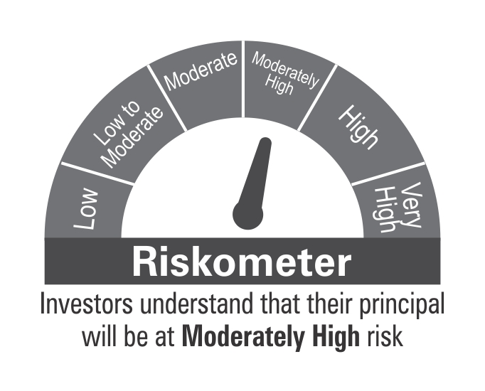

 | Benchmark Riskometer: CRISIL Hybrid 85+15 - Conservative Index

OVERNIGHT
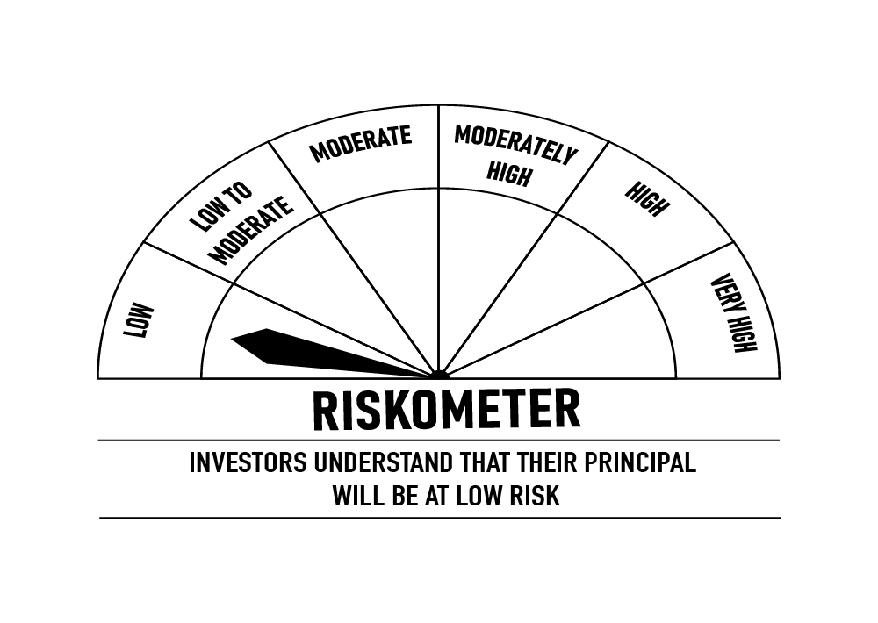
 | DSP Overnight Fund
 | Portfolio as on December 15, 2021

Sr. No. | Name of Instrument | ISIN | Rating/Industry | Quantity | Market value (Rs. In lakhs) | % to Net Assets | Maturity Date | Put/Call Option | YTM (%)

 | MONEY MARKET INSTRUMENTS
1 | TREPS / Reverse Repo Investments / Corporate Debt Repo |  |  |  | 228,407.71 | 99.36% | 16-Dec-2021
 | Total |  |  |  | 228,407.71 | 99.36%

 | Cash & Cash Equivalent
 | Net Receivables/Payables |  |  |  | 1,476.13 | 0.64%
 | Total |  |  |  | 1,476.13 | 0.64%

 | GRAND TOTAL |  |  |  | 229,883.84 | 100.00%
Notes:
1 | Market value includes accrued interest
2 | Net Assets does not include unit activity for the date of the Portfolios.
3 | As per the investment policy of DSP Overnight Fund , the Fund does not invest in Corporate Debt Repo

 | Scheme Riskometer

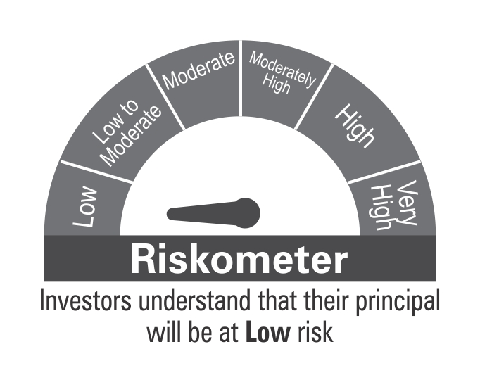

 | Benchmark Riskometer: CRISIL Overnight Index

